Sheet2
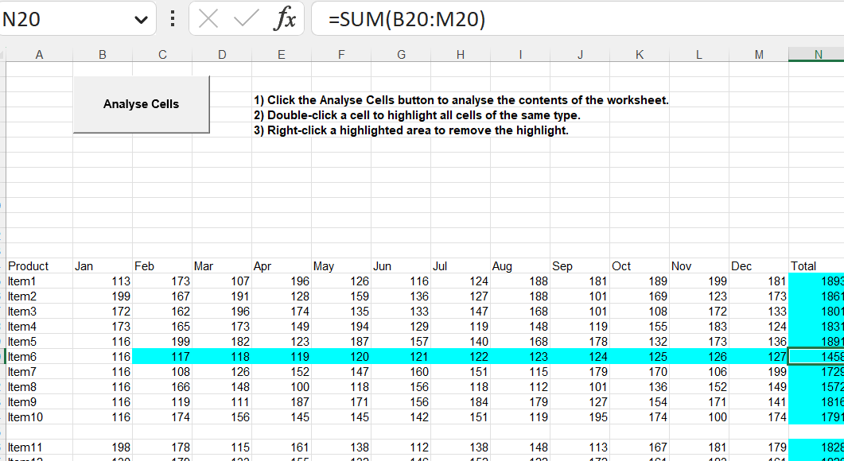

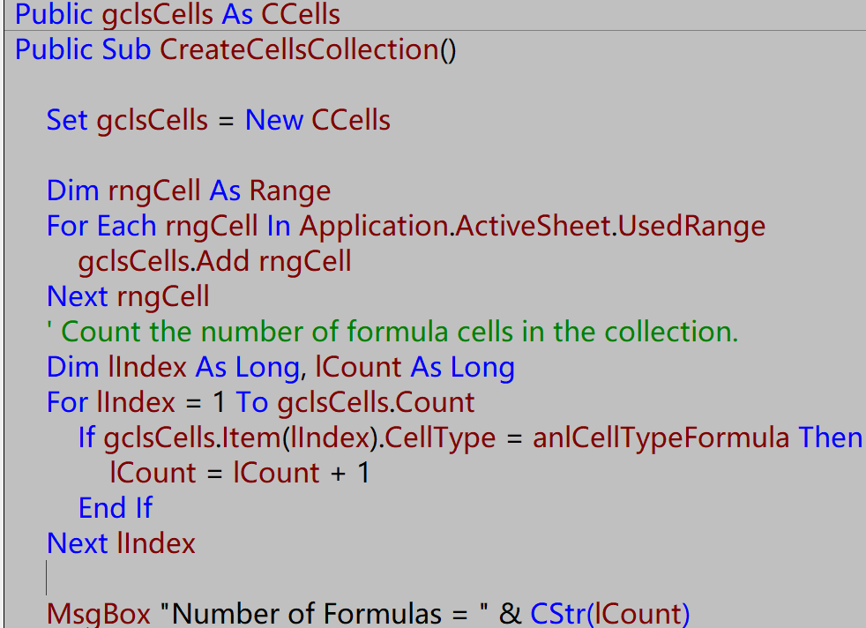

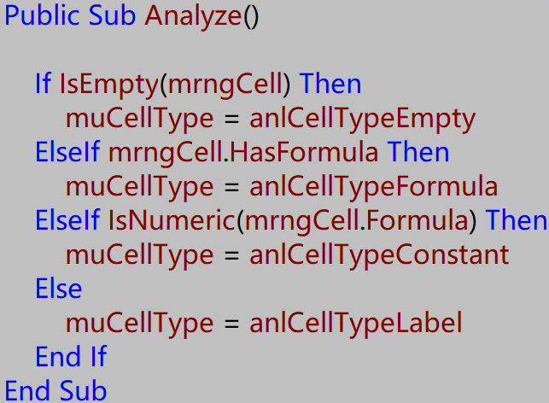

 |  |  | Cell

 |  |  | CellType

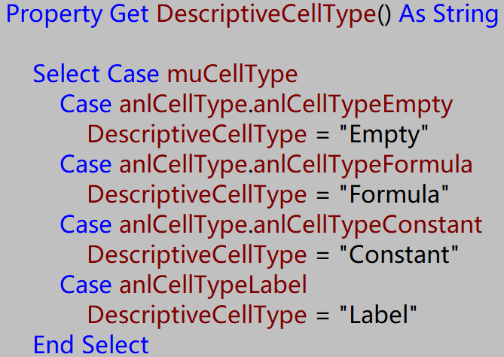

 |  | muCellType | DescriptiveCellType

 |  | mrngCell |  | Analyze

 | Ccell Highlight and Unhight adding

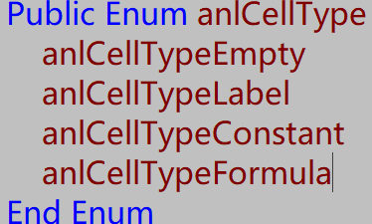

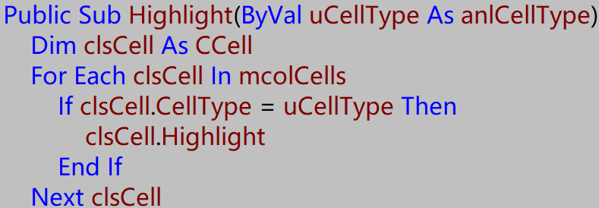

 | Ccells

cTypeTrigger

Sheet2 (2)
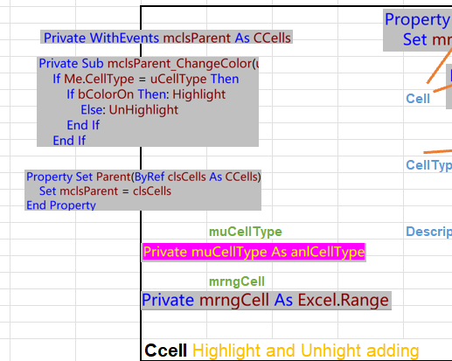
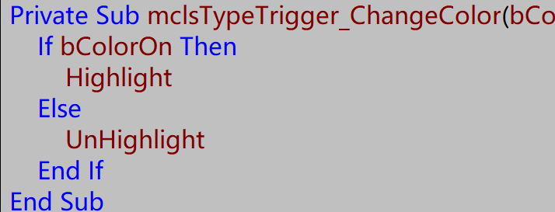
 |  |  | Cell

 |  |  | CellType

 |  | muCellType | DescriptiveCellType

 |  | mrngCell |  | Analyze

 | Ccell .

 | Ccells

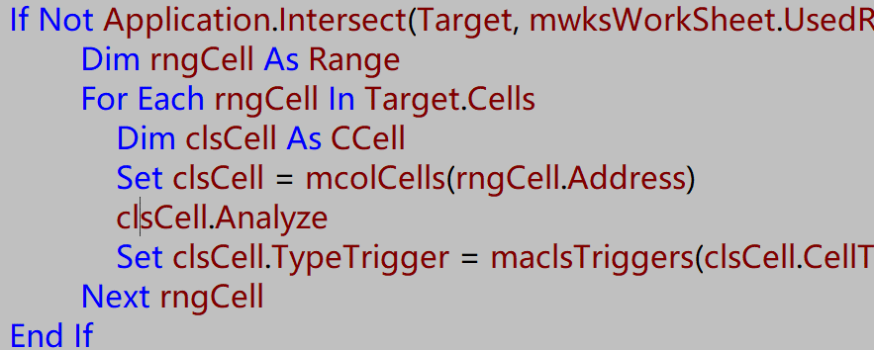

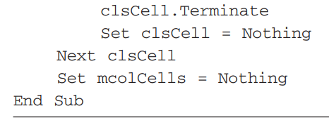

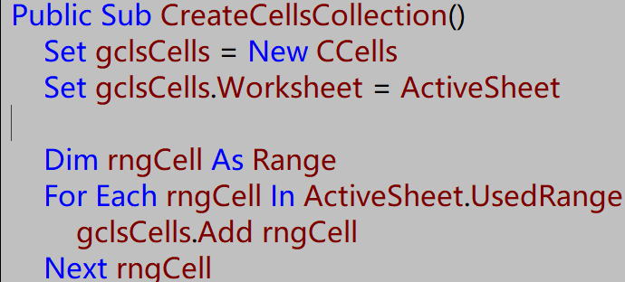

cTypeTrigger

