WACC
Capital Structure (as of S2 2025)
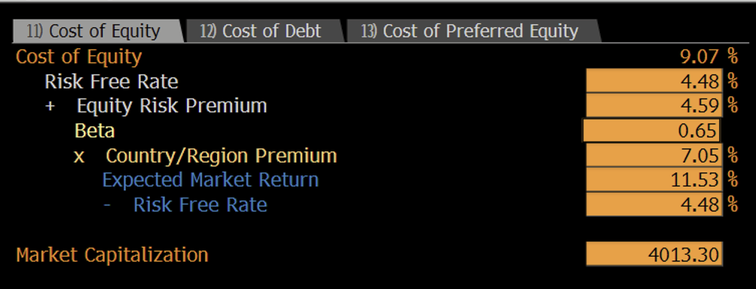
Equity | 99.8%
Preferred Equity | 0.0%
Debt | 0.2%
Risk Free Rate | 4.5%
Levered Beta | 0.65
x Country Premium | 7.1%
Expected Market Return | 11.5%
- Risk Free Rate | 4.5%
Check | 100.0%

Cost of Equity | 9.06%
WACC | 9.06%

Relative Comps
Company | Market Cap (bn) | Exchange rate | Market Cap (bn) | Company | Tier | Selection Criteria
REA Group | AUD 19.58 | 0.53 | £ 10.38 | REA Group | Property portal, Australia | Dominant national portal, identical ARPA subscription model
Scout24 | £ 5.12 | 1 | £ 5.12 | Scout24 | Property portal, Germany | Dominant portal, mature European market, same subscription model
Auto Trader | £ 3.46 | 1 | £ 3.46 | Auto Trader | Auto marketplace, United Kingdom | Same subscription ARPA model, UK-listed, economically near-identical to RMV
Hemnet | SEK 8.45 | 0.08 | £ 0.68 | Hemnet | Property portal, Sweden | Closest structural twin, monopoly portal, pure ARPA subscription
Zillow | $ 8.17 | 0.74 | £ 6.05 | Zillow | Property portal, United States | Same sector, US scale reference

Multiples NTM
Company | EV/EBITDA | EV/Rev | P/E
REA Group ASX: REA | 18.3 | 10.7 | 30.8
Scout24 FRA: G24 | 15.4 | 7.6 | 19.9
Auto Trader LSE: AUTO | 9 | 6.7 | 13
Hemnet STO: HEM | 16.1 | 6.7 | 19.5
Zillow NASDAQ: Z | 28 | 2.8 | 15.1
Median | 16.1 | 6.7 | 19.5
Mean | 17.36 | 6.9 | 19.66
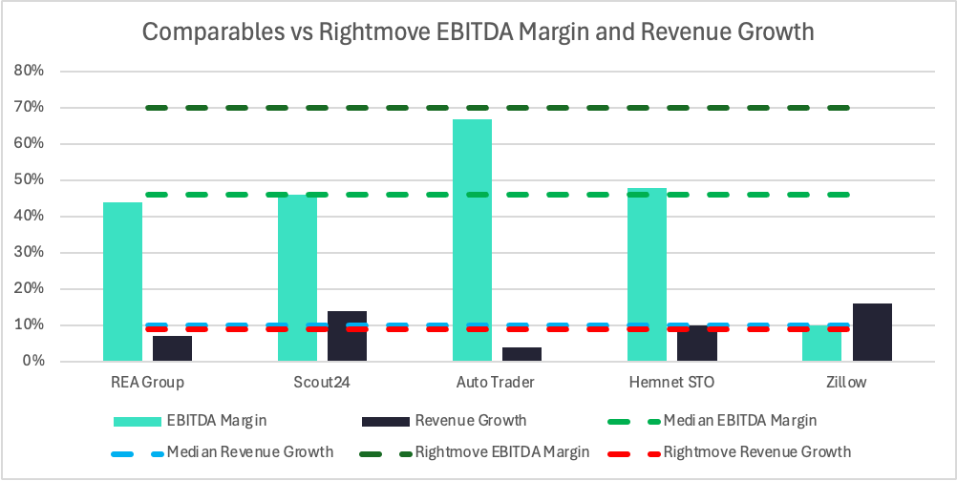
Rightmove LSE:RMV | 10.7 | 7.4 | 14.7

Trading Comparables

Median EV/EBITDA | 16.1x
RMV EBITDA | £ 317
Implied EV | 5103.7
Net cash | £ 42.9
Debt | -£ 7.2
Equity Value | 5139.4
Shares | £ 772.4
Share Price | 665.4 pence

Ratios TTM
Company | EBITDA Margin | Revenue Growth
REA Group | 44% | 7%
Scout24 | 46% | 14%
Auto Trader | 67% | 4%
Hemnet | 48% | 10%
Zillow | 10% | 16%
Median | 46% | 10%
Mean | 43% | 10%
Rightmove LSE:RMV | 70% | 9%

Recommendation
RIGHTMOVE VALUATION FOOTBALL FIELD
 |  |  |  |  |  | Current Price (GBP): | 416 | 29 May, 13:08 BST
VALUATION RANGE INPUTS |  |  |  |  |  |  |  |  | RELATIVE VALUATION COMPS (Median)
 | Low (GBp) | Base / Mid (GBp) | High (GBp) | Upside Low | Upside High |  |  |  |  | Low |  | Base |  | High
DCF Base Case | #VALUE! | #VALUE! | #VALUE! | #VALUE! | #VALUE! |  |  |  | EV/Revenue | 6.7 | P/E | 19.5 | EV/EBITDA | 16.1
DCF Bear / Bull Scenarios | #VALUE! | #VALUE! | #VALUE! | #VALUE! | #VALUE! |  |  |  | Revenue FY2025 | 425.1 | Net Income | 217.1 | EBITDA FY2025 | 316.9756
Revenue Growth Sensitivity | #VALUE! | #VALUE! | #VALUE! | #VALUE! | #VALUE! |  |  |  | Net Cash | 35.722 | Shares | 772.40 | Net Cash | 35.722
SG&A Sensitivity | #VALUE! | #VALUE! | #VALUE! | #VALUE! | #VALUE! |  |  |  | Shares | 772.40 |  |  | Shares | 772.40
52-Week Trading Range | 339 | 416 | 609 | -18.51% | 46.39% | Bloomberg GP screen, RMV LN 52-wk low/high |  |  | Price | 373 | Price | 548 | Price | 665
Analyst Consensus | 420 | 709 | 900 | 0.96% | 116.35% | Bloomberg ANR screen low / median 709p / high analyst targets, May 2026
Relative Valuation (Median Comps) | 373 | 548 | 665 | -10.25% | 59.94%

CHART DATA TABLE
 | Invisible Base | Range Width | Mid Marker Offset
DCF Base Case | #VALUE! | #VALUE! | #VALUE!
DCF Bear / Bull Scenarios | #VALUE! | #VALUE! | #VALUE!
Revenue Growth Sensitivity | #VALUE! | #VALUE! | #VALUE!
SG&A Sensitivity | #VALUE! | #VALUE! | #VALUE!
52-Week Trading Range | 339 | 270 | 77
Analyst Consensus | 420 | 480 | 289
Relative Valuation | 373 | 292 | 175

Rightmove PLC Valuation Football Field

VALUATION RECONCILIATION & RECOMMENDATION

 | Weight | Base Price (GBp) | Weighted (GBp) | vs. 416p
DCF Base Case | 50% | #VALUE! | #VALUE! | #VALUE!
Revenue/SGA Base Sensitivity | 25% | #VALUE! | #VALUE! | #VALUE!
Analyst Consensus Median | 15% | 709p | 106p | 70.4%
Relative Valuation | 10% | 665p | 67p | 59.9%

Weighted Average Price Target |  |  | #VALUE! | #VALUE!
Price Target (rounded) |  |  | 567p
Weight check | 100%

Recommendation: BUY Weighted Average Price Target: 597p | Upside: +41.2% from 416p

