Frametastic ->

FRAMETASTIC
COMPANY VALUATION

Valuation_10%IRR
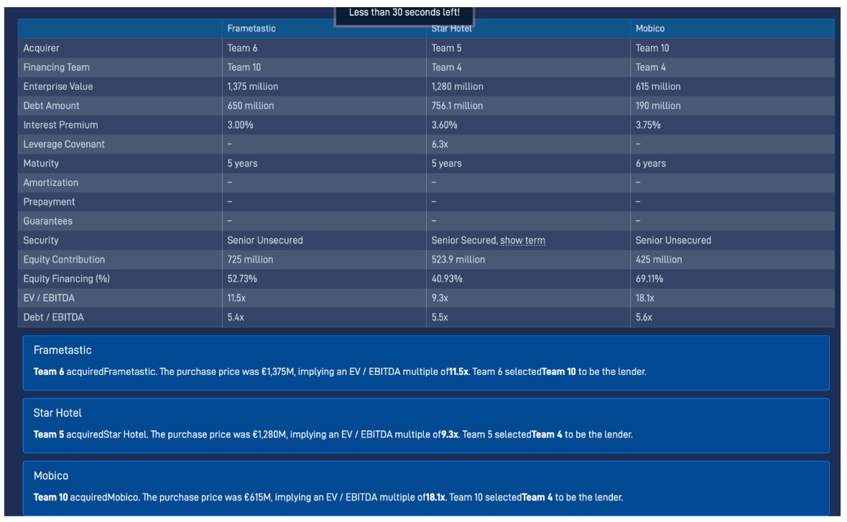

 | Team Number: | 5

1a. Profit & Loss

 |  |  |  | Historical |  |  | Growth Phase |  |  |  |  | Steady State Phase
 |  |  | Units: | 2021 | 2022 | 2023 | 2024 | 2025 | 2026 | 2027 | 2028 | 2029 | 2030 | 2031 | 2032 | 2033
 | Leased & Operated:
 | Hotels at Year End |  | # | 273 | 285 | 300
 | Hotels Out of Service |  | # |  |  |  | 1
 | Operating Hotels at Year End |  | #
 | Number of Hotels Growth |  | %

 | Rooms per Hotel |  | # | 120 | 120 | 120 |  |  |  |  |  | 120 | 120 | 120 | 120 | 120

 | Average Occupancy Rate |  | % | 76.0% | 76.5% | 72.8% | 74.0% | 74.3% | 74.6% | 74.9% | 75.2%
 | ADR (Average Daily Rate) |  | € | 69.1 | 69.1 | 69.1 | 65.0 | 69.5 | 70.6 | 71.9 | 73.4
 | RevPAR (Revenue per Available Room) |  | €
 | Revenue |  | €m | 626.8
 | YoY Revenue Growth |  | %
 | Adjusted Revenues |  | €m | 626.8
 | YoY Adjusted Revenue Growth |  | %

 | Hotel Operating Costs (COGS) |  | €m | 319.9 | 324.7 | 324.0
 | % of revenue |  |  |  |  |  |  |  |  |  |  |  |  |  |  |  | %

 | SG&A |  | €m | 170.0 | 179.0
 | % of revenue

 | Non-Recurring Item (one hotel caught fire) |  | €m

 | EBITDA |  | €m
 | EBITDA Margin |  | %
 | Ajusted EBITDA |  | €m
 | Adjusted EBITDA Margin |  | %

 | Interest |  | €m

 | D&A |  | €m |  |  |  | 41.7 | 42.5 | 43.3 | 44.2 | 45.0 | 45.9 | 46.8 | 47.8 | 48.7 | 49.7

 | Earnings Before Tax (EBT) |  | €m

 | Tax (Enter Italian Corporate Tax Rate) | 24.0% | €m

 | Net Income |  | €m
 | Net Income Margin |  | %

1b. DCM Table:

 | Debt (Term Loan B) Amount | 756 | €m
 | TLB Interest Premium | 3.60% | %
 | EURIBOR | 2.218% | % |  |  |  |  |  |  |  |  |  |  |  |  |  |  | Euribor rates - all information on Euribor
 | Debt/EBITDA |  | x

1c. Working Capital, Capex, Free Cash Flow & DCF Valuation:

 |  |  |  | Historical |  |  | Growth Phase |  |  |  |  | Steady State Phase
 |  |  | Units: | 2021 | 2022 | 2023 | 2024 | 2025 | 2026 | 2027 | 2028 | 2029 | 2030 | 2031 | 2032 | 2033

 | Capex: |  |  |  |  |  |  |  |  |  |  |  |  |  |  |  |  | Maintenance capex --> they did as % of revenues --> but not based on refurbishments etc
 | Growth |  | €m | (2.0) |  |  |  |  |  |  |  |  |  |  |  |  |  | cost per hotel, multiplied by number of hotels
 | Total Maintenance |  | €m | (26.7) | (28.4) | (31.2) |  |  |  |  |  |  |  |  |  |  |  | Don't increase a lot with the number of hotels --> assume steady | Soft refurbishment (carpets, paint, bedding, furniture fabrics, décor): every 5–7 years
 | Maintenance for new hotels bought
 | Maintenance for hotels already part of the portfolio
 | Additional one-off capex |  | €m |  |  |  |  | - | - | - | - | - | - | - | - | -
 | Total Capex |  | €m |  |  |  |  |  |  |  |  |  |  |  |  |  |  |  | Hard refurbishment / full renovation (bathrooms, casegoods, HVAC, lobby redesign, infrastructure): every 10–15 years

 | Change in Working Capital |  | €m | (8.1) | (8.4) | (8.4)

 | Cost per Hotels - Growth Capex
 | TT maintenance CAPEX |  |  |  |  |  |  |  |  |  |  |  |  |  |  |  |  | major refurbishments 2022 and 2023, recover to normal levels of 2021
 | Maintenance CAPEX new ones |  |  |  |  |  |  |  |  |  |  |  |  |  |  |  |  | Major refurbishments only on new hotels (average of 2022 and 2023), otherwise minor
 | Maintenance capex old ones
 |  |  |  |  |  |  |  |  |  |  |  |  |  |  |  |  |  | more or less the maintenacnce CAPEX

1d. Free Cash Flow & DCF Valuation (with 15% IRR) :

 |  |  |  |  |  |  | Growth Phase |  |  |  |  | Steady State Phase
 |  |  |  |  |  | Units: | 2024 | 2025 | 2026 | 2027 | 2028 | 2029 | 2030 | 2031 | 2032 | 2033

 | Adjusted EBITDA |  |  |  |  | €m
 | Interest |  |  |  |  | €m
 | Tax |  |  |  |  | €m
 | Change in Working Capital |  |  |  |  | €m
 | Capex |  |  |  |  | €m
 | Free Cash Flow to Equity (FCFE) |  |  |  |  | €m

 | Discount Rate (IRR) |  | 10.00% |  |  |  |  |  |  |  |  |  | Terminal Value:
 | Terminal Growth Rate |  | 2.00%
 | Tax Rate |  |  |  |  |  |  |  |  |  |  |  | PV of Terminal Value:

 | Discount Factor
 | Year |  |  |  |  |  | 1 | 2 | 3 | 4 | 5 | 6 | 7 | 8 | 9 | 10
 | PV of FCFE

 | Base Case
 | Equity Value | €m
 | (+) Net Debt | €m
 | Enterprise Value | €m

