buses
Buses | 132

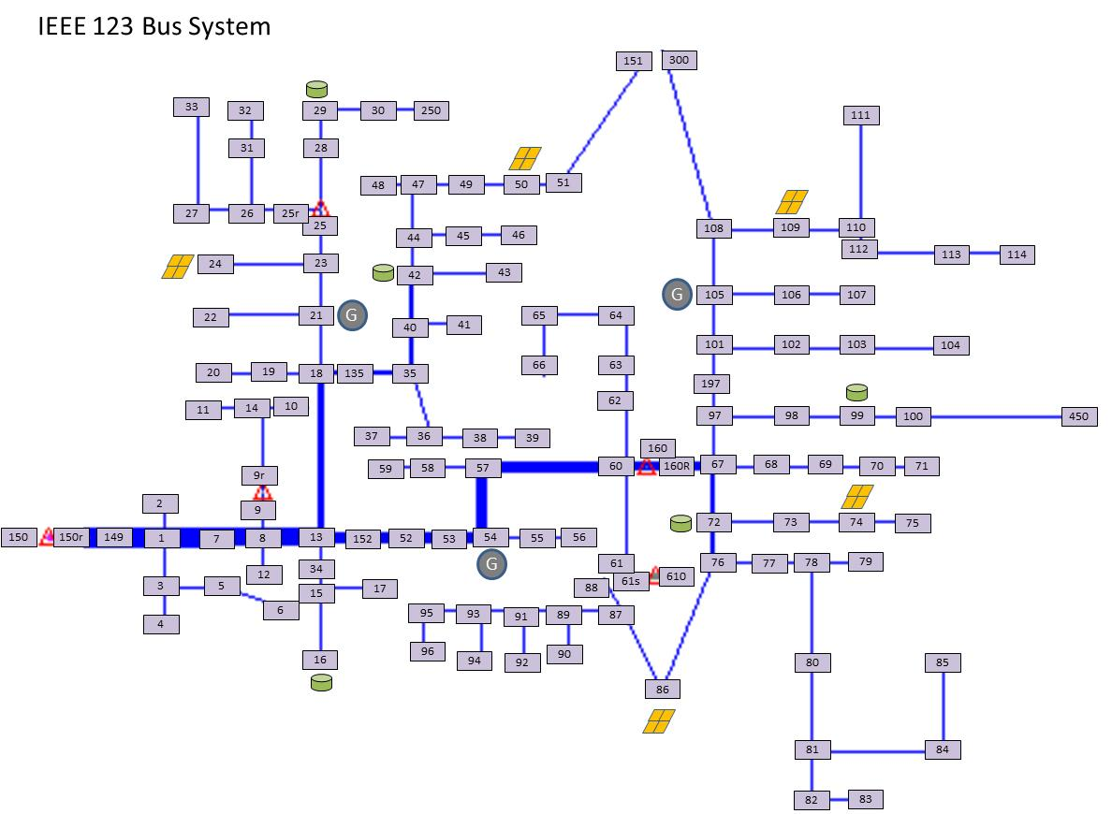
Name
150
150r
149
1
2
3
7
4
5
6
8
12
9
13
9r
14
34
18
11
10
15
16
17
19
21
20
22
23
24
25
25r
26
28
27
31
33
29
30
250
32
35
36
40
37
38
39
41
42
43
44
45
47
46
48
49
50
51
151
52
53
54
55
57
56
58
60
59
61
62
63
64
65
66
67
68
72
97
69
70
71
73
76
74
75
77
86
78
79
80
81
82
84
83
85
87
88
89
90
91
92
93
94
95
96
98
99
100
450
197
101
102
105
103
104
106
108
107
109
300
110
111
112
113
114
135
152
160r
160
61s
300_open
94_open
610

