Fare Checker
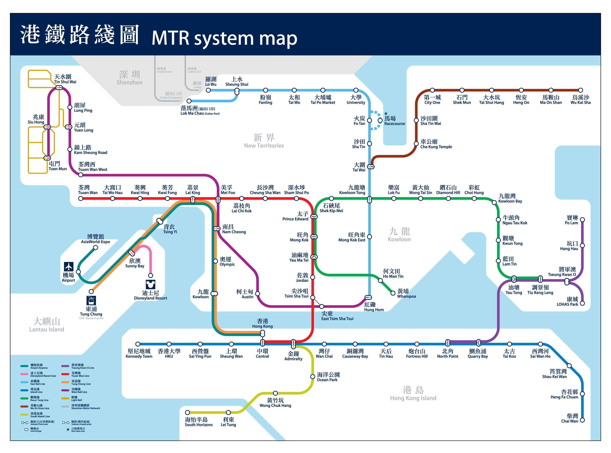
What is your travelling plan? |  |  |  | f
 |  |  |  | 19
From: (MTR station)
To: (MTR station)

No. of people in a taxi: (1 to 5)
Walking speed: (4, 5 or 6 km/h)

MTR Fare and Duration
From-To | Adult Octopus Fare | Student Octopus Fare | Duration
- | #N/A | #N/A | #N/A

Taxi Fare and Duration
From-To | Distance | Fare | Duration
 |  | HK$-
Per Person: |  | HK$-

On Foot
From-To | Distance |  | Duration
 |  |  | -

