WorkSpace
Forecasting with Trend and Seasonality
 |  | Intercept = |  | 1149.8 | MSE = | 57449.8
n = | 16 | Trend = |  | 11.8 | MAD = | 174.6
p = | 4 | Seasonal Sum = |  | 4.00 | TS = | 0.13

Year | Quarter | Period | Demand | Trend Line | Seasonal Index | Forecast | Error | Absolute Error

1 | 1 | 1 | 1400 | 1161.6 | 0.90 | 1050.8 | 349.2 | 349.2
 | 2 | 2 | 1500 | 1173.4 | 1.20 | 1413.0 | 87.0 | 87.0
 | 3 | 3 | 1000 | 1185.2 | 1.40 | 1659.9 | -659.9 | 659.9
 | 4 | 4 | 600 | 1197.0 | 0.49 | 587.3 | 12.7 | 12.7
2 | 1 | 5 | 1200 | 1208.8 | 0.90 | 1093.5 | 106.5 | 106.5
 | 2 | 6 | 1400 | 1220.6 | 1.20 | 1469.8 | -69.8 | 69.8
 | 3 | 7 | 2100 | 1232.4 | 1.40 | 1726.1 | 373.9 | 373.9
 | 4 | 8 | 750 | 1244.2 | 0.49 | 610.5 | 139.5 | 139.5
3 | 1 | 9 | 1000 | 1256.0 | 0.90 | 1136.2 | -136.2 | 136.2
 | 2 | 10 | 1600 | 1267.8 | 1.20 | 1526.7 | 73.3 | 73.3
 | 3 | 11 | 2000 | 1279.6 | 1.40 | 1792.2 | 207.8 | 207.8
 | 4 | 12 | 650 | 1291.4 | 0.49 | 633.6 | 16.4 | 16.4
4 | 1 | 13 | 900 | 1303.2 | 0.90 | 1178.9 | -278.9 | 278.9
 | 2 | 14 | 1500 | 1315.0 | 1.20 | 1583.5 | -83.5 | 83.5
 | 3 | 15 | 1900 | 1326.8 | 1.40 | 1858.3 | 41.7 | 41.7
 | 4 | 16 | 500 | 1338.6 | 0.49 | 656.8 | -156.8 | 156.8

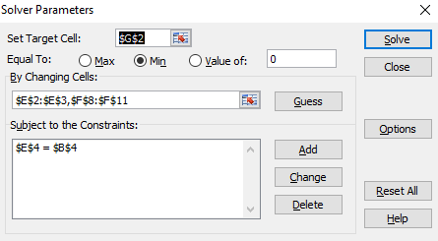

Year | Quarter | Period | Trend Line | Seasonal Index | Forecast

5 | 1 | 17 | 1350.4 | 0.90 | 1221.6
 | 2 | 18 | 1362.2 | 1.20 | 1640.3
 | 3 | 19 | 1374.0 | 1.40 | 1924.4
 | 4 | 20 | 1385.8 | 0.49 | 680.0

