Problem 1_HW 7
Blue Ridge Hot Tubs

Decision Variables |  | Aqua-Spa | Hydro-Lux |  | Objective
 |  | x1 | x2 |  | Value
 | Quantity | 122 | 78 |  | 66100
 | Profit/Desk | 350 | 300
 |  |  |  | LHS: |  | RHS:
Constraints |  | Amt. per | Amt. per | Amt. |  | Amt.
 |  | Tub | Tub | Used | Type: | Available
 | Tubing | 12 | 16 | 2712 | <= | 2880
 | Labor Hrs | 9 | 6 | 1566 | <= | 1566
 | Pumps | 1 | 1 | 200 | <= | 200

A. | The objective function is the max profit from the solution which in this case is in cell F5 ($66,100). The decision variables are X1 (cell C5) and X2 (cell D5) which are the values that we change around to find the max profit. Finally you have the constraints which are that the amount used must be less than or equal to the amount available (E10<=G10, E11<=G11, E12<=G12).

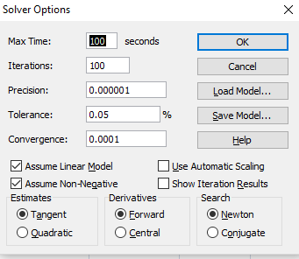
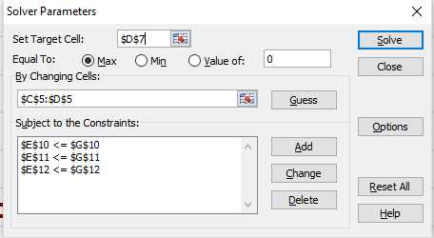
B.

C. | The solution given is that in order to maximize profits given the constraints we must sell 122 Aqua-Spas and 78 Hydro-Luxes.

Problem 2_HW 7
Problem 2 |  |  | Total Cost = | 32000

Shipments |  | Distribution Centers |  |  |  | Total
 |  | A | B | C | D | Out |  | Supply
Manufacturing Plants | Atlanta | 0 | 0 | 3 | 10 | 13 | <= | 13
 | Tulsa | 0 | 8 | 7 | 0 | 15 | <= | 18
 | Springfield | 10 | 2 | 0 | 0 | 12 | <= | 12
 | Total In | 10 | 10 | 10 | 10
 |  | = | = | = | =
 | Demand | 10 | 10 | 10 | 10

Shipping Costs |  | A | B | C | D
 | Atlanta | 800 | 1300 | 400 | 700
 | Tulsa | 1100 | 1400 | 600 | 1000
 | Springfield | 600 | 1200 | 800 | 900

A. | First we take 10 from Atlanta to C to satisfy the demand of C. Next we take 10 from Springfield to A to satisfy that demand. Then 3 from Atlanta to D, 2 from Springfield to D, and 5 from Tulsa to D to satisfy the demand for D. To satisfy the demand for B we have no other option but to ship all 10 from Tulsa since supply for the others is met already. This gives a minimum cost of $32,900.

B. | The objective function is to minimize total costs in cell E1. The decision variables are all the numbers we change to find the solution (the gray cells). Finally the constraints are the numbers that must be equal to or less that or equal to another number (Total Out <= Supply and Total In = Demand).

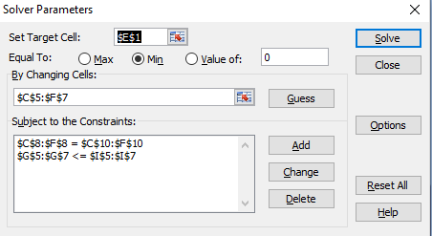
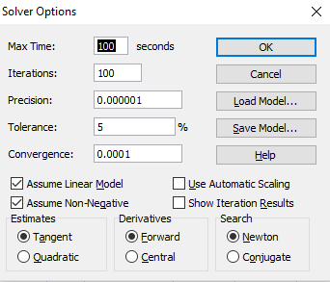
C.

D. | The optimal solution is to take 10 from Springfield to A, 2 from Springfield to B, 8 from Tulsa to B, 7 from Tulsa to C, 3 from Atlanta to C, and 10 from Atlanta to D in order to satisfy demand at those locations and minimize costs to $32,000 which is $900 less than the solution given using the Greedy Heuristic approach.

