Scan CMU
device打0101pattern：0xF2[7:0]=0x94,0xf3[7:0]=0xbb,0xf6[6]=1b'0,0xf6[7]=1b'1
示波器设置：without CDR；Sample rate：5G；Memory Depth：1M
DP/DM由短cable连接治具后，由治具SMA连接到示波器channel1和channel3

后续测试选择参数：
0xE1=0x81（VCO mode）；
0xE2=0x62（REG_CP=011&REG_SC=0）；
0xE7=0x41（REG_SRC=010）；
0xE0/page1=0x91（REG_SH=1001）；
0xE6=0x86(REG_SR=110)

Icp/uA Page 0x0000 REG 0x00E2 | SR/k Page 0x0000 REG 0x00E6 | SC Page 0x0000 REG 0x00E2 | Mode Page 0x0000 REG 0x00E1 |  |  |  |  |  | Icp/uA Page 0x0000 REG 0x00E2 | SR/k Page 0x0000 REG 0x00E6 | SC Page 0x0000 REG 0x00E2 | Mode Page 0x0000 REG 0x00E1
Bit[7:5] | Bit[2:0] | Bit[0:0] | Bit[6:6] | Jitter_Pk_Pk | Jitter_RMS | Amplitude mVpp | Eye_Height mVpp | Icp | Bit[7:5] | Bit[2:0] | Bit[0:0] | Bit[6:6] | Jitter_Pk_Pk | Jitter_RMS | Amplitude mVpp | Eye_Height mVpp
0x0000 | 0x0000 | 0x0000 | 0x0000 | 706.4 | 108.909 | 0.75647 | 0.6644 | 2.5 | 0x0000 | 0x0000 | 0x0000 | 0x0001 | 2080.1 | 618.42 | 0.75926 | 0
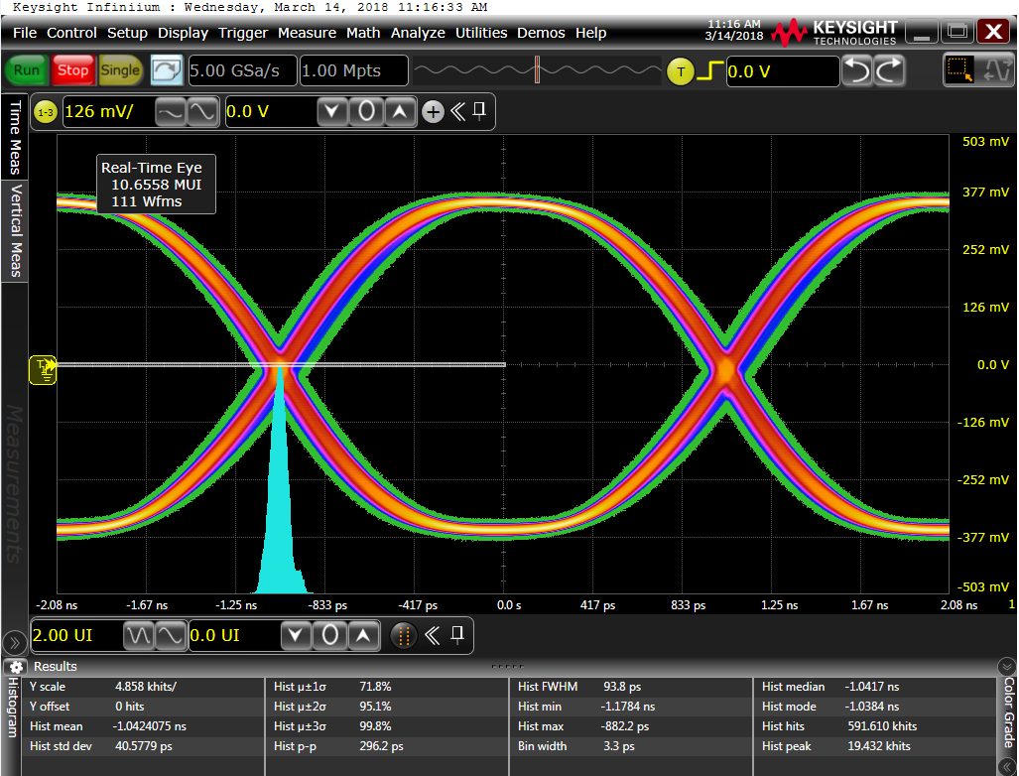
0x0001 | 0x0000 | 0x0000 | 0x0000 | 436.2 | 60.4488 | 0.75942 | 0.6772 | 5 | 0x0001 | 0x0000 | 0x0000 | 0x0001 | 2080.1 | 553.997 | 0.75979 | 0
0x0002 | 0x0000 | 0x0000 | 0x0000 | 371.1 | 49.34 | 0.75482 | 0.6781 | 7.5 | 0x0002 | 0x0000 | 0x0000 | 0x0001 | 2080.1 | 668.646 | 0.76075 | 0
0x0003 | 0x0000 | 0x0000 | 0x0000 | 335.3 | 44.4966 | 0.75853 | 0.6752 | 10 | 0x0003 | 0x0000 | 0x0000 | 0x0001 | 2080.1 | 565.934 | 0.75916 | 0
0x0004 | 0x0000 | 0x0000 | 0x0000 | 312.5 | 42.2047 | 0.75574 | 0.6781 | 12.5 | 0x0004 | 0x0000 | 0x0000 | 0x0001 | 2080.1 | 541.872 | 0.75618 | 0
0x0005 | 0x0000 | 0x0000 | 0x0000 | 299.5 | 40.8802 | 0.76009 | 0.6752 | 15 | 0x0005 | 0x0000 | 0x0000 | 0x0001 | 1953.1 | 440.402 | 0.75896 | 0
0x0006 | 0x0000 | 0x0000 | 0x0000 | 286.5 | 40.7795 | 0.75492 | 0.6742 | 17.5 | 0x0006 | 0x0000 | 0x0000 | 0x0001 | 1604.8 | 372.069 | 0.75279 | 0
0x0007 | 0x0000 | 0x0000 | 0x0000 | 289.7 | 39.5354 | 0.758 | 0.6772 | 20 | 0x0007 | 0x0000 | 0x0000 | 0x0001 | 1422.5 | 320.602 | 0.75803 | 0.3538
0x0000 | 0x0001 | 0x0000 | 0x0000 | 634.8 | 96.4527 | 0.75651 | 0.6683 |  | 0x0000 | 0x0001 | 0x0000 | 0x0001 | 2080.1 | 594.664 | 0.75412 | 0
CCO Mode
0x0001 | 0x0001 | 0x0000 | 0x0000 | 400.4 | 57.177 | 0.75813 | 0.6762 |  | 0x0001 | 0x0001 | 0x0000 | 0x0001 | 2080.1 | 559.953 | 0.75558 | 0
0x0002 | 0x0001 | 0x0000 | 0x0000 | 345.1 | 47.9887 | 0.76035 | 0.6772 |  | 0x0002 | 0x0001 | 0x0000 | 0x0001 | 2080.1 | 693.577 | 0.75813 | 0
0x0003 | 0x0001 | 0x0000 | 0x0000 | 325.5 | 43.7128 | 0.75681 | 0.6781 |  | 0x0003 | 0x0001 | 0x0000 | 0x0001 | 2080.1 | 599.784 | 0.75856 | 0
0x0004 | 0x0001 | 0x0000 | 0x0000 | 302.7 | 41.9112 | 0.76092 | 0.6752 |  | 0x0004 | 0x0001 | 0x0000 | 0x0001 | 1862 | 463.076 | 0.75803 | 0
0x0005 | 0x0001 | 0x0000 | 0x0000 | 289.7 | 41.0753 | 0.7584 | 0.6781 |  | 0x0005 | 0x0001 | 0x0000 | 0x0001 | 1588.6 | 379.546 | 0.75859 | 0.2329
0x0006 | 0x0001 | 0x0000 | 0x0000 | 276.7 | 39.8808 | 0.75581 | 0.6772 |  | 0x0006 | 0x0001 | 0x0000 | 0x0001 | 1448.6 | 323.133 | 0.75783 | 0.3666
0x0007 | 0x0001 | 0x0000 | 0x0000 | 280 | 39.4819 | 0.75896 | 0.6781 |  | 0x0007 | 0x0001 | 0x0000 | 0x0001 | 1243.5 | 278.519 | 0.7581 | 0.5317
0x0000 | 0x0002 | 0x0000 | 0x0000 | 527.3 | 81.4937 | 0.7569 | 0.6742 |  | 0x0000 | 0x0002 | 0x0000 | 0x0001 | 2080.1 | 610.656 | 0.7572 | 0
0x0001 | 0x0002 | 0x0000 | 0x0000 | 377.6 | 53.579 | 0.75979 | 0.6752 |  | 0x0001 | 0x0002 | 0x0000 | 0x0001 | 2080.1 | 661.881 | 0.75588 | 0
0x0002 | 0x0002 | 0x0000 | 0x0000 | 328.8 | 46.2797 | 0.75608 | 0.6713 |  | 0x0002 | 0x0002 | 0x0000 | 0x0001 | 2080.1 | 661.179 | 0.75869 | 0
0x0003 | 0x0002 | 0x0000 | 0x0000 | 312.5 | 43.6242 | 0.75608 | 0.6762 |  | 0x0003 | 0x0002 | 0x0000 | 0x0001 | 2015 | 488.833 | 0.75757 | 0
0x0004 | 0x0002 | 0x0000 | 0x0000 | 302.7 | 41.6888 | 0.75717 | 0.6781 |  | 0x0004 | 0x0002 | 0x0000 | 0x0001 | 1696 | 381.831 | 0.75492 | 0.3096
0x0005 | 0x0002 | 0x0000 | 0x0000 | 276.7 | 40.4655 | 0.75644 | 0.6772 |  | 0x0005 | 0x0002 | 0x0000 | 0x0001 | 1396.5 | 317.558 | 0.75677 | 0.3931
0x0006 | 0x0002 | 0x0000 | 0x0000 | 296.2 | 40.6881 | 0.7578 | 0.6762 |  | 0x0006 | 0x0002 | 0x0000 | 0x0001 | 1292.3 | 271.512 | 0.7574 | 0.5238
0x0007 | 0x0002 | 0x0000 | 0x0000 | 302.7 | 40.4643 | 0.75846 | 0.6762 |  | 0x0007 | 0x0002 | 0x0000 | 0x0001 | 1168.6 | 233.755 | 0.757 | 0.5612
0x0000 | 0x0003 | 0x0000 | 0x0000 | 498.1 | 74.3508 | 0.75641 | 0.6772 |  | 0x0000 | 0x0003 | 0x0000 | 0x0001 | 2080.1 | 565.739 | 0.75962 | 0
0x0001 | 0x0003 | 0x0000 | 0x0000 | 361.3 | 51.2635 | 0.75856 | 0.6762 |  | 0x0001 | 0x0003 | 0x0000 | 0x0001 | 2080.1 | 699.657 | 0.76098 | 0
0x0002 | 0x0003 | 0x0000 | 0x0000 | 322.3 | 44.7929 | 0.76154 | 0.6762 |  | 0x0002 | 0x0003 | 0x0000 | 0x0001 | 2080.1 | 551.436 | 0.7581 | 0
0x0003 | 0x0003 | 0x0000 | 0x0000 | 312.5 | 42.8782 | 0.75498 | 0.6772 |  | 0x0003 | 0x0003 | 0x0000 | 0x0001 | 1845.7 | 415.364 | 0.75614 | 0.1661
0x0004 | 0x0003 | 0x0000 | 0x0000 | 296.2 | 41.1099 | 0.76009 | 0.6781 |  | 0x0004 | 0x0003 | 0x0000 | 0x0001 | 1474.6 | 322.158 | 0.75551 | 0.3921
0x0005 | 0x0003 | 0x0000 | 0x0000 | 293 | 41.0348 | 0.75439 | 0.6781 |  | 0x0005 | 0x0003 | 0x0000 | 0x0001 | 1367.2 | 272.744 | 0.75429 | 0.4668
0x0006 | 0x0003 | 0x0000 | 0x0000 | 309.2 | 40.5 | 0.75468 | 0.6752 |  | 0x0006 | 0x0003 | 0x0000 | 0x0001 | 1168.6 | 232.181 | 0.75492 | 0.5808
0x0007 | 0x0003 | 0x0000 | 0x0000 | 296.2 | 40.8778 | 0.75432 | 0.6742 |  | 0x0007 | 0x0003 | 0x0000 | 0x0001 | 963.6 | 204.154 | 0.75455 | 0.6133
0x0000 | 0x0004 | 0x0000 | 0x0000 | 501.3 | 71.7595 | 0.75929 | 0.6713 |  | 0x0000 | 0x0004 | 0x0000 | 0x0001 | 2080.1 | 540.687 | 0.75727 | 0
0x0001 | 0x0004 | 0x0000 | 0x0000 | 371.1 | 49.4038 | 0.76062 | 0.6762 |  | 0x0001 | 0x0004 | 0x0000 | 0x0001 | 2080.1 | 695.982 | 0.75896 | 0
0x0002 | 0x0004 | 0x0000 | 0x0000 | 322.3 | 44.9513 | 0.75624 | 0.6762 |  | 0x0002 | 0x0004 | 0x0000 | 0x0001 | 2067.1 | 508.254 | 0.75734 | 0
0x0003 | 0x0004 | 0x0000 | 0x0000 | 302.7 | 42.7735 | 0.75757 | 0.6781 |  | 0x0003 | 0x0004 | 0x0000 | 0x0001 | 1543 | 383.533 | 0.75704 | 0
0x0004 | 0x0004 | 0x0000 | 0x0000 | 289.7 | 41.2965 | 0.75641 | 0.6772 |  | 0x0004 | 0x0004 | 0x0000 | 0x0001 | 1530 | 303.283 | 0.75511 | 0.3951
0x0005 | 0x0004 | 0x0000 | 0x0000 | 296.2 | 40.7038 | 0.7585 | 0.6791 |  | 0x0005 | 0x0004 | 0x0000 | 0x0001 | 1129.6 | 251.201 | 0.75949 | 0.5543
0x0006 | 0x0004 | 0x0000 | 0x0000 | 293 | 40.2321 | 0.75637 | 0.6781 |  | 0x0006 | 0x0004 | 0x0000 | 0x0001 | 999.4 | 217.12 | 0.75777 | 0.5808
0x0007 | 0x0004 | 0x0000 | 0x0000 | 319 | 40.2641 | 0.75651 | 0.6762 |  | 0x0007 | 0x0004 | 0x0000 | 0x0001 | 927.7 | 190.435 | 0.75681 | 0.5848
0x0000 | 0x0005 | 0x0000 | 0x0000 | 462.2 | 67.3669 | 0.75976 | 0.6772 |  | 0x0000 | 0x0005 | 0x0000 | 0x0001 | 2080.1 | 554.446 | 0.75873 | 0
VCO Mode
0x0001 | 0x0005 | 0x0000 | 0x0000 | 361.3 | 49.5428 | 0.75694 | 0.6772 |  | 0x0001 | 0x0005 | 0x0000 | 0x0001 | 2080.1 | 669.985 | 0.7581 | 0
0x0002 | 0x0005 | 0x0000 | 0x0000 | 328.8 | 44.8736 | 0.75485 | 0.6772 |  | 0x0002 | 0x0005 | 0x0000 | 0x0001 | 1940.1 | 477.207 | 0.75621 | 0.0491
0x0003 | 0x0005 | 0x0000 | 0x0000 | 302.7 | 42.6952 | 0.75386 | 0.6752 |  | 0x0003 | 0x0005 | 0x0000 | 0x0001 | 1507.2 | 365.441 | 0.75664 | 0.0688
0x0004 | 0x0005 | 0x0000 | 0x0000 | 312.5 | 41.2532 | 0.75883 | 0.6742 |  | 0x0004 | 0x0005 | 0x0000 | 0x0001 | 1377 | 282.872 | 0.75684 | 0.4727
0x0005 | 0x0005 | 0x0000 | 0x0000 | 302.7 | 40.5978 | 0.75906 | 0.6772 |  | 0x0005 | 0x0005 | 0x0000 | 0x0001 | 1168.6 | 238.657 | 0.75511 | 0.5661
0x0006 | 0x0005 | 0x0000 | 0x0000 | 312.5 | 40.6241 | 0.7585 | 0.6781 |  | 0x0006 | 0x0005 | 0x0000 | 0x0001 | 1012.4 | 209.84 | 0.75783 | 0.6074
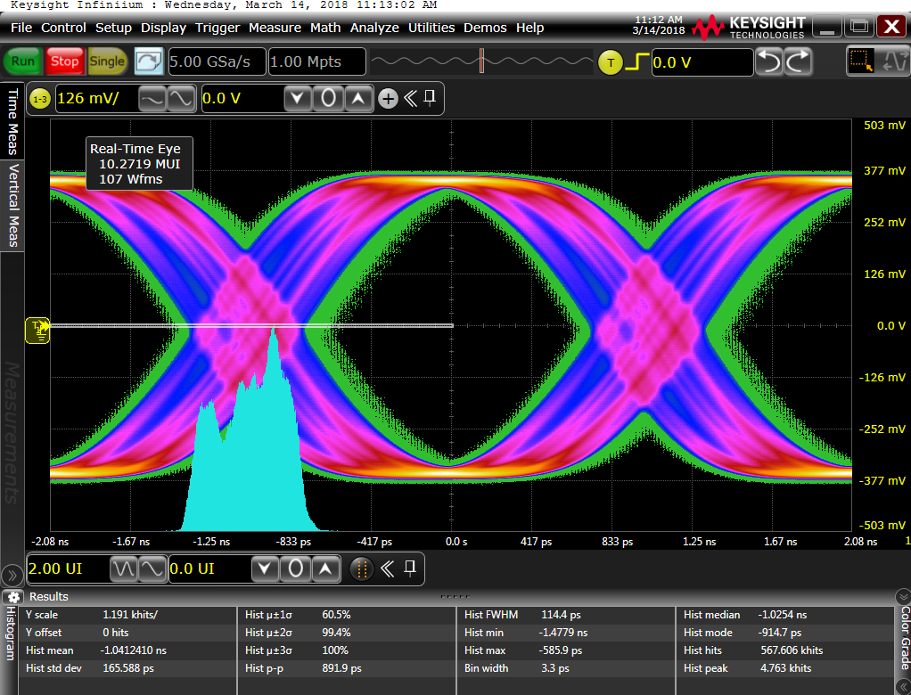
0x0007 | 0x0005 | 0x0000 | 0x0000 | 293 | 40.4711 | 0.75528 | 0.6781 |  | 0x0007 | 0x0005 | 0x0000 | 0x0001 | 901.7 | 185.527 | 0.75826 | 0.629
0x0000 | 0x0006 | 0x0000 | 0x0000 | 478.5 | 65.7309 | 0.75528 | 0.6781 |  | 0x0000 | 0x0006 | 0x0000 | 0x0001 | 2080.1 | 561.659 | 0.76075 | 0
0x0001 | 0x0006 | 0x0000 | 0x0000 | 374.4 | 49.5545 | 0.75787 | 0.6801 |  | 0x0001 | 0x0006 | 0x0000 | 0x0001 | 2080.1 | 644.683 | 0.75906 | 0
0x0002 | 0x0006 | 0x0000 | 0x0000 | 322.3 | 44.2703 | 0.75939 | 0.6781 |  | 0x0002 | 0x0006 | 0x0000 | 0x0001 | 2021.5 | 457.38 | 0.75511 | 0.0767
0x0003 | 0x0006 | 0x0000 | 0x0000 | 306 | 42.7972 | 0.75671 | 0.6762 |  | 0x0003 | 0x0006 | 0x0000 | 0x0001 | 1559.3 | 340.607 | 0.75618 | 0.3528
0x0004 | 0x0006 | 0x0000 | 0x0000 | 302.7 | 41.2813 | 0.75631 | 0.6762 |  | 0x0004 | 0x0006 | 0x0000 | 0x0001 | 1331.4 | 273.572 | 0.75581 | 0.4619
0x0005 | 0x0006 | 0x0000 | 0x0000 | 315.8 | 41.0911 | 0.75425 | 0.6762 |  | 0x0005 | 0x0006 | 0x0000 | 0x0001 | 1080.7 | 227.724 | 0.75783 | 0.5887
0x0006 | 0x0006 | 0x0000 | 0x0000 | 322.3 | 40.9236 | 0.75707 | 0.6781 |  | 0x0006 | 0x0006 | 0x0000 | 0x0001 | 1012.4 | 200.27 | 0.75571 | 0.6143
0x0007 | 0x0006 | 0x0000 | 0x0000 | 325.5 | 41.2187 | 0.7569 | 0.6772 |  | 0x0007 | 0x0006 | 0x0000 | 0x0001 | 895.2 | 175.813 | 0.75803 | 0.6398
0x0000 | 0x0007 | 0x0000 | 0x0000 | 475.3 | 64.9285 | 0.75415 | 0.6752 |  | 0x0000 | 0x0007 | 0x0000 | 0x0001 | 2080.1 | 596.877 | 0.75859 | 0
0x0001 | 0x0007 | 0x0000 | 0x0000 | 354.8 | 48.0563 | 0.75757 | 0.6781 |  | 0x0001 | 0x0007 | 0x0000 | 0x0001 | 2080.1 | 605.488 | 0.75856 | 0
0x0002 | 0x0007 | 0x0000 | 0x0000 | 319 | 43.9194 | 0.75687 | 0.6801 |  | 0x0002 | 0x0007 | 0x0000 | 0x0001 | 1793.6 | 429.317 | 0.75797 | 0.231
0x0003 | 0x0007 | 0x0000 | 0x0000 | 293 | 41.6931 | 0.75932 | 0.6791 |  | 0x0003 | 0x0007 | 0x0000 | 0x0001 | 1403 | 326.653 | 0.757 | 0.0747
0x0004 | 0x0007 | 0x0000 | 0x0000 | 299.5 | 41.1151 | 0.75856 | 0.6772 |  | 0x0004 | 0x0007 | 0x0000 | 0x0001 | 1253.3 | 253.168 | 0.758 | 0.4659
0x0005 | 0x0007 | 0x0000 | 0x0000 | 309.2 | 40.2641 | 0.76052 | 0.6772 |  | 0x0005 | 0x0007 | 0x0000 | 0x0001 | 1064.5 | 211.499 | 0.76178 | 0.5858
0x0006 | 0x0007 | 0x0000 | 0x0000 | 302.7 | 40.5949 | 0.75442 | 0.6752 |  | 0x0006 | 0x0007 | 0x0000 | 0x0001 | 973.3 | 186.642 | 0.75561 | 0.6398
0x0007 | 0x0007 | 0x0000 | 0x0000 | 302.7 | 40.4333 | 0.75634 | 0.6772 |  | 0x0007 | 0x0007 | 0x0000 | 0x0001 | 800.8 | 163.348 | 0.75598 | 0.6516
0x0000 | 0x0000 | 0x0001 | 0x0000 | 729.2 | 115.396 | 0.76095 | 0.6546 |  | 0x0000 | 0x0000 | 0x0001 | 0x0001 | 2080.1 | 607.15 | 0.76221 | 0
0x0001 | 0x0000 | 0x0001 | 0x0000 | 459 | 62.5511 | 0.75462 | 0.6772 |  | 0x0001 | 0x0000 | 0x0001 | 0x0001 | 2080.1 | 565.033 | 0.75803 | 0
0x0002 | 0x0000 | 0x0001 | 0x0000 | 374.4 | 50.4065 | 0.75707 | 0.6742 |  | 0x0002 | 0x0000 | 0x0001 | 0x0001 | 2080.1 | 697.891 | 0.76065 | 0
0x0003 | 0x0000 | 0x0001 | 0x0000 | 351.6 | 45.8405 | 0.7577 | 0.6781 |  | 0x0003 | 0x0000 | 0x0001 | 0x0001 | 2080.1 | 586.326 | 0.75926 | 0
0x0004 | 0x0000 | 0x0001 | 0x0000 | 335.3 | 42.8973 | 0.75797 | 0.6781 |  | 0x0004 | 0x0000 | 0x0001 | 0x0001 | 2080.1 | 565.149 | 0.75664 | 0
0x0005 | 0x0000 | 0x0001 | 0x0000 | 293 | 42.101 | 0.75356 | 0.6752 |  | 0x0005 | 0x0000 | 0x0001 | 0x0001 | 2080.1 | 480.12 | 0.75511 | 0.0049
0x0006 | 0x0000 | 0x0001 | 0x0000 | 315.8 | 41.2283 | 0.75886 | 0.6752 |  | 0x0006 | 0x0000 | 0x0001 | 0x0001 | 1809.9 | 404.401 | 0.757 | 0
0x0007 | 0x0000 | 0x0001 | 0x0000 | 286.5 | 40.7341 | 0.75538 | 0.6742 |  | 0x0007 | 0x0000 | 0x0001 | 0x0001 | 1624.4 | 348.223 | 0.75664 | 0.2909
0x0000 | 0x0001 | 0x0001 | 0x0000 | 644.5 | 100.799 | 0.75395 | 0.6683 |  | 0x0000 | 0x0001 | 0x0001 | 0x0001 | 2080.1 | 597.913 | 0.76065 | 0
0x0001 | 0x0001 | 0x0001 | 0x0000 | 439.5 | 59.3742 | 0.75475 | 0.6772 |  | 0x0001 | 0x0001 | 0x0001 | 0x0001 | 2080.1 | 534.072 | 0.75588 | 0
0x0002 | 0x0001 | 0x0001 | 0x0000 | 361.3 | 49.1524 | 0.75568 | 0.6801 |  | 0x0002 | 0x0001 | 0x0001 | 0x0001 | 2080.1 | 694.508 | 0.7585 | 0
0x0003 | 0x0001 | 0x0001 | 0x0000 | 309.2 | 44.6063 | 0.75505 | 0.6781 |  | 0x0003 | 0x0001 | 0x0001 | 0x0001 | 2080.1 | 637.562 | 0.76088 | 0
0x0004 | 0x0001 | 0x0001 | 0x0000 | 306 | 42.5525 | 0.75823 | 0.6762 |  | 0x0004 | 0x0001 | 0x0001 | 0x0001 | 2024.8 | 504.977 | 0.75452 | 0
0x0005 | 0x0001 | 0x0001 | 0x0000 | 289.7 | 41.185 | 0.75823 | 0.6752 |  | 0x0005 | 0x0001 | 0x0001 | 0x0001 | 1702.5 | 412.784 | 0.75946 | 0.116
0x0006 | 0x0001 | 0x0001 | 0x0000 | 299.5 | 40.9282 | 0.75813 | 0.6772 |  | 0x0006 | 0x0001 | 0x0001 | 0x0001 | 1516.9 | 350.322 | 0.75697 | 0.2713
0x0007 | 0x0001 | 0x0001 | 0x0000 | 280 | 40.3364 | 0.75472 | 0.6732 |  | 0x0007 | 0x0001 | 0x0001 | 0x0001 | 1321.6 | 306.078 | 0.76198 | 0.4934
0x0000 | 0x0002 | 0x0001 | 0x0000 | 530.6 | 86.1181 | 0.75929 | 0.6752 |  | 0x0000 | 0x0002 | 0x0001 | 0x0001 | 2080.1 | 607.194 | 0.75856 | 0
0x0001 | 0x0002 | 0x0001 | 0x0000 | 397.1 | 55.488 | 0.75661 | 0.6732 |  | 0x0001 | 0x0002 | 0x0001 | 0x0001 | 2080.1 | 632.652 | 0.7576 | 0
0x0002 | 0x0002 | 0x0001 | 0x0000 | 348.3 | 47.3295 | 0.75631 | 0.6772 |  | 0x0002 | 0x0002 | 0x0001 | 0x0001 | 2080.1 | 698.125 | 0.75588 | 0
0x0003 | 0x0002 | 0x0001 | 0x0000 | 315.8 | 44.327 | 0.75641 | 0.6772 |  | 0x0003 | 0x0002 | 0x0001 | 0x0001 | 2073.6 | 532.915 | 0.75826 | 0
0x0004 | 0x0002 | 0x0001 | 0x0000 | 299.5 | 41.976 | 0.75793 | 0.6742 |  | 0x0004 | 0x0002 | 0x0001 | 0x0001 | 1725.3 | 416.425 | 0.75608 | 0.2329
0x0005 | 0x0002 | 0x0001 | 0x0000 | 299.5 | 40.8054 | 0.75604 | 0.6752 |  | 0x0005 | 0x0002 | 0x0001 | 0x0001 | 1474.6 | 344.634 | 0.75763 | 0.3843
0x0006 | 0x0002 | 0x0001 | 0x0000 | 296.2 | 40.4351 | 0.76135 | 0.6772 |  | 0x0006 | 0x0002 | 0x0001 | 0x0001 | 1377 | 293.138 | 0.7579 | 0.4698
0x0007 | 0x0002 | 0x0001 | 0x0000 | 280 | 40.0594 | 0.75591 | 0.6781 |  | 0x0007 | 0x0002 | 0x0001 | 0x0001 | 1162.1 | 258.061 | 0.75813 | 0.5297
0x0000 | 0x0003 | 0x0001 | 0x0000 | 507.8 | 77.3023 | 0.75846 | 0.6732 |  | 0x0000 | 0x0003 | 0x0001 | 0x0001 | 2080.1 | 626.458 | 0.75873 | 0
0x0001 | 0x0003 | 0x0001 | 0x0000 | 374.4 | 52.2078 | 0.75747 | 0.6772 |  | 0x0001 | 0x0003 | 0x0001 | 0x0001 | 2080.1 | 680.578 | 0.75859 | 0
0x0002 | 0x0003 | 0x0001 | 0x0000 | 345.1 | 46.8632 | 0.76251 | 0.6791 |  | 0x0002 | 0x0003 | 0x0001 | 0x0001 | 2080.1 | 609.805 | 0.75631 | 0
0x0003 | 0x0003 | 0x0001 | 0x0000 | 312.5 | 43.3593 | 0.75863 | 0.6772 |  | 0x0003 | 0x0003 | 0x0001 | 0x0001 | 1949.9 | 456.921 | 0.75922 | 0
0x0004 | 0x0003 | 0x0001 | 0x0000 | 299.5 | 41.7006 | 0.75449 | 0.6772 |  | 0x0004 | 0x0003 | 0x0001 | 0x0001 | 1702.5 | 360.075 | 0.75565 | 0.2732
0x0005 | 0x0003 | 0x0001 | 0x0000 | 299.5 | 41.2228 | 0.75482 | 0.6781 |  | 0x0005 | 0x0003 | 0x0001 | 0x0001 | 1438.8 | 302.753 | 0.75684 | 0.4138
0x0006 | 0x0003 | 0x0001 | 0x0000 | 299.5 | 40.5643 | 0.75591 | 0.6732 |  | 0x0006 | 0x0003 | 0x0001 | 0x0001 | 1263 | 253.581 | 0.75296 | 0.5101
0x0007 | 0x0003 | 0x0001 | 0x0000 | 283.2 | 39.9478 | 0.75724 | 0.6762 |  | 0x0007 | 0x0003 | 0x0001 | 0x0001 | 1035.2 | 227.915 | 0.76055 | 0.5543
0x0000 | 0x0004 | 0x0001 | 0x0000 | 491.5 | 73.5518 | 0.76118 | 0.6752 |  | 0x0000 | 0x0004 | 0x0001 | 0x0001 | 2080.1 | 566.485 | 0.75614 | 0
0x0001 | 0x0004 | 0x0001 | 0x0000 | 364.6 | 50.9608 | 0.75899 | 0.6781 |  | 0x0001 | 0x0004 | 0x0001 | 0x0001 | 2080.1 | 688.984 | 0.76161 | 0
0x0002 | 0x0004 | 0x0001 | 0x0000 | 354.8 | 46.04 | 0.7584 | 0.6752 |  | 0x0002 | 0x0004 | 0x0001 | 0x0001 | 2080.1 | 568.203 | 0.7578 | 0
0x0003 | 0x0004 | 0x0001 | 0x0000 | 309.2 | 43.3446 | 0.76032 | 0.6762 |  | 0x0003 | 0x0004 | 0x0001 | 0x0001 | 1777.4 | 430.347 | 0.75932 | 0
0x0004 | 0x0004 | 0x0001 | 0x0000 | 309.2 | 41.8648 | 0.75707 | 0.6772 |  | 0x0004 | 0x0004 | 0x0001 | 0x0001 | 1533.2 | 330.24 | 0.75571 | 0.3361
0x0005 | 0x0004 | 0x0001 | 0x0000 | 299.5 | 41.0905 | 0.7575 | 0.6752 |  | 0x0005 | 0x0004 | 0x0001 | 0x0001 | 1357.4 | 275.891 | 0.75684 | 0.4688
0x0006 | 0x0004 | 0x0001 | 0x0000 | 286.5 | 40.8541 | 0.75876 | 0.6752 |  | 0x0006 | 0x0004 | 0x0001 | 0x0001 | 1220.7 | 240.594 | 0.75836 | 0.5307
0x0007 | 0x0004 | 0x0001 | 0x0000 | 289.7 | 40.1576 | 0.75889 | 0.6752 |  | 0x0007 | 0x0004 | 0x0001 | 0x0001 | 1048.2 | 208.348 | 0.75598 | 0.5818
0x0000 | 0x0005 | 0x0001 | 0x0000 | 485 | 71.6515 | 0.75664 | 0.6752 |  | 0x0000 | 0x0005 | 0x0001 | 0x0001 | 2080.1 | 543.267 | 0.75684 | 0
0x0001 | 0x0005 | 0x0001 | 0x0000 | 377.6 | 51.6569 | 0.75482 | 0.6742 |  | 0x0001 | 0x0005 | 0x0001 | 0x0001 | 2080.1 | 692.607 | 0.75558 | 0
0x0002 | 0x0005 | 0x0001 | 0x0000 | 319 | 44.9344 | 0.75409 | 0.6713 |  | 0x0002 | 0x0005 | 0x0001 | 0x0001 | 2080.1 | 538.606 | 0.7578 | 0
0x0003 | 0x0005 | 0x0001 | 0x0000 | 312.5 | 43.2465 | 0.75535 | 0.6772 |  | 0x0003 | 0x0005 | 0x0001 | 0x0001 | 1878.3 | 404.503 | 0.75859 | 0
0x0004 | 0x0005 | 0x0001 | 0x0000 | 296.2 | 42.0253 | 0.7575 | 0.6762 |  | 0x0004 | 0x0005 | 0x0001 | 0x0001 | 1494.2 | 315.029 | 0.75661 | 0.3695
0x0005 | 0x0005 | 0x0001 | 0x0000 | 299.5 | 41.4896 | 0.7577 | 0.6752 |  | 0x0005 | 0x0005 | 0x0001 | 0x0001 | 1328.1 | 259.236 | 0.75879 | 0.4786
0x0006 | 0x0005 | 0x0001 | 0x0000 | 286.5 | 40.661 | 0.76204 | 0.6762 |  | 0x0006 | 0x0005 | 0x0001 | 0x0001 | 1162.1 | 230.613 | 0.76085 | 0.5425
0x0007 | 0x0005 | 0x0001 | 0x0000 | 302.7 | 40.5069 | 0.75846 | 0.6781 |  | 0x0007 | 0x0005 | 0x0001 | 0x0001 | 999.4 | 199.76 | 0.75926 | 0.5936
0x0000 | 0x0006 | 0x0001 | 0x0000 | 468.8 | 69.6374 | 0.75571 | 0.6772 |  | 0x0000 | 0x0006 | 0x0001 | 0x0001 | 2080.1 | 542.798 | 0.75641 | 0
0x0001 | 0x0006 | 0x0001 | 0x0000 | 387.4 | 50.8621 | 0.76135 | 0.6772 |  | 0x0001 | 0x0006 | 0x0001 | 0x0001 | 2080.1 | 687.63 | 0.75952 | 0
0x0002 | 0x0006 | 0x0001 | 0x0000 | 325.5 | 45.2926 | 0.75889 | 0.6791 |  | 0x0002 | 0x0006 | 0x0001 | 0x0001 | 2076.8 | 504.222 | 0.76297 | 0.0039
0x0003 | 0x0006 | 0x0001 | 0x0000 | 306 | 43.3533 | 0.75296 | 0.6781 |  | 0x0003 | 0x0006 | 0x0001 | 0x0001 | 1627.6 | 373.81 | 0.75783 | 0
0x0004 | 0x0006 | 0x0001 | 0x0000 | 309.2 | 41.61 | 0.75684 | 0.6762 |  | 0x0004 | 0x0006 | 0x0001 | 0x0001 | 1438.8 | 301.21 | 0.75697 | 0.3823
0x0005 | 0x0006 | 0x0001 | 0x0000 | 312.5 | 41.1775 | 0.75644 | 0.6781 |  | 0x0005 | 0x0006 | 0x0001 | 0x0001 | 1178.4 | 255.726 | 0.76002 | 0.5022
0x0006 | 0x0006 | 0x0001 | 0x0000 | 306 | 40.815 | 0.75644 | 0.6752 |  | 0x0006 | 0x0006 | 0x0001 | 0x0001 | 1106.8 | 219.513 | 0.757 | 0.5573
0x0007 | 0x0006 | 0x0001 | 0x0000 | 286.5 | 40.2435 | 0.75478 | 0.6781 |  | 0x0007 | 0x0006 | 0x0001 | 0x0001 | 986.3 | 194.379 | 0.75694 | 0.6084
0x0000 | 0x0007 | 0x0001 | 0x0000 | 465.5 | 66.922 | 0.75816 | 0.6781 |  | 0x0000 | 0x0007 | 0x0001 | 0x0001 | 2080.1 | 550.823 | 0.75528 | 0
0x0001 | 0x0007 | 0x0001 | 0x0000 | 371.1 | 49.8921 | 0.7578 | 0.6772 |  | 0x0001 | 0x0007 | 0x0001 | 0x0001 | 2080.1 | 646.87 | 0.76234 | 0
0x0002 | 0x0007 | 0x0001 | 0x0000 | 341.8 | 45.3849 | 0.75883 | 0.6791 |  | 0x0002 | 0x0007 | 0x0001 | 0x0001 | 2057.3 | 472.723 | 0.76078 | 0.058
0x0003 | 0x0007 | 0x0001 | 0x0000 | 315.8 | 42.8192 | 0.75389 | 0.6801 |  | 0x0003 | 0x0007 | 0x0001 | 0x0001 | 1669.9 | 357.447 | 0.75896 | 0
0x0004 | 0x0007 | 0x0001 | 0x0000 | 296.2 | 41.3877 | 0.75869 | 0.6781 |  | 0x0004 | 0x0007 | 0x0001 | 0x0001 | 1253.3 | 284.635 | 0.7572 | 0.4256
0x0005 | 0x0007 | 0x0001 | 0x0000 | 296.2 | 41.4487 | 0.75893 | 0.6752 |  | 0x0005 | 0x0007 | 0x0001 | 0x0001 | 1171.9 | 240.556 | 0.75922 | 0.5248
0x0006 | 0x0007 | 0x0001 | 0x0000 | 296.2 | 41.0434 | 0.75395 | 0.6713 |  | 0x0006 | 0x0007 | 0x0001 | 0x0001 | 1106.8 | 207.297 | 0.75425 | 0.5651
0x0007 | 0x0007 | 0x0001 | 0x0000 | 299.5 | 40.6905 | 0.75482 | 0.6752 |  | 0x0007 | 0x0007 | 0x0001 | 0x0001 | 911.5 | 183.245 | 0.75949 | 0.6152

SR=110&SC=0时Icp趋势
Scan Icp 打test packet
SRC[2:0]=011 & SC=0

 | 0xE2[7:5] | Icp/uA | RMS Jitter_without_cap/ps | RMS Jitter_with_cap/ps
 | 000 | 2.5 | 37.429 | 43.059
 | 001 | 5 | 28.268 | 28.803
 | 010 | 7.5 | 31.154 | 29.436
 | 011 | 10 | 28.537 | 28.701
 | 100 | 12.5 | 27.291 | 30.308
 | 101 | 15 | 31.129 | 33.054
 | 110 | 17.5 | 29.964 | 30.298
 | 111 | 20 | 28.552 | 31.063

CTS
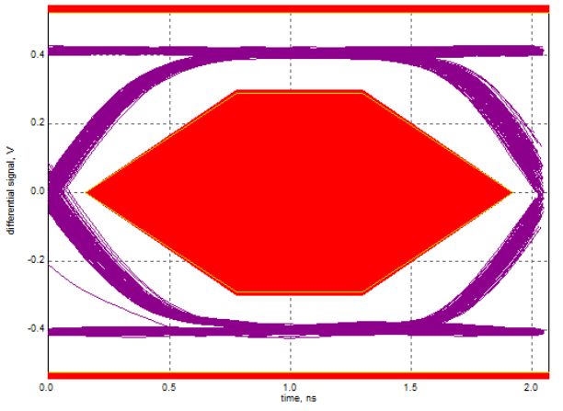
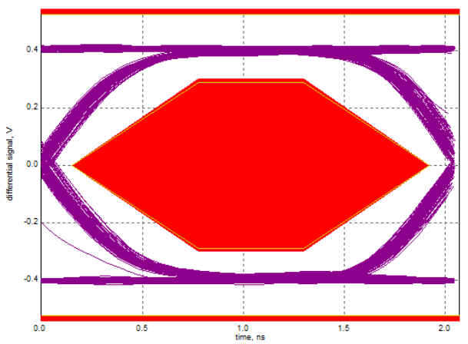
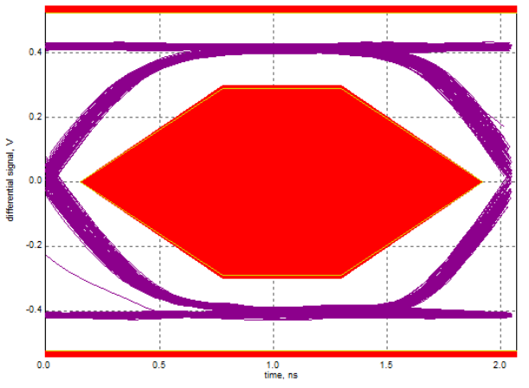
#1 |  |  |  |  |  |  |  | #2 |  |  |  |  |  |  |  | #3
 | Summary of Results |  |  |  |  |  |  |  | Summary of Results |  |  |  |  |  |  |  | Summary of Results

 | Margin Thresholds |  |  |  |  |  |  |  | Margin Thresholds |  |  |  |  |  |  |  | Margin Thresholds
 | Warning | < 2 % |  |  |  |  |  |  | Warning | < 2 % |  |  |  |  |  |  | Warning | < 2 %
 | Critical | < 0 % |  |  |  |  |  |  | Critical | < 0 % |  |  |  |  |  |  | Critical | < 0 %

 | Pass | # Failed | # Trials | Test Name | Actual Value | Margin | Spec Range |  | Pass | # Failed | # Trials | Test Name | Actual Value | Margin | Spec Range |  | Pass | # Failed | # Trials | Test Name | Actual Value | Margin | Spec Range
 |  | 0 | 1 | EL_2 EL_4 EL_5 Data Eye and Mask Test | Pass | 100.00% | Pass/Fail |  |  | 0 | 1 | EL_18 Receiver sensitivity Test - Minimum SYNC Field | Pass | 100.00% | Pass/Fail |  |  | 0 | 1 | EL_2 EL_4 EL_5 Data Eye and Mask Test | Pass | 100.00% | Pass/Fail
 |  | 0 | 1 | EL_6 Device Rise Time | Pass | 100.00% | Pass/Fail |  |  | 0 | 1 | EL_17 Receiver sensitivity Test | 177.180 mV | 11.40% | VALUE <= 200.000 mV |  |  | 0 | 1 | EL_6 Device Rise Time | Pass | 100.00% | Pass/Fail
 |  | 0 | 1 | EL_6 Device Fall Time | Pass | 100.00% | Pass/Fail |  |  | 0 | 1 | EL_16 Receiver sensitivity Test @ Squelch | 142.361 mV | 42.40% | VALUE >= 100.000 mV |  |  | 0 | 1 | EL_6 Device Fall Time | Pass | 100.00% | Pass/Fail
 |  | 0 | 1 | EL_7 Device Non-Monotonic Edge Test | Pass | 100.00% | Pass/Fail |  |  | 0 | 1 | EL_8 Device J Test | Pass | 100.00% | Pass/Fail |  |  | 0 | 1 | EL_7 Device Non-Monotonic Edge Test | Pass | 100.00% | Pass/Fail
 |  | 0 | 1 | EL_21 Device Sync Field Length Test | 64.599 ns | 49.40% | 63.610 ns <= VALUE <= 65.610 ns |  |  | 0 | 1 | EL_8 Device K Test | Pass | 100.00% | Pass/Fail |  |  | 0 | 1 | EL_21 Device Sync Field Length Test | 64.601 ns | 49.50% | 63.610 ns <= VALUE <= 65.610 ns
 |  | 0 | 1 | EL_25 Device EOP Length Test | 16.946 ns | 35.90% | 15.600 ns <= VALUE <= 17.700 ns |  |  | 0 | 1 | EL_9 Device SE0_NAK Test | Pass | 100.00% | Pass/Fail |  |  | 0 | 1 | EL_25 Device EOP Length Test | 16.868 ns | 39.60% | 15.600 ns <= VALUE <= 17.700 ns
 |  | 0 | 1 | EL_22 Measure Interpacket Gap Between Second and Third Packets | 291.905 ns | 28.10% | 16.640 ns <= VALUE <= 399.400 ns |  |  | 0 | 1 | EL_28 Measure Device CHIRP-K Latency | 5.303 µs | 0.00% | 2.500 µs <= VALUE <= 6.000000 ms |  |  | 0 | 1 | EL_22 Measure Interpacket Gap Between Second and Third Packets | 277.044 ns | 32.00% | 16.640 ns <= VALUE <= 399.400 ns
 |  | 0 | 1 | EL_22 Measure Interpacket Gap Between First and Second Packets | 264.107 ns | 35.30% | 16.640 ns <= VALUE <= 399.400 ns |  |  | 0 | 1 | EL_29 Measure Device CHIRP-K Duration | 2.000 ms | 16.70% | 1.000 ms <= VALUE <= 7.000 ms |  |  | 0 | 1 | EL_22 Measure Interpacket Gap Between First and Second Packets | 251.009 ns | 38.80% | 16.640 ns <= VALUE <= 399.400 ns
 |  | 0 | 1 | EL_28 Measure Device CHIRP-K Latency | 5.324 µs | 0.00% | 2.500 µs <= VALUE <= 6.000000 ms |  |  | 0 | 1 | EL_31 Device Hi-Speed Terminations Enable and D+ Disconnect Time | 2.746 µs | 0.50% | 10 ns <= VALUE <= 500.000 µs |  |  | 0 | 1 | EL_28 Measure Device CHIRP-K Latency | 5.293 µs | 0.00% | 2.500 µs <= VALUE <= 6.000000 ms
 |  | 0 | 1 | EL_29 Measure Device CHIRP-K Duration | 2.000 ms | 16.70% | 1.000 ms <= VALUE <= 7.000 ms |  |  | 0 | 1 | EL_38 EL_39 Device Suspend Timing Response | 3.065 ms | 48.00% | 3.000 ms <= VALUE <= 3.125 ms |  |  | 0 | 1 | EL_29 Measure Device CHIRP-K Duration | 2.000 ms | 16.70% | 1.000 ms <= VALUE <= 7.000 ms
 |  | 0 | 1 | EL_31 Device Hi-Speed Terminations Enable and D+ Disconnect Time | 2.704 µs | 0.50% | 10 ns <= VALUE <= 500.000 µs |  |  | 0 | 1 | EL_40 Device Resume Timing Response | Pass | 100.00% | Pass/Fail |  |  | 0 | 1 | EL_31 Device Hi-Speed Terminations Enable and D+ Disconnect Time | 2.739 µs | 0.50% | 10 ns <= VALUE <= 500.000 µs
 |  | 0 | 1 | EL_38 EL_39 Device Suspend Timing Response | 3.065 ms | 48.00% | 3.000 ms <= VALUE <= 3.125 ms |  |  | 0 | 1 | EL_27 Device CHIRP Response to Reset from Hi-Speed Operation | 3.563 ms | 16.00% | 3.100 ms <= VALUE <= 6.000 ms |  |  | 0 | 1 | EL_38 EL_39 Device Suspend Timing Response | 3.064 ms | 48.80% | 3.000 ms <= VALUE <= 3.125 ms
 |  | 0 | 1 | EL_40 Device Resume Timing Response | Pass | 100.00% | Pass/Fail |  |  | 0 | 1 | EL_28 Device CHIRP Response to Reset from Suspend | 5.185 µs | 0.00% | 2.500 µs <= VALUE <= 6.000000 ms |  |  | 0 | 1 | EL_40 Device Resume Timing Response | Pass | 100.00% | Pass/Fail
 |  | 0 | 1 | EL_27 Device CHIRP Response to Reset from Hi-Speed Operation | 3.563 ms | 16.00% | 3.100 ms <= VALUE <= 6.000 ms |  |  | 0 | 1 | EL_21 Device Sync Field Length Test | 64.606 ns | 49.80% | 63.610 ns <= VALUE <= 65.610 ns |  |  | 0 | 1 | EL_27 Device CHIRP Response to Reset from Hi-Speed Operation | 3.563 ms | 16.00% | 3.100 ms <= VALUE <= 6.000 ms
 |  | 0 | 1 | EL_28 Device CHIRP Response to Reset from Suspend | 5.235 µs | 0.00% | 2.500 µs <= VALUE <= 6.000000 ms |  |  | 0 | 1 | EL_25 Device EOP Length Test | 16.936 ns | 36.40% | 15.600 ns <= VALUE <= 17.700 ns |  |  | 0 | 1 | EL_28 Device CHIRP Response to Reset from Suspend | 5.228 µs | 0.00% | 2.500 µs <= VALUE <= 6.000000 ms
 |  | 0 | 1 | EL_8 Device J Test | Pass | 100.00% | Pass/Fail |  |  | 0 | 1 | EL_22 Measure Interpacket Gap Between Second and Third Packets | 271.975 ns | 33.30% | 16.640 ns <= VALUE <= 399.400 ns |  |  | 0 | 1 | EL_8 Device J Test | Pass | 100.00% | Pass/Fail
 |  | 0 | 1 | EL_8 Device K Test | Pass | 100.00% | Pass/Fail |  |  | 0 | 1 | EL_22 Measure Interpacket Gap Between First and Second Packets | 240.045 ns | 41.60% | 16.640 ns <= VALUE <= 399.400 ns |  |  | 0 | 1 | EL_8 Device K Test | Pass | 100.00% | Pass/Fail
 |  | 0 | 1 | EL_9 Device SE0_NAK Test | Pass | 100.00% | Pass/Fail |  |  | 0 | 1 | EL_2 EL_4 EL_5 Data Eye and Mask Test | Pass | 100.00% | Pass/Fail |  |  | 0 | 1 | EL_9 Device SE0_NAK Test | Pass | 100.00% | Pass/Fail
 |  | 0 | 1 | EL_18 Receiver sensitivity Test - Minimum SYNC Field | Pass | 100.00% | Pass/Fail |  |  | 0 | 1 | EL_6 Device Rise Time | Pass | 100.00% | Pass/Fail |  |  | 0 | 1 | EL_18 Receiver sensitivity Test - Minimum SYNC Field | Pass | 100.00% | Pass/Fail
 |  | 0 | 1 | EL_17 Receiver sensitivity Test | 188.420 mV | 5.80% | VALUE <= 200.000 mV |  |  | 0 | 1 | EL_6 Device Fall Time | Pass | 100.00% | Pass/Fail |  |  | 0 | 1 | EL_17 Receiver sensitivity Test | 177.560 mV | 11.20% | VALUE <= 200.000 mV
 |  | 0 | 1 | EL_16 Receiver sensitivity Test @ Squelch | 162.920 mV | 62.90% | VALUE >= 100.000 mV |  |  | 0 | 1 | EL_7 Device Non-Monotonic Edge Test | Pass | 100.00% | Pass/Fail |  |  | 0 | 1 | EL_16 Receiver sensitivity Test @ Squelch | 144.680 mV | 44.70% | VALUE >= 100.000 mV

