Network (2)
LineID | NumStops
1 | 2
2 | 3
3 | 3
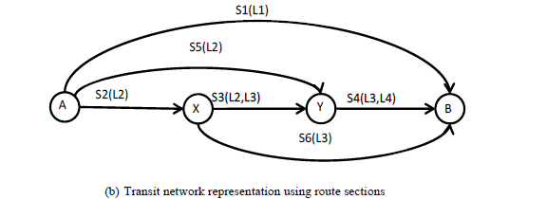
4 | 2

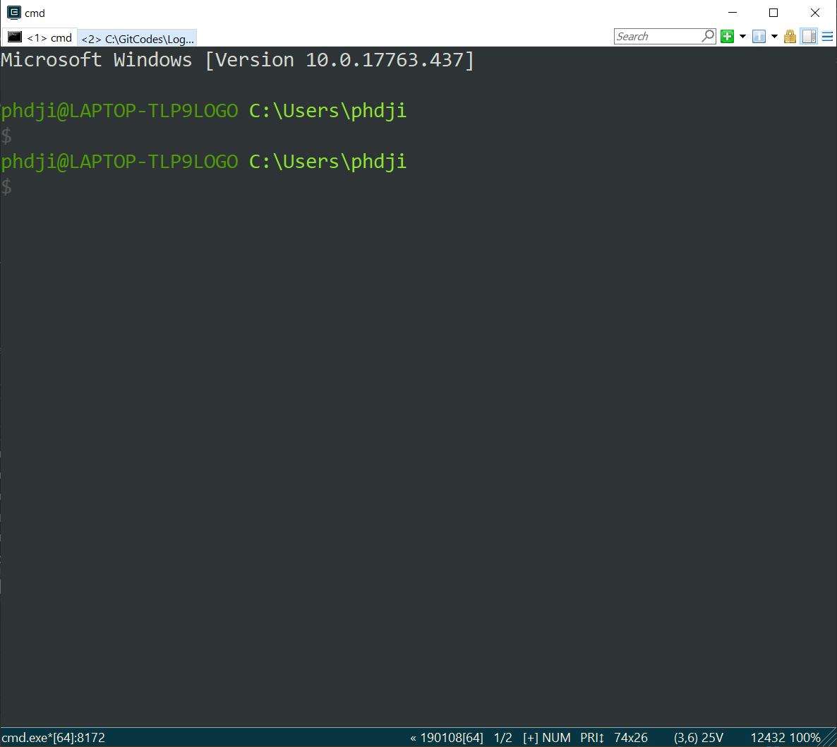

 |  |  |  |  |  |  |  |  |  |  |  |  |  | fx(1 | 1) | 99.071996058 | REAL(8)
 | Secon | link |  |  |  |  |  |  |  |  |  |  |  | fx(2 | 1) | 114.4659032 | REAL(8)
 | 2 | 1 | 1 | 2 |  |  | Output Path inf |  |  |  |  |  |  | fx(3 | 1) | 59.071678424 | REAL(8)
 | 5 | 2 | 1 | 3 |  | 0 | 1 | S1 |  | 0 | 44.15 |  |  | fx(4 | 1) | 63.380786791 | REAL(8)
 | 1 | 3 | 1 | 4 |  | 1 | 2 | S5-S4 |  | 50 | 38.48 |  |  | fx(5 | 1) | 83.965513324 | REAL(8)
 | 3 | 4 | 2 | 3 |  | 2 | 3 | S2-S3-S4 |  | 0 | 43.6 |  |  | fx(6 | 1) | 51.859394483 | REAL(8)
 | 6 | 5 | 2 | 4 |  | 3 | 4 | S3-S4 |  | 201.47 | 26.72
 | 4 | 6 | 3 | 4 |  | 4 | 5 | S6 |  | 98.53 | 26.72

 |  |  |  |  | Theta | 0.3
 |  |  |  |  |  |  |  |  |  |  |  |  |  |  | xfa(1 | 1) |  | REAL(8)
 |  |  |  |  |  |  |  |  | Node |  |  |  |  |  | xfa(2 | 1) |  | REAL(8)
 | 2 | 1 | stt(1) | 75 | 17.847222222 | 65.103573017 |  |  | 1 |  |  |  |  |  | xfa(3 | 1) |  | REAL(8)
 | 5 | 2 | stt(2) | 0 | 39.647222222 | 63.708804563 |  |  | 2 | 29.531390416 |  |  |  |  | xfa(4 | 1) |  | REAL(8)
 | 1 | 3 | stt(3) | 75 | 35.485 | 53.209960378 |  |  | 3 | 20.728249008 |  |  |  |  | xfa(5 | 1) |  | REAL(8)
 | 3 | 4 | stt(4) | 37.5 | 10.001431406 | 46.14415019 |  |  | 4 | 0 |  |  |  |  | xfa(6 | 1) |  | REAL(8)
 | 6 | 5 | stt(5) | 37.5 | 33.52286352 | 48.937333297
 | 4 | 6 | stt(6) | 37.5 | 20.728249008 | 36.142718785

 |  |  |  |  |  | stt(1) | 17.847222222 | REAL(8) |  |  |  | logitprob(1 | 1) | 1.897724043087275D-008 | REAL(8)
 |  |  |  |  |  | stt(2) | 39.647222222 | REAL(8) |  |  |  | logitprob(2 | 1) | 3.834934846689881D-010 | REAL(8)
 |  |  |  |  |  | stt(3) | 35.485 | REAL(8) |  |  |  | logitprob(3 | 1) | 6.709236478883355D-007 | REAL(8)
 |  |  |  |  |  | stt(4) | 10.001431406 | REAL(8) |  |  |  | logitprob(4 | 1) | 3.357351050553216D-006 | REAL(8)
 |  |  |  |  |  | stt(5) | 33.52286352 | REAL(8) |  |  |  | logitprob(5 | 1) | 1.279441178150697D-006 | REAL(8)
 |  |  |  |  |  | stt(6) | 20.728249008 | REAL(8) |  |  |  | logitprob(6 | 1) | 9.611430422330179D-005 | REAL(8)

