MapSecion2Link
LineID | NumStops
1 | 2
2 | 3 |  |  |  |  |  |  |  |  | Remark
3 | 3 |  |  |  |  |  |  |  |  | 1. the section is the put
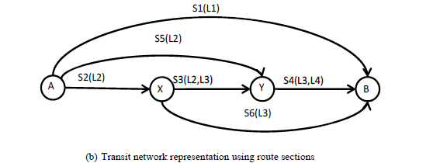
4 | 2 |  |  |  |  |  |  |  |  | 2. the section input is different from link data in the code

 | Section | link | FromNode | ToNode
 | 2 | 1 | 1 | 2 |  | Output Path inf
 | 5 | 2 | 1 | 3 | 0 | 1 | S1 | 0 | 44.15
 | 1 | 3 | 1 | 4 | 1 | 2 | S5-S4 | 50 | 38.48
 | 3 | 4 | 2 | 3 | 2 | 3 | S2-S3-S4 | 0 | 43.6
 | 6 | 5 | 2 | 4 | 3 | 4 | S3-S4 | 201.47 | 26.72
 | 4 | 6 | 3 | 4 | 4 | 5 | S6 | 98.53 | 26.72

 |  |  | Appraoches |  |  | Output Appraoch
 |  | Line 1 flow | 1 |  |  | 1 | S1
 |  |  |  |  |  | 2 | S5-S4
 |  |  |  |  |  | 3 | S2-S3-S4
 |  |  |  |  |  | 4 | S3-S4
 |  |  |  |  |  | 5 | S6
 |  |  |  |  |  | 6 | S4

