LinkData
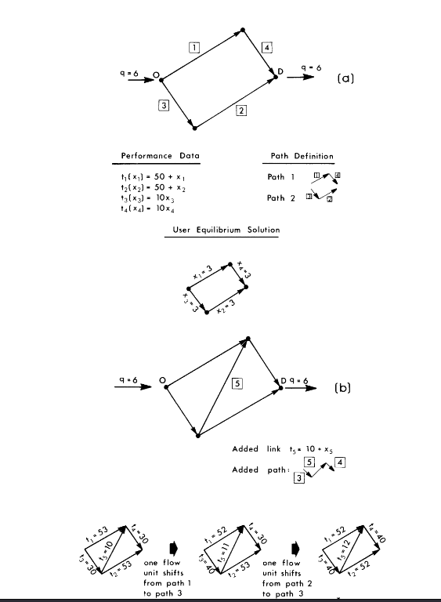
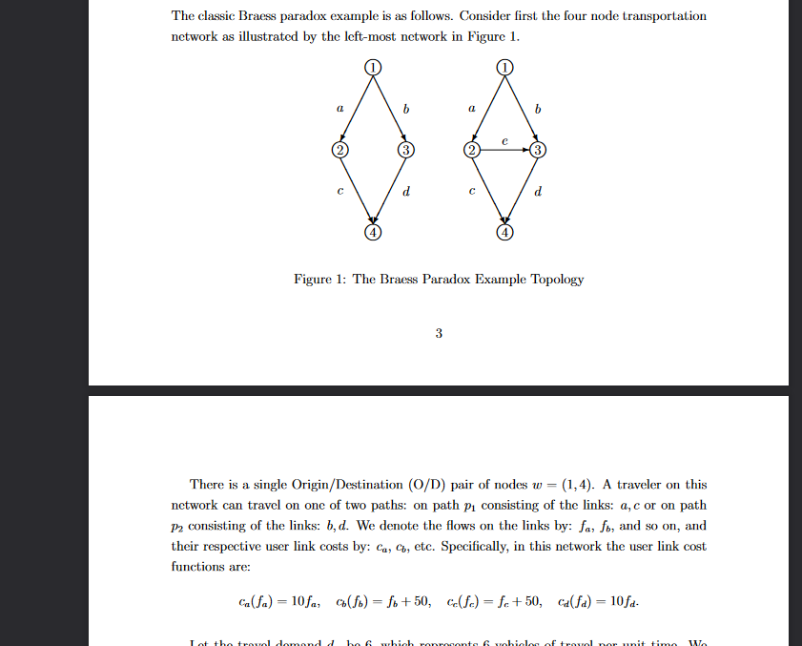
 |  | 1 | 2 | 3 | 4
 |  | Tail | Head | T0 | Ca | Alph | Beta
a | 0 | 1 | 2 | 0.0000001 | 1 | 100000000 | 1.0 | a
b | 1 | 1 | 3 | 50 | 1 | 0.02 | 1.0 | b
c | 2 | 2 | 4 | 50 | 1 | 0.02 | 1.0 | c
d | 3 | 3 | 4 | 0.0000001 | 1 | 100000000 | 1.0 | d
e | 4 | 2 | 3 | 10 | 1 | 0.1 | 1.0 | e
Dummy Link | 5 | 1 | 4 | 500 | 100000 | 1 | 1.0

 |  | 1 | 2 | 3 | 4
 |  | Tail | Head | T0 | Ca | Alph | Beta
 | 0 | 0 | 1 | 0.0000001 | 1 | 100000000 | 1.0
 | 1 | 0 | 2 | 50 | 1 | 0.02 | 1.0
 | 2 | 1 | 3 | 50 | 1 | 0.02 | 1.0
 | 3 | 2 | 3 | 0.0000001 | 1 | 100000000 | 1.0
 | 4 | 1 | 2 | 10 | 1 | 0.1 | 1.0
Dummy Link | 5 | 0 | 3 | 500 | 100000 | 1 | 4.0

 |  | 0 | 3 | 499 | 99999 | 0 | 0

 |  | LinkIndex | TailNode | HeadNode | free travel time | Capcity | Beta
 |  | a | 1 | 2 | 10 | 100 | 0
 |  | b | 2 | 3 | 10 | 20 | 0
 |  | c | 2 | 4 | 10 | 60 | 0
 |  | d | 1 | 3 | 10 | 10 | 0
 |  | e | 1 | 4 | 10 | 20 | 0

Para
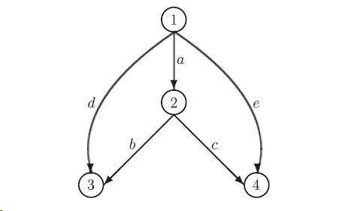

NumNodes | 4
NumOD | 2
NumLinks | 7
OneDimEsp | 0.0000001
UEeps | 0.000001
UEmaxIter | 100

