Vba
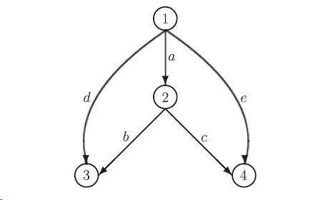
1 | 2 | 3 | 4 | 5 | 6 | 7
Link No | FreTime | Cap | Flow | Cost |  | Original Cap
a | 10 | 100 | 25.973670159 | 10.045512772 |  | 100
b | 10 | 20 | 9.9989836551 | 10.624745953 |  | 20
c | 10 | 42 | 15.974686504 | 10.209282163 |  | 60
d | 10 | 0.001 | 0.0010163448719 | 20.669999546 |  | 10
e | 10 | 4 | 4.0253134958 | 20.25554801 |  | 10

1 | 2 | 3 | 4 | 5 | 6 | 7 | 8 | 9 | 10
Demand Data | Demand |  | Path |  | Path cost | UE cost | Gap
1->3 | 10 | 10 | a->b | 9.9989836551 | 20.670258724 | 20.669999546 | 0.00025917808427 | 0.0025915174284 | 6.7159625816E-06
 |  |  | d | 0.0010163448719 | 20.669999546 | 20.669999546 | 0 | 0 | 0
1->4 | 20 | 20 | a->c | 15.974686504 | 20.254794934 | 20.254794934 | 0 | 0 | 0
 |  |  | e | 4.0253134958 | 20.25554801 | 20.254794934 | 0.00075307601017 | 0.0030313670271 | 9.1891860528E-06
 |  |  |  |  |  |  |  |  | 1.5905148634E-05
Summary

 | 0.73560673

