Performance_Summary_Report_01
Automation Performance report GRC : ITRM - TVI Registration And User Management Publication date June 05th, 2025

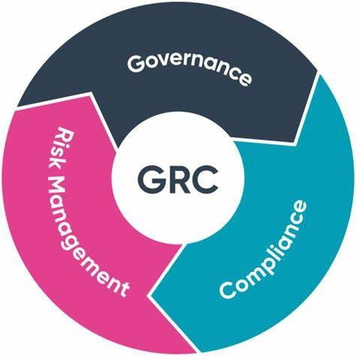 Automation Performance Report - GRC [ ITRM - TVI Registration & User Management ] BCT Automation And Performance Testing Team Hemanth Kumar Publication date June 05th, 2025

Automation Performance report GRC : ITRM - TVI Registration And User Management Publication date June 05th, 2025
GRC Application - Automation And Performance Reports in Graph representation Module Name : ITRM TVI Resistration & User Management - UM

Performance Summary Report in Graph representation For ITRM - TVI Registration Module 1. Average Response Time vs User Load 2. 90% Line Response Time vs User Load 3. Number of Samples / api requests in an hour 4. TPS & TPH 5. Error %

Rendering / Browser Average Response time in ms [ Captured from Selenium ]
 |  |  |  |  |  |  |  |  |  |  |  | Average ResponseTime (ms)
T001_Launch Application |  |  |  |  |  |  |  |  |  |  |  | 3589
T002_Blank Credentials Validation |  |  |  |  |  |  |  |  |  |  |  | 1176
T003_Invalid Credentials Validation |  |  |  |  |  |  |  |  |  |  |  | 3434
T004_Invalid UserName |  |  |  |  |  |  |  |  |  |  |  | 3416
T005_Invalid Password |  |  |  |  |  |  |  |  |  |  |  | 3422
T006_Forgot Password Flow |  |  |  |  |  |  |  |  |  |  |  | 4741
T007_Forgot Password Without UserID |  |  |  |  |  |  |  |  |  |  |  | 2563
T008_Valid Login |  |  |  |  |  |  |  |  |  |  |  | 4817
T009_Validate Group Details |  |  |  |  |  |  |  |  |  |  |  | 1560
T010_Create Group Form And Validate All Fields |  |  |  |  |  |  |  |  |  |  |  | 4847
T011_Validate Group Details Cancel |  |  |  |  |  |  |  |  |  |  |  | 3190
T012_Create Group With Valid Data |  |  |  |  |  |  |  |  |  |  |  | 4598
T013_Filter And Search Recent Created Group |  |  |  |  |  |  |  |  |  |  |  | 1118
T014_View And Validate Recent Created Group |  |  |  |  |  |  |  |  |  |  |  | 2465
T015_Edit And Update Recent Created Group |  |  |  |  |  |  |  |  |  |  |  | 4563
T016_Validate Delete Recent Created Group |  |  |  |  |  |  |  |  |  |  |  | 4523
T017_Validate User Details section |  |  |  |  |  |  |  |  |  |  |  | 6089
T018_Validate All Fields in Create Single User Form |  |  |  |  |  |  |  |  |  |  |  | 4598
T019_Validate Mandatory Fields in Create Single User Form |  |  |  |  |  |  |  |  |  |  |  | 4601
T020_Validate Cancel Function Create Single User Form |  |  |  |  |  |  |  |  |  |  |  | 5987
T021_Validate Create Single User Form With Valid Data |  |  |  |  |  |  |  |  |  |  |  | 3564
T022_Filter And Search Recent Created User |  |  |  |  |  |  |  |  |  |  |  | 2438
T023_View And Validate Recent Created User |  |  |  |  |  |  |  |  |  |  |  | 1879
T024_Edit And Update Recent Created User |  |  |  |  |  |  |  |  |  |  |  | 2856
T025_Validate Delete Recent Created User |  |  |  |  |  |  |  |  |  |  |  | 1988
T026_Navigate to IT Risk Management |  |  |  |  |  |  |  |  |  |  |  | 2770
T027_Navigate to Library Section |  |  |  |  |  |  |  |  |  |  |  | 2745
T028_Navigate to TVI Registration |  |  |  |  |  |  |  |  |  |  |  | 2137
T029_Open Create TVI Matrix Form |  |  |  |  |  |  |  |  |  |  |  | 4142
T030_Validate All Fields in Create Single TVI Matrix |  |  |  |  |  |  |  |  |  |  |  | 2160
T031_Mandatory Field Validations |  |  |  |  |  |  |  |  |  |  |  | 2143
T032_Cancel Functionality |  |  |  |  |  |  |  |  |  |  |  | 3826
T033_Create Single TVI Matrix |  |  |  |  |  |  |  |  |  |  |  | 3181
T034_View and Validate Single TVI Matrix |  |  |  |  |  |  |  |  |  |  |  | 1149
T035_View and Back Single TVI Matrix |  |  |  |  |  |  |  |  |  |  |  | 1165
T036_Edit and Validate Single TVI Matrix |  |  |  |  |  |  |  |  |  |  |  | 1174
T037_Edit and Update Single TVI Matrix |  |  |  |  |  |  |  |  |  |  |  | 1105
Automation Performance report GRC : ITRM - TVI Registration And User Management Publication date June 05th, 2025
...
 |  |  |  |  | 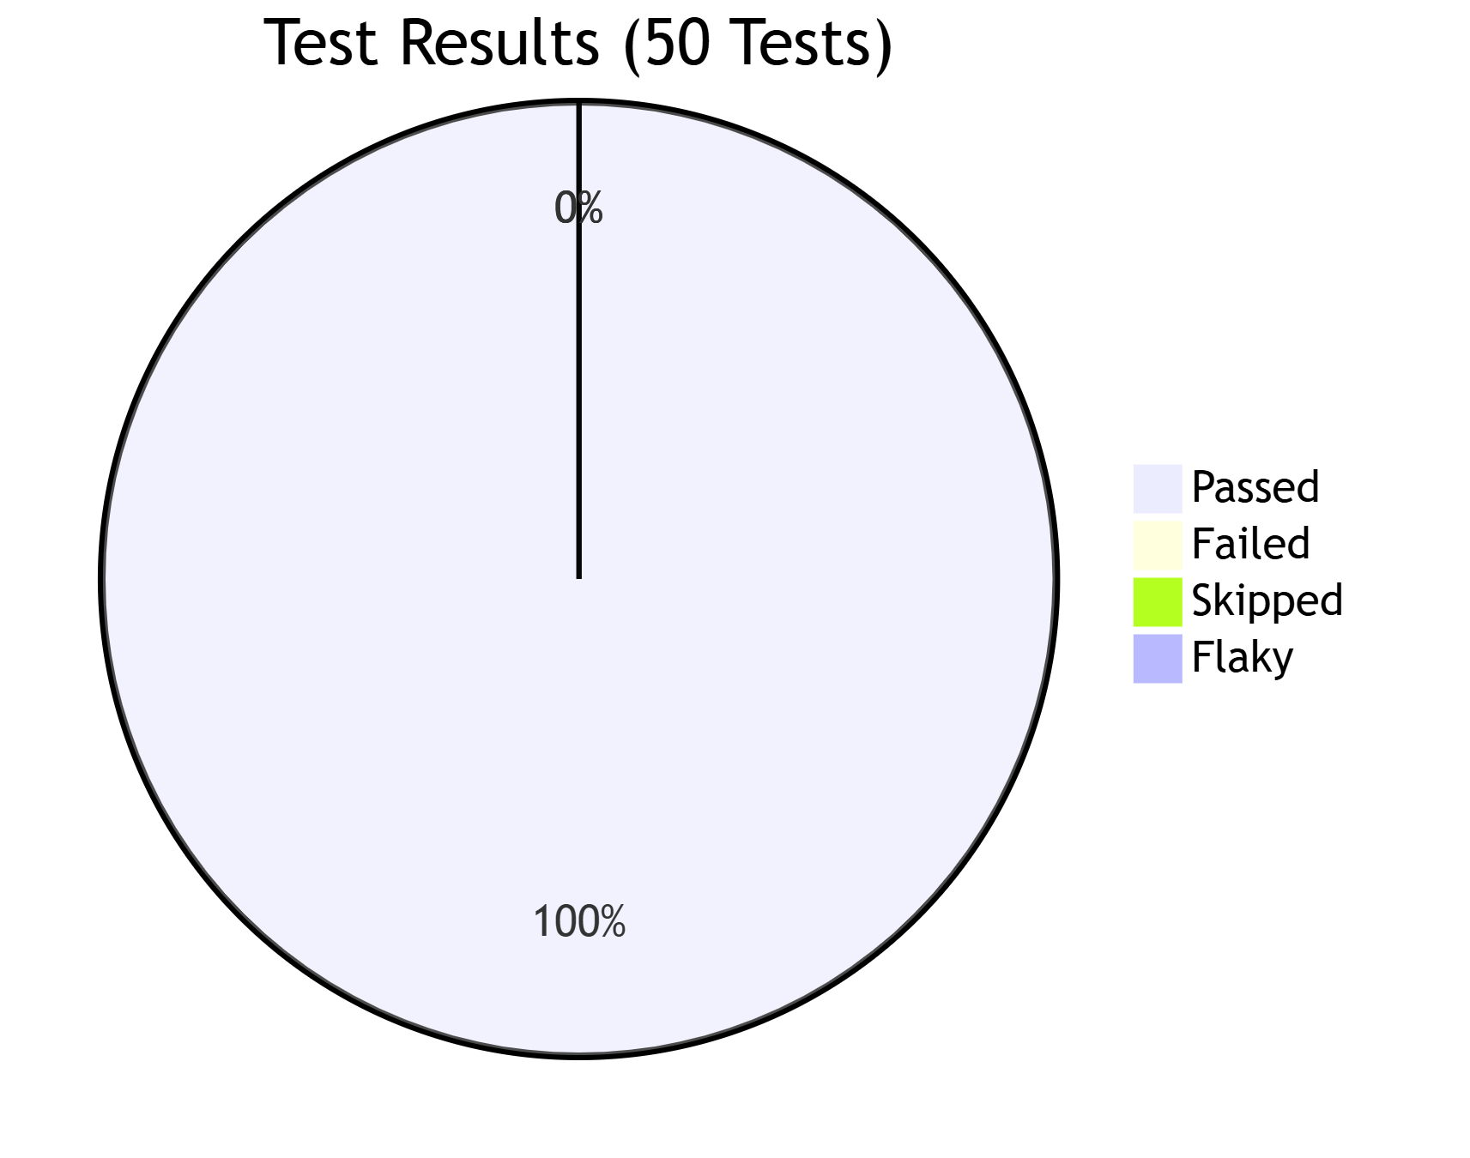 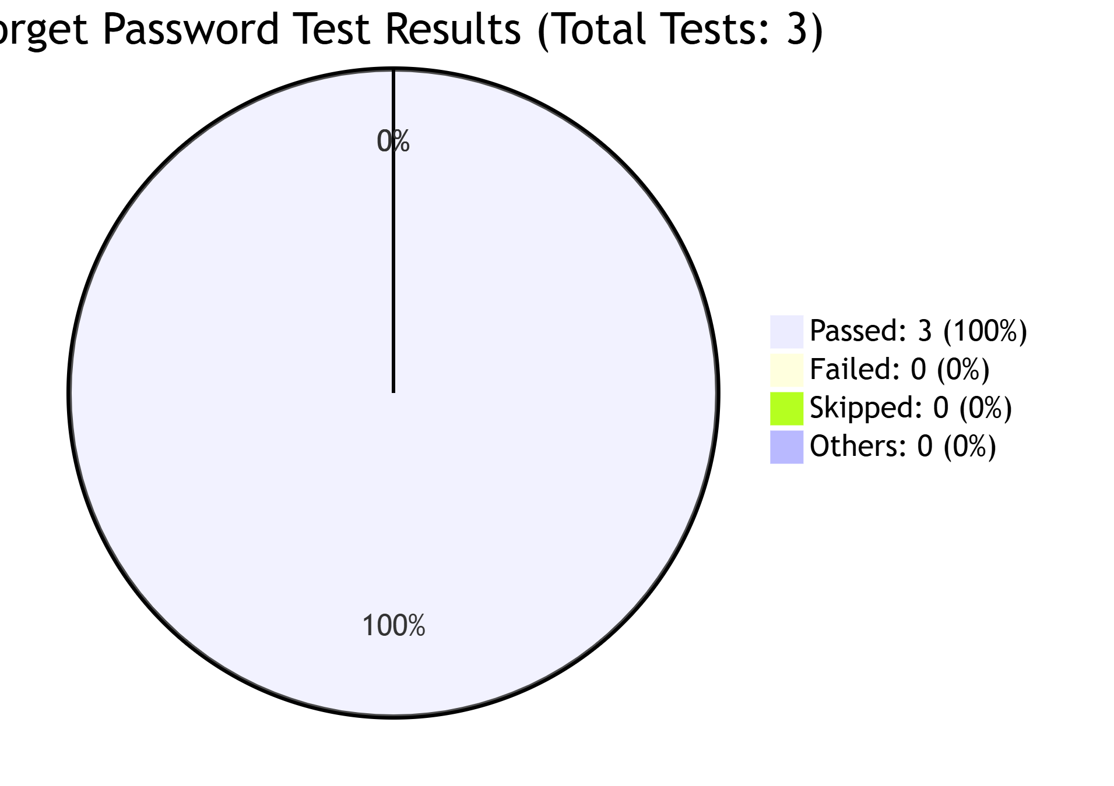 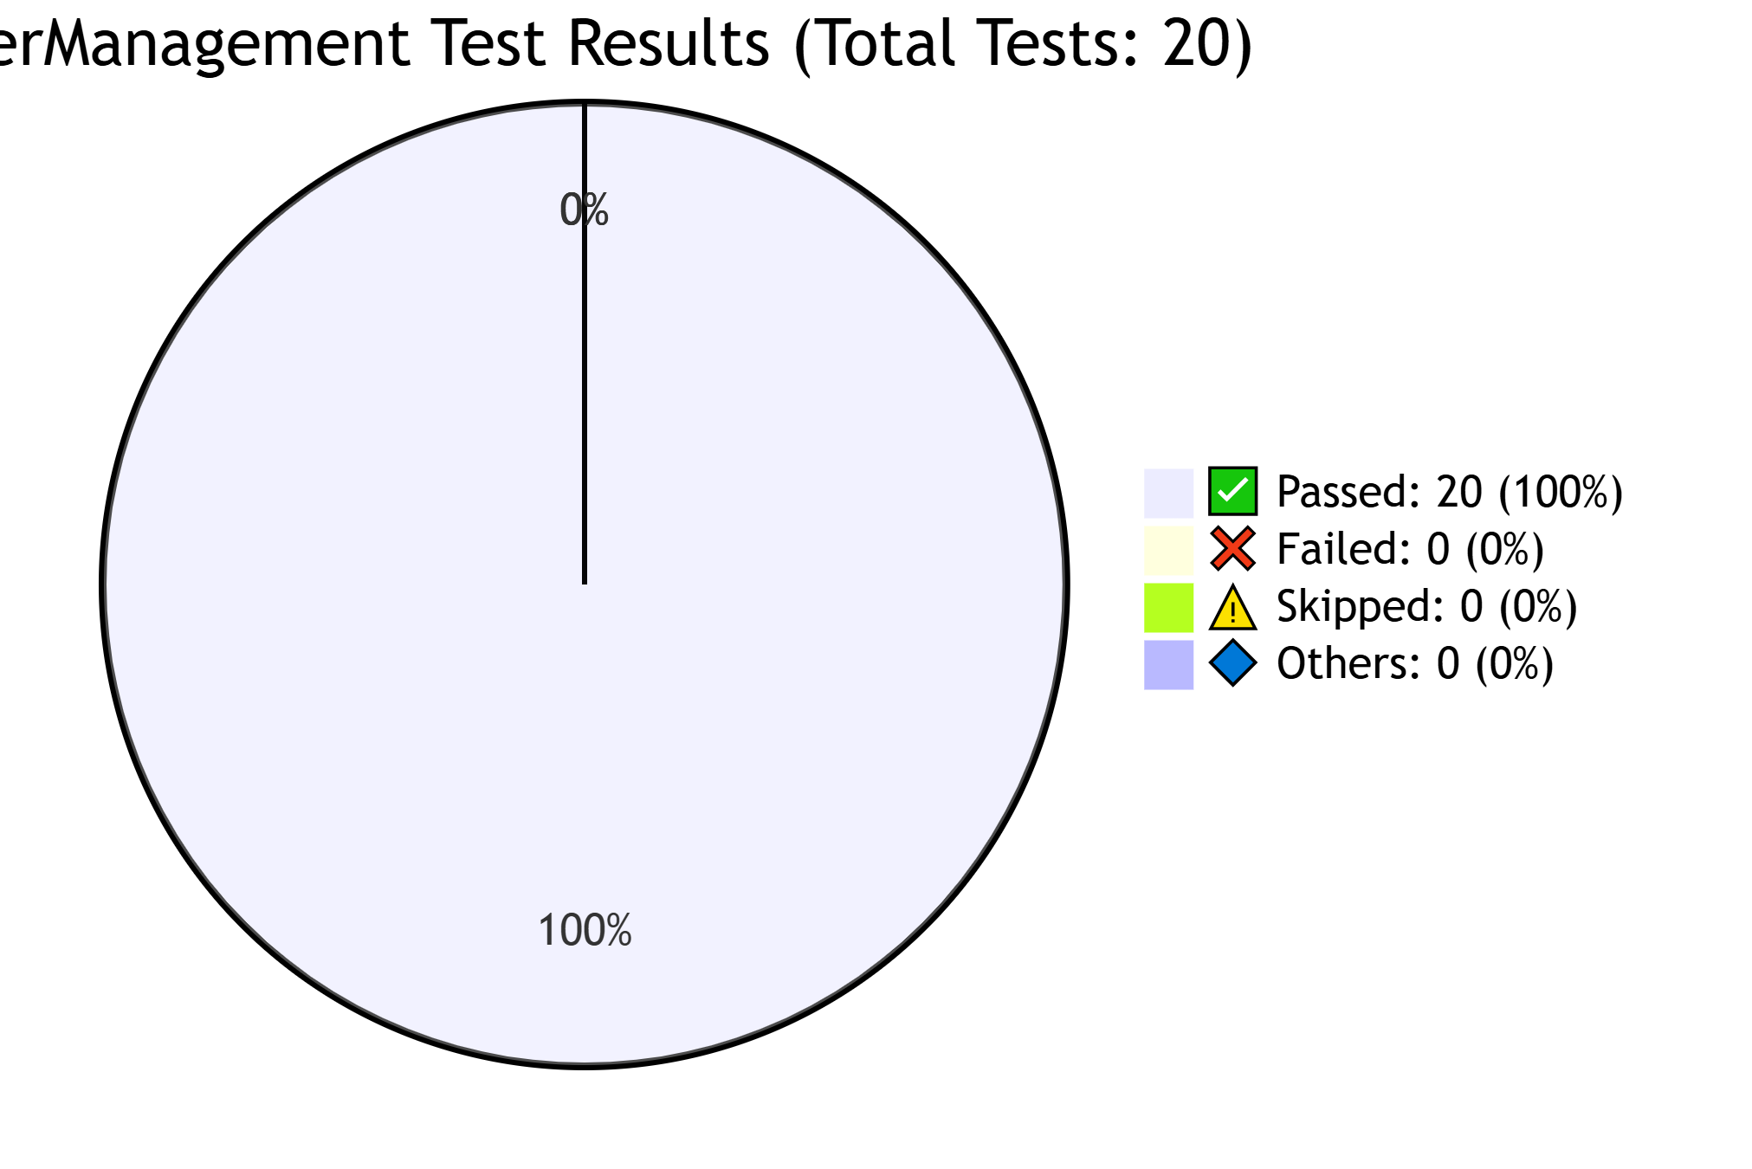 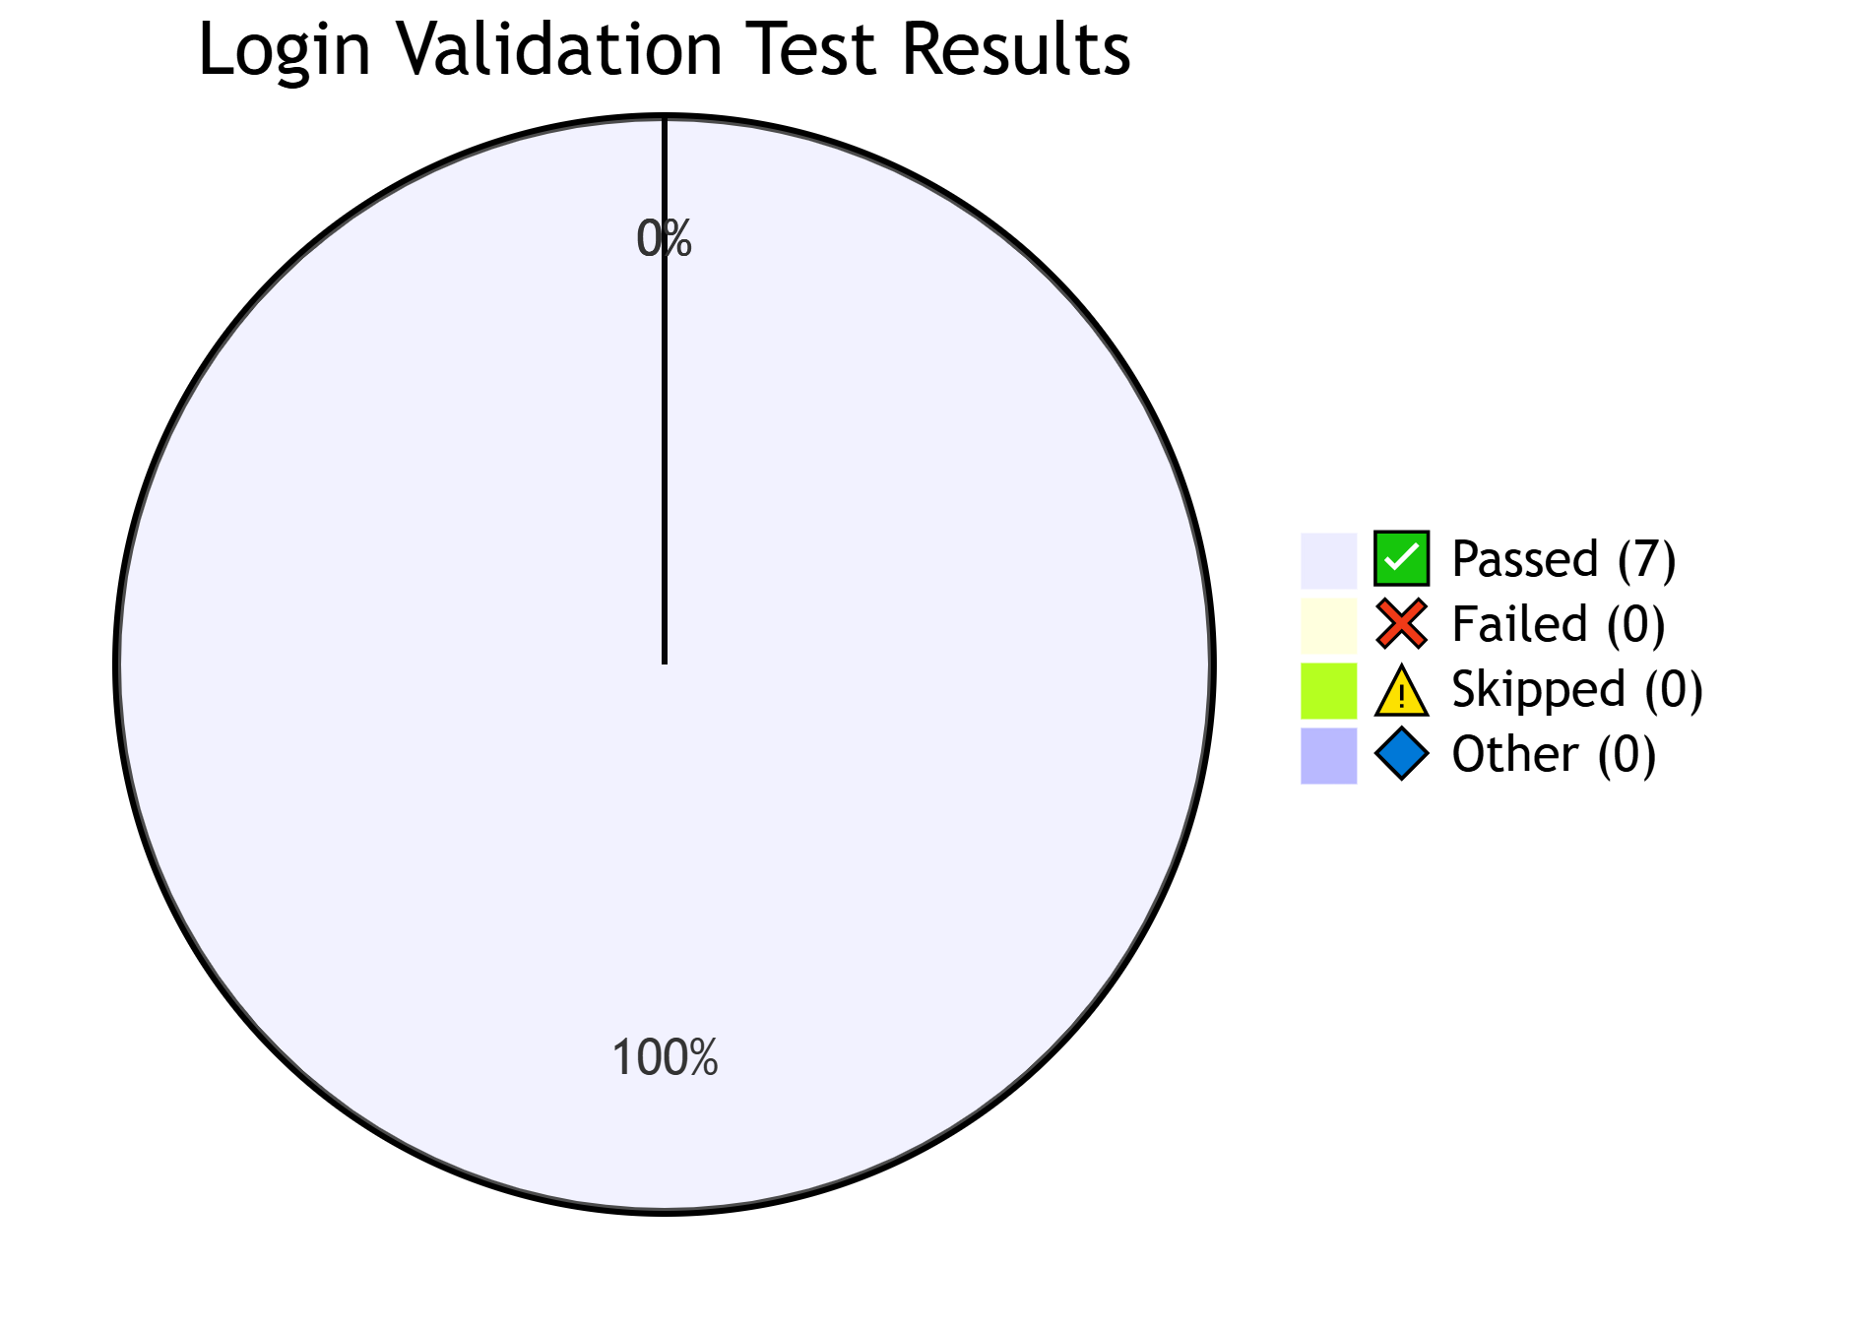 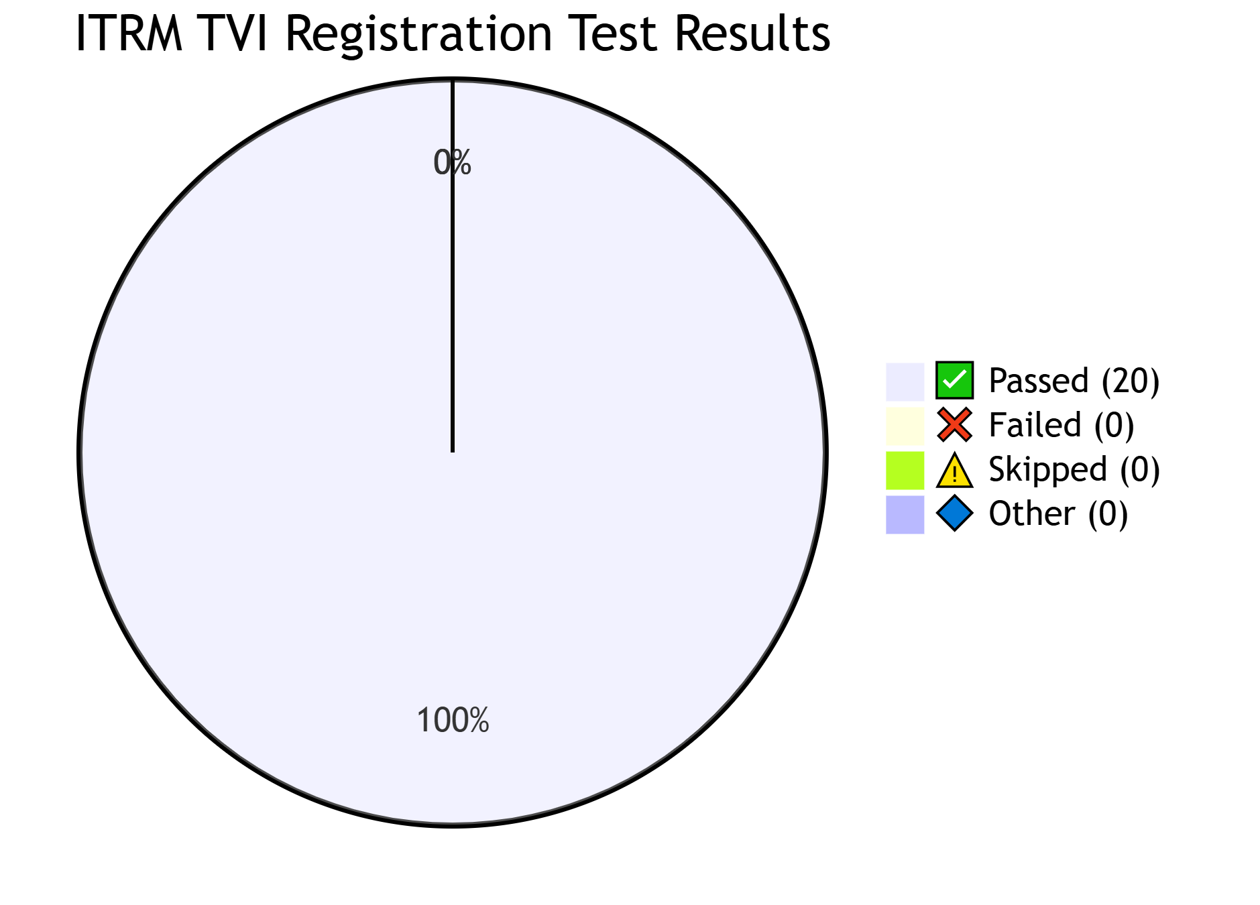 Test Results for total and each test scenorio

Automation Performance report GRC : ITRM - TVI Registration And User Management Publication date June 05th, 2025
GRC Application - Automation And Performance Execution Load Test Summary Module Name : ITRM TVI Resistration & User Management - UM

Performance Report GRC Module Name : ITRM - TVI Registration |  |  | Performance Report GRC Module Name : GRC - User Management - UM |  |  |  |  | Automation Test Report GRC Module Name : ITRM TVI Resistration & User Management - UM
Overall Performance Report – itrm tvi registration with Stability Analysis Execution Overview - Concurrent Users: 40, highest load tested. - Test Duration: 60 minutes, including ramp-up and ramp-down. - Total Samples Executed: 21,637, indicating system stress at peak load. Performance Metrics - Average Response Time: 12,374 ms (12.37 seconds)—significantly higher than previous runs, indicating serious performance degradation. - Overall Throughput (TPS): 4.92549 transactions/sec, lower than the previous 10.85 TPS, showing scaling challenges. - Error Rate: 0.01%, low but worth monitoring. Resource Utilization - CPU Utilization: 80.50%, near saturation—this suggests performance limits are being reached. - Memory Utilization: 58.00%, stable but nearing potential scalability concerns. Application Stability Analysis Based on the reports: - The application showed consistent stability up to 20 concurrent users, maintaining a reasonable response time of 949 ms and a high TPS of 11.22/sec. - At 30 concurrent users, response times spiked to 2696 ms, indicating resource strain but still functioning within operational limits. - At 40 users, response times ballooned to 12,374 ms, showing significant performance degradation and possible system bottlenecks. - CPU usage surpassed 80%, meaning additional load could result in system instability or failures. Optimization Recommendations - Maintain optimal user load at 20 users for stability. - Scale infrastructure (horizontal scaling or load balancing) to sustain higher concurrency. - Migrate PostgreSQL to a separate VM to prevent resource contention. - Optimize API response with caching, pagination, and indexing. Reports: http://192.168.0.160:3000/d/1XaPI0Ink/19688-appserver-metrices?orgId=1&from=1748949180000&to=1748952840000 file:///C:/Users/Hemanth/Desktop/BCT/apache-jmeter-5.6.3/TestScripts/Performance_Sripts_ITRM_TVI_User_Management_Modules/40Users_1Hr/40Users_1Hr/index.html |  |  | Overall Performance Report – GRC_USER_MANAGEMENT Execution Overview - Concurrent Users: 30, significantly scaling up from previous tests. - Test Duration: 60 minutes, including ramp-up and ramp-down phases. - Total Samples Executed: 68,313, reflecting high transaction volume. Performance Metrics - Average Response Time: 1071 ms, increasing from 800 ms at 20 users, indicating system strain. - Overall Throughput (TPS): 16.32013 transactions/sec, improved from 11.71 TPS. - Error Rate: 3.69%, increased from 3.04%, primarily due to license restrictions. Resource Utilization - CPU Utilization: 63.30%, showing significant load but still within operational limits. - Memory Utilization: 46.00%, consistent across tests, indicating memory is not a bottleneck. Key Performance Bottlenecks & Observations - License Restriction (412 Error): - The high error rate is not due to server-side issues but a PostgreSQL database license limit. - API logs indicate: - "errorMsg":"Maximum licensed user limit exceeded, Kindly upgrade your license" - "status":"Failed" - Recommendation: Upgrade the PostgreSQL database license to support additional concurrent users. - High Response Time API: - riskusermgmt/1/users/user/view is experiencing delays, likely due to large data retrieval without pagination. - Solution: Implement pagination and indexing to reduce load on queries. - Test Execution Halted: - The test did not complete the logout phase because user creation failed due to the 412 license error. - Ensuring license expansion is necessary before scaling further tests. Optimization Recommendations - License Upgrade Requirement - Engage with the licensing team to increase PostgreSQL user limits. - Ensure proper configurations for handling higher concurrency post-upgrade. - API Performance Enhancements - Optimize query execution plans for better performance. - Implement caching & pagination in riskusermgmt/1/users/user/view. - Infrastructure Scaling Considerations - |  |  |  |  | Test Modules & Scenarios Overview 1. Forgot Password Module - User Work Flow - Application launch - Password reset flow validation - Forgot password without entering User ID - End-to-end process validation Key Observations: - Forget workflow functionality is working fine as expected. 2. User Management Module - User Work Flow - Application launch - User login verification - Group management (creation, validation, editing, searching, deletion) - User creation process validation (mandatory & optional fields) - User search, view, edit, update, and deletion workflows - Logout functionality Key Observations: - The "Update User" functionality is creating new records in the database instead of updating existing ones. This is reflected in the frontend where multiple entries for the same user (with slightly modified data) appear in the user management table. Problem Areas: Data Access Layer: The repository method might be calling save() or insert() instead of update() - Missing "upsert" logic (update if exists, otherwise insert) 3. Login Validation Module - User Work Flow - Application launch - Login validation (blank credentials, invalid credentials, incorrect username/password) - Successful login verification - Logout functionality Key Observations: - Login validation covered negative and possitive scenarios effectively. 4. IT Risk Management - TVI Registration Module - User Work Flow - Application launch - Navigating to IT Risk Management section - Library section access validation - TVI Registration process testing - Create TVI Matrix (single & bulk upload) validation - Field validations (mandatory & optional) - Edit, view, upda

Automation Performance report GRC : ITRM - TVI Registration And User Management Publication date June 05th, 2025
GRC Application - Automation And Performance Environment Application & Database Server Detailes Module Name : ITRM TVI Resistration & User Management - UM

Application and Environment Details
Application Server |  |  | OracleVM : Windows Server 2019 [BCTHYV-NS4 ] CPU : 8 Core MEM / RAM : 32 GiB Disk Space : 500GB
DataBase Server |  |  | OracleVM : Windows Server 2019 [BCTHYV-NS4 ] DB : PostgreSQL CPU : 8 Core MEM / RAM : 32 GiB Disk Space : 500GB
Application |  |  | GRC
Modules |  |  | ITRM ITRM - TVI Registration [ Edit, view, update, and delete TVI Matrix records ] GRC - User Management - UM [ User , Group Creation , Edit , Update & Delete ]

PostgreSQL Database Size in Terms of Records: Total Number of Assets: Total Assets Count in DB: 1000+ Total Number of Users: Total Users Count in DB: 110

Load Test Execution Details GRC - ITRM Module Name : ITRM - TVI Registration & User Management
Load Test Execution Summary - GRC [ ITRM - TVI Registration & User Management ]
Test Execution Date | 2025-06-03 |  | 2025-06-05 | 2025-06-03 |  | 2025-06-05 | 2025-06-03 |  | 2025-06-05 | 2025-06-03 |  | 2025-06-05
User Work Flow | GRC - ITRM_TVI Registration |  | GRC - User Management - UM | GRC - ITRM_TVI Registration |  | GRC - User Management - UM | GRC - ITRM_TVI Registration |  | GRC - User Management - UM | GRC - ITRM_TVI Registration |  | GRC - User Management - UM
No Of Concurrent Users | 1 |  | 1 | 10 |  | 10 | 20 |  | 20 | 30 |  | 30
Test Duration | 60 minutes |  | 60 minutes | 60 minutes |  | 60 minutes | 60 minutes |  | 60 minutes | 60 minutes |  | 60 minutes
Total Test Duration Including Ramp Up + Ramp Down | 60 minutes |  | 60 minutes | 60 minutes |  | 60 minutes | 60 minutes |  | 60 minutes | 60 minutes |  | 60 minutes
Total Samples Executed | 2411 |  | 2163 | 21192 |  | 21910 | 44726 |  | 46752 | 45526 |  | 68313
Average Response times in milli seconds | 516 |  | 423 | 1036 |  | 480 | 949 |  | 800 | 2696 |  | 1071
Overall Throughput [TPS] | 0.6702 /sec |  | 0.60104 /sec | 5.59204 /sec |  | 5.78671 /sec | 11.22278 /sec |  | 11.71834 /sec | 10.85799 /sec |  | 16.32013 /sec
Error Rate | 0.00% |  | 0.00% | 0.00% |  | 0.05% | 0.04% |  | 3.04% | 0.03% |  | 3.69%
Average CPU Utilization ( Worker Node ) | 6.13% |  | 5.94% | 15.10% |  | 19.30% | 27.80% |  | 28.40% | 59.80% |  | 63.30%
Average Memory Utilization ( Worker Node ) | 52% |  | 45% | 56% |  | 46% | 58% |  | 46% | 58% |  | 46%

Automation Performance report GRC : ITRM - TVI Registration And User Management Publication date June 05th, 2025
GRC Application - Performance Api Request TPS Detailes and Response times each User Action Module Name : ITRM TVI Resistration & User Management - UM

Sample / API Request Wise TPS Details Module Name : ITRM - TVI Registration & User Management
Total Users | #Samples |  |  | AvgRT(ms) |  |  | Error% |  |  | TPS samples executed
Module Name | GRC - ITRM TVI Registration |  | GRC - User Management | GRC - ITRM TVI Registration |  | GRC - User Management | GRC - ITRM TVI Registration |  | GRC - User Management | GRC - ITRM TVI Registration |  | GRC - User Management
1 Users | 2411 |  | 2163 | 516 |  | 423 | 0.00% |  | 0.00% | 0.6702 |  | 0.60104
10 Users | 21192 |  | 21910 | 1036 |  | 480 | 0.00% |  | 0.05% | 5.59204 |  | 5.78671
20 Users | 44726 |  | 46752 | 949 |  | 800 | 0.04% |  | 3.04% | 11.22278 |  | 11.71834
30 Users | 45526 |  | 68313 | 2696 |  | 1071 | 0.03% |  | 3.69% | 10.85799 |  | 16.32013
• #Samples -- Total number of api's executed • AvgRT(ms) -- Average api response time in milli seconds • 90% Line -- The 90th percentile is the value for which 90% of the data points / response times are smaller in milli seconds • Error% -- Error% denotes the percent of api requests with errors in percentage • TPS -- api requests that the system can handle per second during a performance test • TPH -- api requests that the system can handle per hour during a performance test

User Workflow Response Times : GRC_ITRM_TVI_Registration User Action / Transaction Response time
 | 1 Users 60 minutes |  |  | 10 Users 60 minutes |  |  | 20 Users 60 minutes |  |  | 30 Users 60 minutes
Transaction Name | Steady State test run : 60 min Total Test Duration : 60 min Think Time : 5 Sec |  |  | Steady State test run : 60 min Total Test Duration : 60 min Think Time : 5 Sec |  |  | Steady State test run : 60 min Total Test Duration : 60 min Think Time : 5 Sec |  |  | Steady State test run : 60 min Total Test Duration : 60 min Think Time : 5 Sec

 | # Samples | 90% Line | Error % | # Samples | 90% Line | Error % | # Samples | 90% Line | Error % | # Samples | 90% Line | Error %
T001_Launch_Application | 34 | 176 | 0.00% | 294 | 1652 | 0.00% | 621 | 504 | 0.00% | 638 | 1832 | 0.00%
T002_Valid_Login | 33 | 6172 | 0.00% | 293 | 10669 | 0.00% | 620 | 8608 | 0.32% | 637 | 13383 | 0.31%
T003_Itrm_TVI_Registration | 33 | 2159 | 0.00% | 291 | 5151 | 0.00% | 618 | 4491 | 0.00% | 635 | 13641 | 0.47%
T004_Open_Create_Single_TVI_Matrix_Form | 33 | 236 | 0.00% | 290 | 1624 | 0.00% | 618 | 454 | 0.00% | 631 | 5080 | 0.00%
T005_Cancel_Single_TVI_Matrix_Form | 33 | 1443 | 0.00% | 290 | 5112 | 0.00% | 618 | 5026 | 0.00% | 626 | 13222 | 0.00%
T006_Create Single_TVI_Matrix | 33 | 1971 | 0.00% | 290 | 6421 | 0.00% | 618 | 5492 | 0.00% | 626 | 19412 | 0.16%
T007_View_Recent_Single_TVI_Matrix | 33 | 306 | 0.00% | 290 | 2169 | 0.00% | 617 | 1064 | 0.00% | 623 | 6760 | 0.00%
T008_View_ Back_Recent_Single_TVI_Matrix | 33 | 1482 | 0.00% | 290 | 4808 | 0.00% | 616 | 5036 | 0.00% | 621 | 13309 | 0.00%
T009_Edit _Recent_Single_TVI_Matrix | 33 | 179 | 0.00% | 290 | 1853 | 0.00% | 615 | 1037 | 0.00% | 620 | 6742 | 0.00%
T010_Update_Recent_Single_TVI_Matrix | 33 | 1763 | 0.00% | 290 | 5797 | 0.00% | 610 | 5372 | 0.33% | 616 | 15308 | 0.00%
T011_Create_Bulk_Upload_TVI_Matrix | 33 | 1922 | 0.00% | 290 | 6050 | 0.00% | 605 | 5483 | 0.00% | 615 | 17042 | 0.00%
T012_Delete_Recent_Single_TVI_Matrix | 33 | 1916 | 0.00% | 287 | 5204 | 0.00% | 602 | 5637 | 0.33% | 611 | 17413 | 0.00%
T013_Delete_Bulk_TVI_Matrix_3 | 33 | 1562 | 0.00% | 287 | 5159 | 0.00% | 598 | 5035 | 0.33% | 606 | 16223 | 0.17%
T014_Logout | 33 | 300 | 0.00% | 286 | 1631 | 0.00% | 595 | 704 | 0.00% | 602 | 1937 | 0.00%
TOTAL ( Actions ) | 463 | 1541.9285714 | 0.00% | 3198 | 4664.1818182 | 0.00% | 6776 | 3869.7272727 | 5.92% | 6888 | 11430.090909 | 8.60%
TOTAL ( Actions + Samples ) | 2411 | 1459 | 0.00% | 21192 | 3233 | 0.00% | 44726 | 3080 | 0.04% | 45526 | 9377 | 0.03%

Automation Performance report GRC : ITRM - TVI Registration And User Management Publication date June 05th, 2025
GRC Application - Performance Response times each User Action Module Name : ITRM TVI Resistration & User Management - UM

User Workflow Response Times : User Management User Action / Transaction Response time
 | 1 Users 60 minutes |  |  | 10 Users 60 minutes |  |  | 20 Users 60 minutes |  |  | 30 Users 60 minutes
Transaction Name | Steady State test run : 60 min Total Test Duration : 60 min Think Time : 5 Sec |  |  | Steady State test run : 60 min Total Test Duration : 60 min Think Time : 5 Sec |  |  | Steady State test run : 60 min Total Test Duration : 60 min Think Time : 5 Sec |  |  | Steady State test run : 60 min Total Test Duration : 60 min Think Time : 5 Sec

 | # Samples | 90% Line | Error % | # Samples | 90% Line | Error % | # Samples | 90% Line | Error % | # Samples | 90% Line | Error %
T001_Launch_Application | 28 | 156 | 0.00% | 282 | 154 | 0.00% | 831 | 352 | 0.00% | 1289 | 313 | 0.00%
T002_Login | 28 | 5650 | 0.00% | 281 | 5921 | 0.00% | 828 | 10247 | 0.36% | 1286 | 12194 | 0.54%
T003_UM_Group_Details_Section | 28 | 324 | 0.00% | 281 | 359 | 0.00% | 823 | 678 | 0.00% | 1278 | 1028 | 0.00%
T004_UM_Open_Group_Form | 28 | 118 | 0.00% | 281 | 192 | 0.00% | 822 | 487 | 0.00% | 1277 | 1505 | 0.00%
T005_UM_Group_Form_Cancel | 28 | 258 | 0.00% | 281 | 422 | 0.00% | 820 | 679 | 0.00% | 1273 | 2383 | 0.00%
T006_UM_Create_Group_With_Valid_Data | 28 | 343 | 0.00% | 281 | 445 | 0.00% | 819 | 679 | 3.05% | 1272 | 2572 | 4.40%
T008_UM_View_Recent_Created_Group | 28 | 111 | 0.00% | 281 | 195 | 0.00% | 792 | 384 | 0.00% | 1214 | 2264 | 0.00%
T009_UM_Edit _Recent_Created_Group | 27 | 113 | 0.00% | 281 | 187 | 0.00% | 791 | 491 | 0.00% | 1212 | 1993 | 0.00%
T010_UM_Update_Recent_Created_Group | 27 | 324 | 0.00% | 280 | 399 | 0.00% | 790 | 715 | 0.00% | 1208 | 1305 | 0.00%
T011_UM_Delete_Recent_Created_Group | 27 | 114 | 0.00% | 280 | 167 | 0.00% | 790 | 396 | 0.00% | 1208 | 882 | 0.00%
T012_UM_User_Details_Section | 27 | 4147 | 0.00% | 280 | 4919 | 0.00% | 786 | 7839 | 0.00% | 1205 | 9460 | 0.00%
T013_UM_Create_Single_User_Form | 27 | 548 | 0.00% | 280 | 558 | 0.00% | 786 | 1264 | 0.00% | 1204 | 2809 | 0.00%
T014_UM_Cancel_Create_Single_User_Form | 27 | 4151 | 0.00% | 278 | 4557 | 0.00% | 784 | 7582 | 0.00% | 1200 | 7700 | 0.00%
T015_UM_ Create_Single_User_Form_With_Valid_Data | 27 | 255 | 0.00% | 276 | 404 | 1.09% | 783 | 3359 | 87.10% | 1198 | 3813 | 100.00%
T016_UM_View_Recent_Created_User | 27 | 740 | 0.00% | 273 | 1058 | 0.37% | 101 | 1053 | 0.00%
T017_UM_Edit_Recent_Created_User | 27 | 261 | 0.00% | 270 | 359 | 0.37% | 101 | 532 | 0.00%
T018_UM_Update_Recent_Created_User | 27 | 261 | 0.00% | 269 | 351 | 0.00% | 101 | 350 | 0.00%
T019_UM_Delete_Recent_Created_User | 27 | 464 | 0.00% | 269 | 653 | 0.00% | 101 | 710 | 0.00%
T020_Logout | 27 | 308 | 0.00% | 269 | 275 | 0.00% | 101 | 354 | 0.00%
TOTAL ( Actions ) | 520 | 981.36842105 | 0.00% | 4735 | 1214.5294118 | 10.72% | 11447 | 2296.0625 | 565.72% | 10921 | 3644.2222222 | 1160.03%
TOTAL ( Actions + Samples ) | 2163 | 457 | 0.00% | 21910 | 552 | 0.05% | 46752 | 3808 | 3.04% | 68313 | 4411 | 3.69%

Automation Performance report GRC : ITRM - TVI Registration And User Management Publication date June 05th, 2025
GRC Application - Performance Standard Parameters and Detailes Module Name : ITRM TVI Resistration

High Response time API's ( 90th Percentile >= 3 sec)
• riskusermgmt/1/users/user/view • grc/itriskmgmt/1/assessment/find/all

Performance Report GRC Module Name : ITRM - TVI Registration User Workflow or Scenario : S001_GRC_ITRM_CFA
Sl No | Performance Parameters | Definition | Metric | Benchmark | Test Execution Results |  |  |  | Why it’s Important ?
 |  |  |  |  | 1 Users | 10 Users | 20 Users | 30 Users
1 | Concurrent Users / Load | The number of users simultaneously using the system during testing. | Measured by the number of concurrent users. |  | 1 Users | 10 Users | 20 Users | 30 Users | To see how the system handles multiple users and whether it can scale.
2 | Avg Response Time | The time it takes for the system to respond to a user request. | Measured in milliseconds or seconds. | 100 ms – 500 ms: | 516 | 1036 | 949 | 2696 | Ensures the system responds within acceptable limits for end users.
3 | Throughput | The number of transactions the system can handle over a specific period. | Measured in requests per second (RPS) or transactions per second (TPS). | RPS: 500 RPS TPS: Small: 50 – 500 requests per second (RPS).Medium/Large: 500 – 5,000 RPS. | 0.6702 /sec | 5.592 /sec | 11.222 /sec | 10.857 /sec | Determines the system’s capacity to handle concurrent user requests.
4 | Error Rate | The percentage of requests that fail compared to total requests made. | Measured as a percentage (%). | 0% - 1%: Expected under normal conditions. < 0.1%: Ideal error rate for mission- critical systems. > 1%: Indicates underlying issues and needs immediate investigation. | 0.00% | 0.00% | 0.03% | 0.03% | High error rates indicate issues in the system that need to be addressed.
5 | Peak Load | The maximum load that the system can handle without degradation in performance. | Maximum number of requests or users. | 100% increase from normal load should be handled without performance degradation for most applications. Systems should ideally handle 2x – 5x peak loads (especially for e- commerce, financial services, etc.) during special events like product launches or holiday | 2411 | 21192 | 44726 | 45526 | Determines the upper limits of system performance.

Automation Performance report GRC : ITRM - TVI Registration And User Management Publication date June 05th, 2025

Sl No | Performance Parameters | Definition | Metric | Benchmark | Test Execution Results |  |  |  | Why it’s Important ?
 |  |  |  |  | 1 Users | 10 Users | 20 Users | 30 Users
6 | Avg Page Load Time | The time it takes for a page or element to load completely. | Measured in seconds. | < 1 second: Ideal for a seamless user experience. 1 – 2 seconds: Acceptable, but improvements may be needed. > 2 seconds: Slow; likely to result in user frustration and higher bounce rates. | 1.34 Sec | 2.80 Sec | 2.48 sec | 6.92 sec | Slow page loads can negatively affect user experience.
7 | App Server CPU Usage | The amount of CPU resources being used by the system during load. | Measured in percentage (%). | 30% – 70%: Healthy range under normal load. 70% – 85%: System is approaching high usage; consider optimization. > 85%: System may become unstable or slow, requiring load balancing, vertical scaling, or code optimizations. | 6.13% | 15.10% | 27.80% | 59.80% | High CPU utilization can signal bottlenecks and potential resource shortages.
8 | App Server Memory Usage | The amount of memory being used by the system under load. | Measured in MB/GB or as a percentage (%). | 40% – 70%: Healthy range under load. > 70%: Consider tuning or memory leak investigation. > 90%: Likely to cause out-of- memory errors or slow performance. | 52.00% | 56.00% | 58.00% | 58.00% | Excessive memory usage can lead to out-of- memory issues and poor performance.
9 | Database Performance | Time taken by the database to handle queries and transactions. | Measured in terms of query response time, number of transactions processed per second, and deadlock rates. | 100 ms – 500 ms: Acceptable for transactional databases. | No Dead Locks | No Dead Locks | No Dead Locks | No Dead Locks | A slow database can severely impact overall system performance.

Automation Performance report GRC : ITRM - TVI Registration And User Management Publication date June 05th, 2025

Sl No | Performance Parameters | Definition | Metric | Benchmark | Test Execution Results |  |  |  | Why it’s Important ?
 |  |  |  |  | 1 Users | 10 Users | 20 Users | 30 Users
10 | DB Server CPU Usage | The amount of CPU resources being used by the system during load. | Measured in percentage (%). | 30% – 70%: Healthy range under normal load. 70% – 85%: System is approaching high usage; consider optimization. > 85%: System may become unstable or slow, requiring load balancing, vertical scaling, or query optimizations. | 6.13% | 15.10% | 27.80% | 59.80% | High CPU utilization can signal bottlenecks and potential resource shortages.
11 | DB Server Memory Usage | The amount of memory being used by the system under load. | Measured in MB/GB or as a percentage (%). | 40% – 70%: Healthy range under load. > 70%: Consider query tuning . > 90%: Likely to cause slow performance , Require Horizantal scaling, or query optimizations. | 52.00% | 56.00% | 58.00% | 58.00% | High Memory utilization can signal bottlenecks and potential resource shortages.
12 | DB Server Queue Length | The number of requests waiting to be processed by the system. | Number of queued requests. | < 10 items in the queue at any time for smooth operation. 10 – 50 items: Monitor closely; system could be under stress. > 50 items: Indicates a bottleneck, possibly due to high traffic or resource limitations. | 0 | 0 | 0 | 0 | Long queue lengths can indicate that the system is overwhelmed by the load.

Automation Performance report GRC : ITRM - TVI Registration And User Management Publication date June 05th, 2025

Sl No | Performance Parameters | Definition | Metric | Benchmark | Test Execution Results |  |  |  | Why it’s Important ?
 |  |  |  |  | 1 Users | 10 Users | 20 Users | 30 Users
13 | Scalability | How well the system can handle increasing loads by scaling up or out. | Linear or non-linear performance increase with added resources. | Linear scalability: As resources (CPU, memory, etc.) are added, performance should improve proportionally. Non-linear performance degradation: A warning sign that the system needs better resource management or architectural improvements. | Optimizing queries and using indexing effectively can significantly improve the performance of all GET calls. | Optimizing queries and using indexing effectively can significantly improve the performance of all GET calls. | Optimizing queries and using indexing effectively can significantly improve the performance of all GET calls. | To address the "High Response Time: Due to lack of pagination and high cpu utilization" issue, increasing the JDBC pool size can be an effective solution. | Ensures the system can scale efficiently with growing user or transaction volume.
 |  |  |  |  | Implementing pagination for all GET calls is a great way to improve system performance and ensure quicker responses from the server. Benefits of Pagination Improved Performance: Reduces the amount of data transferred and processed at once. Better User Experience: Faster response times and easier navigation through large datasets. Scalability: Helps manage large datasets more efficiently. | Implementing pagination for all GET calls is a great way to improve system performance and ensure quicker responses from the server. Benefits of Pagination Improved Performance: Reduces the amount of data transferred and processed at once. Better User Experience: Faster response times and easier navigation through large datasets. Scalability: Helps manage large datasets more efficiently. | Implementing pagination for all GET calls is a great way to improve system performance and ensure quicker responses from the server. Benefits of Pagination Improved Performance: Reduces the amount of data transferred and processed at once. Better User Experience: Faster response times and easier navigation through large datasets. Scalability: Helps manage large datasets more efficiently. | Implementing Pagination: Breaking down large data sets into smaller, manageable chunks can reduce the amount of data processed at once, thus improving response times. SQL Queries: Use LIMIT and OFFSET for SQL databases. API Responses: Include parameters in API calls to fetch data in pages. Optimizing SHA-2 Digest Operations Efficient Hashing: Parallel Processing: Implementing multi-threading or multi-processing to handle SHA-2 digest operations concurrently.

Automation Performance report GRC : ITRM - TVI Registration And User Management Publication date June 05th, 2025
GRC Application - Individual Request / api Performance Response time and Detailes Module Name : ITRM TVI Resistration

Module Name : ITRM - TVI Registration Aggregate Report Performance Report GRC - ITRA User Workflow or Scenario : S001_GRC_ITRM_TVI_REGISTRATION Detailed metrics on response times and error rates for individual requests / Api's

Transaction / Request Name | 1 Users 60 min |  |  | 10 Users 60 min |  |  | 20 Users 60 min |  |  | 30 Users 60 min
Label | # Samples | 90% Line | Error % | # Samples | 90% Line | Error % | # Samples | 90% Line | Error % | # Samples | 90% Line | Error %
S001_TC_001_01_Launch/grc | 34 | 176 | 0.00% | 294 | 1652 | 0.00% | 621 | 504 | 0.00% | 638 | 1832 | 0.00%
T001_Launch_Application | 34 | 176 | 0.00% | 294 | 1652 | 0.00% | 621 | 504 | 0.00% | 638 | 1832 | 0.00%
S001_TC_002_01_token | 33 | 94 | 0.00% | 293 | 1033 | 0.00% | 621 | 401 | 0.00% | 638 | 1204 | 0.00%
S001_TC_002_02_token | 33 | 224 | 0.00% | 293 | 398 | 0.00% | 621 | 306 | 0.00% | 638 | 552 | 0.00%
S001_TC_002_03_grcoauth/1/oauth/token?grant_type | 33 | 26 | 0.00% | 293 | 207 | 0.00% | 621 | 126 | 0.00% | 638 | 308 | 0.00%
S001_TC_002_04_grcoauth/1/oauth/token?grant_type | 33 | 479 | 0.00% | 293 | 663 | 0.00% | 621 | 468 | 0.32% | 638 | 695 | 0.31%
S001_TC_002_05_riskusermgmt/1/users/user/view (Login) | 33 | 46 | 0.00% | 293 | 108 | 0.00% | 619 | 75 | 0.00% | 636 | 190 | 0.00%
S001_TC_002_06_itrmrisk/1.0/dashboard/residual/heatmapcounts (Login) | 33 | 60 | 0.00% | 293 | 89 | 0.00% | 619 | 67 | 0.00% | 636 | 157 | 0.00%
S001_TC_002_07_itrmrisk/1.0/dashboard/inherent/heatmapcounts (Login) | 33 | 38 | 0.00% | 293 | 98 | 0.00% | 619 | 64 | 0.00% | 636 | 124 | 0.00%
S001_TC_002_08_riskusermgmt/1/country/dropdown (Login) | 33 | 43 | 0.00% | 293 | 82 | 0.00% | 619 | 61 | 0.00% | 636 | 113 | 0.00%
S001_TC_002_09_itrmrisk/1.0/dashboard/residual/heatmapcounts (Login) | 33 | 198 | 0.00% | 293 | 192 | 0.00% | 619 | 125 | 0.00% | 636 | 191 | 0.00%
S001_TC_002_12_itrmrisk/1.0/dashboard/inherent/heatmapcounts (Login) | 33 | 251 | 0.00% | 293 | 254 | 0.00% | 619 | 177 | 0.00% | 636 | 247 | 0.00%
S001_TC_002_13_riskusermgmt/1/country/dropdown (Login) | 33 | 166 | 0.00% | 293 | 173 | 0.00% | 619 | 103 | 0.00% | 636 | 134 | 0.00%
S001_TC_002_15_riskusermgmt/1/users/user/view (Login) | 33 | 4040 | 0.00% | 293 | 7803 | 0.00% | 619 | 5830 | 0.00% | 636 | 9395 | 0.00%
S001_TC_002_16_riskusermgmt/1/users/user/Perfuser008/view (Login) | 33 | 36 | 0.00% | 293 | 189 | 0.00% | 618 | 78 | 0.00% | 635 | 292 | 0.00%
S001_TC_002_17_riskusermgmt/1/menus/menu (Login) | 33 | 26 | 0.00% | 293 | 156 | 0.00% | 618 | 66 | 0.00% | 635 | 250 | 0.00%
S001_TC_002_18_riskusermgmt/1/menus/menu (Login) | 33 | 167 | 0.00% | 293 | 187 | 0.00% | 618 | 93 | 0.00% | 635 | 231 | 0.00%
S001_TC_002_19_riskusermgmt/1/users/user/Perfuser008/view (Login) | 33 | 279 | 0.00% | 293 | 484 | 0.00% | 618 | 300 | 0.00% | 635 | 438 | 0.00%
T002_Valid_Login | 33 | 6172 | 0.00% | 293 | 10669 | 0.00% | 620 | 8608 | 0.32% | 637 | 13383 | 0.31%
S001_TC_003_01_grctvi/1/tvi/matrix/find/all (lib_tvi) | 33 | 60 | 0.00% | 292 | 745 | 0.00% | 618 | 251 | 0.00% | 635 | 548 | 0.00%
S001_TC_003_02_grctvi/1/tvi/matrix/find/all (lib_tvi) | 33 | 2126 | 0.00% | 292 | 4610 | 0.00% | 618 | 4267 | 0.00% | 635 | 13491 | 0.47%
T003_Itrm_TVI_Registration | 33 | 2159 | 0.00% | 291 | 5151 | 0.00% | 618 | 4491 | 0.00% | 635 | 13641 | 0.47%
S001_TC_004_01_grctvi/1/tvi/dropdownvalues (lib_tvi) | 33 | 51 | 0.00% | 290 | 841 | 0.00% | 618 | 232 | 0.00% | 631 | 701 | 0.00%
S001_TC_004_02_grctvi/1/tvi/dropdownvalues (lib_tvi) | 33 | 175 | 0.00% | 290 | 613 | 0.00% | 618 | 199 | 0.00% | 631 | 4883 | 0.00%
T004_Open_Create_Single_TVI_Matrix_Form | 33 | 236 | 0.00% | 290 | 1624 | 0.00% | 618 | 454 | 0.00% | 631 | 5080 | 0.00%
S001_TC_005_01_grctvi/1/tvi/matrix/find/all (lib_tvi) | 33 | 48 | 0.00% | 290 | 874 | 0.00% | 618 | 367 | 0.00% | 631 | 602 | 0.00%
S001_TC_005_02_grctvi/1/tvi/matrix/find/all (lib_tvi) | 33 | 1413 | 0.00% | 290 | 4467 | 0.00% | 618 | 4697 | 0.00% | 630 | 12908 | 0.00%
T005_Cancel_Single_TVI_Matrix_Form | 33 | 1443 | 0.00% | 290 | 5112 | 0.00% | 618 | 5026 | 0.00% | 626 | 13222 | 0.00%
S001_TC_006_01_grctvi/1/tvi/dropdownvalues (lib_tvi) | 33 | 51 | 0.00% | 290 | 801 | 0.00% | 618 | 290 | 0.00% | 626 | 586 | 0.00%
S001_TC_006_02_grctvi/1/tvi/dropdownvalues (lib_tvi) | 33 | 70 | 0.00% | 290 | 639 | 0.00% | 618 | 219 | 0.00% | 626 | 4209 | 0.16%
S001_TC_006_03_grctvi/1/tvi/matrix/new (lib_tvi) | 33 | 28 | 0.00% | 290 | 249 | 0.00% | 618 | 91 | 0.00% | 625 | 510 | 0.00%
S001_TC_006_04_grctvi/1/tvi/matrix/new (lib_tvi) | 33 | 290 | 0.00% | 290 | 550 | 0.00% | 618 | 395 | 0.00% | 625 | 3293 | 0.00%
S001_TC_006_05_grctvi/1/tvi/matrix/find/all (lib_tvi) | 33 | 31 | 0.00% | 290 | 134 | 0.00% | 618 | 91 | 0.00% | 625 | 327 | 0.00%
S001_TC_006_06_grctvi/1/tvi/matrix/find/all (lib_tvi) | 33 | 1559 | 0.00% | 290 | 4569 | 0.00% | 618 | 4186 | 0.00% | 625 | 12669 | 0.00%
T006_Create Single_TVI_Matrix | 33 | 1971 | 0.00% | 290 | 6421 | 0.00% | 618 | 5492 | 0.00% | 626 | 19412 | 0.16%
S001_TC_007_01_grctvi/1/tvi/dropdownvalues (lib_tvi) | 33 | 53 | 0.00% | 290 | 891 | 0.00% | 617 | 271 | 0.00% | 623 | 880 | 0.00%

Automation Performance report GRC : ITRM - TVI Registration And User Management Publication date June 05th, 2025
GRC Application - Individual Request / api Performance Response time and Detailes Module Name : ITRM TVI Resistration

Transaction / Request Name | 1 Users 60 min |  |  | 10 Users 60 min |  |  | 20 Users 60 min |  |  | 30 Users 60 min
Label | # Samples | 90% Line | Error % | # Samples | 90% Line | Error % | # Samples | 90% Line | Error % | # Samples | 90% Line | Error %
S001_TC_007_02_grctvi/1/tvi/dropdownvalues (lib_tvi) | 33 | 72 | 0.00% | 290 | 782 | 0.00% | 617 | 244 | 0.00% | 623 | 3345 | 0.00%
S001_TC_007_03_grctvi/1/tvi/matrix/find/1716 (lib_tvi) | 33 | 27 | 0.00% | 290 | 179 | 0.00% | 617 | 113 | 0.00% | 623 | 456 | 0.00%
S001_TC_007_04_grctvi/1/tvi/matrix/find/1716 (lib_tvi) | 33 | 178 | 0.00% | 290 | 315 | 0.00% | 617 | 251 | 0.00% | 623 | 2398 | 0.00%
T007_View_Recent_Single_TVI_Matrix | 33 | 306 | 0.00% | 290 | 2169 | 0.00% | 617 | 1064 | 0.00% | 623 | 6760 | 0.00%
S001_TC_008_01_grctvi/1/tvi/matrix/find/all (lib_tvi) | 33 | 47 | 0.00% | 290 | 572 | 0.00% | 616 | 260 | 0.00% | 622 | 622 | 0.00%
S001_TC_008_02_grctvi/1/tvi/matrix/find/all (lib_tvi) | 33 | 1440 | 0.00% | 290 | 4290 | 0.00% | 616 | 4888 | 0.00% | 622 | 12898 | 0.00%
T008_View_ Back_Recent_Single_TVI_Matrix | 33 | 1482 | 0.00% | 290 | 4808 | 0.00% | 616 | 5036 | 0.00% | 621 | 13309 | 0.00%
S001_TC_009_01_grctvi/1/tvi/matrix/find/1716 (lib_tvi) | 33 | 50 | 0.00% | 290 | 876 | 0.00% | 615 | 303 | 0.00% | 620 | 532 | 0.00%
S001_TC_009_02_grctvi/1/tvi/dropdownvalues (lib_tvi) | 33 | 28 | 0.00% | 290 | 315 | 0.00% | 615 | 176 | 0.00% | 620 | 323 | 0.00%
S001_TC_009_03_grctvi/1/tvi/matrix/find/1716 (lib_tvi) | 33 | 67 | 0.00% | 290 | 327 | 0.00% | 615 | 202 | 0.00% | 620 | 3718 | 0.00%
S001_TC_009_04_grctvi/1/tvi/dropdownvalues (lib_tvi) | 33 | 68 | 0.00% | 290 | 210 | 0.00% | 615 | 149 | 0.00% | 620 | 1965 | 0.00%
T009_Edit _Recent_Single_TVI_Matrix | 33 | 179 | 0.00% | 290 | 1853 | 0.00% | 615 | 1037 | 0.00% | 620 | 6742 | 0.00%
S001_TC_010_01_grctvi/1/tvi/matrix/modify (lib_tvi) | 33 | 65 | 0.00% | 290 | 905 | 0.00% | 611 | 289 | 0.00% | 619 | 846 | 0.00%
S001_TC_010_02_grctvi/1/tvi/matrix/modify (lib_tvi) | 33 | 298 | 0.00% | 290 | 780 | 0.00% | 611 | 468 | 0.33% | 619 | 3747 | 0.00%
S001_TC_010_03_grctvi/1/tvi/matrix/find/all (lib_tvi) | 33 | 34 | 0.00% | 290 | 196 | 0.00% | 609 | 102 | 0.00% | 619 | 439 | 0.00%
S001_TC_010_04_grctvi/1/tvi/matrix/find/all (lib_tvi) | 33 | 1448 | 0.00% | 290 | 4398 | 0.00% | 609 | 4417 | 0.00% | 619 | 12579 | 0.00%
T010_Update_Recent_Single_TVI_Matrix | 33 | 1763 | 0.00% | 290 | 5797 | 0.00% | 610 | 5372 | 0.33% | 616 | 15308 | 0.00%
S001_TC_011_01_grctvi/1/tvi/matrix/bulk/new (lib_tvi) | 33 | 43 | 0.00% | 290 | 907 | 0.00% | 608 | 272 | 0.00% | 616 | 696 | 0.00%
S001_TC_011_02_grctvi/1/tvi/matrix/bulk/new (lib_tvi) | 33 | 233 | 0.00% | 290 | 718 | 0.00% | 608 | 349 | 0.00% | 616 | 4869 | 0.00%
S001_TC_011_03_grctvi/1/tvi/matrix/find/all (lib_tvi) | 33 | 44 | 0.00% | 290 | 168 | 0.00% | 608 | 104 | 0.00% | 616 | 453 | 0.00%
S001_TC_011_04_grctvi/1/tvi/matrix/find/all (lib_tvi) | 33 | 1607 | 0.00% | 290 | 4842 | 0.00% | 608 | 4485 | 0.00% | 616 | 12764 | 0.00%
T011_Create_Bulk_Upload_TVI_Matrix | 33 | 1922 | 0.00% | 290 | 6050 | 0.00% | 605 | 5483 | 0.00% | 615 | 17042 | 0.00%
S001_TC_012_01_grctvi/1/tvi/matrix/remove (lib_tvi) | 33 | 61 | 0.00% | 289 | 765 | 0.00% | 603 | 234 | 0.00% | 613 | 685 | 0.00%
S001_TC_012_02_grctvi/1/tvi/matrix/remove (lib_tvi) | 33 | 193 | 0.00% | 289 | 586 | 0.00% | 603 | 371 | 0.17% | 612 | 4650 | 0.00%
S001_TC_012_03_grctvi/1/tvi/matrix/find/all (lib_tvi) | 33 | 28 | 0.00% | 289 | 206 | 0.00% | 602 | 90 | 0.00% | 612 | 517 | 0.00%
S001_TC_012_04_grctvi/1/tvi/matrix/find/all (lib_tvi) | 33 | 1711 | 0.00% | 289 | 3946 | 0.00% | 602 | 4789 | 0.17% | 612 | 13129 | 0.00%
T012_Delete_Recent_Single_TVI_Matrix | 33 | 1916 | 0.00% | 287 | 5204 | 0.00% | 602 | 5637 | 0.33% | 611 | 17413 | 0.00%
S001_TC_013_01_grctvi/1/tvi/matrix/remove/list (lib_tvi) | 33 | 46 | 0.00% | 287 | 889 | 0.00% | 598 | 255 | 0.00% | 610 | 710 | 0.00%
S001_TC_013_02_/grctvi/1/tvi/matrix/remove/list (lib_tvi) | 33 | 88 | 0.00% | 287 | 479 | 0.00% | 598 | 232 | 0.33% | 610 | 4603 | 0.00%
S001_TC_013_03_/grctvi/1/tvi/matrix/find/all (lib_tvi) | 33 | 27 | 0.00% | 287 | 202 | 0.00% | 596 | 119 | 0.00% | 610 | 454 | 0.00%
S001_TC_013_04_grctvi/1/tvi/matrix/find/all (lib_tvi) | 33 | 1398 | 0.00% | 287 | 4029 | 0.00% | 596 | 4346 | 0.00% | 610 | 12318 | 0.16%
T013_Delete_Bulk_TVI_Matrix_3 | 33 | 1562 | 0.00% | 287 | 5159 | 0.00% | 598 | 5035 | 0.33% | 606 | 16223 | 0.17%
S001_TC_014_01_grcoauth/1/oauth/token (lib_tvi) | 33 | 47 | 0.00% | 286 | 725 | 0.00% | 595 | 277 | 0.00% | 603 | 594 | 0.00%
S001_TC_014_02_grcoauth/1/oauth/token (lib_tvi) | 33 | 50 | 0.00% | 286 | 387 | 0.00% | 595 | 169 | 0.00% | 603 | 418 | 0.00%
S001_TC_014_03_revoke (lib_tvi) | 33 | 50 | 0.00% | 286 | 311 | 0.00% | 595 | 174 | 0.00% | 603 | 503 | 0.00%
S001_TC_014_04_revoke (lib_tvi) | 33 | 165 | 0.00% | 286 | 106 | 0.00% | 595 | 84 | 0.00% | 602 | 227 | 0.00%
T014_Logout | 33 | 300 | 0.00% | 286 | 1631 | 0.00% | 595 | 704 | 0.00% | 602 | 1937 | 0.00%
TOTAL | 2411 | 1459 | 0.00% | 21192 | 3233 | 0.00% | 44726 | 3080 | 0.04% | 45526 | 9377 | 0.03%

Automation Performance report GRC : ITRM - TVI Registration And User Management Publication date June 05th, 2025
GRC Application - Graph representation of the performance results for user actions and Detailes Module Name : ITRM TVI Resistration

Graph representation of the performance results for user actions 1. Average Response Time vs User Load 2. 90% Line Response Time vs User Load 3. Error Rate vs User Load 4. TPS vs User Load

Average Response time in ms
Transaction_Name | 1U_Average | 10U_Average | 20U_Average | 30U_Average
T001_Launch_Application | 102 | 506 | 285 | 653
T002_Valid_Login | 5468 | 7968 | 6215 | 8718
T003_Itrm_TVI_Registration | 1618 | 3054 | 2909 | 9328
T004_Open_Create_Single_TVI_Matrix_Form | 141 | 636 | 316 | 2021
T005_Cancel_Single_TVI_Matrix_Form | 1301 | 3101 | 3106 | 8884
T006_Create Single_TVI_Matrix | 1889 | 3833 | 3512 | 11767
T007_View_Recent_Single_TVI_Matrix | 282 | 908 | 629 | 2603
T008_View_ Back_Recent_Single_TVI_Matrix | 1296 | 2832 | 2984 | 8805
T009_Edit _Recent_Single_TVI_Matrix | 167 | 778 | 527 | 2213
T010_Update_Recent_Single_TVI_Matrix | 1657 | 3643 | 3364 | 10175
T011_Create_Bulk_Upload_TVI_Matrix | 1645 | 3575 | 3471 | 10999
T012_Delete_Recent_Single_TVI_Matrix | 1651 | 3173 | 3789 | 10984
T013_Delete_Bulk_TVI_Matrix_3 | 1380 | 3091 | 3110 | 10763
T014_Logout | 254 | 706 | 451 | 742

Transaction_Name | 1U_90% Line | 10U_90% Line | 20U_90% Line | 30U_90% Line
T001_Launch_Application | 176 | 1652 | 504 | 1832
T002_Valid_Login | 6172 | 10669 | 8608 | 13383
T003_Itrm_TVI_Registration | 2159 | 5151 | 4491 | 13641
T004_Open_Create_Single_TVI_Matrix_Form | 236 | 1624 | 454 | 5080
T005_Cancel_Single_TVI_Matrix_Form | 1443 | 5112 | 5026 | 13222
T006_Create Single_TVI_Matrix | 1971 | 6421 | 5492 | 19412
T007_View_Recent_Single_TVI_Matrix | 306 | 2169 | 1064 | 6760
T008_View_ Back_Recent_Single_TVI_Matrix | 1482 | 4808 | 5036 | 13309
T009_Edit _Recent_Single_TVI_Matrix | 179 | 1853 | 1037 | 6742
T010_Update_Recent_Single_TVI_Matrix | 1763 | 5797 | 5372 | 15308
T011_Create_Bulk_Upload_TVI_Matrix | 1922 | 6050 | 5483 | 17042
T012_Delete_Recent_Single_TVI_Matrix | 1916 | 5204 | 5637 | 17413
T013_Delete_Bulk_TVI_Matrix_3 | 1562 | 5159 | 5035 | 16223
T014_Logout | 300 | 1631 | 704 | 1937

Transaction_Name | 1U_Error % | 10U_Error % | 20U_Error % | 30U_Error %
T001_Launch_Application | 0.00% | 0.00% | 0.00% | 0.00%
T002_Valid_Login | 0.00% | 0.00% | 0.32% | 0.31%
T003_Itrm_TVI_Registration | 0.00% | 0.00% | 0.00% | 0.47%
T004_Open_Create_Single_TVI_Matrix_Form | 0.00% | 0.00% | 0.00% | 0.00%
T005_Cancel_Single_TVI_Matrix_Form | 0.00% | 0.00% | 0.00% | 0.00%
T006_Create Single_TVI_Matrix | 0.00% | 0.00% | 0.00% | 0.16%
T007_View_Recent_Single_TVI_Matrix | 0.00% | 0.00% | 0.00% | 0.00%
T008_View_ Back_Recent_Single_TVI_Matrix | 0.00% | 0.00% | 0.00% | 0.00%
T009_Edit _Recent_Single_TVI_Matrix | 0.00% | 0.00% | 0.00% | 0.00%
T010_Update_Recent_Single_TVI_Matrix | 0.00% | 0.00% | 0.33% | 0.00%
T011_Create_Bulk_Upload_TVI_Matrix | 0.00% | 0.00% | 0.00% | 0.00%
T012_Delete_Recent_Single_TVI_Matrix | 0.00% | 0.00% | 0.33% | 0.00%
T013_Delete_Bulk_TVI_Matrix_3 | 0.00% | 0.00% | 0.33% | 0.17%
T014_Logout | 0.00% | 0.00% | 0.00% | 0.00%

Automation Performance report GRC : ITRM - TVI Registration And User Management Publication date June 05th, 2025
GRC Application - Graph representation of the performance results for user actions and Detailes Module Name : ITRM TVI Resistration

Transaction_Name | 1U_TPS | 10U_TPS | 20U_TPS | 30U_TPS
T001_Launch_Application | 0.00945 | 0.07822 | 0.158 | 0.15346
T002_Valid_Login | 0.00945 | 0.07774 | 0.15755 | 0.15305
T003_Itrm_TVI_Registration | 0.00946 | 0.07822 | 0.15728 | 0.15265
T004_Open_Create_Single_TVI_Matrix_Form | 0.00947 | 0.07842 | 0.15741 | 0.15173
T005_Cancel_Single_TVI_Matrix_Form | 0.00946 | 0.0784 | 0.15735 | 0.15167
T006_Create Single_TVI_Matrix | 0.00946 | 0.07837 | 0.15736 | 0.15159
T007_View_Recent_Single_TVI_Matrix | 0.00946 | 0.07841 | 0.1572 | 0.15263
T008_View_ Back_Recent_Single_TVI_Matrix | 0.00946 | 0.07838 | 0.15692 | 0.15201
T009_Edit _Recent_Single_TVI_Matrix | 0.00946 | 0.07841 | 0.15673 | 0.152
T010_Update_Recent_Single_TVI_Matrix | 0.00946 | 0.07834 | 0.15625 | 0.15102
T011_Create_Bulk_Upload_TVI_Matrix | 0.00946 | 0.07829 | 0.1551 | 0.15069
T012_Delete_Recent_Single_TVI_Matrix | 0.00946 | 0.07748 | 0.15767 | 0.15104
T013_Delete_Bulk_TVI_Matrix_3 | 0.00946 | 0.07749 | 0.1566 | 0.15017
T014_Logout | 0.00946 | 0.07855 | 0.15602 | 0.14928

Dependency service to execute the load test

Main Module : IT Risk management Sub Module : ITRM TVI Registration Services : OAuth Service Wso2 Service UserManagement Service GRC-ITRisk-0.0.1-SNAPSHOT.war TVI-Registration.war TomCat Server [ Frontend Server] PostgreSQL [ DataBase Server ]

Total Users | TVI Registration Samples | TVI Registration AvgRT(ms) | TVI Registration Error% | TVI Registration TPS samples executed | TVI Registration TPH samples executed | TVI Registration 90% Line
1 Users | 2411 | 516 | 0.00% | 0.6702 | 2412.72 | 1459
10 Users | 21192 | 1036 | 0.00% | 5.59204 | 20131.344 | 3233
20 Users | 44726 | 949 | 0.03% | 11.22278 | 40402.008 | 3080
30 Users | 45526 | 2696 | 0.03% | 10.85799 | 39088.764 | 9377

Automation Performance report GRC : ITRM - TVI Registration And User Management Publication date June 05th, 2025
GRC Application - Performance Standard Parameters and Detailes Module Name : User Management

Performance Report GRC Module Name : GRC - User Management - UM User Workflow or Scenario : S001_GRC_ITRM_CFA
Sl No | Performance Parameters | Definition | Metric | Benchmark | Test Execution Results |  |  |  | Why it’s Important ?
 |  |  |  |  | 1 Users | 10 Users | 20 Users | 30 Users
1 | Concurrent Users / Load | The number of users simultaneously using the system during testing. | Measured by the number of concurrent users. |  | 1 Users | 10 Users | 20 Users | 30 Users | To see how the system handles multiple users and whether it can scale.
2 | Avg Response Time | The time it takes for the system to respond to a user request. | Measured in milliseconds or seconds. | 100 ms – 500 ms: | 423 | 480 | 800 | 1071 | Ensures the system responds within acceptable limits for end users.
3 | Throughput | The number of transactions the system can handle over a specific period. | Measured in requests per second (RPS) or transactions per second (TPS). | RPS: 500 RPS TPS: Small: 50 – 500 requests per second (RPS).Medium/Large: 500 – 5,000 RPS. | 0.601 /sec | 5.786 /sec | 11.718 /sec | 16.320 /sec | Determines the system’s capacity to handle concurrent user requests.
4 | Error Rate | The percentage of requests that fail compared to total requests made. | Measured as a percentage (%). | 0% - 1%: Expected under normal conditions. < 0.1%: Ideal error rate for mission- critical systems. > 1%: Indicates underlying issues and needs immediate investigation. | 0.00% | 0.05% | 3.03% | 3.69% | High error rates indicate issues in the system that need to be addressed.
5 | Peak Load | The maximum load that the system can handle without degradation in performance. | Maximum number of requests or users. | 100% increase from normal load should be handled without performance degradation for most applications. Systems should ideally handle 2x – 5x peak loads (especially for e- commerce, financial services, etc.) during special events like product launches or holiday | 2163 | 21910 | 46752 | 68313 | Determines the upper limits of system performance.

Automation Performance report GRC : ITRM - TVI Registration And User Management Publication date June 05th, 2025

Sl No | Performance Parameters | Definition | Metric | Benchmark | Test Execution Results |  |  |  | Why it’s Important ?
 |  |  |  |  | 1 Users | 10 Users | 20 Users | 30 Users
6 | Avg Page Load Time | The time it takes for a page or element to load completely. | Measured in seconds. | < 1 second: Ideal for a seamless user experience. 1 – 2 seconds: Acceptable, but improvements may be needed. > 2 seconds: Slow; likely to result in user frustration and higher bounce rates. | 0.88 Sec | 1.06 Sec | 1.51 sec | 2.11 sec | Slow page loads can negatively affect user experience.
7 | App Server CPU Usage | The amount of CPU resources being used by the system during load. | Measured in percentage (%). | 30% – 70%: Healthy range under normal load. 70% – 85%: System is approaching high usage; consider optimization. > 85%: System may become unstable or slow, requiring load balancing, vertical scaling, or code optimizations. | 5.94% | 19.30% | 28.40% | 63.30% | High CPU utilization can signal bottlenecks and potential resource shortages.
8 | App Server Memory Usage | The amount of memory being used by the system under load. | Measured in MB/GB or as a percentage (%). | 40% – 70%: Healthy range under load. > 70%: Consider tuning or memory leak investigation. > 90%: Likely to cause out-of- memory errors or slow performance. | 44.80% | 45.60% | 45.90% | 46.00% | Excessive memory usage can lead to out-of- memory issues and poor performance.
9 | Database Performance | Time taken by the database to handle queries and transactions. | Measured in terms of query response time, number of transactions processed per second, and deadlock rates. | 100 ms – 500 ms: Acceptable for transactional databases. | No Dead Locks | No Dead Locks | No Dead Locks | No Dead Locks | A slow database can severely impact overall system performance.

Automation Performance report GRC : ITRM - TVI Registration And User Management Publication date June 05th, 2025

Sl No | Performance Parameters | Definition | Metric | Benchmark | Test Execution Results |  |  |  | Why it’s Important ?
 |  |  |  |  | 1 Users | 10 Users | 20 Users | 30 Users
10 | DB Server CPU Usage | The amount of CPU resources being used by the system during load. | Measured in percentage (%). | 30% – 70%: Healthy range under normal load. 70% – 85%: System is approaching high usage; consider optimization. > 85%: System may become unstable or slow, requiring load balancing, vertical scaling, or query optimizations. | 5.94% | 19.30% | 28.40% | 63.30% | High CPU utilization can signal bottlenecks and potential resource shortages.
11 | DB Server Memory Usage | The amount of memory being used by the system under load. | Measured in MB/GB or as a percentage (%). | 40% – 70%: Healthy range under load. > 70%: Consider query tuning . > 90%: Likely to cause slow performance , Require Horizantal scaling, or query optimizations. | 44.80% | 45.60% | 45.90% | 46.00% | High Memory utilization can signal bottlenecks and potential resource shortages.
12 | DB Server Queue Length | The number of requests waiting to be processed by the system. | Number of queued requests. | < 10 items in the queue at any time for smooth operation. 10 – 50 items: Monitor closely; system could be under stress. > 50 items: Indicates a bottleneck, possibly due to high traffic or resource limitations. | 0 | 0 | 0 | 0 | Long queue lengths can indicate that the system is overwhelmed by the load.

Automation Performance report GRC : ITRM - TVI Registration And User Management Publication date June 05th, 2025

Sl No | Performance Parameters | Definition | Metric | Benchmark | Test Execution Results |  |  |  | Why it’s Important ?
 |  |  |  |  | 1 Users | 10 Users | 20 Users | 30 Users
13 | Scalability | How well the system can handle increasing loads by scaling up or out. | Linear or non-linear performance increase with added resources. | Linear scalability: As resources (CPU, memory, etc.) are added, performance should improve proportionally. Non-linear performance degradation: A warning sign that the system needs better resource management or architectural improvements. | Optimizing queries and using indexing effectively can significantly improve the performance of all GET calls. | Optimizing queries and using indexing effectively can significantly improve the performance of all GET calls. | Optimizing queries and using indexing effectively can significantly improve the performance of all GET calls. | To address the "High Response Time: Due to lack of pagination and high error rate due license issue. | Ensures the system can scale efficiently with growing user or transaction volume.
 |  |  |  |  | Implementing pagination for all GET calls is a great way to improve system performance and ensure quicker responses from the server. Benefits of Pagination Improved Performance: Reduces the amount of data transferred and processed at once. Better User Experience: Faster response times and easier navigation through large datasets. Scalability: Helps manage large datasets more efficiently. | Implementing pagination for all GET calls is a great way to improve system performance and ensure quicker responses from the server. Benefits of Pagination Improved Performance: Reduces the amount of data transferred and processed at once. Better User Experience: Faster response times and easier navigation through large datasets. Scalability: Helps manage large datasets more efficiently. | Implementing pagination for all GET calls is a great way to improve system performance and ensure quicker responses from the server. Benefits of Pagination Improved Performance: Reduces the amount of data transferred and processed at once. Better User Experience: Faster response times and easier navigation through large datasets. Scalability: Helps manage large datasets more efficiently. | To address the "High Response Time: Due to lack of pagination and high error rate due license issue.

Automation Performance report GRC : ITRM - TVI Registration And User Management Publication date June 05th, 2025

GRC Application - Individual Request / api Performance Response time and Detailes Module Name : User Management

Module Name : GRC - User Management - UM Aggregate Report Performance Report GRC User Workflow or Scenario : S001_GRC_Usermangement Detailed metrics on response times and error rates for individual requests / Api's

Transaction / Request Name | 1 Users 60 min |  |  | 10 Users 60 min |  |  | 20 Users 60 min |  |  | 30 Users 60 min
Label | # Samples | 90% Line | Error % | # Samples | 90% Line | Error % | # Samples | 90% Line | Error % | # Samples | 90% Line | Error %
S002_TC_001_01_grc/ (launch) | 28 | 156 | 0 | 28 | 156 | 0 | 831 | 352 | 0 | 1289 | 313 | 0
T001_Launch_Application | 28 | 156 | 0 | 28 | 156 | 0 | 831 | 352 | 0 | 1289 | 313 | 0
S002_TC_002_01_token (Login) | 28 | 87 | 0 | 28 | 87 | 0 | 830 | 332 | 0 | 1286 | 295 | 0
S002_TC_002_02_token (Login) | 28 | 197 | 0 | 28 | 197 | 0 | 830 | 269 | 0 | 1286 | 300 | 0
S002_TC_002_03_grcoauth/1/oauth/token?grant_type=password&username=Perfuser091&password=$2a$10$g6S5Ljco1ULYlrjW3oW9R.FyhMCuFgMrVpLKpaeRnQ/2dC2EN3SAK (Login) | 28 | 27 | 0 | 28 | 27 | 0 | 830 | 118 | 0 | 1286 | 112 | 0
S002_TC_002_04_grcoauth/1/oauth/token?grant_type=password&username=Perfuser091&password=$2a$10$g6S5Ljco1ULYlrjW3oW9R.FyhMCuFgMrVpLKpaeRnQ/2dC2EN3SAK (Login) | 28 | 384 | 0 | 28 | 384 | 0 | 830 | 523 | 0.00361 | 1286 | 724 | 0.00544
S002_TC_002_05_riskusermgmt/1/users/user/view (Login) | 28 | 26 | 0 | 28 | 26 | 0 | 827 | 141 | 0 | 1279 | 128 | 0
S002_TC_002_08_riskusermgmt/1/country/dropdown (Login) | 28 | 37 | 0 | 28 | 37 | 0 | 827 | 114 | 0 | 1279 | 122 | 0
S002_TC_002_12_riskusermgmt/1/country/dropdown (Login) | 28 | 189 | 0 | 28 | 189 | 0 | 827 | 166 | 0 | 1279 | 1276 | 0
S002_TC_002_15_riskusermgmt/1/users/user/view (Login) | 28 | 4156 | 0 | 28 | 4156 | 0 | 827 | 7907 | 0 | 1279 | 8886 | 0
S002_TC_002_16_riskusermgmt/1/menus/menu (Login) | 28 | 39 | 0 | 28 | 39 | 0 | 825 | 230 | 0 | 1279 | 247 | 0
S002_TC_002_17_riskusermgmt/1/users/user/Perfuser091/view (Login) | 28 | 33 | 0 | 28 | 33 | 0 | 825 | 222 | 0 | 1279 | 220 | 0
S002_TC_002_18_riskusermgmt/1/menus/menu (Login) | 28 | 161 | 0 | 28 | 161 | 0 | 825 | 268 | 0 | 1279 | 987 | 0
S002_TC_002_19_riskusermgmt/1/users/user/Perfuser091/view (Login) | 28 | 327 | 0 | 28 | 327 | 0 | 825 | 435 | 0 | 1279 | 708 | 0
T002_Login | 28 | 5650 | 0 | 28 | 5650 | 0 | 828 | 10247 | 0.00362 | 1286 | 12194 | 0.00544
S002_TC_003_01_riskusermgmt/1/groups/group (UM_GroupDetails) | 28 | 60 | 0 | 28 | 60 | 0 | 825 | 203 | 0 | 1278 | 210 | 0
S002_TC_003_02_riskusermgmt/1/groups/group (UM_GroupDetails) | 28 | 274 | 0 | 28 | 274 | 0 | 823 | 435 | 0 | 1278 | 829 | 0
T003_UM_Group_Details_Section | 28 | 324 | 0 | 28 | 324 | 0 | 823 | 678 | 0 | 1278 | 1028 | 0
S002_TC_004_01_riskusermgmt/1/menus/menu (UM_GroupDetails) | 28 | 49 | 0 | 28 | 49 | 0 | 822 | 190 | 0 | 1277 | 295 | 0
S002_TC_004_02_riskusermgmt/1/menus/menu (UM_GroupDetails) | 28 | 74 | 0 | 28 | 74 | 0 | 822 | 251 | 0 | 1277 | 1142 | 0
T004_UM_Open_Group_Form | 28 | 118 | 0 | 28 | 118 | 0 | 822 | 487 | 0 | 1277 | 1505 | 0
S002_TC_005_01_riskusermgmt/1/groups/group (UM_GroupDetails) | 28 | 43 | 0 | 28 | 43 | 0 | 820 | 222 | 0 | 1273 | 232 | 0
S002_TC_005_02_riskusermgmt/1/groups/group (UM_GroupDetails) | 28 | 219 | 0 | 28 | 219 | 0 | 820 | 453 | 0 | 1273 | 2172 | 0
T005_UM_Group_Form_Cancel | 28 | 258 | 0 | 28 | 258 | 0 | 820 | 679 | 0 | 1273 | 2383 | 0
S002_TC_006_03_riskusermgmt/1/groups/group (UM_GroupDetails) | 28 | 54 | 0 | 28 | 54 | 0 | 819 | 185 | 0 | 1272 | 227 | 0
S002_TC_006_04_riskusermgmt/1/groups/group (UM_GroupDetails) | 28 | 289 | 0 | 28 | 289 | 0 | 819 | 499 | 0.03053 | 1272 | 2426 | 0.04403
T006_UM_Create_Group_With_Valid_Data | 28 | 343 | 0 | 28 | 343 | 0 | 819 | 679 | 0.03053 | 1272 | 2572 | 0.04403
S002_TC_008_01_riskusermgmt/1/menus/menu (UM_GroupDetails) | 28 | 42 | 0 | 28 | 42 | 0 | 792 | 159 | 0 | 1214 | 195 | 0
S002_TC_008_02_riskusermgmt/1/menus/menu (UM_GroupDetails) | 28 | 71 | 0 | 28 | 71 | 0 | 792 | 198 | 0 | 1214 | 2163 | 0
T008_UM_View_Recent_Created_Group | 28 | 111 | 0 | 28 | 111 | 0 | 792 | 384 | 0 | 1214 | 2264 | 0
S002_TC_009_01_riskusermgmt/1/menus/menu (UM_GroupDetails) | 27 | 60 | 0 | 27 | 60 | 0 | 791 | 193 | 0 | 1212 | 273 | 0
S002_TC_009_02_riskusermgmt/1/menus/menu (UM_GroupDetails) | 27 | 74 | 0 | 27 | 74 | 0 | 791 | 242 | 0 | 1212 | 1836 | 0
T009_UM_Edit _Recent_Created_Group | 27 | 113 | 0 | 27 | 113 | 0 | 791 | 491 | 0 | 1212 | 1993 | 0
S002_TC_010_01_riskusermgmt/1/groups/group (UM_GroupDetails) | 27 | 43 | 0 | 27 | 43 | 0 | 790 | 223 | 0 | 1209 | 290 | 0
S002_TC_010_02_riskusermgmt/1/groups/group (UM_GroupDetails) | 27 | 287 | 0 | 27 | 287 | 0 | 790 | 477 | 0 | 1209 | 934 | 0
T010_UM_Update_Recent_Created_Group | 27 | 324 | 0 | 27 | 324 | 0 | 790 | 715 | 0 | 1208 | 1305 | 0
S002_TC_011_01_riskusermgmt/1/groups/group/e52c2016-61c3-4bdf-be42-7a9bc6a8ccb0 (UM_GroupDetails) | 27 | 45 | 0 | 27 | 45 | 0 | 790 | 174 | 0 | 1208 | 254 | 0
S002_TC_011_02_riskusermgmt/1/groups/group/e52c2016-61c3-4bdf-be42-7a9bc6a8ccb0 (UM_GroupDetails) | 27 | 60 | 0 | 27 | 60 | 0 | 790 | 193 | 0 | 1208 | 526 | 0

Automation Performance report GRC : ITRM - TVI Registration And User Management Publication date June 05th, 2025

GRC Application - Individual Request / api Performance Response time and Detailes Module Name : User Management

Transaction / Request Name | 1 Users 60 min |  |  | 10 Users 60 min |  |  | 20 Users 60 min |  |  | 30 Users 60 min
Label | # Samples | 90% Line | Error % | # Samples | 90% Line | Error % | # Samples | 90% Line | Error % | # Samples | 90% Line | Error %
T011_UM_Delete_Recent_Created_Group | 27 | 114 | 0 | 27 | 114 | 0 | 790 | 396 | 0 | 1208 | 882 | 0
S002_TC_012_01_riskusermgmt/1/users/user/view (UM_UserDetails) | 27 | 52 | 0 | 27 | 52 | 0 | 787 | 307 | 0 | 1207 | 449 | 0
S002_TC_012_02_riskusermgmt/1/users/user/view (UM_UserDetails) | 27 | 4096 | 0 | 27 | 4096 | 0 | 787 | 7637 | 0 | 1207 | 9338 | 0
T012_UM_User_Details_Section | 27 | 4147 | 0 | 27 | 4147 | 0 | 786 | 7839 | 0 | 1205 | 9460 | 0
S002_TC_013_01_riskusermgmt/1/groups/group (UM_UserDetails) | 27 | 50 | 0 | 27 | 50 | 0 | 786 | 208 | 0 | 1204 | 218 | 0
S002_TC_013_02_riskusermgmt/1/org/dropdown (UM_UserDetails) | 27 | 27 | 0 | 27 | 27 | 0 | 786 | 154 | 0 | 1204 | 191 | 0
S002_TC_013_03_riskusermgmt/1/config/user/grades (UM_UserDetails) | 27 | 28 | 0 | 27 | 28 | 0 | 786 | 146 | 0 | 1204 | 163 | 0
S002_TC_013_04_riskusermgmt/1/config/user/grades (UM_UserDetails) | 27 | 62 | 0 | 27 | 62 | 0 | 786 | 191 | 0 | 1204 | 1128 | 0
S002_TC_013_05_riskusermgmt/1/org/dropdown (UM_UserDetails) | 27 | 163 | 0 | 27 | 163 | 0 | 786 | 160 | 0 | 1204 | 391 | 0
S002_TC_013_06_riskusermgmt/1/groups/group (UM_UserDetails) | 27 | 290 | 0 | 27 | 290 | 0 | 786 | 323 | 0 | 1204 | 561 | 0
T013_UM_Create_Single_User_Form | 27 | 548 | 0 | 27 | 548 | 0 | 786 | 1264 | 0 | 1204 | 2809 | 0
S002_TC_014_01_riskusermgmt/1/users/user/view (UM_UserDetails) | 27 | 50 | 0 | 27 | 50 | 0 | 786 | 209 | 0 | 1202 | 201 | 0
S002_TC_014_02_riskusermgmt/1/users/user/view (UM_UserDetails) | 27 | 4121 | 0 | 27 | 4121 | 0 | 786 | 7472 | 0 | 1202 | 7627 | 0
T014_UM_Cancel_Create_Single_User_Form | 27 | 4151 | 0 | 27 | 4151 | 0 | 784 | 7582 | 0 | 1200 | 7700 | 0
S002_TC_015_01_riskusermgmt/1/users/user (UM_UserDetails) | 27 | 58 | 0 | 27 | 58 | 0 | 783 | 225 | 0 | 1198 | 201 | 0
S002_TC_015_02_riskusermgmt/1/users/user (UM_UserDetails) | 27 | 222 | 0 | 27 | 222 | 0 | 783 | 3198 | 0.87101 | 1198 | 3695 | 1
T015_UM_ Create_Single_User_Form_With_Valid_Data | 27 | 255 | 0 | 27 | 255 | 0 | 783 | 3359 | 0.87101 | 1198 | 3813 | 1
S002_TC_016_01_riskusermgmt/1/groups/group (UM_UserDetails) | 27 | 48 | 0 | 27 | 48 | 0 | 101 | 184 | 0
S002_TC_016_02_riskusermgmt/1/org/dropdown (UM_UserDetails) | 27 | 23 | 0 | 27 | 23 | 0 | 101 | 100 | 0
S002_TC_016_03_riskusermgmt/1/users/user/TestUser00001/view (UM_UserDetails) | 27 | 26 | 0 | 27 | 26 | 0 | 101 | 102 | 0
S002_TC_016_04_riskusermgmt/1/org/dropdown (UM_UserDetails) | 27 | 57 | 0 | 27 | 57 | 0 | 101 | 155 | 0
S002_TC_016_05_riskusermgmt/1/groups/group (UM_UserDetails) | 27 | 236 | 0 | 27 | 236 | 0 | 101 | 263 | 0
S002_TC_016_06_riskusermgmt/1/users/user/TestUser00001/view (UM_UserDetails) | 27 | 216 | 0 | 27 | 216 | 0 | 101 | 251 | 0
S002_TC_016_07_riskusermgmt/1/org/subs/departments/dropdown (UM_UserDetails) | 27 | 22 | 0 | 27 | 22 | 0 | 101 | 83 | 0
S002_TC_016_08_riskusermgmt/1/org/subs/departments/dropdown (UM_UserDetails) | 27 | 161 | 0 | 27 | 161 | 0 | 101 | 86 | 0
T016_UM_View_Recent_Created_User | 27 | 740 | 0 | 27 | 740 | 0 | 101 | 1053 | 0
S002_TC_017_01_riskusermgmt/1/users/user/TestUser00001/edit (UM_UserDetails) | 27 | 46 | 0 | 27 | 46 | 0 | 101 | 172 | 0
S002_TC_017_02_riskusermgmt/1/users/user/TestUser00001/edit (UM_UserDetails) | 27 | 219 | 0 | 27 | 219 | 0 | 101 | 316 | 0
T017_UM_Edit_Recent_Created_User | 27 | 261 | 0 | 27 | 261 | 0 | 101 | 532 | 0
S002_TC_018_01_riskusermgmt/1/users/user (UM_UserDetails) | 27 | 62 | 0 | 27 | 62 | 0 | 101 | 155 | 0
S002_TC_018_02_riskusermgmt/1/users/user (UM_UserDetails) | 27 | 216 | 0 | 27 | 216 | 0 | 101 | 256 | 0
T018_UM_Update_Recent_Created_User | 27 | 261 | 0 | 27 | 261 | 0 | 101 | 350 | 0
S002_TC_019_01_riskusermgmt/1/users/user (UM_UserDetails) | 27 | 38 | 0 | 27 | 38 | 0 | 101 | 183 | 0
S002_TC_019_02_riskusermgmt/1/users/user (UM_UserDetails) | 27 | 221 | 0 | 27 | 221 | 0 | 101 | 303 | 0
S002_TC_019_03_riskusermgmt/1/users/user (UM_UserDetails) | 27 | 213 | 0 | 27 | 213 | 0 | 101 | 285 | 0
T019_UM_Delete_Recent_Created_User | 27 | 464 | 0 | 27 | 464 | 0 | 101 | 710 | 0
S002_TC_020_01_grcoauth/1/oauth/token (UM_UserDetails) | 27 | 39 | 0 | 27 | 39 | 0 | 101 | 127 | 0
S002_TC_020_02_grcoauth/1/oauth/token (UM_UserDetails) | 27 | 47 | 0 | 27 | 47 | 0 | 101 | 99 | 0
S002_TC_020_03_revoke (UM_UserDetails) | 27 | 69 | 0 | 27 | 69 | 0 | 101 | 101 | 0
S002_TC_020_04_revoke (UM_UserDetails) | 27 | 173 | 0 | 27 | 173 | 0 | 101 | 38 | 0
T020_Logout | 27 | 308 | 0 | 27 | 308 | 0 | 101 | 354 | 0
TOTAL | 2163 | 457 | 0 | 2163 | 457 | 0 | 46752 | 3808 | 0.03037 | 68313 | 4411 | 0.03692

Automation Performance report GRC : ITRM - TVI Registration And User Management Publication date June 05th, 2025
GRC Application - Graph representation of the performance results for user actions and Detailes Module Name : User Management

Graph representation of the performance results for user actions 1. Average Response Time vs User Load 2. 90% Line Response Time vs User Load 3. Error Rate vs User Load 4. TPS vs User Load
 | 1U_Average | 10U_Average | 20U_Average | 30U_Average
T001_Launch_Application | 84 | 87 | 141 | 134
T002_Login | 5103 | 5382 | 7066 | 8755
T003_UM_Group_Details_Section | 259 | 301 | 412 | 564
T004_UM_Open_Group_Form | 98 | 122 | 273 | 487
T005_UM_Group_Form_Cancel | 226 | 274 | 407 | 821
T006_UM_Create_Group_With_Valid_Data | 317 | 376 | 484 | 931
T008_UM_View_Recent_Created_Group | 89 | 119 | 235 | 668
T009_UM_Edit _Recent_Created_Group | 90 | 137 | 267 | 568
T010_UM_Update_Recent_Created_Group | 307 | 371 | 477 | 678
T011_UM_Delete_Recent_Created_Group | 86 | 114 | 209 | 356
T012_UM_User_Details_Section | 3887 | 4348 | 5459 | 6712
T013_UM_Create_Single_User_Form | 449 | 435 | 651 | 1095
T014_UM_Cancel_Create_Single_User_Form | 3833 | 4329 | 5340 | 5764
T015_UM_ Create_Single_User_Form_With_Valid_Data | 195 | 337 | 1651 | 2090
T016_UM_View_Recent_Created_User | 637 | 740 | 788
T017_UM_Edit_Recent_Created_User | 248 | 312 | 314
T018_UM_Update_Recent_Created_User | 221 | 290 | 278
T019_UM_Delete_Recent_Created_User | 337 | 583 | 553
T020_Logout | 264 | 202 | 196
Transaction_Name | 1U_Average | 10U_Average | 20U_Average | 30U_Average
T001_Launch_Application | 84 | 87 | 141 | 134
T002_Login | 5103 | 5382 | 7066 | 8755
T003_UM_Group_Details_Section | 259 | 301 | 412 | 564
T004_UM_Open_Group_Form | 98 | 122 | 273 | 487
T005_UM_Group_Form_Cancel | 226 | 274 | 407 | 821
T006_UM_Create_Group_With_Valid_Data | 317 | 376 | 484 | 931
T008_UM_View_Recent_Created_Group | 89 | 119 | 235 | 668
T009_UM_Edit _Recent_Created_Group | 90 | 137 | 267 | 568
T010_UM_Update_Recent_Created_Group | 307 | 371 | 477 | 678
T011_UM_Delete_Recent_Created_Group | 86 | 114 | 209 | 356
T012_UM_User_Details_Section | 3887 | 4348 | 5459 | 6712
T013_UM_Create_Single_User_Form | 449 | 435 | 651 | 1095
T014_UM_Cancel_Create_Single_User_Form | 3833 | 4329 | 5340 | 5764
T015_UM_ Create_Single_User_Form_With_Valid_Data | 195 | 337 | 1651 | 2090
T016_UM_View_Recent_Created_User | 637 | 740 | 788
T017_UM_Edit_Recent_Created_User | 248 | 312 | 314
T018_UM_Update_Recent_Created_User | 221 | 290 | 278
T019_UM_Delete_Recent_Created_User | 337 | 583 | 553
T020_Logout | 264 | 202 | 196

 | 1U_90% Line | 10U_90% Line | 20U_90% Line | 30U_90% Line
T001_Launch_Application | 156 | 154 | 352 | 313
T002_Login | 5650 | 5921 | 10247 | 12194
T003_UM_Group_Details_Section | 324 | 359 | 678 | 1028
T004_UM_Open_Group_Form | 118 | 192 | 487 | 1505
T005_UM_Group_Form_Cancel | 258 | 422 | 679 | 2383
T006_UM_Create_Group_With_Valid_Data | 343 | 445 | 679 | 2572
T008_UM_View_Recent_Created_Group | 111 | 195 | 384 | 2264
T009_UM_Edit _Recent_Created_Group | 113 | 187 | 491 | 1993
T010_UM_Update_Recent_Created_Group | 324 | 399 | 715 | 1305
T011_UM_Delete_Recent_Created_Group | 114 | 167 | 396 | 882
T012_UM_User_Details_Section | 4147 | 4919 | 7839 | 9460
T013_UM_Create_Single_User_Form | 548 | 558 | 1264 | 2809
T014_UM_Cancel_Create_Single_User_Form | 4151 | 4557 | 7582 | 7700
T015_UM_ Create_Single_User_Form_With_Valid_Data | 255 | 404 | 3359 | 3813
T016_UM_View_Recent_Created_User | 740 | 1058 | 1053
T017_UM_Edit_Recent_Created_User | 261 | 359 | 532
T018_UM_Update_Recent_Created_User | 261 | 351 | 350
T019_UM_Delete_Recent_Created_User | 464 | 653 | 710
T020_Logout | 308 | 275 | 354
Transaction_Name | 1U_90% Line | 10U_90% Line | 20U_90% Line | 30U_90% Line
T001_Launch_Application | 156 | 154 | 352 | 313
T002_Login | 5650 | 5921 | 10247 | 12194
T003_UM_Group_Details_Section | 324 | 359 | 678 | 1028
T004_UM_Open_Group_Form | 118 | 192 | 487 | 1505
T005_UM_Group_Form_Cancel | 258 | 422 | 679 | 2383
T006_UM_Create_Group_With_Valid_Data | 343 | 445 | 679 | 2572
T008_UM_View_Recent_Created_Group | 111 | 195 | 384 | 2264
T009_UM_Edit _Recent_Created_Group | 113 | 187 | 491 | 1993
T010_UM_Update_Recent_Created_Group | 324 | 399 | 715 | 1305
T011_UM_Delete_Recent_Created_Group | 114 | 167 | 396 | 882
T012_UM_User_Details_Section | 4147 | 4919 | 7839 | 9460
T013_UM_Create_Single_User_Form | 548 | 558 | 1264 | 2809
T014_UM_Cancel_Create_Single_User_Form | 4151 | 4557 | 7582 | 7700
T015_UM_ Create_Single_User_Form_With_Valid_Data | 255 | 404 | 3359 | 3813
T016_UM_View_Recent_Created_User | 740 | 1058 | 1053
T017_UM_Edit_Recent_Created_User | 261 | 359 | 532
T018_UM_Update_Recent_Created_User | 261 | 351 | 350
T019_UM_Delete_Recent_Created_User | 464 | 653 | 710
T020_Logout | 308 | 275 | 354

Automation Performance report GRC : ITRM - TVI Registration And User Management Publication date June 05th, 2025
GRC Application - Graph representation of the performance results for user actions and Detailes Module Name : User Management

 | 1U_Error % | 10U_Error % | 20U_Error % | 30U_Error %
T001_Launch_Application | 0.00% | 0.00% | 0.00% | 0.00%
T002_Login | 0.00% | 0.00% | 0.36% | 0.54%
T003_UM_Group_Details_Section | 0.00% | 0.00% | 0.00% | 0.00%
T004_UM_Open_Group_Form | 0.00% | 0.00% | 0.00% | 0.00%
T005_UM_Group_Form_Cancel | 0.00% | 0.00% | 0.00% | 0.00%
T006_UM_Create_Group_With_Valid_Data | 0.00% | 0.00% | 3.05% | 4.40%
T008_UM_View_Recent_Created_Group | 0.00% | 0.00% | 0.00% | 0.00%
T009_UM_Edit _Recent_Created_Group | 0.00% | 0.00% | 0.00% | 0.00%
T010_UM_Update_Recent_Created_Group | 0.00% | 0.00% | 0.00% | 0.00%
T011_UM_Delete_Recent_Created_Group | 0.00% | 0.00% | 0.00% | 0.00%
T012_UM_User_Details_Section | 0.00% | 0.00% | 0.00% | 0.00%
T013_UM_Create_Single_User_Form | 0.00% | 0.00% | 0.00% | 0.00%
T014_UM_Cancel_Create_Single_User_Form | 0.00% | 0.00% | 0.00% | 0.00%
T015_UM_ Create_Single_User_Form_With_Valid_Data | 0.00% | 1.09% | 87.10% | 100.00%
T016_UM_View_Recent_Created_User | 0.00% | 0.37% | 0.00%
T017_UM_Edit_Recent_Created_User | 0.00% | 0.37% | 0.00%
T018_UM_Update_Recent_Created_User | 0.00% | 0.00% | 0.00%
T019_UM_Delete_Recent_Created_User | 0.00% | 0.00% | 0.00%
T020_Logout | 0.00% | 0.00% | 0.00%
Transaction_Name | 1U_Error % | 10U_Error % | 20U_Error % | 30U_Error %
T001_Launch_Application | 0.00% | 0.00% | 0.00% | 0.00%
T002_Login | 0.00% | 0.00% | 0.36% | 0.54%
T003_UM_Group_Details_Section | 0.00% | 0.00% | 0.00% | 0.00%
T004_UM_Open_Group_Form | 0.00% | 0.00% | 0.00% | 0.00%
T005_UM_Group_Form_Cancel | 0.00% | 0.00% | 0.00% | 0.00%
T006_UM_Create_Group_With_Valid_Data | 0.00% | 0.00% | 3.05% | 4.40%
T008_UM_View_Recent_Created_Group | 0.00% | 0.00% | 0.00% | 0.00%
T009_UM_Edit _Recent_Created_Group | 0.00% | 0.00% | 0.00% | 0.00%
T010_UM_Update_Recent_Created_Group | 0.00% | 0.00% | 0.00% | 0.00%
T011_UM_Delete_Recent_Created_Group | 0.00% | 0.00% | 0.00% | 0.00%
T012_UM_User_Details_Section | 0.00% | 0.00% | 0.00% | 0.00%
T013_UM_Create_Single_User_Form | 0.00% | 0.00% | 0.00% | 0.00%
T014_UM_Cancel_Create_Single_User_Form | 0.00% | 0.00% | 0.00% | 0.00%
T015_UM_ Create_Single_User_Form_With_Valid_Data | 0.00% | 1.09% | 87.10% | 100.00%
T016_UM_View_Recent_Created_User | 0.00% | 0.37% | 0.00%
T017_UM_Edit_Recent_Created_User | 0.00% | 0.37% | 0.00%
T018_UM_Update_Recent_Created_User | 0.00% | 0.00% | 0.00%
T019_UM_Delete_Recent_Created_User | 0.00% | 0.00% | 0.00%
T020_Logout | 0.00% | 0.00% | 0.00%

 | 1U_TPS | 10U_TPS | 20U_TPS | 30U_TPS
T001_Launch_Application | 0.00786 | 0.07588 | 0.20829 | 0.30945
T002_Login | 0.00785 | 0.07561 | 0.2105 | 0.30956
T003_UM_Group_Details_Section | 0.00786 | 0.07571 | 0.20948 | 0.30801
T004_UM_Open_Group_Form | 0.00786 | 0.07572 | 0.20923 | 0.30778
T005_UM_Group_Form_Cancel | 0.00786 | 0.07571 | 0.20872 | 0.30679
T006_UM_Create_Group_With_Valid_Data | 0.00786 | 0.07571 | 0.20846 | 0.30654
T008_UM_View_Recent_Created_Group | 0.00786 | 0.07572 | 0.2016 | 0.29258
T009_UM_Edit _Recent_Created_Group | 0.00787 | 0.07572 | 0.20135 | 0.29398
T010_UM_Update_Recent_Created_Group | 0.00787 | 0.07544 | 0.20117 | 0.29299
T011_UM_Delete_Recent_Created_Group | 0.00787 | 0.07545 | 0.20118 | 0.29299
T012_UM_User_Details_Section | 0.00786 | 0.07536 | 0.20094 | 0.29508
T013_UM_Create_Single_User_Form | 0.00787 | 0.07544 | 0.20112 | 0.29507
T014_UM_Cancel_Create_Single_User_Form | 0.00786 | 0.07483 | 0.20045 | 0.29365
T015_UM_ Create_Single_User_Form_With_Valid_Data | 0.00787 | 0.07563 | 0.20026 | 0.29325
T016_UM_View_Recent_Created_User | 0.00787 | 0.07479 | 0.14484
T017_UM_Edit_Recent_Created_User | 0.00787 | 0.0745 | 0.14491
T018_UM_Update_Recent_Created_User | 0.00787 | 0.07423 | 0.14491
T019_UM_Delete_Recent_Created_User | 0.00787 | 0.07423 | 0.14487
T020_Logout | 0.00787 | 0.07423 | 0.14489
Transaction_Name | 1U_TPS | 10U_TPS | 20U_TPS | 30U_TPS
T001_Launch_Application | 0.00786 | 0.07588 | 0.20829 | 0.30945
T002_Login | 0.00785 | 0.07561 | 0.2105 | 0.30956
T003_UM_Group_Details_Section | 0.00786 | 0.07571 | 0.20948 | 0.30801
T004_UM_Open_Group_Form | 0.00786 | 0.07572 | 0.20923 | 0.30778
T005_UM_Group_Form_Cancel | 0.00786 | 0.07571 | 0.20872 | 0.30679
T006_UM_Create_Group_With_Valid_Data | 0.00786 | 0.07571 | 0.20846 | 0.30654
T008_UM_View_Recent_Created_Group | 0.00786 | 0.07572 | 0.2016 | 0.29258
T009_UM_Edit _Recent_Created_Group | 0.00787 | 0.07572 | 0.20135 | 0.29398
T010_UM_Update_Recent_Created_Group | 0.00787 | 0.07544 | 0.20117 | 0.29299
T011_UM_Delete_Recent_Created_Group | 0.00787 | 0.07545 | 0.20118 | 0.29299
T012_UM_User_Details_Section | 0.00786 | 0.07536 | 0.20094 | 0.29508
T013_UM_Create_Single_User_Form | 0.00787 | 0.07544 | 0.20112 | 0.29507
T014_UM_Cancel_Create_Single_User_Form | 0.00786 | 0.07483 | 0.20045 | 0.29365
T015_UM_ Create_Single_User_Form_With_Valid_Data | 0.00787 | 0.07563 | 0.20026 | 0.29325
T016_UM_View_Recent_Created_User | 0.00787 | 0.07479 | 0.14484
T017_UM_Edit_Recent_Created_User | 0.00787 | 0.0745 | 0.14491
T018_UM_Update_Recent_Created_User | 0.00787 | 0.07423 | 0.14491
T019_UM_Delete_Recent_Created_User | 0.00787 | 0.07423 | 0.14487
T020_Logout | 0.00787 | 0.07423 | 0.14489

Dependency service to execute the load test

Main Module : User management Sub Module : User Management Services : OAuth Service Wso2 Service UserManagement Service TomCat Server [ Frontend Server] PostgreSQL [ DataBase Server ]

Total Users | User Management Samples | User Management AvgRT(ms) | User Management Error% | User Management TPS samples executed | User Management TPH samples executed | User Management 90% Line
1 Users | 2163 | 423 | 0.00% | 0.60104 | 2163.744 | 457
10 Users | 21910 | 480 | 0.05% | 5.78671 | 20832.156 | 552
20 Users | 46752 | 800 | 3.04% | 11.71834 | 42186.024 | 3808
30 Users | 68313 | 1071 | 3.69% | 16.32013 | 58752.468 | 4411

Automation Performance report GRC : ITRM - TVI Registration And User Management Publication date June 05th, 2025
GRC Application Automation Testing Report GRC GUI/Rendering Response times Module Name : ITRM TVI Resistration & User Management - UM

Transaction Name |  |  |  |  |  |  |  |  |  |  |  | Average ResponseTime (ms)
T001_Launch Application |  |  |  |  |  |  |  |  |  |  |  | 3589
T002_Blank Credentials Validation |  |  |  |  |  |  |  |  |  |  |  | 1176
T003_Invalid Credentials Validation |  |  |  |  |  |  |  |  |  |  |  | 3434
T004_Invalid UserName |  |  |  |  |  |  |  |  |  |  |  | 3416
T005_Invalid Password |  |  |  |  |  |  |  |  |  |  |  | 3422
T006_Forgot Password Flow |  |  |  |  |  |  |  |  |  |  |  | 4741
T007_Forgot Password Without UserID |  |  |  |  |  |  |  |  |  |  |  | 2563
T008_Valid Login |  |  |  |  |  |  |  |  |  |  |  | 4817
T009_Validate Group Details |  |  |  |  |  |  |  |  |  |  |  | 1560
T010_Create Group Form And Validate All Fields |  |  |  |  |  |  |  |  |  |  |  | 4847
T011_Validate Group Details Cancel |  |  |  |  |  |  |  |  |  |  |  | 3190
T012_Create Group With Valid Data |  |  |  |  |  |  |  |  |  |  |  | 4598
T013_Filter And Search Recent Created Group |  |  |  |  |  |  |  |  |  |  |  | 1118
T014_View And Validate Recent Created Group |  |  |  |  |  |  |  |  |  |  |  | 2465
T015_Edit And Update Recent Created Group |  |  |  |  |  |  |  |  |  |  |  | 4563
T016_Validate Delete Recent Created Group |  |  |  |  |  |  |  |  |  |  |  | 4523
T017_Validate User Details section |  |  |  |  |  |  |  |  |  |  |  | 6089
T018_Validate All Fields in Create Single User Form |  |  |  |  |  |  |  |  |  |  |  | 4598
T019_Validate Mandatory Fields in Create Single User Form |  |  |  |  |  |  |  |  |  |  |  | 4601
T020_Validate Cancel Function Create Single User Form |  |  |  |  |  |  |  |  |  |  |  | 5987
T021_Validate Create Single User Form With Valid Data |  |  |  |  |  |  |  |  |  |  |  | 3564
T022_Filter And Search Recent Created User |  |  |  |  |  |  |  |  |  |  |  | 2438
T023_View And Validate Recent Created User |  |  |  |  |  |  |  |  |  |  |  | 1879
T024_Edit And Update Recent Created User |  |  |  |  |  |  |  |  |  |  |  | 2856
T025_Validate Delete Recent Created User |  |  |  |  |  |  |  |  |  |  |  | 1988
T026_Navigate to IT Risk Management |  |  |  |  |  |  |  |  |  |  |  | 2770
T027_Navigate to Library Section |  |  |  |  |  |  |  |  |  |  |  | 2745
T028_Navigate to TVI Registration |  |  |  |  |  |  |  |  |  |  |  | 2137
T029_Open Create TVI Matrix Form |  |  |  |  |  |  |  |  |  |  |  | 4142
T030_Validate All Fields in Create Single TVI Matrix |  |  |  |  |  |  |  |  |  |  |  | 2160
T031_Mandatory Field Validations |  |  |  |  |  |  |  |  |  |  |  | 2143
T032_Cancel Functionality |  |  |  |  |  |  |  |  |  |  |  | 3826
T033_Create Single TVI Matrix |  |  |  |  |  |  |  |  |  |  |  | 3181
T034_View and Validate Single TVI Matrix |  |  |  |  |  |  |  |  |  |  |  | 1149
T035_View and Back Single TVI Matrix |  |  |  |  |  |  |  |  |  |  |  | 1165
T036_Edit and Validate Single TVI Matrix |  |  |  |  |  |  |  |  |  |  |  | 1174
T037_Edit and Update Single TVI Matrix |  |  |  |  |  |  |  |  |  |  |  | 1105

Automation Performance report GRC : ITRM - TVI Registration And User Management Publication date June 05th, 2025
GRC Application Automation Testing Report GRC GUI/Rendering Response times Module Name : ITRM TVI Resistration & User Management - UM

Transaction Name |  |  |  |  |  |  |  |  |  |  |  | Average ResponseTime (ms)
T038_Open Bulk Upload TVI Matrix form |  |  |  |  |  |  |  |  |  |  |  | 4112
T039_Validate All Fields in Create Bulk Upload TVI Matrix |  |  |  |  |  |  |  |  |  |  |  | 4922
T040_Create Bulk Upload TVI Matrix |  |  |  |  |  |  |  |  |  |  |  | 3845
T041_Delete Single TVI Matrix |  |  |  |  |  |  |  |  |  |  |  | 2140
T042_Verify Record Count Against DB |  |  |  |  |  |  |  |  |  |  |  | 1087
T050_Logout Functionality |  |  |  |  |  |  |  |  |  |  |  | 1118

Rendering / Browser Average Response time in ms [ Captured from Selenium ]
 |  |  |  |  |  |  |  |  |  |  |  | Average ResponseTime (ms)
T001_Launch Application |  |  |  |  |  |  |  |  |  |  |  | 3589
T002_Blank Credentials Validation |  |  |  |  |  |  |  |  |  |  |  | 1176
T003_Invalid Credentials Validation |  |  |  |  |  |  |  |  |  |  |  | 3434
T004_Invalid UserName |  |  |  |  |  |  |  |  |  |  |  | 3416
T005_Invalid Password |  |  |  |  |  |  |  |  |  |  |  | 3422
T006_Forgot Password Flow |  |  |  |  |  |  |  |  |  |  |  | 4741
T007_Forgot Password Without UserID |  |  |  |  |  |  |  |  |  |  |  | 2563
T008_Valid Login |  |  |  |  |  |  |  |  |  |  |  | 4817
T009_Validate Group Details |  |  |  |  |  |  |  |  |  |  |  | 1560
T010_Create Group Form And Validate All Fields |  |  |  |  |  |  |  |  |  |  |  | 4847
T011_Validate Group Details Cancel |  |  |  |  |  |  |  |  |  |  |  | 3190
T012_Create Group With Valid Data |  |  |  |  |  |  |  |  |  |  |  | 4598
T013_Filter And Search Recent Created Group |  |  |  |  |  |  |  |  |  |  |  | 1118
T014_View And Validate Recent Created Group |  |  |  |  |  |  |  |  |  |  |  | 2465
T015_Edit And Update Recent Created Group |  |  |  |  |  |  |  |  |  |  |  | 4563
T016_Validate Delete Recent Created Group |  |  |  |  |  |  |  |  |  |  |  | 4523
T017_Validate User Details section |  |  |  |  |  |  |  |  |  |  |  | 6089
T018_Validate All Fields in Create Single User Form |  |  |  |  |  |  |  |  |  |  |  | 4598
T019_Validate Mandatory Fields in Create Single User Form |  |  |  |  |  |  |  |  |  |  |  | 4601
T020_Validate Cancel Function Create Single User Form |  |  |  |  |  |  |  |  |  |  |  | 5987
T021_Validate Create Single User Form With Valid Data |  |  |  |  |  |  |  |  |  |  |  | 3564
T022_Filter And Search Recent Created User |  |  |  |  |  |  |  |  |  |  |  | 2438
T023_View And Validate Recent Created User |  |  |  |  |  |  |  |  |  |  |  | 1879
T024_Edit And Update Recent Created User |  |  |  |  |  |  |  |  |  |  |  | 2856
T025_Validate Delete Recent Created User |  |  |  |  |  |  |  |  |  |  |  | 1988
T026_Navigate to IT Risk Management |  |  |  |  |  |  |  |  |  |  |  | 2770
T027_Navigate to Library Section |  |  |  |  |  |  |  |  |  |  |  | 2745
T028_Navigate to TVI Registration |  |  |  |  |  |  |  |  |  |  |  | 2137
T029_Open Create TVI Matrix Form |  |  |  |  |  |  |  |  |  |  |  | 4142
T030_Validate All Fields in Create Single TVI Matrix |  |  |  |  |  |  |  |  |  |  |  | 2160
T031_Mandatory Field Validations |  |  |  |  |  |  |  |  |  |  |  | 2143
T032_Cancel Functionality |  |  |  |  |  |  |  |  |  |  |  | 3826
T033_Create Single TVI Matrix |  |  |  |  |  |  |  |  |  |  |  | 3181
T034_View and Validate Single TVI Matrix |  |  |  |  |  |  |  |  |  |  |  | 1149
T035_View and Back Single TVI Matrix |  |  |  |  |  |  |  |  |  |  |  | 1165
T036_Edit and Validate Single TVI Matrix |  |  |  |  |  |  |  |  |  |  |  | 1174
T037_Edit and Update Single TVI Matrix |  |  |  |  |  |  |  |  |  |  |  | 1105
Automation Performance report GRC : ITRM - TVI Registration And User Management Publication date June 05th, 2025
...

Automation Performance report GRC : ITRM - TVI Registration And User Management Publication date June 05th, 2025

GRC Application Automation Testing Report Found Functionality issue Module Name : ITRM TVI Resistration & User Management - UM

The "Update User" functionality is creating new records in the database instead of updating existing ones. This is reflected in the frontend where multiple entries for the same user (with slightly modified data) appear in the user management table.
Problem Areas: Data Access Layer: The repository method might be calling save() or insert() instead of update() - Missing "upsert" logic (update if exists, otherwise insert)
Evidence from Screenshot The user table shows two nearly identical entries for what appears to be the same user:
Original entry: "Test Employee First Name Test Employee Last Name" (created 27-05-2025 13:12:30)
Updated entry: "Test Employee First Name Updated Test Employee Last Name Updated" (created 27-05-2025 13:14:25)
Both entries share the same Employee ID (TestUser00001) and Group (UserAdmin), suggesting they represent the same user account.

