intro
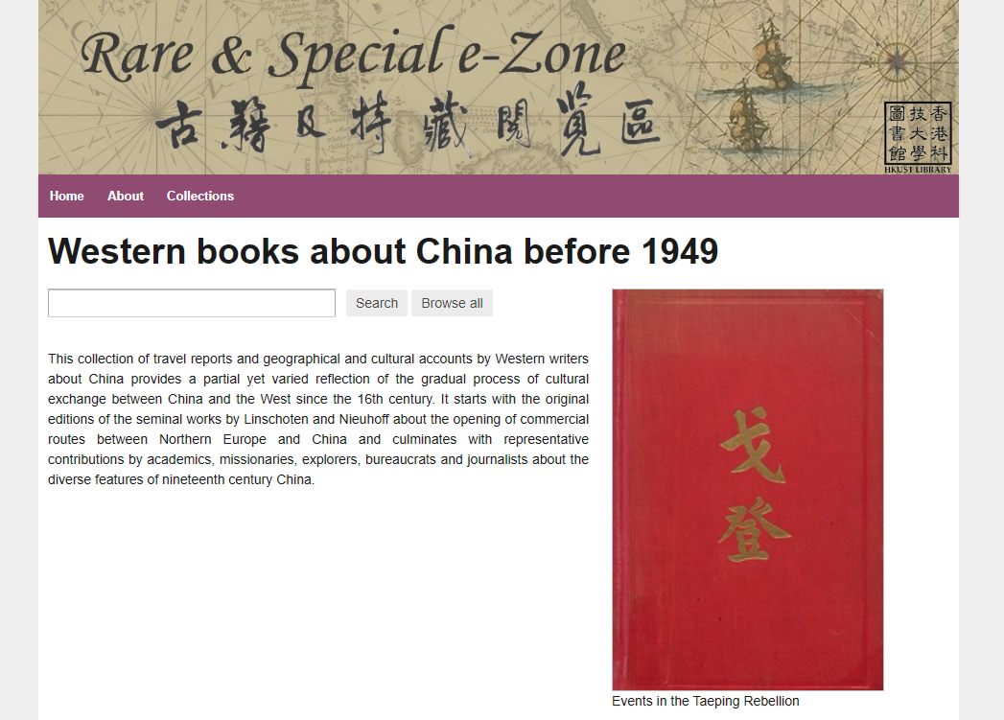
Data source | HKUST Library - Rare & Special e-Zone
Collection | Western books about China before 1949
URL | https://lbezone.hkust.edu.hk/rse/western-collection
Data | Information of "Title", "Year", "Language", "URL", Thumbnail image" Retrieval date: 19 March 2024 see sheets of this Excel file: "data"
Use for | For HUMA5630, Unit#8 "Web development in Python"
 | https://github.com/hkust-dh/streamlit-demo-20240322

