intro
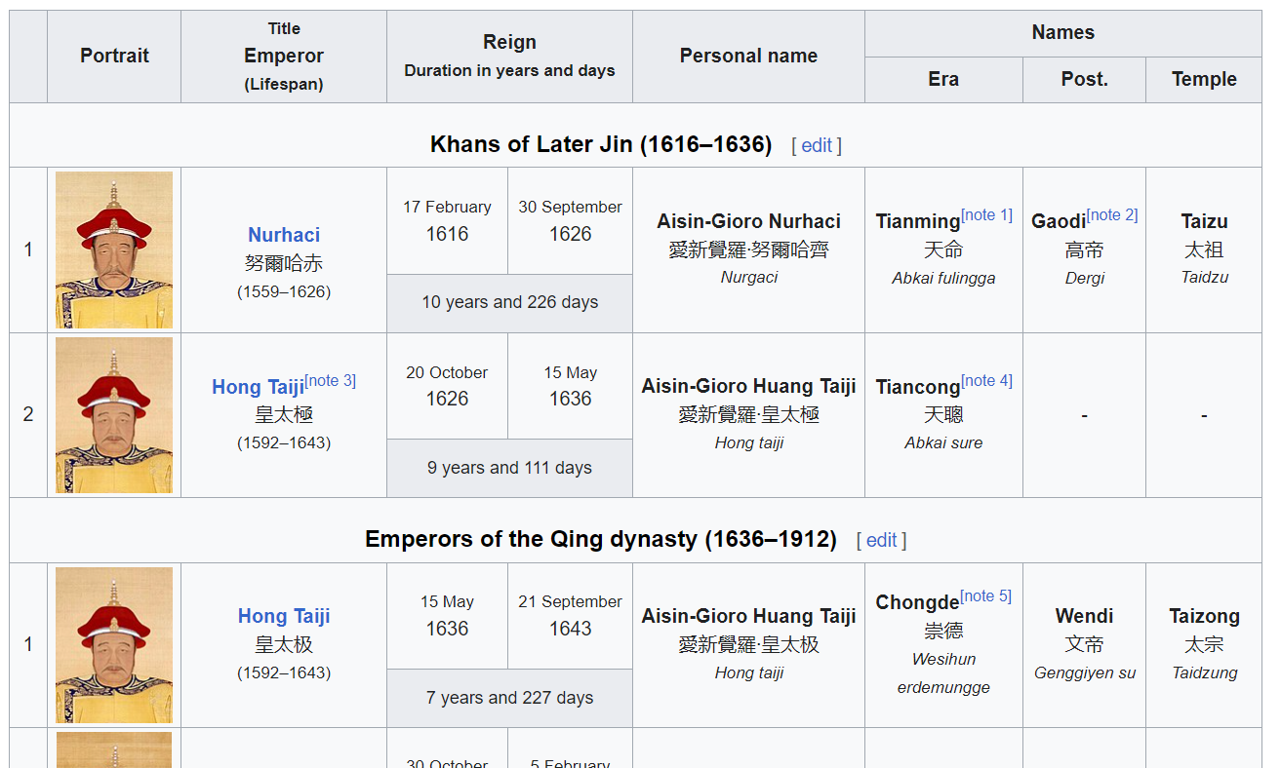

Data source Wikipedia |  | https://en.wikipedia.org/wiki/List_of_emperors_of_the_Ming_dynasty
 |  | https://en.wikipedia.org/wiki/List_of_emperors_of_the_Qing_dynasty
 |  | https://en.wikipedia.org/wiki/List_of_Chinese_leaders
 |  | https://en.wikipedia.org/wiki/List_of_presidents_of_the_Republic_of_China
 | Data | Information on the portrait image url, name, dynasty, regin Retrieval date: 14 Aug 2023 see sheets of this Excel file: "data" Cleaned data with these columns: start date of serving, end date of serving, name_chi, name_eng, dynasty_chi, dynasty_eng, public domain picture URL, image file URL
 | Disclaimer | Please be aware that the information provided in this Excel file is sourced from Wikipedia and is intended for demonstration and instructional purposes only for the Python tutorial below*. We cannot guarantee its complete accuracy or reliability. It is essential to conduct your own research and verify the information from authoritative sources before relying on it for any decisions or actions if you are using it for other purposes.
 | *Use for | For DH tutorials on Python:
 |  | https://digitalhumanities.hkust.edu.hk/tutorials/learn-python-from-zero-for-absolute-beginner-4-challenge-for-you/

