intro
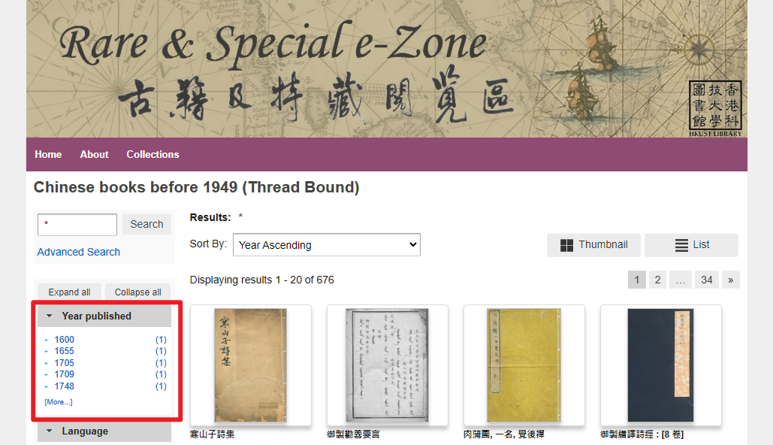
Data source | HKUST Library - Rare & Special e-Zone
Collection | Chinese books before 1949 (Thread Bound)
URL | https://lbezone.hkust.edu.hk/rse/thread-bound-books
Introduction | There are more than 2,000 volumes of thread-bound books kept in the Special Collections. They are published during the Ching Dynasty or before the People's Republic of China was founded. The contents of this collection are quite diversified with subjects on philosophy, history, art, literature, etc.
Data | "Year published" information Retrieval date: 4 Aug 2023 see sheets of this Excel file: "data", "rawdata"
Use for | For DH tutorials on Python:
 | https://digitalhumanities.hkust.edu.hk/tutorials/

