intro
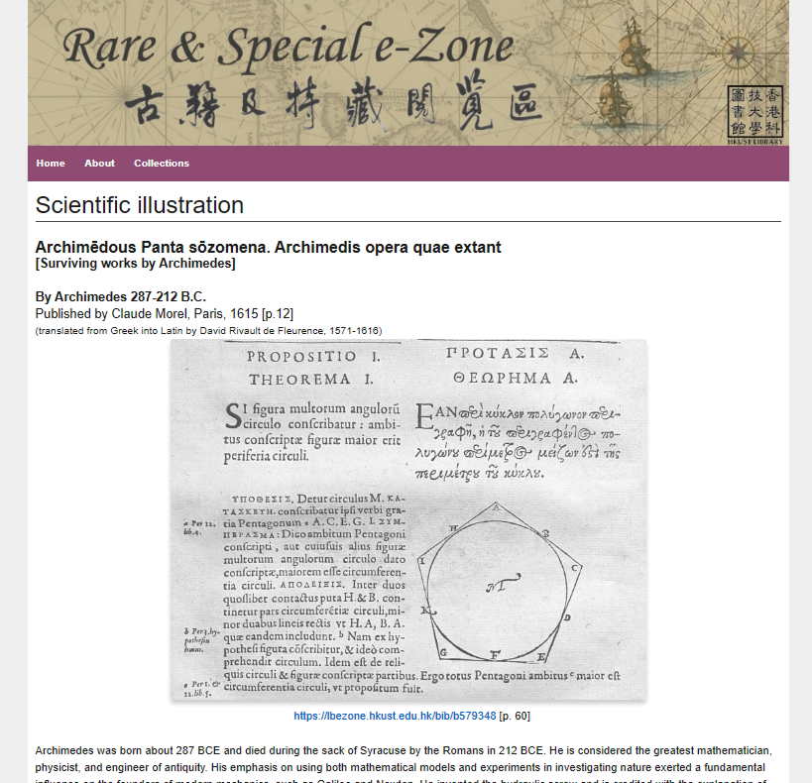
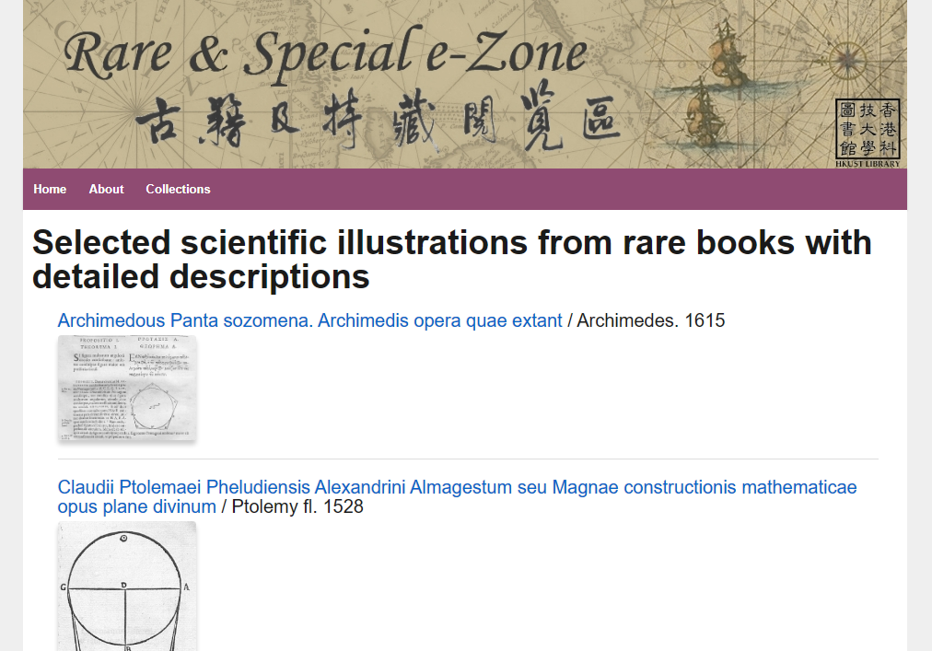
Data source | HKUST Library - Rare & Special e-Zone
Collection | Selected scientific illustrations from rare books with detailed descriptions
URL | https://lbezone.hkust.edu.hk/rse/?page_id=33952
Data | Retrieval date: 7 Nov 2023 see sheets of this Excel file: "data"
Use for | For DH tutorials:
 | https://digitalhumanities.hkust.edu.hk/tutorials/

