DMRules
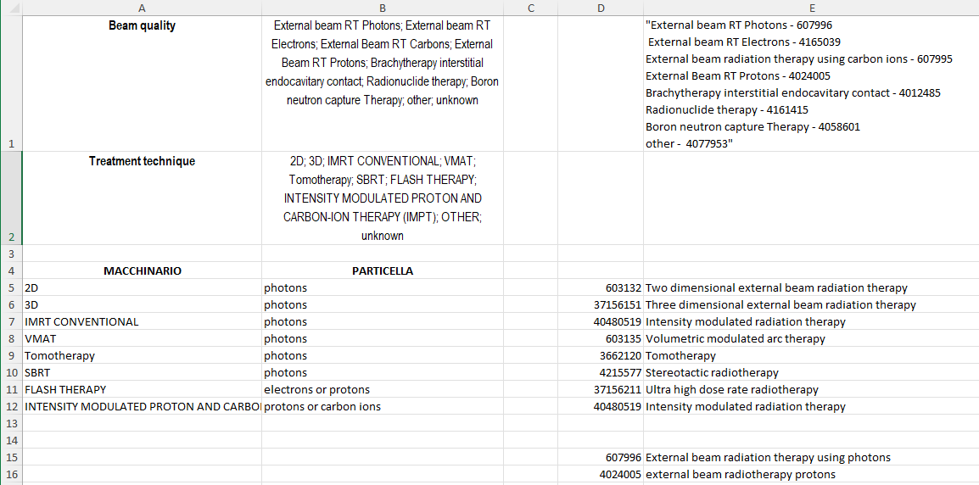
Entity | Variable/Property or def. | Dataset | Rule type | Related QC | Logic rule description | Values | Specific Rules | Additional comments
GENERAL | Diagnosis and Episode Event reference | H&N Sarc. | Clarification |  | A CancerEpisode starts with a diagnosis, understand the Diagnosis as the baseline event of the cancer. Then, all the treatments and possible entities associated with the baseline are related to the Diagnosis event. Whenever there is a change in the status of a disease, e.g. there is a remission or a progression, a new EpisodeEvent is created which represents such change in the status of the disease. An EpisodeEvent should include a DiseaseExtent. If such EpisodeEvent implies treatments, e.g. there is a surgery and RT for a progression, these treatments must be related to the progression EpisodeEvent and not the Diagnosis (baseline) entity. Thus, many entities in the Datamodel, such as treatments, are related to the Diagnosis entity or to a EpisodeEvent entity.
GENERAL | Two or more diagnosis | Sarc. | Clarification |  | A CancerEpisode will have at least one Diagnosis at its beginning, but it can also contain more than one diagnosis. This may happen when a second opinion provides an update on the diagnosis of the condition. In those cases a single CancerEpisode would have two or more diagnosis and the logic would work in the same way as presented in the previous row. Each Diagnosis is treated as a "baseline". This mostly happens in Sarcomas.
GENERAL | Two primary tumors | H&N | Clarification |  | If two primary tumors are detected two full CancerEpisodes must be created, even if they are diagnosed at the same date. This can mostly happen for H&N where a patient due to its characteristics might develop two cancers at the same time.
GENERAL | Individual and "Overall" treatment responses | H&N Sarc. | Clarification |  | There are two different treatment responses. The first is the individual treatment response related to Surgery, RT, ST, RDH or ILP. Treatment response values are all the same (progression, remission, complete remission, stable disease) except for Surgery which is measured by the margins after surgery. Additionally, there is an "Overall Treatment Response" for the full treatment plan, i.e. if you have three treatments planned and two of those have a poor treatment response but the other has a really good treatment response, the final "Overall Treatment Response" might be good although two of them were not good.
GENERAL | Treatments, Treatment responses and EpisodeEvents | H&N Sarc. | Clarification |  | Treatment responses are closely related to the Episode Events. We expect that a treatment response will generate (not necessarily always) an Episode Event. As Episode Events represent changes in the status of the disease, a treatment (if "works") might put the Cancer into remission, thus, a new Episode Event of type remission should be created after the treatment response is obtained. However, the treatment plan performed on a specific patient for a specific disease status (Episode Event) such as the baseline or a progression, must be still associated with the specific disease status it was considered for. For instance, if a baseline (Diagnosis) cancer is treated with surgery + RT, both of the treatments must be related to the Diagnosis event although if the surgery goes well it will generate a new remission Episode Event.
GENERAL | IDs | H&N Sarc. | Clarification |  | All the variables related to Hospital Identification must be done through ID pseudonyms
GENERAL | Booleans | H&N Sarc. | Clarification / OMOP mapping |  | Boolean data types in the IDEA4RC DM must be considered as true or false; although in OMOP they might be recorded with a specific code
GENERAL | Recurrence-related | H&N Sarc. | Clarification |  | Recurrence is identified as a Progression after a Complete Remission, it can be algorithmically identified
Patient | Cigarettes pack years smoked during life | H&N | Formula |  | How to compute the value | Number
Patient | Race | H&N Sarc. | OMOP mapping |  | For OMOP mapping use PERSON.race_concept_id for all values except for Hispanic/Latino, if so sue PERSON.ethnicity
Patient | Smoking Cigarettes pack years smoked during life | H&N Sarc. | H&N Sarc. |  | Don't expect a value for Cigarettes pack years smoked during life if there is no smoking related value for the patient
Patient | Height/weight (BMI) | H&N | Formula |  | How to compute the value
Patient | Charlson Comorbidity index | Sarc. | Formula |  | How to compute the value |  | Condition Weight Myocardial infarction (heart attack) 1 Congestive heart failure 1 Peripheral vascular disease 1 Cerebrovascular disease (e.g., stroke) 1 Dementia 1 Chronic pulmonary disease 1 Connective tissue disease 1 Ulcer disease 1 Mild liver disease 1 Diabetes without complications 1 Diabetes with complications 2 Hemiplegia 2 Moderate or severe renal disease 2 Any tumor (without metastasis) 2 Leukemia 2 Lymphoma 2 Moderate or severe liver disease 3 Metastatic solid tumor 6 AIDS/HIV 6 For patients older than 50 years, add 1 point for every decade over age 50 (e.g., 60-69 years adds 1 point, 70-79 adds 2 points).
Patient | Comorbidity | H&N | Clarification |  |  |  | If there is any comorbidity present, the flag is set to TRUE
Patient | Eastern Cooperative Oncology Group performance status (ECOG PS) at diagnosis | H&N | Relation to other variable |  | Relation to Karnofsky | 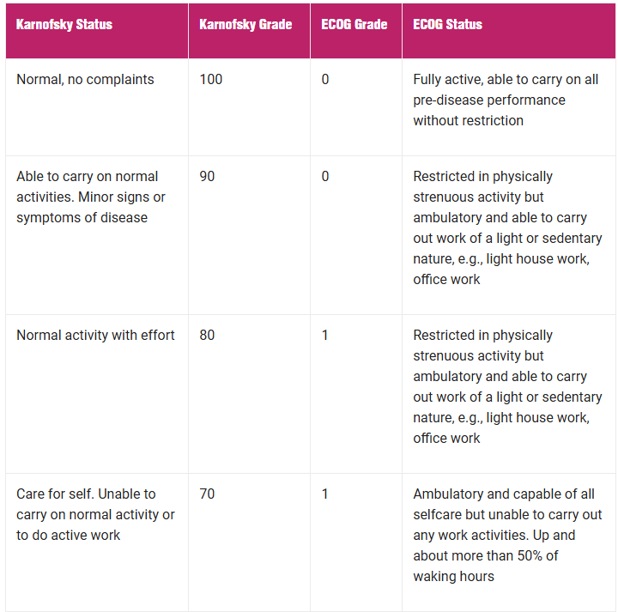 | 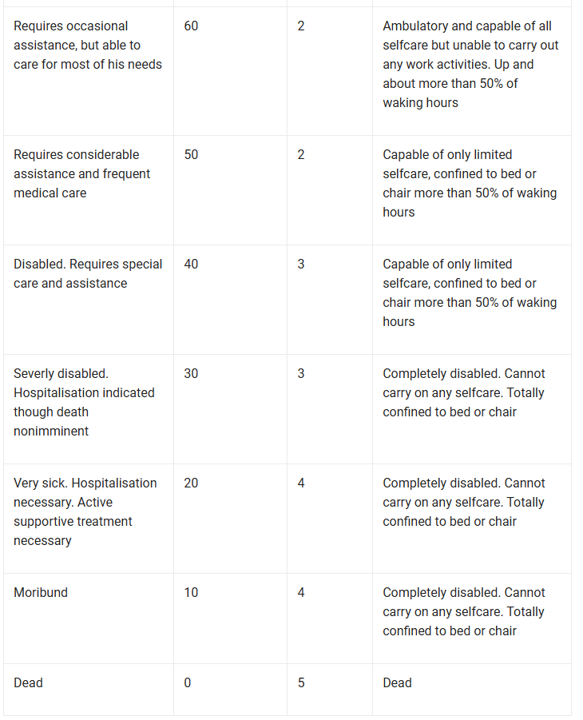
Patient | ECOG PS label | H&N | Clarification |  | This is just the label associated to the ECOG grade
Patient | Karnofsy index at diagnosis | H&N | Relation to ECOG |  | Check row 8 for conversion
Patient | Karnofsy index label | H&N | Clarification |  | This is just the label associated to the Karnofsky grade
Patient | Other Genetic syndrome | Sarc. | Wildcard |  | Here a long set of codes can be used, so use an integer or a string value without any constraints for the DB definition
Patient | Previous malignant cancer site | H&N | Clarification |  | Refers to the "Metastatic solid tumor" comorbidity
Patient | Previous cancer treatment | Sarc. | Clarification |  | Refers to the "Metastatic solid tumor" or "Solid tumor (non metastatic)"comorbidities. Pick the last one
PatientFollowUp | Status of disease at last follow-up | H&N Sarc. | Clarification |  | This data is redundant and can be derived from EpisodeEvent.DiseaseStatus
PatientFollowUp | New cancer diagnosis | H&N | OMOP mapping |  | In the IDEA4RC DB we use this as a boolean flag, in OMOP you must record a new condition occurrence, if you don't have the exact condition you can use the code for malignant neoplasm
New cancer topography | H&N |  | Clarification |  | Here a long set of codes can be used, so use an integer value without any constraints for the DB definition
CancerEpisode | Cancer start date | H&N Sarc. | Clarification |  | The cancer start date matches the diagnosis date, which is the date when the biopsy or the surgical piece was obtained
Diagnosis | Date of diagnosis (biopsy or surgical piece) | H&N Sarc. | Clarification+ |  | The only procedures accepted are biopsy and/ or surgical piece. Needle aspirations have low quality, if a biopsy has been done for the same patient please refer to the biopsy. This date starts the CancerEpisode and is also related to the PathologicalStage. Almost all the dates related to a patient should be after this date. The ClinicalStage can be related to the date of the first contact with hospital in case it's considered
Diagnosis | Site | H&N Sarc. | OMOP mapping |  | For IDEA4RC DB just follow the codes in the Vocabulary column In OMOP we try to follow the same mapping as BB. Where the sites and subsites are mapped as MEASUREMENT attached to the condition. Follow a similar approach for Histology groups and subgroups as OBSERVATION. The exact mapping for BB is also presented in one of the final sheets | We follow the same approach as in Blueberry to match the mappings: "Basically, what we do in Blueberry is to register the diagnosis in the OMOP standard way (ICDO3 built using histology+topography) and link two measurement (cancer modifiers) to this condition (one for the site and one for the subsite)." The site in OMOP is mapped as a MEASUREMENT
Diagnosis | Subsite | H&N Sarc. | OMOP mapping |  | For IDEA4RC DB just follow the codes in the Vocabulary column In OMOP we try to follow the same mapping as BB. Where the sites and subsites are mapped as MEASUREMENT attached to the condition. Follow a similar approach for Histology groups and subgroups as OBSERVATION. The exact mapping for BB is also presented in one of the final sheets | We follow the same approach as in Blueberry to match the mappings: "Basically, what we do in Blueberry is to register the diagnosis in the OMOP standard way (ICDO3 built using histology+topography) and link two measurement (cancer modifiers) to this condition (one for the site and one for the subsite)." The site in OMOP is mapped as a MEASUREMENT
Diagnosis | Histology group | H&N Sarc. | OMOP mapping |  | This is an observation associated with the condition (diagnosis code)
Diagnosis | Histology subgroup | H&N Sarc. | OMOP mapping |  | This is an observation associated with the condition (diagnosis code)
Diagnosis | Diagnosis code | H&N Sarc. | OMOP mapping |  | The diagnosis code for OMOP identifies the condition. It's defined by the OMOP Oncology Working Group and identifies the conditions by combining the ICDO3 codes in the format histology+topography. To find the specific list follow the HNC Conditions List and Sarcoma Conditions list spreadsheet.
EpisodeEvent | Disease status | H&N Sarc. | Clarification |  | The EpisodeEvent represents a change or update in the disease status. It can be a progression, recurrence, remission, complete remission or stable disease. However, some of these statuses are hard to identify and they are closely related to the treatment responses.
EpisodeEvent | Date of episode | H&N Sarc. | Clarification |  | Treatment responses are closely related to the Episode Events. We expect that a treatment response will generate (not necessarily always) an Episode Event. As Episode Events represent changes in the status of the disease, a treatment (if "works") might put the Cancer into remission, thus, a new Episode Event of type remission should be created after the treatment response is obtained. However, the treatment plan performed on a specific patient for a specific disease status (Episode Event) such as the baseline or a progression, must be still associated with the specific disease status it was considered for. For instance, if a baseline (Diagnosis) cancer is treated with surgery + RT, both of the treatments must be related to the Diagnosis event although if the surgery goes well it will generate a new remission Episode Event.
Surgery | Surgery type | H&N Sarc. | OMOP mapping |  | The Surgery type variable defines the exact ID to be used for the procedure_concept_id
Surgery | Dates and logic | H&N Sarc. | Clarification |  | You may notice that three different dates exist in the Surgery entity. These are related, to the "standard" surgery date, date of neck surgery and date of surgery on metastasis. The date of the neck surgery is the date of the neck dissection. The surgery can be tumour-targeted surgery, a neck dissection, and you can also have surgery on the metastases. If the operation involves the tumour, neck lymph nodes and metastases at the same time we will have a single date for all 3 operations and it will still be necessary to specify the date for each of the operations even if it is the same (it is the only one so we can understand that all the operations were performed at the same time). If the operations are not performed at the same time, i.e. the operation for the primary tumour is performed first and 1 month after the neck dissection, it is necessary to report the 2 dates because they differ. In summary, for each type of intervention, there is a column in which to specify the date even if it is the same. It is on the basis on the dates that we will define the event. If the neck dissection is performed after the tumour surgery this will be anyway related to the same event (if the dates are close to each other). The core idea is that a single surgery event might have been performed in several steps and thus, contain different dates.
Surgery | Surgery intention | H&N Sarc. | OMOP mapping |  | Defines the intention of the surgery, although in OMOP, it may be already implicit in the procedure definition.
Surgery | Margins after surgery | H&N Sarc. | Clarification |  | Margins after surgery might work as a treatment response for surgery, thus this value may derive a new Episode Event (date on the disease status)
Surgery | Type of surgical approach on Tumour | H&N Sarc. | Clarification |  | The combined value for this variable must only be used in the IDEA4RC DM. It happens only if more than one of the other possible values is true.
SystemicTreatment | Chemotherapy info | H&N Sarc. | Clarification / OMOP mapping |  | This information is redundant but may simplify checking many values at query time. In OMOP its not needed to be mapped.
SystemicTreatment | type of systemic treatment | H&N Sarc. | OMOP mapping |  | This variable indicates the procedure in OMOP
SystemicTreatment | Setting | H&N Sarc. | Clarification / OMOP mapping |  | This information is redundant but may simplify checking many values at query time. In OMOP its not needed to be mapped. clarifies the context / how the therapy was administered alone or in conjunction with other treatments • Neoadjuvant: treatment given as a first step to shrink a tumor before the main treatment, which is usually surgery, is given. Examples of neoadjuvant therapy include chemotherapy, radiation therapy, and hormone therapy. It is a type of induction therapy. • Adjuvant: additional cancer treatment given after the primary treatment to lower the risk that the cancer will come back. Adjuvant therapy may include chemotherapy, radiation therapy, hormone therapy, targeted therapy, or biological therapy. • Concomitant/concurrent: A treatment that is given at the same time as another (es. Chemotherapy + radiotherapy).
SystemicTreatment | Intent | H&N Sarc. | OMOP mapping |  | Defines the intention of the surgery, although in OMOP, it may be already implicit in the procedure definition.
SystemicTreatment | Regimen and drugs | H&N Sarc. | Clarification / OMOP mapping |  | The regimen and drugs of treatment are mapped in two ways. First, if there is a regimen value that matches the applied regimen the variable regimen must be filled. If the applied regimen is not present in the set of values associated with the regimen variable, leave the regimen empty. Second, each individual drug must be recorded in the DrugsForTreatments entity/table, regardless if the regimen is present or not. If there are three drugs included in the treatment, then the DrugsForTreatments table will contain three entries related to the treatment and each of the drugs.
SystemicTreatment | Treatment response (based on imaging alone; no recist or other criteria) | H&N Sarc. | Clarification | Can we check where does it come from? | Treatment responses are closely related to the Episode Events. We expect that a treatment response will generate (not necessarily always) an Episode Event. As Episode Events represent changes in the status of the disease, a treatment (if "works") might put the Cancer into remission, thus, a new Episode Event of type remission should be created after the treatment response is obtained. However, the treatment plan performed on a specific patient for a specific disease status (Episode Event) such as the baseline or a progression, must be still associated with the specific disease status it was considered for. For instance, if a baseline (Diagnosis) cancer is treated with surgery + RT, both of the treatments must be related to the Diagnosis event although if the surgery goes well it will generate a new remission Episode Event.
Radiotherapy | Setting | H&N Sarc. | Clarification / OMOP mapping |  | This information is redundant but may simplify checking many values at query time. In OMOP its not needed to be mapped. - Preoperative: Refers to radiotherapy given before surgery. - Preoperative Concomitant to Systemic Treatment: Radiotherapy administered before surgery, alongside systemic treatments (like chemotherapy). - Postoperative: Radiotherapy given after surgery. - Postoperative Concomitant to Systemic Treatment: Radiotherapy given after surgery along with systemic treatments. - Definitive: Radiotherapy used as the primary treatment without planned surgery. - Definitive Concomitant to Systemic Treatment: Radiotherapy used as the main treatment alongside systemic therapy with curative intent.
Radiotherapy | Intent | H&N Sarc. | Clarification / OMOP mapping |  | Defines the intention of the surgery, although in OMOP, it may be already implicit in the procedure definition.
Radiotherapy | Beam quality | H&N Sarc. | Clarification |  | They work together. Chheck the image in the right side for further explanation about beams and techniques. The codes for TREATMENT TECHNIQUE will be CUSTOM to allow using them in the MEASUREMENT table in OMOP. In OMOP we found no way to combine both variables as the codes from both variables are procedures. Probably there is.
Radiotherapy | Treatment technique | H&N Sarc. | Clarification
Radiotherapy | Reirradiation (local or regional) | H&N Sarc. | OMOP mapping |  | In OMOP its not needed to be mapped. Can be obtained from procedure + site.
Radiotherapy | Field of Re-irradiation | H&N Sarc. | OMOP mapping
Radiotherapy | Regional deep hyperthemia | H&N Sarc. | Clarification |  | This variable is redundant as the RegionalDeepHyperthemia entity also exists, however, it might simplify getting the information for query time as RT is queried in combination with RDH.
Radiotherapy | Treatment response | H&N Sarc. | Clarification |  | Treatment responses are closely related to the Episode Events. We expect that a treatment response will generate (not necessarily always) an Episode Event. As Episode Events represent changes in the status of the disease, a treatment (if "works") might put the Cancer into remission, thus, a new Episode Event of type remission should be created after the treatment response is obtained. However, the treatment plan performed on a specific patient for a specific disease status (Episode Event) such as the baseline or a progression, must be still associated with the specific disease status it was considered for. For instance, if a baseline (Diagnosis) cancer is treated with surgery + RT, both of the treatments must be related to the Diagnosis event although if the surgery goes well it will generate a new remission Episode Event.
RegionalDeepHyperthemia | Drugs | H&N Sarc. | Clarification |  | Each individual drug must be recorded in the DrugsForTreatments entity/table, regardless if the regimen is present or not. If there are three drugs included in the treatment, then the DrugsForTreatments table will contain three entries related to the treatment and each of the drugs.
RegionalDeepHyperthemia | Combination with other treatments | H&N Sarc. | Clarification |  | RegionalDeepHyperthemia might happen in combination with other treatments, in those cases their dates must be the same.
RegionalDeepHyperthemia | Treatment response | H&N Sarc. | Clarification |  | Treatment responses are closely related to the Episode Events. We expect that a treatment response will generate (not necessarily always) an Episode Event. As Episode Events represent changes in the status of the disease, a treatment (if "works") might put the Cancer into remission, thus, a new Episode Event of type remission should be created after the treatment response is obtained. However, the treatment plan performed on a specific patient for a specific disease status (Episode Event) such as the baseline or a progression, must be still associated with the specific disease status it was considered for. For instance, if a baseline (Diagnosis) cancer is treated with surgery + RT, both of the treatments must be related to the Diagnosis event although if the surgery goes well it will generate a new remission Episode Event.
IsolatedLimbPerfusion | Drugs | H&N Sarc. | Clarification |  | Each individual drug must be recorded in the DrugsForTreatments entity/table, regardless if the regimen is present or not. If there are three drugs included in the treatment, then the DrugsForTreatments table will contain three entries related to the treatment and each of the drugs.
IsolatedLimbPerfusion | Combination with other treatments | H&N Sarc. | Clarification |  | Isolated Limb Perfusion might happen in combination with other treatments, in those cases their dates must be the same.
IsolatedLimbPerfusion | Treatment response | H&N Sarc. | Clarification |  | Treatment responses are closely related to the Episode Events. We expect that a treatment response will generate (not necessarily always) an Episode Event. As Episode Events represent changes in the status of the disease, a treatment (if "works") might put the Cancer into remission, thus, a new Episode Event of type remission should be created after the treatment response is obtained. However, the treatment plan performed on a specific patient for a specific disease status (Episode Event) such as the baseline or a progression, must be still associated with the specific disease status it was considered for. For instance, if a baseline (Diagnosis) cancer is treated with surgery + RT, both of the treatments must be related to the Diagnosis event although if the surgery goes well it will generate a new remission Episode Event.
DrugsForTreatments | How it works | H&N Sarc. | Clarification |  | The regimen and drugs of treatment are mapped in two ways. First, if there is a regimen value that matches the applied regimen the variable regimen must be filled. If the applied regimen is not present in the set of values associated with the regimen variable, leave the regimen empty. Second, each individual drug must be recorded in the DrugsForTreatments entity/table, regardless if the regimen is present or not. If there are three drugs included in the treatment, then the DrugsForTreatments table will contain three entries related to the treatment and each of the drugs.
OverallTreatmentResponse | How it works | H&N Sarc. | Clarification |  | There are two different treatment responses. The first is the individual treatment response related to Surgery, RT, ST, RDH or ILP. Treatment response values are all the same (progression, remission, complete remission, stable disease) except for Surgery which is measured by the margins after surgery. Additionally, there is an "Overall Treatment Response" for the full treatment plan, i.e. if you have three treatments planned and two of those have a poor treatment response but the other has a really good treatment response, the final "Overall Treatment Response" might be good although two of them were not good.
AdverseEvent | How it works | H&N Sarc. | Clarification |  | Adverse events are related to treatments of any type

EntityDiagram
