OP2

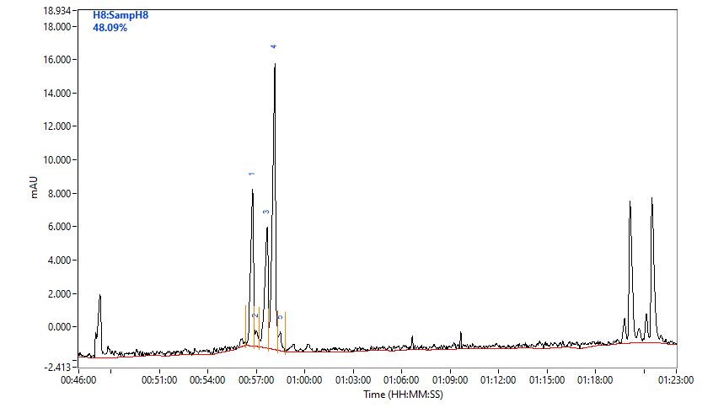
 |  |  |  |  |  |  |  |  |  |  |  |  | Lane | %N-1 | %N | %N+1
 |  |  |  |  |  |  |  |  |  |  |  |  | A1 | 4.18 | 72.05 | 18.66
 |  |  |  |  |  |  |  |  |  |  |  |  | B1 | 2020-02-09 | 81.12 | 6.41
 |  |  |  |  |  |  |  |  |  |  |  |  | C1 | 2020-05-14 | 69.71 | 4.78
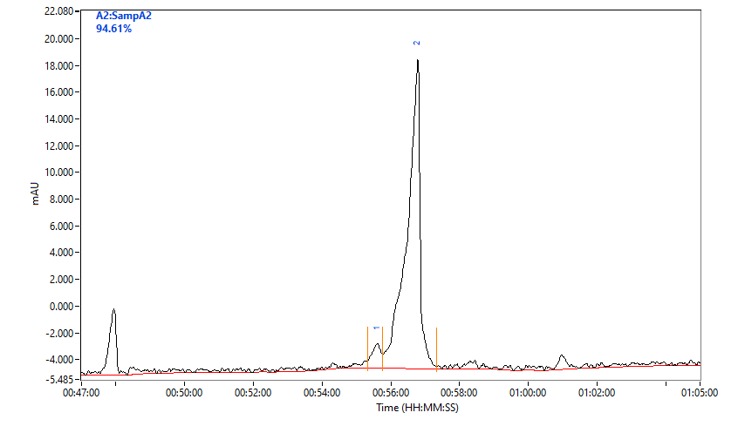
 |  |  |  |  |  |  |  |  |  |  |  |  | D1
 |  |  |  |  |  |  |  |  |  |  |  |  | E1 | 11.61 | 81 | 3.17
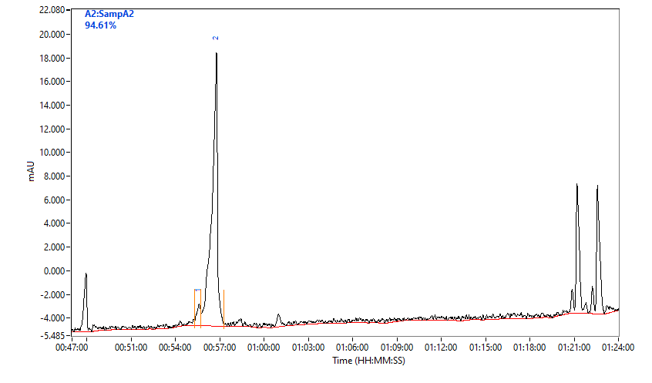
 |  |  |  |  |  |  |  |  |  |  |  |  | F1 | 2020-03-11 | 84.96 | 1.78
 |  |  |  |  |  |  |  |  |  |  |  |  | G1 | 8.77 | 84.87 | 4.22
 |  |  |  |  |  |  |  |  |  |  |  |  | H1 | 23.62 | 69.01 | 2020-01-05
 |  |  |  |  |  |  |  |  |  |  |  |  | A2 | 5.39 | 94.61
 |  |  |  |  |  |  |  |  |  |  |  |  | B2 | 2020-05-08 | 82.32 | 5.33
 |  |  |  |  |  |  |  |  |  |  |  |  | C2 | 2.24 | 87.93 | 2.56
 |  |  |  |  |  |  |  |  |  |  |  |  | D2 | 3.59 | 78.88 | 3.31
 |  |  |  |  |  |  |  |  |  |  |  |  | E2 | 6 | 89.07 | 2020-05-03
 |  |  |  |  |  |  |  |  |  |  |  |  | F2 | 8.37 | 86.01 | 2.87
 |  |  |  |  |  |  |  |  |  |  |  |  | G2 | 5.15 | 92.18 | 2.67
 |  |  |  |  |  |  |  |  |  |  |  |  | H2 | 19.51 | 22.92 | 1.44
 |  |  |  |  |  |  |  |  |  |  |  |  | A3 | 10.47 | 80.72 | 2020-06-06
 |  |  |  |  |  |  |  |  |  |  |  |  | B3 | 9.45 | 82.4 | 4.37
 |  |  |  |  |  |  |  |  |  |  |  |  | C3 | 2020-04-06 | 92.22 | 1.75
 |  |  |  |  |  |  |  |  |  |  |  |  | D3 | 3.23 | 90.97 | 2.62
 |  |  |  |  |  |  |  |  |  |  |  |  | E3 | 9.65 | 84.38 | 3.44
 |  |  |  |  |  |  |  |  |  |  |  |  | F3 | 5.81 | 88.24 | 3.44
Purity | 1 | 2 | 3 | 4 | 5 | 6 | 7 | 8 | 9 | 10 | 11 | 12 | G3 | 6.51 | 90.96 | 2.53
A | 72.05 | 94.61 | 80.72 | 71.99 | 67.77 | 73.55 | 78.27 | 71.23 | 77.22 | 90.45 | 72.07 | 70.55 | H3 | 5.26 | 72.93 | 3.91
B | 81.12 | 82.32 | 82.4 | 84.83 | 84.06 | 76.94 | 85.76 | 84.88 | 85.78 | 76.56 | 82.12 | 78.54 | A4 | 7.78 | 71.99 | 18.26
C | 69.71 | 87.93 | 92.22 | 89.12 | 87.08 | 82.46 | 78.19 | 83.65 | 40.58 | 78.03 | 68.48 | 65.49 | B4 | 2020-11-09 | 84.83 | 1.86
D |  | 78.88 | 90.97 | 83.66 | 83.94 | 70.83 | 76.51 | 79.98 | 84.69 | 86.57 | 72.46 | 72.92 | C4 | 2.76 | 89.12 | 2.59
E | 81 | 89.07 | 84.38 | 87.64 | 91.28 | 85.49 | 2020-01-18 | 88.44 | 86.45 | 74.64 | 71.99 | 71.48 | D4 | 8.65 | 83.66 | 4.75
F | 84.96 | 86.01 | 88.24 | 71.68 | 76.04 | 67.03 | 85.24 | 78.45 | 88.73 | 2020-03-19 | 76.79 | 73.91 | E4 | 5.96 | 87.64 | 2020-07-04
G | 84.87 | 92.18 | 90.96 | 34.87 | 88.75 | 75.81 | 75.92 | 89.54 | 81.93 | 83.19 | 78.38 | 79.29 | F4 | 16.27 | 71.68 | 4.43
H | 69.01 | 22.92 | 72.93 | 17.26 | 21.25 |  | 22.15 |  |  |  |  |  | G4 | 19.43 | 34.87 | 2.39
 |  |  |  |  |  |  |  |  |  |  |  |  | H4 | 1.36 | 17.26
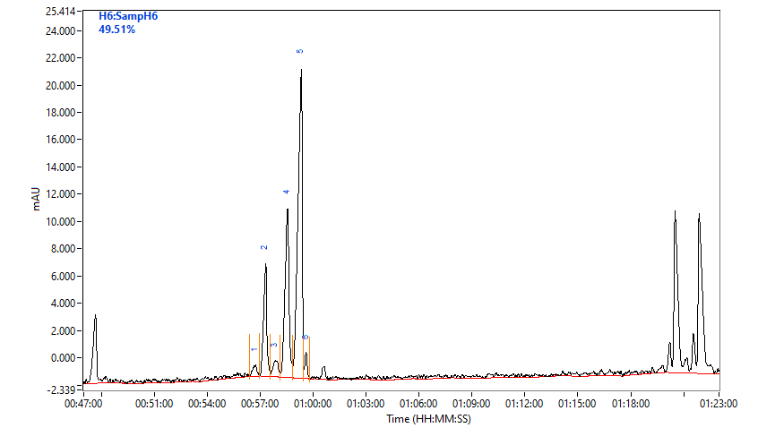
 |  |  |  |  |  |  |  |  |  |  |  |  | A5 | 5.64 | 67.77 | 22.41
 |  |  |  |  |  |  |  |  | 18.01 |  |  |  | B5 | 2020-01-11 | 84.06 | 2
 |  |  |  |  |  |  | % Purity |  |  |  |  |  | C5 | 6.26 | 87.08 | 2020-09-04
 |  |  |  |  |  | 1 | 1.88 |  |  |  |  |  | D5 | 5.34 | 83.94 | 3.89
 |  |  |  |  |  | 2 | 2020-06-15 |  |  |  |  |  | E5 | 5.84 | 91.28 | 2.88
 |  |  |  |  |  | 3 | 3.38 |  |  |  |  |  | F5 | 2020-12-15 | 76.04 | 2020-06-05
 |  |  |  |  |  | 4 | 27.70 |  |  |  |  |  | G5 | 6.95 | 88.75 | 4.29
 |  |  |  |  |  | 5 | 49.51 |  |  |  |  |  | H5 |  | 21.25
 |  |  |  |  |  | 6 | 2.47 |  |  |  |  |  | A6 | 6.56 | 73.55 | 16.58
 |  |  |  |  |  |  |  |  |  |  |  |  | B6 | 13.96 | 76.94 | 2020-05-05
 |  |  |  |  |  |  |  |  |  |  |  |  | C6 | 8.13 | 82.46 | 2020-09-04
 |  |  |  |  |  |  |  |  |  |  |  |  | D6 | 18.72 | 70.83 | 3.19
 |  |  |  |  |  |  |  |  |  |  |  |  | E6 | 7 | 85.49 | 3.53
 |  |  |  |  |  |  |  |  |  |  |  |  | F6 | 22.31 | 67.03 | 4.96
 |  |  |  |  |  |  |  |  |  |  |  |  | G6 | 17.91 | 75.81 | 2.48
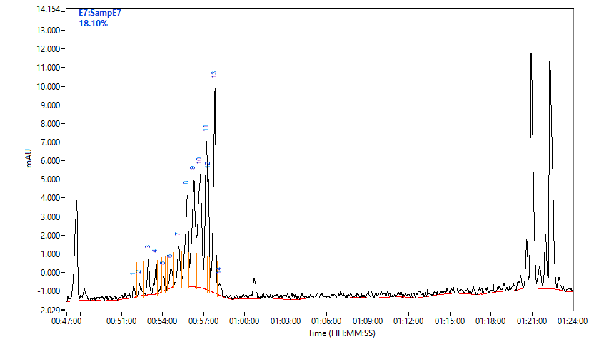
 |  |  |  |  |  |  |  |  |  |  |  |  | H6
 |  |  |  |  |  |  |  |  |  |  |  |  | A7 | 13.37 | 78.27 | 2020-06-04
 |  |  |  |  |  |  |  |  |  |  |  |  | B7 | 2020-12-09 | 85.76 | 3.91
 |  |  |  |  |  |  |  |  |  |  |  |  | C7 | 7.76 | 78.19 | 5
 |  |  |  |  |  |  |  |  |  |  |  |  | D7 | 2020-03-14 | 76.51 | 2.83
 |  |  |  |  |  |  |  |  |  |  |  |  | E7 | 2020-12-06 | 2020-01-18 | 1.46
 |  |  |  |  |  |  |  |  |  |  |  |  | F7 | 1.65 | 85.24 | 2020-06-05
 |  |  |  |  |  |  | % Purity |  |  |  |  |  | G7 | 15.99 | 75.92 | 2.67
 |  |  |  |  |  | 1 | 2020-03-24 |  |  |  |  |  | H7 |  | 22.15
 |  |  |  |  |  | 2 | 2.57 |  |  |  |  |  | A8 | 6.76 | 71.23 | 2020-12-19
 |  |  |  |  |  | 3 | 22.50 |  |  |  |  |  | B8 | 9.62 | 84.88 | 2020-08-03
 |  |  |  |  |  | 4 | 48.09 |  |  |  |  |  | C8 | 7.61 | 83.65 | 4.18
 |  |  |  |  |  | 5 | 2.81 |  |  |  |  |  | D8 | 3.57 | 79.98 | 2020-06-02
 |  |  |  |  |  |  |  |  |  |  |  |  | E8 | 5.72 | 88.44 | 4.14
 |  |  |  |  |  |  |  |  |  |  |  |  | F8 | 14.56 | 78.45 | 2020-01-03
 |  |  |  |  |  |  |  |  |  |  |  |  | G8 | 2020-04-05 | 89.54 | 2.33
 |  |  |  |  |  |  |  |  |  |  |  |  | H8
 |  |  |  |  |  |  |  |  |  |  |  |  | A9 | 2020-04-14 | 77.22 | 4.63
 |  |  |  |  |  |  |  |  |  |  |  |  | B9 | 8.21 | 85.78 | 3.17
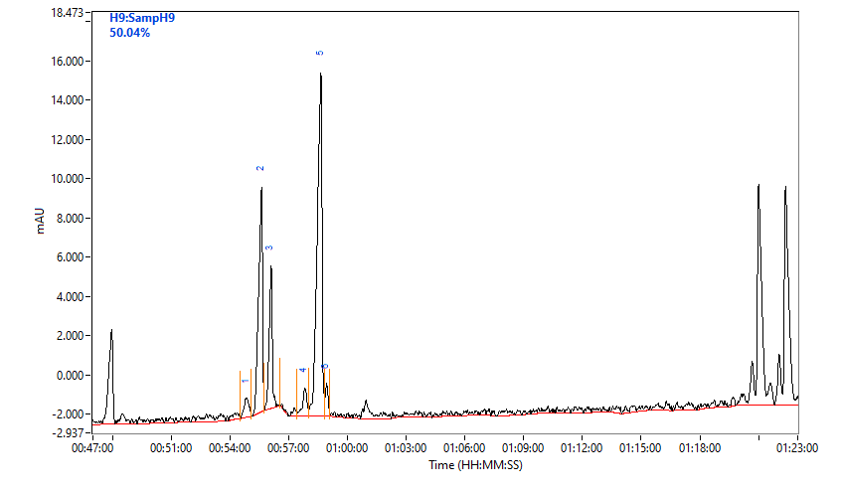
 |  |  |  |  |  |  |  |  |  |  |  |  | C9 | 20.52 | 40.58 | 3.89
 |  |  |  |  |  |  |  |  |  |  |  |  | D9 | 9.53 | 84.69 | 1.71
 |  |  |  |  |  |  |  |  |  |  |  |  | E9 | 2020-05-04 | 86.45 | 7.62
 |  |  |  |  |  |  | % Purity |  |  |  |  |  | F9 | 6.88 | 88.73 | 2020-06-03
 |  |  |  |  |  | 1 | 2020-01-03 |  |  |  |  |  | G9 | 7.26 | 81.93 | 2020-04-06
 |  |  |  |  |  | 2 | 26.87 |  |  |  |  |  | H9
 |  |  |  |  |  | 3 | 13.82 |  |  |  |  |  | A10 | 3.69 | 90.45 | 3.99
 |  |  |  |  |  | 4 | 3.59 |  |  |  |  |  | B10 | 3.61 | 76.56 | 3
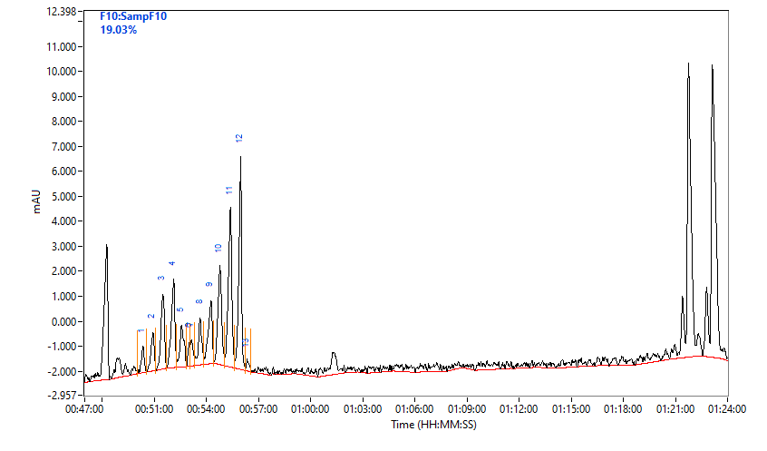
 |  |  |  |  |  | 5 | 50.04 |  |  |  |  |  | C10 | 6.62 | 78.03 | 3.87
 |  |  |  |  |  | 6 | 2.66 |  |  |  |  |  | D10 | 7.96 | 86.57 | 2.99
 |  |  |  |  |  |  |  |  |  |  |  |  | E10 | 16.88 | 74.64 | 3.14
 |  |  |  |  |  |  |  |  |  |  |  |  | F10 | 17.43 | 2020-03-19 | 2020-04-01
 |  |  |  |  |  |  |  |  |  |  |  |  | G10 | 6.79 | 83.19 | 2020-04-06
 |  |  |  |  |  |  |  |  |  |  |  |  | H10
 |  |  |  |  |  |  |  |  |  |  |  |  | A11 | 6.28 | 72.07 | 4.73
 |  |  |  |  |  |  |  |  |  |  |  |  | B11 | 2020-12-09 | 82.12 | 5.47
 |  |  |  |  |  |  |  |  |  |  |  |  | C11 | 21.38 | 68.48 | 5.47
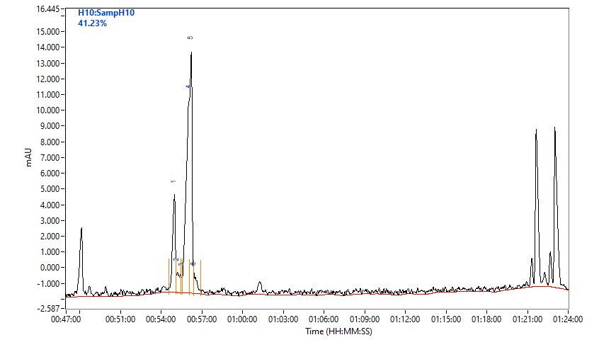
 |  |  |  |  |  |  |  |  |  |  |  |  | D11 | 18.83 | 72.46 | 2.58
 |  |  |  |  |  |  |  |  |  |  |  |  | E11 | 7.78 | 71.99 | 18.26
 |  |  |  |  |  |  |  |  |  |  |  |  | F11 | 16.64 | 76.79 | 2.48
 |  |  |  |  |  |  |  |  |  |  |  |  | G11 | 12.52 | 78.38 | 3.24
 |  |  |  |  |  |  |  |  |  |  |  |  | H11
 |  |  |  |  |  |  | % Purity |  |  |  |  |  | A12 | 6.53 | 70.55 | 3.43
 |  |  |  |  |  | 1 | 16.93 |  |  |  |  |  | B12 | 8.32 | 78.54 | 4.47
 |  |  |  |  |  | 2 | 4.30 |  |  |  |  |  | C12 | 22.51 | 65.49 | 3.35
 |  |  |  |  |  | 3 | 1.26 |  |  |  |  |  | D12 | 19.13 | 72.92 | 2.55
 |  |  |  |  |  | 4 | 41.23 |  |  |  |  |  | E12 | 2020-08-20 | 71.48 | 2.72
 |  |  |  |  |  | 5 | 33.24 |  |  |  |  |  | F12 | 18.88 | 73.91 | 2.44
 |  |  |  |  |  | 6 | 2020-04-03 |  |  |  |  |  | G12 | 2020-07-10 | 79.29 | 3.21
 |  |  |  |  |  |  |  |  |  |  |  |  | H12

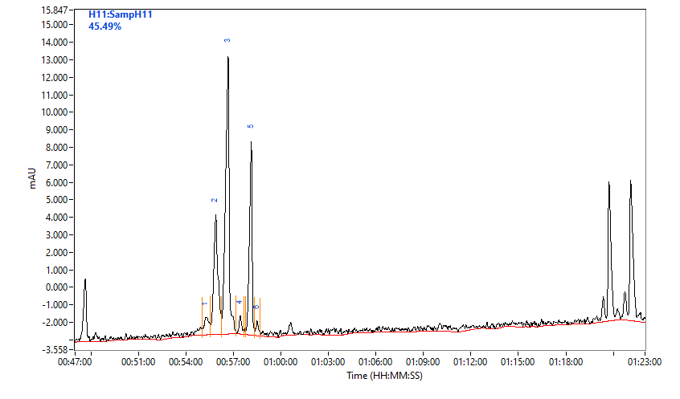

 |  |  |  |  |  |  | % Purity
 |  |  |  |  |  | 1 | 4.25
 |  |  |  |  |  | 2 | 23.59
 |  |  |  |  |  | 3 | 45.49
 |  |  |  |  |  | 4 | 2.27
 |  |  |  |  |  | 5 | 22.47
 |  |  |  |  |  | 6 | 1.92

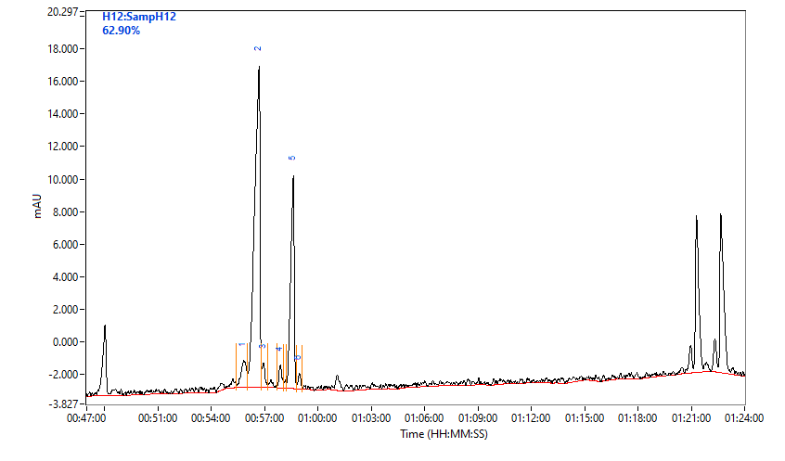

 |  |  |  |  |  |  | % Purity
 |  |  |  |  |  | 1 | 5.46
 |  |  |  |  |  | 2 | 62.90
 |  |  |  |  |  | 3 | 2.40
 |  |  |  |  |  | 4 | 2.52
 |  |  |  |  |  | 5 | 25.36
 |  |  |  |  |  | 6 | 1.37

