Procedure
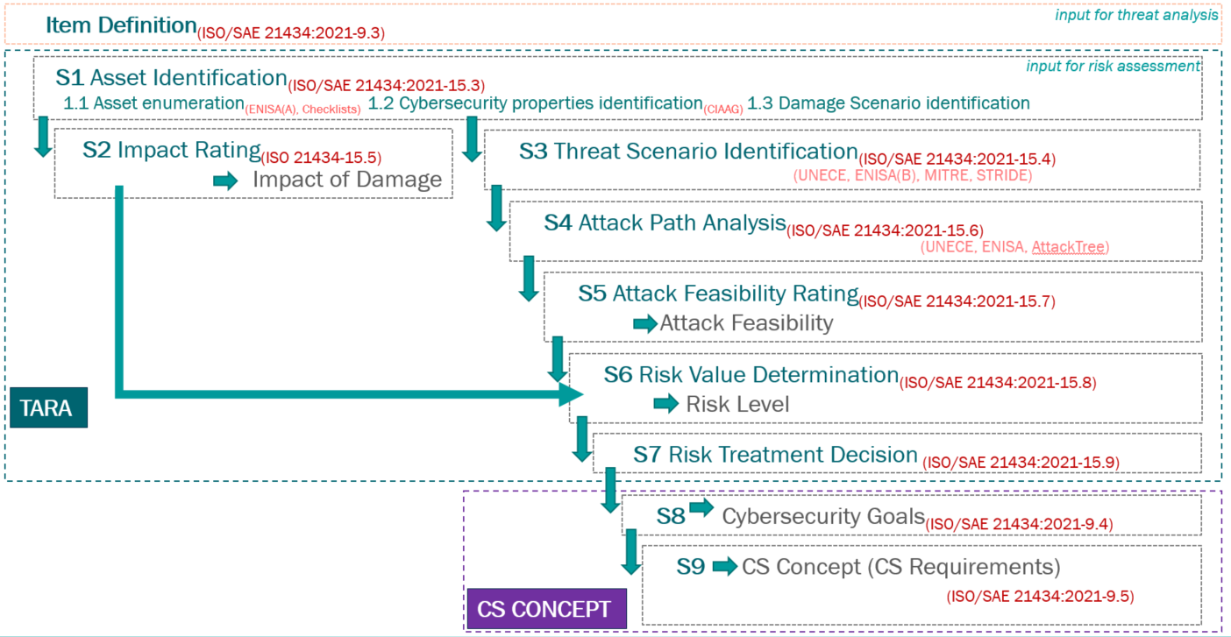
Template x.y
Template x.y
 | TARA Procedure
Project Number: | M441001 | Project Name: | BMW BIM XNF 02 | Sample: | A Sample

How To Do
Template x.y
Template x.y
 | TARA Guidelines
Project Number: | M441001 | Project Name: | BMW BIM XNF 02 | Sample: | A Sample

Preparation steps: Ensure the availability of the following as inputs:- a. Item boundary b. Functional overview c. Preliminary architecture Sheet Item Definition shall be filled in before the start of the analysis Document assumptions and other compliance requirements (if any). Analysis steps: Step 1 (sheet: S1-Asset_Identification): Identify and list all assets along with their damage scenarios. Step 2 (sheet: S2-Impact_Rating): Determine the impact rating of the damage scenarios. Step 3 (sheet S3-Threat_Scenario_Ident): Identify and list the threat scenarios that could lead to the damage scenario under consideration. Step 4 (sheet S4-5-Attack_Path_Feasibility): List attack paths for each threat scenario. Alternatively, list attack path IDs from Attack tree analysis (if available) along with the related attack feasibility rating. Step 5 (sheet S4-5-Attack_Path_Feasibility): Determine attack feasibility (attack potential and atteck vector approaches) Step 6 (sheet S6-7-Risk_assessment(TARA)): Determine the risk value for each threat scenario. (Automated calculation of Impact Rating x AttackPath Feasibility) Step 7 (sheet S6-7-Risk_assessment(TARA)): Asses identified risks - risk treatment decisions and rationale (claims). Determine the Cybersecurity Assurance Level (CAL) for each security goal based on the risk value. Perform risk re-evaluation if necessary considering decision and security measures. No reduction without a planned security measure. Step 8 (sheet S8-Cybersecurity_Goals): Derive security goal for each risk that needs to be reduced. Step 9 (sheet S9-CS_Concept(CSR_Gap-Analysis)): Specify cybersecurity requirements and their allocation. Define Cybersecurity controls to comply with the allocated cybersecurity requirements. Evaluation(gap analysis) until what extend each cybersecurity goal is fulfilled. Re-evaluation steps: Re-evaluate the risk assessment under following circumstances:-

Base practices with examples from existing projects are available in worksheet (Practices_Examples) ----> |  |  |  | click to go to worksheet

Item Definition
Template x.y
Template x.y
Template x.y
Template x.y
 |  | Item Definition
Project Number: |  | M441001 | Project Name: | BMW BIM XNF 02 | Sample: | A Sample

Item Overview
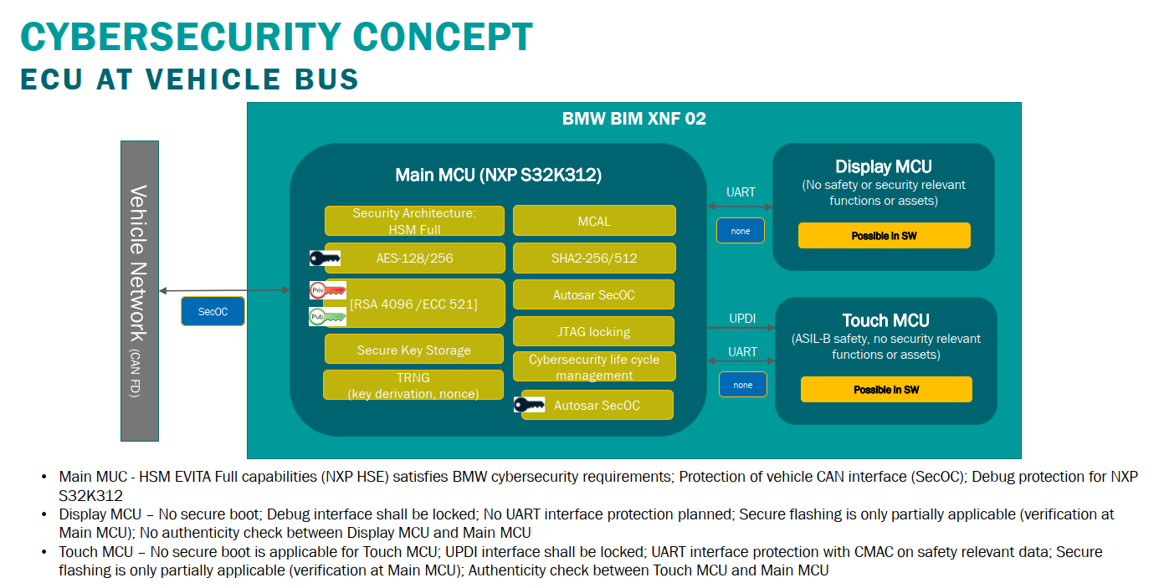

 | 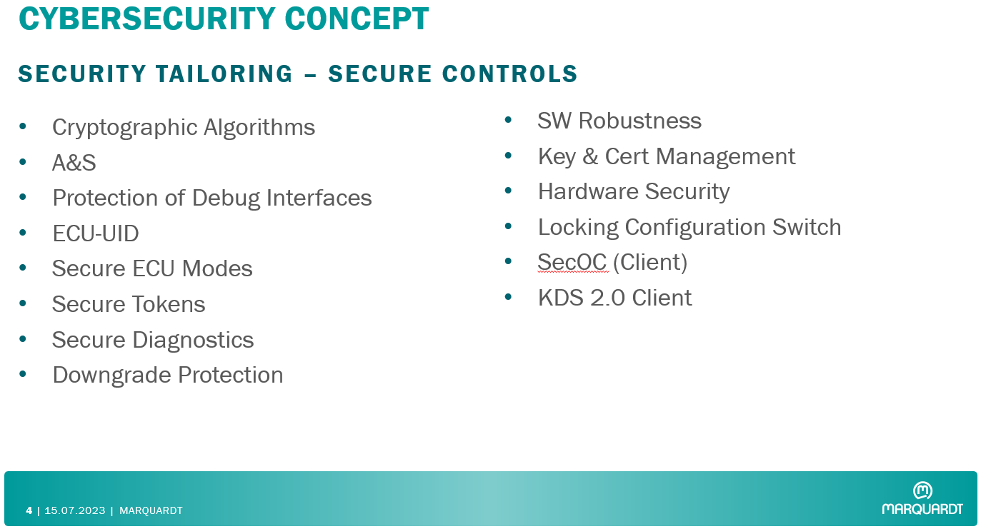

Item Description
The ECU_BIM is used in conjunction with the partner control units to operate, select, and configure essential driving and comfort functions.

Item Components List
ID | Component | Scope | Function | Description | Technology | is part of
C.1 | BIM Main MCU | MQ_related | MCU_NXP-S32K312 | MCU: control of all BIM system functions, communication with vehicle CAN, communication with Hall sensors | Single Core MCU with dedicated Security Engine | ECU_BIM
C.2 | BIM Touch MCU | MQ related | MCU_Touch_Microchip Attiny/AVRDA | Touch Microcontroller | Single Core MCU for Touch | ECU_BIM
C.3 | BIM Dsiplay MCU | MQ related | MCU_Display_Melexis | Display Microcontroller | Single Core MCU for Display | ECU_BIM
C.4 | BIM CAN TRANSCIEVER | MQ related | IC_TI-TCAN114x-Q1 | CAN FD transciever for communication between BIM and other ECUs on vehicle CAN with wake-up capability | CAN transciver | ECU_BIM
C.5 | BIM DCDC Converter | MQ related | IC_TI-SDC_MPQ4320 | Power Supply Integrated Circuit for DFAL | Power Supply Regulator | ECU_BIM
C.6 | BIM Hall Sensor 1 | MQ related | IC_Infineon-TLE493D-W2B6 | 3D Hall sensor for detection of Lever position | Magnetic 3D Hall sensor | ECU_BIM
C.7 | BIM Hall Sensor 2 | MQ related | IC_Infineon-TLE493D-W2B6 | 3D Hall sensor for detection of Lever position | Magnetic 3D Hall sensor | ECU_BIM
C.8 | BIM Light Barrier | MQ related | IC_Vishay-TCUT1300X01 | Light Barrier - for Audio wheel | Dual Channel Optical Sensor | ECU_BIM
C.9 | BIM LDO | MQ related | IC_TI-TLV713P-Q1 | Voltage Regulator for Hall Sensor Supply | Low-Drop Voltage regulator %V -> 3.3V | ECU_BIM

Item Interfaces List
ID | Interface | Description |  |  | Technology | is part of
I.1 | Vehicle CAN | Interface between BIM ECU and Vehicle CAN |  |  | CAN | ECU_BIM, Vehcile
I.2 | Private UART Touch | Interface between BIM Main MCU and BIM Touch MCU |  |  | UART | ECU_BIM
I.3 | Private UART Display | Interface between BIM Main MCU and BIM Display MCU - MeLiBu |  |  | UART | ECU_BIM
I.4 | Main MCU Debug | Interface between BIM Main MCU and programming/debugging device |  |  | DEBUG (JTAG) | ECU_BIM
I.5 | Touch MCU Debug | Interface between BIM Touch MCU and programming/debugging device, Flashing interface between BIM Main MCU and BIM Touch MCU |  |  | DEBUG (UPDI) | ECU_BIM
I.6 | Display MCU Debug | Interface between BIM Display MCU and programming/debugging device |  |  | DEBUG (JTAG) | ECU_BIM
I.7 | IC PINs | PINs for Main MCU, Touch MCU, Diplay MCU, Ics |  |  | GPIO Interface | ECU_BIM
I.8 | Network (outside ECU) | Network Interface backend server - local tools/PC |  |  | Network Interface | IT Infrastructure

ECU_BIM

Item Boundary
The ECU_BIM system is constituted out of: 8 main components: MCU_NXP-S32K312(C.1); MCU_Touch_Microchip Attiny/AVRDA(C.2); MCU_Display_Melexis(C.3); IC_TI-TCAN114x-Q1(C.4); IC_TI-SDC_MPQ4320(C.5); IC_Infineon-TLE493D-W2B6(C.6); IC_Infineon-TLE493D-W2B6(C.7); IC_Vishay-TCUT1300X01(C.8); IC_TI-TLV713P-Q1 (C.9) 5 internal data interfaces: UART Interface between C.1 and C.2; UART Interface between C.1 and C.3; SPI Interface between C.1 and C.4; I2C Interface between C.1 and C.6; I2C Interface between C.1 and C.7 12 internal electrical interfaces: GPIO Interface between C.1 and C.2; GPIO Interface between C.1 and C.3; GPIO Interface between C.1 and WB-Button; GPIO Interface between C.1 and DF; GPIO Interface between C.1 and HSF; 2xGPIO Interface between C.1 and P-button; GPIO Interface between C.1 and C.6; GPIO Interface between C.1 and Backlight Illumination; GPIO Interface between C.1 and Functional Illumination 1 external data interfaces: CAN External Interface between C.4 and Vehicle CAN; Flash-Debug Interface between C.1 and External Programmer; Flash-Debug Interface between C.2 and External Programmer; Flash-Debug Interface between C.3 and External Programmer 2 electrical external interfaces: Power Supply and Ground to Vehicle; SST Signals to & from Vehicle 2 physical interfaces: PCB and housing

Item Functional Overview
The ECU_BIM must provide the following functions: - Gear selector switch toggle: Engage a gear. - Display of shift pattern on gear selector switch: Representation of the currently engaged gear - Park button: Brake vehicle / park. - Activation of the hazard warning flashers; - Activation of the rear window heating. - Activation of the Max Defrost function. - Audio rotary-push-actuator: Operation of the audio functions. - SST (Start Stop Button) functionality - hardwired

Item Architecture

 | 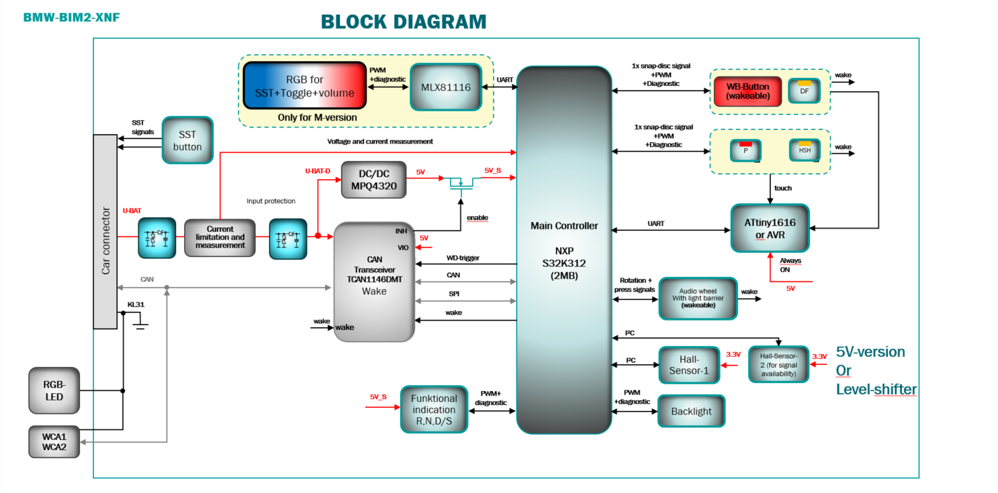

Assumptions
ID | Description
A.1 | The Components below do not have a JTAG/UPDI interfaces and the provided software cannot be modified, erased or read by any means: "All the components except C.1, C.2, C.3".
A.2 | The Cryptographic material stored inside the HSM module (Hardware Security Engine - HSE) of the BIM Main MCU (C.1). The debugging of the HSE subsystem and associated firmware is restricted to NXP engineering teams. HSE debug access shall be disabled by default with no possibility to reopened by MQ or BMW.
A.3 | No TARA at vehicle level has been commissioned by BMW, henceforth the derivated resulted Cybersecurity Requirements are considered by Marquardt.
A.4 | Cybersecurity Tailoring document is considered by Marquardt for creation of the SWAG Cybersecurity Concept and TARA at ECU Level: 20211025_BIM_Security-Tailoring.xlsx
A.5 | Only for BIM Main MCU : Authentisierung und Signatur requirements are considered by Marquardt for creation of the SWAG Cybersecurity Concept and TARA at ECU Level: LH_AuS_EES25_10000150-000-21.pdf
A.6 | Basic Security Requirements are considered by Marquardt for creation of the BIM Cybersecurity Concept and TARA at ECU Level: FINAL_RELEASE_BSR_SP2025_11487265-000-04.pdf
A.7 | The BIM Touch MCU and BIM Display MCU do not have Secure Storage capabilities, therefore no cryptographic material shall be stored except the challenge response algorithm for authenticity checks.
A.8 | Software authenticity checks (signature verification) for Touch MCU and Display MCU will be performed by the Main MCU.
A.9 | Based on the severity index; the Safety impact has been taken as S2 in worst case (S2: Severe and life-threatening injuries (survival probable)
A.10 | Sensitive but not confidential material (such as ECU UID, LCS status etc.) is considered as part of SW/FW on the BIM Main MCU.

Abbreviations
ID | Description
Abb.1 | TARA | Threat Analysis and Risk Assessment
Abb.2 | BIM | Bedieninsel Mitte
Abb.3 | JTAG | Joint Test Action Group (Interface Name)
Abb.4 | UPDI | Unified Program and Debug Interface (Interface Name)
Abb.5 | ECU | Electronic Control Unit
Abb.6 | MQ | Marquardt GmbH
Abb.7 | IC | Integrated Circuit
Abb.8 | CANbus | Controller Area Network Bus
Abb.9 | DoS | Denial of Service
Abb.10 | GPIO | General Purpose Input Output
Abb.11 | UART | Universal Asynchronous Receiver Transmitter
Abb.12 | ASIL | Automotive Safety Integrity Level
Abb.13 | EVITA | Securing Vehicular On-Board IT Systems (Reference project name for HSM)
Abb.14 | HSE | Hardware Security Engine
Abb.15 | HSM | Hardware Security Module
Abb.16 | µC | Microcontroller
Abb.17 | ATtiny | ATriny Microcontroller of Microchip
Abb.18 | AVR | AVR Microcontroller of Microchip
Abb.19 | SW/FW | Software / Firmware
Abb.20 | ECU UID | ECU Unique Identifier
Abb.21 | MCU | MiCrocontroller Unit
Abb.22 | CAN FD | Controller Area Network Flexible Data-Rate
Abb.23 | SST | Start Stop
Abb.24 | LED | Light Emitting Diode
Abb.25 | RGB | red, green and blue
Abb.26 | PWM | Pulse Width Modulation
Abb.28 | LCS | Locking Configuration Switch
Abb.29 | MeLiBu | Melexis Bus (proprietary communication protocol UART based)

S1-Asset_Identification
Template x.y
Template x.y
Template x.y
Template x.y
 |  | S1-Asset Identification
Project Number: | M441001 | Project Name: | BMW BIM XNF 02 |  |  |  |  | Sample: | A Sample
Guideline Step1-2 | <------ Hint: Click to see guidelines sheet
1.1 Asset Identification |  |  |  |  | 1.2 Cybersecurity Property Identification (CIAAG) |  | 1.3 Damage Scenario Identification
Component | Function | Asset ID | Asset List | Asset Description | Property | Applicable | ID | Description
BIM Main MCU | MCU_NXP-S32K312 | BIM_Main_MCU_AS-01 | Application SW in Main ECU | Application Software inside Main MCU including safety functionalities | Confidentiality | YES | BIM_Main_MCU_DS-01 | Unexpected behvaiour - functions compromised by software application manipulation, thus leading to a loss of the ECU confidentiality
 |  |  |  |  | Integrity | YES | BIM_Main_MCU_DS-02 | Unexpected behvaiour - functions compromised by software application manipulation, thus leading to a loss of the ECU integrity
 |  |  |  |  | Availability | YES | BIM_Main_MCU_DS-03 | Unexpected behvaiour - functions compromised by software application manipulation, thus leading to a loss of the ECU availability
 |  |  |  |  | Authenticity | YES | BIM_Main_MCU_DS-04 | Unexpected behvaiour - functions compromised by software application manipulation, thus leading to a loss of the ECU authenticity
 |  |  |  |  | Gouvernance | NO
BIM Main MCU | MCU_NXP-S32K312 | BIM_Main_MCU_AS-02 | Bootloader SW in Main ECU | Bootloader Software inside Main MCU including software update capabilities | Confidentiality | YES | BIM_Main_MCU_DS-05 | Unexpected behvaiour - functions compromised by software bootloader manipulation, thus leading to a loss of the ECU confidentiality
 |  |  |  |  | Integrity | YES | BIM_Main_MCU_DS-06 | Unexpected behvaiour - functions compromised by software bootloader manipulation, thus leading to a loss of the ECU integrity
 |  |  |  |  | Availability | YES | BIM_Main_MCU_DS-07 | Unexpected behvaiour - functions compromised by software bootloader manipulation, thus leading to a loss of the ECU availability
 |  |  |  |  | Authenticity | YES | BIM_Main_MCU_DS-08 | Unexpected behvaiour - functions compromised by software bootloader manipulation, thus leading to a loss of the ECU authenticity
 |  |  |  |  | Gouvernance | NO
BIM Main MCU | MCU_NXP-S32K312 | BIM_Main_MCU_AS-03 | Bootmanager SW in Main ECU | Bootloader Manager SW inside Main MCU including software update capabilities | Confidentiality | YES | BIM_Main_MCU_DS-09 | Unexpected behvaiour - functions compromised by software bootmanager manipulation, thus leading to a loss of the ECU confidentiality
 |  |  |  |  | Integrity | YES | BIM_Main_MCU_DS-10 | Unexpected behvaiour - functions compromised by software bootmanager manipulation, thus leading to a loss of the ECU integrity
 |  |  |  |  | Availability | YES | BIM_Main_MCU_DS-11 | Unexpected behvaiour - functions compromised by software bootmanager manipulation, thus leading to a loss of the ECU availability
 |  |  |  |  | Authenticity | YES | BIM_Main_MCU_DS-12 | Unexpected behvaiour - functions compromised by software bootmanager manipulation, thus leading to a loss of the ECU authenticity
 |  |  |  |  | Gouvernance | NO
BIM Main MCU | MCU_NXP-S32K312 | BIM_Main_MCU_AS-04 | Keys, Certificates and logs | Data which needs to be securely protected (Boot_Key, SecOC key, CCC Digital Key….) | Confidentiality | YES | BIM_Main_MCU_DS-13 | Unexpected behvaiour - Crytographic data compromised by teft, thus leading to a loss of Confidentiality
 |  |  |  |  | Integrity | YES | BIM_Main_MCU_DS-14 | Unexpected behvaiour- Cryptographic data is compromised by replacement thus leading to a loss of Integrity
 |  |  |  |  | Availability | YES | BIM_Main_MCU_DS-15 | Unexpected behvaiour- Cryptographic data is compromised by deletion thus leading to a loss of Availability
 |  |  |  |  | Authenticity | NO
 |  |  |  |  | Gouvernance | NO
BIM Main MCU | MCU_NXP-S32K312 | BIM_Main_MCU_AS-05 | CAN Application data | CAN communication data, including information received by BIM and information sent by BIM on Vehicle CAN | Confidentiality | YES | BIM_Main_MCU_DS-16 | Unexpected behaviour - CAN data compromised, this leading to a loss of confidentiality
 |  |  |  |  | Integrity | YES | BIM_Main_MCU_DS-17 | Unexpected behaviour - CAN data compromised, this leading to a loss of integrity
 |  |  |  |  | Availability | YES | BIM_Main_MCU_DS-18 | Unexpected behaviour - CAN data compromised, this leading to a loss of availability
 |  |  |  |  | Authenticity | YES | BIM_Main_MCU_DS-19 | Unexpected behaviour - CAN data compromised, this leading to a loss of authenticity
 |  |  |  |  | Gouvernance | NO
BIM Main MCU | MCU_NXP-S32K312 | BIM_Main_MCU_AS-06 | Debug Data (CAN/XCP) | Debug communication data used for development purpose | Confidentiality | YES | BIM_Main_MCU_DS-20 | Unexpected behvaiour - Debug communication data compromised, thus leading to a loss of confidentiality
 |  |  |  |  | Integrity | YES | BIM_Main_MCU_DS-21 | Unexpected behvaiour - Debug communication data compromised, thus leading to a loss of integrity
 |  |  |  |  | Availability | YES | BIM_Main_MCU_DS-22 | Unexpected behvaiour - Debug communication data compromised, thus leading to a loss of availability
 |  |  |  |  | Authenticity | NO
 |  |  |  |  | Gouvernance | NO
BIM Main MCU | MCU_NXP-S32K312 | BIM_Main_MCU_AS-07 | Diagnostic and Calibration Data | Diagnostic and Calibration data used for EOL production | Confidentiality | YES | BIM_Main_MCU_DS-23 | Unexpected behvaiour - Diagnostic and calibration data compromised by improper protection after production, thus leading to a loss of Confidentiality
 |  |  |  |  | Integrity | YES | BIM_Main_MCU_DS-24 | Unexpected behvaiour - Diagnostic and calibration data compromised by improper protection after production, thus leading to a loss integrity
 |  |  |  |  | Availability | YES | BIM_Main_MCU_DS-25 | Unexpected behvaiour - Diagnostic and calibration data compromised by improper protection after production, thus leading to a loss of availability
 |  |  |  |  | Authenticity | YES | BIM_Main_MCU_DS-26 | Unexpected behvaiour - Diagnostic and calibration data compromised by improper protection after production, thus leading to a loss of authenticity
 |  |  |  |  | Gouvernance | NO
BIM Main MCU | MCU_NXP-S32K312 | BIM_Main_MCU_AS-08 | Flashware | Software Update package | Confidentiality | YES | BIM_Main_MCU_DS-27 | Unexpected behvaiour - Crytographic data within flashware compromised, thus leading to a loss of Confidentiality
 |  |  |  |  | Integrity | YES | BIM_Main_MCU_DS-28 | Unexpected behvaiour - Flashware data compromised, thus leading to a loss of integrity
 |  |  |  |  | Availability | NO
 |  |  |  |  | Authenticity | YES | BIM_Main_MCU_DS-29 | Unexpected behvaiour - Flashware from unauthorized party, thus leading to a loss of authenticity
 |  |  |  |  | Gouvernance | NO
BIM Main MCU | MCU_NXP-S32K312 | BIM_Main_MCU_AS-09 | Microcontroller Functions | Microcontroller functinality includding: control buttons, sensors, display, wake-up functionality, communication of data over CAN to vehicle | Confidentiality | YES | BIM_Main_MCU_DS-30 | Unexpected behaviour -microcontroller functions compromised, this leading to a loss of confidentiality
 |  |  |  |  | Integrity | YES | BIM_Main_MCU_DS-31 | Unexpected behaviour -microcontroller functions compromised, this leading to a loss of integrity
 |  |  |  |  | Availability | YES | BIM_Main_MCU_DS-32 | Unexpected behaviour -microcontroller functions compromised, this leading to a loss of availability
 |  |  |  |  | Authenticity | YES | BIM_Main_MCU_DS-33 | Unexpected behaviour -microcontroller functions compromised, this leading to a loss of authenticity
 |  |  |  |  | Gouvernance | NO
BIM Touch MCU | MCU_Touch_Microchip Attiny/AVRDA | BIM_Touch_MCU_AS-01 | Software Inside MCU | All Software Inside Side Touch MCU | Confidentiality | YES | BIM_Touch_MCU_DS-01 | Unexpected behvaiour - functions compromised by software manipulation, thus leading to a loss of the ECU confidentiality
 |  |  |  |  | Integrity | YES | BIM_Touch_MCU_DS-02 | Unexpected behvaiour - functions compromised by software manipulation, thus leading to a loss of the ECU integrity
 |  |  |  |  | Availability | YES | BIM_Touch_MCU_DS-03 | Unexpected behvaiour - functions compromised by software manipulation, thus leading to a loss of the ECU availability
 |  |  |  |  | Authenticity | YES | BIM_Touch_MCU_DS-04 | Unexpected behvaiour - functions compromised by software manipulation, thus leading to a loss of the ECU authenticity
 |  |  |  |  | Gouvernance | NO
BIM Touch MCU | MCU_Touch_Microchip Attiny/AVRDA | BIM_Touch_MCU_AS-02 | Configuration and Calibration Data | Diagnostic and Calibration data used for EOL production | Confidentiality | YES | BIM_Touch_MCU_DS-05 | Unexpected behvaiour - Diagnostic and calibration data compromised by improper protection after production, thus leading to a loss of Confidentiality
 |  |  |  |  | Integrity | YES | BIM_Touch_MCU_DS-06 | Unexpected behvaiour - Diagnostic and calibration data compromised by improper protection after production, thus leading to a loss integrity
 |  |  |  |  | Availability | YES | BIM_Touch_MCU_DS-07 | Unexpected behvaiour - Diagnostic and calibration data compromised by improper protection after production, thus leading to a loss of availability
 |  |  |  |  | Authenticity | YES | BIM_Touch_MCU_DS-08 | Unexpected behvaiour - Diagnostic and calibration data compromised by improper protection after production, thus leading to a loss of authenticity
 |  |  |  |  | Gouvernance | NO
BIM Touch MCU | MCU_Touch_Microchip Attiny/AVRDA | BIM_Touch_MCU_AS-03 | UART communication data | CAN communication data, information transfered on Private UART between Main MCU and Touch MCU | Confidentiality | YES | BIM_Touch_MCU_DS-09 | Unexpected behaviour - UART data compromised, this leading to a loss of confidentiality
 |  |  |  |  | Integrity | YES | BIM_Touch_MCU_DS-10 | Unexpected behaviour - UART data compromised, this leading to a loss of integrity
 |  |  |  |  | Availability | YES | BIM_Touch_MCU_DS-11 | Unexpected behaviour - UART data compromised, this leading to a loss of availability
 |  |  |  |  | Authenticity | YES | BIM_Touch_MCU_DS-12 | Unexpected behaviour - UART data compromised, this leading to a loss of authenticity
 |  |  |  |  | Gouvernance | NO
BIM Dsiplay MCU | MCU_Display_Melexis | BIM_Display_MCU_AS-01 | Software Inside MCU | All Software Inside Side Display MCU | Confidentiality | YES | BIM_Display_MCU_DS-01 | Unexpected behvaiour - functions compromised by software manipulation, thus leading to a loss of the ECU confidentiality
 |  |  |  |  | Integrity | YES | BIM_Display_MCU_DS-02 | Unexpected behvaiour - functions compromised by software manipulation, thus leading to a loss of the ECU integrity
 |  |  |  |  | Availability | YES | BIM_Display_MCU_DS-03 | Unexpected behvaiour - functions compromised by software manipulation, thus leading to a loss of the ECU availability
 |  |  |  |  | Authenticity | YES | BIM_Display_MCU_DS-04 | Unexpected behvaiour - functions compromised by software manipulation, thus leading to a loss of the ECU authenticity
 |  |  |  |  | Gouvernance | NO
BIM Touch MCU | MCU_Touch_Microchip Attiny/AVRDA | BIM_Display_MCU_AS-02 | Configuration and Calibration Data | Diagnostic and Calibration data used for EOL production | Confidentiality | YES | BIM_Display_MCU_DS-05 | Unexpected behvaiour - Diagnostic and calibration data compromised by improper protection after production, thus leading to a loss of Confidentiality
 |  |  |  |  | Integrity | YES | BIM_Display_MCU_DS-06 | Unexpected behvaiour - Diagnostic and calibration data compromised by improper protection after production, thus leading to a loss integrity
 |  |  |  |  | Availability | YES | BIM_Display_MCU_DS-07 | Unexpected behvaiour - Diagnostic and calibration data compromised by improper protection after production, thus leading to a loss of availability
 |  |  |  |  | Authenticity | YES | BIM_Display_MCU_DS-08 | Unexpected behvaiour - Diagnostic and calibration data compromised by improper protection after production, thus leading to a loss of authenticity
 |  |  |  |  | Gouvernance | NO
BIM Dsiplay MCU | MCU_Display_Melexis | BIM_Display_MCU_AS-03 | UART communication data | CAN communication data, information transfered on Private UART between Display MCU and Touch MCU | Confidentiality | YES | BIM_Display_MCU_DS-09 | Unexpected behaviour - UART data compromised, this leading to a loss of confidentiality
 |  |  |  |  | Integrity | YES | BIM_Display_MCU_DS-10 | Unexpected behaviour - UART data compromised, this leading to a loss of integrity
 |  |  |  |  | Availability | YES | BIM_Display_MCU_DS-11 | Unexpected behaviour - UART data compromised, this leading to a loss of availability
 |  |  |  |  | Authenticity | YES | BIM_Display_MCU_DS-12 | Unexpected behaviour - UART data compromised, this leading to a loss of authenticity
 |  |  |  |  | Gouvernance | NO
BIM CAN TRANSCIEVER | IC_TI-TCAN114x-Q1 | BIM_SBC_V_AS-01 | Vehicle CAN SBC IC Function | Functionality of CAN SBC for communication with Vehicle CAN | Confidentiality | NO
 |  |  |  |  | Integrity | NO
 |  |  |  |  | Availability | YES | BIM_SBC_V_DS-01 | Unexpected behaviour - SBC function compromised, this leading to a loss of availability
 |  |  |  |  | Authenticity | NO
 |  |  |  |  | Gouvernance | NO
BIM DCDC Converter | IC_TI-SDC_MPQ4320 | BIM_VREG1_AS-01 | Voltage Rgulator IC Function | Functionality of Voltage regulator IC | Confidentiality | NO
 |  |  |  |  | Integrity | NO
 |  |  |  |  | Availability | YES | BIM_VREG1_DS-01 | Unexpected behaviour - Voltage regulator function compromised, this leading to a loss of availability
 |  |  |  |  | Authenticity | NO
 |  |  |  |  | Gouvernance | NO
BIM Hall Sensor 1 | IC_Infineon-TLE493D-W2B6 | BIM_HALL1_AS-01 | Hall Sensor for Gear Shifter | Functionality of Hall Sensor IC | Confidentiality | NO
 |  |  |  |  | Integrity | NO
 |  |  |  |  | Availability | YES | BIM_HALL1_DS-01 | Unexpected behaviour - Hall Sensor function compromised, this leading to a loss of availability
 |  |  |  |  | Authenticity | NO
 |  |  |  |  | Gouvernance | NO
BIM Hall Sensor 2 | IC_Infineon-TLE493D-W2B6 | BIM_HALL2_AS-01 | Hall Sensor for Gear Shifter | Functionality of Hall Sensor IC | Confidentiality | NO
 |  |  |  |  | Integrity | NO
 |  |  |  |  | Availability | YES | BIM_HALL2_DS-01 | Unexpected behaviour - Hall Sensor function compromised, this leading to a loss of availability
 |  |  |  |  | Authenticity | NO
 |  |  |  |  | Gouvernance | NO
BIM Light Barrier | IC_Vishay-TCUT1300X01 | BIM_LB_AS-01 | Light Barrier IC Function | Functionality of Light Barrier IC | Confidentiality | NO
 |  |  |  |  | Integrity | NO
 |  |  |  |  | Availability | YES | BIM_LB_DS-01 | Unexpected behaviour - Light Barrier function compromised, this leading to a loss of availability
 |  |  |  |  | Authenticity | NO
 |  |  |  |  | Gouvernance | NO
BIM LDO | IC_TI-TLV713P-Q1 | BIM_VREG2_AS-01 | Voltage Regulator for Hall Sensor Supply | Functionality of Voltage Regulator IC | Confidentiality | NO
 |  |  |  |  | Integrity | NO
 |  |  |  |  | Availability | YES | BIM_VREG2_DS-01 | Unexpected behaviour - Voltage regulator function compromised, this leading to a loss of availability
 |  |  |  |  | Authenticity | NO
 |  |  |  |  | Gouvernance | NO

S2-Impact_Rating
Template x.y
Template x.y
 |  | S2 Impact Rating
Project Number: | M441001 |  | Project Name: | BMW BIM XNF 02 |  |  |  |  | Sample: |  | A Sample
Guideline Step1-2 | <------ Hint: Click to see guidelines sheet |  |  |  |  |  |  |  |  |  | Hint: Expand for visualising rating values
Impact of Damage (ISO 21434:2021 Annex F: F1 - F4)
Assets |  |  | Damage Scenarios |  | Safety 2-Severe 1.5-Major 1-Moderate 0-Negligible | Rating | Financial 2-Severe 1.5-Major 1-Moderate 0-Negligible | Rating | Operational 2-Severe 1.5-Major 1-Moderate 0-Negligible | Rating | Privacy 2-Severe 1.5-Major 1-Moderate 0-Negligible | Rating | Highest Impact 2-Severe 1.5-Major 1-Moderate 0-Negligible | Rating | Justification
ID | Property & Description |  | ID | Description
BIM_Main_MCU_AS-01 | Confidentiality of Application SW in Main ECU |  | BIM_Main_MCU_DS-01 | Unexpected behvaiour - functions compromised by software application manipulation, thus leading to a loss of the ECU confidentiality | S0: No injuries | 0.0 | F2: The financial damage leads to substantial consequences which the affected stakeholder will be able to overcome. | 1.5 | O0: The operational damage leads to no effect or indiscernible degradation of a vehicle function or performance. | 0.0 | P1: The privacy damage leads to significant inconveniences to the road user. In this case, the information regarding the road user is: a) sensitive but difficult to link to a PII principal, or b) not sensitive but easy to link to a PII principal. | 1.0 | Major | 1.5 | Confidential information disclosure: Safety Negligible: no impact, unles exploited Financial Major: due to possible fleet confidentiality exposure Operational Negligible: no impact unless exploited. Privacy Moderate: sensitive information, company impact due to possible use of cryptographic data.
BIM_Main_MCU_AS-01 | Integrity of Application SW in Main ECU |  | BIM_Main_MCU_DS-02 | Unexpected behvaiour - functions compromised by software application manipulation, thus leading to a loss of the ECU integrity | S2: Severe and life-threatening injuries (survival probable) | 1.5 | F1: The financial damage leads to inconvenient consequences which the affected stakeholder will be able to overcome with limited resources. | 1.0 | O2: The operational damage leads to the loss of a vehicle function. | 1.5 | P0: The privacy damage leads to no effect or can create few inconveniencies to the road user. In this case, the information regarding the road user is not sensitive and difficult to link to a PII principal. | 0.0 | Major | 1.5 | Manipulated system behaviour: Safety Major Due to ASIL-B relevance, severity is taken as 2. Financial Moderate: full functionality can be restored with a limited ammount of financial resources by visiting a service station. Operational Major: as the function works in an unexpected way, vehicle stand-still scenario due to gear shifter/ park brake failures. Privacy Negligible: no impact for the road user due to the no personal data.
BIM_Main_MCU_AS-01 | Availability of Application SW in Main ECU |  | BIM_Main_MCU_DS-03 | Unexpected behvaiour - functions compromised by software application manipulation, thus leading to a loss of the ECU availability | S0: No injuries | 0.0 | F1: The financial damage leads to inconvenient consequences which the affected stakeholder will be able to overcome with limited resources. | 1.0 | O2: The operational damage leads to the loss of a vehicle function. | 1.5 | P0: The privacy damage leads to no effect or can create few inconveniencies to the road user. In this case, the information regarding the road user is not sensitive and difficult to link to a PII principal. | 0.0 | Major | 1.5 | Unfunctional/unresponsive system behaviour: Safety Negligible: no functionality is safe state Financial Moderate: full functionality can be restored with a limited ammount of financial resources by visiting a service station. Operational Major: as the function works in an unexpected way, vehicle stand-still scenario due to gear shifter/ park brake failures. Privacy Negligible: no impact for the road user due to the no personal data.
BIM_Main_MCU_AS-01 | Authenticity of Application SW in Main ECU |  | BIM_Main_MCU_DS-04 | Unexpected behvaiour - functions compromised by software application manipulation, thus leading to a loss of the ECU authenticity | S2: Severe and life-threatening injuries (survival probable) | 1.5 | F1: The financial damage leads to inconvenient consequences which the affected stakeholder will be able to overcome with limited resources. | 1.0 | O2: The operational damage leads to the loss of a vehicle function. | 1.5 | P0: The privacy damage leads to no effect or can create few inconveniencies to the road user. In this case, the information regarding the road user is not sensitive and difficult to link to a PII principal. | 0.0 | Major | 1.5 | Manipulated system behaviour: Safety Major Due to ASIL-B relevance, severity is taken as 2. Financial Moderate: full functionality can be restored with a limited ammount of financial resources by visiting a service station. Operational Major: as the function works in an unexpected way, vehicle stand-still scenario due to gear shifter/ park brake failures. Privacy Negligible: no impact for the road user due to the no personal data.
BIM_Main_MCU_AS-02 | Confidentiality of Bootloader SW in Main ECU |  | BIM_Main_MCU_DS-05 | Unexpected behvaiour - functions compromised by software bootloader manipulation, thus leading to a loss of the ECU confidentiality | S0: No injuries | 0.0 | F2: The financial damage leads to substantial consequences which the affected stakeholder will be able to overcome. | 1.5 | O0: The operational damage leads to no effect or indiscernible degradation of a vehicle function or performance. | 0.0 | P1: The privacy damage leads to significant inconveniences to the road user. In this case, the information regarding the road user is: a) sensitive but difficult to link to a PII principal, or b) not sensitive but easy to link to a PII principal. | 1.0 | Major | 1.5 | Confidential information disclosure: Safety Negligible: no impact, unles exploited Financial Major: due to possible fleet confidentiality exposure Operational Negligible: no impact unless exploited. Privacy Moderate: sensitive information, company impact due to possible use of cryptographic data.
BIM_Main_MCU_AS-02 | Integrity of Bootloader SW in Main ECU |  | BIM_Main_MCU_DS-06 | Unexpected behvaiour - functions compromised by software bootloader manipulation, thus leading to a loss of the ECU integrity | S0: No injuries | 0.0 | F1: The financial damage leads to inconvenient consequences which the affected stakeholder will be able to overcome with limited resources. | 1.0 | O2: The operational damage leads to the loss of a vehicle function. | 1.5 | P0: The privacy damage leads to no effect or can create few inconveniencies to the road user. In this case, the information regarding the road user is not sensitive and difficult to link to a PII principal. | 0.0 | Major | 1.5 | Manipulated system behaviour: Safety Negligible: safety is handled by application SW. Financial Moderate: full functionality can be restored with a limited ammount of financial resources by visiting a service station. Operational Major: as the function works in an unexpected way, vehicle stand-still scenario due to gear shifter/ park brake failures. Privacy Negligible: no impact for the road user due to the no personal data.
BIM_Main_MCU_AS-02 | Availability of Bootloader SW in Main ECU |  | BIM_Main_MCU_DS-07 | Unexpected behvaiour - functions compromised by software bootloader manipulation, thus leading to a loss of the ECU availability | S0: No injuries | 0.0 | F1: The financial damage leads to inconvenient consequences which the affected stakeholder will be able to overcome with limited resources. | 1.0 | O2: The operational damage leads to the loss of a vehicle function. | 1.5 | P0: The privacy damage leads to no effect or can create few inconveniencies to the road user. In this case, the information regarding the road user is not sensitive and difficult to link to a PII principal. | 0.0 | Major | 1.5 | Unfunctional/unresponsive system behaviour: Safety Negligible: safety is handled by application SW. Financial Moderate: full functionality can be restored with a limited ammount of financial resources by visiting a service station. Operational Major: as the function works in an unexpected way, vehicle stand-still scenario due to gear shifter/ park brake failures. Privacy Negligible: no impact for the road user due to the no personal data.
BIM_Main_MCU_AS-02 | Authenticity of Bootloader SW in Main ECU |  | BIM_Main_MCU_DS-08 | Unexpected behvaiour - functions compromised by software bootloader manipulation, thus leading to a loss of the ECU authenticity | S0: No injuries | 0.0 | F1: The financial damage leads to inconvenient consequences which the affected stakeholder will be able to overcome with limited resources. | 1.0 | O2: The operational damage leads to the loss of a vehicle function. | 1.5 | P0: The privacy damage leads to no effect or can create few inconveniencies to the road user. In this case, the information regarding the road user is not sensitive and difficult to link to a PII principal. | 0.0 | Major | 1.5 | Manipulated system behaviour: Safety Negligible: safety is handled by application SW. Financial Moderate: full functionality can be restored with a limited ammount of financial resources by visiting a service station. Operational Major: as the function works in an unexpected way, vehicle stand-still scenario due to gear shifter/ park brake failures. Privacy Negligible: no impact for the road user due to the no personal data.
BIM_Main_MCU_AS-03 | Confidentiality of Bootmanager SW in Main ECU |  | BIM_Main_MCU_DS-09 | Unexpected behvaiour - functions compromised by software bootmanager manipulation, thus leading to a loss of the ECU confidentiality | S0: No injuries | 0.0 | F2: The financial damage leads to substantial consequences which the affected stakeholder will be able to overcome. | 1.5 | O0: The operational damage leads to no effect or indiscernible degradation of a vehicle function or performance. | 0.0 | P1: The privacy damage leads to significant inconveniences to the road user. In this case, the information regarding the road user is: a) sensitive but difficult to link to a PII principal, or b) not sensitive but easy to link to a PII principal. | 1.0 | Major | 1.5 | Confidential information disclosure: Safety Negligible: no impact, unles exploited Financial Major: due to possible fleet confidentiality exposure Operational Negligible: no impact unless exploited. Privacy Moderate: sensitive information, company impact due to possible use of cryptographic data.
BIM_Main_MCU_AS-03 | Integrity of Bootmanager SW in Main ECU |  | BIM_Main_MCU_DS-10 | Unexpected behvaiour - functions compromised by software bootmanager manipulation, thus leading to a loss of the ECU integrity | S0: No injuries | 0.0 | F1: The financial damage leads to inconvenient consequences which the affected stakeholder will be able to overcome with limited resources. | 1.0 | O2: The operational damage leads to the loss of a vehicle function. | 1.5 | P0: The privacy damage leads to no effect or can create few inconveniencies to the road user. In this case, the information regarding the road user is not sensitive and difficult to link to a PII principal. | 0.0 | Major | 1.5 | Manipulated system behaviour: Safety Negligible: safety is handled by application SW. Financial Moderate: full functionality can be restored with a limited ammount of financial resources by visiting a service station. Operational Moderate: as the function works in an unexpected way, only partial degradation of function, no impact on vehicle performance. Privacy Negligible: no impact for the road user due to the no personal data.
BIM_Main_MCU_AS-03 | Availability of Bootmanager SW in Main ECU |  | BIM_Main_MCU_DS-11 | Unexpected behvaiour - functions compromised by software bootmanager manipulation, thus leading to a loss of the ECU availability | S0: No injuries | 0.0 | F1: The financial damage leads to inconvenient consequences which the affected stakeholder will be able to overcome with limited resources. | 1.0 | O2: The operational damage leads to the loss of a vehicle function. | 1.5 | P0: The privacy damage leads to no effect or can create few inconveniencies to the road user. In this case, the information regarding the road user is not sensitive and difficult to link to a PII principal. | 0.0 | Major | 1.5 | Unfunctional/unresponsive system behaviour: Safety Negligible: safety is handled by application SW. Financial Moderate: full functionality can be restored with a limited ammount of financial resources by visiting a service station. Operational Moderate: as the function works in an unexpected way, only partial degradation of function, no impact on vehicle performance. Privacy Negligible: no impact for the road user due to the no personal data.
BIM_Main_MCU_AS-03 | Authenticity of Bootmanager SW in Main ECU |  | BIM_Main_MCU_DS-12 | Unexpected behvaiour - functions compromised by software bootmanager manipulation, thus leading to a loss of the ECU authenticity | S0: No injuries | 0.0 | F1: The financial damage leads to inconvenient consequences which the affected stakeholder will be able to overcome with limited resources. | 1.0 | O2: The operational damage leads to the loss of a vehicle function. | 1.5 | P0: The privacy damage leads to no effect or can create few inconveniencies to the road user. In this case, the information regarding the road user is not sensitive and difficult to link to a PII principal. | 0.0 | Major | 1.5 | Manipulated system behaviour: Safety Negligible: safety is handled by application SW. Financial Moderate: full functionality can be restored with a limited ammount of financial resources by visiting a service station. Operational Moderate: as the function works in an unexpected way, only partial degradation of function, no impact on vehicle performance. Privacy Negligible: no impact for the road user due to the no personal data.
BIM_Main_MCU_AS-04 | Confidentiality of Keys, Certificates and logs |  | BIM_Main_MCU_DS-13 | Unexpected behvaiour - Crytographic data compromised by teft, thus leading to a loss of Confidentiality | S0: No injuries | 0.0 | F2: The financial damage leads to substantial consequences which the affected stakeholder will be able to overcome. | 1.5 | O0: The operational damage leads to no effect or indiscernible degradation of a vehicle function or performance. | 0.0 | P1: The privacy damage leads to significant inconveniences to the road user. In this case, the information regarding the road user is: a) sensitive but difficult to link to a PII principal, or b) not sensitive but easy to link to a PII principal. | 1.0 | Major | 1.5 | Confidential information disclosure: Safety Negligible: no impact, unles exploited Financial Major: due to possible fleet confidentiality exposure Operational Negligible: no impact unless exploited. Privacy Moderate: sensitive information, company impact due to possible use of cryptographic data.
BIM_Main_MCU_AS-04 | Integrity of Keys, Certificates and logs |  | BIM_Main_MCU_DS-14 | Unexpected behvaiour- Cryptographic data is compromised by replacement thus leading to a loss of Integrity | S2: Severe and life-threatening injuries (survival probable) | 1.5 | F1: The financial damage leads to inconvenient consequences which the affected stakeholder will be able to overcome with limited resources. | 1.0 | O2: The operational damage leads to the loss of a vehicle function. | 1.5 | P1: The privacy damage leads to significant inconveniences to the road user. In this case, the information regarding the road user is: a) sensitive but difficult to link to a PII principal, or b) not sensitive but easy to link to a PII principal. | 1.0 | Major | 1.5 | Manipulated system behaviour: Safety Major Due to ASIL-B relevance, severity is taken as 2. Financial Moderate: full functionality can be restored with a limited ammount of financial resources by visiting a service station. Operational Major: due to possible integrity issue on the certificates which can lead to complete function compromised Privacy Moderate: sensitive information, company impact due to possible use of cryptographic data.
BIM_Main_MCU_AS-04 | Availability of Keys, Certificates and logs |  | BIM_Main_MCU_DS-15 | Unexpected behvaiour- Cryptographic data is compromised by deletion thus leading to a loss of Availability | S0: No injuries | 0.0 | F1: The financial damage leads to inconvenient consequences which the affected stakeholder will be able to overcome with limited resources. | 1.0 | O2: The operational damage leads to the loss of a vehicle function. | 1.5 | P1: The privacy damage leads to significant inconveniences to the road user. In this case, the information regarding the road user is: a) sensitive but difficult to link to a PII principal, or b) not sensitive but easy to link to a PII principal. | 1.0 | Major | 1.5 | Unfunctional/unresponsive system behaviour: Safety Negligible: no impact by deletion of cryptographic data Financial Moderate: full functionality can be restored with a limited ammount of financial resources by visiting a service station. Operational Major: as the function works in an unexpected way, vehicle stand-still scenario due to gear shifter/ park brake failures. Privacy Moderate: sensitive information, company impact due to possible use of cryptographic data.
BIM_Main_MCU_AS-05 | Confidentiality of CAN Application data |  | BIM_Main_MCU_DS-16 | Unexpected behaviour - CAN data compromised, this leading to a loss of confidentiality | S0: No injuries | 0.0 | F2: The financial damage leads to substantial consequences which the affected stakeholder will be able to overcome. | 1.5 | O0: The operational damage leads to no effect or indiscernible degradation of a vehicle function or performance. | 0.0 | P1: The privacy damage leads to significant inconveniences to the road user. In this case, the information regarding the road user is: a) sensitive but difficult to link to a PII principal, or b) not sensitive but easy to link to a PII principal. | 1.0 | Major | 1.5 | Confidential information disclosure: Safety Negligible: no impact, unles exploited Financial Major: due to possible fleet confidentiality exposure Operational Negligible: no impact unless exploited. Privacy Moderate: sensitive information, company impact due to possible use of cryptographic data.
BIM_Main_MCU_AS-05 | Integrity of CAN Application data |  | BIM_Main_MCU_DS-17 | Unexpected behaviour - CAN data compromised, this leading to a loss of integrity | S2: Severe and life-threatening injuries (survival probable) | 1.5 | F1: The financial damage leads to inconvenient consequences which the affected stakeholder will be able to overcome with limited resources. | 1.0 | O2: The operational damage leads to the loss of a vehicle function. | 1.5 | P0: The privacy damage leads to no effect or can create few inconveniencies to the road user. In this case, the information regarding the road user is not sensitive and difficult to link to a PII principal. | 0.0 | Major | 1.5 | Manipulated system behaviour: Safety Major: Due to ASIL-B relevance, severity is taken as 2. Financial Moderate: full functionality can be restored with a limited ammount of financial resources by visiting a service station. Operational Major: as the function works in an unexpected way, vehicle stand-still scenario due to gear shifter/ park brake failures Privacy Negligible: no impact for the road user due to the no personal data.
BIM_Main_MCU_AS-05 | Availability of CAN Application data |  | BIM_Main_MCU_DS-18 | Unexpected behaviour - CAN data compromised, this leading to a loss of availability | S0: No injuries | 0.0 | F1: The financial damage leads to inconvenient consequences which the affected stakeholder will be able to overcome with limited resources. | 1.0 | O2: The operational damage leads to the loss of a vehicle function. | 1.5 | P0: The privacy damage leads to no effect or can create few inconveniencies to the road user. In this case, the information regarding the road user is not sensitive and difficult to link to a PII principal. | 0.0 | Major | 1.5 | Unfunctional/unresponsive system behaviour: Safety Negligible: safe state for no CAN communication Financial Moderate: full functionality can be restored with a limited ammount of financial resources by visiting a service station. Operational Major: as the function works in an unexpected way, vehicle stand-still scenario due to gear shifter/ park brake failures Privacy Negligible: no impact for the road user due to the no personal data.
BIM_Main_MCU_AS-05 | Authenticity of CAN Application data |  | BIM_Main_MCU_DS-19 | Unexpected behaviour - CAN data compromised, this leading to a loss of authenticity | S2: Severe and life-threatening injuries (survival probable) | 1.5 | F1: The financial damage leads to inconvenient consequences which the affected stakeholder will be able to overcome with limited resources. | 1.0 | O1: The operational damage leads to partial degradation of a vehicle function or performance. | 1.0 | P0: The privacy damage leads to no effect or can create few inconveniencies to the road user. In this case, the information regarding the road user is not sensitive and difficult to link to a PII principal. | 0.0 | Major | 1.5 | Manipulated system behaviour: Safety Major: Due to ASIL-B relevance, severity is taken as 2. Financial Moderate: full functionality can be restored with a limited ammount of financial resources by visiting a service station. Operational Moderate: as the function works in an unexpected way, only partial degradation of function, no impact on vehicle performance. Privacy Negligible: no impact for the road user due to the no personal data.
BIM_Main_MCU_AS-06 | Confidentiality of Debug Data (CAN/XCP) |  | BIM_Main_MCU_DS-20 | Unexpected behvaiour - Debug communication data compromised, thus leading to a loss of confidentiality | S0: No injuries | 0.0 | F2: The financial damage leads to substantial consequences which the affected stakeholder will be able to overcome. | 1.5 | O0: The operational damage leads to no effect or indiscernible degradation of a vehicle function or performance. | 0.0 | P1: The privacy damage leads to significant inconveniences to the road user. In this case, the information regarding the road user is: a) sensitive but difficult to link to a PII principal, or b) not sensitive but easy to link to a PII principal. | 1.0 | Major | 1.5 | Confidential information disclosure: Safety Negligible: no impact, unles exploited Financial Major: due to possible fleet confidentiality exposure Operational Negligible: no impact unless exploited. Privacy Moderate: sensitive information, company impact due to possible use of cryptographic data.
BIM_Main_MCU_AS-06 | Integrity of Debug Data (CAN/XCP) |  | BIM_Main_MCU_DS-21 | Unexpected behvaiour - Debug communication data compromised, thus leading to a loss of integrity | S2: Severe and life-threatening injuries (survival probable) | 1.5 | F1: The financial damage leads to inconvenient consequences which the affected stakeholder will be able to overcome with limited resources. | 1.0 | O1: The operational damage leads to partial degradation of a vehicle function or performance. | 1.0 | P0: The privacy damage leads to no effect or can create few inconveniencies to the road user. In this case, the information regarding the road user is not sensitive and difficult to link to a PII principal. | 0.0 | Major | 1.5 | Manipulated system behaviour: Safety Major: Due to ASIL-B relevance, severity is taken as 2. Financial Moderate: full functionality can be restored with a limited ammount of financial resources by visiting a service station. Operational Moderate: as the function works in an unexpected way, only partial degradation of function, no impact on vehicle performance. Privacy Negligible: no impact for the road user due to the no personal data.
BIM_Main_MCU_AS-06 | Availability of Debug Data (CAN/XCP) |  | BIM_Main_MCU_DS-22 | Unexpected behvaiour - Debug communication data compromised, thus leading to a loss of availability | S0: No injuries | 0.0 | F0: The financial damage leads to no effect, negligible consequences or is irrelevant to the stakeholder. | 0.0 | O0: The operational damage leads to no effect or indiscernible degradation of a vehicle function or performance. | 0.0 | P0: The privacy damage leads to no effect or can create few inconveniencies to the road user. In this case, the information regarding the road user is not sensitive and difficult to link to a PII principal. | 0.0 | Negligible | 0.0 | No functional impact on system behavior, no information disclosure.
BIM_Main_MCU_AS-07 | Confidentiality of Diagnostic and Calibration Data |  | BIM_Main_MCU_DS-23 | Unexpected behvaiour - Diagnostic and calibration data compromised by improper protection after production, thus leading to a loss of Confidentiality | S0: No injuries | 0.0 | F1: The financial damage leads to inconvenient consequences which the affected stakeholder will be able to overcome with limited resources. | 1.0 | O0: The operational damage leads to no effect or indiscernible degradation of a vehicle function or performance. | 0.0 | P1: The privacy damage leads to significant inconveniences to the road user. In this case, the information regarding the road user is: a) sensitive but difficult to link to a PII principal, or b) not sensitive but easy to link to a PII principal. | 1.0 | Moderate | 1.0 | Confidential information disclosure: Safety Negligible: no impact, unles exploited Financial Moderate: full functionality can be restored with a limited ammount of financial resources by visiting a service station. Operational Negligible: no impact unless exploited. Privacy Moderate: sensitive information, company impact due to possible use of cryptographic data.
BIM_Main_MCU_AS-07 | Integrity of Diagnostic and Calibration Data |  | BIM_Main_MCU_DS-24 | Unexpected behvaiour - Diagnostic and calibration data compromised by improper protection after production, thus leading to a loss integrity | S2: Severe and life-threatening injuries (survival probable) | 1.5 | F1: The financial damage leads to inconvenient consequences which the affected stakeholder will be able to overcome with limited resources. | 1.0 | O1: The operational damage leads to partial degradation of a vehicle function or performance. | 1.0 | P0: The privacy damage leads to no effect or can create few inconveniencies to the road user. In this case, the information regarding the road user is not sensitive and difficult to link to a PII principal. | 0.0 | Major | 1.5 | Manipulated system behaviour: Safety Major: Due to ASIL-B relevance, severity is taken as 2. Financial Moderate: full functionality can be restored with a limited ammount of financial resources by visiting a service station. Operational Moderate: as the function works in an unexpected way, only partial degradation of function, no impact on vehicle performance. Privacy Negligible: no impact for the road user due to the no personal data.
BIM_Main_MCU_AS-07 | Availability of Diagnostic and Calibration Data |  | BIM_Main_MCU_DS-25 | Unexpected behvaiour - Diagnostic and calibration data compromised by improper protection after production, thus leading to a loss of availability | S0: No injuries | 0.0 | F1: The financial damage leads to inconvenient consequences which the affected stakeholder will be able to overcome with limited resources. | 1.0 | O1: The operational damage leads to partial degradation of a vehicle function or performance. | 1.0 | P0: The privacy damage leads to no effect or can create few inconveniencies to the road user. In this case, the information regarding the road user is not sensitive and difficult to link to a PII principal. | 0.0 | Moderate | 1.0 | Unfunctional/unresponsive system behaviour: Safety Negligible: no functionality is safe state Financial Moderate: full functionality can be restored with a limited ammount of financial resources by visiting a service station. Operational Moderate: As the function is not available, not usable for the driver, the impact is moderate. Privacy Negligible: no impact for the road user due to the no personal data.
BIM_Main_MCU_AS-07 | Authenticity of Diagnostic and Calibration Data |  | BIM_Main_MCU_DS-26 | Unexpected behvaiour - Diagnostic and calibration data compromised by improper protection after production, thus leading to a loss of authenticity | S2: Severe and life-threatening injuries (survival probable) | 1.5 | F1: The financial damage leads to inconvenient consequences which the affected stakeholder will be able to overcome with limited resources. | 1.0 | O1: The operational damage leads to partial degradation of a vehicle function or performance. | 1.0 | P0: The privacy damage leads to no effect or can create few inconveniencies to the road user. In this case, the information regarding the road user is not sensitive and difficult to link to a PII principal. | 0.0 | Major | 1.5 | Manipulated system behaviour: Safety Major: Due to ASIL-B relevance, severity is taken as 2. Financial Moderate: full functionality can be restored with a limited ammount of financial resources by visiting a service station. Operational Moderate: as the function works in an unexpected way, only partial degradation of function, no impact on vehicle performance. Privacy Negligible: no impact for the road user due to the no personal data.
BIM_Main_MCU_AS-08 | Confidentiality of Flashware |  | BIM_Main_MCU_DS-27 | Unexpected behvaiour - Crytographic data within flashware compromised, thus leading to a loss of Confidentiality | S0: No injuries | 0.0 | F1: The financial damage leads to inconvenient consequences which the affected stakeholder will be able to overcome with limited resources. | 1.0 | O0: The operational damage leads to no effect or indiscernible degradation of a vehicle function or performance. | 0.0 | P1: The privacy damage leads to significant inconveniences to the road user. In this case, the information regarding the road user is: a) sensitive but difficult to link to a PII principal, or b) not sensitive but easy to link to a PII principal. | 1.0 | Moderate | 1.0 | Manipulated system behaviour: Safety Negligible: no impact unless exploited Financial Moderate: full functionality can be restored with a limited ammount of financial resources by visiting a service station. Operational Negligible: no impact unless exploited. Privacy Moderate: sensitive information, company impact due to possible use of cryptographic data.
BIM_Main_MCU_AS-08 | Integrity of Flashware |  | BIM_Main_MCU_DS-28 | Unexpected behvaiour - Flashware data compromised, thus leading to a loss of integrity | S2: Severe and life-threatening injuries (survival probable) | 1.5 | F1: The financial damage leads to inconvenient consequences which the affected stakeholder will be able to overcome with limited resources. | 1.0 | O2: The operational damage leads to the loss of a vehicle function. | 1.5 | P0: The privacy damage leads to no effect or can create few inconveniencies to the road user. In this case, the information regarding the road user is not sensitive and difficult to link to a PII principal. | 0.0 | Major | 1.5 | Manipulated system behaviour: Safety Major: Due to ASIL-B relevance, severity is taken as 2. Financial Moderate: full functionality can be restored with a limited ammount of financial resources by visiting a service station. Operational Major: as the function works in an unexpected way, vehicle stand-still scenario due to gear shifter/ park brake failures. Privacy Negligible: no impact for the road user due to the no personal data.
BIM_Main_MCU_AS-08 | Authenticity of Flashware |  | BIM_Main_MCU_DS-29 | Unexpected behvaiour - Flashware from unauthorized party, thus leading to a loss of authenticity | S2: Severe and life-threatening injuries (survival probable) | 1.5 | F1: The financial damage leads to inconvenient consequences which the affected stakeholder will be able to overcome with limited resources. | 1.0 | O2: The operational damage leads to the loss of a vehicle function. | 1.5 | P0: The privacy damage leads to no effect or can create few inconveniencies to the road user. In this case, the information regarding the road user is not sensitive and difficult to link to a PII principal. | 0.0 | Major | 1.5 | Manipulated system behaviour: Safety Major: Due to ASIL-B relevance, severity is taken as 2. Financial Moderate: full functionality can be restored with a limited ammount of financial resources by visiting a service station. Operational Major: as the function works in an unexpected way, vehicle stand-still scenario due to gear shifter/ park brake failures. Privacy Negligible: no impact for the road user due to the no personal data.
BIM_Main_MCU_AS-09 | Confidentiality of Microcontroller Functions |  | BIM_Main_MCU_DS-30 | Unexpected behaviour -microcontroller functions compromised, this leading to a loss of confidentiality | S0: No injuries | 0.0 | F1: The financial damage leads to inconvenient consequences which the affected stakeholder will be able to overcome with limited resources. | 1.0 | O0: The operational damage leads to no effect or indiscernible degradation of a vehicle function or performance. | 0.0 | P1: The privacy damage leads to significant inconveniences to the road user. In this case, the information regarding the road user is: a) sensitive but difficult to link to a PII principal, or b) not sensitive but easy to link to a PII principal. | 1.0 | Moderate | 1.0 | Manipulated system behaviour: Safety Negligible: no impact unless exploited Financial Moderate: full functionality can be restored with a limited ammount of financial resources by visiting a service station. Operational Negligible: no impact unless exploited. Privacy Moderate: sensitive information, company impact due to possible use of cryptographic data.
BIM_Main_MCU_AS-09 | Integrity of Microcontroller Functions |  | BIM_Main_MCU_DS-31 | Unexpected behaviour -microcontroller functions compromised, this leading to a loss of integrity | S2: Severe and life-threatening injuries (survival probable) | 1.5 | F1: The financial damage leads to inconvenient consequences which the affected stakeholder will be able to overcome with limited resources. | 1.0 | O2: The operational damage leads to the loss of a vehicle function. | 1.5 | P0: The privacy damage leads to no effect or can create few inconveniencies to the road user. In this case, the information regarding the road user is not sensitive and difficult to link to a PII principal. | 0.0 | Major | 1.5 | Manipulated system behaviour: Safety Major: Due to ASIL-B relevance, severity is taken as 2. Financial Moderate: full functionality can be restored with a limited ammount of financial resources by visiting a service station. Operational Major: as the function works in an unexpected way, vehicle stand-still scenario due to gear shifter/ park brake failures. Privacy Negligible: no impact for the road user due to the no personal data.
BIM_Main_MCU_AS-09 | Availability of Microcontroller Functions |  | BIM_Main_MCU_DS-32 | Unexpected behaviour -microcontroller functions compromised, this leading to a loss of availability | S0: No injuries | 0.0 | F1: The financial damage leads to inconvenient consequences which the affected stakeholder will be able to overcome with limited resources. | 1.0 | O2: The operational damage leads to the loss of a vehicle function. | 1.5 | P0: The privacy damage leads to no effect or can create few inconveniencies to the road user. In this case, the information regarding the road user is not sensitive and difficult to link to a PII principal. | 0.0 | Major | 1.5 | Manipulated system behaviour: Safety Major: unavailability of ECU is safe state Financial Moderate: full functionality can be restored with a limited ammount of financial resources by visiting a service station. Operational Major: as the function works in an unexpected way, vehicle stand-still scenario due to gear shifter/ park brake failures. Privacy Negligible: no impact for the road user due to the no personal data.
BIM_Main_MCU_AS-09 | Authenticity of Microcontroller Functions |  | BIM_Main_MCU_DS-33 | Unexpected behaviour -microcontroller functions compromised, this leading to a loss of authenticity | S2: Severe and life-threatening injuries (survival probable) | 1.5 | F1: The financial damage leads to inconvenient consequences which the affected stakeholder will be able to overcome with limited resources. | 1.0 | O2: The operational damage leads to the loss of a vehicle function. | 1.5 | P0: The privacy damage leads to no effect or can create few inconveniencies to the road user. In this case, the information regarding the road user is not sensitive and difficult to link to a PII principal. | 0.0 | Major | 1.5 | Manipulated system behaviour: Safety Major: Due to ASIL-B relevance, severity is taken as 2. Financial Moderate: full functionality can be restored with a limited ammount of financial resources by visiting a service station. Operational Major: as the function works in an unexpected way, vehicle stand-still scenario due to gear shifter/ park brake failures. Privacy Negligible: no impact for the road user due to the no personal data.
BIM_Touch_MCU_AS-01 | Confidentiality of Software Inside MCU |  | BIM_Touch_MCU_DS-01 | Unexpected behvaiour - functions compromised by software manipulation, thus leading to a loss of the ECU confidentiality | S0: No injuries | 0.0 | F1: The financial damage leads to inconvenient consequences which the affected stakeholder will be able to overcome with limited resources. | 1.0 | O0: The operational damage leads to no effect or indiscernible degradation of a vehicle function or performance. | 0.0 | P1: The privacy damage leads to significant inconveniences to the road user. In this case, the information regarding the road user is: a) sensitive but difficult to link to a PII principal, or b) not sensitive but easy to link to a PII principal. | 1.0 | Moderate | 1.0 | Confidential information disclosure: Safety Negligible: no impact, unles exploited Financial Moderate: full functionality can be restored with a limited ammount of financial resources by visiting a service station. Operational Negligible: no impact unless exploited. Privacy Moderate: sensitive information, company impact due to possible use of cryptographic data.
BIM_Touch_MCU_AS-01 | Integrity of Software Inside MCU |  | BIM_Touch_MCU_DS-02 | Unexpected behvaiour - functions compromised by software manipulation, thus leading to a loss of the ECU integrity | S2: Severe and life-threatening injuries (survival probable) | 1.5 | F1: The financial damage leads to inconvenient consequences which the affected stakeholder will be able to overcome with limited resources. | 1.0 | O2: The operational damage leads to the loss of a vehicle function. | 1.5 | P0: The privacy damage leads to no effect or can create few inconveniencies to the road user. In this case, the information regarding the road user is not sensitive and difficult to link to a PII principal. | 0.0 | Major | 1.5 | Manipulated system behaviour: Safety Major: Due to ASIL-B relevance, severity is taken as 2. Financial Moderate: full functionality can be restored with a limited ammount of financial resources by visiting a service station. Operational Major: as the function works in an unexpected way, vehicle stand-still scenario due to gear shifter/ park brake failures. Privacy Negligible: no impact for the road user due to the no personal data.
BIM_Touch_MCU_AS-01 | Availability of Software Inside MCU |  | BIM_Touch_MCU_DS-03 | Unexpected behvaiour - functions compromised by software manipulation, thus leading to a loss of the ECU availability | S0: No injuries | 0.0 | F1: The financial damage leads to inconvenient consequences which the affected stakeholder will be able to overcome with limited resources. | 1.0 | O2: The operational damage leads to the loss of a vehicle function. | 1.5 | P0: The privacy damage leads to no effect or can create few inconveniencies to the road user. In this case, the information regarding the road user is not sensitive and difficult to link to a PII principal. | 0.0 | Major | 1.5 | Manipulated system behaviour: Safety Negligible: unavailability of ECU is safe state Financial Moderate: full functionality can be restored with a limited ammount of financial resources by visiting a service station. Operational Major: as the function works in an unexpected way, vehicle stand-still scenario due to gear shifter/ park brake failures. Privacy Negligible: no impact for the road user due to the no personal data.
BIM_Touch_MCU_AS-01 | Authenticity of Software Inside MCU |  | BIM_Touch_MCU_DS-04 | Unexpected behvaiour - functions compromised by software manipulation, thus leading to a loss of the ECU authenticity | S2: Severe and life-threatening injuries (survival probable) | 1.5 | F1: The financial damage leads to inconvenient consequences which the affected stakeholder will be able to overcome with limited resources. | 1.0 | O1: The operational damage leads to partial degradation of a vehicle function or performance. | 1.0 | P0: The privacy damage leads to no effect or can create few inconveniencies to the road user. In this case, the information regarding the road user is not sensitive and difficult to link to a PII principal. | 0.0 | Major | 1.5 | Manipulated system behaviour: Safety Major: Due to ASIL-B relevance, severity is taken as 2. Financial Moderate: full functionality can be restored with a limited ammount of financial resources by visiting a service station. Operational Major: as the function works in an unexpected way, vehicle stand-still scenario due to gear shifter/ park brake failures. Privacy Negligible: no impact for the road user due to the no personal data.
BIM_Touch_MCU_AS-02 | Confidentiality of Configuration and Calibration Data |  | BIM_Touch_MCU_DS-05 | Unexpected behvaiour - Diagnostic and calibration data compromised by improper protection after production, thus leading to a loss of Confidentiality | S0: No injuries | 0.0 | F1: The financial damage leads to inconvenient consequences which the affected stakeholder will be able to overcome with limited resources. | 1.0 | O0: The operational damage leads to no effect or indiscernible degradation of a vehicle function or performance. | 0.0 | P1: The privacy damage leads to significant inconveniences to the road user. In this case, the information regarding the road user is: a) sensitive but difficult to link to a PII principal, or b) not sensitive but easy to link to a PII principal. | 1.0 | Moderate | 1.0 | Confidential information disclosure: Safety Negligible: no impact, unless exploited Financial Moderate: full functionality can be restored with a limited ammount of financial resources by visiting a service station. Operational Negligible: no impact unless exploited. Privacy Moderate: sensitive information, company impact due to possible use of cryptographic data.
BIM_Touch_MCU_AS-02 | Integrity of Configuration and Calibration Data |  | BIM_Touch_MCU_DS-06 | Unexpected behvaiour - Diagnostic and calibration data compromised by improper protection after production, thus leading to a loss integrity | S2: Severe and life-threatening injuries (survival probable) | 1.5 | F1: The financial damage leads to inconvenient consequences which the affected stakeholder will be able to overcome with limited resources. | 1.0 | O1: The operational damage leads to partial degradation of a vehicle function or performance. | 1.0 | P0: The privacy damage leads to no effect or can create few inconveniencies to the road user. In this case, the information regarding the road user is not sensitive and difficult to link to a PII principal. | 0.0 | Major | 1.5 | Manipulated system behaviour: Safety Major: Due to ASIL-B relevance, severity is taken as 2. Financial Moderate: full functionality can be restored with a limited ammount of financial resources by visiting a service station. Operational Moderate: as the function works in an unexpected way, only partial degradation of function, no impact on vehicle performance. Privacy Negligible: no impact for the road user due to the no personal data.
BIM_Touch_MCU_AS-02 | Availability of Configuration and Calibration Data |  | BIM_Touch_MCU_DS-07 | Unexpected behvaiour - Diagnostic and calibration data compromised by improper protection after production, thus leading to a loss of availability | S0: No injuries | 0.0 | F1: The financial damage leads to inconvenient consequences which the affected stakeholder will be able to overcome with limited resources. | 1.0 | O1: The operational damage leads to partial degradation of a vehicle function or performance. | 1.0 | P0: The privacy damage leads to no effect or can create few inconveniencies to the road user. In this case, the information regarding the road user is not sensitive and difficult to link to a PII principal. | 0.0 | Moderate | 1.0 | Unfunctional/unresponsive system behaviour: Safety Negligible: no functionality is safe state Financial Moderate: full functionality can be restored with a limited ammount of financial resources by visiting a service station. Operational Moderate: As the function is not available, not usable for the driver, the impact is moderate. Privacy Negligible: no impact for the road user due to the no personal data.
BIM_Touch_MCU_AS-02 | Authenticity of Configuration and Calibration Data |  | BIM_Touch_MCU_DS-08 | Unexpected behvaiour - Diagnostic and calibration data compromised by improper protection after production, thus leading to a loss of authenticity | S2: Severe and life-threatening injuries (survival probable) | 1.5 | F1: The financial damage leads to inconvenient consequences which the affected stakeholder will be able to overcome with limited resources. | 1.0 | O1: The operational damage leads to partial degradation of a vehicle function or performance. | 1.0 | P0: The privacy damage leads to no effect or can create few inconveniencies to the road user. In this case, the information regarding the road user is not sensitive and difficult to link to a PII principal. | 0.0 | Major | 1.5 | Manipulated system behaviour: Safety Major: Due to ASIL-B relevance, severity is taken as 2. Financial Moderate: full functionality can be restored with a limited ammount of financial resources by visiting a service station. Operational Moderate: as the function works in an unexpected way, only partial degradation of function, no impact on vehicle performance. Privacy Negligible: no impact for the road user due to the no personal data.
BIM_Touch_MCU_AS-03 | Confidentiality of UART communication data |  | BIM_Touch_MCU_DS-09 | Unexpected behaviour - UART data compromised, this leading to a loss of confidentiality | S0: No injuries | 0.0 | F1: The financial damage leads to inconvenient consequences which the affected stakeholder will be able to overcome with limited resources. | 1.0 | O0: The operational damage leads to no effect or indiscernible degradation of a vehicle function or performance. | 0.0 | P1: The privacy damage leads to significant inconveniences to the road user. In this case, the information regarding the road user is: a) sensitive but difficult to link to a PII principal, or b) not sensitive but easy to link to a PII principal. | 1.0 | Moderate | 1.0 | Confidential information disclosure: Safety Negligible: no impact unless exploited. Financial Moderate: full functionality can be restored with a limited ammount of financial resources by visiting a service station. Operational Negligible: no impact unless exploited. Privacy Moderate: sensitive information, company impact due to possible use of cryptographic data.
BIM_Touch_MCU_AS-03 | Integrity of UART communication data |  | BIM_Touch_MCU_DS-10 | Unexpected behaviour - UART data compromised, this leading to a loss of integrity | S2: Severe and life-threatening injuries (survival probable) | 1.5 | F1: The financial damage leads to inconvenient consequences which the affected stakeholder will be able to overcome with limited resources. | 1.0 | O2: The operational damage leads to the loss of a vehicle function. | 1.5 | P0: The privacy damage leads to no effect or can create few inconveniencies to the road user. In this case, the information regarding the road user is not sensitive and difficult to link to a PII principal. | 0.0 | Major | 1.5 | Manipulated system behaviour: Safety Major: Due to ASIL-B relevance, severity is taken as 2. Financial Moderate: full functionality can be restored with a limited ammount of financial resources by visiting a service station. Operational Major: as the function works in an unexpected way, vehicle stand-still scenario due to gear shifter/ park brake failures. Privacy Negligible: no impact for the road user due to the no personal data.
...

S3-Threat_Scenario_Ident
Template x.y
Template x.y
 |  | S3 Threat Scenario Identification
Project Number: | M441001 |  | Project Name: | BMW BIM XNF 02 |  |  | Sample:
Guideline Step3 | <------ Hint: Click to see guidelines sheet
Threat Scenario Identification
Damage Scenarios |  |  |  | Threat Scenario |  |  | Threat Scenario
ID | Description |  |  | ID | STRIDE | Description | ID
BIM_Main_MCU_DS-01 | Unexpected behvaiour - functions compromised by software application manipulation, thus leading to a loss of the ECU confidentiality |  |  | BIM_Main_MCU_TS-01 | Information disclosure | application SW data: sell data to black market | BIM_Main_MCU_TS-01
BIM_Main_MCU_DS-02 | Unexpected behvaiour - functions compromised by software application manipulation, thus leading to a loss of the ECU integrity |  |  | BIM_Main_MCU_TS-02 | Tampering | Application software: compromised by malicious software | BIM_Main_MCU_TS-02
BIM_Main_MCU_DS-03 | Unexpected behvaiour - functions compromised by software application manipulation, thus leading to a loss of the ECU availability |  |  | BIM_Main_MCU_TS-04 | Denial of Service | Application software: main functions not given anymore | BIM_Main_MCU_TS-04
BIM_Main_MCU_DS-04 | Unexpected behvaiour - functions compromised by software application manipulation, thus leading to a loss of the ECU authenticity |  |  | BIM_Main_MCU_TS-05 | Spoofing | Main functions: compromised by spoofed messages (application messages) | BIM_Main_MCU_TS-05
BIM_Main_MCU_DS-05 | Unexpected behvaiour - functions compromised by software bootloader manipulation, thus leading to a loss of the ECU confidentiality |  |  | BIM_Main_MCU_TS-06 | Information disclosure | bootloader SW data: sell data to black market | BIM_Main_MCU_TS-06
BIM_Main_MCU_DS-06 | Unexpected behvaiour - functions compromised by software bootloader manipulation, thus leading to a loss of the ECU integrity |  |  | BIM_Main_MCU_TS-07 | Tampering | Bootloader software: compromised by malicious software | BIM_Main_MCU_TS-07
...

S4-5-Attack_Path-Feasibility
Template x.y
Template x.y
 |  | S4 Attack Path Analysis -> S5 Attack Feasibility Rating
Project Number: | M441001 |  | Project Title: | BMW BIM XNF 02
Guideline Step4 | <------ Hint: Click to see guidelines sheet |  |  | Hint: Click to see guidelines sheet ------> | Guideline Step5
S4 Attack Path Identification
Threat Scenarios |  |  | Attack Paths
ID | Description |  | ID | Description | Attack Tree Reference | Used Interface
BIM_Main_MCU_TS-01 | Information disclosure of: application SW data: sell data to black market |  | BIM_Main_MCU_AP-01 | Attacker gets access to ECU software and extracts firmware due to insufficient protection inside ECU | Generic_Attack_Trees_24.10.drawio.pdf | Vehicle CAN
BIM_Main_MCU_TS-01 | Information disclosure of: application SW data: sell data to black market |  | BIM_Main_MCU_AP-02 | Attacker gets access to ECU software and extracts firmware due to insufficient protection inside ECU | Generic_Attack_Trees_24.10.drawio.pdf | Main MCU Debug
BIM_Main_MCU_TS-02 | Tampering of: Application software: compromised by malicious software |  | BIM_Main_MCU_AP-03 | Attacker gets access the SW and performs a man in the middle attack using the CAN | Generic_Attack_Trees_24.10.drawio.pdf | Vehicle CAN
BIM_Main_MCU_TS-02 | Tampering of: Application software: compromised by malicious software |  | BIM_Main_MCU_AP-04 | Attacker gets access the SW and performs a man in the middle attack using the Debug Interface | Generic_Attack_Trees_24.10.drawio.pdf | Main MCU Debug
BIM_Main_MCU_TS-03 | Tampering of: Application software: compromised by EE manipulation |  | BIM_Main_MCU_AP-05 | Attacker gets access to the main SW application functions and performs a man in the middle attack using the GPIOs interfaces via MCU PINs | Generic_Attack_Trees_24.10.drawio.pdf | IC PINs
BIM_Main_MCU_TS-04 | Denial of Service of: Application software: main functions not given anymore |  | BIM_Main_MCU_AP-06 | Attacker gets access the SW and performs a man in the middle attack using the CAN | Generic_Attack_Trees_24.10.drawio.pdf | Vehicle CAN
...

S6-7-Risk_Assessment(TARA)
Template x.y
Template x.y
 |  |  |  | S6 Risk Value Determination -> S7 Risk Treatment Decision
Project Number: |  | M441001 | Project Name: | Project Name: | BMW BIM XNF 02
Guideline Step6-7 |  | <------ Hint: Click to see guidelines sheet |  |  |  |  | Hint: Expand to visualize IDs
TARA ID | STEP 1 Asset Identification (copy) |  |  |  |  | STEP 3 Threat Scenario Identification (copy)
 | Assets & Properties |  | Damage Scenarios |  |  | Threat Scenario & STRIDE
 | Asset ID | object that has value, or contributes to value | Damage Scenario ID | undesired/ adverse consequence(s)> due to <non-function/ non-service> caused by compromise of asset(s)/ cybersecurity property(ies) |  | Threat Scenario ID | STRIDE threat mapped to security property> to an asset, which may causes the damage scenario
BIM_ECU_TARA-01 | BIM_Main_MCU_AS-01 | Confidentiality of Application SW in Main ECU | BIM_Main_MCU_DS-01 | Unexpected behvaiour - functions compromised by software application manipulation, thus leading to a loss of the ECU confidentiality |  | BIM_Main_MCU_TS-01 | Information disclosure of: application SW data: sell data to black market
BIM_ECU_TARA-02 | BIM_Main_MCU_AS-01 | Confidentiality of Application SW in Main ECU | BIM_Main_MCU_DS-01 | Unexpected behvaiour - functions compromised by software application manipulation, thus leading to a loss of the ECU confidentiality |  | BIM_Main_MCU_TS-01 | Information disclosure of: application SW data: sell data to black market
BIM_ECU_TARA-03 | BIM_Main_MCU_AS-01 | Integrity of Application SW in Main ECU | BIM_Main_MCU_DS-02 | Unexpected behvaiour - functions compromised by software application manipulation, thus leading to a loss of the ECU integrity |  | BIM_Main_MCU_TS-02 | Tampering of: Application software: compromised by malicious software
BIM_ECU_TARA-04 | BIM_Main_MCU_AS-01 | Integrity of Application SW in Main ECU | BIM_Main_MCU_DS-02 | Unexpected behvaiour - functions compromised by software application manipulation, thus leading to a loss of the ECU integrity |  | BIM_Main_MCU_TS-02 | Tampering of: Application software: compromised by malicious software
BIM_ECU_TARA-05 | BIM_Main_MCU_AS-01 | Integrity of Application SW in Main ECU | BIM_Main_MCU_DS-02 | Unexpected behvaiour - functions compromised by software application manipulation, thus leading to a loss of the ECU integrity |  | BIM_Main_MCU_TS-03 | Tampering of: Application software: compromised by EE manipulation
BIM_ECU_TARA-06 | BIM_Main_MCU_AS-01 | Availability of Application SW in Main ECU | BIM_Main_MCU_DS-03 | Unexpected behvaiour - functions compromised by software application manipulation, thus leading to a loss of the ECU availability |  | BIM_Main_MCU_TS-04 | Denial of Service of: Application software: main functions not given anymore
...

S8-Cybersecurity_Goals
Template x.y
Template x.y
 |  |  | S8 Cybersecurity Goals
 | Project Number: | M441001 | Project Title: | BMW BIM XNF 02 |  |  | Sample:

 | ID | Description |  |  | CAL | Encryption | Detection
 | SecG_BIM-01 | Confidentiality,Integrity, Availability and Authenticity of Main MCU SW shall be ensured |  |  | CAL2 | Data shall be encrypted by a proper encryption mechanism (defined in the Cybersecurity Concept) | Cybersecurity property of SW shall be achieved by an appropriate security control (defined in the Cybersecurity Concept)
 | SecG_BIM-02 | Confidentiality, Integrity and Availability of Cryptographic material of Main MCU shall be ensured |  |  | CAL2 | Data shall be encrypted by a proper encryption mechanism (defined in the Cybersecurity Concept) | Cybersecurity property of SW shall be achieved by an appropriate security control (defined in the Cybersecurity Concept)
 | SecG_BIM-03 | Confidentiality, Integrity, Availability and Authenticity of Vehicle CAN communication shall be ensured |  |  | CAL3 | Data shall be encrypted by a proper encryption mechanism (defined in the Cybersecurity Concept) | Cybersecurity property of SW shall be achieved by an appropriate security control (defined in the Cybersecurity Concept)
 | SecG_BIM-04 | Confidentiality, Integrity, Authenticity and Availability of Diagnostic data within MCU shall be ensured |  |  | CAL3 | Data shall be encrypted by a proper encryption mechanism (defined in the Cybersecurity Concept) | Cybersecurity property of SW shall be achieved by an appropriate security control (defined in the Cybersecurity Concept)
 | SecG_BIM-05 | Confidentiality, Integrity and Authenticiy of Software Update package shall be ensured |  |  | CAL3 | Data shall be encrypted by a proper encryption mechanism (defined in the Cybersecurity Concept) | Cybersecurity property of SW shall be achieved by an appropriate security control (defined in the Cybersecurity Concept)
 | SecG_BIM-06 | Integrity, Availability and Authenticity of Touch MCU SW shall be ensured |  |  | CAL2 | Data shall be encrypted by a proper encryption mechanism (defined in the Cybersecurity Concept) | Cybersecurity property of SW shall be achieved by an appropriate security control (defined in the Cybersecurity Concept)
<--- Expand for more lines | SecG_BIM-07 | Integrity, Availability and Authenticity of Display MCU SW shall be ensured |  |  | CAL2 | Data shall be encrypted by a proper encryption mechanism (defined in the Cybersecurity Concept) | Cybersecurity property of SW shall be achieved by an appropriate security control (defined in the Cybersecurity Concept)
 | SecG_BIM-08 | Integrity and Authenticity of the safety relevant UART data shared between Touch MCU and Main MCU shall be protected |  |  | CAL2 | Data shall be encrypted by a proper encryption mechanism (defined in the Cybersecurity Concept) | Cybersecurity property of SW shall be achieved by an appropriate security control (defined in the Cybersecurity Concept)

S9-CS_Concept(CSR_Gap-Analysis)
Template x.y
Template x.y
 |  |  |  | S8 Cybersecurity Concept
 | Project Number: | M441001 | Project Name: | BMW BIM XNF 02 |  |  |  |  |  | Sample:
 |  |  |  |  |  |  |  |  |  | Hint: Expand to visualize additional threat scenarios--->
 | Cybersecurity Goals |  |  |  |  |  | Cybersecurity Requirements |  |  | Cybersecurity Requirements
 | ID | Description |  |  | Gap Analysis | Rationale | Req. ID | Cybersecurity Control | Description | Req. ID
 | SecG_BIM-01 | Confidentiality,Integrity, Availability and Authenticity of Main MCU SW shall be ensured |  |  | Largely | * Secure Boot --> tailored out according to the BMW tailoring list * Secure Flashing * Secure Diagnostics/Secure Access/Access Rights Management * Secure Onboard Communication (SecOC) * Debug Interface Hardening | SYS_CyS-3063 | Secure Flashing | Secure Flashing ensures that the SW update packages are verified concerning authenticity and integrity. Secure Flashing is closely connected with secure diagnosis and Secure Flashing is involved in authentication checks of the diagnosis tester, which wants to connect to flashloader and use its capabilities. | SYS_CyS-1805
 | SecG_BIM-02 | Confidentiality, Integrity and Availability of Cryptographic material of Main MCU shall be ensured |  |  | Fulfilled | * Protection of cryptographic material in HSM * Debug Interface Hardening | SYS_CyS-1811 | Root of Trust (HW Security) | Confidential material shall be stored and protected in a secure storage area which can not be accessed from the other processes within the µC. | SYS_CyS-1812
 | SecG_BIM-03 | Confidentiality, Integrity, Availability and Authenticity of Vehicle CAN communication shall be ensured |  |  | Fulfilled | * Secure Onboard Communication (SecOC) | SYS_CyS-1819 | Secure Onboard Communication (SecOC) | Secure Onboard Communication supports the Authenticity, Integrity and Freshness for the data communication. Messages are sent with a cryptographically generated MAC- message authentication code which is verified by the receiver's ECU before the usage.
 | SecG_BIM-04 | Confidentiality, Integrity, Authenticity and Availability of Diagnostic data within MCU shall be ensured |  |  | Fulfilled | * Secure Diagnostics/Secure Access/Access Rights Management | SYS_CyS-1805 | Secure Diagnostics / Secure access / Access Rights Management | Access control is needed to decide which party has access to which diagnostic services and data in order to protect the ECU against misuse of diagnotic features.
 | SecG_BIM-05 | Confidentiality, Integrity and Authenticiy of Software Update package shall be ensured |  |  | Fulfilled | * Secure Flashing * Secure Diagnostics | SYS_CyS-3063 | Secure Flashing | Secure Flashing ensures that the SW update packages are verified concerning authenticity and integrity. Secure Flashing is closely connected with secure diagnosis and Secure Flashing is involved in authentication checks of the diagnosis tester, which wants to connect to flashloader and use its capabilities. | SYS_CyS-1805
 | SecG_BIM-06 | Integrity, Availability and Authenticity of Touch MCU SW shall be ensured |  |  | Largely | * No secure boot is applicable for Touch MCU * UPDI interface shall be locked * UART interface protection with CMAC on safety relevant data * Secure flashing is only partially applicable (verification at Main MCU) * Authenticity check between Touch MCU and Main MCU | SYS_CyS-3781 | Secure Flashing (Partially by verification on Main MCU) | Secure Flashing ensures that the SW update packages are verified concerning authenticity and integrity. Secure Flashing is closely connected with secure diagnosis and Secure Flashing is involved in authentication checks of the diagnosis tester, which wants to connected to flashloader and use its capabilities. | SYS_CyS-3777
<--- Expand for more lines | SecG_BIM-07 | Integrity, Availability and Authenticity of Display MCU SW shall be ensured |  |  | Largely | * No secure boot is applicable for Display MCU * Debug interface shall be locked * No UART interface protection planned * Secure flashing is only partially applicable (verification at Main MCU) * No authenticity check between Display MCU and Main MCU | SYS_CyS-3781 | Secure Flashing (Partially by verification on Main MCU) | Secure Flashing ensures that the SW update packages are verified concerning authenticity and integrity. Secure Flashing is closely connected with secure diagnosis and Secure Flashing is involved in authentication checks of the diagnosis tester, which wants to connected to flashloader and use its capabilities. | SYS_CyS-1812

Step1-2_Guidelines
...
Damage Scenario: Adverse consequence involving a vehicle or vehicle function and affecting a road user |  |  |  | Mapp of Asset Properties to Threat acc to STRIDE
...
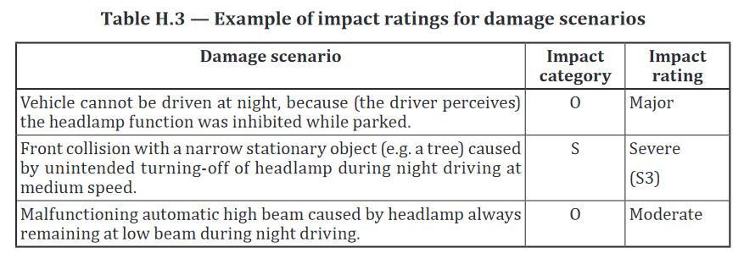
Damage scenario examples ISO 21434:2021
 |  |  |  | Threat with STRIDE | Asset Desired property
 |  |  |  | Spoofing | Authenticity
 |  |  |  | Tampering | Integrity
 |  |  |  | Repudiation | Authenticity
 |  |  |  | Information disclosure | Confidentiality
 |  |  |  | Denial of Service | Availability
 |  |  |  | Elevation of Privilege | Gouvernance
 |  |  |  | Backdoor | Gouvernance
...
Threat Examples
CIAAG Scheme | Threat | Definition | Example
Confidentiality | Information Disclosure | Exposing information to someone not authorized to see it | Allow reengineering of SW IP. Publish payment data on the web.
Integrity | Tampering | Modifying data or code | Modifying a software code executed in an ECU, or a frame transmission as it traverses the bus system.
Authenticity | Spoofing | Impersonating something or someone else | Pretending to be an ADAS ECU, which sends an emergency brake signal.
Authenticity | Repudiation | Impersonating something or someone else | “I did not use the motorway so I do not have to pay a fee”, “I did not modify the mileage counter”
Availability | Denial of Service | Deny or degrade service to users | Switch car into limp home mode. Delay emergency brake signal. Crash navigation system. Deny access to OEM cloud services.
Gouvernance | Elevation of Privilege | Gain capabilities without proper authorization | Allow a remote internet user to send signals on the vehicle bus. Allow vehicle owner to activate features without paying for them
Gouvernance | Backdoor | Gaining access to the software by malicious code | Software developer builds in a secret backdoor to later make changes to data
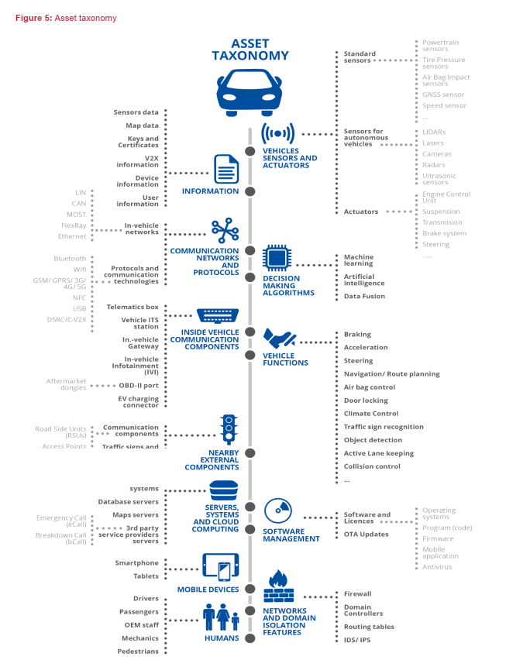
...

Step3_Guidelines
...
Guideline Step 3 Threat Scenario Identification |  | Go Back
 | Man-in-the-middle attack / Session hijacking |  | All assets | Update Process | Compromise of over the air software update procedures. This includes fabricating the system update program or firmware
Unintentional Damages (accidental) (In-vehicle communication components) | Unintentional change of data or car components configuration |  | All assets |  | Compromise of local/physical software update procedures. This includes fabricating the system update program or firmware
 | Information leakage |  | - Information - Humans |  | The software is manipulated before the update process (and is therefore corrupted), although the update process is intact
 | Using information and/or devices from an unreliable source |  | All assets |  | Compromise of cryptographic keys of the software provider to allow invalid update
 | Erroneous use or configuration of car components |  | -Vehicle sensors and actuators - Decision making algorithms - Functions - In-vehicle communication components - In-vehicle communication networks - Information - Humans - Mobile devices |  | Denial of Service attack against update server or network to prevent rollout of critical software updates and/or unlock of customer specific features
Outages (Smart cars Infrastructure and Backend systems) | Loss of GNSS signal |  | - Decision making algorithms - External communication components - Servers, systems and cloud computing - Information - Humans - Mobile devices | Unintended human action | Innocent victim (e.g. owner, operator or maintenance engineer) is tricked into taking an action to unintentionally load malware or enable an attack
 | Car depleted battery |  | - Functions - Humans - Mobile devices |  | Defined security procedures are not followed
 | Network outage |  | All assets | External connectivity and connections | Manipulation of functions designed to remotely operate vehicle systems, such as remote key, immobiliser, and charging pile
Legal | Failure to meet contractual requirements |  | All assets |  | Manipulation of vehicle telematics (e.g. manipulate temperature measurement of sensitive goods, remotely unlock cargo doors)
 | Violation of rules and regulations/Breach of legislation/ Abuse of personal data |  | All assets |  | Interference with short range wireless systems or sensors
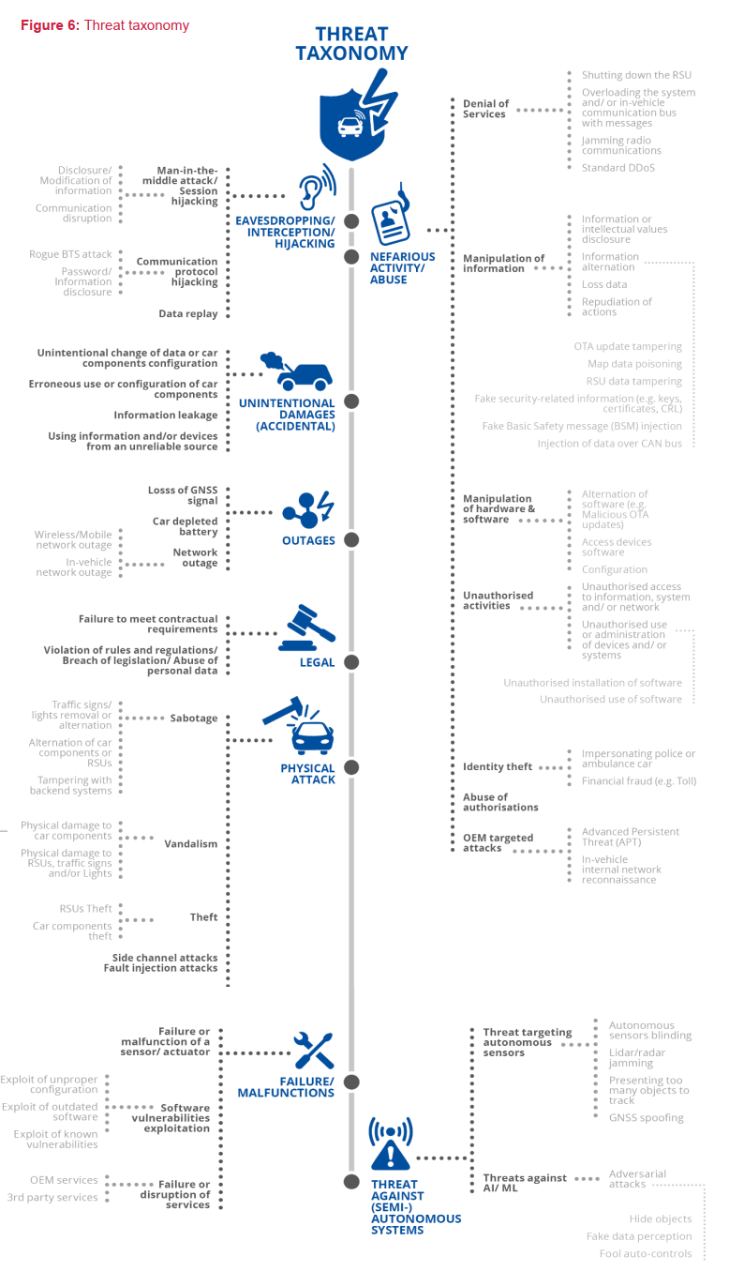
 |  |  |  |  | Corrupted applications, or those with poor software security, used as a method to attack vehicle systems
 |  |  |  |  | External interfaces such as USB or other ports used as a point of attack, for example through code injection
 |  |  |  |  | Media infected with viruses connected to the vehicle
 |  |  |  |  | Diagnostic access (e.g. dongles in OBD port) used to facilitate an attack, e.g. manipulate vehicle parameters (directly or indirectly)
 |  |  |  | Potential targets of, or motivations for, an attack | Extraction of copyright or proprietary software from vehicle systems (product piracy / stolen software)
 |  |  |  |  | Unauthorized access to the owner’s privacy information such as personal identity, payment account information, address book information, location information, vehicle’s electronic ID, etc.
 |  |  |  |  | Extraction of cryptographic keys
 |  |  |  |  | Illegal/unauthorised changes to vehicle’s electronic ID
 |  |  |  |  | Identity fraud. For example, if a user wants to display another identity when communicating with toll systems, manufacturer backend
 |  |  |  |  | Action to circumvent monitoring systems (e.g. hacking/ tampering/ blocking of messages such as ODR Tracker data, or number of runs)
 |  |  |  |  | Data manipulation to falsify vehicle’s driving data (e.g. mileage, driving speed, driving directions, etc.)
 |  |  |  |  | Unauthorised changes to system diagnostic data
 |  |  |  |  | Unauthorized deletion/manipulation of system event logs
 |  |  |  |  | Introduce malicious software or malicious software activity
 |  |  |  |  | Fabrication of software of the vehicle control system or information system
 |  |  |  |  | Denial of service, for example this may be triggered on the internal network by flooding a CAN bus, or by provoking faults on an ECU via a high rate of messaging
 |  |  |  |  | Unauthorized access to falsify configuration parameters of vehicle’s key functions, such as brake data, airbag deployed threshold, etc.
 |  |  |  |  | Unauthorized access to falsify charging parameters, such as charging voltage, charging power, battery temperature, etc.
 |  |  |  | Potential vulnerabilities that could be exploited if not sufficiently protected or hardened | Combination of short encryption keys and long period of validity enables attacker to break encryption
 |  |  |  |  | Insufficient use of cryptographic algorithms to protect sensitive systems
 |  |  |  |  | Using deprecated cryptographic algorithms
 |  |  |  |  | Hardware or software, engineered to enable an attack or fail to meet design criteria to stop an attack
 |  |  |  |  | The presence of software bugs can be a basis for potential exploitable vulnerabilities. This is particularly true if software has not been tested to verify that known bad code/bugs is not present and reduce the risk of unknown bad code/bugs being present

 |  |  |  |  | Using remainders from development (e.g. debug ports, JTAG ports, microprocessors, development certificates, developer passwords, ...) can permit an attacker to access ECUs or gain higher privileges
 |  |  |  |  | Superfluous internet ports left open, providing access to network systems
 |  |  |  |  | Circumvent network separation to gain control. Specific example is the use of unprotected gateways, or access points (such as truck-trailer gateways), to circumvent protections and gain access to other network segments to perform malicious acts, such as sending arbitrary CAN bus messages

 |  |  |  | Data loss / data breach from vehicle | Information breach. Personal data may be breached when the car changes user (e.g. is sold or is used as hire vehicle with new hirers)
 |  |  |  | Physical manipulation of systems to enable an attack | Manipulation of OEM hardware, e.g. unauthorised hardware added to a vehicle to enable "man-in-the-middle" attack
 |  |  |  | Back-end servers | Abuse of privileges by staff (insider attack)
 |  |  |  |  | Unauthorised internet access to the server (enabled for example by backdoors, unpatched system software vulnerabilities, SQL attacks or other means)
 |  |  |  |  | Unauthorised physical access to the server (conducted by for example USB sticks or other media connecting to the server)
 |  |  |  |  | Attack on back-end server stops it functioning, for example it prevents it from interacting with vehicles and providing services they rely on
 |  |  |  |  | Loss of information in the cloud. Sensitive data may be lost due to attacks or accidents when data is stored by third-party cloud service providers
 |  |  |  |  | Information breach by unintended sharing of data (e.g. admin errors, storing data in servers in garages)
 |  |  |  | Unintended human actions | Innocent victim (e.g. owner, operator or maintenance engineer) is tricked into taking an action to unintentionally load malware or enable an attack
 |  |  |  |  | Defined security procedures are not followed
 |  |  |  | Physical loss of data loss | Damage caused by a third party. Sensitive data may be lost or compromised due to physical damages in cases of traffic accident or theft
 |  |  |  |  | Loss from DRM (digital right management) conflicts. User data may be deleted due to DRM issues
 |  |  |  |  | The (integrity of) sensitive data may be lost due to IT components wear and tear, causing potential cascading issues (in case of key alteration, for example)

