Misc
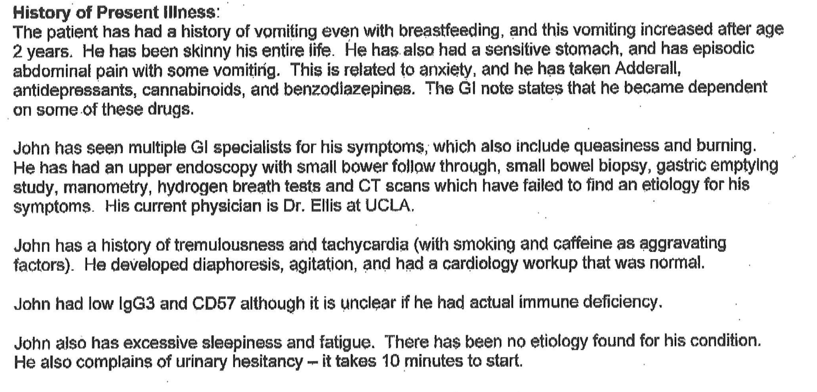
Notes on Family History
brother | short, Reynaud's, ADHD
mother | memory issues during stress, unexplained weight loss, osteopenia
father | stroke, aspergers, underweight until his 30's, Alcohol abuse, Dementia, Aphasia, Arthritis, Hypertension
paternal uncle | thin, chronic C. difficile infection,
maternal aunt | young heart bypass
maternal gma | Alzheimers
maternal gpa | atrial fibrillation

Notes on past procedures
uvula thing
antiviral
antibiotics
intestine thing
two doctor advised fecal transplants
??

Notes on other diseases/disorders
Smith Family Clinic results suggest altered metabolism of amitryptyline, citalopram, escitalopram, ribavarin, PEG interferon-alfa2b, PEG interferon-alfa-2a, telaprevir, atazanavir, and ritonavir

Questions
how to deal with blood and metabolites

Notes
FILE: 7MB, p14, table of 56 known disease variants he was negative for; partly rules out those diseases

"mtDNA test negative" |  | Adult | 2016-08-08 | Gene DX | MedicalRecords_Baylor Various Genetic Workups | 15 | Blood
"no mtDNA variants" |  | Adult | 2016-08-08 | Gene DX | MedicalRecords_Baylor Various Genetic Workups | 7 | Blood
"no variants related to symptoms" |  | Adult | 24/10/2018 | HudsonAlpha | MedicalRecords_Hudon Alpha Lab Results | 1 | Blood
CYP1C19*17 | ??? | durg processing plavix | VUS

