APOE (LDL)
19_44908822_C_T (APOE) GCST002222 (LDL) |  |  |  |  | https://genetics.opentargets.org/study-locus/GCST002222/19_44908822_C_T
 |  |  |  |  | https://my.locuszoom.org/gwas/658048/region/?chrom=19&start=45212079&end=45612079
Total variants in Locus: | 481 |  |  |  | n_sample | 94595
Total CARMA outliers: | 28
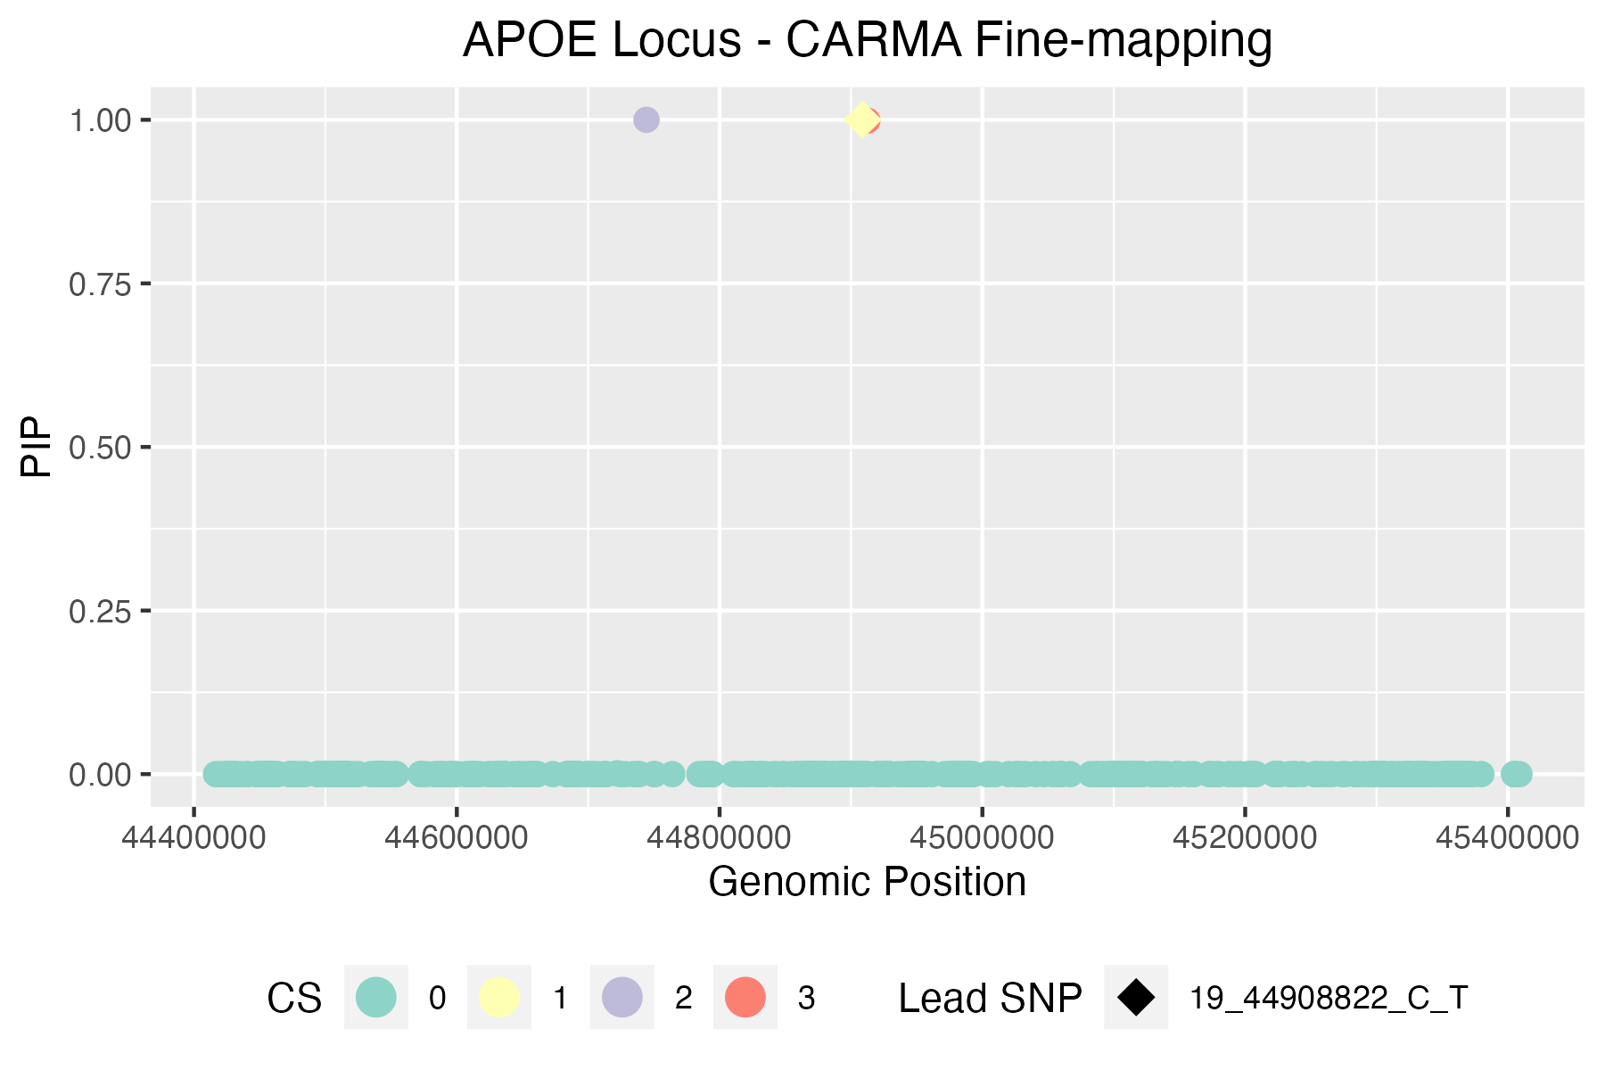
 |  |  |  |  |  |  |  |  |  |  |  | CARMA Outliers |  |  |  |  | CARMA total print out
CARMA credible sets | * variants in bold appear in >1 FM method |  |  |  |  |  |  |  |  |  |  | Index_outlier | ID_outlier | snp_outlier | pval_outlier | Z_outlier | [[1]]$`Credible set`
ID | chrom | pos | ref | alt | n_total | Z | pval | PIP | CS | Rsquare |  | 228 | 19_44886339_G_A | 19:44886339 | 3.85e-326 | 40.781512605 | [[1]]$`Credible set`[[1]]
19_44912383_G_A | 19 | 44912383 | G | A | 105162.33 | 44.864197531 | 6.56e-397 | 0.99870832972 | 3 | 0.695569 |  | 256 | 19_44909484_C_G | 19:44909484 | 0.05671 | 2.2941176471 | [1] 3 1 1
19_44744370_A_G | 19 | 44744370 | A | G | 164086.2 | 28.064102564 | 1.70E-162 | 0.99998392639 | 2 | 0.173859 |  | 239 | 19_44897490_T_A | 19:44897490 | 1.63E-186 | 29.26
19_44908822_C_T | 19 | 44908822 | C | T | 82533.09 | 58.396039604 | 1.24e-652 | 1 | 1 | 1 |  | 231 | 19_44892362_A_G | 19:44892362 | 1.72E-214 | 32.127272727 | [[1]]$`Credible set`[[2]]
 |  |  |  |  |  |  |  |  |  |  |  | 230 | 19_44892009_G_A | 19:44892009 | 9.24E-119 | 23.955555556 | [[1]]$`Credible set`[[2]][[1]]
SuSiE credible sets (R package) |  |  |  |  |  |  |  |  |  |  |  | 244 | 19_44900667_C_T | 19:44900667 | 0.0003613 | 3.905982906 | [1] 255
CredibleSet | position | z_vector | PIP | ID | PValue | CARMA Outlier |  |  |  |  |  | 257 | 19_44910319_C_T | 19:44910319 | 8.489E-33 | 12.703125
L1 | 255 | 58.3960396 | 1 | 19_44908822_C_T | 1.24e-652 | 0 |  |  |  |  |  | 249 | 19_44903416_G_A | 19:44903416 | 0.0917 | 2.5087719298 | [[1]]$`Credible set`[[2]][[2]]
L2 | 229 | 22.82142857 | 1 | 19_44888997_C_T | 5.12E-110 | 1 |  |  |  |  |  | 246 | 19_44901175_G_A | 19:44901175 | 0.004107 | 3.1065989848 | [1] 171
L3 | 257 | 12.703125 | 1 | 19_44910319_C_T | 8.49E-33 | 1 |  |  |  |  |  | 247 | 19_44901434_A_G | 19:44901434 | 0.00958 | 3.2592592593
L4 | 262 | 29.23376623 | 1 | 19_44919689_A_G | 1.51E-178 | 0 |  |  |  |  |  | 229 | 19_44888997_C_T | 19:44888997 | 5.12E-110 | 22.821428571 | [[1]]$`Credible set`[[2]][[3]]
L5 | 230 | 23.95555556 | 1 | 19_44892009_G_A | 9.24E-119 | 1 |  |  |  |  |  | 227 | 19_44885917_T_A | 19:44885917 | 1.26E-93 | 21.319148936 | [1] 259
L6 | 254 | 7.215686275 | 1 | 19_44907187_G_A | 2.39E-11 | 0 |  |  |  |  |  | 248 | 19_44901805_A_G | 19:44901805 | 0.000008763 | 4.6226415094
L8 | 251 | 20.325 | 1 | 19_44905579_T_G | 2.84E-84 | 0 |  |  |  |  |  | 245 | 19_44900864_G_A | 19:44900864 | 0.06809 | 1.9965277778
L9 | 232 | 0.843137255 | 1 | 19_44893642_T_C | 0.3974 | 0 |  |  |  |  |  | 250 | 19_44904531_G_A | 19:44904531 | 0.000001009 | 5.0392156863
 |  |  |  |  |  |  |  |  |  |  |  | 222 | 19_44878777_A_G | 19:44878777 | 4.646E-88 | 21.41025641 | [[1]]$`Credible model`
SLALOM+SuSiE credible sets (SuSiE Python package) |  |  |  |  |  |  |  |  |  |  |  | 253 | 19_44906745_G_A | 19:44906745 | 4.9E-161 | 28.171052632 | [[1]]$`Credible model`[[1]]
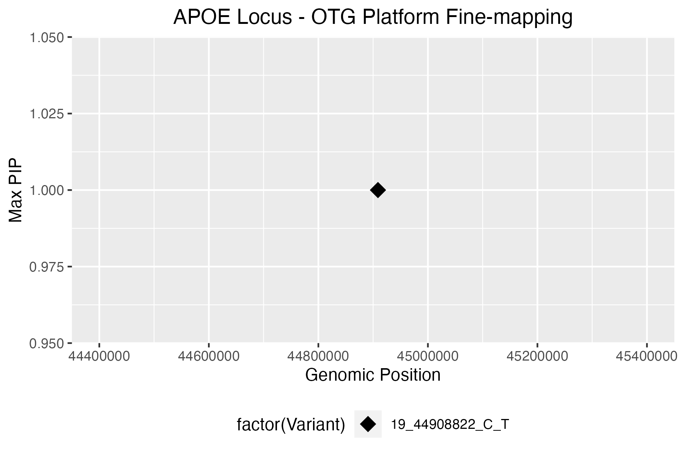
* issue where it's outputting that no credible sets exist |  |  |  |  |  |  |  |  |  |  |  | 258 | 19_44911194_T_C | 19:44911194 | 1.044E-12 | 7.1666666667 | [[1]]$`Credible model`[[1]][[1]]
 |  |  |  |  |  |  |  |  |  |  |  | 190 | 19_44825957_T_G | 19:44825957 | 2.6E-118 | 24.394736842 | [1] 171 255 259
 |  |  |  |  |  |  |  |  |  |  |  | 220 | 19_44875803_A_C | 19:44875803 | 7.952E-45 | 14.350877193
 |  |  |  |  |  |  |  |  |  |  |  | 167 | 19_44728212_G_A | 19:44728212 | 0.1295 | 1.1666666667
OTG PIPs |  |  |  |  |  |  |  |  |  |  |  | 172 | 19_44749847_T_A | 19:44749847 | 0.00001929 | 3.7868852459 | [[1]]$`Credible model`[[2]]
Variant | Position | Maximum Posterior Probability | Product of Posterior Probabilities (across selected studies) | CARMA Outlier |  |  |  |  |  |  |  | 168 | 19_44734556_T_C | 19:44734556 | 1.069E-60 | 16.7 | Posterior.Prob
19_44908822_C_T | 44908822 | 1 | 1 | 0 |  |  |  |  |  |  |  | 175 | 19_44784592_G_T | 19:44784592 | 0.01954 | 2.5266666667 | 1 0.9986923
 |  |  |  |  |  |  |  |  |  |  |  | 180 | 19_44794197_A_C | 19:44794197 | 0.001085 | 3.1166666667
PICS2 credible set |  |  |  |  |  |  |  |  |  |  |  | 183 | 19_44811510_C_T | 19:44811510 | 0.00993 | 3.5353535354 | [[1]]$`Credible model`[[3]]
Req | Index_SNP | Linked_SNP | Linked_position_hg38 (hg19) | Linked_RefAlt | Consequence | eQTL Gene | Dprime | Rsquare | Phase | PICS Prob | CARMA Outlier | 184 | 19_44814896_G_T | 19:44814896 | 0.5218 | 0.95 | [1] 171 255 259
1 | 19:44908822 | 19:44908822 | 19:44908822 (19:45412079) | C:T | missense_variant | NA | 1 | 1 | N,N | 0.5 | 0 | 240 | 19_44898409_A_G | 19:44898409 | 2.97E-22 | 9.9268292683
1 | 19:44908822 | 19:44909976 | 19:44909976 (19:45413233) | G:T | non_coding_transcript_exon_variant | NA | 1 | 1 | C,G | 0.5 | 0
1 | 19:44908822 | 19:44911142 | 19:44911142 (19:45414399) | C:A | non_coding_transcript_exon_variant | NA | 1 | 0.6482 | C,C | 0 | 0 |  |  |  |  |  | [[1]]$Outliers
1 | 19:44908822 | 19:44912383 | 19:44912383 (19:45415640) | G:A | non_coding_transcript_exon_variant | NA | 1 | 0.6407 | C,G | 0 | 0 |  |  |  |  |  | Index Z
1 | 19:44908822 | 19:44913574 | 19:44913574 (19:45416831) | T:G | non_coding_transcript_exon_variant | NA | 1 | 0.6407 | C,T | 0 | 0 |  |  |  |  |  | 1 228 40.781513
1 | 19:44908822 | 19:44921921 | 19:44921921 (19:45425178) | G:A | upstream_gene_variant | NA | 0.9516 | 0.6347 | C,G | 0 | 0 |  |  |  |  |  | 2 256 2.294118
1 | 19:44908822 | 19:44923535 | 19:44923535 (19:45426792) | G:A | upstream_gene_variant | NA | 0.9516 | 0.6347 | C,G | 0 | 0 |  |  |  |  |  | 3 239 29.260000
 |  |  |  |  |  |  |  |  |  |  |  |  |  |  |  |  | 4 231 32.127273
 |  |  |  |  |  |  |  |  |  |  |  |  |  |  |  |  | 5 230 23.955556
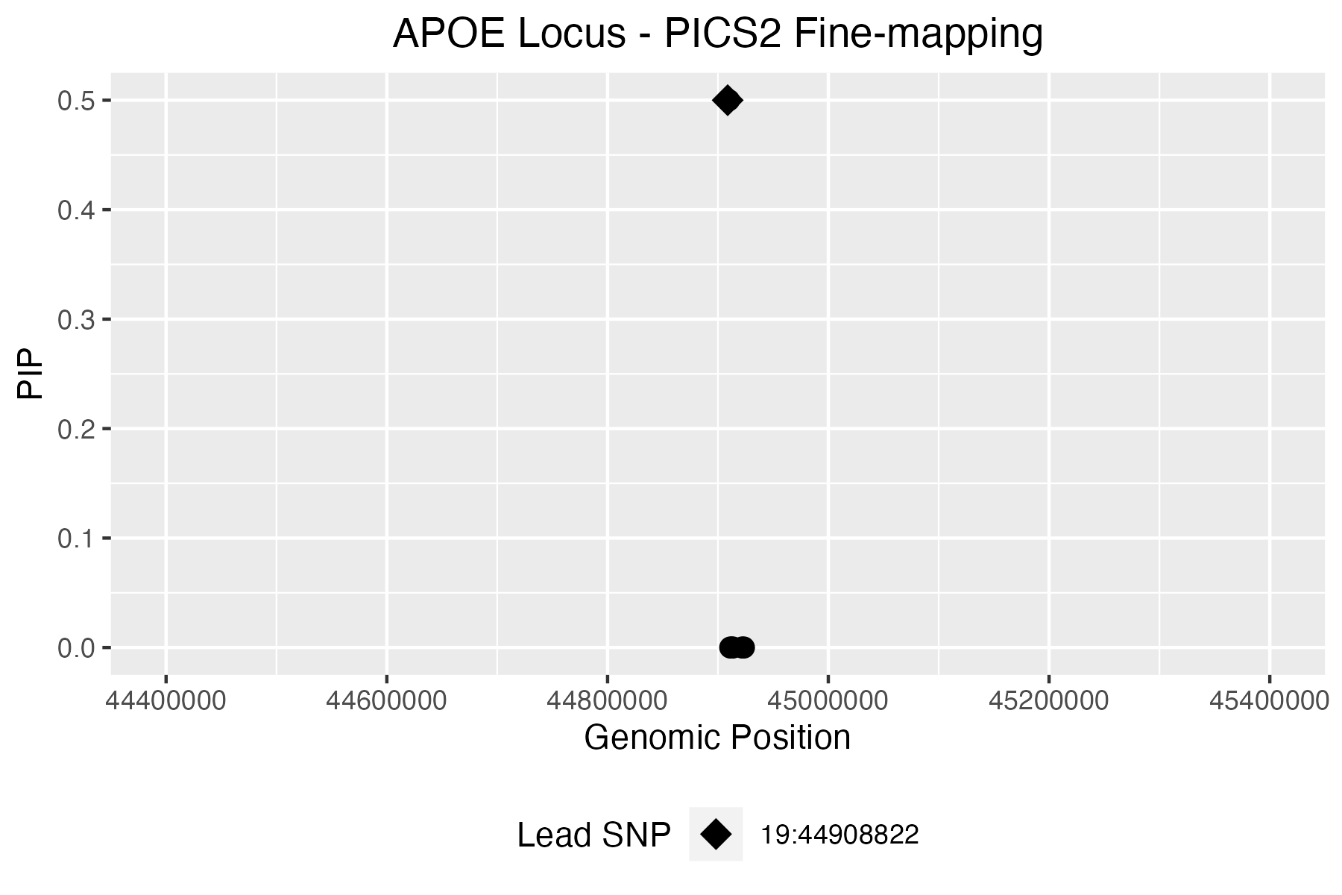
 |  |  |  |  |  |  |  |  |  |  |  |  |  |  |  |  | 6 244 3.905983
 |  |  |  |  |  |  |  |  |  |  |  |  |  |  |  |  | 7 257 12.703125
 |  |  |  |  |  |  |  |  |  |  |  |  |  |  |  |  | 8 249 2.508772
 |  |  |  |  |  |  |  |  |  |  |  |  |  |  |  |  | 9 246 3.106599
 |  |  |  |  |  |  |  |  |  |  |  |  |  |  |  |  | 10 247 3.259259
 |  |  |  |  |  |  |  |  |  |  |  |  |  |  |  |  | 11 229 22.821429
 |  |  |  |  |  |  |  |  |  |  |  |  |  |  |  |  | 12 227 21.319149
 |  |  |  |  |  |  |  |  |  |  |  |  |  |  |  |  | 13 248 4.622642
 |  |  |  |  |  |  |  |  |  |  |  |  |  |  |  |  | 14 245 1.996528
 |  |  |  |  |  |  |  |  |  |  |  |  |  |  |  |  | 15 250 5.039216
 |  |  |  |  |  |  |  |  |  |  |  |  |  |  |  |  | 16 222 21.410256
 |  |  |  |  |  |  |  |  |  |  |  |  |  |  |  |  | 17 253 28.171053
 |  |  |  |  |  |  |  |  |  |  |  |  |  |  |  |  | 18 258 7.166667
 |  |  |  |  |  |  |  |  |  |  |  |  |  |  |  |  | 19 190 24.394737
 |  |  |  |  |  |  |  |  |  |  |  |  |  |  |  |  | 20 220 14.350877
 |  |  |  |  |  |  |  |  |  |  |  |  |  |  |  |  | 21 167 1.166667
 |  |  |  |  |  |  |  |  |  |  |  |  |  |  |  |  | 22 172 3.786885
 |  |  |  |  |  |  |  |  |  |  |  |  |  |  |  |  | 23 168 16.700000
 |  |  |  |  |  |  |  |  |  |  |  |  |  |  |  |  | 24 175 2.526667
 |  |  |  |  |  |  |  |  |  |  |  |  |  |  |  |  | 25 180 3.116667
 |  |  |  |  |  |  |  |  |  |  |  |  |  |  |  |  | 26 183 3.535354
 |  |  |  |  |  |  |  |  |  |  |  |  |  |  |  |  | 27 184 0.950000
 |  |  |  |  |  |  |  |  |  |  |  |  |  |  |  |  | 28 240 9.926829

CLCN6 (BP)
1_11816605_G_A (CLCN6) GCST90025981 (Blood Pressure) |  |  |  |  | https://genetics.opentargets.org/study-locus/GCST90025981/1_11816605_G_A |  |  |  |  |  |  |  | Index_outlier | Z_outlier | pval_outlier | snp_outlier | ID_outlier
 |  |  |  |  | n_sample | 422713 |  |  |  |  |  |  | 334 | 10.801495331 | 1.9E-27 | 1:11794698 | 1_11794698_G_A
Total variants in Locus: | 673 |  |  |  |  |  |  |  |  |  |  |  | 298 | 10.550658728 | 3.5E-26 | 1:11784273 | 1_11784273_C_T
Total CARMA outliers: | 68 |  |  |  |  |  |  |  |  |  |  |  | 279 | 9.8196568471 | 1.3E-22 | 1:11778791 | 1_11778791_G_T
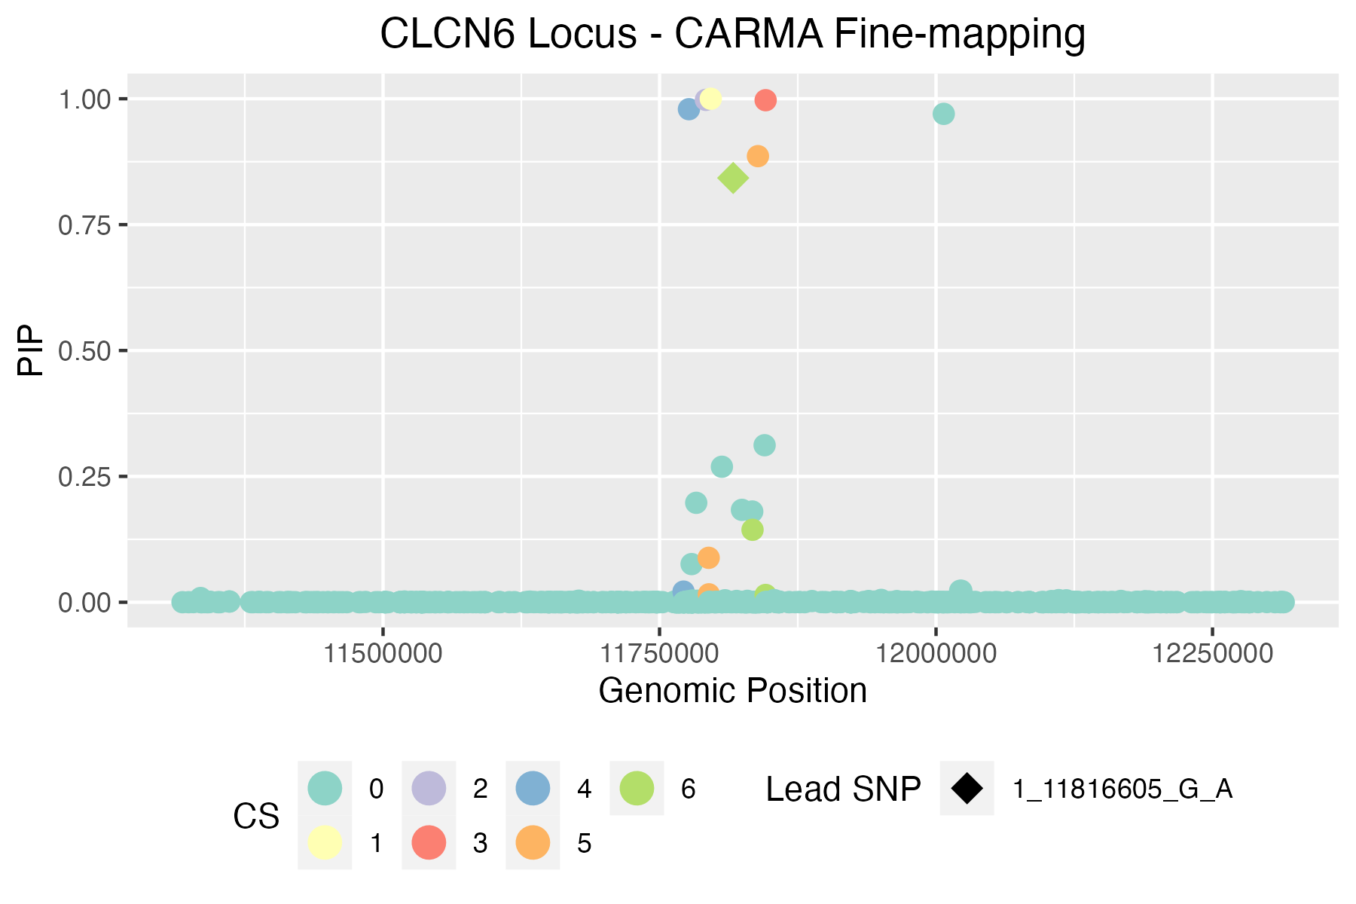
 |  |  |  |  |  |  |  |  |  |  |  |  | 290 | 9.8372673998 | 1.1E-22 | 1:11779909 | 1_11779909_G_A
CARMA credible sets | * variants in bold appear in >1 FM method |  |  |  |  |  |  |  |  |  |  |  | 261 | 9.7635074182 | 2.3E-22 | 1:11772043 | 1_11772043_T_A
ID | chrom | pos | ref | alt | Z | pval | PIP | CS | Rsquare |  |  |  | 274 | 9.811784568 | 1.5E-22 | 1:11776625 | 1_11776625_C_T
1_11816605_G_A | 1 | 11816605 | G | A | -15.983426702 | 2.20E-59 | 0.84266758705 | 6 | 1 |  |  |  | 263 | 9.7430796208 | 2.9E-22 | 1:11772254 | 1_11772254_G_C | [[1]]$`Credible set`
1_11834076_A_G | 1 | 11834076 | A | G | -15.834926684 | 2.50E-58 | 0.1439005819 | 6 | 0.994212 |  |  |  | 270 | 9.6198650282 | 8.6E-22 | 1:11776385 | 1_11776385_G_A | [[1]]$`Credible set`[[1]]
1_11845917_A_G | 1 | 11845917 | A | G | -15.602036743 | 3.60E-56 | 0.014470183864 | 6 | 0.983643 |  |  |  | 293 | 8.8053626324 | 5.3E-18 | 1:11779941 | 1_11779941_T_C | [1] 6.000000 1.833333 0.967457
1_11794419_T_G | 1 | 11794419 | T | G | -14.747610346 | 1.00E-48 | 0.088259670524 | 5 | 0.117484 |  |  |  | 244 | 9.9810550071 | 4.5E-24 | 1:11764518 | 1_11764518_T_C
1_11794614_C_A | 1 | 11794614 | C | A | -10.628536082 | 1.40E-26 | 0.015754499304 | 5 | 0.167917 |  |  |  | 245 | 7.4958878077 | 3.2E-14 | 1:11764521 | 1_11764521_C_T | [[1]]$`Credible set`[[2]]
1_11838976_G_T | 1 | 11838976 | G | T | -9.7653693124 | 9.20E-23 | 0.88600822009 | 5 | 0.156731 |  |  |  | 243 | 7.5010304106 | 3.3E-14 | 1:11764499 | 1_11764499_A_G | [[1]]$`Credible set`[[2]][[1]]
1_11771699_A_G | 1 | 11771699 | A | G | 1.0795817515 | 0.29 | 0.021154808136 | 4 | 0.0226625 |  |  |  | 367 | -6.7059280067 | 9.3E-12 | 1:11827316 | 1_11827316_T_TG | [1] 337
1_11776571_T_C | 1 | 11776571 | T | C | 1.3700619866 | 0.18 | 0.9792651636 | 4 | 0.0227112 |  |  |  | 429 | -6.3117464455 | 1E-10 | 1:11922487 | 1_11922487_T_C
1_11845938_C_A | 1 | 11845938 | C | A | -12.3796032 | 6.50E-35 | 0.99711037593 | 3 | 0.00432033 |  |  |  | 436 | -4.2497517162 | 0.000037 | 1:11923149 | 1_11923149_A_G | [[1]]$`Credible set`[[2]][[2]]
1_11791870_C_T | 1 | 11791870 | C | T | 5.8282996759 | 1.10E-08 | 0.99777660321 | 2 | Issue |  |  |  | 347 | -3.1306661369 | 0.0047 | 1:11806394 | 1_11806394_G_A | [1] 325
1_11796321_G_A | 1 | 11796321 | G | A | 10.502100583 | 3.50E-26 | 0.99999998134 | 1 | 0.0287306 |  |  |  | 403 | -3.0538124002 | 0.0063 | 1:11847591 | 1_11847591_C_T
 |  |  |  |  |  |  |  |  |  |  |  |  | 430 | -5.6546456848 | 0.000000069 | 1:11922523 | 1_11922523_G_A | [[1]]$`Credible set`[[2]][[3]]
SuSiE credible sets (R package) |  |  |  |  |  |  |  |  |  |  |  |  | 503 | -5.284880825 | 0.0000003 | 1:12011376 | 1_12011376_C_G | [1] 398
CredibleSet | position | z_vector | PIP | ID | PValue | CARMA Outlier |  |  |  |  |  |  | 445 | -4.8820441465 | 0.0000023 | 1:11940613 | 1_11940613_T_C
L1 | 281 | -9.7461260623 | 1 | 1_11778976_G_T | 7.50E-22 | 0 |  |  |  |  |  |  | 246 | 2.729544542 | 0.0099 | 1:11765794 | 1_11765794_G_C | [[1]]$`Credible set`[[2]][[4]]
L2 | 298 | 10.550658728 | 1 | 1_11784273_C_T | 3.50E-26 | 1 |  |  |  |  |  |  | 258 | 2.0622800019 | 0.039 | 1:11771558 | 1_11771558_C_T | [1] 272 260
L3 | 350 | -10.664321812 | 1 | 1_11809173_C_T | 6.40E-27 | 0 |  |  |  |  |  |  | 251 | 2.1892851949 | 0.036 | 1:11768181 | 1_11768181_G_A
L4 | 334 | 10.801495331 | 1 | 1_11794698_G_A | 1.90E-27 | 1 |  |  |  |  |  |  | 248 | 2.4529042629 | 0.021 | 1:11766573 | 1_11766573_C_T | [[1]]$`Credible set`[[2]][[5]]
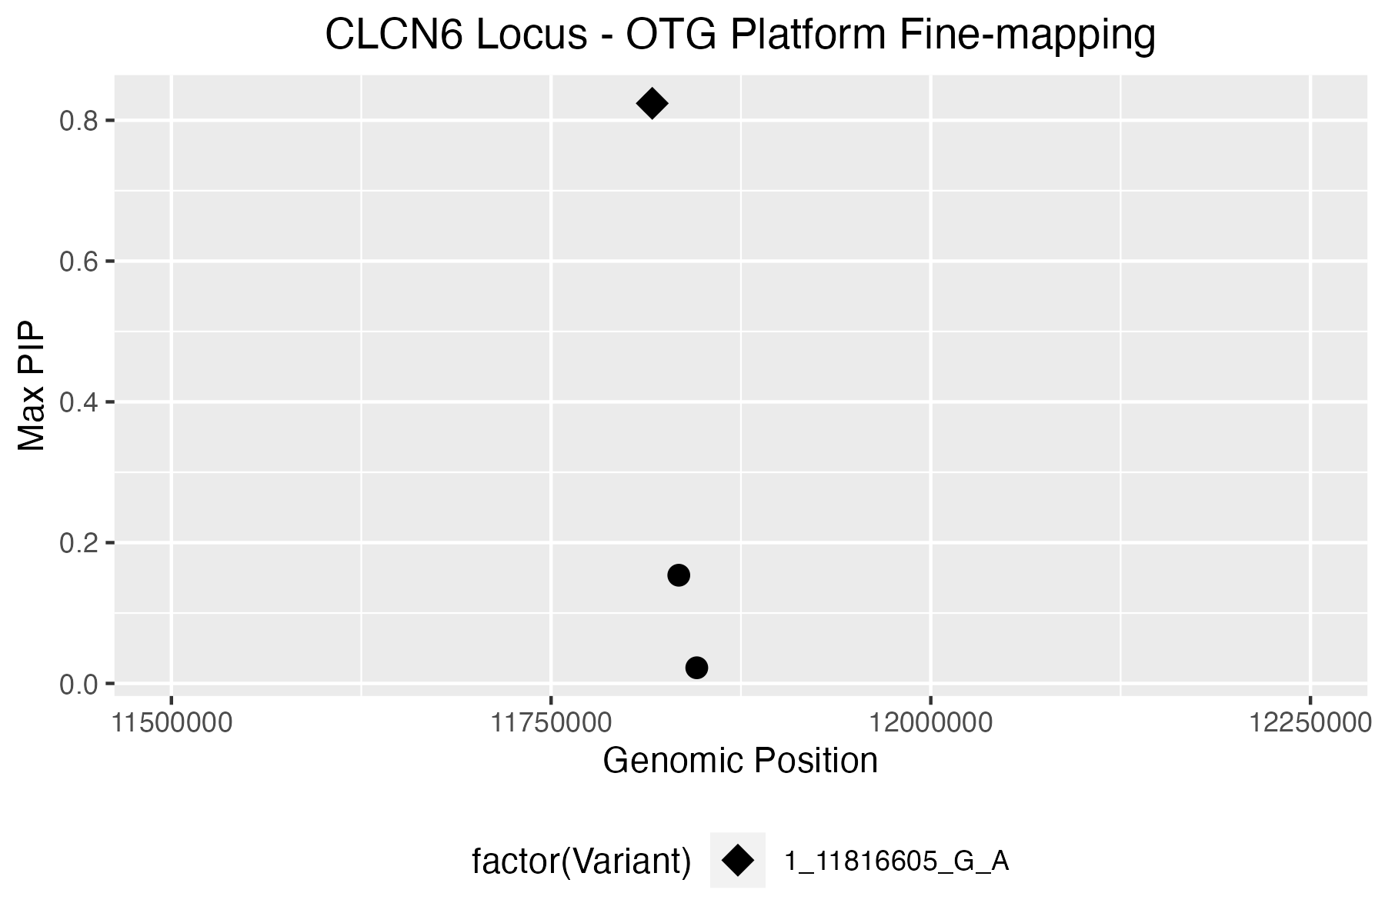
L5 | 356 | -10.713509004 | 1 | 1_11819628_C_T | 1.30E-26 | 0 |  |  |  |  |  |  | 252 | 2.1711933649 | 0.037 | 1:11768262 | 1_11768262_G_A | [1] 391 332 333
L9 | 332 | -14.747610346 | 1 | 1_11794419_T_G | 1.00E-48 | 0 |  |  |  |  |  |  | 250 | 1.7604986674 | 0.094 | 1:11767298 | 1_11767298_A_G
L10 | 293 | 8.8053626324 | 1 | 1_11779941_T_C | 5.30E-18 | 1 |  |  |  |  |  |  | 459 | -4.6451022501 | 0.0000072 | 1:11956900 | 1_11956900_T_G | [[1]]$`Credible set`[[2]][[6]]
 |  |  |  |  |  |  |  |  |  |  |  |  | 307 | -2.628026938 | 0.0073 | 1:11786195 | 1_11786195_G_A | [1] 354 377 396
SLALOM+SuSiE credible sets (SuSiE Python package) |  |  |  |  |  |  |  |  |  |  |  |  | 489 | 2.0008860211 | 0.022 | 1:12000508 | 1_12000508_T_C
ID | p | z | t_dentist_s | dentist_outlier | prob | cs | CARMA Outlier |  |  |  |  |  | 484 | 1.2821229182 | 0.19 | 1:11986006 | 1_11986006_G_T
1_11776385_G_A | 8.60E-22 | 9.6198650282 | 102.74879653 | 0 | 1 | 1 | 1 |  |  |  |  |  | 269 | -13.119877899 | 2.8E-39 | 1:11775499 | 1_11775499_C_T
1_11776571_T_C | 0.18 | 1.3700619866 | 3.5437241909 | 0 | 1 | 2 | 0 |  |  |  |  |  | 382 | -11.599122787 | 3.3E-30 | 1:11835909 | 1_11835909_G_C | [[1]]$`Credible model`
1_11776625_C_T | 1.50E-22 | 9.811784568 | 106.67844882 | 0 | 1 | 6 | 1 |  |  |  |  |  | 424 | 2.9864991586 | 0.0013 | 1:11909787 | 1_11909787_A_G | [[1]]$`Credible model`[[1]]
1_11779144_T_A | 3.10E-39 | -13.102337406 | 158.6928805 | 0 | 1 | 4 | 0 |  |  |  |  |  | 314 | -2.264772037 | 0.021 | 1:11788082 | 1_11788082_G_A | [[1]]$`Credible model`[[1]][[1]]
1_11784273_C_T | 3.50E-26 | 10.550658728 | 122.49572542 | 0 | 1 | 3 | 1 |  |  |  |  |  | 338 | -11.463557574 | 2E-29 | 1:11799579 | 1_11799579_G_A | [1] 272 325 337 354 391 395 398 498
1_11786195_G_A | 0.0073 | -2.628026938 | 4.4844803815 | 0 | 1 | 5 | 1 |  |  |  |  |  | 362 | -11.566960497 | 5.7E-30 | 1:11824562 | 1_11824562_G_A
 |  |  |  |  |  |  |  |  |  |  |  |  | 327 | -13.84323417 | 4.7E-45 | 1:11792459 | 1_11792459_C_T | [[1]]$`Credible model`[[1]][[2]]
OTG PIPs |  |  |  |  |  |  |  |  |  |  |  |  | 292 | -0.18943106882 | 0.81 | 1:11779915 | 1_11779915_G_A | [1] 272 325 337 346 354 391 395 398 498
Variant | Position | Maximum Posterior Probability | Product of Posterior Probabilities (across selected studies) | CARMA Outlier |  |  |  |  |  |  |  |  | 275 | -0.23537045425 | 0.81 | 1:11778589 | 1_11778589_A_C
1_11816605_G_A | 11816605 | 0.8240841541 | 0.8240841541 | 0 |  |  |  |  |  |  |  |  | 291 | 4.1346084552 | 0.000034 | 1:11779914 | 1_11779914_C_T | [[1]]$`Credible model`[[1]][[3]]
1_11834076_A_G | 11834076 | 0.15369252306 | 0.15369252306 | 0 |  |  |  |  |  |  |  |  | 363 | -11.563681598 | 5.4E-30 | 1:11827068 | 1_11827068_C_T | [1] 272 325 337 354 375 391 395 398 498
1_11845917_A_G | 11845917 | 0.022222944826 | 0.022222944826 | 0 |  |  |  |  |  |  |  |  | 247 | -2.8532727985 | 0.01 | 1:11766028 | 1_11766028_G_A
 |  |  |  |  |  |  |  |  |  |  |  |  | 288 | -0.17953579003 | 0.82 | 1:11779793 | 1_11779793_CT_C | [[1]]$`Credible model`[[1]][[4]]
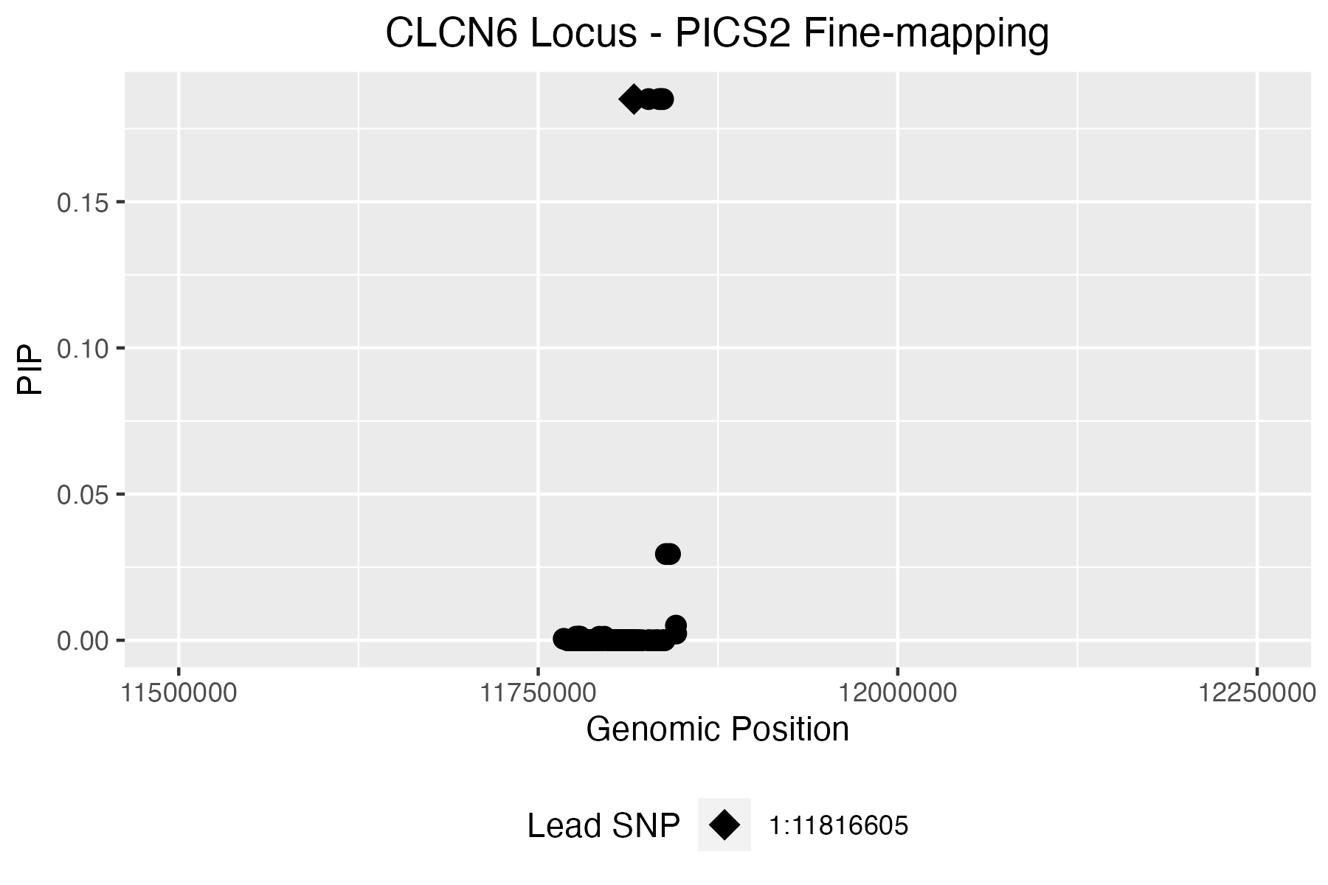
PICS2 credible set |  |  |  |  |  |  |  |  |  |  |  |  | 262 | -0.054150695829 | 0.94 | 1:11772232 | 1_11772232_C_A | [1] 272 325 337 346 354 391 398 498
Req | Index_SNP | Linked_SNP | Linked_position_hg38 (hg19) | Linked_RefAlt | Consequence | eQTL Gene | Dprime | Rsquare | Phase | PICS Prob | CARMA Outlier |  | 339 | 0.058010525351 | 0.94 | 1:11800401 | 1_11800401_C_T
1 | 1:11816605 | 1:11816605 | 1:11816605 (1:11876662) | G:A | intron_variant | NA | 1 | 1 | N,N | 0.1851 | 0 |  | 271 | -0.03135757198 | 0.95 | 1:11776393 | 1_11776393_A_G | [[1]]$`Credible model`[[1]][[5]]
1 | 1:11816605 | 1:11826747 | 1:11826747 (1:11886804) | G:T | intron_variant | NA | 1 | 1 | G,G | 0.1851 | 0 |  | 256 | -12.993464928 | 6.5E-39 | 1:11771486 | 1_11771486_C_T | [1] 272 325 337 354 375 391 398 498
1 | 1:11816605 | 1:11834076 | 1:11834076 (1:11894133) | A:G | intron_variant | NA | 1 | 1 | G,A | 0.1851 | 0 |  | 280 | -13.153068451 | 1.8E-39 | 1:11778952 | 1_11778952_C_T
1 | 1:11816605 | 1:11835418 | 1:11835418 (1:11895475) | C:A | intron_variant | NA | 1 | 1 | G,C | 0.1851 | 0 |  | 278 | -13.136565178 | 2.3E-39 | 1:11778784 | 1_11778784_A_G | [[1]]$`Credible model`[[1]][[6]]
1 | 1:11816605 | 1:11836799 | 1:11836799 (1:11896856) | C:A | intron_variant | NA | 1 | 1 | G,C | 0.1851 | 0 |  | 296 | 4.1189384436 | 0.00004 | 1:11783783 | 1_11783783_G_A | [1] 272 325 337 354 361 391 398 498
1 | 1:11816605 | 1:11838802 | 1:11838802 (1:11898859) | G:A | missense_variant | NA | 1 | 0.984 | G,G | 0.0295 | 0 |  | 285 | 3.9944321381 | 0.000061 | 1:11779151 | 1_11779151_C_T
1 | 1:11816605 | 1:11841637 | 1:11841637 (1:11901694) | G:A | 3_prime_UTR_variant | NA | 1 | 0.984 | G,G | 0.0295 | 0 |  | 485 | 4.1510104524 | 0.000037 | 1:11992348 | 1_11992348_G_A | [[1]]$`Credible model`[[1]][[7]]
1 | 1:11816605 | 1:11845794 | 1:11845794 (1:11905851) | A:G | 3_prime_UTR_variant | NPPA | 0.9835 | 0.9516 | G,A | 0.005 | 0 |  | 204 | -2.5013071622 | 0.0072 | 1:11712246 | 1_11712246_A_G | [1] 272 295 325 337 354 391 398 498
1 | 1:11816605 | 1:11845917 | 1:11845917 (1:11905974) | A:G | 3_prime_UTR_variant | NA | 0.9675 | 0.9361 | G,A | 0.0023 | 0 |  | 392 | -11.258707806 | 1.9E-28 | 1:11840085 | 1_11840085_C_T
1 | 1:11816605 | 1:11776273 | 1:11776273 (1:11836330) | AAAAAAC:A | intron_variant | NA | 0.9837 | 0.9226 | G,AAAAAAC | 0.0012 | 0 |  | 308 | 3.9817697468 | 0.000074 | 1:11787379 | 1_11787379_T_C | [[1]]$`Credible model`[[1]][[8]]
1 | 1:11816605 | 1:11777524 | 1:11777524 (1:11837581) | G:A | non_coding_transcript_exon_variant | NA | 0.9837 | 0.9226 | G,G | 0.0012 | 0 |  | 370 | -11.499026039 | 1.1E-29 | 1:11829156 | 1_11829156_T_G | [1] 272 295 325 337 346 354 391 398 498
1 | 1:11816605 | 1:11778705 | 1:11778705 (1:11838762) | G:A | synonymous_variant | NA | 0.9837 | 0.9226 | G,G | 0.0012 | 0 |  | 381 | -11.396915868 | 3.6E-29 | 1:11835610 | 1_11835610_G_C
1 | 1:11816605 | 1:11779169 | 1:11779169 (1:11839226) | A:G | non_coding_transcript_exon_variant | NA | 0.9837 | 0.9226 | G,A | 0.0012 | 0 |  | 384 | -3.1678648198 | 0.0042 | 1:11837025 | 1_11837025_C_T | [[1]]$`Credible model`[[1]][[9]]
1 | 1:11816605 | 1:11792459 | 1:11792459 (1:11852516) | C:T | intron_variant | NA | 0.9837 | 0.9226 | G,C | 0.0012 | 1 |  | 371 | -3.0554104292 | 0.0057 | 1:11829168 | 1_11829168_G_A | [1] 272 281 325 337 354 391 398 498
1 | 1:11816605 | 1:11796027 | 1:11796027 (1:11856084) | G:A | intron_variant | NA | 0.9837 | 0.9226 | G,G | 0.0012 | 0 |  | 390 | -3.101370253 | 0.0049 | 1:11838732 | 1_11838732_G_T
1 | 1:11816605 | 1:11767739 | 1:11767739 (1:11827796) | T:C | intron_variant | NA | 0.9674 | 0.9064 | G,T | 0.0005 | 0 |  | 389 | -11.217772323 | 3.9E-29 | 1:11837535 | 1_11837535_A_G | [[1]]$`Credible model`[[1]][[10]]
1 | 1:11816605 | 1:11813455 | 1:11813455 (1:11873512) | A:G | intron_variant | NA | 1 | 0.8714 | G,A | 0 | 0 |  | 264 | -8.3946374901 | 1.8E-16 | 1:11772311 | 1_11772311_G_C | [1] 272 295 325 337 354 375 391 398 498
1 | 1:11816605 | 1:11803847 | 1:11803847 (1:11863904) | C:T | 5_prime_UTR_variant | NA | 1 | 0.6361 | G,C | 0 | 0 |  | 267 | -13.104631424 | 3.4E-39 | 1:11775398 | 1_11775398_T_G
1 | 1:11816605 | 1:11804092 | 1:11804092 (1:11864149) | G:A | 5_prime_UTR_variant | NA | 1 | 0.6361 | G,G | 0 | 0 |  | 407 | -2.1181364073 | 0.08 | 1:11857561 | 1_11857561_A_AT | [[1]]$`Credible model`[[1]][[11]]
1 | 1:11816605 | 1:11805006 | 1:11805006 (1:11865063) | ATTGC:A | 5_prime_UTR_variant | NA | 1 | 0.6361 | G,ATTGC | 0 | 0 |  | 355 | -11.273130351 | 1.3E-28 | 1:11819411 | 1_11819411_C_T | [1] 272 325 337 354 361 391 395 398 498
1 | 1:11816605 | 1:11805179 | 1:11805179 (1:11865236) | C:T | 5_prime_UTR_variant | NA | 1 | 0.6361 | G,C | 0 | 0 |  | 513 | 1.8561037642 | 0.047 | 1:12025395 | 1_12025395_T_C
1 | 1:11816605 | 1:11805485 | 1:11805485 (1:11865542) | A:C | 5_prime_UTR_variant | NA | 1 | 0.6361 | G,A | 0 | 0 |  | 319 | -3.2072521396 | 0.0036 | 1:11790870 | 1_11790870_C_T | [[1]]$`Credible model`[[1]][[12]]
1 | 1:11816605 | 1:11807680 | 1:11807680 (1:11867737) | A:G | intron_variant | NA | 1 | 0.6361 | G,A | 0 | 0 | zoomed in PICS plot: | 322 | -10.003279254 | 4.4E-24 | 1:11790946 | 1_11790946_G_C | [1] 272 325 337 346 354 361 391 395 398 498
1 | 1:11816605 | 1:11808454 | 1:11808454 (1:11868511) | A:G | intron_variant | CLCN6 | 1 | 0.6361 | G,A | 0 | 0
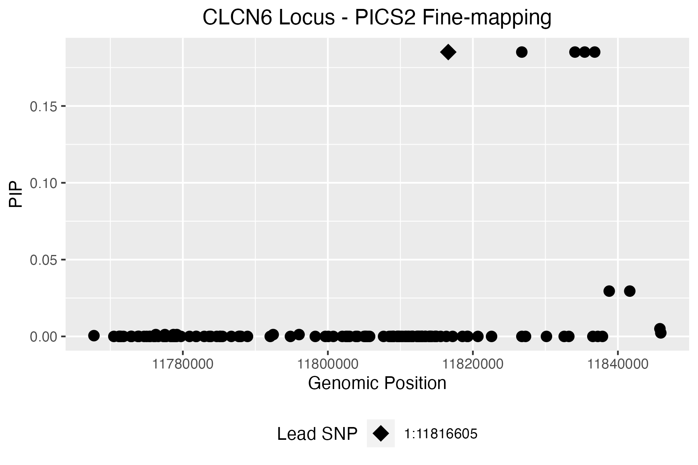
1 | 1:11816605 | 1:11808723 | 1:11808723 (1:11868780) | A:AC | intron_variant | NA | 1 | 0.6361 | G,A | 0 | 0 |  |  |  |  |  |  | [[1]]$`Credible model`[[1]][[13]]
1 | 1:11816605 | 1:11808965 | 1:11808965 (1:11869022) | G:A | intron_variant | NA | 1 | 0.6361 | G,G | 0 | 0 |  |  |  |  |  |  | [1] 272 281 295 325 337 354 391 398 498
1 | 1:11816605 | 1:11809044 | 1:11809044 (1:11869101) | T:C | intron_variant | NA | 1 | 0.6361 | G,T | 0 | 0
1 | 1:11816605 | 1:11809053 | 1:11809053 (1:11869110) | G:A | intron_variant | NA | 1 | 0.6361 | G,G | 0 | 0 |  |  |  |  |  |  | [[1]]$`Credible model`[[1]][[14]]
1 | 1:11816605 | 1:11809559 | 1:11809559 (1:11869616) | G:A | intron_variant | NA | 1 | 0.6361 | G,G | 0 | 0 |  |  |  |  |  |  | [1] 272 325 332 337 354 398 498
1 | 1:11816605 | 1:11809596 | 1:11809596 (1:11869653) | T:G | intron_variant | NA | 1 | 0.6361 | G,T | 0 | 0
1 | 1:11816605 | 1:11810076 | 1:11810076 (1:11870133) | A:G | intron_variant | NA | 1 | 0.6361 | G,A | 0 | 0 |  |  |  |  |  |  | [[1]]$`Credible model`[[1]][[15]]
1 | 1:11816605 | 1:11810674 | 1:11810674 (1:11870731) | G:A | intron_variant | NA | 1 | 0.6361 | G,G | 0 | 0 |  |  |  |  |  |  | [1] 272 325 332 337 354 395 398 498
1 | 1:11816605 | 1:11810803 | 1:11810803 (1:11870860) | C:T | intron_variant | NA | 1 | 0.6361 | G,C | 0 | 0
1 | 1:11816605 | 1:11811056 | 1:11811056 (1:11871113) | C:T | intron_variant | NA | 1 | 0.6361 | G,C | 0 | 0 |  |  |  |  |  |  | [[1]]$`Credible model`[[1]][[16]]
1 | 1:11816605 | 1:11811209 | 1:11811209 (1:11871266) | A:T | intron_variant | NA | 1 | 0.6361 | G,A | 0 | 0 |  |  |  |  |  |  | [1] 272 325 337 377 391 398 498
1 | 1:11816605 | 1:11811529 | 1:11811529 (1:11871586) | T:C | intron_variant | NA | 1 | 0.6361 | G,T | 0 | 0
1 | 1:11816605 | 1:11811657 | 1:11811657 (1:11871714) | C:T | intron_variant | NA | 1 | 0.6361 | G,C | 0 | 0 |  |  |  |  |  |  | [[1]]$`Credible model`[[1]][[17]]
1 | 1:11816605 | 1:11811671 | 1:11811671 (1:11871728) | T:C | intron_variant | NA | 1 | 0.6361 | G,T | 0 | 0 |  |  |  |  |  |  | [1] 272 325 337 346 354 361 391 398 498
1 | 1:11816605 | 1:11811718 | 1:11811718 (1:11871775) | T:C | intron_variant | NA | 1 | 0.6361 | G,T | 0 | 0
1 | 1:11816605 | 1:11812338 | 1:11812338 (1:11872395) | T:C | intron_variant | NA | 1 | 0.6361 | G,T | 0 | 0 |  |  |  |  |  |  | [[1]]$`Credible model`[[1]][[18]]
1 | 1:11816605 | 1:11812419 | 1:11812419 (1:11872476) | TG:T | intron_variant | NA | 1 | 0.6361 | G,TG | 0 | 0 |  |  |  |  |  |  | [1] 272 325 337 354 361 375 391 398 498
1 | 1:11816605 | 1:11812599 | 1:11812599 (1:11872656) | C:T | intron_variant | NA | 1 | 0.6361 | G,C | 0 | 0
1 | 1:11816605 | 1:11812645 | 1:11812645 (1:11872702) | A:AAG | intron_variant | NA | 1 | 0.6361 | G,A | 0 | 0 |  |  |  |  |  |  | [[1]]$`Credible model`[[1]][[19]]
1 | 1:11816605 | 1:11812927 | 1:11812927 (1:11872984) | A:G | intron_variant | NA | 1 | 0.6361 | G,A | 0 | 0 |  |  |  |  |  |  | [1] 272 295 325 337 354 361 391 398 498
1 | 1:11816605 | 1:11812963 | 1:11812963 (1:11873020) | T:C | intron_variant | NA | 1 | 0.6361 | G,T | 0 | 0
1 | 1:11816605 | 1:11812995 | 1:11812995 (1:11873052) | T:C | intron_variant | NA | 1 | 0.6361 | G,T | 0 | 0 |  |  |  |  |  |  | [[1]]$`Credible model`[[1]][[20]]
1 | 1:11816605 | 1:11812998 | 1:11812998 (1:11873055) | C:T | intron_variant | NA | 1 | 0.6361 | G,C | 0 | 0 |  |  |  |  |  |  | [1] 272 325 337 346 377 391 395 398 498
1 | 1:11816605 | 1:11813439 | 1:11813439 (1:11873496) | G:A | intron_variant | NA | 1 | 0.6361 | G,G | 0 | 0
1 | 1:11816605 | 1:11813449 | 1:11813449 (1:11873506) | A:G | intron_variant | NA | 1 | 0.6361 | G,A | 0 | 0 |  |  |  |  |  |  | [[1]]$`Credible model`[[1]][[21]]
1 | 1:11816605 | 1:11813928 | 1:11813928 (1:11873985) | G:C | intron_variant | NA | 1 | 0.6361 | G,G | 0 | 0 |  |  |  |  |  |  | [1] 272 325 337 377 391 395 398 498
1 | 1:11816605 | 1:11814097 | 1:11814097 (1:11874154) | A:C | intron_variant | NA | 1 | 0.6361 | G,A | 0 | 0
1 | 1:11816605 | 1:11814121 | 1:11814121 (1:11874178) | T:G | intron_variant | NA | 1 | 0.6361 | G,T | 0 | 0 |  |  |  |  |  |  | [[1]]$`Credible model`[[1]][[22]]
1 | 1:11816605 | 1:11814132 | 1:11814132 (1:11874189) | G:A | intron_variant | NA | 1 | 0.6361 | G,G | 0 | 0 |  |  |  |  |  |  | [1] 272 281 325 337 354 361 391 398 498
1 | 1:11816605 | 1:11814374 | 1:11814374 (1:11874431) | C:T | intron_variant | NA | 1 | 0.6361 | G,C | 0 | 0
1 | 1:11816605 | 1:11814798 | 1:11814798 (1:11874855) | T:C | intron_variant | NA | 1 | 0.6361 | G,T | 0 | 0 |  |  |  |  |  |  | [[1]]$`Credible model`[[1]][[23]]
1 | 1:11816605 | 1:11814815 | 1:11814815 (1:11874872) | G:A | intron_variant | NA | 1 | 0.6361 | G,G | 0 | 0 |  |  |  |  |  |  | [1] 272 325 337 346 377 391 398 498
1 | 1:11816605 | 1:11814936 | 1:11814936 (1:11874993) | G:C | intron_variant | NA | 1 | 0.6361 | G,G | 0 | 0
1 | 1:11816605 | 1:11814974 | 1:11814974 (1:11875031) | A:G | intron_variant | NA | 1 | 0.6361 | G,A | 0 | 0 |  |  |  |  |  |  | [[1]]$`Credible model`[[1]][[24]]
1 | 1:11816605 | 1:11815556 | 1:11815556 (1:11875613) | T:C | intron_variant | NA | 1 | 0.6361 | G,T | 0 | 0 |  |  |  |  |  |  | [1] 272 295 325 332 337 354 398 498
1 | 1:11816605 | 1:11816338 | 1:11816338 (1:11876395) | A:G | intron_variant | NA | 1 | 0.6361 | G,A | 0 | 0
1 | 1:11816605 | 1:11817209 | 1:11817209 (1:11877266) | C:T | intron_variant | NA | 1 | 0.6361 | G,C | 0 | 0 |  |  |  |  |  |  | [[1]]$`Credible model`[[1]][[25]]
1 | 1:11816605 | 1:11818562 | 1:11818562 (1:11878619) | T:C | intron_variant | NA | 1 | 0.6361 | G,T | 0 | 0 |  |  |  |  |  |  | [1] 272 325 337 375 377 391 398 498
1 | 1:11816605 | 1:11819210 | 1:11819210 (1:11879267) | A:G | intron_variant | NA | 1 | 0.6361 | G,A | 0 | 0
1 | 1:11816605 | 1:11819303 | 1:11819303 (1:11879360) | G:A | intron_variant | NA | 1 | 0.6361 | G,G | 0 | 0 |  |  |  |  |  |  | [[1]]$`Credible model`[[1]][[26]]
1 | 1:11816605 | 1:11826756 | 1:11826756 (1:11886813) | G:A | intron_variant | CLCN6 | 1 | 0.6361 | G,G | 0 | 0 |  |  |  |  |  |  | [1] 272 325 332 337 354 361 398 498
1 | 1:11816605 | 1:11827259 | 1:11827259 (1:11887316) | C:A | intron_variant | NA | 1 | 0.6361 | G,C | 0 | 0
1 | 1:11816605 | 1:11830147 | 1:11830147 (1:11890204) | T:C | non_coding_transcript_exon_variant | NA | 1 | 0.6361 | G,T | 0 | 0 |  |  |  |  |  |  | [[1]]$`Credible model`[[1]][[27]]
1 | 1:11816605 | 1:11833232 | 1:11833232 (1:11893289) | A:G | intron_variant | NA | 1 | 0.6361 | G,A | 0 | 0 |  |  |  |  |  |  | [1] 272 295 325 337 346 377 391 398 498
1 | 1:11816605 | 1:11836545 | 1:11836545 (1:11896602) | T:C | intron_variant | NA | 1 | 0.6361 | G,T | 0 | 0
1 | 1:11816605 | 1:11809793 | 1:11809793 (1:11869850) | G:C | intron_variant | NA | 1 | 0.6291 | G,G | 0 | 0 |  |  |  |  |  |  | [[1]]$`Credible model`[[1]][[28]]
1 | 1:11816605 | 1:11809796 | 1:11809796 (1:11869853) | A:G | intron_variant | NA | 1 | 0.6291 | G,A | 0 | 0 |  |  |  |  |  |  | [1] 272 325 337 361 377 391 398 498
1 | 1:11816605 | 1:11812263 | 1:11812263 (1:11872320) | A:G | intron_variant | NA | 1 | 0.6291 | G,A | 0 | 0
1 | 1:11816605 | 1:11822575 | 1:11822575 (1:11882632) | T:G | intron_variant | NA | 1 | 0.6291 | G,T | 0 | 0 |  |  |  |  |  |  | [[1]]$`Credible model`[[1]][[29]]
1 | 1:11816605 | 1:11837229 | 1:11837229 (1:11897286) | G:T | intron_variant | NA | 1 | 0.6291 | G,G | 0 | 0 |  |  |  |  |  |  | [1] 272 281 325 337 377 391 398 498
1 | 1:11816605 | 1:11837869 | 1:11837869 (1:11897926) | T:C | intron_variant | NA | 1 | 0.6291 | G,T | 0 | 0
1 | 1:11816605 | 1:11820692 | 1:11820692 (1:11880749) | G:A | non_coding_transcript_exon_variant | NA | 0.9826 | 0.6281 | G,G | 0 | 0 |  |  |  |  |  |  | [[1]]$`Credible model`[[1]][[30]]
1 | 1:11816605 | 1:11805759 | 1:11805759 (1:11865816) | G:GC | 5_prime_UTR_variant | MTHFR | 1 | 0.6223 | G,G | 0 | 0 |  |  |  |  |  |  | [1] 272 295 325 337 377 391 398 498
1 | 1:11816605 | 1:11803000 | 1:11803000 (1:11863057) | G:A | synonymous_variant | NA | 0.9826 | 0.6211 | G,G | 0 | 0
1 | 1:11816605 | 1:11805227 | 1:11805227 (1:11865284) | A:AC | 5_prime_UTR_variant | NA | 1 | 0.6156 | G,A | 0 | 0 |  |  |  |  |  |  | [[1]]$`Credible model`[[1]][[31]]
1 | 1:11816605 | 1:11802476 | 1:11802476 (1:11862533) | TA:T | intron_variant | NA | 0.9826 | 0.6141 | G,TA | 0 | 0 |  |  |  |  |  |  | [1] 272 295 325 337 375 377 391 398 498
1 | 1:11816605 | 1:11802707 | 1:11802707 (1:11862764) | C:CT | intron_variant | CLCN6 | 0.9826 | 0.6141 | G,C | 0 | 0
1 | 1:11816605 | 1:11771486 | 1:11771486 (1:11831543) | C:T | intron_variant | NA | 0.9825 | 0.6073 | G,C | 0 | 1 |  |  |  |  |  |  | [[1]]$`Credible model`[[1]][[32]]
1 | 1:11816605 | 1:11777310 | 1:11777310 (1:11837367) | C:T | non_coding_transcript_exon_variant | NA | 0.9825 | 0.6007 | G,C | 0 | 0 |  |  |  |  |  |  | [1] 272 281 295 325 337 377 391 398 498
1 | 1:11816605 | 1:11771187 | 1:11771187 (1:11831244) | C:G | intron_variant | NA | 0.9825 | 0.6007 | G,C | 0 | 0
1 | 1:11816605 | 1:11771246 | 1:11771246 (1:11831303) | G:T | intron_variant | NA | 0.9825 | 0.6007 | G,G | 0 | 0 |  |  |  |  |  |  | [[1]]$`Credible model`[[1]][[33]]
1 | 1:11816605 | 1:11771297 | 1:11771297 (1:11831354) | T:TA | intron_variant | NA | 0.9825 | 0.6007 | G,T | 0 | 0 |  |  |  |  |  |  | [1] 272 325 337 346 354 391 398 512
1 | 1:11816605 | 1:11771818 | 1:11771818 (1:11831875) | A:G | intron_variant | NA | 0.9825 | 0.6007 | G,A | 0 | 0
1 | 1:11816605 | 1:11772855 | 1:11772855 (1:11832912) | C:CT | intron_variant | NA | 0.9825 | 0.6007 | G,C | 0 | 0 |  |  |  |  |  |  | [[1]]$`Credible model`[[1]][[34]]
1 | 1:11816605 | 1:11772864 | 1:11772864 (1:11832921) | C:T | intron_variant | NA | 0.9825 | 0.6007 | G,C | 0 | 0 |  |  |  |  |  |  | [1] 272 325 332 337 377 398 498
1 | 1:11816605 | 1:11772930 | 1:11772930 (1:11832987) | G:A | intron_variant | NA | 0.9825 | 0.6007 | G,G | 0 | 0
1 | 1:11816605 | 1:11773799 | 1:11773799 (1:11833856) | C:T | intron_variant | NA | 0.9825 | 0.6007 | G,C | 0 | 0
1 | 1:11816605 | 1:11781824 | 1:11781824 (1:11841881) | G:A | intron_variant | NA | 0.9824 | 0.5941 | G,G | 0 | 0 |  |  |  |  |  |  | [[1]]$`Credible model`[[2]]
1 | 1:11816605 | 1:11781865 | 1:11781865 (1:11841922) | G:A | intron_variant | NA | 0.9824 | 0.5941 | G,G | 0 | 0 |  |  |  |  |  |  | Posterior.Prob
1 | 1:11816605 | 1:11782951 | 1:11782951 (1:11843008) | CT:C | intron_variant | CLCN6 | 0.9824 | 0.5941 | G,CT | 0 | 0 |  |  |  |  |  |  | 1 0.051471890
1 | 1:11816605 | 1:11783626 | 1:11783626 (1:11843683) | G:A | intron_variant | NA | 0.9824 | 0.5941 | G,G | 0 | 0 |  |  |  |  |  |  | 2 0.045788311
1 | 1:11816605 | 1:11784680 | 1:11784680 (1:11844737) | A:G | intron_variant | NA | 0.9824 | 0.5941 | G,A | 0 | 0 |  |  |  |  |  |  | 3 0.041199745
1 | 1:11816605 | 1:11785110 | 1:11785110 (1:11845167) | TTTA:T | intron_variant | NA | 0.9824 | 0.5941 | G,TTTA | 0 | 0 |  |  |  |  |  |  | 4 0.039039003
1 | 1:11816605 | 1:11785165 | 1:11785165 (1:11845222) | T:C | missense_variant | NA | 0.9824 | 0.5941 | G,T | 0 | 0 |  |  |  |  |  |  | 5 0.035671683
1 | 1:11816605 | 1:11787804 | 1:11787804 (1:11847861) | G:A | 3_prime_UTR_variant | NA | 0.9824 | 0.5941 | G,G | 0 | 0 |  |  |  |  |  |  | 6 0.031743444
1 | 1:11816605 | 1:11787845 | 1:11787845 (1:11847902) | C:A | 3_prime_UTR_variant | NA | 0.9824 | 0.5941 | G,C | 0 | 0 |  |  |  |  |  |  | 7 0.030918868
1 | 1:11816605 | 1:11788011 | 1:11788011 (1:11848068) | G:C | missense_variant | NA | 0.9824 | 0.5941 | G,G | 0 | 0 |  |  |  |  |  |  | 8 0.028016048
1 | 1:11816605 | 1:11792053 | 1:11792053 (1:11852110) | C:T | intron_variant | NA | 0.9824 | 0.5941 | G,C | 0 | 0 |  |  |  |  |  |  | 9 0.027473394
1 | 1:11816605 | 1:11794839 | 1:11794839 (1:11854896) | G:A | synonymous_variant | NA | 0.9824 | 0.5941 | G,G | 0 | 0 |  |  |  |  |  |  | 10 0.025216739
1 | 1:11816605 | 1:11798267 | 1:11798267 (1:11858324) | G:A | intron_variant | NA | 0.9824 | 0.5941 | G,G | 0 | 0 |  |  |  |  |  |  | 11 0.024209450
1 | 1:11816605 | 1:11799644 | 1:11799644 (1:11859701) | T:G | intron_variant | NA | 0.9824 | 0.5941 | G,T | 0 | 0 |  |  |  |  |  |  | 12 0.020283458
1 | 1:11816605 | 1:11800060 | 1:11800060 (1:11860117) | A:G | non_coding_transcript_exon_variant | NA | 0.9824 | 0.5941 | G,A | 0 | 0 |  |  |  |  |  |  | 13 0.020139960
1 | 1:11816605 | 1:11800750 | 1:11800750 (1:11860807) | C:T | non_coding_transcript_exon_variant | NA | 0.9824 | 0.5941 | G,C | 0 | 0 |  |  |  |  |  |  | 14 0.019980766
1 | 1:11816605 | 1:11801990 | 1:11801990 (1:11862047) | C:T | intron_variant | NA | 0.9824 | 0.5941 | G,C | 0 | 0 |  |  |  |  |  |  | 15 0.019232407
1 | 1:11816605 | 1:11770485 | 1:11770485 (1:11830542) | G:T | intron_variant | NA | 0.9824 | 0.5941 | G,G | 0 | 0 |  |  |  |  |  |  | 16 0.017863869
1 | 1:11816605 | 1:11832593 | 1:11832593 (1:11892650) | C:T | intron_variant | NA | 1 | 0.5899 | G,C | 0 | 0 |  |  |  |  |  |  | 17 0.016338241
1 | 1:11816605 | 1:11773917 | 1:11773917 (1:11833974) | A:AG | intron_variant | NA | 0.9824 | 0.5877 | G,A | 0 | 0 |  |  |  |  |  |  | 18 0.014920075
1 | 1:11816605 | 1:11773919 | 1:11773919 (1:11833976) | A:T | intron_variant | NA | 0.9824 | 0.5877 | G,A | 0 | 0 |  |  |  |  |  |  | 19 0.014482751
1 | 1:11816605 | 1:11774652 | 1:11774652 (1:11834709) | G:A | intron_variant | NA | 0.9824 | 0.5877 | G,G | 0 | 0 |  |  |  |  |  |  | 20 0.013052565
1 | 1:11816605 | 1:11775013 | 1:11775013 (1:11835070) | G:A | intron_variant | NA | 0.9824 | 0.5877 | G,G | 0 | 0 |  |  |  |  |  |  | 21 0.012866149
1 | 1:11816605 | 1:11775398 | 1:11775398 (1:11835455) | T:G | intron_variant | AGTRAP | 0.9824 | 0.5877 | G,T | 0 | 1 |  |  |  |  |  |  | 22 0.011544499
1 | 1:11816605 | 1:11775499 | 1:11775499 (1:11835556) | C:T | missense_variant | NA | 0.9824 | 0.5877 | G,C | 0 | 1 |  |  |  |  |  |  | 23 0.011092165
1 | 1:11816605 | 1:11775980 | 1:11775980 (1:11836037) | C:T | intron_variant | NA | 0.9824 | 0.5877 | G,C | 0 | 0 |  |  |  |  |  |  | 24 0.010580865
1 | 1:11816605 | 1:11776176 | 1:11776176 (1:11836233) | G:A | intron_variant | NA | 0.9824 | 0.5877 | G,G | 0 | 0 |  |  |  |  |  |  | 25 0.010137245
1 | 1:11816605 | 1:11776613 | 1:11776613 (1:11836670) | C:A | synonymous_variant | NA | 0.9824 | 0.5877 | G,C | 0 | 0 |  |  |  |  |  |  | 26 0.009278503
1 | 1:11816605 | 1:11777416 | 1:11777416 (1:11837473) | C:T | non_coding_transcript_exon_variant | NA | 0.9824 | 0.5877 | G,C | 0 | 0 |  |  |  |  |  |  | 27 0.007993451
1 | 1:11816605 | 1:11777592 | 1:11777592 (1:11837649) | A:C | non_coding_transcript_exon_variant | NA | 0.9824 | 0.5877 | G,A | 0 | 0 |  |  |  |  |  |  | 28 0.007973792
1 | 1:11816605 | 1:11777625 | 1:11777625 (1:11837682) | A:G | non_coding_transcript_exon_variant | NA | 0.9824 | 0.5877 | G,A | 0 | 0 |  |  |  |  |  |  | 29 0.007767364
1 | 1:11816605 | 1:11777700 | 1:11777700 (1:11837757) | A:T | non_coding_transcript_exon_variant | NA | 0.9824 | 0.5877 | G,A | 0 | 0 |  |  |  |  |  |  | 30 0.007734033
1 | 1:11816605 | 1:11778321 | 1:11778321 (1:11838378) | A:G | intron_variant | NA | 0.9824 | 0.5877 | G,A | 0 | 0 |  |  |  |  |  |  | 31 0.007195462
1 | 1:11816605 | 1:11778394 | 1:11778394 (1:11838451) | C:T | intron_variant | NA | 0.9824 | 0.5877 | G,C | 0 | 0 |  |  |  |  |  |  | 32 0.005719196
1 | 1:11816605 | 1:11778459 | 1:11778459 (1:11838516) | C:T | intron_variant | NA | 0.9824 | 0.5877 | G,C | 0 | 0 |  |  |  |  |  |  | 33 0.005568014
1 | 1:11816605 | 1:11778639 | 1:11778639 (1:11838696) | A:G | splice_region_variant | NA | 0.9824 | 0.5877 | G,A | 0 | 0 |  |  |  |  |  |  | 34 0.005401116
1 | 1:11816605 | 1:11778784 | 1:11778784 (1:11838841) | A:G | missense_variant | NA | 0.9824 | 0.5877 | G,A | 0 | 1
1 | 1:11816605 | 1:11778952 | 1:11778952 (1:11839009) | C:T | synonymous_variant | NA | 0.9824 | 0.5877 | G,C | 0 | 1 |  |  |  |  |  |  | [[1]]$`Credible model`[[3]]
1 | 1:11816605 | 1:11778977 | 1:11778977 (1:11839034) | G:A | missense_variant | CLCN6 | 0.9824 | 0.5877 | G,G | 0 | 0 |  |  |  |  |  |  | [1] 272 325 337 354 391 395 398 498 346 375 361 295 281 332 377 512
1 | 1:11816605 | 1:11779144 | 1:11779144 (1:11839201) | T:A | non_coding_transcript_exon_variant | NA | 0.9824 | 0.5877 | G,T | 0 | 0
1 | 1:11816605 | 1:11779735 | 1:11779735 (1:11839792) | T:C | intron_variant | NA | 0.9824 | 0.5877 | G,T | 0 | 0
1 | 1:11816605 | 1:11780921 | 1:11780921 (1:11840978) | GAGGGATGGTCCC:G | intron_variant | C1orf167 | 0.9824 | 0.5877 | G,GAGGGATGGTCCC | 0 | 0 |  |  |  |  |  |  | [[1]]$Outliers
1 | 1:11816605 | 1:11783862 | 1:11783862 (1:11843919) | A:G | intron_variant | NA | 0.9824 | 0.5877 | G,A | 0 | 0 |  |  |  |  |  |  | Index Z
1 | 1:11816605 | 1:11785467 | 1:11785467 (1:11845524) | G:A | intron_variant | NA | 0.9824 | 0.5877 | G,G | 0 | 0 |  |  |  |  |  |  | 1 334 10.80149533
1 | 1:11816605 | 1:11786685 | 1:11786685 (1:11846742) | C:T | 3_prime_UTR_variant | NA | 0.9824 | 0.5877 | G,C | 0 | 0 |  |  |  |  |  |  | 2 298 10.55065873
1 | 1:11816605 | 1:11787715 | 1:11787715 (1:11847772) | G:T | 3_prime_UTR_variant | NA | 0.9824 | 0.5877 | G,G | 0 | 0 |  |  |  |  |  |  | 3 279 9.81965685
1 | 1:11816605 | 1:11788915 | 1:11788915 (1:11848972) | G:A | 3_prime_UTR_variant | NA | 0.9824 | 0.5877 | G,G | 0 | 0 |  |  |  |  |  |  | 4 290 9.83726740
1 | 1:11816605 | 1:11810326 | 1:11810326 (1:11870383) | G:A | intron_variant | NA | 1 | 0.504 | G,G | 0 | 0 |  |  |  |  |  |  | 5 261 9.76350742
 |  |  |  |  |  |  |  |  |  |  |  |  |  |  |  |  |  | 6 274 9.81178457
 |  |  |  |  |  |  |  |  |  |  |  |  |  |  |  |  |  | 7 263 9.74307962
 |  |  |  |  |  |  |  |  |  |  |  |  |  |  |  |  |  | 8 270 9.61986503
 |  |  |  |  |  |  |  |  |  |  |  |  |  |  |  |  |  | 9 293 8.80536263
 |  |  |  |  |  |  |  |  |  |  |  |  |  |  |  |  |  | 10 244 9.98105501
 |  |  |  |  |  |  |  |  |  |  |  |  |  |  |  |  |  | 11 245 7.49588781
 |  |  |  |  |  |  |  |  |  |  |  |  |  |  |  |  |  | 12 243 7.50103041
 |  |  |  |  |  |  |  |  |  |  |  |  |  |  |  |  |  | 13 367 -6.70592801
 |  |  |  |  |  |  |  |  |  |  |  |  |  |  |  |  |  | 14 429 -6.31174645
 |  |  |  |  |  |  |  |  |  |  |  |  |  |  |  |  |  | 15 436 -4.24975172
 |  |  |  |  |  |  |  |  |  |  |  |  |  |  |  |  |  | 16 347 -3.13066614
 |  |  |  |  |  |  |  |  |  |  |  |  |  |  |  |  |  | 17 403 -3.05381240
 |  |  |  |  |  |  |  |  |  |  |  |  |  |  |  |  |  | 18 430 -5.65464568
 |  |  |  |  |  |  |  |  |  |  |  |  |  |  |  |  |  | 19 503 -5.28488082
 |  |  |  |  |  |  |  |  |  |  |  |  |  |  |  |  |  | 20 445 -4.88204415
 |  |  |  |  |  |  |  |  |  |  |  |  |  |  |  |  |  | 21 246 2.72954454
 |  |  |  |  |  |  |  |  |  |  |  |  |  |  |  |  |  | 22 258 2.06228000
 |  |  |  |  |  |  |  |  |  |  |  |  |  |  |  |  |  | 23 251 2.18928519
 |  |  |  |  |  |  |  |  |  |  |  |  |  |  |  |  |  | 24 248 2.45290426
 |  |  |  |  |  |  |  |  |  |  |  |  |  |  |  |  |  | 25 252 2.17119336
 |  |  |  |  |  |  |  |  |  |  |  |  |  |  |  |  |  | 26 250 1.76049867
 |  |  |  |  |  |  |  |  |  |  |  |  |  |  |  |  |  | 27 459 -4.64510225
 |  |  |  |  |  |  |  |  |  |  |  |  |  |  |  |  |  | 28 307 -2.62802694
 |  |  |  |  |  |  |  |  |  |  |  |  |  |  |  |  |  | 29 489 2.00088602
 |  |  |  |  |  |  |  |  |  |  |  |  |  |  |  |  |  | 30 484 1.28212292
 |  |  |  |  |  |  |  |  |  |  |  |  |  |  |  |  |  | 31 269 -13.11987790
 |  |  |  |  |  |  |  |  |  |  |  |  |  |  |  |  |  | 32 382 -11.59912279
 |  |  |  |  |  |  |  |  |  |  |  |  |  |  |  |  |  | 33 424 2.98649916
 |  |  |  |  |  |  |  |  |  |  |  |  |  |  |  |  |  | 34 314 -2.26477204
 |  |  |  |  |  |  |  |  |  |  |  |  |  |  |  |  |  | 35 338 -11.46355757
 |  |  |  |  |  |  |  |  |  |  |  |  |  |  |  |  |  | 36 362 -11.56696050
 |  |  |  |  |  |  |  |  |  |  |  |  |  |  |  |  |  | 37 327 -13.84323417
 |  |  |  |  |  |  |  |  |  |  |  |  |  |  |  |  |  | 38 292 -0.18943107
 |  |  |  |  |  |  |  |  |  |  |  |  |  |  |  |  |  | 39 275 -0.23537045
 |  |  |  |  |  |  |  |  |  |  |  |  |  |  |  |  |  | 40 291 4.13460846
 |  |  |  |  |  |  |  |  |  |  |  |  |  |  |  |  |  | 41 363 -11.56368160
 |  |  |  |  |  |  |  |  |  |  |  |  |  |  |  |  |  | 42 247 -2.85327280
 |  |  |  |  |  |  |  |  |  |  |  |  |  |  |  |  |  | 43 288 -0.17953579
 |  |  |  |  |  |  |  |  |  |  |  |  |  |  |  |  |  | 44 262 -0.05415070
 |  |  |  |  |  |  |  |  |  |  |  |  |  |  |  |  |  | 45 339 0.05801053
 |  |  |  |  |  |  |  |  |  |  |  |  |  |  |  |  |  | 46 271 -0.03135757
 |  |  |  |  |  |  |  |  |  |  |  |  |  |  |  |  |  | 47 256 -12.99346493
 |  |  |  |  |  |  |  |  |  |  |  |  |  |  |  |  |  | 48 280 -13.15306845
 |  |  |  |  |  |  |  |  |  |  |  |  |  |  |  |  |  | 49 278 -13.13656518
 |  |  |  |  |  |  |  |  |  |  |  |  |  |  |  |  |  | 50 296 4.11893844
 |  |  |  |  |  |  |  |  |  |  |  |  |  |  |  |  |  | 51 285 3.99443214
 |  |  |  |  |  |  |  |  |  |  |  |  |  |  |  |  |  | 52 485 4.15101045
 |  |  |  |  |  |  |  |  |  |  |  |  |  |  |  |  |  | 53 204 -2.50130716
 |  |  |  |  |  |  |  |  |  |  |  |  |  |  |  |  |  | 54 392 -11.25870781
 |  |  |  |  |  |  |  |  |  |  |  |  |  |  |  |  |  | 55 308 3.98176975
 |  |  |  |  |  |  |  |  |  |  |  |  |  |  |  |  |  | 56 370 -11.49902604
 |  |  |  |  |  |  |  |  |  |  |  |  |  |  |  |  |  | 57 381 -11.39691587
 |  |  |  |  |  |  |  |  |  |  |  |  |  |  |  |  |  | 58 384 -3.16786482
 |  |  |  |  |  |  |  |  |  |  |  |  |  |  |  |  |  | 59 371 -3.05541043
 |  |  |  |  |  |  |  |  |  |  |  |  |  |  |  |  |  | 60 390 -3.10137025
 |  |  |  |  |  |  |  |  |  |  |  |  |  |  |  |  |  | 61 389 -11.21777232
 |  |  |  |  |  |  |  |  |  |  |  |  |  |  |  |  |  | 62 264 -8.39463749
 |  |  |  |  |  |  |  |  |  |  |  |  |  |  |  |  |  | 63 267 -13.10463142
 |  |  |  |  |  |  |  |  |  |  |  |  |  |  |  |  |  | 64 407 -2.11813641
 |  |  |  |  |  |  |  |  |  |  |  |  |  |  |  |  |  | 65 355 -11.27313035
 |  |  |  |  |  |  |  |  |  |  |  |  |  |  |  |  |  | 66 513 1.85610376
 |  |  |  |  |  |  |  |  |  |  |  |  |  |  |  |  |  | 67 319 -3.20725214
 |  |  |  |  |  |  |  |  |  |  |  |  |  |  |  |  |  | 68 322 -10.00327925

NOD2 (Crohn's)
16_50724938_G_A (NOD2) GCST004132 (Crohn's disease) |  |  |  |  | https://genetics.opentargets.org/study-locus/GCST004132/16_50724938_G_A
 |  |  |  |  | n_sample | 40266
Total variants in Locus: | 2840
Total CARMA outliers: | 483

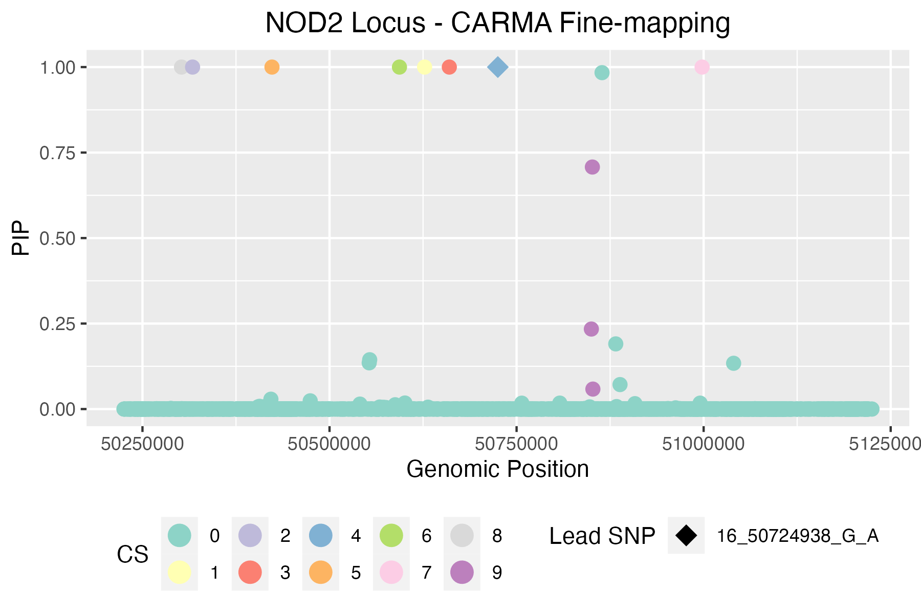
CARMA credible sets | * variants in bold appear in >1 FM method |  |  |  |  |  |  |  |  |  |  |  |  |  |  |  |  | CARMA total print out
ID | chrom | pos | ref | alt | Z | pval | PIP | CS | Rsquare |  |  |  | Index_outlier | Z_outlier | pval_outlier | snp_outlier | ID_outlier | [1]]$`Credible set`
16_50849948_G_A | 16 | 50849948 | G | A | -14.196891192 | 8.48E-46 | 0.23395432229 | 9 | 0.00395521 |  |  |  | 1317 | 22.126436782 | 1.8E-108 | 16:50722970 | 16_50722970_A_G | [[1]]$`Credible set`[[1]]
16_50851300_T_A | 16 | 50851300 | T | A | -14.337628866 | 1.07E-46 | 0.7076870993 | 9 | 0.00390907 |  |  |  | 1300 | 21.064327485 | 6.13E-98 | 16:50713828 | 16_50713828_C_G | [1] 9.0000000 1.2222222 0.9989969
16_50851976_C_T | 16 | 50851976 | C | T | -14.196930946 | 1.07E-45 | 0.058358582744 | 9 | 0.0039046 |  |  |  | 1281 | 19.635294118 | 2.462E-86 | 16:50705671 | 16_50705671_C_G
16_50302148_TCTC_T | 16 | 50302148 | TCTC | T | -5.8 | 6.18E-09 | 0.99999997851 | 8 | 0.0033413 |  |  |  | 1376 | 20.205882353 | 1.54E-90 | 16:50756247 | 16_50756247_A_C | [[1]]$`Credible set`[[2]]
16_50997965_G_A | 16 | 50997965 | G | A | 5.9193548387 | 3.32E-09 | 0.99999999548 | 7 | 8.60E-05 |  |  |  | 1337 | -13.292682927 | 1.988E-40 | 16:50732216 | 16_50732216_A_C | [[1]]$`Credible set`[[2]][[1]]
16_50593474_A_G | 16 | 50593474 | A | G | -4.3536842105 | 1.36E-05 | 0.99999999894 | 6 | 0.0081719 |  |  |  | 1313 | -13.110429448 | 4.587E-39 | 16:50721798 | 16_50721798_T_G | [1] 1100
16_50423085_G_T | 16 | 50423085 | G | T | -15.731343284 | 1.31E-55 | 0.99999999939 | 5 | 0.0476229 |  |  |  | 1343 | -12.901840491 | 6.038E-38 | 16:50735652 | 16_50735652_A_G
16_50724938_G_A | 16 | 50724938 | G | A | -22.132183908 | 2.84E-108 | 0.99999999976 | 4 | 1 |  |  |  | 1394 | -12.950617284 | 3.664E-38 | 16:50765018 | 16_50765018_A_G | [[1]]$`Credible set`[[2]][[2]]
16_50660100_A_G | 16 | 50660100 | A | G | -12 | 4.37E-33 | 0.99999999983 | 3 | 0.000175524 |  |  |  | 1365 | -12.865030675 | 4.864E-38 | 16:50747891 | 16_50747891_T_C | [1] 241
16_50316972_T_G | 16 | 50316972 | T | G | 7.18125 | 6.11E-13 | 1 | 2 | 7.94E-06 |  |  |  | 1380 | -12.914110429 | 3.255E-38 | 16:50757339 | 16_50757339_T_G
16_50627053_G_T | 16 | 50627053 | G | T | -18.417849899 | 7.51E-76 | 1 | 1 | 0.0335069 |  |  |  | 1441 | -12.90797546 | 6.682E-38 | 16:50784021 | 16_50784021_A_G | [[1]]$`Credible set`[[2]][[3]]
 |  |  |  |  |  |  |  |  |  |  |  |  | 1401 | -12.791411043 | 1.605E-37 | 16:50766736 | 16_50766736_T_G | [1] 1161
SuSiE credible sets (R package) |  | *work in progress for python susie - getting nan/inf error |  |  |  |  |  |  |  |  |  |  | 1438 | -12.865853659 | 4.684E-38 | 16:50783308 | 16_50783308_A_G
CredibleSet | position | z_vector | PIP | ID | PValue | CARMA Outlier |  |  |  |  |  |  | 1305 | -12.835365854 | 1.429E-37 | 16:50717487 | 16_50717487_A_G | [[1]]$`Credible set`[[2]][[4]]
L1 | 1321 | -22.13218391 | 1 | 16_50724938_G_A | 2.84E-108 | 0 |  |  |  |  |  |  | 1355 | -12.656441718 | 1.604E-36 | 16:50741834 | 16_50741834_T_G | [1] 1321
L2 | 1317 | 22.12643678 | 1 | 16_50722970_A_G | 1.80E-108 | 1 |  |  |  |  |  |  | 1440 | -12.701219512 | 7.541E-37 | 16:50783638 | 16_50783638_A_C
L7 | 1309 | -22.02873563 | 1 | 16_50718253_G_A | 9.36E-108 | 1 |  |  |  |  |  |  | 1310 | -12.793939394 | 2.063E-37 | 16:50718904 | 16_50718904_T_C | [[1]]$`Credible set`[[2]][[5]]
 |  |  |  |  |  |  |  |  |  |  |  |  | 1445 | -12.719512195 | 2.867E-37 | 16:50786352 | 16_50786352_A_G | [1] 564
SLALOM+SuSiE credible sets (SuSiE Python package) |  |  |  |  |  |  |  |  |  |  |  |  | 1294 | -12.678787879 | 5.205E-37 | 16:50711672 | 16_50711672_T_G
* issue with nans or inf in data during susie run (infs/nans seem to appear during application of susieinf, none are present in the input data) |  |  |  |  |  |  |  |  |  |  |  |  | 1270 | -13.201219512 | 8.548E-40 | 16:50702745 | 16_50702745_A_G | [[1]]$`Credible set`[[2]][[6]]
 |  |  |  |  |  |  |  |  |  |  |  |  | 1284 | -13.201219512 | 1.139E-39 | 16:50707551 | 16_50707551_A_C | [1] 1027
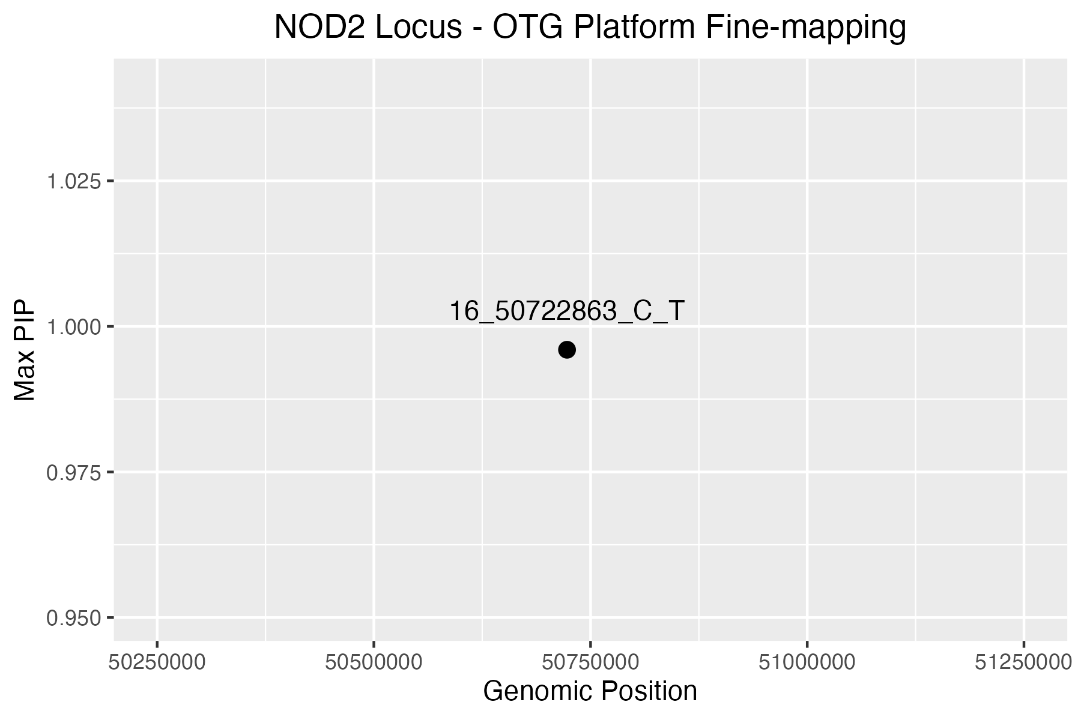
OTG PIPs |  |  |  |  |  |  |  |  |  |  |  |  | 1456 | -13.163636364 | 9.361E-40 | 16:50795942 | 16_50795942_A_T
Variant | Position | Maximum Posterior Probability | Product of Posterior Probabilities (across selected studies) | CARMA Outlier |  |  |  |  |  |  |  |  | 804 | 18.403030303 | 1.449E-75 | 16:50474075 | 16_50474075_A_G | [[1]]$`Credible set`[[2]][[7]]
16_50722863_C_T | 50722863 | 0.99598919713 | 0.99598919713 | 1 |  |  |  |  |  |  |  |  | 1282 | -13.06097561 | 8.084E-39 | 16:50706853 | 16_50706853_C_G | [1] 2145
 |  |  |  |  |  |  |  |  |  |  |  |  | 1489 | -12.175757576 | 4.313E-34 | 16:50809050 | 16_50809050_A_G
 |  |  |  |  |  |  |  |  |  |  |  |  | 1265 | -12.896969697 | 5.917E-38 | 16:50699948 | 16_50699948_C_G | [[1]]$`Credible set`[[2]][[8]]
PICS2 credible set |  |  |  |  |  |  |  |  |  |  |  |  | 1036 | 17.275974026 | 1.006E-66 | 16:50598560 | 16_50598560_C_G | [1] 204
Req | Index_SNP | Linked_SNP | Linked_position_hg38 (hg19) | Linked_RefAlt | Consequence | eQTL Gene | Dprime | Rsquare | Phase | PICS Prob | CARMA Outlier |  | 829 | 16.631262525 | 3.911E-62 | 16:50485831 | 16_50485831_A_G
1 | 16:50724938 | 16:50724938 | 16:50724938 (16:50758849) | G:A | intron_variant | NA | 1 | 1 | N,N | 0.3333 | 0 |  | 1737 | 14.72899729 | 3.241E-49 | 16:50878764 | 16_50878764_A_G | [[1]]$`Credible set`[[2]][[9]]
1 | 16:50724938 | 16:50718253 | 16:50718253 (16:50752164) | G:A | intron_variant | NA | 1 | 1 | G,G | 0.3333 | 1 |  | 1024 | 14.928315412 | 2.091E-50 | 16:50592910 | 16_50592910_A_G | [1] 1651 1647 1655
1 | 16:50724938 | 16:50722970 | 16:50722970 (16:50756881) | A:G | intron_variant | NA | 1 | 1 | G,A | 0.3333 | 1 |  | 1455 | 13.542619543 | 1.056E-41 | 16:50793898 | 16_50793898_T_C
1 | 16:50724938 | 16:50715497 | 16:50715497 (16:50749408) | G:T | intron_variant | NA | 1 | 0.8765 | G,G | 0 | 1 |  | 1307 | -7.8117647059 | 5.946E-15 | 16:50718061 | 16_50718061_G_A
1 | 16:50724938 | 16:50713793 | 16:50713793 (16:50747704) | C:T | intron_variant | NA | 0.994 | 0.866 | G,C | 0 | 1 |  | 1442 | 10.7 | 1.28E-26 | 16:50785655 | 16_50785655_G_A
1 | 16:50724938 | 16:50713828 | 16:50713828 (16:50747739) | C:G | intron_variant | NA | 0.994 | 0.866 | G,C | 0 | 1 |  | 1443 | 10.577639752 | 2.835E-26 | 16:50785999 | 16_50785999_C_T | [[1]]$`Credible model`
1 | 16:50724938 | 16:50711288 | 16:50711288 (16:50745199) | C:T | synonymous_variant | NA | 0.988 | 0.8648 | G,C | 0 | 1 |  | 1385 | 11.534591195 | 1.226E-30 | 16:50761610 | 16_50761610_T_A | [[1]]$`Credible model`[[1]]
1 | 16:50724938 | 16:50710713 | 16:50710713 (16:50744624) | C:T | missense_variant | NA | 0.982 | 0.8589 | G,C | 0 | 1 |  | 1188 | 12.984934087 | 1.287E-38 | 16:50671044 | 16_50671044_A_C | [[1]]$`Credible model`[[1]][[1]]
1 | 16:50724938 | 16:50708770 | 16:50708770 (16:50742681) | G:A | intron_variant | NA | 0.968 | 0.7259 | G,G | 0 | 1 |  | 1424 | 11.35 | 5.582E-30 | 16:50774815 | 16_50774815_G_A | [1] 204 241 564 1027 1100 1161 1321 1651 1695 1767 2145
1 | 16:50724938 | 16:50709027 | 16:50709027 (16:50742938) | G:A | intron_variant | NA | 0.968 | 0.7259 | G,G | 0 | 1 |  | 1423 | 10.937888199 | 6.049E-28 | 16:50774391 | 16_50774391_G_A
1 | 16:50724938 | 16:50703587 | 16:50703587 (16:50737498) | C:T | intron_variant | NA | 0.9679 | 0.7221 | G,C | 0 | 1 |  | 1368 | 10.86875 | 2.048E-27 | 16:50753236 | 16_50753236_G_A | [[1]]$`Credible model`[[1]][[2]]
1 | 16:50724938 | 16:50704919 | 16:50704919 (16:50738830) | G:A | intron_variant | NA | 0.9679 | 0.7221 | G,G | 0 | 1 |  | 2020 | 13.492487479 | 1.743E-41 | 16:50958199 | 16_50958199_A_G | [1] 204 241 564 1027 1100 1161 1321 1647 1695 2145 2271
1 | 16:50724938 | 16:50705539 | 16:50705539 (16:50739450) | G:A | intron_variant | NA | 0.9679 | 0.7221 | G,G | 0 | 0 |  | 1279 | -6.1428571429 | 8.612E-10 | 16:50705194 | 16_50705194_G_A
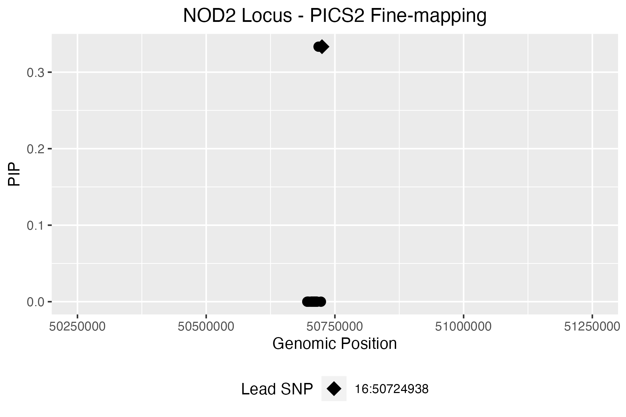
1 | 16:50724938 | 16:50705671 | 16:50705671 (16:50739582) | C:G | intron_variant | NA | 0.9678 | 0.7147 | G,C | 0 | 1 |  | 1590 | 14.384816754 | 6.045E-47 | 16:50833006 | 16_50833006_T_C | [[1]]$`Credible model`[[1]][[3]]
1 | 16:50724938 | 16:50696318 | 16:50696318 (16:50730229) | G:A | intron_variant | NA | 0.9675 | 0.7003 | G,G | 0 | 0 |  | 1654 | 14.116580311 | 3.377E-45 | 16:50851953 | 16_50851953_A_G | [1] 204 241 564 939 1027 1100 1161 1321 1651 1695 2145
1 | 16:50724938 | 16:50697185 | 16:50697185 (16:50731096) | G:A | 5_prime_UTR_variant | CYLD | 0.9674 | 0.6967 | G,G | 0 | 0 |  | 1698 | 11.752972259 | 6.302E-32 | 16:50865029 | 16_50865029_T_G
1 | 16:50724938 | 16:50699463 | 16:50699463 (16:50733374) | G:T | intron_variant | NA | 0.9356 | 0.6781 | G,G | 0 | 0 |  | 1267 | -6.0795454545 | 1.141E-09 | 16:50700122 | 16_50700122_G_A | [[1]]$`Credible model`[[1]][[4]]
1 | 16:50724938 | 16:50722863 | 16:50722863 (16:50756774) | C:T | intron_variant | NA | 0.9827 | 0.6268 | G,C | 0 | 1 |  | 1820 | -12.233050847 | 1.951E-34 | 16:50893036 | 16_50893036_GC_G | [1] 204 241 564 937 1027 1100 1161 1321 1651 1695 2145
 |  |  |  |  |  |  |  |  |  |  |  |  | 1904 | -8.4096774194 | 4.586E-17 | 16:50913226 | 16_50913226_G_A
 |  |  |  |  |  |  |  |  |  |  |  |  | 909 | 7.8928571429 | 2.957E-15 | 16:50532059 | 16_50532059_A_G | [[1]]$`Credible model`[[1]][[5]]
 |  |  |  |  |  |  |  |  |  |  |  |  | 2035 | 10.453333333 | 1.478E-25 | 16:50968707 | 16_50968707_A_T | [1] 204 241 564 1027 1100 1161 1321 1651 1695 1800 2145
 |  |  |  |  |  |  |  |  |  |  |  |  | 1697 | 13.360613811 | 1.059E-40 | 16:50864466 | 16_50864466_T_G
 |  |  |  |  |  |  |  |  |  |  |  |  | 1296 | -21.1 | 6.26E-99 | 16:50712015 | 16_50712015_C_T | [[1]]$`Credible model`[[1]][[6]]
 |  |  |  |  |  |  |  |  |  |  |  |  | 1309 | -22.028735632 | 9.36E-108 | 16:50718253 | 16_50718253_G_A | [1] 204 241 557 564 1027 1100 1161 1321 1651 1695 2145
 |  |  |  |  |  |  |  |  |  |  |  |  | 1911 | 10.566423358 | 4.425E-26 | 16:50915454 | 16_50915454_A_C
 |  |  |  |  |  |  |  |  |  |  |  |  | 1101 | 11.425531915 | 3.929E-30 | 16:50627362 | 16_50627362_A_C | [[1]]$`Credible model`[[1]][[7]]
 |  |  |  |  |  |  |  |  |  |  |  |  | 2137 | 9.2580645161 | 1.889E-20 | 16:50996912 | 16_50996912_CT_C | [1] 204 241 564 1027 1100 1161 1321 1647 1695 1767 2145
 |  |  |  |  |  |  |  |  |  |  |  | zoomed in PICs plot: | 2060 | 8.35839599 | 6.301E-17 | 16:50974039 | 16_50974039_A_G
 |  |  |  |  |  |  |  |  |  |  |  |  | 1157 | 11.168539326 | 7.562E-29 | 16:50658453 | 16_50658453_G_A
 |  |  |  |  |  |  |  |  |  |  |  |  | 537 | 7.7476190476 | 8.828E-15 | 16:50417868 | 16_50417868_A_C | [[1]]$`Credible model`[[2]]
 |  |  |  |  |  |  |  |  |  |  |  |  | 535 | 7.6842105263 | 1.515E-14 | 16:50417739 | 16_50417739_A_G | Posterior.Prob
 |  |  |  |  |  |  |  |  |  |  |  |  | 592 | 7.5990566038 | 3.06E-14 | 16:50427730 | 16_50427730_T_C | 1 0.16012225
 |  |  |  |  |  |  |  |  |  |  |  |  | 1150 | 10.413793103 | 2.926E-25 | 16:50655531 | 16_50655531_G_T | 2 0.12797542
 |  |  |  |  |  |  |  |  |  |  |  |  | 1143 | 10.164705882 | 2.662E-24 | 16:50653104 | 16_50653104_C_T | 3 0.11893215
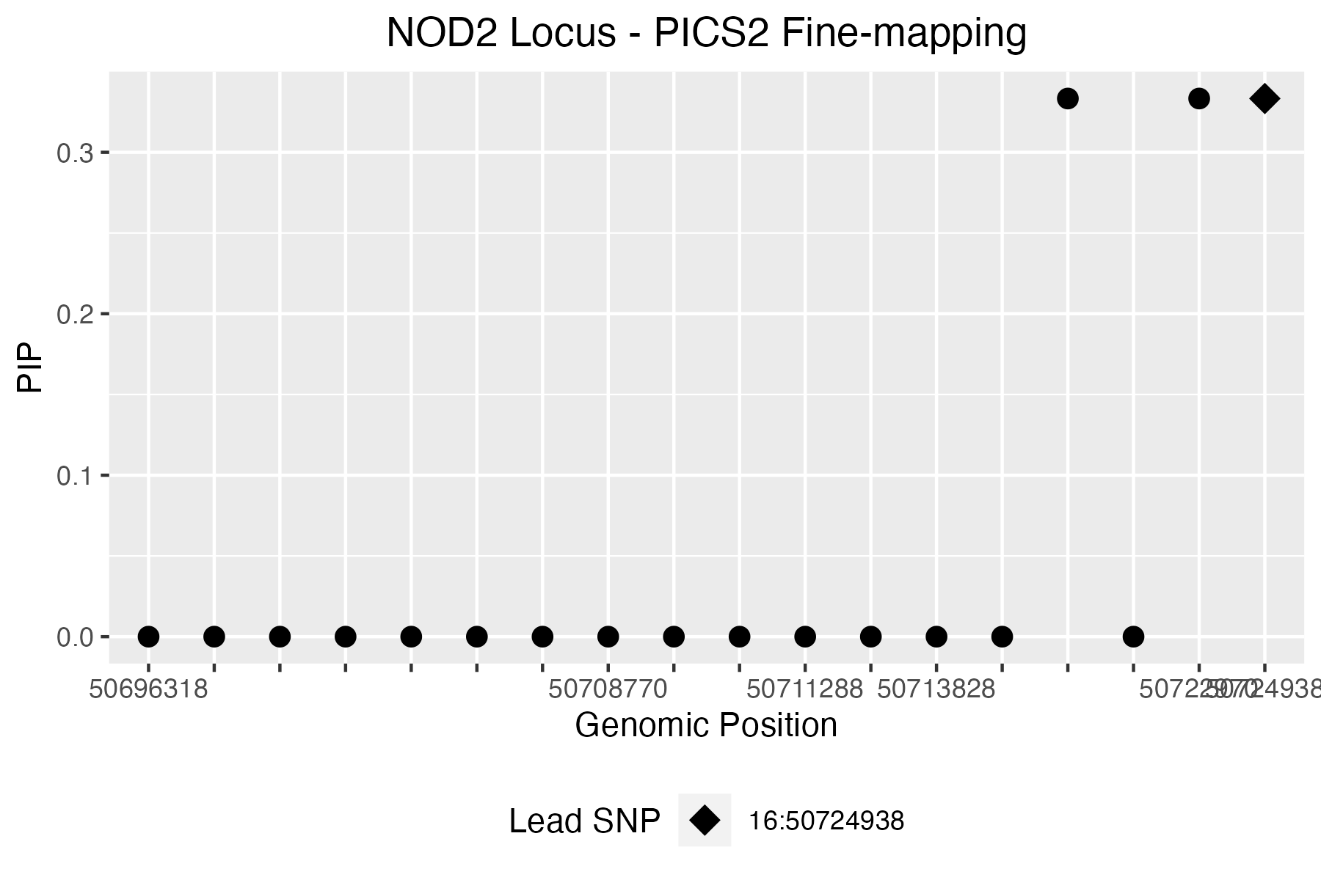
 |  |  |  |  |  |  |  |  |  |  |  |  | 1140 | 10.005847953 | 1.133E-23 | 16:50653048 | 16_50653048_C_T | 4 0.11147911
 |  |  |  |  |  |  |  |  |  |  |  |  | 1154 | 10.264367816 | 7.606E-25 | 16:50657133 | 16_50657133_G_T | 5 0.06019459
 |  |  |  |  |  |  |  |  |  |  |  |  | 1147 | 9.918128655 | 3.418E-23 | 16:50653762 | 16_50653762_C_T | 6 0.02390185
 |  |  |  |  |  |  |  |  |  |  |  |  | 1959 | -6.0503144654 | 1.447E-09 | 16:50933508 | 16_50933508_T_A | 7 0.01851418
 |  |  |  |  |  |  |  |  |  |  |  |  | 495 | 7.8170731707 | 5.383E-15 | 16:50408988 | 16_50408988_G_A
 |  |  |  |  |  |  |  |  |  |  |  |  | 1127 | 9.8023255814 | 1.373E-22 | 16:50643660 | 16_50643660_C_T | [[1]]$`Credible model`[[3]]
 |  |  |  |  |  |  |  |  |  |  |  |  | 1004 | 5.677734375 | 1.381E-08 | 16:50581674 | 16_50581674_T_C | [1] 204 241 564 1027 1100 1161 1321 1651 1695 1767 2145 1647 2271 939 937
 |  |  |  |  |  |  |  |  |  |  |  |  | 1315 | -15.919172932 | 3.931E-57 | 16:50722629 | 16_50722629_G_C | [16] 1800 557
 |  |  |  |  |  |  |  |  |  |  |  |  | 1205 | -4.7845303867 | 0.000001632 | 16:50680118 | 16_50680118_G_A
 |  |  |  |  |  |  |  |  |  |  |  |  | 1227 | -4.5303867403 | 0.00000582 | 16:50687006 | 16_50687006_G_A
 |  |  |  |  |  |  |  |  |  |  |  |  | 1217 | -4.6077348066 | 0.000004034 | 16:50684130 | 16_50684130_G_A | [[1]]$Outliers
 |  |  |  |  |  |  |  |  |  |  |  |  | 1207 | -4.8076923077 | 0.000001449 | 16:50680424 | 16_50680424_G_A | Index Z
 |  |  |  |  |  |  |  |  |  |  |  |  | 1213 | -4.7166666667 | 0.000002401 | 16:50682396 | 16_50682396_C_T | 1 1317 22.1264368
 |  |  |  |  |  |  |  |  |  |  |  |  | 1231 | -4.6574585635 | 0.0000032 | 16:50687882 | 16_50687882_C_T | 2 1300 21.0643275
 |  |  |  |  |  |  |  |  |  |  |  |  | 1232 | -4.6408839779 | 0.000003462 | 16:50688131 | 16_50688131_C_T | 3 1281 19.6352941
 |  |  |  |  |  |  |  |  |  |  |  |  | 1298 | 5.3562091503 | 8.625E-08 | 16:50712383 | 16_50712383_A_C | 4 1376 20.2058824
 |  |  |  |  |  |  |  |  |  |  |  |  | 1241 | -4.4725274725 | 0.000007215 | 16:50690878 | 16_50690878_G_A | 5 1337 -13.2926829
 |  |  |  |  |  |  |  |  |  |  |  |  | 1238 | -4.1803278689 | 0.00002827 | 16:50690176 | 16_50690176_G_C | 6 1313 -13.1104294
 |  |  |  |  |  |  |  |  |  |  |  |  | 1240 | -4.2362637363 | 0.00002308 | 16:50690703 | 16_50690703_G_A | 7 1343 -12.9018405
 |  |  |  |  |  |  |  |  |  |  |  |  | 1242 | -4.1043956044 | 0.00004086 | 16:50690951 | 16_50690951_G_T | 8 1394 -12.9506173
 |  |  |  |  |  |  |  |  |  |  |  |  | 1235 | -4.1978021978 | 0.00002797 | 16:50689163 | 16_50689163_C_T | 9 1365 -12.8650307
 |  |  |  |  |  |  |  |  |  |  |  |  | 1426 | 3.8822525597 | 0.0001025 | 16:50775625 | 16_50775625_T_C | 10 1380 -12.9141104
 |  |  |  |  |  |  |  |  |  |  |  |  | 919 | -7.5825242718 | 3.454E-14 | 16:50538798 | 16_50538798_A_G | 11 1441 -12.9079755
 |  |  |  |  |  |  |  |  |  |  |  |  | 1331 | 3.8023850085 | 0.0001427 | 16:50728860 | 16_50728860_T_C | 12 1401 -12.7914110
 |  |  |  |  |  |  |  |  |  |  |  |  | 2213 | 7.7854785479 | 7.56E-15 | 16:51023399 | 16_51023399_A_G | 13 1438 -12.8658537
 |  |  |  |  |  |  |  |  |  |  |  |  | 1627 | 6.76 | 1.357E-11 | 16:50843847 | 16_50843847_T_C | 14 1305 -12.8353659
 |  |  |  |  |  |  |  |  |  |  |  |  | 1625 | 6.7888446215 | 1.212E-11 | 16:50843528 | 16_50843528_A_G | 15 1355 -12.6564417
 |  |  |  |  |  |  |  |  |  |  |  |  | 1635 | 6.7429718876 | 1.68E-11 | 16:50845839 | 16_50845839_A_G | 16 1440 -12.7012195
 |  |  |  |  |  |  |  |  |  |  |  |  | 1607 | 6.814516129 | 9.276E-12 | 16:50839054 | 16_50839054_T_C | 17 1310 -12.7939394
 |  |  |  |  |  |  |  |  |  |  |  |  | 1638 | 6.8 | 1.126E-11 | 16:50847375 | 16_50847375_C_G | 18 1445 -12.7195122
 |  |  |  |  |  |  |  |  |  |  |  |  | 931 | -6.9278846154 | 4.413E-12 | 16:50545483 | 16_50545483_T_C | 19 1294 -12.6787879
 |  |  |  |  |  |  |  |  |  |  |  |  | 1623 | 6.68 | 2.444E-11 | 16:50843394 | 16_50843394_A_G | 20 1270 -13.2012195
 |  |  |  |  |  |  |  |  |  |  |  |  | 1600 | 6.8669354839 | 6.736E-12 | 16:50837478 | 16_50837478_C_G | 21 1284 -13.2012195
 |  |  |  |  |  |  |  |  |  |  |  |  | 2100 | 5.671641791 | 1.336E-08 | 16:50987892 | 16_50987892_T_C | 22 1456 -13.1636364
 |  |  |  |  |  |  |  |  |  |  |  |  | 1118 | 8.798816568 | 1.311E-18 | 16:50637810 | 16_50637810_G_A | 23 804 18.4030303
 |  |  |  |  |  |  |  |  |  |  |  |  | 1630 | 6.5378486056 | 6.74E-11 | 16:50844174 | 16_50844174_T_G | 24 1282 -13.0609756
 |  |  |  |  |  |  |  |  |  |  |  |  | 1602 | 6.7983870968 | 1.11E-11 | 16:50837803 | 16_50837803_T_C | 25 1489 -12.1757576
 |  |  |  |  |  |  |  |  |  |  |  |  | 1593 | 6.8830645161 | 6.236E-12 | 16:50835633 | 16_50835633_T_C | 26 1265 -12.8969697
 |  |  |  |  |  |  |  |  |  |  |  |  | 1605 | 6.7822580645 | 1.264E-11 | 16:50838621 | 16_50838621_A_T | 27 1036 17.2759740
 |  |  |  |  |  |  |  |  |  |  |  |  | 1136 | 7.8983050847 | 2.993E-15 | 16:50651490 | 16_50651490_G_C | 28 829 16.6312625
 |  |  |  |  |  |  |  |  |  |  |  |  | 1494 | 4.9775641026 | 6.645E-07 | 16:50810351 | 16_50810351_A_G | 29 1737 14.7289973
 |  |  |  |  |  |  |  |  |  |  |  |  | 1484 | 4.8187702265 | 0.000001391 | 16:50808248 | 16_50808248_A_G | 30 1024 14.9283154
 |  |  |  |  |  |  |  |  |  |  |  |  | 1631 | 6.5577689243 | 5.839E-11 | 16:50844178 | 16_50844178_T_C | 31 1455 13.5426195
 |  |  |  |  |  |  |  |  |  |  |  |  | 1579 | 6.7309236948 | 1.573E-11 | 16:50828747 | 16_50828747_T_C | 32 1307 -7.8117647
 |  |  |  |  |  |  |  |  |  |  |  |  | 1609 | 6.8387096774 | 7.376E-12 | 16:50839377 | 16_50839377_T_C | 33 1442 10.7000000
 |  |  |  |  |  |  |  |  |  |  |  |  | 1495 | 4.9712460064 | 6.474E-07 | 16:50810511 | 16_50810511_A_C | 34 1443 10.5776398
 |  |  |  |  |  |  |  |  |  |  |  |  | 1493 | 4.9455128205 | 7.393E-07 | 16:50809575 | 16_50809575_A_G | 35 1385 11.5345912
 |  |  |  |  |  |  |  |  |  |  |  |  | 1592 | 6.7570850202 | 1.528E-11 | 16:50834266 | 16_50834266_T_G | 36 1188 12.9849341
 |  |  |  |  |  |  |  |  |  |  |  |  | 1573 | 6.6008064516 | 4.426E-11 | 16:50827267 | 16_50827267_T_C | 37 1424 11.3500000
 |  |  |  |  |  |  |  |  |  |  |  |  | 1587 | 6.6477732794 | 2.974E-11 | 16:50831638 | 16_50831638_T_G | 38 1423 10.9378882
 |  |  |  |  |  |  |  |  |  |  |  |  | 1591 | 6.6209677419 | 3.301E-11 | 16:50833256 | 16_50833256_C_G | 39 1368 10.8687500
 |  |  |  |  |  |  |  |  |  |  |  |  | 2085 | 6.6312433581 | 3.395E-11 | 16:50983379 | 16_50983379_T_C | 40 2020 13.4924875
 |  |  |  |  |  |  |  |  |  |  |  |  | 331 | 7.8426966292 | 4.983E-15 | 16:50356730 | 16_50356730_A_G | 41 1279 -6.1428571
 |  |  |  |  |  |  |  |  |  |  |  |  | 1611 | 6.6572580645 | 2.704E-11 | 16:50839609 | 16_50839609_A_T | 42 1590 14.3848168
 |  |  |  |  |  |  |  |  |  |  |  |  | 1644 | 4.9291666667 | 7.963E-07 | 16:50849564 | 16_50849564_G_A | 43 1654 14.1165803
 |  |  |  |  |  |  |  |  |  |  |  |  | 1492 | 4.6688102894 | 0.000003004 | 16:50809498 | 16_50809498_A_G | 44 1698 11.7529723
 |  |  |  |  |  |  |  |  |  |  |  |  | 1909 | 6.1835616438 | 6.219E-10 | 16:50915250 | 16_50915250_A_G | 45 1267 -6.0795455
 |  |  |  |  |  |  |  |  |  |  |  |  | 1126 | 8.2634730539 | 1.245E-16 | 16:50643065 | 16_50643065_C_A | 46 1820 -12.2330508
 |  |  |  |  |  |  |  |  |  |  |  |  | 1098 | 8.3373493976 | 7.026E-17 | 16:50626853 | 16_50626853_G_A | 47 1904 -8.4096774
 |  |  |  |  |  |  |  |  |  |  |  |  | 1125 | 8.3233532934 | 7.429E-17 | 16:50642603 | 16_50642603_G_A | 48 909 7.8928571
 |  |  |  |  |  |  |  |  |  |  |  |  | 1121 | 8.1976047904 | 2.067E-16 | 16:50639550 | 16_50639550_C_T | 49 2035 10.4533333
 |  |  |  |  |  |  |  |  |  |  |  |  | 1106 | 8.265060241 | 1.591E-16 | 16:50628933 | 16_50628933_G_A | 50 1697 13.3606138
 |  |  |  |  |  |  |  |  |  |  |  |  | 1117 | 8.2395209581 | 1.529E-16 | 16:50636271 | 16_50636271_G_C | 51 1296 -21.1000000
 |  |  |  |  |  |  |  |  |  |  |  |  | 1134 | 8.2095808383 | 2.156E-16 | 16:50649795 | 16_50649795_G_T | 52 1309 -22.0287356
 |  |  |  |  |  |  |  |  |  |  |  |  | 1691 | -11.146551724 | 7.627E-29 | 16:50863603 | 16_50863603_G_A | 53 1911 10.5664234
 |  |  |  |  |  |  |  |  |  |  |  |  | 1347 | 2.9411764706 | 0.003267 | 16:50738769 | 16_50738769_A_T | 54 1101 11.4255319
 |  |  |  |  |  |  |  |  |  |  |  |  | 1099 | 8.2121212121 | 2.599E-16 | 16:50627051 | 16_50627051_G_A | 55 2137 9.2580645
 |  |  |  |  |  |  |  |  |  |  |  |  | 3 | 6.3235294118 | 2.715E-10 | 16:50225572 | 16_50225572_A_G | 56 2060 8.3583960
 |  |  |  |  |  |  |  |  |  |  |  |  | 2508 | -8.2316513761 | 1.917E-16 | 16:51097326 | 16_51097326_C_A | 57 1157 11.1685393
 |  |  |  |  |  |  |  |  |  |  |  |  | 2336 | -7.52297593 | 5.545E-14 | 16:51058042 | 16_51058042_TAAAG_T | 58 537 7.7476190
 |  |  |  |  |  |  |  |  |  |  |  |  | 1754 | -6.7123287671 | 1.811E-11 | 16:50880491 | 16_50880491_T_C | 59 535 7.6842105
 |  |  |  |  |  |  |  |  |  |  |  |  | 455 | 5.2547169811 | 1.517E-07 | 16:50400195 | 16_50400195_A_G | 60 592 7.5990566
 |  |  |  |  |  |  |  |  |  |  |  |  | 1778 | -2.395480226 | 0.01673 | 16:50885051 | 16_50885051_A_G | 61 1150 10.4137931
 |  |  |  |  |  |  |  |  |  |  |  |  | 1773 | -2.2768361582 | 0.02321 | 16:50884680 | 16_50884680_T_C | 62 1143 10.1647059
 |  |  |  |  |  |  |  |  |  |  |  |  | 1793 | -2.2191011236 | 0.02632 | 16:50887372 | 16_50887372_C_G | 63 1140 10.0058480
 |  |  |  |  |  |  |  |  |  |  |  |  | 1779 | -2.2415730337 | 0.02526 | 16:50885172 | 16_50885172_A_T | 64 1154 10.2643678
 |  |  |  |  |  |  |  |  |  |  |  |  | 847 | -6.4932735426 | 7.932E-11 | 16:50494571 | 16_50494571_A_C | 65 1147 9.9181287
 |  |  |  |  |  |  |  |  |  |  |  |  | 1803 | -6.1048034934 | 1.078E-09 | 16:50888745 | 16_50888745_A_T | 66 1959 -6.0503145
 |  |  |  |  |  |  |  |  |  |  |  |  | 1790 | -2.1685393258 | 0.02962 | 16:50887101 | 16_50887101_T_C | 67 495 7.8170732
 |  |  |  |  |  |  |  |  |  |  |  |  | 1965 | 7.7997076023 | 6.149E-15 | 16:50936312 | 16_50936312_T_C | 68 1127 9.8023256
 |  |  |  |  |  |  |  |  |  |  |  |  | 1798 | -2.1412429379 | 0.03254 | 16:50888124 | 16_50888124_A_G | 69 1004 5.6777344
 |  |  |  |  |  |  |  |  |  |  |  |  | 1783 | -2.202247191 | 0.0274 | 16:50886294 | 16_50886294_T_C | 70 1315 -15.9191729
 |  |  |  |  |  |  |  |  |  |  |  |  | 1794 | -3.2532751092 | 0.001158 | 16:50887672 | 16_50887672_C_A | 71 1205 -4.7845304
 |  |  |  |  |  |  |  |  |  |  |  |  | 1806 | -3.2255319149 | 0.001242 | 16:50889461 | 16_50889461_G_A | 72 1227 -4.5303867
 |  |  |  |  |  |  |  |  |  |  |  |  | 325 | 6.7611336032 | 1.454E-11 | 16:50353800 | 16_50353800_A_G | 73 1217 -4.6077348
 |  |  |  |  |  |  |  |  |  |  |  |  | 1796 | -3.2532751092 | 0.001153 | 16:50887903 | 16_50887903_G_C | 74 1207 -4.8076923
 |  |  |  |  |  |  |  |  |  |  |  |  | 1797 | -6.0262008734 | 1.739E-09 | 16:50887912 | 16_50887912_T_C | 75 1213 -4.7166667
 |  |  |  |  |  |  |  |  |  |  |  |  | 841 | -6.5475113122 | 6.321E-11 | 16:50491194 | 16_50491194_T_G | 76 1231 -4.6574586
 |  |  |  |  |  |  |  |  |  |  |  |  | 1762 | -3.1645021645 | 0.001561 | 16:50881903 | 16_50881903_G_A | 77 1232 -4.6408840
 |  |  |  |  |  |  |  |  |  |  |  |  | 1804 | -5.9480519481 | 2.586E-09 | 16:50888822 | 16_50888822_A_G | 78 1298 5.3562092
 |  |  |  |  |  |  |  |  |  |  |  |  | 1771 | -3.1834061135 | 0.001484 | 16:50884152 | 16_50884152_G_T | 79 1241 -4.4725275
 |  |  |  |  |  |  |  |  |  |  |  |  | 1788 | -6.0131004367 | 1.842E-09 | 16:50886844 | 16_50886844_A_G | 80 1238 -4.1803279
 |  |  |  |  |  |  |  |  |  |  |  |  | 1786 | -3.192139738 | 0.001417 | 16:50886648 | 16_50886648_G_A | 81 1240 -4.2362637
 |  |  |  |  |  |  |  |  |  |  |  |  | 1784 | -5.9475982533 | 2.749E-09 | 16:50886484 | 16_50886484_C_G | 82 1242 -4.1043956
 |  |  |  |  |  |  |  |  |  |  |  |  | 2119 | -4.3545454545 | 0.00001292 | 16:50991554 | 16_50991554_G_A | 83 1235 -4.1978022
 |  |  |  |  |  |  |  |  |  |  |  |  | 1805 | -3.2434782609 | 0.001158 | 16:50888875 | 16_50888875_G_A | 84 1426 3.8822526
 |  |  |  |  |  |  |  |  |  |  |  |  | 497 | -5.4840425532 | 4.521E-08 | 16:50409289 | 16_50409289_T_C | 85 919 -7.5825243
 |  |  |  |  |  |  |  |  |  |  |  |  | 2230 | -3.0603921569 | 0.002206 | 16:51029415 | 16_51029415_G_A | 86 1331 3.8023850
 |  |  |  |  |  |  |  |  |  |  |  |  | 4 | 5.6494845361 | 1.667E-08 | 16:50225665 | 16_50225665_G_A | 87 2213 7.7854785
 |  |  |  |  |  |  |  |  |  |  |  |  | 1448 | 4.2457337884 | 0.00002159 | 16:50790920 | 16_50790920_T_C | 88 1627 6.7600000
 |  |  |  |  |  |  |  |  |  |  |  |  | 871 | -6.1790393013 | 5.927E-10 | 16:50505412 | 16_50505412_A_G | 89 1625 6.7888446
 |  |  |  |  |  |  |  |  |  |  |  |  | 12 | 5.4666666667 | 4.323E-08 | 16:50231907 | 16_50231907_C_T | 90 1635 6.7429719
 |  |  |  |  |  |  |  |  |  |  |  |  | 870 | -6.1622807018 | 7.671E-10 | 16:50503889 | 16_50503889_T_C | 91 1607 6.8145161
 |  |  |  |  |  |  |  |  |  |  |  |  | 591 | -5.5233160622 | 3.511E-08 | 16:50427455 | 16_50427455_C_G | 92 1638 6.8000000
 |  |  |  |  |  |  |  |  |  |  |  |  | 869 | -6.1415929204 | 8.518E-10 | 16:50502915 | 16_50502915_A_G | 93 931 -6.9278846
 |  |  |  |  |  |  |  |  |  |  |  |  | 1059 | -6.128125 | 9.104E-10 | 16:50606306 | 16_50606306_C_G | 94 1623 6.6800000
 |  |  |  |  |  |  |  |  |  |  |  |  | 1736 | -6.1442307692 | 7.571E-10 | 16:50878739 | 16_50878739_A_G | 95 1600 6.8669355
 |  |  |  |  |  |  |  |  |  |  |  |  | 1972 | 7.0500290867 | 1.767E-12 | 16:50937709 | 16_50937709_A_G | 96 2100 5.6716418
 |  |  |  |  |  |  |  |  |  |  |  |  | 19 | 5.6327683616 | 1.863E-08 | 16:50234364 | 16_50234364_TG_T | 97 1118 8.7988166
 |  |  |  |  |  |  |  |  |  |  |  |  | 197 | 6.2130434783 | 5.515E-10 | 16:50300352 | 16_50300352_A_AT | 98 1630 6.5378486
 |  |  |  |  |  |  |  |  |  |  |  |  | 880 | -5.9603524229 | 2.741E-09 | 16:50514623 | 16_50514623_A_AT | 99 1602 6.7983871
 |  |  |  |  |  |  |  |  |  |  |  |  | 510 | -5.4338624339 | 5.575E-08 | 16:50412332 | 16_50412332_A_G | 100 1593 6.8830645
 |  |  |  |  |  |  |  |  |  |  |  |  | 13 | 5.4 | 6.823E-08 | 16:50231951 | 16_50231951_G_T | 101 1605 6.7822581
 |  |  |  |  |  |  |  |  |  |  |  |  | 1857 | -2.1968085106 | 0.02778 | 16:50901885 | 16_50901885_GAAAC_G | 102 1136 7.8983051
 |  |  |  |  |  |  |  |  |  |  |  |  | 2028 | -5.6830601093 | 1.414E-08 | 16:50965290 | 16_50965290_T_C | 103 1494 4.9775641
 |  |  |  |  |  |  |  |  |  |  |  |  | 41 | 5.5771428571 | 2.503E-08 | 16:50243527 | 16_50243527_A_C | 104 1484 4.8187702
 |  |  |  |  |  |  |  |  |  |  |  |  | 1985 | -5.8222222222 | 5.658E-09 | 16:50944137 | 16_50944137_T_G | 105 1631 6.5577689
 |  |  |  |  |  |  |  |  |  |  |  |  | 373 | 7.6036585366 | 3.359E-14 | 16:50368329 | 16_50368329_C_G | 106 1579 6.7309237
 |  |  |  |  |  |  |  |  |  |  |  |  | 891 | -5.5497835498 | 2.984E-08 | 16:50519736 | 16_50519736_T_C | 107 1609 6.8387097
 |  |  |  |  |  |  |  |  |  |  |  |  | 91 | 5.6398305085 | 1.66E-08 | 16:50259122 | 16_50259122_A_G | 108 1495 4.9712460
 |  |  |  |  |  |  |  |  |  |  |  |  | 21 | 5.7096774194 | 1.128E-08 | 16:50234906 | 16_50234906_G_T | 109 1493 4.9455128
 |  |  |  |  |  |  |  |  |  |  |  |  | 1419 | 2.2840466926 | 0.02255 | 16:50771977 | 16_50771977_A_G | 110 1592 6.7570850
 |  |  |  |  |  |  |  |  |  |  |  |  | 1983 | -5.6382978723 | 1.809E-08 | 16:50942448 | 16_50942448_C_G | 111 1573 6.6008065
 |  |  |  |  |  |  |  |  |  |  |  |  | 1351 | 2.3486590038 | 0.01898 | 16:50740822 | 16_50740822_A_G | 112 1587 6.6477733
 |  |  |  |  |  |  |  |  |  |  |  |  | 1316 | -21.768041237 | 2.67E-105 | 16:50722863 | 16_50722863_C_T | 113 1591 6.6209677
 |  |  |  |  |  |  |  |  |  |  |  |  | 298 | -7.43125 | 1.023E-13 | 16:50342044 | 16_50342044_C_T | 114 2085 6.6312434
 |  |  |  |  |  |  |  |  |  |  |  |  | 286 | -7.5534591195 | 4.46E-14 | 16:50337699 | 16_50337699_C_T | 115 331 7.8426966
 |  |  |  |  |  |  |  |  |  |  |  |  | 266 | -7.5283018868 | 6.275E-14 | 16:50329648 | 16_50329648_C_T | 116 1611 6.6572581
 |  |  |  |  |  |  |  |  |  |  |  |  | 272 | -7.5031446541 | 6.964E-14 | 16:50331914 | 16_50331914_G_A | 117 1644 4.9291667
 |  |  |  |  |  |  |  |  |  |  |  |  | 358 | -7.602484472 | 3.332E-14 | 16:50364572 | 16_50364572_C_T | 118 1492 4.6688103
 |  |  |  |  |  |  |  |  |  |  |  |  | 367 | -7.6728395062 | 1.89E-14 | 16:50366869 | 16_50366869_G_A | 119 1909 6.1835616
 |  |  |  |  |  |  |  |  |  |  |  |  | 259 | 6.4478527607 | 1.251E-10 | 16:50325990 | 16_50325990_G_A | 120 1126 8.2634731
 |  |  |  |  |  |  |  |  |  |  |  |  | 328 | 6.2530120482 | 4.368E-10 | 16:50355574 | 16_50355574_A_G | 121 1098 8.3373494
 |  |  |  |  |  |  |  |  |  |  |  |  | 336 | -6.2608695652 | 4.273E-10 | 16:50357685 | 16_50357685_C_T | 122 1125 8.3233533
 |  |  |  |  |  |  |  |  |  |  |  |  | 312 | -5.9402173913 | 2.746E-09 | 16:50346828 | 16_50346828_G_T | 123 1121 8.1976048
 |  |  |  |  |  |  |  |  |  |  |  |  | 252 | -6.1684782609 | 7.268E-10 | 16:50321830 | 16_50321830_G_A | 124 1106 8.2650602
 |  |  |  |  |  |  |  |  |  |  |  |  | 233 | -5.2419354839 | 1.534E-07 | 16:50313405 | 16_50313405_C_T | 125 1117 8.2395210
 |  |  |  |  |  |  |  |  |  |  |  |  | 222 | -5.0374331551 | 4.428E-07 | 16:50308747 | 16_50308747_C_T | 126 1134 8.2095808
 |  |  |  |  |  |  |  |  |  |  |  |  | 316 | 6.3139013453 | 2.699E-10 | 16:50349166 | 16_50349166_C_T | 127 1691 -11.1465517
 |  |  |  |  |  |  |  |  |  |  |  |  | 271 | 6.2440191388 | 3.981E-10 | 16:50331225 | 16_50331225_C_T | 128 1347 2.9411765
 |  |  |  |  |  |  |  |  |  |  |  |  | 258 | 6.1346153846 | 7.857E-10 | 16:50325014 | 16_50325014_G_C | 129 1099 8.2121212
 |  |  |  |  |  |  |  |  |  |  |  |  | 405 | -3.5862068966 | 0.000337 | 16:50383266 | 16_50383266_C_T | 130 3 6.3235294
 |  |  |  |  |  |  |  |  |  |  |  |  | 291 | 6.0407239819 | 1.456E-09 | 16:50339361 | 16_50339361_C_T | 131 2508 -8.2316514
 |  |  |  |  |  |  |  |  |  |  |  |  | 349 | 5.7713004484 | 7.709E-09 | 16:50361257 | 16_50361257_T_A | 132 2336 -7.5229759
 |  |  |  |  |  |  |  |  |  |  |  |  | 315 | 6.0316742081 | 1.6E-09 | 16:50348648 | 16_50348648_C_T | 133 1754 -6.7123288
 |  |  |  |  |  |  |  |  |  |  |  |  | 370 | 5.9912280702 | 1.929E-09 | 16:50367408 | 16_50367408_G_A | 134 455 5.2547170
 |  |  |  |  |  |  |  |  |  |  |  |  | 290 | 6.0950226244 | 1.031E-09 | 16:50338767 | 16_50338767_G_A | 135 1778 -2.3954802
 |  |  |  |  |  |  |  |  |  |  |  |  | 288 | 6.0681818182 | 1.261E-09 | 16:50337912 | 16_50337912_G_C | 136 1773 -2.2768362
 |  |  |  |  |  |  |  |  |  |  |  |  | 347 | 5.9819004525 | 2.388E-09 | 16:50359840 | 16_50359840_GA_G | 137 1793 -2.2191011
 |  |  |  |  |  |  |  |  |  |  |  |  | 281 | 6.0681818182 | 1.283E-09 | 16:50336632 | 16_50336632_C_T | 138 1779 -2.2415730
 |  |  |  |  |  |  |  |  |  |  |  |  | 237 | 5.9436619718 | 2.804E-09 | 16:50314902 | 16_50314902_AGTT_A | 139 847 -6.4932735
 |  |  |  |  |  |  |  |  |  |  |  |  | 282 | 6.1136363636 | 9.611E-10 | 16:50336792 | 16_50336792_G_C | 140 1803 -6.1048035
 |  |  |  |  |  |  |  |  |  |  |  |  | 321 | 5.2654320988 | 1.342E-07 | 16:50351823 | 16_50351823_GGT_G | 141 1790 -2.1685393
 |  |  |  |  |  |  |  |  |  |  |  |  | 253 | 5.9904761905 | 2.256E-09 | 16:50322085 | 16_50322085_G_A | 142 1965 7.7997076
 |  |  |  |  |  |  |  |  |  |  |  |  | 363 | 5.8153153153 | 6.237E-09 | 16:50365977 | 16_50365977_AG_A | 143 1798 -2.1412429
 |  |  |  |  |  |  |  |  |  |  |  |  | 211 | -6.0597014925 | 1.483E-09 | 16:50305757 | 16_50305757_G_A | 144 1783 -2.2022472
 |  |  |  |  |  |  |  |  |  |  |  |  | 339 | 5.9321266968 | 3.064E-09 | 16:50357853 | 16_50357853_C_T | 145 1794 -3.2532751
 |  |  |  |  |  |  |  |  |  |  |  |  | 278 | 6.0181818182 | 1.735E-09 | 16:50335977 | 16_50335977_C_T | 146 1806 -3.2255319
 |  |  |  |  |  |  |  |  |  |  |  |  | 306 | 5.9502262443 | 2.83E-09 | 16:50343920 | 16_50343920_C_A | 147 325 6.7611336
 |  |  |  |  |  |  |  |  |  |  |  |  | 239 | 5.9339622642 | 2.965E-09 | 16:50316299 | 16_50316299_G_A | 148 1796 -3.2532751
 |  |  |  |  |  |  |  |  |  |  |  |  | 374 | 5.8225108225 | 5.952E-09 | 16:50368658 | 16_50368658_C_T | 149 1797 -6.0262009
 |  |  |  |  |  |  |  |  |  |  |  |  | 343 | 5.7567567568 | 8.694E-09 | 16:50358483 | 16_50358483_C_T | 150 841 -6.5475113
 |  |  |  |  |  |  |  |  |  |  |  |  | 369 | 5.7787610619 | 7.129E-09 | 16:50367277 | 16_50367277_C_T | 151 1762 -3.1645022
 |  |  |  |  |  |  |  |  |  |  |  |  | 109 | -9.3821989529 | 7.902E-21 | 16:50270338 | 16_50270338_C_T | 152 1804 -5.9480519
 |  |  |  |  |  |  |  |  |  |  |  |  | 227 | 5.0142857143 | 5.333E-07 | 16:50311101 | 16_50311101_G_T | 153 1771 -3.1834061
 |  |  |  |  |  |  |  |  |  |  |  |  | 417 | -4.9946236559 | 5.756E-07 | 16:50386588 | 16_50386588_C_T | 154 1788 -6.0131004
 |  |  |  |  |  |  |  |  |  |  |  |  | 225 | 4.8666666667 | 0.000001151 | 16:50309282 | 16_50309282_G_A | 155 1786 -3.1921397
 |  |  |  |  |  |  |  |  |  |  |  |  | 1843 | -0.58241758242 | 0.5618 | 16:50897800 | 16_50897800_G_A | 156 1784 -5.9475983
 |  |  |  |  |  |  |  |  |  |  |  |  | 441 | -5.0971223022 | 3.333E-07 | 16:50393217 | 16_50393217_A_G | 157 2119 -4.3545455
 |  |  |  |  |  |  |  |  |  |  |  |  | 1845 | -0.62087912088 | 0.5348 | 16:50898358 | 16_50898358_C_T | 158 1805 -3.2434783
 |  |  |  |  |  |  |  |  |  |  |  |  | 1399 | 2.32421875 | 0.02031 | 16:50766353 | 16_50766353_T_C | 159 497 -5.4840426
 |  |  |  |  |  |  |  |  |  |  |  |  | 399 | -4.5524861878 | 0.000005567 | 16:50380680 | 16_50380680_C_T | 160 2230 -3.0603922
 |  |  |  |  |  |  |  |  |  |  |  |  | 1819 | -0.56043956044 | 0.578 | 16:50892208 | 16_50892208_C_T | 161 4 5.6494845
 |  |  |  |  |  |  |  |  |  |  |  |  | 1865 | -0.55191256831 | 0.5808 | 16:50905156 | 16_50905156_G_A | 162 1448 4.2457338
 |  |  |  |  |  |  |  |  |  |  |  |  | 1861 | -0.53296703297 | 0.5947 | 16:50904175 | 16_50904175_G_T | 163 871 -6.1790393
 |  |  |  |  |  |  |  |  |  |  |  |  | 377 | 7.0792079208 | 1.295E-12 | 16:50370482 | 16_50370482_C_A | 164 12 5.4666667
 |  |  |  |  |  |  |  |  |  |  |  |  | 1925 | -0.97282608696 | 0.3307 | 16:50922261 | 16_50922261_G_A | 165 870 -6.1622807
 |  |  |  |  |  |  |  |  |  |  |  |  | 1869 | -0.51912568306 | 0.6013 | 16:50905837 | 16_50905837_C_T | 166 591 -5.5233161
 |  |  |  |  |  |  |  |  |  |  |  |  | 1826 | -0.5 | 0.6179 | 16:50894003 | 16_50894003_G_A | 167 869 -6.1415929
 |  |  |  |  |  |  |  |  |  |  |  |  | 1392 | 1.6892430279 | 0.09141 | 16:50764296 | 16_50764296_A_G | 168 1059 -6.1281250
 |  |  |  |  |  |  |  |  |  |  |  |  | 1429 | 1.8063241107 | 0.07135 | 16:50777207 | 16_50777207_T_C | 169 1736 -6.1442308
 |  |  |  |  |  |  |  |  |  |  |  |  | 1614 | -2.5068493151 | 0.0122 | 16:50839792 | 16_50839792_T_C | 170 1972 7.0500291
 |  |  |  |  |  |  |  |  |  |  |  |  | 1863 | -0.48087431694 | 0.6317 | 16:50904536 | 16_50904536_G_T | 171 19 5.6327684
 |  |  |  |  |  |  |  |  |  |  |  |  | 1515 | 4.339055794 | 0.00001407 | 16:50813457 | 16_50813457_T_C | 172 197 6.2130435
 |  |  |  |  |  |  |  |  |  |  |  |  | 1521 | 4.30472103 | 0.00001644 | 16:50815003 | 16_50815003_A_G | 173 880 -5.9603524
 |  |  |  |  |  |  |  |  |  |  |  |  | 1527 | 3.9916142558 | 0.00006685 | 16:50816171 | 16_50816171_T_C | 174 510 -5.4338624
 |  |  |  |  |  |  |  |  |  |  |  |  | 1524 | 3.9416666667 | 0.00008082 | 16:50815460 | 16_50815460_A_T | 175 13 5.4000000
 |  |  |  |  |  |  |  |  |  |  |  |  | 1530 | 3.8493723849 | 0.0001177 | 16:50816936 | 16_50816936_T_C | 176 1857 -2.1968085
 |  |  |  |  |  |  |  |  |  |  |  |  | 1539 | 3.9144050104 | 0.00008923 | 16:50818521 | 16_50818521_T_C | 177 2028 -5.6830601
 |  |  |  |  |  |  |  |  |  |  |  |  | 1555 | 4.2142857143 | 0.00002514 | 16:50822283 | 16_50822283_A_G | 178 41 5.5771429
 |  |  |  |  |  |  |  |  |  |  |  |  | 1563 | 4.282937365 | 0.0000181 | 16:50824900 | 16_50824900_A_C | 179 1985 -5.8222222
 |  |  |  |  |  |  |  |  |  |  |  |  | 464 | -5.0632911392 | 3.945E-07 | 16:50402562 | 16_50402562_C_G | 180 373 7.6036585
 |  |  |  |  |  |  |  |  |  |  |  |  | 279 | 7.5660377358 | 4.286E-14 | 16:50336294 | 16_50336294_T_G | 181 891 -5.5497835
 |  |  |  |  |  |  |  |  |  |  |  |  | 317 | 7.51875 | 6.083E-14 | 16:50349347 | 16_50349347_T_C | 182 91 5.6398305
 |  |  |  |  |  |  |  |  |  |  |  |  | 301 | 7.43125 | 1.041E-13 | 16:50342885 | 16_50342885_T_C | 183 21 5.7096774
 |  |  |  |  |  |  |  |  |  |  |  |  | 1517 | -6.2751322751 | 3.445E-10 | 16:50813754 | 16_50813754_G_C | 184 1419 2.2840467
 |  |  |  |  |  |  |  |  |  |  |  |  | 32 | 4.9883040936 | 6.381E-07 | 16:50240540 | 16_50240540_A_G | 185 1983 -5.6382979
 |  |  |  |  |  |  |  |  |  |  |  |  | 174 | -4.8484848485 | 0.000001171 | 16:50294095 | 16_50294095_G_A | 186 1351 2.3486590
 |  |  |  |  |  |  |  |  |  |  |  |  | 184 | -4.696969697 | 0.00000262 | 16:50296245 | 16_50296245_G_A | 187 1316 -21.7680412
 |  |  |  |  |  |  |  |  |  |  |  |  | 1745 | 3.6132596685 | 0.0003105 | 16:50879624 | 16_50879624_T_A | 188 298 -7.4312500
 |  |  |  |  |  |  |  |  |  |  |  |  | 1748 | 3.6574585635 | 0.0002582 | 16:50880083 | 16_50880083_G_A | 189 286 -7.5534591
 |  |  |  |  |  |  |  |  |  |  |  |  | 2128 | 2.1893939394 | 0.02841 | 16:50994098 | 16_50994098_A_G | 190 266 -7.5283019
 |  |  |  |  |  |  |  |  |  |  |  |  | 1872 | -0.51366120219 | 0.6084 | 16:50906095 | 16_50906095_C_T | 191 272 -7.5031447
 |  |  |  |  |  |  |  |  |  |  |  |  | 1387 | 1.6865079365 | 0.09139 | 16:50761983 | 16_50761983_T_C | 192 358 -7.6024845
 |  |  |  |  |  |  |  |  |  |  |  |  | 195 | -6.5868263473 | 4.23E-11 | 16:50299926 | 16_50299926_T_C | 193 367 -7.6728395
 |  |  |  |  |  |  |  |  |  |  |  |  | 1390 | 1.6825396825 | 0.09174 | 16:50763403 | 16_50763403_A_G | 194 259 6.4478528
 |  |  |  |  |  |  |  |  |  |  |  |  | 1853 | -0.49726775956 | 0.6173 | 16:50901531 | 16_50901531_G_A | 195 328 6.2530120
 |  |  |  |  |  |  |  |  |  |  |  |  | 1969 | 3.328125 | 0.0008597 | 16:50937095 | 16_50937095_A_G | 196 336 -6.2608696
 |  |  |  |  |  |  |  |  |  |  |  |  | 1382 | 1.6785714286 | 0.09311 | 16:50758793 | 16_50758793_C_G | 197 312 -5.9402174
 |  |  |  |  |  |  |  |  |  |  |  |  | 1913 | 2.890052356 | 0.003745 | 16:50916615 | 16_50916615_A_G | 198 252 -6.1684783
 |  |  |  |  |  |  |  |  |  |  |  |  | 1744 | 3.6298342541 | 0.0002941 | 16:50879553 | 16_50879553_G_A | 199 233 -5.2419355
 |  |  |  |  |  |  |  |  |  |  |  |  | 1756 | 3.6187845304 | 0.0003036 | 16:50880510 | 16_50880510_C_A | 200 222 -5.0374332
 |  |  |  |  |  |  |  |  |  |  |  |  | 1856 | -0.39344262295 | 0.6942 | 16:50901704 | 16_50901704_C_T | 201 316 6.3139013
 |  |  |  |  |  |  |  |  |  |  |  |  | 1713 | -3.6914893617 | 0.0002206 | 16:50869992 | 16_50869992_A_G | 202 271 6.2440191
 |  |  |  |  |  |  |  |  |  |  |  |  | 324 | 1.904040404 | 0.05684 | 16:50353361 | 16_50353361_G_C | 203 258 6.1346154
 |  |  |  |  |  |  |  |  |  |  |  |  | 348 | 1.9246231156 | 0.05416 | 16:50360115 | 16_50360115_C_T | 204 405 -3.5862069
 |  |  |  |  |  |  |  |  |  |  |  |  | 1741 | 3.4285714286 | 0.0005923 | 16:50879251 | 16_50879251_G_A | 205 291 6.0407240
 |  |  |  |  |  |  |  |  |  |  |  |  | 229 | -3.4588235294 | 0.0005292 | 16:50311867 | 16_50311867_T_C | 206 349 5.7713004
 |  |  |  |  |  |  |  |  |  |  |  |  | 294 | 1.807106599 | 0.07114 | 16:50339751 | 16_50339751_G_C | 207 315 6.0316742
 |  |  |  |  |  |  |  |  |  |  |  |  | 1727 | -3.7595818815 | 0.0001703 | 16:50875417 | 16_50875417_T_C | 208 370 5.9912281
 |  |  |  |  |  |  |  |  |  |  |  |  | 1874 | 0.54857142857 | 0.5858 | 16:50906313 | 16_50906313_C_T | 209 290 6.0950226
 |  |  |  |  |  |  |  |  |  |  |  |  | 1897 | 1.2397660819 | 0.2163 | 16:50910409 | 16_50910409_T_A | 210 288 6.0681818
 |  |  |  |  |  |  |  |  |  |  |  |  | 273 | 1.7461928934 | 0.08096 | 16:50332360 | 16_50332360_C_T | 211 347 5.9819005
 |  |  |  |  |  |  |  |  |  |  |  |  | 2177 | -7.3018867925 | 2.841E-13 | 16:51012469 | 16_51012469_C_T | 212 281 6.0681818
 |  |  |  |  |  |  |  |  |  |  |  |  | 1711 | -3.7127659574 | 0.0002055 | 16:50869418 | 16_50869418_A_G | 213 237 5.9436620
 |  |  |  |  |  |  |  |  |  |  |  |  | 1716 | -3.7730496454 | 0.0001616 | 16:50870984 | 16_50870984_T_C | 214 282 6.1136364
 |  |  |  |  |  |  |  |  |  |  |  |  | 1706 | -3.7535714286 | 0.0001781 | 16:50867890 | 16_50867890_A_C | 215 321 5.2654321
 |  |  |  |  |  |  |  |  |  |  |  |  | 1693 | -3.6830985915 | 0.0002289 | 16:50863764 | 16_50863764_A_G | 216 253 5.9904762
 |  |  |  |  |  |  |  |  |  |  |  |  | 360 | 1.8844221106 | 0.05949 | 16:50365438 | 16_50365438_C_T | 217 363 5.8153153
 |  |  |  |  |  |  |  |  |  |  |  |  | 350 | 1.8894472362 | 0.05901 | 16:50361581 | 16_50361581_C_T | 218 211 -6.0597015
 |  |  |  |  |  |  |  |  |  |  |  |  | 1725 | -3.6925795053 | 0.0002189 | 16:50874894 | 16_50874894_T_C | 219 339 5.9321267
 |  |  |  |  |  |  |  |  |  |  |  |  | 172 | 4.75 | 0.000002088 | 16:50293683 | 16_50293683_T_C | 220 278 6.0181818
 |  |  |  |  |  |  |  |  |  |  |  |  | 188 | 4.7696969697 | 0.000001841 | 16:50297261 | 16_50297261_CCTCT_C | 221 306 5.9502262
 |  |  |  |  |  |  |  |  |  |  |  |  | 156 | 4.5515151515 | 0.000005555 | 16:50286289 | 16_50286289_T_C | 222 239 5.9339623
 |  |  |  |  |  |  |  |  |  |  |  |  | 154 | 4.4727272727 | 0.000008147 | 16:50285980 | 16_50285980_T_C | 223 374 5.8225108
 |  |  |  |  |  |  |  |  |  |  |  |  | 169 | 4.6951219512 | 0.000002831 | 16:50293528 | 16_50293528_A_G | 224 343 5.7567568
 |  |  |  |  |  |  |  |  |  |  |  |  | 163 | 4.7939393939 | 0.000001725 | 16:50289199 | 16_50289199_T_G | 225 369 5.7787611
 |  |  |  |  |  |  |  |  |  |  |  |  | 126 | -5.201183432 | 1.832E-07 | 16:50276804 | 16_50276804_G_A | 226 109 -9.3821990
 |  |  |  |  |  |  |  |  |  |  |  |  | 118 | -5.7696629213 | 8.025E-09 | 16:50272777 | 16_50272777_T_C | 227 227 5.0142857
 |  |  |  |  |  |  |  |  |  |  |  |  | 145 | 2.7298850575 | 0.006282 | 16:50283166 | 16_50283166_T_C | 228 417 -4.9946237
 |  |  |  |  |  |  |  |  |  |  |  |  | 248 | -6.3492822967 | 2.09E-10 | 16:50319618 | 16_50319618_C_G | 229 225 4.8666667
 |  |  |  |  |  |  |  |  |  |  |  |  | 250 | -6.3461538462 | 2.35E-10 | 16:50319799 | 16_50319799_A_G | 230 1843 -0.5824176
 |  |  |  |  |  |  |  |  |  |  |  |  | 284 | -6.2884615385 | 3.032E-10 | 16:50337451 | 16_50337451_A_G | 231 441 -5.0971223
 |  |  |  |  |  |  |  |  |  |  |  |  | 277 | -6.3125 | 2.578E-10 | 16:50335852 | 16_50335852_C_G | 232 1845 -0.6208791
 |  |  |  |  |  |  |  |  |  |  |  |  | 265 | -6.2211538462 | 5.133E-10 | 16:50329153 | 16_50329153_A_G | 233 1399 2.3242188
 |  |  |  |  |  |  |  |  |  |  |  |  | 262 | -6.1674641148 | 6.306E-10 | 16:50327466 | 16_50327466_T_C | 234 399 -4.5524862
 |  |  |  |  |  |  |  |  |  |  |  |  | 236 | -5.8113207547 | 6.06E-09 | 16:50314666 | 16_50314666_T_C | 235 1819 -0.5604396
 |  |  |  |  |  |  |  |  |  |  |  |  | 134 | 2.4393063584 | 0.01462 | 16:50278591 | 16_50278591_C_T | 236 1865 -0.5519126
 |  |  |  |  |  |  |  |  |  |  |  |  | 121 | 2.88 | 0.003903 | 16:50274269 | 16_50274269_C_T | 237 1861 -0.5329670
 |  |  |  |  |  |  |  |  |  |  |  |  | 111 | 2.8057142857 | 0.005118 | 16:50270663 | 16_50270663_T_C | 238 377 7.0792079
 |  |  |  |  |  |  |  |  |  |  |  |  | 117 | 2.8571428571 | 0.004257 | 16:50272445 | 16_50272445_G_T | 239 1925 -0.9728261
 |  |  |  |  |  |  |  |  |  |  |  |  | 138 | 2.5664739884 | 0.01016 | 16:50279173 | 16_50279173_A_G | 240 1869 -0.5191257
 |  |  |  |  |  |  |  |  |  |  |  |  | 113 | 2.4545454545 | 0.0141 | 16:50271157 | 16_50271157_T_C | 241 1826 -0.5000000
 |  |  |  |  |  |  |  |  |  |  |  |  | 287 | -6.1318181818 | 8.611E-10 | 16:50337827 | 16_50337827_T_C | 242 1392 1.6892430
 |  |  |  |  |  |  |  |  |  |  |  |  | 285 | -6.0636363636 | 1.297E-09 | 16:50337552 | 16_50337552_T_G | 243 1429 1.8063241
 |  |  |  |  |  |  |  |  |  |  |  |  | 308 | -6.0945945946 | 1.1E-09 | 16:50344671 | 16_50344671_T_C | 244 1614 -2.5068493
 |  |  |  |  |  |  |  |  |  |  |  |  | 119 | 2.6114285714 | 0.00889 | 16:50273003 | 16_50273003_G_T | 245 1863 -0.4808743
 |  |  |  |  |  |  |  |  |  |  |  |  | 187 | 2.9893617021 | 0.002752 | 16:50296719 | 16_50296719_G_C | 246 1515 4.3390558
 |  |  |  |  |  |  |  |  |  |  |  |  | 320 | -5.9954751131 | 1.924E-09 | 16:50351557 | 16_50351557_T_C | 247 1521 4.3047210
 |  |  |  |  |  |  |  |  |  |  |  |  | 307 | -6.1756756757 | 6.483E-10 | 16:50344596 | 16_50344596_T_C | 248 1527 3.9916143
 |  |  |  |  |  |  |  |  |  |  |  |  | 364 | -5.9151785714 | 3.224E-09 | 16:50366176 | 16_50366176_T_C | 249 1524 3.9416667
 |  |  |  |  |  |  |  |  |  |  |  |  | 185 | 2.9574468085 | 0.003058 | 16:50296513 | 16_50296513_C_T | 250 1530 3.8493724
 |  |  |  |  |  |  |  |  |  |  |  |  | 166 | 3.0478723404 | 0.002332 | 16:50291459 | 16_50291459_G_C | 251 1539 3.9144050
 |  |  |  |  |  |  |  |  |  |  |  |  | 108 | -0.36781609195 | 0.7115 | 16:50268975 | 16_50268975_T_G | 252 1555 4.2142857
 |  |  |  |  |  |  |  |  |  |  |  |  | 366 | -5.9241071429 | 3.022E-09 | 16:50366361 | 16_50366361_A_G | 253 1563 4.2829374
 |  |  |  |  |  |  |  |  |  |  |  |  | 359 | -5.6968325792 | 1.255E-08 | 16:50365171 | 16_50365171_A_AG | 254 464 -5.0632911
 |  |  |  |  |  |  |  |  |  |  |  |  | 178 | 3.0585106383 | 0.002196 | 16:50294572 | 16_50294572_G_C | 255 279 7.5660377
 |  |  |  |  |  |  |  |  |  |  |  |  | 228 | -5.009478673 | 5.456E-07 | 16:50311152 | 16_50311152_A_G | 256 317 7.5187500
 |  |  |  |  |  |  |  |  |  |  |  |  | 150 | 4.0213903743 | 0.00005552 | 16:50285118 | 16_50285118_T_C | 257 301 7.4312500
 |  |  |  |  |  |  |  |  |  |  |  |  | 231 | -4.9289099526 | 8.709E-07 | 16:50312396 | 16_50312396_A_G | 258 1517 -6.2751323
 |  |  |  |  |  |  |  |  |  |  |  |  | 114 | 2.1534090909 | 0.03151 | 16:50271177 | 16_50271177_C_T | 259 32 4.9883041
 |  |  |  |  |  |  |  |  |  |  |  |  | 103 | 0.17714285714 | 0.8604 | 16:50266832 | 16_50266832_G_A | 260 174 -4.8484848
 |  |  |  |  |  |  |  |  |  |  |  |  | 365 | 5.911623439 | 3.393E-09 | 16:50366215 | 16_50366215_A_G | 261 184 -4.6969697
 |  |  |  |  |  |  |  |  |  |  |  |  | 96 | -0.26136363636 | 0.7927 | 16:50262476 | 16_50262476_G_A | 262 1745 3.6132597
 |  |  |  |  |  |  |  |  |  |  |  |  | 1720 | -3.7411347518 | 0.0001824 | 16:50873523 | 16_50873523_A_G | 263 1748 3.6574586
 |  |  |  |  |  |  |  |  |  |  |  |  | 152 | 3.935828877 | 0.00008451 | 16:50285806 | 16_50285806_A_T | 264 2128 2.1893939
 |  |  |  |  |  |  |  |  |  |  |  |  | 1705 | -3.7127659574 | 0.0002049 | 16:50867734 | 16_50867734_A_T | 265 1872 -0.5136612
 |  |  |  |  |  |  |  |  |  |  |  |  | 52 | -5.118902439 | 3.096E-07 | 16:50247332 | 16_50247332_T_C | 266 1387 1.6865079
 |  |  |  |  |  |  |  |  |  |  |  |  | 212 | 2.9552238806 | 0.003179 | 16:50306116 | 16_50306116_G_A | 267 195 -6.5868263
 |  |  |  |  |  |  |  |  |  |  |  |  | 220 | -3.8115183246 | 0.0001447 | 16:50307592 | 16_50307592_A_G | 268 1390 1.6825397
 |  |  |  |  |  |  |  |  |  |  |  |  | 155 | 3.9732620321 | 0.0000714 | 16:50286084 | 16_50286084_A_G | 269 1853 -0.4972678
 |  |  |  |  |  |  |  |  |  |  |  |  | 1723 | -3.7517730496 | 0.0001729 | 16:50874335 | 16_50874335_A_C | 270 1969 3.3281250
 |  |  |  |  |  |  |  |  |  |  |  |  | 149 | 4.0267379679 | 0.00005932 | 16:50285117 | 16_50285117_A_T | 271 1382 1.6785714
 |  |  |  |  |  |  |  |  |  |  |  |  | 28 | 3.371257485 | 0.0007359 | 16:50239636 | 16_50239636_C_T | 272 1913 2.8900524
 |  |  |  |  |  |  |  |  |  |  |  |  | 214 | -3.7692307692 | 0.0001683 | 16:50306306 | 16_50306306_A_C | 273 1744 3.6298343
 |  |  |  |  |  |  |  |  |  |  |  |  | 1680 | -3.6699669967 | 0.0002442 | 16:50858374 | 16_50858374_T_C | 274 1756 3.6187845
 |  |  |  |  |  |  |  |  |  |  |  |  | 97 | 0.26285714286 | 0.7914 | 16:50262775 | 16_50262775_G_A | 275 1856 -0.3934426
 |  |  |  |  |  |  |  |  |  |  |  |  | 521 | -4.4734693878 | 0.000007703 | 16:50415172 | 16_50415172_T_C | 276 1713 -3.6914894
 |  |  |  |  |  |  |  |  |  |  |  |  | 1666 | -3.8197879859 | 0.0001339 | 16:50855488 | 16_50855488_A_T | 277 324 1.9040404
 |  |  |  |  |  |  |  |  |  |  |  |  | 215 | -3.7704081633 | 0.0001676 | 16:50306318 | 16_50306318_CA_C | 278 348 1.9246231
 |  |  |  |  |  |  |  |  |  |  |  |  | 190 | -0.80606060606 | 0.4188 | 16:50298241 | 16_50298241_C_T | 279 1741 3.4285714
 |  |  |  |  |  |  |  |  |  |  |  |  | 1717 | -3.7269503546 | 0.0001891 | 16:50871099 | 16_50871099_A_C | 280 229 -3.4588235
 |  |  |  |  |  |  |  |  |  |  |  |  | 1699 | -3.6737588652 | 0.0002351 | 16:50865868 | 16_50865868_T_G | 281 294 1.8071066
 |  |  |  |  |  |  |  |  |  |  |  |  | 1694 | -3.6267605634 | 0.0002841 | 16:50863777 | 16_50863777_T_G | 282 1727 -3.7595819
 |  |  |  |  |  |  |  |  |  |  |  |  | 755 | -4.5945945946 | 0.000004314 | 16:50453928 | 16_50453928_G_A | 283 1874 0.5485714
 |  |  |  |  |  |  |  |  |  |  |  |  | 107 | -4.1441860465 | 0.00003352 | 16:50268742 | 16_50268742_C_A | 284 1897 1.2397661
 |  |  |  |  |  |  |  |  |  |  |  |  | 1701 | -3.6524822695 | 0.0002547 | 16:50866667 | 16_50866667_T_C | 285 273 1.7461929
 |  |  |  |  |  |  |  |  |  |  |  |  | 192 | 2.8842105263 | 0.003926 | 16:50298539 | 16_50298539_C_T | 286 2177 -7.3018868
 |  |  |  |  |  |  |  |  |  |  |  |  | 1595 | -4.558988764 | 0.000005135 | 16:50835979 | 16_50835979_T_C | 287 1711 -3.7127660
 |  |  |  |  |  |  |  |  |  |  |  |  | 566 | -4.3836734694 | 0.00001133 | 16:50423352 | 16_50423352_A_G | 288 1716 -3.7730496
 |  |  |  |  |  |  |  |  |  |  |  |  | 1708 | -3.6666666667 | 0.0002465 | 16:50869273 | 16_50869273_T_C | 289 1706 -3.7535714
 |  |  |  |  |  |  |  |  |  |  |  |  | 1726 | -3.6713286713 | 0.0002381 | 16:50875106 | 16_50875106_A_G | 290 1693 -3.6830986
 |  |  |  |  |  |  |  |  |  |  |  |  | 1692 | -3.5390070922 | 0.0004097 | 16:50863667 | 16_50863667_A_C | 291 360 1.8844221
 |  |  |  |  |  |  |  |  |  |  |  |  | 95 | 0.60227272727 | 0.5452 | 16:50262475 | 16_50262475_T_C | 292 350 1.8894472
 |  |  |  |  |  |  |  |  |  |  |  |  | 1186 | 2.1989795918 | 0.02806 | 16:50670630 | 16_50670630_T_C | 293 1725 -3.6925795
 |  |  |  |  |  |  |  |  |  |  |  |  | 505 | -4.4467213115 | 0.000008681 | 16:50410964 | 16_50410964_A_G | 294 172 4.7500000
 |  |  |  |  |  |  |  |  |  |  |  |  | 1497 | 2.5018726592 | 0.01238 | 16:50810824 | 16_50810824_T_G | 295 188 4.7696970
 |  |  |  |  |  |  |  |  |  |  |  |  | 203 | 2.7842105263 | 0.005374 | 16:50302085 | 16_50302085_C_T | 296 156 4.5515152
 |  |  |  |  |  |  |  |  |  |  |  |  | 1889 | 1.3040935673 | 0.1926 | 16:50908534 | 16_50908534_G_A | 297 154 4.4727273
 |  |  |  |  |  |  |  |  |  |  |  |  | 1553 | -3.28 | 0.00102 | 16:50822152 | 16_50822152_C_T | 298 169 4.6951220
 |  |  |  |  |  |  |  |  |  |  |  |  | 2683 | 4.4327784891 | 0.000009288 | 16:51168230 | 16_51168230_T_C | 299 163 4.7939394
 |  |  |  |  |  |  |  |  |  |  |  |  | 2269 | -5.0357142857 | 4.847E-07 | 16:51039198 | 16_51039198_G_C | 300 126 -5.2011834
 |  |  |  |  |  |  |  |  |  |  |  |  | 2184 | 4.3012552301 | 0.00001698 | 16:51014038 | 16_51014038_T_C | 301 118 -5.7696629
 |  |  |  |  |  |  |  |  |  |  |  |  | 1735 | -3.4827586207 | 0.0004934 | 16:50878310 | 16_50878310_G_A | 302 145 2.7298851
 |  |  |  |  |  |  |  |  |  |  |  |  | 83 | -3.8387096774 | 0.0001205 | 16:50255523 | 16_50255523_C_T | 303 248 -6.3492823
 |  |  |  |  |  |  |  |  |  |  |  |  | 311 | 1.8232323232 | 0.06862 | 16:50346518 | 16_50346518_C_T | 304 250 -6.3461538
 |  |  |  |  |  |  |  |  |  |  |  |  | 280 | -2.8082901554 | 0.005041 | 16:50336487 | 16_50336487_G_A | 305 284 -6.2884615
 |  |  |  |  |  |  |  |  |  |  |  |  | 213 | 4.0051546392 | 0.00006099 | 16:50306243 | 16_50306243_C_T | 306 277 -6.3125000
 |  |  |  |  |  |  |  |  |  |  |  |  | 345 | -2.6528497409 | 0.007913 | 16:50359520 | 16_50359520_C_T | 307 265 -6.2211538
 |  |  |  |  |  |  |  |  |  |  |  |  | 249 | 1.7461928934 | 0.08137 | 16:50319797 | 16_50319797_C_T | 308 262 -6.1674641
 |  |  |  |  |  |  |  |  |  |  |  |  | 221 | -2.6340206186 | 0.008311 | 16:50308041 | 16_50308041_C_T | 309 236 -5.8113208
 |  |  |  |  |  |  |  |  |  |  |  |  | 310 | -2.2569269521 | 0.02386 | 16:50346475 | 16_50346475_T_C | 310 134 2.4393064
 |  |  |  |  |  |  |  |  |  |  |  |  | 234 | -2.4251207729 | 0.0154 | 16:50313441 | 16_50313441_A_C | 311 121 2.8800000
 |  |  |  |  |  |  |  |  |  |  |  |  | 296 | -2.7202072539 | 0.00652 | 16:50341092 | 16_50341092_G_C | 312 111 2.8057143
 |  |  |  |  |  |  |  |  |  |  |  |  | 226 | -2.6735751295 | 0.007614 | 16:50309400 | 16_50309400_C_T | 313 117 2.8571429
 |  |  |  |  |  |  |  |  |  |  |  |  | 1023 | -3.6432748538 | 0.0002731 | 16:50592284 | 16_50592284_A_G | 314 138 2.5664740
 |  |  |  |  |  |  |  |  |  |  |  |  | 987 | -2.5872093023 | 0.009707 | 16:50574105 | 16_50574105_T_C | 315 113 2.4545455
 |  |  |  |  |  |  |  |  |  |  |  |  | 1556 | -3.24 | 0.001223 | 16:50822337 | 16_50822337_C_T | 316 287 -6.1318182
 |  |  |  |  |  |  |  |  |  |  |  |  | 202 | -5.0136363636 | 5.527E-07 | 16:50302024 | 16_50302024_G_T | 317 285 -6.0636364
 |  |  |  |  |  |  |  |  |  |  |  |  | 208 | 3.6717948718 | 0.0002433 | 16:50305378 | 16_50305378_C_T | 318 308 -6.0945946
 |  |  |  |  |  |  |  |  |  |  |  |  | 2129 | 2.0268817204 | 0.0425 | 16:50994104 | 16_50994104_A_G | 319 119 2.6114286
 |  |  |  |  |  |  |  |  |  |  |  |  | 356 | -2.6010362694 | 0.009127 | 16:50363243 | 16_50363243_G_T | 320 187 2.9893617
 |  |  |  |  |  |  |  |  |  |  |  |  | 742 | -4 | 0.00006461 | 16:50450238 | 16_50450238_A_G | 321 320 -5.9954751
 |  |  |  |  |  |  |  |  |  |  |  |  | 1777 | 2.8826815642 | 0.003945 | 16:50885032 | 16_50885032_G_T | 322 307 -6.1756757
 |  |  |  |  |  |  |  |  |  |  |  |  | 1982 | 3.5960591133 | 0.0003121 | 16:50942396 | 16_50942396_A_T | 323 364 -5.9151786
 |  |  |  |  |  |  |  |  |  |  |  |  | 2063 | 3.3564356436 | 0.0008072 | 16:50975287 | 16_50975287_T_C | 324 185 2.9574468
 |  |  |  |  |  |  |  |  |  |  |  |  | 1437 | -3.33125 | 0.000859 | 16:50783145 | 16_50783145_T_C | 325 166 3.0478723
 |  |  |  |  |  |  |  |  |  |  |  |  | 1900 | -3.8245614035 | 0.000133 | 16:50911633 | 16_50911633_A_C | 326 108 -0.3678161
 |  |  |  |  |  |  |  |  |  |  |  |  | 494 | -2.6614785992 | 0.007783 | 16:50408852 | 16_50408852_T_C | 327 366 -5.9241071
 |  |  |  |  |  |  |  |  |  |  |  |  | 1081 | -4.5362318841 | 0.000005805 | 16:50613681 | 16_50613681_T_C | 328 359 -5.6968326
 |  |  |  |  |  |  |  |  |  |  |  |  | 1379 | -1.4875621891 | 0.1368 | 16:50757094 | 16_50757094_A_C | 329 178 3.0585106
 |  |  |  |  |  |  |  |  |  |  |  |  | 1867 | -3.5470383275 | 0.0003815 | 16:50905524 | 16_50905524_T_C | 330 228 -5.0094787
 |  |  |  |  |  |  |  |  |  |  |  |  | 235 | 1.8571428571 | 0.06258 | 16:50314498 | 16_50314498_A_T | 331 150 4.0213904
 |  |  |  |  |  |  |  |  |  |  |  |  | 474 | -2.5426356589 | 0.01107 | 16:50404287 | 16_50404287_A_AT | 332 231 -4.9289100
 |  |  |  |  |  |  |  |  |  |  |  |  | 489 | -2.6381322957 | 0.008294 | 16:50407268 | 16_50407268_T_C | 333 114 2.1534091
 |  |  |  |  |  |  |  |  |  |  |  |  | 960 | -3.5015479876 | 0.0004621 | 16:50563301 | 16_50563301_T_C | 334 103 0.1771429
 |  |  |  |  |  |  |  |  |  |  |  |  | 531 | -2.519379845 | 0.01195 | 16:50416689 | 16_50416689_T_C | 335 365 5.9116234
 |  |  |  |  |  |  |  |  |  |  |  |  | 1775 | 2.7932960894 | 0.005268 | 16:50884890 | 16_50884890_G_A | 336 96 -0.2613636
 |  |  |  |  |  |  |  |  |  |  |  |  | 1898 | 2.3783783784 | 0.01745 | 16:50911245 | 16_50911245_A_G | 337 1720 -3.7411348
 |  |  |  |  |  |  |  |  |  |  |  |  | 2157 | -6.0447761194 | 1.425E-09 | 16:51003777 | 16_51003777_C_T | 338 152 3.9358289
 |  |  |  |  |  |  |  |  |  |  |  |  | 200 | -5.9480519481 | 2.666E-09 | 16:50301511 | 16_50301511_G_A | 339 1705 -3.7127660
 |  |  |  |  |  |  |  |  |  |  |  |  | 1945 | -4.5914221219 | 0.000004416 | 16:50929237 | 16_50929237_A_G | 340 52 -5.1189024
 |  |  |  |  |  |  |  |  |  |  |  |  | 112 | -4.5642201835 | 0.000005061 | 16:50270774 | 16_50270774_G_T | 341 212 2.9552239
 |  |  |  |  |  |  |  |  |  |  |  |  | 855 | -18.489489489 | 1.568E-76 | 16:50498784 | 16_50498784_C_T | 342 220 -3.8115183
 |  |  |  |  |  |  |  |  |  |  |  |  | 1291 | -21.134502924 | 1.13E-98 | 16:50710713 | 16_50710713_C_T | 343 155 3.9732620
 |  |  |  |  |  |  |  |  |  |  |  |  | 1302 | -21.023391813 | 4.94E-98 | 16:50715497 | 16_50715497_G_T | 344 1723 -3.7517730
 |  |  |  |  |  |  |  |  |  |  |  |  | 1299 | -21.005847953 | 1.38E-97 | 16:50713793 | 16_50713793_C_T | 345 149 4.0267380
 |  |  |  |  |  |  |  |  |  |  |  |  | 1293 | -21.023391813 | 3.94E-98 | 16:50711288 | 16_50711288_C_T | 346 28 3.3712575
 |  |  |  |  |  |  |  |  |  |  |  |  | 867 | -18.362537764 | 2.546E-75 | 16:50500730 | 16_50500730_C_A | 347 214 -3.7692308
 |  |  |  |  |  |  |  |  |  |  |  |  | 1323 | -18.532133676 | 7.818E-77 | 16:50725820 | 16_50725820_T_A | 348 1680 -3.6699670
 |  |  |  |  |  |  |  |  |  |  |  |  | 1285 | -19.905325444 | 1.859E-88 | 16:50708770 | 16_50708770_G_A | 349 97 0.2628571
 |  |  |  |  |  |  |  |  |  |  |  |  | 1286 | -19.958579882 | 7.548E-89 | 16:50709027 | 16_50709027_G_A | 350 521 -4.4734694
 |  |  |  |  |  |  |  |  |  |  |  |  | 1272 | -19.776470588 | 1.921E-87 | 16:50703587 | 16_50703587_C_T | 351 1666 -3.8197880
 |  |  |  |  |  |  |  |  |  |  |  |  | 1278 | -19.882352941 | 2.054E-88 | 16:50704919 | 16_50704919_G_A | 352 215 -3.7704082
 |  |  |  |  |  |  |  |  |  |  |  |  | 1575 | 9.6646258503 | 4.153E-22 | 16:50827332 | 16_50827332_T_C | 353 190 -0.8060606
 |  |  |  |  |  |  |  |  |  |  |  |  | 2603 | 7.4920634921 | 7.051E-14 | 16:51125130 | 16_51125130_A_C | 354 1717 -3.7269504
 |  |  |  |  |  |  |  |  |  |  |  |  | 850 | 3.1277108434 | 0.001767 | 16:50497521 | 16_50497521_C_T | 355 1699 -3.6737589
 |  |  |  |  |  |  |  |  |  |  |  |  | 1021 | -2.3604651163 | 0.01809 | 16:50592181 | 16_50592181_A_G | 356 1694 -3.6267606
 |  |  |  |  |  |  |  |  |  |  |  |  | 902 | -3.6457564576 | 0.0002733 | 16:50529736 | 16_50529736_A_T | 357 755 -4.5945946
 |  |  |  |  |  |  |  |  |  |  |  |  | 1183 | 3.4947229551 | 0.0004724 | 16:50670116 | 16_50670116_C_T | 358 107 -4.1441860
 |  |  |  |  |  |  |  |  |  |  |  |  | 151 | -3.8930481283 | 0.0001026 | 16:50285691 | 16_50285691_G_C | 359 1701 -3.6524823
 |  |  |  |  |  |  |  |  |  |  |  |  | 491 | -3.5531914894 | 0.0003952 | 16:50407569 | 16_50407569_A_G | 360 192 2.8842105
 |  |  |  |  |  |  |  |  |  |  |  |  | 562 | -3.6296296296 | 0.0002728 | 16:50422926 | 16_50422926_A_G | 361 1595 -4.5589888
 |  |  |  |  |  |  |  |  |  |  |  |  | 171 | -4.7212121212 | 0.000002193 | 16:50293551 | 16_50293551_G_A | 362 566 -4.3836735
 |  |  |  |  |  |  |  |  |  |  |  |  | 182 | -4.696969697 | 0.000002623 | 16:50295414 | 16_50295414_C_T | 363 1708 -3.6666667
 |  |  |  |  |  |  |  |  |  |  |  |  | 601 | -3.6941747573 | 0.0002179 | 16:50429637 | 16_50429637_T_C | 364 1726 -3.6713287
 |  |  |  |  |  |  |  |  |  |  |  |  | 148 | -4.4036144578 | 0.00001035 | 16:50284129 | 16_50284129_G_T | 365 1692 -3.5390071
 |  |  |  |  |  |  |  |  |  |  |  |  | 930 | -2.5964912281 | 0.009514 | 16:50544538 | 16_50544538_A_C | 366 95 0.6022727
 |  |  |  |  |  |  |  |  |  |  |  |  | 538 | -3.5626477541 | 0.0003728 | 16:50418092 | 16_50418092_T_C | 367 1186 2.1989796
 |  |  |  |  |  |  |  |  |  |  |  |  | 139 | -4.245508982 | 0.00002289 | 16:50280651 | 16_50280651_C_A | 368 505 -4.4467213
 |  |  |  |  |  |  |  |  |  |  |  |  | 199 | -4.3790786948 | 0.00001202 | 16:50301163 | 16_50301163_C_A | 369 1497 2.5018727
 |  |  |  |  |  |  |  |  |  |  |  |  | 333 | -6.3115384615 | 2.786E-10 | 16:50357318 | 16_50357318_AGAAT_A | 370 203 2.7842105
 |  |  |  |  |  |  |  |  |  |  |  |  | 1052 | -4.1727941176 | 0.00002977 | 16:50604368 | 16_50604368_A_T | 371 1889 1.3040936
 |  |  |  |  |  |  |  |  |  |  |  |  | 2155 | -1.5070422535 | 0.132 | 16:51003098 | 16_51003098_A_G | 372 1553 -3.2800000
 |  |  |  |  |  |  |  |  |  |  |  |  | 2222 | -1.5303643725 | 0.1264 | 16:51026740 | 16_51026740_C_G | 373 2683 4.4327785
 |  |  |  |  |  |  |  |  |  |  |  |  | 2212 | -4.9135135135 | 8.844E-07 | 16:51021431 | 16_51021431_T_G | 374 2269 -5.0357143
 |  |  |  |  |  |  |  |  |  |  |  |  | 2160 | -3.8870967742 | 0.0001036 | 16:51005054 | 16_51005054_G_T | 375 2184 4.3012552
 |  |  |  |  |  |  |  |  |  |  |  |  | 2171 | -3.8702702703 | 0.0001107 | 16:51009638 | 16_51009638_G_A | 376 1735 -3.4827586
 |  |  |  |  |  |  |  |  |  |  |  |  | 2201 | -1.5575539568 | 0.1199 | 16:51016584 | 16_51016584_A_G | 377 83 -3.8387097
 |  |  |  |  |  |  |  |  |  |  |  |  | 2187 | -4.7747252747 | 0.000001667 | 16:51014127 | 16_51014127_G_GC | 378 311 1.8232323
 |  |  |  |  |  |  |  |  |  |  |  |  | 2203 | -1.5791366906 | 0.1139 | 16:51016925 | 16_51016925_A_C | 379 280 -2.8082902
 |  |  |  |  |  |  |  |  |  |  |  |  | 2188 | -1.1904761905 | 0.2343 | 16:51014871 | 16_51014871_T_C | 380 213 4.0051546
 |  |  |  |  |  |  |  |  |  |  |  |  | 1349 | 3.1714285714 | 0.001535 | 16:50739258 | 16_50739258_C_A | 381 345 -2.6528497
 |  |  |  |  |  |  |  |  |  |  |  |  | 1533 | 2.8696498054 | 0.004116 | 16:50817474 | 16_50817474_C_T | 382 249 1.7461929
 |  |  |  |  |  |  |  |  |  |  |  |  | 2225 | -0.60663507109 | 0.5458 | 16:51027495 | 16_51027495_T_C | 383 221 -2.6340206
 |  |  |  |  |  |  |  |  |  |  |  |  | 2226 | 1.488 | 0.1366 | 16:51027643 | 16_51027643_C_T | 384 310 -2.2569270
 |  |  |  |  |  |  |  |  |  |  |  |  | 1683 | -2.5195530726 | 0.01177 | 16:50858922 | 16_50858922_T_C | 385 234 -2.4251208
 |  |  |  |  |  |  |  |  |  |  |  |  | 1774 | 12.148491879 | 6.398E-34 | 16:50884751 | 16_50884751_A_C | 386 296 -2.7202073
 |  |  |  |  |  |  |  |  |  |  |  |  | 2304 | -4.6081871345 | 0.000003912 | 16:51047763 | 16_51047763_T_C | 387 226 -2.6735751
 |  |  |  |  |  |  |  |  |  |  |  |  | 2305 | -4.5497076023 | 0.000005307 | 16:51047771 | 16_51047771_T_C | 388 1023 -3.6432749
 |  |  |  |  |  |  |  |  |  |  |  |  | 2294 | -4.7005649718 | 0.000002476 | 16:51045638 | 16_51045638_C_T | 389 987 -2.5872093
 |  |  |  |  |  |  |  |  |  |  |  |  | 2298 | -4.3801169591 | 0.00001128 | 16:51046303 | 16_51046303_A_G | 390 1556 -3.2400000
 |  |  |  |  |  |  |  |  |  |  |  |  | 2308 | -4.4823529412 | 0.000007303 | 16:51049725 | 16_51049725_A_G | 391 202 -5.0136364
 |  |  |  |  |  |  |  |  |  |  |  |  | 2253 | -3.9197860963 | 0.000091 | 16:51035108 | 16_51035108_G_C | 392 208 3.6717949
 |  |  |  |  |  |  |  |  |  |  |  |  | 2262 | -3.6755319149 | 0.0002417 | 16:51036732 | 16_51036732_C_T | 393 2129 2.0268817
 |  |  |  |  |  |  |  |  |  |  |  |  | 2320 | 4.7456647399 | 0.000002126 | 16:51053691 | 16_51053691_C_T | 394 356 -2.6010363
 |  |  |  |  |  |  |  |  |  |  |  |  | 2309 | 4.7529411765 | 0.000002091 | 16:51050069 | 16_51050069_A_G | 395 742 -4.0000000
 |  |  |  |  |  |  |  |  |  |  |  |  | 2277 | 4.6705202312 | 0.000002919 | 16:51041916 | 16_51041916_T_G | 396 1777 2.8826816
 |  |  |  |  |  |  |  |  |  |  |  |  | 959 | -3.1432432432 | 0.001694 | 16:50563033 | 16_50563033_T_C | 397 1982 3.5960591
 |  |  |  |  |  |  |  |  |  |  |  |  | 143 | -3.9221556886 | 0.00008522 | 16:50282907 | 16_50282907_C_A | 398 2063 3.3564356
 |  |  |  |  |  |  |  |  |  |  |  |  | 132 | -3.9820359281 | 0.00006939 | 16:50278320 | 16_50278320_C_T | 399 1437 -3.3312500
 |  |  |  |  |  |  |  |  |  |  |  |  | 122 | -3.8571428571 | 0.0001127 | 16:50274685 | 16_50274685_T_C | 400 1900 -3.8245614
 |  |  |  |  |  |  |  |  |  |  |  |  | 89 | 4.0849056604 | 0.00004265 | 16:50258432 | 16_50258432_T_C | 401 494 -2.6614786
 |  |  |  |  |  |  |  |  |  |  |  |  | 955 | -2.6526946108 | 0.007976 | 16:50562647 | 16_50562647_C_G | 402 1081 -4.5362319
 |  |  |  |  |  |  |  |  |  |  |  |  | 900 | -2.5107794362 | 0.01209 | 16:50527728 | 16_50527728_A_G | 403 1379 -1.4875622
 |  |  |  |  |  |  |  |  |  |  |  |  | 958 | -3.2722371968 | 0.001074 | 16:50563028 | 16_50563028_A_G | 404 1867 -3.5470383
 |  |  |  |  |  |  |  |  |  |  |  |  | 2785 | 3.8714285714 | 0.0001099 | 16:51203777 | 16_51203777_A_G | 405 235 1.8571429
 |  |  |  |  |  |  |  |  |  |  |  |  | 996 | -3.0921532847 | 0.001983 | 16:50578323 | 16_50578323_A_G | 406 474 -2.5426357
 |  |  |  |  |  |  |  |  |  |  |  |  | 1068 | 3.0977835724 | 0.001937 | 16:50609175 | 16_50609175_C_T | 407 489 -2.6381323
 |  |  |  |  |  |  |  |  |  |  |  |  | 85 | -7.0981818182 | 1.359E-12 | 16:50256814 | 16_50256814_C_T | 408 960 -3.5015480
 |  |  |  |  |  |  |  |  |  |  |  |  | 935 | -2.4575757576 | 0.01403 | 16:50551351 | 16_50551351_T_C | 409 531 -2.5193798
 |  |  |  |  |  |  |  |  |  |  |  |  |  |  |  |  |  | 410 1775 2.7932961
 |  |  |  |  |  |  |  |  |  |  |  |  |  |  |  |  |  | 411 1898 2.3783784
 |  |  |  |  |  |  |  |  |  |  |  |  |  |  |  |  |  | 412 2157 -6.0447761
 |  |  |  |  |  |  |  |  |  |  |  |  |  |  |  |  |  | 413 200 -5.9480519
 |  |  |  |  |  |  |  |  |  |  |  |  |  |  |  |  |  | 414 1945 -4.5914221
 |  |  |  |  |  |  |  |  |  |  |  |  |  |  |  |  |  | 415 112 -4.5642202
 |  |  |  |  |  |  |  |  |  |  |  |  |  |  |  |  |  | 416 855 -18.4894895
 |  |  |  |  |  |  |  |  |  |  |  |  |  |  |  |  |  | 417 1291 -21.1345029
 |  |  |  |  |  |  |  |  |  |  |  |  |  |  |  |  |  | 418 1302 -21.0233918
 |  |  |  |  |  |  |  |  |  |  |  |  |  |  |  |  |  | 419 1299 -21.0058480
 |  |  |  |  |  |  |  |  |  |  |  |  |  |  |  |  |  | 420 1293 -21.0233918
 |  |  |  |  |  |  |  |  |  |  |  |  |  |  |  |  |  | 421 867 -18.3625378
 |  |  |  |  |  |  |  |  |  |  |  |  |  |  |  |  |  | 422 1323 -18.5321337
 |  |  |  |  |  |  |  |  |  |  |  |  |  |  |  |  |  | 423 1285 -19.9053254
 |  |  |  |  |  |  |  |  |  |  |  |  |  |  |  |  |  | 424 1286 -19.9585799
 |  |  |  |  |  |  |  |  |  |  |  |  |  |  |  |  |  | 425 1272 -19.7764706
 |  |  |  |  |  |  |  |  |  |  |  |  |  |  |  |  |  | 426 1278 -19.8823529
 |  |  |  |  |  |  |  |  |  |  |  |  |  |  |  |  |  | 427 1575 9.6646259
 |  |  |  |  |  |  |  |  |  |  |  |  |  |  |  |  |  | 428 2603 7.4920635
 |  |  |  |  |  |  |  |  |  |  |  |  |  |  |  |  |  | 429 850 3.1277108
 |  |  |  |  |  |  |  |  |  |  |  |  |  |  |  |  |  | 430 1021 -2.3604651
 |  |  |  |  |  |  |  |  |  |  |  |  |  |  |  |  |  | 431 902 -3.6457565
 |  |  |  |  |  |  |  |  |  |  |  |  |  |  |  |  |  | 432 1183 3.4947230
 |  |  |  |  |  |  |  |  |  |  |  |  |  |  |  |  |  | 433 151 -3.8930481
 |  |  |  |  |  |  |  |  |  |  |  |  |  |  |  |  |  | 434 491 -3.5531915
 |  |  |  |  |  |  |  |  |  |  |  |  |  |  |  |  |  | 435 562 -3.6296296
 |  |  |  |  |  |  |  |  |  |  |  |  |  |  |  |  |  | 436 171 -4.7212121
 |  |  |  |  |  |  |  |  |  |  |  |  |  |  |  |  |  | 437 182 -4.6969697
 |  |  |  |  |  |  |  |  |  |  |  |  |  |  |  |  |  | 438 601 -3.6941748
 |  |  |  |  |  |  |  |  |  |  |  |  |  |  |  |  |  | 439 148 -4.4036145
 |  |  |  |  |  |  |  |  |  |  |  |  |  |  |  |  |  | 440 930 -2.5964912
 |  |  |  |  |  |  |  |  |  |  |  |  |  |  |  |  |  | 441 538 -3.5626478
 |  |  |  |  |  |  |  |  |  |  |  |  |  |  |  |  |  | 442 139 -4.2455090
 |  |  |  |  |  |  |  |  |  |  |  |  |  |  |  |  |  | 443 199 -4.3790787
 |  |  |  |  |  |  |  |  |  |  |  |  |  |  |  |  |  | 444 333 -6.3115385
 |  |  |  |  |  |  |  |  |  |  |  |  |  |  |  |  |  | 445 1052 -4.1727941
 |  |  |  |  |  |  |  |  |  |  |  |  |  |  |  |  |  | 446 2155 -1.5070423
 |  |  |  |  |  |  |  |  |  |  |  |  |  |  |  |  |  | 447 2222 -1.5303644
 |  |  |  |  |  |  |  |  |  |  |  |  |  |  |  |  |  | 448 2212 -4.9135135
 |  |  |  |  |  |  |  |  |  |  |  |  |  |  |  |  |  | 449 2160 -3.8870968
 |  |  |  |  |  |  |  |  |  |  |  |  |  |  |  |  |  | 450 2171 -3.8702703
 |  |  |  |  |  |  |  |  |  |  |  |  |  |  |  |  |  | 451 2201 -1.5575540
 |  |  |  |  |  |  |  |  |  |  |  |  |  |  |  |  |  | 452 2187 -4.7747253
 |  |  |  |  |  |  |  |  |  |  |  |  |  |  |  |  |  | 453 2203 -1.5791367
 |  |  |  |  |  |  |  |  |  |  |  |  |  |  |  |  |  | 454 2188 -1.1904762
 |  |  |  |  |  |  |  |  |  |  |  |  |  |  |  |  |  | 455 1349 3.1714286
 |  |  |  |  |  |  |  |  |  |  |  |  |  |  |  |  |  | 456 1533 2.8696498
 |  |  |  |  |  |  |  |  |  |  |  |  |  |  |  |  |  | 457 2225 -0.6066351
 |  |  |  |  |  |  |  |  |  |  |  |  |  |  |  |  |  | 458 2226 1.4880000
 |  |  |  |  |  |  |  |  |  |  |  |  |  |  |  |  |  | 459 1683 -2.5195531
 |  |  |  |  |  |  |  |  |  |  |  |  |  |  |  |  |  | 460 1774 12.1484919
 |  |  |  |  |  |  |  |  |  |  |  |  |  |  |  |  |  | 461 2304 -4.6081871
 |  |  |  |  |  |  |  |  |  |  |  |  |  |  |  |  |  | 462 2305 -4.5497076
 |  |  |  |  |  |  |  |  |  |  |  |  |  |  |  |  |  | 463 2294 -4.7005650
 |  |  |  |  |  |  |  |  |  |  |  |  |  |  |  |  |  | 464 2298 -4.3801170
 |  |  |  |  |  |  |  |  |  |  |  |  |  |  |  |  |  | 465 2308 -4.4823529
 |  |  |  |  |  |  |  |  |  |  |  |  |  |  |  |  |  | 466 2253 -3.9197861
 |  |  |  |  |  |  |  |  |  |  |  |  |  |  |  |  |  | 467 2262 -3.6755319
 |  |  |  |  |  |  |  |  |  |  |  |  |  |  |  |  |  | 468 2320 4.7456647
 |  |  |  |  |  |  |  |  |  |  |  |  |  |  |  |  |  | 469 2309 4.7529412
 |  |  |  |  |  |  |  |  |  |  |  |  |  |  |  |  |  | 470 2277 4.6705202
 |  |  |  |  |  |  |  |  |  |  |  |  |  |  |  |  |  | 471 959 -3.1432432
 |  |  |  |  |  |  |  |  |  |  |  |  |  |  |  |  |  | 472 143 -3.9221557
 |  |  |  |  |  |  |  |  |  |  |  |  |  |  |  |  |  | 473 132 -3.9820359
 |  |  |  |  |  |  |  |  |  |  |  |  |  |  |  |  |  | 474 122 -3.8571429
 |  |  |  |  |  |  |  |  |  |  |  |  |  |  |  |  |  | 475 89 4.0849057
 |  |  |  |  |  |  |  |  |  |  |  |  |  |  |  |  |  | 476 955 -2.6526946
 |  |  |  |  |  |  |  |  |  |  |  |  |  |  |  |  |  | 477 900 -2.5107794
 |  |  |  |  |  |  |  |  |  |  |  |  |  |  |  |  |  | 478 958 -3.2722372
 |  |  |  |  |  |  |  |  |  |  |  |  |  |  |  |  |  | 479 2785 3.8714286
 |  |  |  |  |  |  |  |  |  |  |  |  |  |  |  |  |  | 480 996 -3.0921533
 |  |  |  |  |  |  |  |  |  |  |  |  |  |  |  |  |  | 481 1068 3.0977836
 |  |  |  |  |  |  |  |  |  |  |  |  |  |  |  |  |  | 482 85 -7.0981818
 |  |  |  |  |  |  |  |  |  |  |  |  |  |  |  |  |  | 483 935 -2.4575758

PCSK9 (TC)
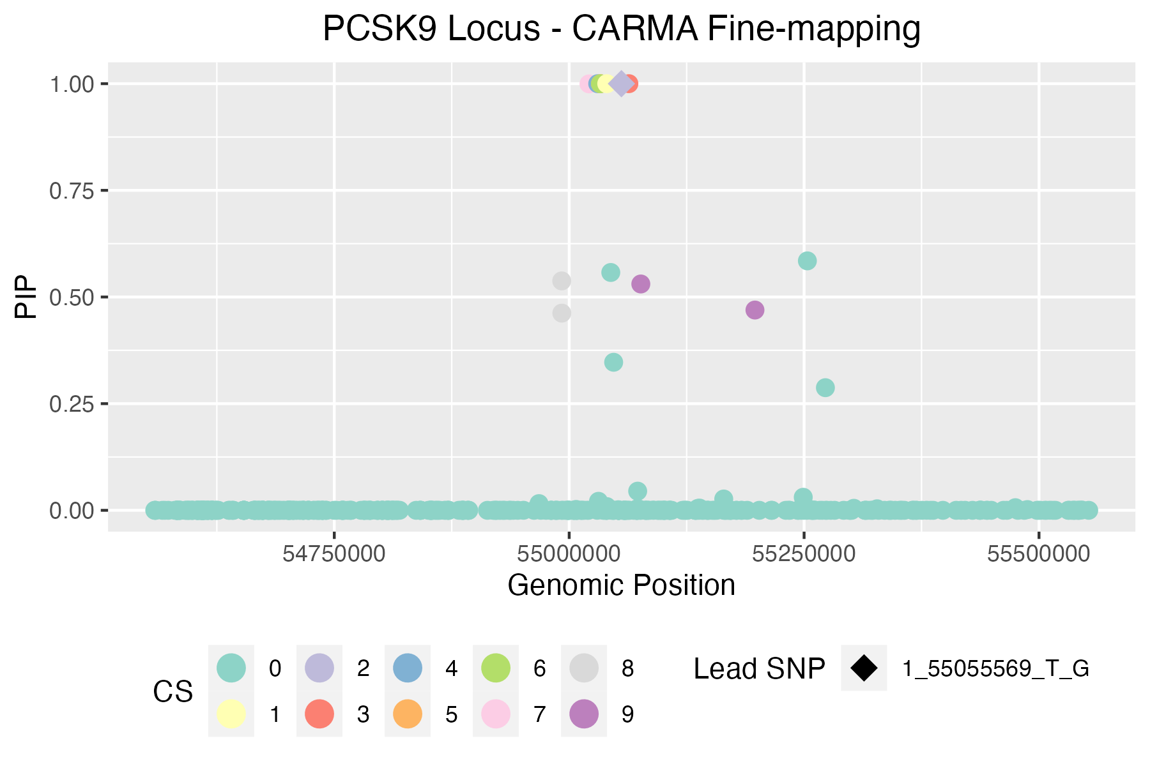
1_55055569_T_G (PCSK9) GCST90025953 (Total Cholesterol) |  |  |  |  |  | https://genetics.opentargets.org/study-locus/GCST90025953/1_55055569_T_G
 |  |  |  |  |  | n_sample | 437878
Total variants in Locus: | 569
Total CARMA outliers: | 42

CARMA credible sets | * variants in bold appear in >1 FM method
ID | chrom | pos | ref | alt | Z | pval | PIP | CS | Rsquare |  |  |  | Index_outlier | Z_outlier | pval_outlier | snp_outlier | ID_outlier
1_55076223_T_C | 1 | 55076223 | T | C | -0.80759228268 | 4.60E-01 | 0.53049584932 | 9 | 0.0346863 |  |  |  | 377 | 17.012236202 | 2.4E-65 | 1:55052855 | 1_55052855_C_A | CARMA total print out
1_55197699_A_G | 1 | 55197699 | A | G | -0.20262082353 | 8.30E-01 | 0.46942645027 | 9 | 0.040387 |  |  |  | 371 | 11.363011829 | 6.2E-30 | 1:55052493 | 1_55052493_G_A | [[1]]$`Credible set`
1_54992037_G_A | 1 | 54992037 | G | A | 5.0136192138 | 4.00E-07 | 0.53769755333 | 8 | 0.00146441 |  |  |  | 386 | 7.3167880108 | 6.2E-14 | 1:55059727 | 1_55059727_G_A | [[1]]$`Credible set`[[1]]
1_54992142_C_T | 1 | 54992142 | C | T | 5.0372799434 | 3.70E-07 | 0.46216867955 | 8 | 0.00143524 |  |  |  | 389 | 7.426767576 | 1.8E-14 | 1:55061650 | 1_55061650_G_A | [1] 9.000000 1.222222 0.991853
1_55021078_G_A | 1 | 55021078 | G | A | 9.5833477512 | 2.80E-22 | 0.99951397993 | 7 | 0.00311252 |  |  |  | 381 | 9.3032203327 | 1.6E-21 | 1:55058443 | 1_55058443_C_T
1_55033309_G_A | 1 | 55033309 | G | A | 1.1343089709 | 3.90E-01 | 0.99989513087 | 6 | 0.00880057 |  |  |  | 384 | 9.0087798926 | 2E-20 | 1:55058714 | 1_55058714_T_C | [[1]]$`Credible set`[[2]]
1_55033276_C_T | 1 | 55033276 | C | T | 14.14335479 | 9.40E-49 | 0.99999993135 | 5 | 0.0185685 |  |  |  | 382 | 8.9936420696 | 2.4E-20 | 1:55058524 | 1_55058524_A_G | [[1]]$`Credible set`[[2]][[1]]
1_55030366_T_C | 1 | 55030366 | T | C | -16.333525753 | 2.20E-63 | 0.99999999911 | 4 | 2.12E-07 |  |  |  | 383 | 9.0014794541 | 2.2E-20 | 1:55058564 | 1_55058564_G_A | [1] 355
1_55063514_G_A | 1 | 55063514 | G | A | -11.649581159 | 3.70E-34 | 1 | 3 | 0.00266817 |  |  |  | 467 | 5.0048452953 | 0.00000044 | 1:55172402 | 1_55172402_G_A
1_55055569_T_G | 1 | 55055569 | T | G | -18.567484835 | 2.90E-79 | 1 | 2 | 1 |  |  |  | 469 | 4.695565174 | 0.0000017 | 1:55178164 | 1_55178164_TA_T | [[1]]$`Credible set`[[2]][[2]]
1_55039974_G_T | 1 | 55039974 | G | T | -41.400181937 | 4.2E-395 | 1 | 1 | 1.84E-06 | missense PCSK9 variant |  |  | 455 | 4.7980166828 | 0.00000096 | 1:55151844 | 1_55151844_T_G | [1] 378
 |  |  |  |  |  |  |  |  |  |  |  |  | 435 | 10.747357774 | 2.1E-29 | 1:55108926 | 1_55108926_C_T
SuSiE credible sets (R package) |  |  |  |  |  |  |  |  |  |  |  |  | 456 | 9.9899767762 | 5.8E-26 | 1:55153780 | 1_55153780_ATAC_A | [[1]]$`Credible set`[[2]][[3]]
CredibleSet | position | z_vector | PIP | ID | PValue | CARMA Outlier |  |  |  |  |  |  | 431 | 1.3181665261 | 0.22 | 1:55107194 | 1_55107194_G_A | [1] 390
L1 | 355 | -41.400181937 | 1 | 1_55039974_G_T | 4.2E-395 | 0 |  |  |  |  |  |  | 404 | 1.3071530616 | 0.21 | 1:55075501 | 1_55075501_A_G
L2 | 378 | -18.567484835 | 1 | 1_55055569_T_G | 2.90E-79 | 0 |  |  |  |  |  |  | 416 | 1.2752713162 | 0.23 | 1:55089612 | 1_55089612_G_A | [[1]]$`Credible set`[[2]][[4]]
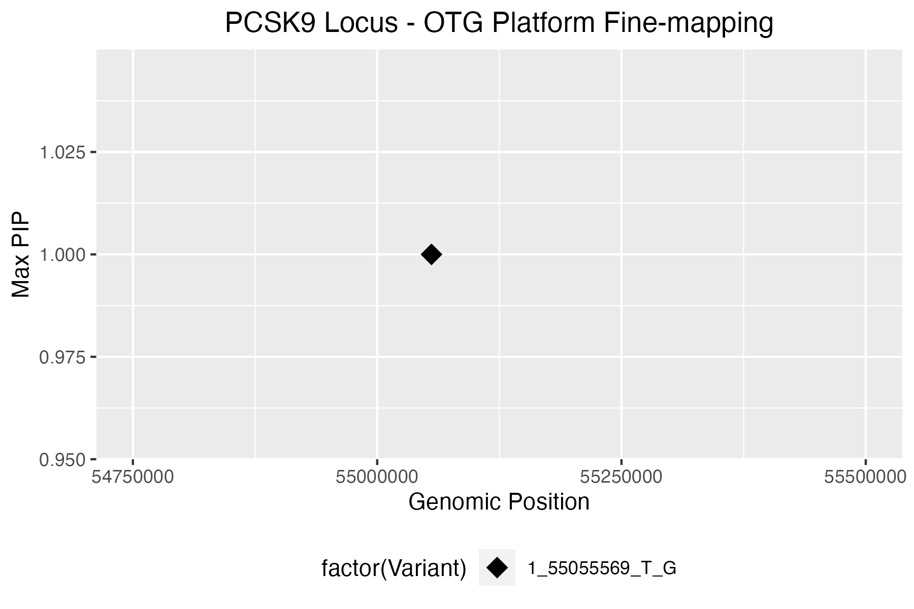
L3 | 377 | 17.012236202 | 1 | 1_55052855_C_A | 2.40E-65 | 1 |  |  |  |  |  |  | 407 | 1.0338037222 | 0.31 | 1:55081222 | 1_55081222_T_C | [1] 347
L4 | 376 | -17.140519744 | 1 | 1_55052794_A_G | 1.20E-66 | 1 |  |  |  |  |  |  | 480 | 3.39308929 | 0.00015 | 1:55243356 | 1_55243356_G_A
L7 | 389 | 7.426767576 | 1 | 1_55061650_G_A | 1.80E-14 | 1 |  |  |  |  |  |  | 392 | -1.2670026885 | 0.23 | 1:55064155 | 1_55064155_C_T | [[1]]$`Credible set`[[2]][[5]]
L8 | 460 | -6.8183436047 | 1 | 1_55164531_A_G | 3.40E-12 | 0 |  |  |  |  |  |  | 428 | 4.3050327964 | 0.0000099 | 1:55101737 | 1_55101737_A_G | [1] 349
L9 | 390 | -11.649581159 | 1 | 1_55063514_G_A | 3.70E-34 | 0 |  |  |  |  |  |  | 420 | 4.0795109472 | 0.000034 | 1:55096452 | 1_55096452_G_T
 |  |  |  |  |  |  |  |  |  |  |  |  | 399 | 3.8861023506 | 0.000069 | 1:55072712 | 1_55072712_T_C | [[1]]$`Credible set`[[2]][[6]]
SLALOM+SuSiE credible sets (SuSiE Python package) |  |  |  |  |  |  |  |  |  |  |  |  | 305 | 6.4580819671 | 1.5E-10 | 1:54981024 | 1_54981024_G_A | [1] 350
ID | p | z | t_dentist_s | dentist_outlier | prob | cs | CARMA Outlier |  |  |  |  |  | 304 | 6.4525630915 | 1.6E-10 | 1:54980998 | 1_54980998_C_T
1_55072712_T_C | 6.90E-05 | 3.8861023506 | 18.593006446 | 0 | 1 | 1 | 1 |  |  |  |  |  | 303 | 6.4282643761 | 1.8E-10 | 1:54980991 | 1_54980991_G_C | [[1]]$`Credible set`[[2]][[7]]
1_55072789_C_T | 2.40E-05 | -4.1467359908 | 13.860579723 | 0 | 1 | 2 | 0 |  |  |  |  |  | 376 | -17.140519744 | 1.2E-66 | 1:55052794 | 1_55052794_A_G | [1] 344
 |  |  |  |  |  |  |  |  |  |  |  |  | 315 | -4.6815280227 | 0.0000025 | 1:54992470 | 1_54992470_G_A
OTG PIPs |  |  |  |  |  |  |  |  |  |  |  |  | 320 | -5.1202751926 | 0.00000029 | 1:54999070 | 1_54999070_T_C | [[1]]$`Credible set`[[2]][[8]]
Variant | Position | Maximum Posterior Probability | Product of Posterior Probabilities (across selected studies) | CARMA Outlier |  |  |  |  |  |  |  |  | 302 | -6.2069431849 | 7.3E-10 | 1:54979889 | 1_54979889_G_A | [1] 312 314
1_55055569_T_G | 55055569 | 0.99999999999 | 0.99999999999 | 0 |  |  |  |  |  |  |  |  | 484 | -10.721479814 | 1.8E-27 | 1:55249739 | 1_55249739_C_T
 |  |  |  |  |  |  |  |  |  |  |  |  | 354 | -4.155427961 | 0.0000075 | 1:55039774 | 1_55039774_C_T | [[1]]$`Credible set`[[2]][[9]]
PICS2 credible set |  |  |  |  |  |  |  |  |  |  |  |  | 462 | 2.2991995715 | 0.0091 | 1:55166646 | 1_55166646_C_T | [1] 405 473
Req | Index_SNP | Linked_SNP | Linked_position_hg38 (hg19) | Linked_RefAlt | Consequence | eQTL Gene | Dprime | Rsquare | Phase | PICS Prob | CARMA Outlier |  | 397 | 6.1216810205 | 2.1E-10 | 1:55072289 | 1_55072289_C_A
1 | 1:55055569 | 1:55055569 | 1:55055569 (1:55521242) | T:G | intron_variant | NA | 1 | 1 | N,N | 0.7122 | 0 |  | 362 | -3.8214936799 | 0.000048 | 1:55046876 | 1_55046876_T_C
1 | 1:55055569 | 1:55054539 | 1:55054539 (1:55520212) | G:A | intron_variant | NA | 1 | 0.9958 | T,G | 0.2502 | 0 |  | 336 | -2.6869615273 | 0.0066 | 1:55008652 | 1_55008652_A_C
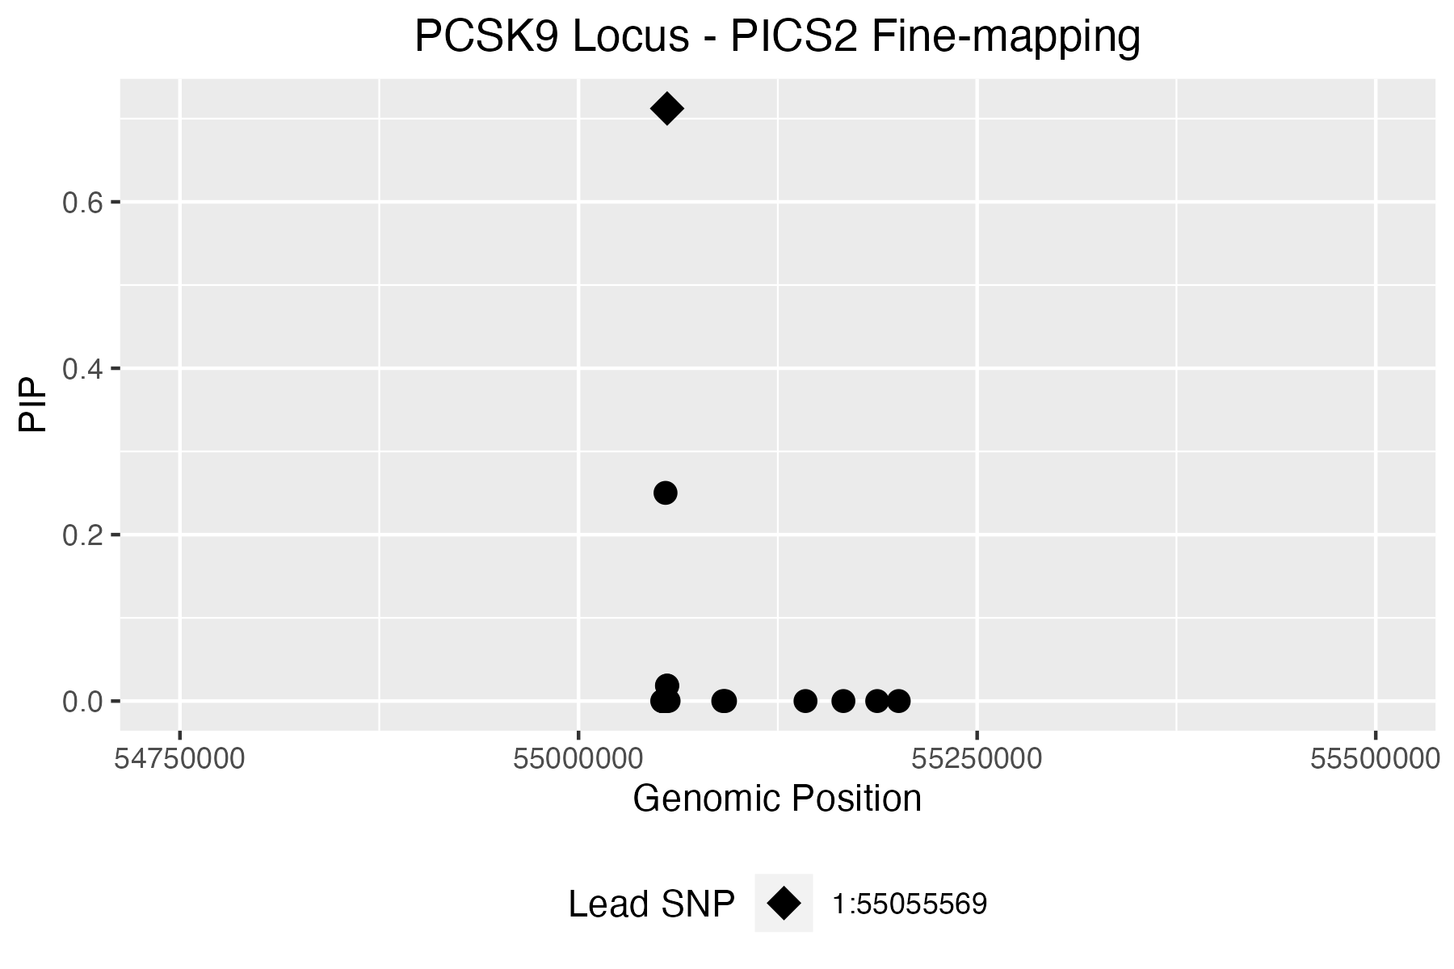
1 | 1:55055569 | 1:55055436 | 1:55055436 (1:55521109) | G:A | intron_variant | PCSK9 | 1 | 0.9627 | T,G | 0.0185 | 0 |  | 307 | -1.8499424598 | 0.15 | 1:54984963 | 1_54984963_C_T | [[1]]$`Credible model`
1 | 1:55055569 | 1:55055640 | 1:55055640 (1:55521313) | G:T | intron_variant | NA | 1 | 0.9627 | T,G | 0.0185 | 0 |  | 361 | -3.5267029383 | 0.000087 | 1:55045298 | 1_55045298_T_C | [[1]]$`Credible model`[[1]]
1 | 1:55055569 | 1:55056468 | 1:55056468 (1:55522141) | A:G | intron_variant | PCSK9 | 0.969 | 0.8925 | T,A | 0.0002 | 0 |  | 358 | 2.6067306298 | 0.0094 | 1:55040059 | 1_55040059_A_G | [[1]]$`Credible model`[[1]][[1]]
1 | 1:55055569 | 1:55054735 | 1:55054735 (1:55520408) | G:C | intron_variant | PCSK9 | 1 | 0.8912 | T,G | 0.0001 | 0 |  | 538 | 3.3118605963 | 0.0012 | 1:55429220 | 1_55429220_C_A | [1] 312 344 347 349 350 355 360 378 390 405 486
1 | 1:55055569 | 1:55053565 | 1:55053565 (1:55519238) | C:T | intron_variant | NA | 0.9894 | 0.7538 | T,C | 0 | 0 |  | 353 | 15.297166423 | 8E-56 | 1:55038977 | 1_55038977_G_A
1 | 1:55055569 | 1:55053342 | 1:55053342 (1:55519015) | G:T | intron_variant | NA | 0.9232 | 0.6958 | T,G | 0 | 0 |  | 309 | -3.1663247306 | 0.001 | 1:54986242 | 1_54986242_C_T | [[1]]$`Credible model`[[1]][[2]]
1 | 1:55055569 | 1:55052794 | 1:55052794 (1:55518467) | A:G | splice_region_variant | NA | 0.854 | 0.6822 | G,A | 0 | 1 |  | 490 | 3.385480455 | 0.00031 | 1:55259503 | 1_55259503_C_T | [1] 312 344 347 349 350 355 363 378 390 405 486
1 | 1:55055569 | 1:55054592 | 1:55054592 (1:55520265) | T:C | intron_variant | NA | 1 | 0.6696 | T,T | 0 | 0
1 | 1:55055569 | 1:55055321 | 1:55055321 (1:55520994) | G:GCG | intron_variant | NA | 0.9268 | 0.6502 | T,G | 0 | 0 |  |  |  |  |  |  | [[1]]$`Credible model`[[1]][[3]]
1 | 1:55055569 | 1:55052855 | 1:55052855 (1:55518528) | C:A | intron_variant | NA | 0.8343 | 0.615 | T,C | 0 | 1 |  |  |  |  |  |  | [1] 314 344 347 349 350 355 360 378 390 473 486
1 | 1:55055569 | 1:55090755 | 1:55090755 (1:55556428) | T:A | intron_variant | NA | 0.7616 | 0.5563 | T,T | 0 | 0
1 | 1:55055569 | 1:55091867 | 1:55091867 (1:55557540) | T:C | intron_variant | NA | 0.7616 | 0.5563 | T,T | 0 | 0 |  |  |  |  |  |  | [[1]]$`Credible model`[[1]][[4]]
1 | 1:55055569 | 1:55187310 | 1:55187310 (1:55652983) | G:T | intron_variant | NA | 0.7597 | 0.5466 | T,G | 0 | 0 |  |  |  |  |  |  | [1] 312 344 347 349 350 355 360 378 390 473 486
1 | 1:55055569 | 1:55200804 | 1:55200804 (1:55666477) | C:A | intron_variant | NA | 0.7528 | 0.5457 | T,C | 0 | 0
1 | 1:55055569 | 1:55142332 | 1:55142332 (1:55608005) | C:T | intron_variant | NA | 0.7554 | 0.5427 | T,C | 0 | 0 |  |  |  |  |  |  | [[1]]$`Credible model`[[1]][[5]]
1 | 1:55055569 | 1:55166109 | 1:55166109 (1:55631782) | G:T | intron_variant | NA | 0.7568 | 0.5335 | T,G | 0 | 0 |  |  |  |  |  |  | [1] 314 344 347 349 350 355 360 378 390 405 496
1 | 1:55055569 | 1:55053009 | 1:55053009 (1:55518682) | C:T | intron_variant | NA | 0.791 | 0.5153 | G,C | 0 | 0
1 | 1:55055569 | 1:55053501 | 1:55053501 (1:55519174) | G:A | intron_variant | NA | 0.7334 | 0.5031 | T,G | 0 | 0 |  |  |  |  |  |  | [[1]]$`Credible model`[[1]][[6]]
1 | 1:55055569 | 1:55052493 | 1:55052493 (1:55518166) | G:A | intron_variant | NA | 0.8017 | 0.5004 | T,G | 0 | 1 |  |  |  |  |  |  | [1] 314 344 347 349 350 355 363 378 390 473 486

 |  |  |  |  |  |  |  |  |  |  |  |  |  |  |  |  |  | [[1]]$`Credible model`[[1]][[7]]
 |  |  |  |  |  |  |  |  |  |  |  | zoomed in PICs plot: |  |  |  |  |  | [1] 312 344 347 349 350 355 360 378 390 405 496
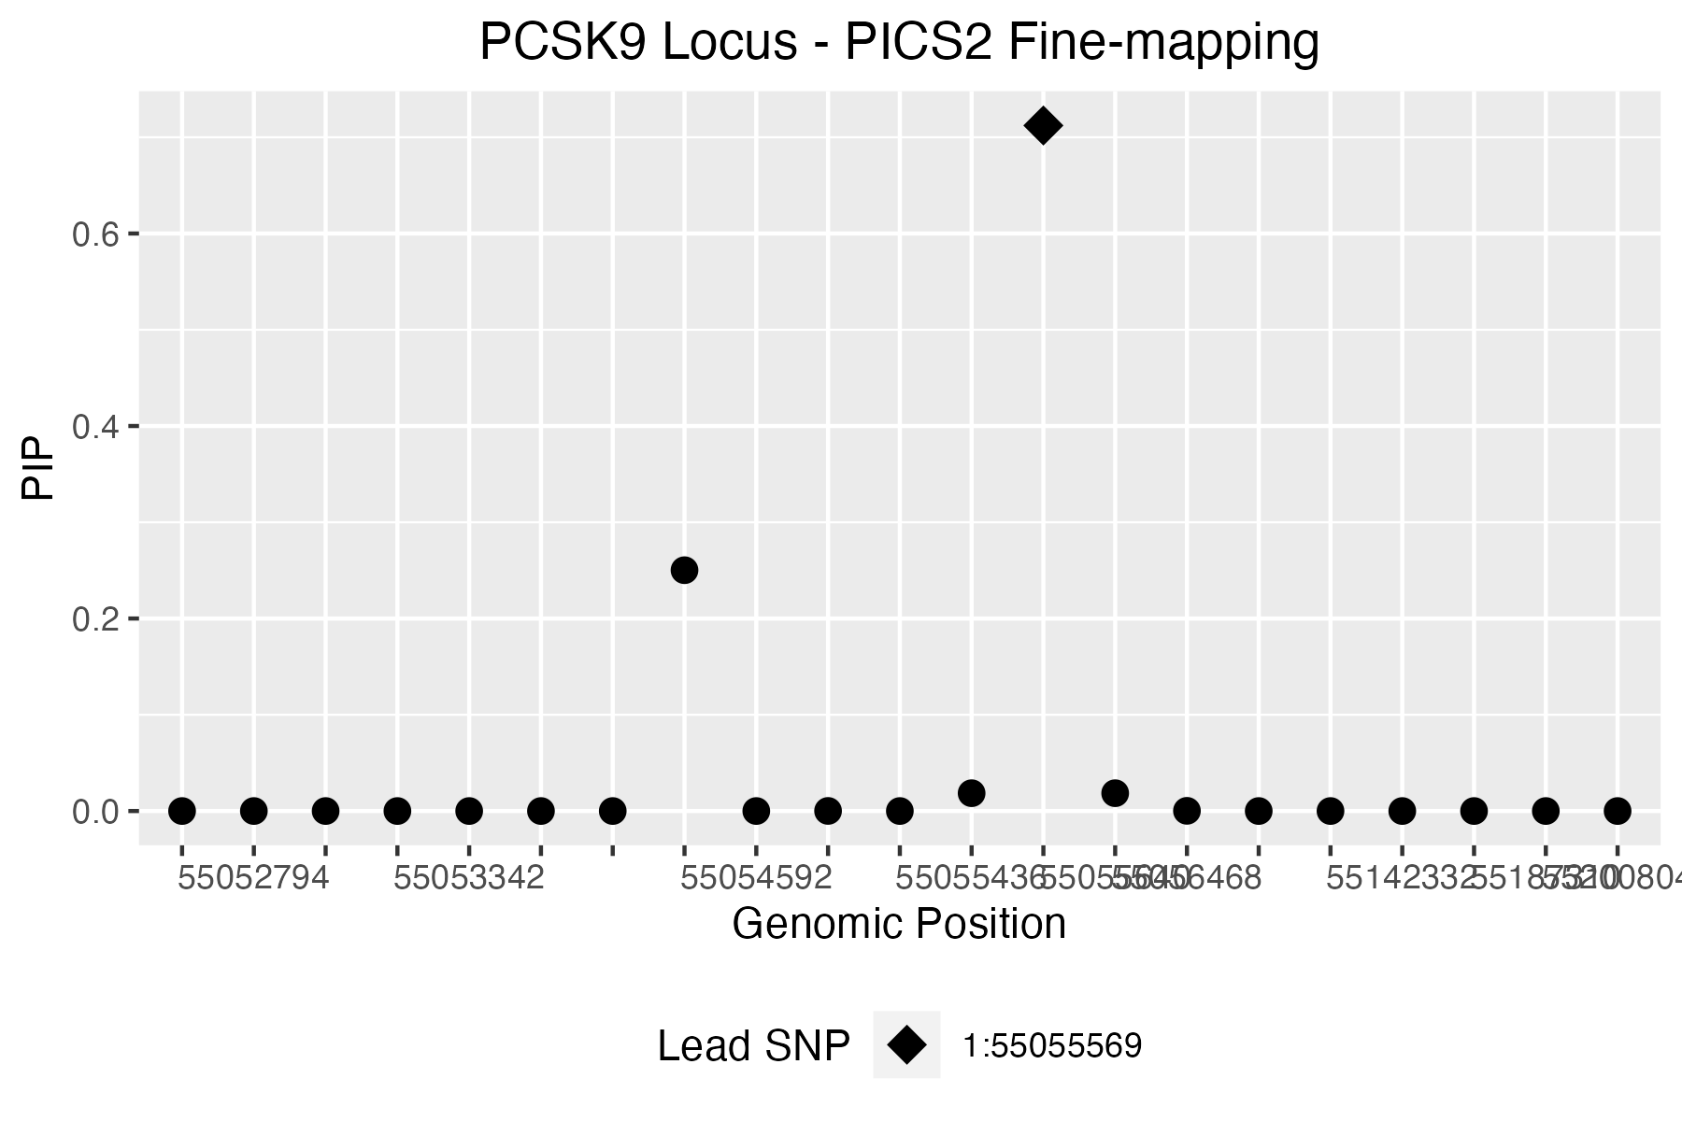
 |  |  |  |  |  |  |  |  |  |  |  |  |  |  |  |  |  | [[1]]$`Credible model`[[1]][[8]]
 |  |  |  |  |  |  |  |  |  |  |  |  |  |  |  |  |  | [1] 312 344 347 349 350 355 363 378 390 473 486

 |  |  |  |  |  |  |  |  |  |  |  |  |  |  |  |  |  | [[1]]$`Credible model`[[1]][[9]]
 |  |  |  |  |  |  |  |  |  |  |  |  |  |  |  |  |  | [1] 314 344 347 349 350 355 363 378 390 405 496

 |  |  |  |  |  |  |  |  |  |  |  |  |  |  |  |  |  | [[1]]$`Credible model`[[1]][[10]]
 |  |  |  |  |  |  |  |  |  |  |  |  |  |  |  |  |  | [1] 314 344 347 349 350 355 360 378 390 473 496

 |  |  |  |  |  |  |  |  |  |  |  |  |  |  |  |  |  | [[1]]$`Credible model`[[1]][[11]]
 |  |  |  |  |  |  |  |  |  |  |  |  |  |  |  |  |  | [1] 312 344 347 349 350 355 360 378 390 473 496

 |  |  |  |  |  |  |  |  |  |  |  |  |  |  |  |  |  | [[1]]$`Credible model`[[1]][[12]]
 |  |  |  |  |  |  |  |  |  |  |  |  |  |  |  |  |  | [1] 314 344 347 349 350 355 363 378 390 473 496

 |  |  |  |  |  |  |  |  |  |  |  |  |  |  |  |  |  | [[1]]$`Credible model`[[1]][[13]]
 |  |  |  |  |  |  |  |  |  |  |  |  |  |  |  |  |  | [1] 312 344 347 349 350 355 363 378 390 473 496

 |  |  |  |  |  |  |  |  |  |  |  |  |  |  |  |  |  | [[1]]$`Credible model`[[2]]
 |  |  |  |  |  |  |  |  |  |  |  |  |  |  |  |  |  | Posterior.Prob
 |  |  |  |  |  |  |  |  |  |  |  |  |  |  |  |  |  | 1 0.12046085
 |  |  |  |  |  |  |  |  |  |  |  |  |  |  |  |  |  | 2 0.09127974
 |  |  |  |  |  |  |  |  |  |  |  |  |  |  |  |  |  | 3 0.08577916
 |  |  |  |  |  |  |  |  |  |  |  |  |  |  |  |  |  | 4 0.07012398
 |  |  |  |  |  |  |  |  |  |  |  |  |  |  |  |  |  | 5 0.06992035
 |  |  |  |  |  |  |  |  |  |  |  |  |  |  |  |  |  | 6 0.06707620
 |  |  |  |  |  |  |  |  |  |  |  |  |  |  |  |  |  | 7 0.05842815
 |  |  |  |  |  |  |  |  |  |  |  |  |  |  |  |  |  | 8 0.05483200
 |  |  |  |  |  |  |  |  |  |  |  |  |  |  |  |  |  | 9 0.04836812
 |  |  |  |  |  |  |  |  |  |  |  |  |  |  |  |  |  | 10 0.03251078
 |  |  |  |  |  |  |  |  |  |  |  |  |  |  |  |  |  | 11 0.02717397
 |  |  |  |  |  |  |  |  |  |  |  |  |  |  |  |  |  | 12 0.02328292
 |  |  |  |  |  |  |  |  |  |  |  |  |  |  |  |  |  | 13 0.01946215

 |  |  |  |  |  |  |  |  |  |  |  |  |  |  |  |  |  | [[1]]$`Credible model`[[3]]
 |  |  |  |  |  |  |  |  |  |  |  |  |  |  |  |  |  | [1] 312 344 347 349 350 355 360 378 390 405 486 363 314 473 496

 |  |  |  |  |  |  |  |  |  |  |  |  |  |  |  |  |  | [[1]]$Outliers
 |  |  |  |  |  |  |  |  |  |  |  |  |  |  |  |  |  | Index Z
 |  |  |  |  |  |  |  |  |  |  |  |  |  |  |  |  |  | 1 377 17.012236
 |  |  |  |  |  |  |  |  |  |  |  |  |  |  |  |  |  | 2 371 11.363012
 |  |  |  |  |  |  |  |  |  |  |  |  |  |  |  |  |  | 3 386 7.316788
 |  |  |  |  |  |  |  |  |  |  |  |  |  |  |  |  |  | 4 389 7.426768
 |  |  |  |  |  |  |  |  |  |  |  |  |  |  |  |  |  | 5 381 9.303220
 |  |  |  |  |  |  |  |  |  |  |  |  |  |  |  |  |  | 6 384 9.008780
 |  |  |  |  |  |  |  |  |  |  |  |  |  |  |  |  |  | 7 382 8.993642
 |  |  |  |  |  |  |  |  |  |  |  |  |  |  |  |  |  | 8 383 9.001479
 |  |  |  |  |  |  |  |  |  |  |  |  |  |  |  |  |  | 9 467 5.004845
 |  |  |  |  |  |  |  |  |  |  |  |  |  |  |  |  |  | 10 469 4.695565
 |  |  |  |  |  |  |  |  |  |  |  |  |  |  |  |  |  | 11 455 4.798017
 |  |  |  |  |  |  |  |  |  |  |  |  |  |  |  |  |  | 12 435 10.747358
 |  |  |  |  |  |  |  |  |  |  |  |  |  |  |  |  |  | 13 456 9.989977
 |  |  |  |  |  |  |  |  |  |  |  |  |  |  |  |  |  | 14 431 1.318167
 |  |  |  |  |  |  |  |  |  |  |  |  |  |  |  |  |  | 15 404 1.307153
 |  |  |  |  |  |  |  |  |  |  |  |  |  |  |  |  |  | 16 416 1.275271
 |  |  |  |  |  |  |  |  |  |  |  |  |  |  |  |  |  | 17 407 1.033804
 |  |  |  |  |  |  |  |  |  |  |  |  |  |  |  |  |  | 18 480 3.393089
 |  |  |  |  |  |  |  |  |  |  |  |  |  |  |  |  |  | 19 392 -1.267003
 |  |  |  |  |  |  |  |  |  |  |  |  |  |  |  |  |  | 20 428 4.305033
 |  |  |  |  |  |  |  |  |  |  |  |  |  |  |  |  |  | 21 420 4.079511
 |  |  |  |  |  |  |  |  |  |  |  |  |  |  |  |  |  | 22 399 3.886102
 |  |  |  |  |  |  |  |  |  |  |  |  |  |  |  |  |  | 23 305 6.458082
 |  |  |  |  |  |  |  |  |  |  |  |  |  |  |  |  |  | 24 304 6.452563
 |  |  |  |  |  |  |  |  |  |  |  |  |  |  |  |  |  | 25 303 6.428264
 |  |  |  |  |  |  |  |  |  |  |  |  |  |  |  |  |  | 26 376 -17.140520
 |  |  |  |  |  |  |  |  |  |  |  |  |  |  |  |  |  | 27 315 -4.681528
 |  |  |  |  |  |  |  |  |  |  |  |  |  |  |  |  |  | 28 320 -5.120275
 |  |  |  |  |  |  |  |  |  |  |  |  |  |  |  |  |  | 29 302 -6.206943
 |  |  |  |  |  |  |  |  |  |  |  |  |  |  |  |  |  | 30 484 -10.721480
 |  |  |  |  |  |  |  |  |  |  |  |  |  |  |  |  |  | 31 354 -4.155428
 |  |  |  |  |  |  |  |  |  |  |  |  |  |  |  |  |  | 32 462 2.299200
 |  |  |  |  |  |  |  |  |  |  |  |  |  |  |  |  |  | 33 397 6.121681
 |  |  |  |  |  |  |  |  |  |  |  |  |  |  |  |  |  | 34 362 -3.821494
 |  |  |  |  |  |  |  |  |  |  |  |  |  |  |  |  |  | 35 336 -2.686962
 |  |  |  |  |  |  |  |  |  |  |  |  |  |  |  |  |  | 36 307 -1.849942
 |  |  |  |  |  |  |  |  |  |  |  |  |  |  |  |  |  | 37 361 -3.526703
 |  |  |  |  |  |  |  |  |  |  |  |  |  |  |  |  |  | 38 358 2.606731
 |  |  |  |  |  |  |  |  |  |  |  |  |  |  |  |  |  | 39 538 3.311861
 |  |  |  |  |  |  |  |  |  |  |  |  |  |  |  |  |  | 40 353 15.297166
 |  |  |  |  |  |  |  |  |  |  |  |  |  |  |  |  |  | 41 309 -3.166325
 |  |  |  |  |  |  |  |  |  |  |  |  |  |  |  |  |  | 42 490 3.385480

PTK2B (Alzh)
8_27362470_C_T (PTK2B) GCST90012877 (Alzheimer's diseae) |  |  |  |  | https://genetics.opentargets.org/study-locus/GCST90012877/8_27362470_C_T
 |  |  |  |  | https://my.locuszoom.org/gwas/9147/region/?chrom=8&start=27218503&end=27718503
Total variants in Locus: | 4551 |  |  |  | n_sample | 472868
Total CARMA outliers: | 836
 |  |  |  |  |  |  |  |  |  |  |  |  | CARMA outliers |  |  |  |  |  | DENTIST (original) outliers
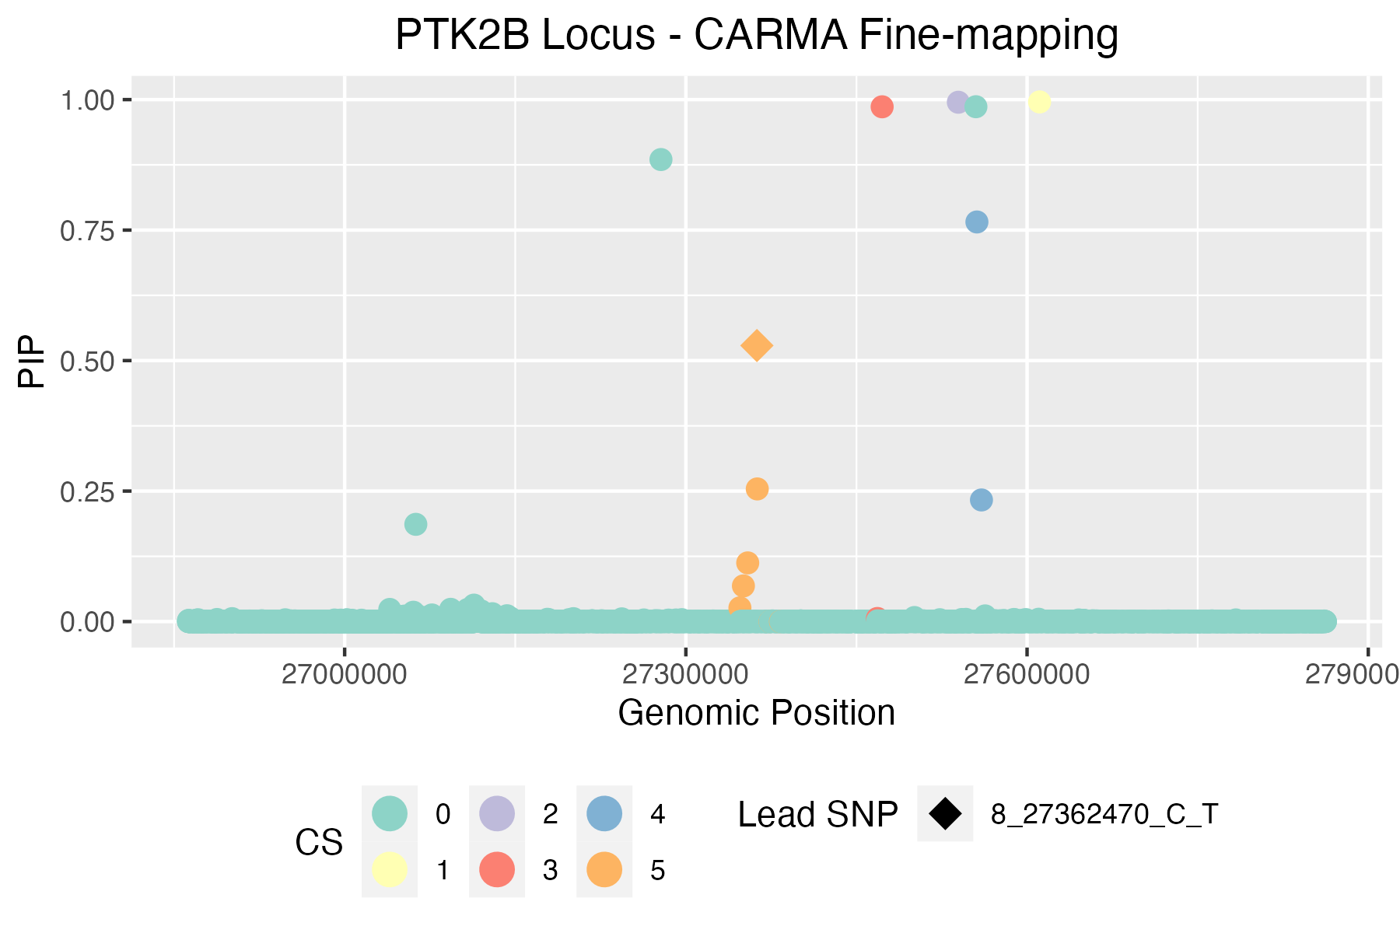
CARMA credible sets | * variants in bold appear in >1 FM method |  |  |  |  |  |  |  |  |  |  |  | Index_outlier | Z_outlier | pval_outlier | snp_outlier | ID_outlier | ID2_outlier | ID | chisq | -log10(P) | ifduplicated | Outlier | CARMA_match
ID | chrom | pos | ref | alt | Z | pval | PIP | CS | Rsquare |  |  |  | 3526 | -10.245430002 | 1.2407194667E-24 | 8:27610304 | 8_27610304_C_G | 8:27610304:C:G | 8:27362793:G:A | 1960.97 | inf | 1 |  | 0 | CARMA total print out
8_27347529_AG_A | 8 | 27347529 | AG | A | 7.7221890077 | 1.14E-14 | 0.026263004381 | 5 | 0.986656 |  |  |  | 3519 | -10.25257798 | 1.1522851087E-24 | 8:27608640 | 8_27608640_T_C | 8:27608640:T:C | 8:27363254:C:T | 319.225 | 70.6702 | 1 |  | 0 | [[1]]$`Credible set`
8_27350609_G_A | 8 | 27350609 | G | A | 7.7286098136 | 1.09E-14 | 0.068354039163 | 5 | 0.987945 |  |  |  | 3518 | -10.231315666 | 1.4355566727E-24 | 8:27607795 | 8_27607795_T_C | 8:27607795:T:C | 8:27363592:G:A | 320.006 | 70.8403 | 1 |  | 0 | [[1]]$`Credible set`[[1]]
8_27354393_G_A | 8 | 27354393 | G | A | 7.7655946167 | 8.13E-15 | 0.11242261946 | 5 | 0.995698 |  |  |  | 3520 | -10.262506946 | 1.0397183397E-24 | 8:27608664 | 8_27608664_T_C | 8:27608664:T:C | 8:27366165:G:A | 83.0535 | 19.0977 | 1 |  | 1 | [1] 5.0000000 2.6000000 0.8621206
8_27362470_C_T | 8 | 27362470 | C | T | 7.9395523708 | 2.03E-15 | 0.52881149865 | 5 | 1 |  |  |  | 3516 | -10.146525185 | 3.4337224593E-24 | 8:27607002 | 8_27607002_T_C | 8:27607002:T:C | 8:27369239:T:C | 104.734 | 23.8548 | 1 |  | 0
8_27362793_G_A | 8 | 27362793 | G | A | 7.8341770081 | 4.72E-15 | 0.25412090411 | 5 | 0.996343 |  |  |  | 3517 | -10.240570124 | 1.3046528212E-24 | 8:27607412 | 8_27607412_A_G | 8:27607412:A:G | 8:27370037:A:G | 18.2413 | 4.71084 | 1 |  | 1 | [[1]]$`Credible set`[[2]]
8_27374071_A_T | 8 | 27374071 | A | T | 3.1566789006 | 0.0015957696444 | 1.50E-05 | 5 | 0.344332 |  |  |  | 3512 | -10.176653894 | 2.520807366E-24 | 8:27604964 | 8_27604964_A_G | 8:27604964:A:G | 8:27370839:C:G | 110.883 | 25.2022 | 1 |  | 0 | [[1]]$`Credible set`[[2]][[1]]
8_27383181_A_G | 8 | 27383181 | A | G | 3.2394259729 | 0.0011977055228 | 1.55E-05 | 5 | 0.34978 |  |  |  | 3521 | -10.320005187 | 5.7220066606E-25 | 8:27608798 | 8_27608798_T_C | 8:27608798:T:C | 8:27371045:G:A | 343.125 | 75.8756 | 1 |  | 0 | [1] 3527
8_27555904_G_T | 8 | 27555904 | G | T | -3.8765013539 | 0.00010596922055 | 0.76555886771 | 4 | 0.0322672 |  |  |  | 3497 | -10.162045159 | 2.9286764006E-24 | 8:27598736 | 8_27598736_T_C | 8:27598736:T:C | 8:27371149:C:A | 8385.01 | inf | 1 |  | 1
8_27559905_G_A | 8 | 27559905 | G | A | -4.9824356497 | 6.28E-07 | 0.23301476039 | 4 | 0.0183736 |  |  |  | 3514 | 6.2947046668 | 3.0798566997E-10 | 8:27606101 | 8_27606101_C_T | 8:27606101:C:T | 8:27374346:C:T | 355.868 | 78.6506 | 1 |  | 0 | [[1]]$`Credible set`[[2]][[2]]
8_27468423_G_A | 8 | 27468423 | G | A | -3.5111933625 | 0.00044609978643 | 0.0059295073006 | 3 | 0.0574036 |  |  |  | 3507 | 6.2119024263 | 5.2346930087E-10 | 8:27602851 | 8_27602851_G_C | 8:27602851:G:C | 8:27375815:C:T | 330.813 | 73.1942 | 1 |  | 0 | [1] 3247
8_27472579_C_T | 8 | 27472579 | C | T | -7.3076708905 | 2.72E-13 | 0.98623151631 | 3 | 0.126542 |  |  |  | 3509 | 6.2391420556 | 4.3997730457E-10 | 8:27603975 | 8_27603975_C_A | 8:27603975:C:A | 8:27378301:G:A | 62.4136 | 14.5553 | 1 |  | 1
8_27539568_ACCGT_A | 8 | 27539568 | ACCGT | A | -5.8243127165 | 5.73E-09 | 0.99494497691 | 2 | 0.0188722 |  |  |  | 3461 | 7.2740734948 | 3.4880605866E-13 | 8:27590511 | 8_27590511_C_T | 8:27590511:C:T | 8:27380191:G:A | 72.122 | 16.694 | 1 |  | 1 | [[1]]$`Credible set`[[2]][[3]]
8_27610986_C_A | 8 | 27610986 | C | A | 10.510674951 | 7.71E-26 | 0.99557107736 | 1 | 0.0013365 |  |  |  | 3328 | -6.4789913173 | 9.2337816681E-11 | 8:27558059 | 8_27558059_G_A | 8:27558059:G:A | 8:27380598:G:C | 74.2107 | 17.1536 | 1 |  | 1 | [1] 2975 2962
 |  |  |  |  |  |  |  |  |  |  |  |  | 3409 | 7.2351749111 | 4.6492953841E-13 | 8:27577205 | 8_27577205_C_T | 8:27577205:C:T | 8:27381309:A:G | 48.7899 | 11.5453 | 1 |  | 0
SuSiE credible sets (R package) |  |  |  |  |  |  |  |  |  |  |  |  | 3554 | -5.7776122602 | 7.5768167702E-09 | 8:27621710 | 8_27621710_T_G | 8:27621710:T:G | 8:27381741:C:T | 71.7854 | 16.6199 | 1 |  | 1 | [[1]]$`Credible set`[[2]][[4]]
CredibleSet | position | z_vector | PIP | ID | PValue | CARMA Outlier |  |  |  |  |  |  | 3393 | 7.1904502637 | 6.4577998739E-13 | 8:27571711 | 8_27571711_C_T | 8:27571711:C:T | 8:27383038:A:C | 51.2575 | 12.0915 | 1 |  | 0 | [1] 3312 3340
L1 | 3525 | 10.24946373 | 1 | 8_27610169_C_T | 1.19E-24 | 0 |  |  |  |  |  |  | 3576 | -5.6601800874 | 1.5121422812E-08 | 8:27629399 | 8_27629399_G_A | 8:27629399:G:A | 8:27383181:A:G | 47.6944 | 11.3027 | 1 |  | 0
L2 | 3526 | -10.245430002 | 1 | 8_27610304_C_G | 1.24E-24 | 1 |  |  |  |  |  |  | 3468 | 6.3319856811 | 2.420259529E-10 | 8:27592556 | 8_27592556_G_A | 8:27592556:G:A | 8:27383836:C:T | 2261.65 | inf | 1 |  | 1 | [[1]]$`Credible set`[[2]][[5]]
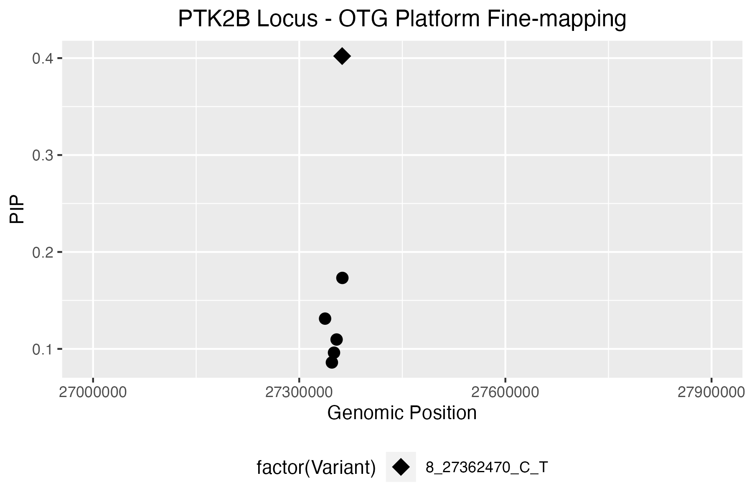
L5 | 3527 | 10.510674951 | 1 | 8_27610986_C_A | 7.71E-26 | 0 |  |  |  |  |  |  | 3585 | -5.9326698557 | 2.980477862E-09 | 8:27632442 | 8_27632442_G_C | 8:27632442:G:C | 8:27385105:T:A | 95.0456 | 21.7304 | 1 |  | 1 | [1] 2538 2539 2520 2510 2501 2591 2568
L8 | 3518 | -10.231315666 | 0.99999999366 | 8_27607795_T_C | 1.44E-24 | 1 |  |  |  |  |  |  | 3557 | -5.9065732826 | 3.4929695507E-09 | 8:27622693 | 8_27622693_A_G | 8:27622693:A:G | 8:27385730:TAA:T | 1.19381 | 0.561358 | 1 |  | 0
 |  |  |  |  |  |  |  |  |  |  |  |  | 3552 | -5.9150385443 | 3.3179787387E-09 | 8:27621586 | 8_27621586_A_G | 8:27621586:A:G | 8:27386078:G:A | 1.39651 | 0.624686 | 1 |  | 0
SuSiE credible sets (python package) |  |  |  |  |  |  |  |  |  |  |  |  | 3558 | -5.8986835924 | 3.6641311092E-09 | 8:27622938 | 8_27622938_A_T | 8:27622938:A:T | 8:27386783:A:G | 183.619 | 41.1046 | 1 |  | 1
ID | p | beta | se | t_dentist_s | dentist_outlier | prob | cs | CARMA Outlier |  |  |  |  | 3400 | 5.9119216227 | 3.381394391E-09 | 8:27573055 | 8_27573055_C_A | 8:27573055:C:A | 8:27387205:A:G | 184.267 | 41.2463 | 1 |  | 0 | [[1]]$`Credible model`
8_27608640_T_C | 1.15E-24 | -0.1011301246 | 0.0098638727541 | 108.67500586 | 0 | 0.99999999988 | 4 | 1 |  |  |  |  | 3395 | 5.9311428266 | 3.0083337805E-09 | 8:27572132 | 8_27572132_C_T | 8:27572132:C:T | 8:27387402:C:T | 95.2378 | 21.7725 | 1 |  | 1 | [[1]]$`Credible model`[[1]]
8_27610169_C_T | 1.19E-24 | 0.1017568704 | 0.009928018975 | 101.64671985 | 0 | 1 | 1 | 0 |  |  |  |  | 3381 | 5.936965516 | 2.903457056E-09 | 8:27567600 | 8_27567600_C_T | 8:27567600:C:T | 8:27388204:A:C | 184.558 | 41.3098 | 1 |  | 0 | [[1]]$`Credible model`[[1]][[1]]
8_27610304_C_G | 1.24E-24 | -0.10177651096 | 0.0099338447426 | 108.5259914 | 0 | 1 | 2 | 1 |  |  |  |  | 3531 | 5.2150843745 | 1.8373358431E-07 | 8:27612679 | 8_27612679_G_T | 8:27612679:G:T | 8:27388273:C:T | 94.3843 | 21.5853 | 1 |  | 1 | [1] 2300 2538 2975 3247 3304 3312 3527
8_27610986_C_A | 7.71E-26 | 0.10512359417 | 0.010001602624 | 106.98324982 | 0 | 1 | 3 | 0 |  |  |  |  | 3532 | 5.2978776514 | 1.1715642095E-07 | 8:27613080 | 8_27613080_G_A | 8:27613080:G:A | 8:27388820:T:C | 44.7194 | 10.6432 | 1 |  | 0
 |  |  |  |  |  |  |  |  |  |  |  |  | 3534 | 5.4993554442 | 3.8118205531E-08 | 8:27613401 | 8_27613401_AAAG_A | 8:27613401:AAAG:A | 8:27389331:A:C | 2.63454 | 0.980625 | 1 |  | 1 | [[1]]$`Credible model`[[1]][[2]]
OTG PIPs |  |  |  |  |  |  |  |  |  |  |  |  | 3448 | 5.5300057486 | 3.2022029389E-08 | 8:27587124 | 8_27587124_G_C | 8:27587124:G:C | 8:27389781:T:C | 39.2292 | 9.42382 | 1 |  | 0 | [1] 2300 2539 2975 3247 3304 3312 3527
Variant | Position | Maximum Posterior Probability | Product of Posterior Probabilities (across selected studies) | CARMA Outlier |  |  |  |  |  |  |  |  | 3476 | 5.5657778078 | 2.6098562506E-08 | 8:27594089 | 8_27594089_C_T | 8:27594089:C:T | 8:27389822:G:A | 94.7702 | 21.6699 | 1 |  | 1
8_27337604_T_C | 27337604 | 0.13123385 | 0.13123385 | 1 |  |  |  |  |  |  |  |  | 3471 | 5.5359784134 | 3.0949568685E-08 | 8:27592734 | 8_27592734_G_A | 8:27592734:G:A | 8:27390130:T:C | 179.333 | 40.169 | 1 |  | 0 | [[1]]$`Credible model`[[1]][[3]]
8_27347529_AG_A | 27347529 | 0.08599828 | 0.08599828 | 0 |  |  |  |  |  |  |  |  | 3481 | 5.59743858 | 2.1754188375E-08 | 8:27594987 | 8_27594987_C_T | 8:27594987:C:T | 8:27390145:G:C | 99.7032 | 22.7519 | 1 |  | 1 | [1] 1303 1486 2300 2538 2975 3247 3304 3312 3527
8_27350609_G_A | 27350609 | 0.09608677 | 0.09608677 | 0 |  |  |  |  |  |  |  |  | 3273 | -7.0491065707 | 1.8007020356E-12 | 8:27545260 | 8_27545260_G_A | 8:27545260:G:A | 8:27390303:G:T | 698.475 | 153.193 | 1 |  | 1
8_27354393_G_A | 27354393 | 0.10967276 | 0.10967276 | 0 |  |  |  |  |  |  |  |  | 3449 | 5.4966225326 | 3.8713412779E-08 | 8:27587232 | 8_27587232_G_A | 8:27587232:G:A | 8:27390502:A:T | 184.464 | 41.2891 | 1 |  | 0 | [[1]]$`Credible model`[[1]][[4]]
8_27362470_C_T | 27362470 | 0.40208401 | 0.40208401 | 0 |  |  |  |  |  |  |  |  | 3455 | 5.4991550946 | 3.8161536973E-08 | 8:27589507 | 8_27589507_C_T | 8:27589507:C:T | 8:27390647:T:A | 95.2174 | 21.7681 | 1 |  | 1 | [1] 2300 2520 2975 3247 3304 3312 3527
8_27362793_G_A | 27362793 | 0.17321999 | 0.17321999 | 0 |  |  |  |  |  |  |  |  | 3491 | 5.7073920681 | 1.1472032044E-08 | 8:27597165 | 8_27597165_G_A | 8:27597165:G:A | 8:27390918:T:C | 57.438 | 13.4574 | 1 |  | 0
 |  |  |  |  |  |  |  |  |  |  |  |  | 3486 | 5.7234083236 | 1.0440791895E-08 | 8:27596245 | 8_27596245_C_T | 8:27596245:C:T | 8:27391044:G:T | 2453.48 | inf | 1 |  | 1 | [[1]]$`Credible model`[[1]][[5]]
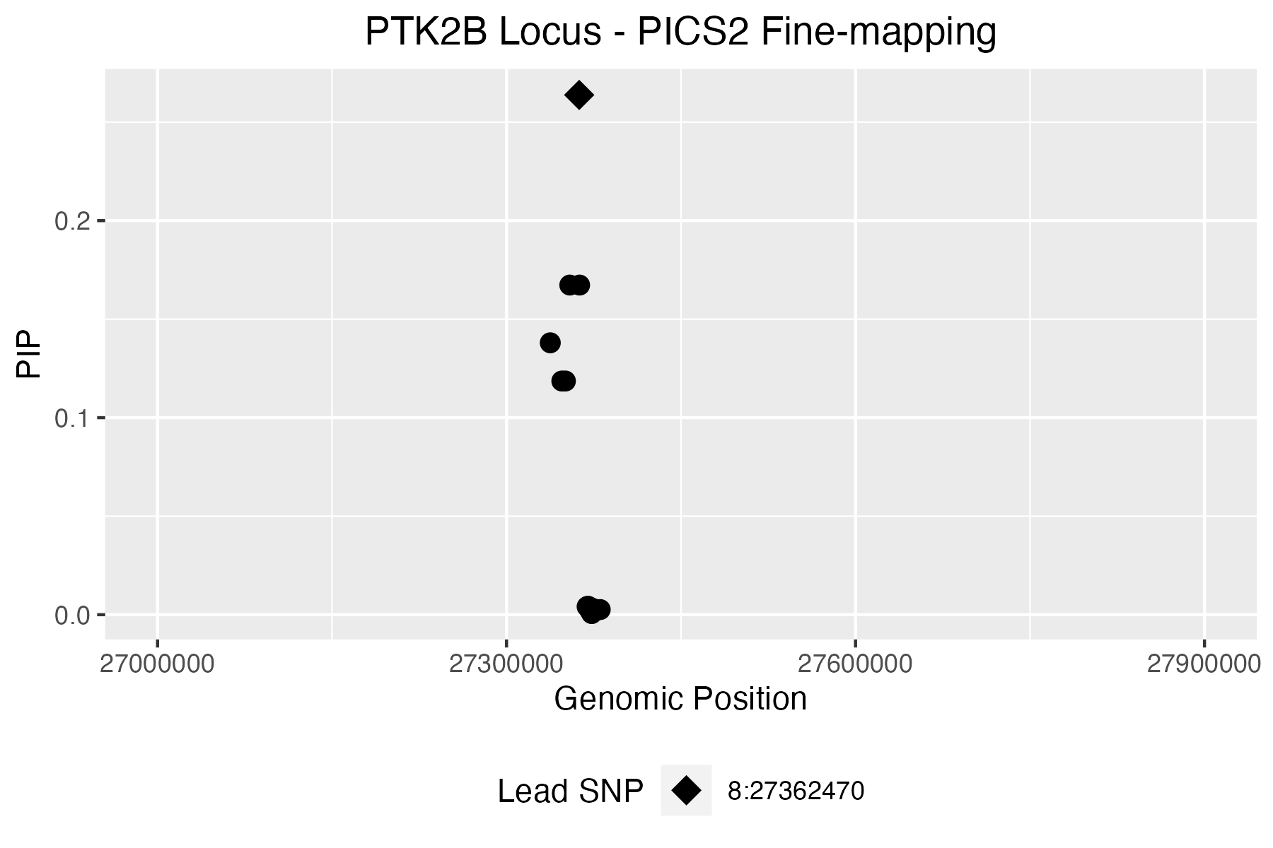
PICS2 credible set |  |  |  |  |  |  |  |  |  |  |  |  | 3426 | 5.8750599306 | 4.2269040201E-09 | 8:27582386 | 8_27582386_TCTA_T | 8:27582386:TCTA:T | 8:27391056:T:A | 94.7603 | 21.6678 | 1 |  | 1 | [1] 1136 1303 2300 2538 2975 3247 3304 3312 3527
Req | Index_SNP | Linked_SNP | Linked_position_hg38 (hg19) | Linked_RefAlt | Consequence | eQTL Gene | Dprime | Rsquare | Phase | PICS Prob | CARMA Outlier |  | 3454 | 5.4455800518 | 5.1636833469E-08 | 8:27589478 | 8_27589478_GT_G | 8:27589478:GT:G | 8:27391150:G:A | 94.3614 | 21.5803 | 1 |  | 1
1 | 8:27362470 | 8:27362470 | 8:27362470 (8:27219987) | C:T | intron_variant | NA | 1 | 1 | N,N | 0.2638 | 0 |  | 3477 | 5.340114575 | 9.2887857829E-08 | 8:27594202 | 8_27594202_C_T | 8:27594202:C:T | 8:27391245:T:C | 182.302 | 40.8172 | 1 |  | 0 | [[1]]$`Credible model`[[1]][[6]]
1 | 8:27362470 | 8:27354393 | 8:27354393 (8:27211910) | G:A | intron_variant | NA | 1 | 0.9956 | C,G | 0.1673 | 0 |  | 3371 | 5.7837271668 | 7.3063407858E-09 | 8:27565223 | 8_27565223_G_A | 8:27565223:G:A | 8:27391560:T:C | 39.8078 | 9.5525 | 1 |  | 0 | [1] 1285 1303 2300 2538 2975 3247 3304 3312 3527
1 | 8:27362470 | 8:27362793 | 8:27362793 (8:27220310) | G:A | intron_variant | PTK2B | 1 | 0.9956 | C,G | 0.1673 | 0 |  | 3267 | -6.7931745179 | 1.0969255027E-11 | 8:27543625 | 8_27543625_G_A | 8:27543625:G:A | 8:27391811:G:C | 94.6558 | 21.6449 | 1 |  | 1
1 | 8:27362470 | 8:27337604 | 8:27337604 (8:27195121) | T:C | intron_variant | PTK2B | 1 | 0.9912 | C,T | 0.138 | 1 |  | 3524 | 4.8018443272 | 1.5721089358E-06 | 8:27609875 | 8_27609875_G_C | 8:27609875:G:C | 8:27391941:A:G | 45.9632 | 10.919 | 1 |  | 0 | [[1]]$`Credible model`[[1]][[7]]
1 | 8:27362470 | 8:27347529 | 8:27347529 (8:27205046) | AG:A | intron_variant | NA | 0.9956 | 0.9868 | C,AG | 0.1186 | 0 |  | 3500 | 5.0450918109 | 4.5330364879E-07 | 8:27600587 | 8_27600587_G_C | 8:27600587:G:C | 8:27393304:T:C | 184.42 | 41.2797 | 1 |  | 0 | [1] 2300 2538 2975 3247 3304 3340 3527
1 | 8:27362470 | 8:27350609 | 8:27350609 (8:27208126) | G:A | intron_variant | NA | 0.9956 | 0.9868 | C,G | 0.1186 | 0 |  | 3396 | 5.2328576285 | 1.6690929839E-07 | 8:27572213 | 8_27572213_G_A | 8:27572213:G:A | 8:27393416:G:A | 94.5906 | 21.6305 | 1 |  | 1
1 | 8:27362470 | 8:27370037 | 8:27370037 (8:27227554) | A:G | intron_variant | NA | 0.9792 | 0.8 | C,A | 0.0043 | 1 |  | 3542 | -5.1716463516 | 2.320404291E-07 | 8:27617803 | 8_27617803_T_G | 8:27617803:T:G | 8:27393534:T:C | 182.002 | 40.7516 | 1 |  | 0 | [[1]]$`Credible model`[[1]][[8]]
1 | 8:27362470 | 8:27369273 | 8:27369273 (8:27226790) | A:C | intron_variant | NA | 0.9754 | 0.7981 | C,A | 0.0041 | 1 |  | 3505 | 4.7870403749 | 1.6925879327E-06 | 8:27602123 | 8_27602123_G_A | 8:27602123:G:A | 8:27393808:A:G | 2.26862 | 0.87937 | 1 |  | 1 | [1] 2300 2501 2975 3247 3304 3312 3527
1 | 8:27362470 | 8:27369936 | 8:27369936 (8:27227453) | C:T | intron_variant | NA | 0.9741 | 0.7954 | C,C | 0.0039 | 1 |  | 3503 | 4.8073782746 | 1.5292247177E-06 | 8:27601688 | 8_27601688_C_A | 8:27601688:C:A | 8:27394029:G:C | 90.3478 | 20.6995 | 1 |  | 1
1 | 8:27362470 | 8:27371149 | 8:27371149 (8:27228666) | C:A | intron_variant | NA | 0.9741 | 0.7954 | C,C | 0.0039 | 1 |  | 3254 | -6.665878151 | 2.6308747069E-11 | 8:27541103 | 8_27541103_C_T | 8:27541103:C:T | 8:27395031:C:T | 95.6705 | 21.8675 | 1 |  | 1 | [[1]]$`Credible model`[[1]][[9]]
1 | 8:27362470 | 8:27374501 | 8:27374501 (8:27232018) | T:C | intron_variant | NA | 0.9495 | 0.7806 | C,T | 0.0031 | 1 |  | 3152 | -6.5785565352 | 4.7503725128E-11 | 8:27516348 | 8_27516348_G_A | 8:27516348:G:A | 8:27395116:T:C | 184.354 | 41.2651 | 1 |  | 0 | [1] 1303 1395 2300 2538 2975 3247 3304 3312 3527
1 | 8:27362470 | 8:27380535 | 8:27380535 (8:27238052) | AT:A | intron_variant | NA | 0.9443 | 0.7722 | C,AT | 0.0026 | 0 |  | 3256 | -6.6643871248 | 2.6577207044E-11 | 8:27542001 | 8_27542001_G_C | 8:27542001:G:C | 8:27395229:G:C | 93.5082 | 21.3931 | 1 |  | 1
1 | 8:27362470 | 8:27371545 | 8:27371545 (8:27229062) | T:TTATA | intron_variant | NA | 0.9438 | 0.7643 | C,T | 0.0023 | 0 |  | 3259 | -6.4172388059 | 1.387681584E-10 | 8:27542527 | 8_27542527_G_A | 8:27542527:G:A | 8:27395364:G:A | 93.5996 | 21.4131 | 1 |  | 1 | [[1]]$`Credible model`[[1]][[10]]
1 | 8:27362470 | 8:27373120 | 8:27373120 (8:27230637) | A:G | intron_variant | NA | 0.8697 | 0.7045 | C,A | 0.0007 | 1 |  | 3506 | 4.5569530377 | 5.1901022648E-06 | 8:27602668 | 8_27602668_G_A | 8:27602668:G:A | 8:27396060:T:C | 58.3775 | 13.6649 | 1 |  | 0 | [1] 2300 2539 2975 3247 3304 3340 3527
1 | 8:27362470 | 8:27373302 | 8:27373302 (8:27230819) | A:G | intron_variant | NA | 0.8491 | 0.6929 | C,A | 0.0006 | 1 |  | 3082 | -6.3395894105 | 2.3037828827E-10 | 8:27494221 | 8_27494221_G_A | 8:27494221:G:A | 8:27396434:G:A | 94.8134 | 21.6794 | 1 |  | 1
 |  |  |  |  |  |  |  |  |  |  |  |  | 3544 | 5.1184614663 | 3.0803815567E-07 | 8:27618830 | 8_27618830_G_T | 8:27618830:G:T | 8:27396596:T:G | 184.261 | 41.2448 | 1 |  | 0 | [[1]]$`Credible model`[[1]][[11]]
 |  |  |  |  |  |  |  |  |  |  |  |  | 3546 | 5.0198744655 | 5.1705258203E-07 | 8:27618909 | 8_27618909_G_A | 8:27618909:G:A | 8:27396627:T:C | 57.6144 | 13.4964 | 1 |  | 0 | [1] 1231 1303 2300 2538 2975 3247 3304 3312 3527
 |  |  |  |  |  |  |  |  |  |  |  |  | 2987 | -6.7595141279 | 1.3845525941E-11 | 8:27476581 | 8_27476581_C_T | 8:27476581:C:T | 8:27397119:C:T | 95.7255 | 21.8795 | 1 |  | 1
 |  |  |  |  |  |  |  |  |  |  |  |  | 2784 | -6.4085685931 | 1.4689219028E-10 | 8:27426076 | 8_27426076_GCAA_G | 8:27426076:GCAA:G | 8:27397486:G:A | 95.6539 | 21.8638 | 1 |  | 1 | [[1]]$`Credible model`[[1]][[12]]
 |  |  |  |  |  |  |  |  |  |  |  |  | 2939 | -6.4895856964 | 8.6072737041E-11 | 8:27465457 | 8_27465457_G_A | 8:27465457:G:A | 8:27397563:A:G | 186.716 | 41.7807 | 1 |  | 0 | [1] 1213 1303 2300 2538 2975 3247 3304 3312 3527
 |  |  |  |  |  |  |  |  |  |  |  |  | 2619 | -6.4847574666 | 8.8874634165E-11 | 8:27391029 | 8_27391029_C_T | 8:27391029:C:T | 8:27397611:T:C | 185.687 | 41.5561 | 1 |  | 1
 |  |  |  |  |  |  |  |  |  |  |  | zoomed in plot for PICS: | 2439 | -6.2223800229 | 4.8966920868E-10 | 8:27330003 | 8_27330003_G_T | 8:27330003:G:T | 8:27397629:G:A | 94.9708 | 21.714 | 1 |  | 1 | [[1]]$`Credible model`[[1]][[13]]
 |  |  |  |  |  |  |  |  |  |  |  |  | 2441 | -6.2713722373 | 3.5787989243E-10 | 8:27331302 | 8_27331302_C_A | 8:27331302:C:A | 8:27397746:A:G | 185.332 | 41.4786 | 1 |  | 0 | [1] 1206 1303 2300 2538 2975 3247 3304 3312 3527
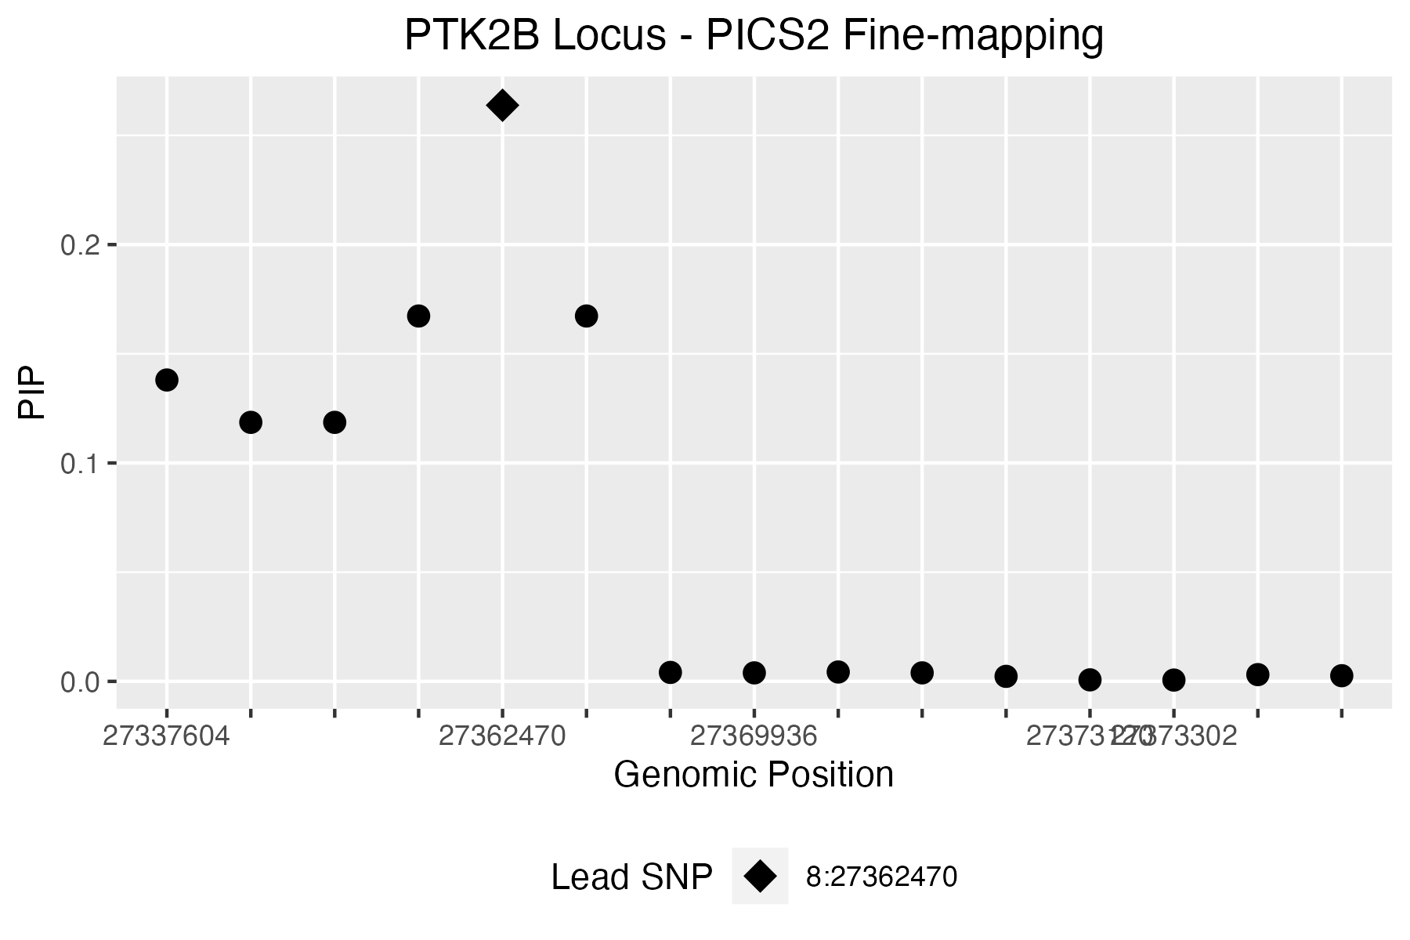
 |  |  |  |  |  |  |  |  |  |  |  |  | 3431 | -4.3654289338 | 1.2687354677E-05 | 8:27583364 | 8_27583364_G_A | 8:27583364:G:A | 8:27397808:C:T | 95.5489 | 21.8408 | 1 |  | 1
 |  |  |  |  |  |  |  |  |  |  |  |  | 3357 | 4.710097108 | 2.4759879205E-06 | 8:27562290 | 8_27562290_C_T | 8:27562290:C:T | 8:27398118:A:G | 199.797 | 44.6358 | 1 |  | 0 | [[1]]$`Credible model`[[1]][[14]]
 |  |  |  |  |  |  |  |  |  |  |  |  | 3310 | 4.6511798086 | 3.3004140135E-06 | 8:27555436 | 8_27555436_G_A | 8:27555436:G:A | 8:27398746:T:C | 183.807 | 41.1459 | 1 |  | 0 | [1] 1303 1370 2300 2538 2975 3247 3304 3312 3527
 |  |  |  |  |  |  |  |  |  |  |  |  | 3387 | 4.17491727 | 2.9809436311E-05 | 8:27568560 | 8_27568560_T_A | 8:27568560:T:A | 8:27398797:C:G | 60.7918 | 14.1976 | 1 |  | 0
 |  |  |  |  |  |  |  |  |  |  |  |  | 3572 | -3.7761010245 | 0.00015930240093 | 8:27628005 | 8_27628005_C_T | 8:27628005:C:T | 8:27398842:G:A | 95.1472 | 21.7527 | 1 |  | 1 | [[1]]$`Credible model`[[1]][[15]]
 |  |  |  |  |  |  |  |  |  |  |  |  | 3302 | 4.6343773405 | 3.5801343584E-06 | 8:27554275 | 8_27554275_G_A | 8:27554275:G:A | 8:27399401:G:A | 96.053 | 21.9514 | 1 |  | 1 | [1] 1612 2300 2538 2975 3247 3304 3312 3527
 |  |  |  |  |  |  |  |  |  |  |  |  | 2469 | -7.76761142 | 7.9979976731E-15 | 8:27337604 | 8_27337604_T_C | 8:27337604:T:C | 8:27399529:A:G | 182.777 | 40.921 | 1 |  | 0
 |  |  |  |  |  |  |  |  |  |  |  |  | 2552 | -7.3021057266 | 2.8329850907E-13 | 8:27369273 | 8_27369273_A_C | 8:27369273:A:C | 8:27400569:G:A | 95.1634 | 21.7562 | 1 |  | 1 | [[1]]$`Credible model`[[1]][[16]]
 |  |  |  |  |  |  |  |  |  |  |  |  | 2555 | -6.1488566466 | 7.8043474162E-10 | 8:27370037 | 8_27370037_A_G | 8:27370037:A:G | 8:27400678:G:A | 95.6977 | 21.8734 | 1 |  | 1 | [1] 1303 1484 2300 2538 2975 3247 3304 3312 3527
 |  |  |  |  |  |  |  |  |  |  |  |  | 2571 | -5.7399087882 | 9.4727557435E-09 | 8:27374501 | 8_27374501_T_C | 8:27374501:T:C | 8:27400732:A:G | 183.544 | 41.0884 | 1 |  | 0
 |  |  |  |  |  |  |  |  |  |  |  |  | 2564 | -5.9809899497 | 2.217855599E-09 | 8:27373120 | 8_27373120_A_G | 8:27373120:A:G | 8:27400796:G:A | 95.8164 | 21.8995 | 1 |  | 1 | [[1]]$`Credible model`[[1]][[17]]
 |  |  |  |  |  |  |  |  |  |  |  |  | 2565 | -5.6679763384 | 1.4449391337E-08 | 8:27373302 | 8_27373302_A_G | 8:27373302:A:G | 8:27400981:A:ACCAAAAGT | 157.911 | 35.49 | 1 |  | 0 | [1] 2300 2520 2975 3247 3304 3340 3527
 |  |  |  |  |  |  |  |  |  |  |  |  | 2545 | 4.9691265506 | 6.7255167076E-07 | 8:27365825 | 8_27365825_T_C | 8:27365825:T:C | 8:27401117:T:C | 172.878 | 38.7594 | 1 |  | 0
 |  |  |  |  |  |  |  |  |  |  |  |  | 2522 | 5.0714560821 | 3.9478337825E-07 | 8:27354759 | 8_27354759_A_C | 8:27354759:A:C | 8:27401634:A:T | 186.599 | 41.7552 | 1 |  | 0 | [[1]]$`Credible model`[[1]][[18]]
 |  |  |  |  |  |  |  |  |  |  |  |  | 2498 | 4.7900174926 | 1.6676677438E-06 | 8:27347081 | 8_27347081_A_G | 8:27347081:A:G | 8:27401713:A:C | 180.813 | 40.4921 | 1 |  | 0 | [1] 1577 2300 2538 2975 3247 3304 3312 3527
 |  |  |  |  |  |  |  |  |  |  |  |  | 2509 | 4.8566965155 | 1.1936031825E-06 | 8:27350575 | 8_27350575_G_GCCTCC | 8:27350575:G:GCCTCC | 8:27401909:A:G | 48.1009 | 11.3927 | 1 |  | 0
 |  |  |  |  |  |  |  |  |  |  |  |  | 2670 | -1.6430958192 | 0.10036310975 | 8:27402416 | 8_27402416_A_T | 8:27402416:A:T | 8:27402232:C:T | 7.92722 | 2.3125 | 1 |  | 0 | [[1]]$`Credible model`[[1]][[19]]
 |  |  |  |  |  |  |  |  |  |  |  |  | 2610 | -1.5972900025 | 0.1102010783 | 8:27389331 | 8_27389331_A_C | 8:27389331:A:C | 8:27402416:A:T | 1.60599 | 0.688128 | 1 |  | 1 | [1] 1609 2300 2538 2975 3247 3304 3312 3527
 |  |  |  |  |  |  |  |  |  |  |  |  | 2633 | -1.6123416805 | 0.10688760805 | 8:27393808 | 8_27393808_A_G | 8:27393808:A:G | 8:27402887:T:G | 6.05103 | 1.85704 | 1 |  | 0
 |  |  |  |  |  |  |  |  |  |  |  |  | 2672 | -1.5939219977 | 0.11095350675 | 8:27402967 | 8_27402967_A_G | 8:27402967:A:G | 8:27402967:A:G | 2.72016 | 1.00398 | 1 |  | 1 | [[1]]$`Credible model`[[1]][[20]]
 |  |  |  |  |  |  |  |  |  |  |  |  | 2716 | -1.8038027153 | 0.071262240038 | 8:27412900 | 8_27412900_T_G | 8:27412900:T:G | 8:27403055:C:G | 55.442 | 13.0166 | 1 |  | 0 | [1] 1303 2300 2538 2975 3247 3304 3312 3527
 |  |  |  |  |  |  |  |  |  |  |  |  | 2683 | -1.7097931907 | 0.087304122637 | 8:27406263 | 8_27406263_CCTTAA_C | 8:27406263:CCTTAA:C | 8:27406383:C:T | 54.2148 | 12.7454 | 1 |  | 1
 |  |  |  |  |  |  |  |  |  |  |  |  | 2825 | -2.9233243171 | 0.0034631559429 | 8:27438487 | 8_27438487_A_G | 8:27438487:A:G | 8:27406728:C:A | 55.7193 | 13.0778 | 1 |  | 1 | [[1]]$`Credible model`[[1]][[21]]
 |  |  |  |  |  |  |  |  |  |  |  |  | 2771 | -1.6506380222 | 0.098812510158 | 8:27422600 | 8_27422600_C_G | 8:27422600:C:G | 8:27407159:G:A | 619.734 | 136.068 | 1 |  | 1 | [1] 1619 2300 2538 2975 3247 3304 3312 3527
 |  |  |  |  |  |  |  |  |  |  |  |  | 2841 | -2.9571589825 | 0.0031048798348 | 8:27442418 | 8_27442418_A_G | 8:27442418:A:G | 8:27407435:G:A | 20.9316 | 5.32242 | 1 |  | 1
 |  |  |  |  |  |  |  |  |  |  |  |  | 2750 | -1.6485931928 | 0.099231004238 | 8:27418132 | 8_27418132_T_G | 8:27418132:T:G | 8:27408190:GA:G | 21.2278 | 5.38955 | 1 |  | 1 | [[1]]$`Credible model`[[1]][[22]]
 |  |  |  |  |  |  |  |  |  |  |  |  | 2856 | -2.9811754568 | 0.0028714422387 | 8:27445498 | 8_27445498_T_C | 8:27445498:T:C | 8:27408770:A:T | 6.52926 | 1.97423 | 1 |  | 0 | [1] 1612 2300 2538 2975 3247 3304 3340 3527
 |  |  |  |  |  |  |  |  |  |  |  |  | 2743 | -1.6576257476 | 0.097393029411 | 8:27417414 | 8_27417414_T_C | 8:27417414:T:C | 8:27408948:T:C | 98.1134 | 22.4033 | 1 |  | 0
 |  |  |  |  |  |  |  |  |  |  |  |  | 2843 | -2.9648878465 | 0.0030279329546 | 8:27442604 | 8_27442604_A_G | 8:27442604:A:G | 8:27411099:C:T | 20.9623 | 5.32937 | 1 |  | 1 | [[1]]$`Credible model`[[1]][[23]]
 |  |  |  |  |  |  |  |  |  |  |  |  | 2783 | -1.6527279839 | 0.09838623646 | 8:27425675 | 8_27425675_A_G | 8:27425675:A:G | 8:27411171:G:T | 20.5738 | 5.24128 | 1 |  | 0 | [1] 2300 2501 2975 3247 3304 3340 3527
 |  |  |  |  |  |  |  |  |  |  |  |  | 2846 | -2.9551664923 | 0.0031250035977 | 8:27443643 | 8_27443643_A_G | 8:27443643:A:G | 8:27411233:T:C | 91.3364 | 20.9165 | 1 |  | 0
 |  |  |  |  |  |  |  |  |  |  |  |  | 2836 | -2.9741885817 | 0.002937644738 | 8:27441894 | 8_27441894_A_T | 8:27441894:A:T | 8:27411471:T:G | 92.2192 | 21.1102 | 1 |  | 0
 |  |  |  |  |  |  |  |  |  |  |  |  | 2678 | -1.6215600834 | 0.10489757531 | 8:27404849 | 8_27404849_C_G | 8:27404849:C:G | 8:27411899:T:C | 33.6811 | 8.18756 | 1 |  | 0 | [[1]]$`Credible model`[[2]]
 |  |  |  |  |  |  |  |  |  |  |  |  | 2842 | -2.897230455 | 0.003764730935 | 8:27442571 | 8_27442571_T_C | 8:27442571:T:C | 8:27412055:C:G | 90.1561 | 20.6574 | 1 |  | 0 | Posterior.Prob
 |  |  |  |  |  |  |  |  |  |  |  |  | 2728 | -1.698912441 | 0.089335682547 | 8:27415831 | 8_27415831_T_C | 8:27415831:T:C | 8:27412130:G:A | 622.367 | 136.641 | 1 |  | 1 | 1 0.051967601
 |  |  |  |  |  |  |  |  |  |  |  |  | 2793 | -1.7106834086 | 0.087139572143 | 8:27429094 | 8_27429094_A_G | 8:27429094:A:G | 8:27412367:G:T | 622.52 | 136.674 | 1 |  | 1 | 2 0.030884611
 |  |  |  |  |  |  |  |  |  |  |  |  | 2837 | -2.958593627 | 0.0030904634476 | 8:27441952 | 8_27441952_A_G | 8:27441952:A:G | 8:27412900:T:G | 33.7467 | 8.2022 | 1 |  | 1 | 3 0.021060340
 |  |  |  |  |  |  |  |  |  |  |  |  | 2848 | -2.9732669718 | 0.0029464804572 | 8:27443974 | 8_27443974_A_G | 8:27443974:A:G | 8:27412909:G:A | 621.58 | 136.47 | 1 |  | 1 | 4 0.019762768
 |  |  |  |  |  |  |  |  |  |  |  |  | 2806 | -2.798755566 | 0.0051299955322 | 8:27432446 | 8_27432446_T_C | 8:27432446:T:C | 8:27412966:A:T | 87.7231 | 20.1233 | 1 |  | 0 | 5 0.019123866
 |  |  |  |  |  |  |  |  |  |  |  |  | 2805 | -2.7950446681 | 0.0051892544683 | 8:27432418 | 8_27432418_T_C | 8:27432418:T:C | 8:27414001:A:G | 2.788 | 1.0224 | 1 |  | 0 | 6 0.016157365
 |  |  |  |  |  |  |  |  |  |  |  |  | 2815 | -2.7913461288 | 0.0052489307996 | 8:27434775 | 8_27434775_A_G | 8:27434775:A:G | 8:27414843:T:C | 92.3137 | 21.131 | 1 |  | 0 | 7 0.016114113
 |  |  |  |  |  |  |  |  |  |  |  |  | 2796 | -2.7689856948 | 0.0056231104086 | 8:27430516 | 8_27430516_T_C | 8:27430516:T:C | 8:27415068:G:A | 20.6979 | 5.26943 | 1 |  | 1 | 8 0.015967363
 |  |  |  |  |  |  |  |  |  |  |  |  | 2808 | -2.4423031243 | 0.014593887146 | 8:27432767 | 8_27432767_G_GCAGAGCGTT | 8:27432767:G:GCAGAGCGTT | 8:27415866:C:T | 146.805 | 33.0626 | 1 |  | 1 | 9 0.011554748
 |  |  |  |  |  |  |  |  |  |  |  |  | 2865 | -3.0224764093 | 0.0025071562376 | 8:27450005 | 8_27450005_A_G | 8:27450005:A:G | 8:27416112:C:A | 515.976 | 113.498 | 1 |  | 1 | 10 0.009982026
 |  |  |  |  |  |  |  |  |  |  |  |  | 2444 | 1.6185142479 | 0.10555181879 | 8:27331696 | 8_27331696_AG_A | 8:27331696:AG:A | 8:27416113:A:C | 90.4558 | 20.7232 | 1 |  | 0 | 11 0.009252224
 |  |  |  |  |  |  |  |  |  |  |  |  | 2722 | -1.4713542697 | 0.1411953338 | 8:27414065 | 8_27414065_A_G | 8:27414065:A:G | 8:27416150:G:T | 149.36 | 33.6212 | 1 |  | 1 | 12 0.008734695
 |  |  |  |  |  |  |  |  |  |  |  |  | 2874 | -3.0010909993 | 0.0026901415865 | 8:27451822 | 8_27451822_T_C | 8:27451822:T:C | 8:27416914:G:A | 149.496 | 33.6509 | 1 |  | 1 | 13 0.008073501
 |  |  |  |  |  |  |  |  |  |  |  |  | 2584 | -3.2584970555 | 0.0011200403864 | 8:27380191 | 8_27380191_G_A | 8:27380191:G:A | 8:27417080:C:T | 144.867 | 32.6391 | 1 |  | 1 | 14 0.007474645
 |  |  |  |  |  |  |  |  |  |  |  |  | 2585 | -3.3100205958 | 0.00093289106583 | 8:27380598 | 8_27380598_G_C | 8:27380598:G:C | 8:27417114:G:T | 624.036 | 137.004 | 1 |  | 1 | 15 0.007222097
 |  |  |  |  |  |  |  |  |  |  |  |  | 3568 | -3.6513928911 | 0.00026082187379 | 8:27627435 | 8_27627435_G_A | 8:27627435:G:A | 8:27417207:A:G | 90.7307 | 20.7835 | 1 |  | 0 | 16 0.006917362
 |  |  |  |  |  |  |  |  |  |  |  |  | 2827 | -2.9852462035 | 0.0028335016146 | 8:27439685 | 8_27439685_T_C | 8:27439685:T:C | 8:27417258:G:A | 627.114 | 137.674 | 1 |  | 1 | 17 0.006603420
 |  |  |  |  |  |  |  |  |  |  |  |  | 2587 | -3.2501245423 | 0.0011535447824 | 8:27381741 | 8_27381741_C_T | 8:27381741:C:T | 8:27417414:T:C | 29.3047 | 7.20869 | 1 |  | 1 | 18 0.006516947
 |  |  |  |  |  |  |  |  |  |  |  |  | 2980 | -4.7953194506 | 1.6241579708E-06 | 8:27473296 | 8_27473296_C_T | 8:27473296:C:T | 8:27417558:T:A | 627.915 | 137.848 | 1 |  | 1 | 19 0.005898708
 |  |  |  |  |  |  |  |  |  |  |  |  | 3566 | -3.6935976859 | 0.00022110351711 | 8:27626959 | 8_27626959_G_A | 8:27626959:G:A | 8:27417777:A:G | 94.0232 | 21.5061 | 1 |  | 0 | 20 0.005685733
 |  |  |  |  |  |  |  |  |  |  |  |  | 2578 | -3.150721838 | 0.0016286752052 | 8:27378301 | 8_27378301_G_A | 8:27378301:G:A | 8:27417835:G:A | 146.283 | 32.9485 | 1 |  | 1 | 21 0.005680403
 |  |  |  |  |  |  |  |  |  |  |  |  | 3562 | -4.0481190258 | 5.1630890022E-05 | 8:27625353 | 8_27625353_C_T | 8:27625353:C:T | 8:27417992:A:G | 92.4506 | 21.161 | 1 |  | 0 | 22 0.005523791
 |  |  |  |  |  |  |  |  |  |  |  |  | 2978 | -5.0579144263 | 4.2386655068E-07 | 8:27472769 | 8_27472769_G_A | 8:27472769:G:A | 8:27418001:G:A | 145.833 | 32.8502 | 1 |  | 1 | 23 0.005257365
 |  |  |  |  |  |  |  |  |  |  |  |  | 2976 | 5.8390876484 | 5.2487453002E-09 | 8:27472615 | 8_27472615_A_G | 8:27472615:A:G | 8:27418132:T:G | 28.7937 | 7.09413 | 1 |  | 1
 |  |  |  |  |  |  |  |  |  |  |  |  | 2900 | 4.4518707911 | 8.5125385296E-06 | 8:27456371 | 8_27456371_G_T | 8:27456371:G:T | 8:27418209:G:T | 0.817063 | 0.436471 | 1 |  | 1 | [[1]]$`Credible model`[[3]]
 |  |  |  |  |  |  |  |  |  |  |  |  | 2903 | 4.5027095119 | 6.7092559901E-06 | 8:27457930 | 8_27457930_G_A | 8:27457930:G:A | 8:27418387:T:C | 87.7836 | 20.1365 | 1 |  | 0 | [1] 2300 2538 2975 3247 3304 3312 3527 2539 1303 1486 2520 1136 1285 3340 2501
 |  |  |  |  |  |  |  |  |  |  |  |  | 3589 | -4.1152779849 | 3.8671306703E-05 | 8:27633489 | 8_27633489_TA_T | 8:27633489:TA:T | 8:27418594:C:T | 630.041 | 138.31 | 1 |  | 1 | [16] 1395 1231 1213 1206 1370 1612 1484 1577 1609 1619
 |  |  |  |  |  |  |  |  |  |  |  |  | 3511 | 2.7919012363 | 0.0052399347175 | 8:27604633 | 8_27604633_C_T | 8:27604633:C:T | 8:27418692:T:C | 87.0984 | 19.9861 | 1 |  | 0
 |  |  |  |  |  |  |  |  |  |  |  |  | 3578 | -3.885804435 | 0.00010199158966 | 8:27630273 | 8_27630273_G_T | 8:27630273:G:T | 8:27418772:A:C | 87.1602 | 19.9997 | 1 |  | 0
 |  |  |  |  |  |  |  |  |  |  |  |  | 2824 | 4.4609399233 | 8.1600965326E-06 | 8:27438281 | 8_27438281_G_C | 8:27438281:G:C | 8:27419009:C:A | 147.11 | 33.1294 | 1 |  | 1 | [[1]]$Outliers
 |  |  |  |  |  |  |  |  |  |  |  |  | 2742 | 4.1064724099 | 4.0174742313E-05 | 8:27417258 | 8_27417258_G_A | 8:27417258:G:A | 8:27419100:C:T | 2.31329 | 0.891867 | 1 |  | 1 | Index Z
 |  |  |  |  |  |  |  |  |  |  |  |  | 2960 | 3.5195430161 | 0.00043229092909 | 8:27468104 | 8_27468104_A_G | 8:27468104:A:G | 8:27419124:A:G | 0.227441 | 0.198303 | 1 |  | 0 | 1 3526 -10.24543000
 |  |  |  |  |  |  |  |  |  |  |  |  | 3608 | 4.2718806749 | 1.9383129324E-05 | 8:27639164 | 8_27639164_C_A | 8:27639164:C:A | 8:27419252:T:C | 93.4584 | 21.3821 | 1 |  | 0 | 2 3519 -10.25257798
 |  |  |  |  |  |  |  |  |  |  |  |  | 3625 | 4.2937947995 | 1.7564482431E-05 | 8:27642910 | 8_27642910_G_A | 8:27642910:G:A | 8:27420020:G:A | 143.467 | 32.333 | 1 |  | 1 | 3 3518 -10.23131567
 |  |  |  |  |  |  |  |  |  |  |  |  | 2477 | 3.6253249964 | 0.00028859827974 | 8:27341367 | 8_27341367_G_A | 8:27341367:G:A | 8:27420125:G:A | 40.0887 | 9.61496 | 1 |  | 0 | 4 3520 -10.26250695
 |  |  |  |  |  |  |  |  |  |  |  |  | 3442 | 4.3106848265 | 1.6274973254E-05 | 8:27584812 | 8_27584812_C_T | 8:27584812:C:T | 8:27421330:A:G | 89.3327 | 20.4766 | 1 |  | 0 | 5 3516 -10.14652518
 |  |  |  |  |  |  |  |  |  |  |  |  | 3347 | 4.6694082871 | 3.0206851349E-06 | 8:27560912 | 8_27560912_C_T | 8:27560912:C:T | 8:27421706:T:C | 94.3795 | 21.5842 | 1 |  | 0 | 6 3517 -10.24057012
 |  |  |  |  |  |  |  |  |  |  |  |  | 2601 | 1.6070043511 | 0.10805341362 | 8:27386199 | 8_27386199_C_T | 8:27386199:C:T | 8:27421883:A:C | 94.3982 | 21.5883 | 1 |  | 0 | 7 3512 -10.17665389
 |  |  |  |  |  |  |  |  |  |  |  |  | 3378 | 3.9900886362 | 6.6048608246E-05 | 8:27567367 | 8_27567367_TCTC_T | 8:27567367:TCTC:T | 8:27422188:G:A | 635.048 | 139.399 | 1 |  | 1 | 8 3521 -10.32000519
 |  |  |  |  |  |  |  |  |  |  |  |  | 2770 | 4.1439246016 | 3.4141203654E-05 | 8:27422188 | 8_27422188_G_A | 8:27422188:G:A | 8:27422600:C:G | 28.909 | 7.11998 | 1 |  | 1 | 9 3497 -10.16204516
 |  |  |  |  |  |  |  |  |  |  |  |  | 3383 | 4.1225690837 | 3.746701932E-05 | 8:27567832 | 8_27567832_C_T | 8:27567832:C:T | 8:27423343:C:T | 144.9 | 32.6461 | 1 |  | 1 | 10 3514 6.29470467
 |  |  |  |  |  |  |  |  |  |  |  |  | 2615 | 1.5957461556 | 0.11054547919 | 8:27390303 | 8_27390303_G_T | 8:27390303:G:T | 8:27423665:T:C | 94.5084 | 21.6125 | 1 |  | 0 | 11 3507 6.21190243
 |  |  |  |  |  |  |  |  |  |  |  |  | 2717 | 4.0802067672 | 4.4995658505E-05 | 8:27412909 | 8_27412909_G_A | 8:27412909:G:A | 8:27424395:G:A | 21.2139 | 5.38639 | 1 |  | 1 | 12 3509 6.23914206
 |  |  |  |  |  |  |  |  |  |  |  |  | 2452 | 3.5632976692 | 0.00036622499265 | 8:27334719 | 8_27334719_G_A | 8:27334719:G:A | 8:27424546:C:T | 144.375 | 32.5314 | 1 |  | 1 | 13 3461 7.27407349
 |  |  |  |  |  |  |  |  |  |  |  |  | 2713 | 4.0839481423 | 4.4276915838E-05 | 8:27412130 | 8_27412130_G_A | 8:27412130:G:A | 8:27425254:T:G | 3.18938 | 1.13008 | 1 |  | 0 | 14 3328 -6.47899132
 |  |  |  |  |  |  |  |  |  |  |  |  | 2490 | 3.7270643142 | 0.00019372303832 | 8:27343876 | 8_27343876_G_A | 8:27343876:G:A | 8:27425520:C:G | 97.6737 | 22.3069 | 1 |  | 0 | 15 3409 7.23517491
 |  |  |  |  |  |  |  |  |  |  |  |  | 2465 | 3.6688726441 | 0.00024362239575 | 8:27337112 | 8_27337112_C_T | 8:27337112:C:T | 8:27425675:A:G | 29.027 | 7.14645 | 1 |  | 1 | 16 3554 -5.77761226
 |  |  |  |  |  |  |  |  |  |  |  |  | 2493 | 3.6878240511 | 0.00022617995562 | 8:27344927 | 8_27344927_C_CT | 8:27344927:C:CT | 8:27426877:G:A | 138.671 | 31.2841 | 1 |  | 1 | 17 3393 7.19045026
 |  |  |  |  |  |  |  |  |  |  |  |  | 2524 | 3.2618243091 | 0.0011069772828 | 8:27356122 | 8_27356122_C_T | 8:27356122:C:T | 8:27426994:A:G | 0.340825 | 0.252314 | 1 |  | 0 | 18 3576 -5.66018009
 |  |  |  |  |  |  |  |  |  |  |  |  | 2745 | 4.1102616904 | 3.9521096938E-05 | 8:27417558 | 8_27417558_T_A | 8:27417558:T:A | 8:27428016:A:G | 62.0218 | 14.4689 | 1 |  | 0 | 19 3468 6.33198568
 |  |  |  |  |  |  |  |  |  |  |  |  | 2689 | 4.0714174006 | 4.672793209E-05 | 8:27407159 | 8_27407159_G_A | 8:27407159:G:A | 8:27428208:G:C | 41.5204 | 9.93312 | 1 |  | 0 | 20 3585 -5.93266986
 |  |  |  |  |  |  |  |  |  |  |  |  | 2754 | 4.1203180594 | 3.783497386E-05 | 8:27418594 | 8_27418594_C_T | 8:27418594:C:T | 8:27429094:A:G | 26.5258 | 6.58495 | 1 |  | 1 | 21 3557 -5.90657328
 |  |  |  |  |  |  |  |  |  |  |  |  | 2458 | 3.5840164579 | 0.00033835075167 | 8:27336049 | 8_27336049_G_A | 8:27336049:G:A | 8:27431609:G:A | 403.232 | 88.9627 | 1 |  | 0 | 22 3552 -5.91503854
 |  |  |  |  |  |  |  |  |  |  |  |  | 2459 | 3.6097743052 | 0.00030646354003 | 8:27336406 | 8_27336406_G_T | 8:27336406:G:T | 8:27431892:G:C | 16.8796 | 4.39983 | 1 |  | 0 | 23 3558 -5.89868359
 |  |  |  |  |  |  |  |  |  |  |  |  | 2947 | 3.9672581724 | 7.2704222307E-05 | 8:27466209 | 8_27466209_G_T | 8:27466209:G:T | 8:27431895:G:C | 16.3175 | 4.27111 | 1 |  | 0 | 24 3400 5.91192162
 |  |  |  |  |  |  |  |  |  |  |  |  | 2715 | 4.0846761228 | 4.4138337519E-05 | 8:27412367 | 8_27412367_G_T | 8:27412367:G:T | 8:27432095:C:T | 406.303 | 89.6312 | 1 |  | 0 | 25 3395 5.93114283
 |  |  |  |  |  |  |  |  |  |  |  |  | 2682 | 3.6589105669 | 0.00025328970536 | 8:27405916 | 8_27405916_G_T | 8:27405916:G:T | 8:27432418:T:C | 720.048 | 157.884 | 1 |  | 1 | 26 3381 5.93696552
 |  |  |  |  |  |  |  |  |  |  |  |  | 2740 | 4.09187564 | 4.2789811721E-05 | 8:27417114 | 8_27417114_G_T | 8:27417114:G:T | 8:27432446:T:C | 721.723 | 158.248 | 1 |  | 1 | 27 3531 5.21508437
 |  |  |  |  |  |  |  |  |  |  |  |  | 3372 | 3.7713188619 | 0.00016238701345 | 8:27565545 | 8_27565545_G_C | 8:27565545:G:C | 8:27433011:G:A | 410.693 | 90.5867 | 1 |  | 1 | 28 3532 5.29787765
 |  |  |  |  |  |  |  |  |  |  |  |  | 2487 | 3.5634124518 | 0.00036606481976 | 8:27342570 | 8_27342570_C_T | 8:27342570:C:T | 8:27434770:A:G | 413.748 | 91.2518 | 1 |  | 0 | 29 3534 5.49935544
 |  |  |  |  |  |  |  |  |  |  |  |  | 2489 | 3.3043617488 | 0.00095192913504 | 8:27343447 | 8_27343447_G_A | 8:27343447:G:A | 8:27434775:A:G | 718.381 | 157.521 | 1 |  | 1 | 30 3448 5.53000575
 |  |  |  |  |  |  |  |  |  |  |  |  | 3377 | 4.0610772702 | 4.8846799943E-05 | 8:27567179 | 8_27567179_C_T | 8:27567179:C:T | 8:27435818:G:T | 16.1882 | 4.24146 | 1 |  | 0 | 31 3476 5.56577781
 |  |  |  |  |  |  |  |  |  |  |  |  | 2929 | 3.9838637948 | 6.78037441E-05 | 8:27464080 | 8_27464080_G_C | 8:27464080:G:C | 8:27436472:G:A | 1137.61 | 248.655 | 1 |  | 0 | 32 3471 5.53597841
 |  |  |  |  |  |  |  |  |  |  |  |  | 2515 | 3.5644421265 | 0.00036463089029 | 8:27353001 | 8_27353001_G_T | 8:27353001:G:T | 8:27437015:C:G | 456.246 | 100.501 | 1 |  | 0 | 33 3481 5.59743858
...

