System Context
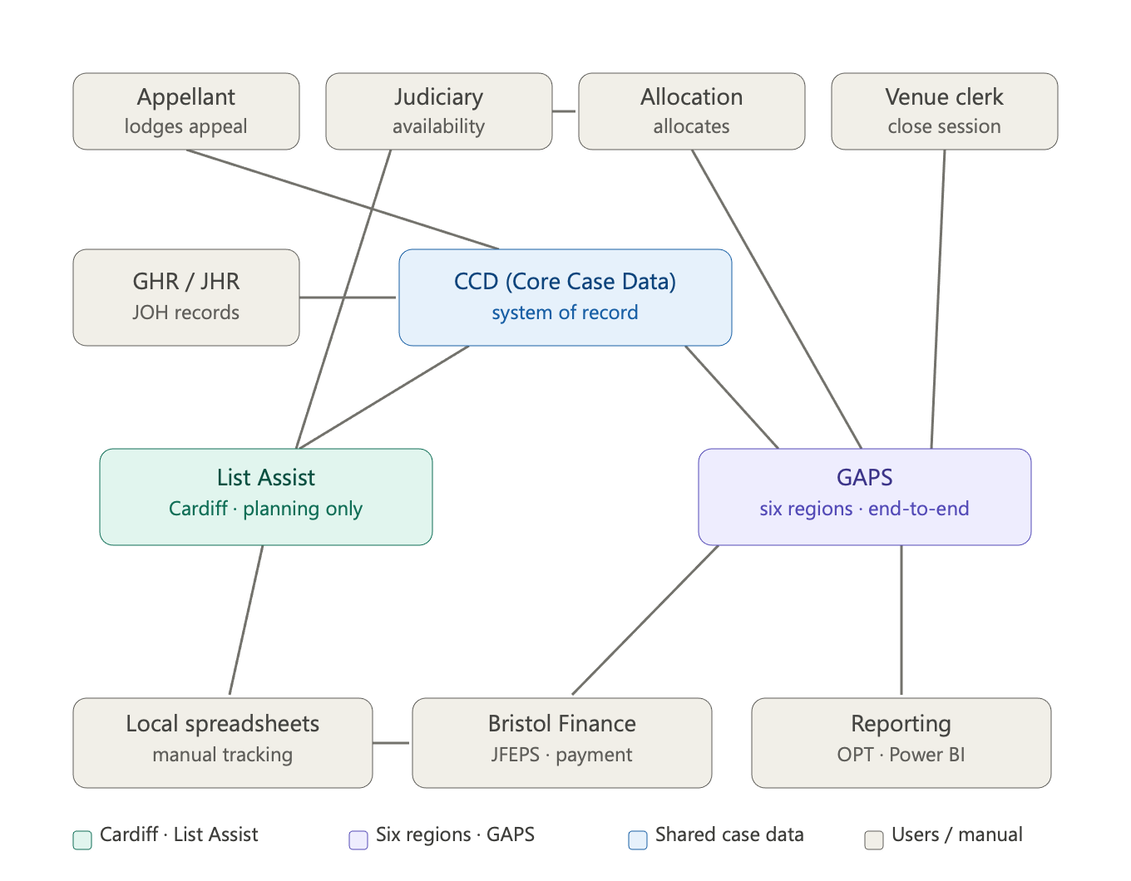 | Reading the diagram top to bottom, the data flow is: 1. Entry. An appellant lodges a digital appeal into CCD, the shared system of record (admin front end "managed cases", judicial front end JCM). JHR feeds judicial office-holder records and ticketing in, which governs who can sit on which appeal type. 2. The split. At ready-to-list, CCD routes two ways. For Cardiff, the case fires automatically into List Assist. For the other six regions, a robot builds the case in GAPS, and a nightly Caseloader job syncs GAPS changes back into CCD — that's the only bidirectional integration on the map. 3. Availability and allocation — the contrast. In Cardiff the judiciary self-serve their availability directly into List Assist. In the six regions they don't touch the system: they send availability (by email, soon via Microsoft Forms) to the allocation team, who re-key it and run allocation in GAPS. Venue clerks then close sessions in GAPS after each hearing. 4. Downstream. GAPS feeds Bristol Finance directly off session closures to pay the judiciary, and feeds OPT and Power BI for reporting and analytics. List Assist can't do either — it has no actuals — so Cardiff records actuals on local spreadsheets and routes payment to Finance that way. The single most important thing the picture shows is the asymmetry: the GAPS side is a connected end-to-end chain (case → allocation → closure → finance → reporting), whereas the List Assist side is a planning tool that leaks into manual spreadsheets at the actuals/payment step. That gap is exactly why the six regions haven't moved off GAPS, and it's the core problem the RAM project is trying to close.

