Work Package Mapping
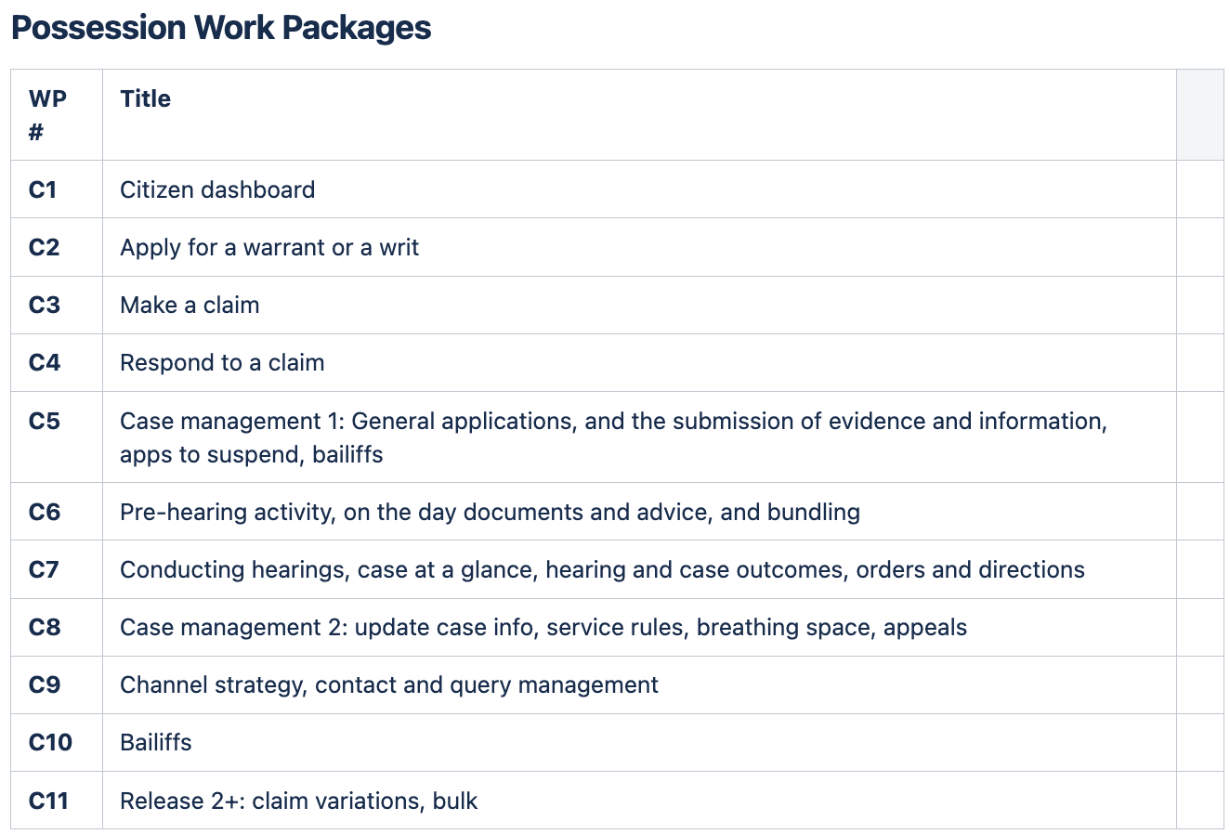
New Work Package Naming
C1​ | Citizen dashboard​
C2​ | Apply for a warrant or a writ ​
C3​ | Make a claim ​
C4​ | Respond to a claim​
C5​ | Case management 1: General applications, and the submission of evidence and information, apps to suspend
C6​ | Pre-hearing activity, on the day documents and advice, and bundling​
C7​ | Conducting hearings, case at a glance, hearing and case outcomes, orders and directions​
C8​ | Case management 2: update case info, service rules, breathing space appeals​
C9​ | Channel strategy, contact and query management – no requirements​
C10 | Bailiffs
C11 | Release 2+: claim variations, bulk​
E1​ | Hearings Management​
E2​ | Access Management​
E3​ | Work Allocation​
E4​ | Other CCs: flags, bulk print, bulk scan, acct management, MyHMCTS, Fee and Pay, docgen, case file view​

