Guidance
Maximum number of Caseworkers allowed in a single upload is 30
1. Downloading the Staff Data Template
2. Adding Staff data to the template
3. Uploading your file


a. Select the link and download the template | a. Go to ‘Staff Data’ tab | a. Upload the new version of the completed template using the ‘Staff data upload’ page
https://github.com/hmcts/rpx-xui-approve-org/blob/master/staff/Staff_Data_Upload_Template.xlsx |  | https://administer-orgs.platform.hmcts.net/

Note : Please ensure the latest version of the Staff template is downloaded from UI everytime before uploading. You will get an error message if an incorrect/older version of the template is uploaded in the UI. |  | b. If all checks are successful, the staff details will be updated.

b. Open the downloaded excel workbook. |  | c. If the checks are unsuccessful, an error message will tell you how to fix the issues
c. Go to ‘VERSION’ tab and make a note of the File Version (needed when updating existing users - see 4. below) |  | d. Correct the errors and go to step 2c.

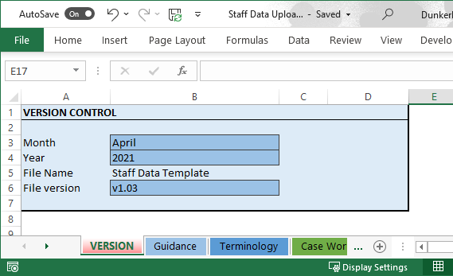
 | b. Fill in all the relevant fields for each staff member, including their region, base locations and the services they work for.

 | N.B. COLUMNS IN AMBER ARE MANDATORY

 | c. Save a version of the completed template on a local drive.

 | d. Delete any previous locally stored versions. Only keep the last completed/uploaded file

 | e. Only the free-text fields (Email, First Name, Last Name) are allowed for editing , all the remaining fields should be populated from the drop down list alone.

4. Updating an existing user
5. Template version change
6. Disabling a user (leaver process)

a. Complete instructions for “1. Downloading the Staff Data Template” | a. If no new template version exists, open Staff Data tab and fill in the relevant fields (see 2. Adding Staff data to the template) | a. Follow instructions for 1. Downloading the Staff Data Template 4. Updating an existing user

b. Open the last, locally stored copy of the Staff Data Template (see 2c.& 2d Adding Staff data to the template

 | b. If a new template version exists, copy the data from the previous local file and paste it into the new template. | b. Then update the relevant staff details by selecting 'Yes' under the 'Suspended' column.

 |  | c. Save a version of the completed template on a local drive.
 | c. Add any missing information for all users

 | d. Save a version of the updated template on a local drive. | d. Delete any previous locally stored versions. Only keep the last completed/uploaded file.

 | e. Delete any previous locally stored versions. Only keep the last completed/uploaded file.
 |  | e. Upload the new version of the completed template (see 3. Uploading your file)

 | f. Upload the new version of the completed template (see 3. Uploading your file)
c. From the VERSION tab, check if the version of the downloaded template is different from your last locally stored file. For example, if the original template was called ‘Staff data upload template V1.0’, it might now have changed to ‘V2.0’. |  | Note : No Caseworker should be manually deleted from IDAM UI.

Staff Data management process

First Use
Download Staff Data Template
Add Staff Details to template
Save a local copy
Upload Staff Data
Upload Successful
END

Corrections made
Corrections identified
Upload Unsuccessful

Changing Staff data
Download Staff Data Template
Open last local copy
Check for version change
Update Staff Details

File Upload Checking

File Name must start with the words - 'Staff Data' and then can appended with any string
File Name can be maximum 128 characters long
File must contain a sheet named - 'Staff Data'

