Read me
The Tester | Version E2.3.1
The Test Case Generator (Tester) supports the testing of the tax calculation, resulting from the successful capture of
a 2018-19 Main Tax Return (MTR), and can be used in 3 ways.

1. As a stand-alone tax calculator.
Select the sheets on 'Add pages' that correspond to questions on the Return.
The sheets for the core Return (INC(1), INC(2) and REL) are always visible, others appear when selected.
Enter, the sub-set of Return data required by the tax calculation and
press the 'Calculate Now' button on 'Add pages' to reveal the outputs (see below).
Note: The ‘Reset calculation’ button on the 'Add pages' sheet should used between tests to avoid residual entries
corrupting the expected results.

2. As a test case generator.
The Tester can auto-populate the input sheets from a number of pre-fabricated test components (see below).
These components can be selected on the 'Selector' and 'More Select' sheets, and the 'Test this case' button will
generate outputs (see below) based on the selection.
The 'Clear selection' button will remove all data from the 'Selector' and 'More Select' sheets, and resets
input sheets and calculation.

3. As a database of business specified test cases (see below). These are pre-defined full test cases.
Each case is numbered and can be selected by inputting the case number in the box
marked ‘Select test case number to be replayed’ on the 'Test Case index' sheet.
The selected test case can be activated by pressing 'Replay selected case' button on the 'Test Case index' sheet.
This auto-populates the input sheets from the test components that make up the test case, and generates outputs
(see below) based on the selection.

The 'Test case' sheet
When the TCG is used in modes 2 or 3 it will pull together all the data needed for a full Tax Return.
The data appear on the 'Test case' sheet (to the right of the 'Add pages' sheet).
It is important to note that there are differences between the test case and the components used to create it.
Most of the data is supplied by the test components, but some are modified, either to add boxes that are dependant
on other components/data selected, or remove inconstistancies in the selection.
(See 'Adjustments made to produce more realistic cases' for more detail.)

About test components
The Tester is based on a number of pre-fabricated components.
Each component relates to a question or part question on the Main Tax Return.
There are a number of instances of each component, giving a variety of valid MTR entries.

Component | Description | Instances | Worksheet
INC-A | Income boxes INC1 to INC6 (Interest and Dividends) | 15 | C0
INC-B | Income boxes INC7 to INC14 (UK pensions etc. received) | 11 | C0
INC-C | Income boxes INC15 to INC19 (Other UK income) | 6 | C0
REL-A | Tax reliefs boxes REL1 to REL4 (Pension contributions) | 7 | C0
REL-B | Tax reliefs boxes REL5 to REL10 (Charitable giving) | 8 | C0
REL-C | Tax reliefs boxes REL11 to REL14 (Blind Person's Allowance) | 2 | C0
SLR | Student Loans | 6 | C0
CBC | Child Benefit payments | 4 | C0
MAT | Marriage Allowance Transfer | 4 | C0
AOI-A | Additional Information boxes AOI1 to AOI3 (Interest from UK securities) | 3 | C1
AOI-B | Additional Information boxes AOI4 to AOI11 (Life insurance gains) | 9 | C1
AOI-C | Additional Information boxes AOI12 to AOI15 (Stock dividends etc.) | 5 | C1
ASE-A | Additional Information boxes ASE1 to ASE2 (Share schemes) | 3 | C1
ASE-B | Additional Information boxes ASE3 to ASE10 (Lump sum payments) | 3 | C1
ASE-C | Additional Information boxes ASE11 to ASE15 (Other deductions) | 4 | C1
AOR | Additional Information boxes AOR1 to AOR10 (Other tax reliefs) | 10 | C1
MCA | Additional Information boxes MCA1 to MCA11 (Married Couple's Allowance) | 9 | C1
AIL | Additional Information boxes AIL1 to AIL19 (Other Information) | 11 | C1
EMP | Employment | 11 | C2
MOR | Ministers of religion | 6 | C2
SSE | Short self-employment (excluding class 4 NIC) | 8 | C3
FSE | Full self-employment (excluding class 4 NIC) | 9 | C3
LUN | Lloyd's underwriters (excluding class 4 NIC) | 7 | C3
SPS | Short partnership income (excluding class 4 NIC) | 6 | C4
FPS | Full partnership income (excluding class 4 NIC) | 8 | C4
PRO | Income from property | 10 | C5
FOR | Foreign income (excluding Foreign Tax Credit Relief - box FOR2) | 8 | C6
TRU | Trust income | 4 | C7
CGT | Capital gains | 9 | C8
NRD | Residence, Remittance Basis etc. | 10 | C9
CAL | Tax calculation summary | 18 | C8C9C10
NI2 | Class 2 NIC | 2 | C8C9C10
NI1 | Class 1 NIC | 2 | C8C9C10

Instances of different components can be selected together to produce complete test cases.
In addition to selecting different components, multiple instances of some components can be selected.
(Up to 2 employments, 2 self-employments (1 short & 1 full) and 2 partnerships (1 short & 1 full) .)
Some questions on the core Tax Return and Additional Information pages would require a large number
of components, so have been split (into A, B & C ranges). These can be selected individually or together.
[Whilst all the combinations of components that can be selected will be ‘valid’ in terms of the system, not all will
be ‘realistic’. The generator makes some adjustments to make the case more realistic, but they aren’t
comprehensive.]
The components can be viewed at any time using the ‘Show/Hide Components’ button on the ‘Test’
and ‘More test’ worksheets.

The business specified test cases
Version E2.3.1 of the 2018-19 test case generator has a built in database of 240 test cases.
Details of these can be found on the ‘Test Case index’ worksheet.
Each case is numbered and can be selected by inputting the case number in the box marked
Select test case number to be replayed’. [N.B. After the case number is entered press the 'Enter' key.]
The selected test case can be activated by pressing 'Replay selected case' button on the 'Test case index' sheet.
This auto-populates the input sheets from the test components that make up the test case, and generates outputs
(see below) based on the selection.
Test cases 1 to 25 use identical data to STR test cases 1 to 25, and should produce identical results.

Recording new test cases
New test cases can be quickly added to the existing business test cases.
All new cases will comply with the business validation rules, but may not 'realistic' examples of actual MTRs.
To create a new test case:
 | 1. Select the required components on the 'Selector' and 'More Select' sheets
 | 2. Select any required ‘case variable data’ (e.g. date of birth - see note a).
 | 3. Press the ‘Test this case’ button.
 | 4. Press the 'Record this case' button on the 'Selector' and 'More Select' sheets

The summary of test components and case specific data needed to re-run this case will be stored in the next
vacant row on the Test Case index' sheet. Once the case is stored it can be 'replayed' as any other test
case.
Note a: The test case generator does not have true date processing capability. There are 5 pre-set dates of birth
and these are the only dates the spreadsheet will recognise.

Amending test cases
Test case data will remain in the input sheets until the ‘Reset calculation’ button on the ‘Add pages’ sheet is
pressed. That data can be amended, by going to the input sheet and over-typing the box entries.
The 'Calculate Now' button on the 'Add pages' sheet will cause certain outputs to be regenerated using the
amended figures.
Note: Where components are being used, amending the input sheets will not change the figures on the
component. The 'test case' sheet is generated from components and will not show the amended figures.
If the test case is recorded the original figures (not amendments) will be stored.
'Test this case' will remove the amendments and restore the original figures.

Outputs from the Tester
Whatever mode the Tester is used in, the following worksheets are always produced:

SA302 - This is the tax calculation formatted in the style of pages 3/4 of form SA302

Liability - SA110 boxes CAL1 to CAL8

Additionally, when components are used, the following worksheets appear:

Test case - This combines all the data from the selected components into a complete 'MTR'.

The identities of components used appear on all outputs.
All output sheets appear between the 'Add pages' and 'INC(1)' worksheets.

Adjustments made to produce more realistic cases
1. On the ‘More select’ worksheet there is a tick box to indicate the taxpayer is exempt from paying Class 4 NIC.
This will be set to 'Y' automatically if the taxpayer is aged over 65 or is non-resident.
It will be ignored if no component SSE, FSE, LUN, SPS or FPS is selected.
2. The value for box FOR2 (Foreign Tax Credit Relief) is not stored in the FOR component. It is calculated for each
test case that uses this component.
3. Coded underpayment will be ignored if the is no PAYE source (EMP or MOR) selected.

Problem & query reporting
If you have a problem or query you want to refer to HMRC CDIO please quote the
case number (if it involves a business supplied test case) or the components used.

Accessing & Navigating SEES – SA Tax Calculator

Select the 'Additional Information' and 'Additional Pages' from the Return that are required.
Note that the National Insurance page does not equate to a Return page but should be completed
where Class 2 is payable or Class 1 paid affects Class 4 due
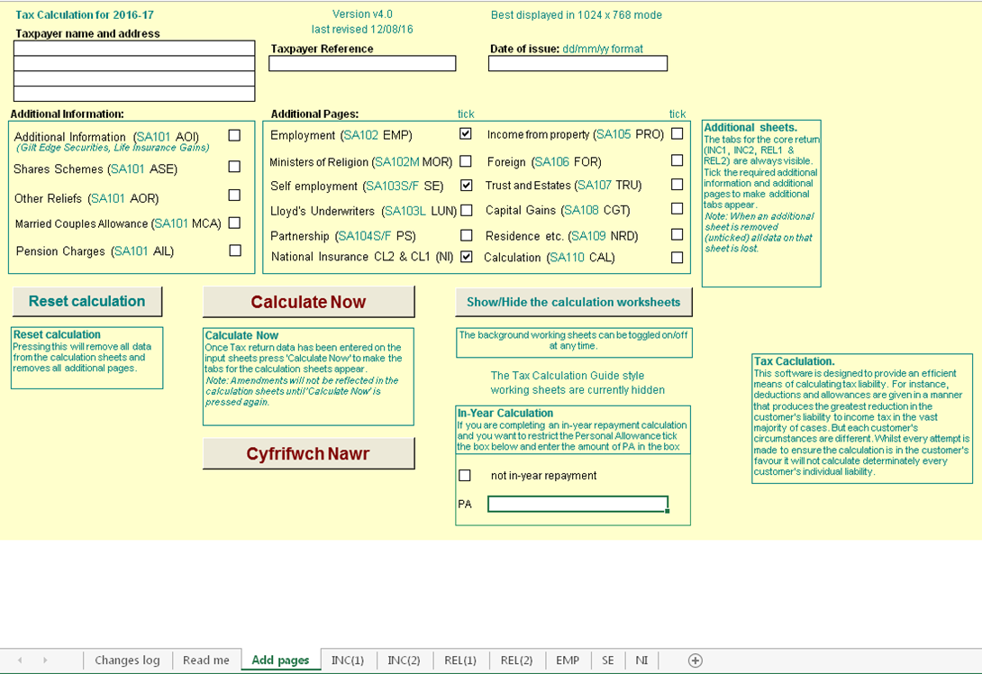
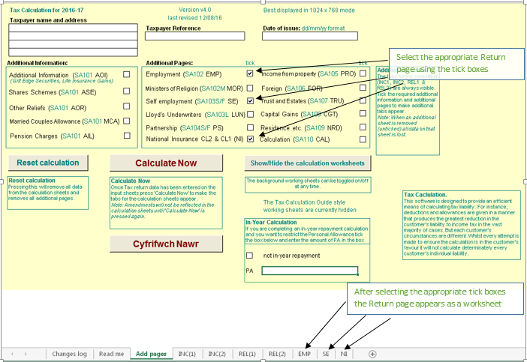

Insert the Return entries as shown below
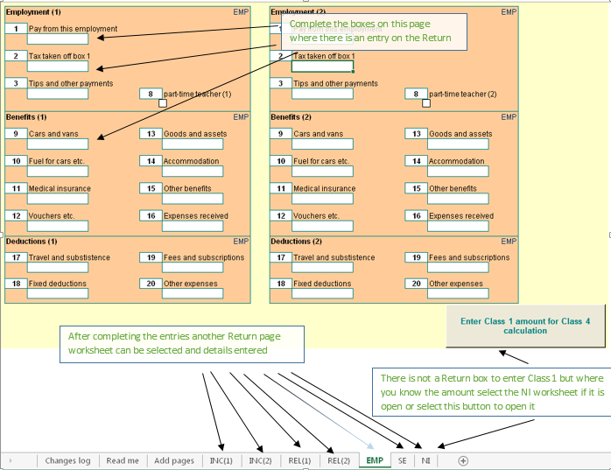

Complete all the Return pages and select 'Add pages'
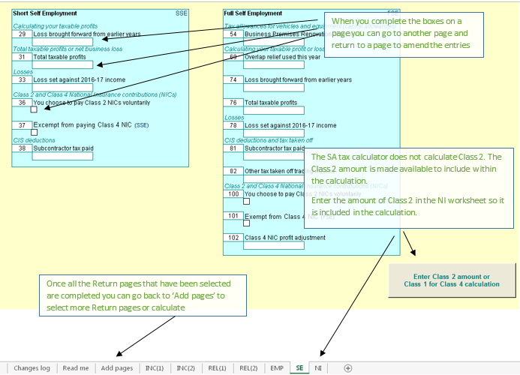

NI
The Class 2 Reg 21 calculation reduces Class 2 with reference to Class 1 Earnings. There are two new boxes within the 'NI' screen to help calculate the reduced amount when requested from a customer.

The deferment of Class 4 NIC has been removed from 2015-2016 onwards. There are two new boxes within the 'NI' screen in relation to Class 1 Earnings for the Reg100 Clas 4 calculation.

Class 2
Where a person is liable to pay Class 2 National Insurance contributions (NICs), Class 2 NICs are due for each contribution week or part of a week that a person was self-employed.
So, where a person was self-employed and liable to pay Class 2 NICs for part or all of one day in a week, liability arises for one week’s NICs due at the weekly flat rate.
A ‘contribution week’ is defined as a period of seven days beginning with midnight between Saturday and Sunday. The first day of the contribution week is Sunday and Saturday is the last.
The first week of the contribution year starts on the first Sunday after 5 April. Some contribution years will include 53 contribution weeks.

Class 4
Class 4 NI payable with income from employment and self-employment
Annual maximum of Class 4 contributions due under section 15 of the Act
100.—(1) Where for any year there are payable by or in respect of an earner Class 4 contributions under section 15 of the Act and also primary Class1 or Class2 contributions or both primary Class 1 or Class 2 contributions,
the liability of that earner for such Class 4 contributions for that year shall (without prejudice to his liability in the ﬁrst instance for the full amount payable apart from this regulation) not exceed such amount as, when added to
the amount of such other of those contributions as are ultimately payable by or in respect of him for that year, equals in value the sum of the amount which, but for the provisions of this regulation, would be payable by that earner
on proﬁts or gains equal to the higher of the two money sums speciﬁed in section 15(3) of the Act and, subject to the provisions of section 12 of the Act and regulations 63 to 65, 53 times the amount of a Class2 contribution payable for that year.
2) For the purpose only of determining the extent of an earner’s liability for Class 4 contributions under paragraph (1), the amount of any primary Class 1 contributions paid at less than the primary percentage speciﬁed in section 8(2) of the Act
shall be treated as equal to the amount of any primary Class 1 contributions payable at that percentage on the same amount of earnings.
So that a person with earnings from both an employment and self-employment does not pay considerably more NI than a person who has a similar level of earnings but from only one employment, the Class 4 NI payable is sometimes restricted.
The objective is to limit the self-employed profits charged at the main 9% rate to the employee-only equivalent, but still leave higher earnings charged at the uncapped 2% rate.

Class 1 Earnings

The two boxes in question are to be filled in if the customer has employment and is also self-employed. They are to be filled in as follows:

EMPCL1 Earnings from PT to UEL - These are earnings that appear in the column 1c from PT to UEL on the P60 (this was Column 1c + 1d up to 2015-16).
MORCL1 Earnings from PT to UEL - These are earnings that appear in the column 1c from PT to UEL on the P60 (this was Column 1c + 1d up to 2015-16).

From 2016-17 the P11ws and P60 were changed so that the columns for 1c and 1d are combined into one column that has earnings from PT to UEL.

On NPS > Employment > P14 Summary take the figures from column 1c and 1d
Enter the amounts in the EMPCL1/ and/or MORCL1/ boxes.

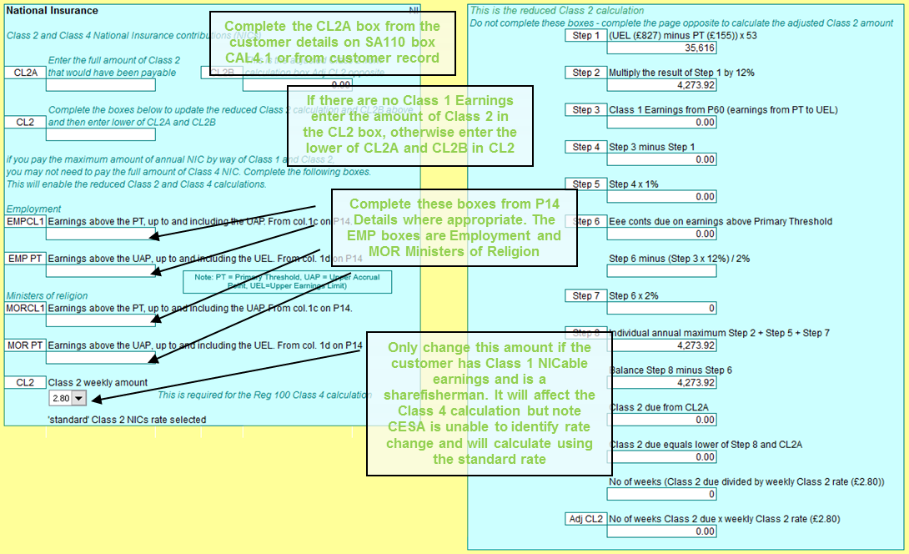

Select the 'Calculate Now' button to reveal the SA302 tax calculation
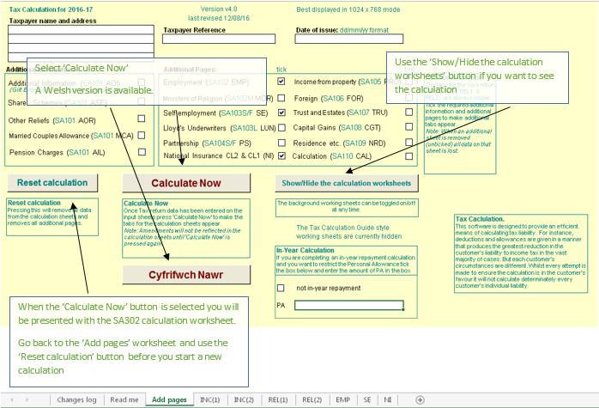

The SA302 Calculation – here you can see what the customers SA302 looks like based on the entries you have made
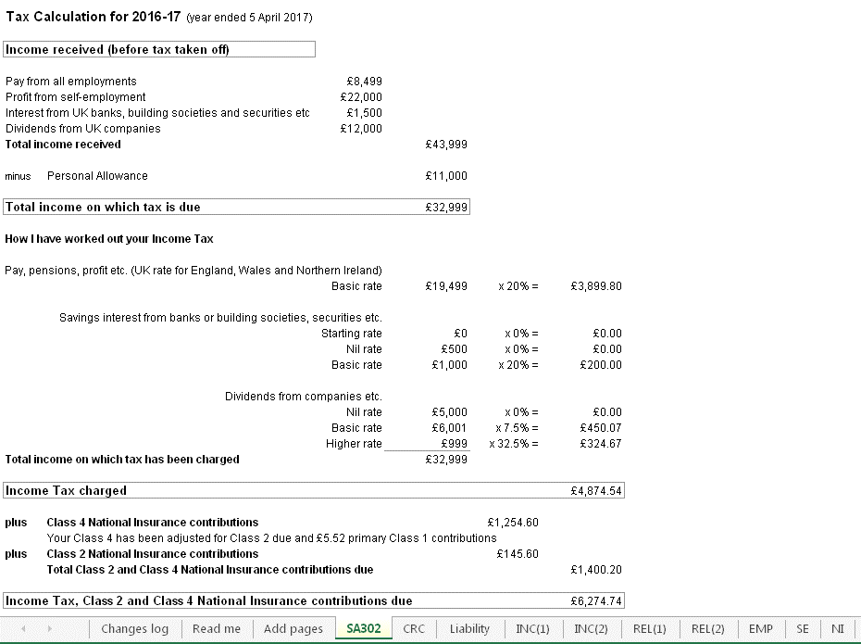

On the 'Add pages' worksheet select the Reset calculation button to clear all entries and close pages before
entering the details for another case

Things to note
Marriage Allowance Transfer
If the Transferor makes a claim on the return and not digitally, a relationship will be created on TBS, but it will not
trigger a digital claim. The fact that they are a Recipient will be stored in the background and when the Recipient
files their SA Return the credit will be given.
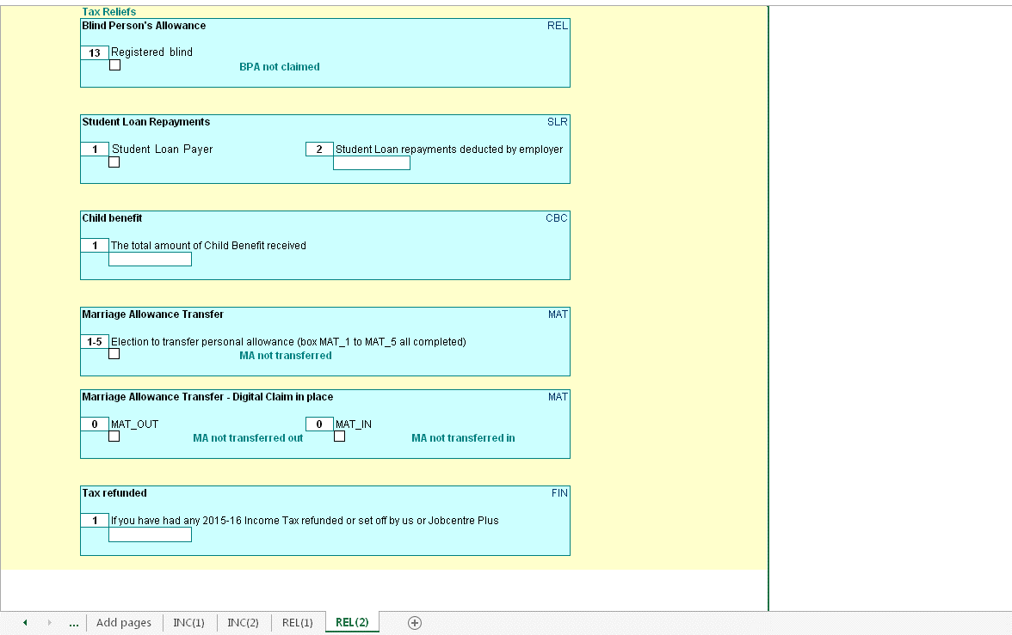

FTCR - see the guidance at
http://bg.inrev.gov.uk/tax/actionguides/40100/tax40072_main.htm
http://bg.inrev.gov.uk/tax/helpcards/tax50104.pdf

Non-resident calculation
Section 811 applies to taxpayers who are non-resident for the whole tax year. Certain sources of income (mostly investment income*) are ‘disregarded’. That is no more tax can be charged than has been deducted at source.
The disregarded income is removed from the tax calculation and only the tax deducted at source added to the liability computed on the non-disregarded income.
UK allowances are not given in the section 811 calculation, even if the taxpayer is entitled to claim them. The taxpayer can still claim tax deductions in the section 811 calculation. (Note: Maintenance and alimony payments are a deduction, not an allowance, so any relief claimed is still given in the section 811 calculation.)
As the use of section 811 is optional, two calculations are performed: 1) the ‘standard’ tax calculation including all income and any UK allowances due, 2) the section 811 calculation.
The results of the two calculations are compared and the calculation that produces the better result for the taxpayer is retained.

Income Tax Relief - Losses
The SA tax calculator follows the steps in s23 ITA 2007. Step 1 is to identify total income. Reliefs are deductible at step 2. HMRC introduced the term "limit on income tax reliefs" for step 2 deductions. This includes trade and property losses but there are other reliefs and deductions.
From 2015-16 changes were made to:
- calculate the limit on relief with the correct adjusted total income x 25% where more than £50,000.
- update the SA302 so it included the reliefs, including losses, in the 'income received' section and include them as "Income tax relief" in the 'minus' section below that. "Income tax relief" replaced both "Loan interest payments" and "Losses".
The change to ensure adjusted total income is calculated correctly presents the total income received for the year before losses brought forward from an earlier year and before losses ocurring in the year for other income. The SA302 adds back the brought forward losses to show the total profit for the year and then deducts them as income tax relief.
See Limit on Income Tax reliefs: HS204 Self Assessment helpsheet
https://www.gov.uk/government/publications/limit-on-income-tax-reliefs-hs204-self-assessment-helpsheet

Savings Income

From 06 April 2016 the Personal Savings Allowance (PSA) introduces a new 0% band for Income Tax on income from savings interest.

This will apply up to a maximum of

£1000 for basic rate customers (20%)
£500 for higher rate customers (40%)

- The PSA will not apply to savings income received by additional rate customers (45%).
- Income that is within an individual's savings allowance will still count towards their basic or higher rate limits.
- Higher/Additional rate income is income on which tax is charged, or would be but for the dividend nil rate.
- PSA is in addition to the starter savings rate which allows low income earners to receive up to £5,000 tax free savings interest.
- Interest from Individual Savings Accounts (ISAs) is already tax-free so this will not count towards the Personal Savings Allowance.
- PSA is not affected by the Scottish Rate of Income Tax and will be applied at the same rate for all taxpayers across the UK.
- PSA is affected by the £100 rule for children's savings and investments. If a parent's gift to a child exceeds this amount in any tax year it counts toward the parent's income for tax purposes.

Dividends

From April 2016 the Dividend Tax Credit will be abolished and a new £5,000 tax free allowance for dividend income will be introduced. This allowance will not reduce total income for tax purposes and will only apply to dividend income.
The new rates of tax on dividend income above the allowance will be:

7.5% for basic rate customers
32.5% for higher rate customers
38.1% for additional rate customers

- An allowance will be introduced so that everyone can receive up to £5,000 of dividend income, on top of any dividends received on shares held in an ISA. If a customer earns less than £5,000 of dividend they will not pay any tax.
- Dividend tax is in addition to and outside of ISA allowances.
- Dividend tax is not affected by the Scottish Rate of Income Tax and will be applied at the same rate for all taxpayers across the UK.
- No tax will be deducted at source; it will be paid through self-assessment.

Marriage Allowance Transfer
The Dividend Allowance nil rate is omitted when establishing the tax rate on income; the Personal Savings Allowance nil rate is applied when establishing the tax rate on income

Age related allowances

2016/17 - The age allowance ceases to exist.
The government froze age-related personal allowances in April 2013.In the 2015/16 tax year this was restricted to individuals born before 6 April 1938.
Individuals born on or after this date were entitled to the basic Personal Allowance instead. However, due to increases in the basic Personal Allowance, this is now the same for everyone, irrespective of when they were born.

Student Loan changes

From 6 April 2016 there will be 2 Student Loan thresholds known as Plan 1 and Plan 2. Previously there was only 1. Each plan will have a different threshold and employers will need to deduct student loan repayments using the appropriate plan type.

2017-18

Plan 1
The threshold will be £17,775 for employees who are :
· Scottish and Northern Irish students
· English and Welsh students who started their course before 1 September 2012

Plan 2
The threshold will be £21,000 for employees who are:
· English and Welsh students who started their course on or after 1 September 2012

Capital Gains tax
Each year, individuals have an annual exemption amount that allows them to receive some gains tax-free. Above this, you pay capital gains tax on all gains.

 | Capital gains tax in 2017/18
 | Annual exemption amount | £11,300 for individuals
 | Standard capital gains tax rate | 18% on residential property, 10% on other assets
 | Higher capital gains tax rate | 28% on residential property, 20% on other assets

Further Scottish Income Tax Powers
Who is a Scottish resident?
The Scottish rate is charged on the non-savings income of Scottish residents.
A Scottish taxpayer must first be a UK resident. A non-resident can never be a Scottish taxpayer. If someone has earnings subject to UK income tax, it will be at the UK rates.

Every member of the Scottish Parliament, every MP who represents a Scottish constituency and every MEP who represents Scotland is automatically taxed as a Scottish taxpayer, regardless of where they live.

Subject to the rule for politicians, a Scottish person not living in Scotland will not pay the Scottish rates. Liability is determined by residence and not nationality.

Having established UK residence, the next determinant is whether the taxpayer’s sole or main residence is in Scotland. If it is, they are a Scottish taxpayer.

Those who pay Scottish income tax
The UK basic, higher and additional rates, paid by Scottish taxpayers are reduced by 10% (10p in the pound).
The Scottish rate is then set annually by the Scottish Parliament at any value from 0% upwards in half pence units.
Scottish income tax applies to non-savings and non-dividend income
The personal allowance and thresholds and taxes on savings and dividends remain a UK ‘reserved’ matter
Capital Gains Tax (CGT) has not been devolved (nor NIC, IHT or corporation tax)

 | Scottish income tax rates 2017-18 | Scottish income tax bands 2017-18 |  | UK rate paid in Scotland | Scottish rate | Total rate for Scottish taxpayers
 | Scottish basic rate - 20% | £11,501 - £43,000 (£31,500) |  | 10% | 10% | 20%
 | Scottish higher rate - 40% | £43,001 - £150,000 |  | 30% | 10% | 40%
 | Scottish addittional rate - 45% | £150,001 and above |  | 35% | 10% | 45%

Election to reduce the personal allowance or entitlement to receive a tax reduction (Marriage Allowance transfer)
Calculate if, after the personal allowance is reduced or tax reduction received, you are liable to tax at a rate other than the
basic rate, the Scottish basic rate, the dividend nil rate, the savings nil rate, the dividend ordinary rate or the starting rate for savings

Personal savings allowance
HR Case
s12B (8) (b) ITA 2007 - each of the following is “higher-rate income”—
(i) income on which income tax is charged at the higher rate or dividend upper rate,
(ii) income on which income tax would be charged at the higher rate but for section 12A (income charged at savings nil rate),
(iii) income on which income tax would be charged at the dividend upper rate but for section 13A (income charged at dividend nil rate), and
(iv) income of an individual who is a Scottish taxpayer or Welsh taxpayer which would, if the individual were not a Scottish taxpayer or Welsh taxpayer (as the case may be), be income on which income tax is charged at the higher rate.”

AHR Case
s12B (8) (a) ITA 2007 - each of the following is “additional-rate income”—
(i) income on which income tax is charged at the additional rate or dividend additional rate,
(ii) income on which income tax would be charged at the dividend additional rate but for section 13A (income charged at dividend nil rate), and
(iii) income of an individual who is a Scottish taxpayer or Welsh taxpayer which would, if the individual were not a Scottish taxpayer or Welsh taxpayer (as the case may be), be income on which income tax is charged at the additional rate

Test Case index
Enter the test case number (in the box on the left), tab out of the box, then press 'Replay selected case'.
This will generate the test case and the results expected from processing this case through the SA tax calculation.
Note: Any data already present in the input sheets will be deleted automatically prior to loading the selected data.
 |  | There are 240 stored test cases

 |  | 47
 |  |  |  |  |  | Used for
 | Test reason |  | Components used | Calc figure | Prev Year | HMRC Portal | Comments
1 | Scottish customer with employment up to rUK basic rate band paying pension payments with RAR to extend Scottish starter, basic and intermediate rate band to equivelant of rUK (STR 1) |  | Components: YPD=1, INC-A=1, INC-B=1, INC-C=1, REL-A=1, REL-B=1, REL-C=1, SLR=1, CBC=1, MAT=1, FIN=1, Emp-A=1, DoB =not present | 52.80 | N/A | YES
2 | Basic rate employment, savings and property with LLIR (STR 2) |  | Components: YPD=2, INC-A=2, INC-B=2, INC-C=2, REL-A=2, REL-B=2, REL-C=2, SLR=2, CBC=2, MAT=2, FIN=1, Emp-A=2, PRO=2, CAL=4, DoB =17/11/1979 | 5,386.40 | 5,706.40 | YES | Changed 2018-19
3 | Scottish customer with Higher rate non-savings; higher rate savings; higher rate dividends; RAR; PPR; Gift Aid; Digital claim to Marriage Allowance Transfer (MAT) in place where customer is recipient but disallowed because not BR; Class 4 NIC + Class 2 NIC; Small Debt Coded with PAYE Tax to cover (STR 3) |  | Components: YPD=3, INC-A=3, INC-B=3, INC-C=3, REL-A=3, REL-B=3, REL-C=3, SLR=3, CBC=3, MAT=3, FIN=1, Emp-A=3, FSE=3, NI2=10, NI1=3, CAL=4, DoB =17/11/1979, FIN1 =£600 | 12,298.11 | 11,834.49 | YES | Changed 2018-19
4 | Non-Savings, Savings and Dividends where more beneficial to have some of PA against Dividends before Non-Savings/Savings (Exclusion 70) (STR 4) |  | Components: YPD=4, INC-A=4, INC-B=4, INC-C=4, REL-A=4, REL-B=4, REL-C=4, SLR=4, CBC=4, MAT=4, Emp-A=4, DoB =17/11/1979 | 1,733.30 | N/A | YES | Changed 2018-19
5 | Scottish Customer with self employment profit, Savings starter rate, RAR, Digital claim to Marriage Allowance Transfer (MAT) in place where customer is recipient, Class 4 NIC + Class 2 NIC (STR 5) |  | Components: YPD=5, INC-A=5, INC-B=5, INC-C=5, REL-A=5, REL-B=5, REL-C=5, SLR=5, CBC=5, MAT=5, FIN=1, FSE=5, NI2=10, DoB =17/11/1979 | 633.99 | 838.90 | YES | Changed 2018-19
6 | Scottish customer with Non-Savings, Savings and Dividends where more beneficial to have some of PA against Dividends before Non-Savings/Savings (Exclusion 70) (STR 6) |  | Components: YPD=6, INC-A=6, INC-B=6, INC-C=6, REL-A=6, REL-B=6, REL-C=6, SLR=6, CBC=6, MAT=6, FIN=1, NI2=10, DoB =03/01/1956, NIC exempt | 3,807.26 | N/A | YES | Changed 2018-19
7 | Lower income spouse claiming MCA, in year marriage( STR 7) |  | Components: YPD=7, INC-A=7, INC-B=7, INC-C=7, REL-A=7, REL-B=7, REL-C=7, SLR=7, CBC=7, MAT=7, FIN=1, Emp-A=7, CAL=4, DoB =05/03/1944, NIC exempt | 4,040.80 | 3,996.20 | YES
8 | (DOB spouse post 1935) MCA in year marriage (STR 8) |  | Components: YPD=8, INC-A=8, INC-B=8, INC-C=8, REL-A=8, REL-B=8, REL-C=8, SLR=8, CBC=8, MAT=8, FIN=1, MCA=8, FSE=8, NI2=10, DoB =03/06/1934, NIC exempt | 910.90 | 1,112.10 | YES
9 | Scottish customer with Non savings income 'covered' by PA, SAV Starter rate, PSA, DA, Gift Aid, LLIR reduced to max allowable, additional tax due on gift aid ( STR 9) |  | Components: YPD=9, INC-A=9, INC-B=9, INC-C=9, REL-A=9, REL-B=9, REL-C=9, SLR=9, CBC=9, MAT=9, FIN=1, SSE=9, PRO=9, DoB =17/11/1979 | 208.75 | N/A | YES | Changed 2018-19
10 | BR Non savings, Savings BR, Dividends HR, Gift Aid. Beneficial ordering of reliefs and allowances - PA set against pension even though dividends at HR. (STR 10) |  | Components: YPD=10, INC-A=10, INC-B=10, INC-C=10, REL-A=10, REL-B=10, REL-C=10, SLR=10, CBC=10, MAT=10, FIN=1, DoB =17/11/1979 | 3,840.10 | N/A | YES | Changed 2018-19
11 | Scottish customer with Intermediate rate Non savings, Savings reduced by PA, higher rate dividends, PPR, Gift Aid, LLIR, Small Debt Coded with PAYE Tax to cover ( STR11) |  | Components: YPD=11, INC-A=11, INC-B=11, INC-C=11, REL-A=11, REL-B=11, REL-C=11, SLR=11, CBC=11, MAT=11, FIN=1, Emp-A=11, PRO=11, CAL=4, DoB =03/06/1934, NIC exempt | 9,190.65 | N/A | YES | Changed 2018-19
12 | SAV SR, PSA, SAV BR, DA, Dividend Ordinary Rate DOR, Tax already refunded during year (STR 12) |  | Components: YPD=12, INC-A=12, INC-B=12, INC-C=12, REL-A=12, REL-B=12, REL-C=12, SLR=12, CBC=12, MAT=12, FIN=1, DoB =03/06/1934 | 4,730.59 | N/A | YES | Changed 2018-19
13 | Kitchen sink with in year MCA to wife (reduced to minimum amount); NIC exempt (STR 13) |  | Components: YPD=13, INC-A=13, INC-B=13, INC-C=13, REL-A=13, REL-B=13, REL-C=13, SLR=13, CBC=13, MAT=13, FIN=1, MCA=13, Emp-A=13, FSE=13, NI2=10, NI1=13, PRO=13, CAL=4, DoB =03/06/1934, FIN1 =£617, NIC exempt | 11,524.80 | 12,374.20 | YES
14 | Student Loan SL repayment case Plan 02, Basic rate employment, DA, DOR, Small Debt Coded with PAYE Tax to cover (STR 14) |  | Components: YPD=14, INC-A=14, INC-B=14, INC-C=14, REL-A=14, REL-B=14, REL-C=14, SLR=14, CBC=14, MAT=14, FIN=1, Emp-A=14, CAL=4, DoB =not present | 5,633.05 | N/A | YES | Changed 2018-19
15 | Student Loan SL repayment case Plan 01, RAR, BR self employment, SAV SR, DA, DOR, Class 4 NIC + Class 2 NIC ( STR 15) |  | Components: YPD=15, INC-A=15, INC-B=15, INC-C=15, REL-A=15, REL-B=15, REL-C=15, SLR=15, CBC=15, MAT=15, FIN=1, FSE=15, NI2=10, DoB =not present | 2,665.24 | N/A | YES | Changed 2018-19
16 | Scottish Customer with PRO loss B/F, BPR, SSR, SBR, SIR, SHR, Pension/PRO income, PSA (HR), SAV HR, DA, Dividend Upper Rate DUR, LLIR |  | Components: YPD=16, INC-A=16, INC-B=16, INC-C=16, REL-A=16, REL-B=16, REL-C=16, SLR=16, CBC=16, MAT=16, FIN=1, PRO=16, DoB =17/11/1979 | 9,875.27 | N/A | YES | Changed 2018-19
17 | Student Loan SL repayment case Plan 02, PPR, BR Employment/PRO, PSA (HR), DA, DOR, DUR, LLIR to max allowable, Small Debt Coded with PAYE Tax to cover (STR 17) |  | Components: YPD=17, INC-A=17, INC-B=17, INC-C=17, REL-A=17, REL-B=17, REL-C=17, SLR=17, CBC=17, MAT=17, FIN=1, Emp-A=17, PRO=17, CAL=4, DoB =not present | 9,388.65 | N/A | YES | Changed 2018-19
18 | BR Employment, underpaid Tax for earlier years, Small Debt coded with PAYE tax to cover (STR 18) |  | Components: YPD=18, INC-A=18, INC-B=18, INC-C=18, REL-A=18, REL-B=18, REL-C=18, SLR=18, CBC=18, MAT=18, FIN=1, Emp-A=18, CAL=6, DoB =not present | -104.00 | N/A | YES | Changed 2018-19
19 | BR/Employment/ Pension, SAV SR, PSA (HR), SAV BR, DA, DOR, DUR, Small debt coded no PAYE Tax (STR19) |  | Components: YPD=19, INC-A=19, INC-B=19, INC-C=19, REL-A=19, REL-B=19, REL-C=19, SLR=19, CBC=19, MAT=19, FIN=1, Emp-A=19, DoB =17/11/1979 | 7,265.24 | N/A | YES | Changed 2018-19
20 | SAV SR, PSA (HR), SAV BR, DA, DOR, DUR, Tax deducted on interest ( STR 20) |  | Components: YPD=20, INC-A=20, INC-B=20, INC-C=20, REL-A=20, REL-B=20, REL-C=20, SLR=20, CBC=20, MAT=20, FIN=1, Emp-A=20, DoB =17/11/1979 | 9,595.59 | N/A | YES | Changed 2018-19
21 | BR employment, SAV SR, PSA (HR), SAV BR, SAV HR, DA, DUR, Tax deducted on interest ( STR 21) |  | Components: YPD=21, INC-A=21, INC-B=21, INC-C=21, REL-A=21, REL-B=21, REL-C=21, SLR=21, CBC=21, MAT=21, FIN=1, Emp-A=21, DoB =17/11/1979 | 10,264.35 | N/A | YES | Changed 2018-19
22 | BR Self employment, PSA, SAV BR, DA, Class 4 NIC + Class 2 NIC, Tax deducted on interest ( STR 22) |  | Components: YPD=22, INC-A=22, INC-B=22, INC-C=22, REL-A=22, REL-B=22, REL-C=22, SLR=22, CBC=22, MAT=22, FIN=1, SSE=22, NI2=4, DoB =17/11/1979 | 4,625.54 | N/A | YES | Changed 2018-19
23 | Higher Rate (HR)BR employment/PRO, PSA (HR), DA, DOR, DUR, Marriage Allowance Transfer (MAT) Digital Claim (out) not allowed as HR, Small Debt Coded with PAYE Tax to cover (STR 23) |  | Components: YPD=23, INC-A=23, INC-B=23, INC-C=23, REL-A=23, REL-B=23, REL-C=23, SLR=23, CBC=23, MAT=23, FIN=1, Emp-A=23, PRO=23, CAL=4, DoB =not present | 8175.65 | N/A | YES | Changed 2018-19
24 | Scottish customer with BPR, Pension/OI, SSR, SBR, SIR, PSA (HR), DA, DOR, DUR, Tax deducted on interest (STR 24) |  | Components: YPD=24, INC-A=24, INC-B=24, INC-C=24, REL-A=24, REL-B=24, REL-C=24, SLR=24, CBC=24, MAT=24, FIN=1, DoB =not present | -1522.4 | N/A | YES | Changed 2018-19
25 | BR Employment/self employment/PRO/Pension/OI, PSA (HR), DA, DOR, DUR ,LLIR reduced to max allowable, Class 4 NIC + Class 2 NIC (STR 25) |  | Components: YPD=25, INC-A=25, INC-B=25, INC-C=25, REL-A=25, REL-B=25, REL-C=25, SLR=25, CBC=25, MAT=25, FIN=1, Emp-A=25, SSE=25, FSE=25, NI2=10, NI1=25, PRO=25, DoB =not present | 6748.34 | N/A | YES | Changed 2018-19
26 | Scottish customer with State pension Lump sum (starter rate), Minister of Religion, CGT. Balance of Basic rate to CGT |  | Components: YPD=26, INC-A=26, INC-B=26, INC-C=26, REL-A=26, REL-B=26, REL-C=26, SLR=26, CBC=26, MAT=26, FIN=1, MOR=26, CGT=4, DoB =not present | 515.81 | N/A | NO | Changed 2018-19
27 | State pension Lump sum HR, Lloyds Underwriters and Self Employment , Enterprise Investment Scheme relief EISR, & Social Investment Tax Relief SITR |  | Components: YPD=27, INC-A=27, INC-B=27, INC-C=27, REL-A=27, REL-B=27, REL-C=27, SLR=27, CBC=27, MAT=27, FIN=1, AOR=27, Emp-A=27, Emp-B=27, FSE=27, LUN=1, SPS=27, NI2=4, NI1=27, PRO=27, DoB =17/11/1979 | 70,158.53 | N/A | NO | Changed 2018-19
28 | Scottish customer SSR, SBR, SIR, SHR, SAV HR , DA Nil rate, DAR, CGT. |  | Components: YPD=28, INC-A=28, INC-B=28, INC-C=28, REL-A=28, REL-B=28, REL-C=28, SLR=28, CBC=28, MAT=28, FIN=1, ASE-A=1, Emp-A=28, CGT=4, DoB =17/11/1979 | 321,084.82 | N/A | YES
29 | Scottish customer, Self employment Deficiency Relief DR reduces dividends only. Class 4 and voluntary Class 2. |  | Components: YPD=29, INC-A=29, INC-B=29, INC-C=29, REL-A=29, REL-B=29, REL-C=29, SLR=29, CBC=29, MAT=29, FIN=1, AOI-B=6, FSE=29, NI2=4, DoB =17/11/1979 | 346,126.54 | N/A | YES | Changed 2018-19
30 | Partnership and pensions. Corresponding Deficiency Relief CDR reduces dividends and savings. Class 4 |  | Components: YPD=30, INC-A=30, INC-B=30, INC-C=30, REL-A=30, REL-B=30, REL-C=30, SLR=30, CBC=30, MAT=30, FIN=1, AOI-B=6, FPS=30, DoB =03/01/1956 | 22,048.09 | 21,861.35 | YES
31 | Pension, Savings and Divs. Corresponding Deficiency Relief CDR reduces dividends, no HR liability on non-savings income |  | Components: YPD=31, INC-A=31, INC-B=31, INC-C=31, REL-A=31, REL-B=31, REL-C=31, SLR=31, CBC=31, MAT=31, FIN=1, AOI-B=6, DoB =03/01/1956 | 305,164.09 | 305,564.09 | YES
32 | Sottish customer, self employment, pensions Savings and dividends, Gift Aid. MAT_IN. Insufficient tax paid to cover tax repaid to charily. |  | Components: YPD=32, INC-A=32, INC-B=32, INC-C=32, REL-A=32, REL-B=32, REL-C=32, SLR=32, CBC=32, MAT=32, FIN=1, AOI-C=3, SSE=32, CGT=13, DoB =17/11/1979 | 67.80 | N/A | YES
33 | Employment, Lump sum, foreign income and Foreign dividends. Student Loan repayment Plan 1 SL, FOR Relief for Finance Costs (Landlord Loan Savings Relief) |  | Components: YPD=33, INC-A=33, INC-B=33, INC-C=33, REL-A=33, REL-B=33, REL-C=33, SLR=33, CBC=33, MAT=33, FIN=1, ASE-B=1, Emp-A=33, FOR=12, DoB =17/11/1979 | 7,856.80 | N/A | YES
34 | Employment, Foreign income, Foreign dividends, Trust income, Savings, Dividends, VCT/Alimony claim. |  | Components: YPD=34, INC-A=34, INC-B=34, INC-C=34, REL-A=34, REL-B=34, REL-C=34, SLR=34, CBC=34, MAT=34, FIN=1, AOR=1, Emp-A=34, FOR=2, TRU=3, DoB =03/01/1956 | -4,953.58 | -5,258.58 | NO
35 | Property income, Pension, Savings, Dividends, Chargeable Event Gains CEG with Top Slicing Relief TSR due |  | Components: YPD=35, INC-A=35, INC-B=35, INC-C=35, REL-A=35, REL-B=35, REL-C=35, SLR=35, CBC=35, MAT=35, FIN=1, AOI-B=3, PRO=35, DoB =not present | 88.68 | -112.92 | NO
36 | Employment, Other income, Savings, Student Loan repayment (plan 1) SL, Chargeable Event Gains CEG, Top Slicing Relief TSR, Additional rate |  | Components: YPD=36, INC-A=36, INC-B=36, INC-C=36, REL-A=36, REL-B=36, REL-C=36, SLR=36, CBC=36, MAT=36, FIN=1, AOI-B=8, Emp-A=36, Emp-B=36, DoB =not present | 52,226.00 | 52,402.00 | YES
37 | employment, Savings, Dividends, Losses from SSE set against other income + Marriage Allowance Transfer transferred (MAT_OUT) Voluntary Class 2 |  | Components: YPD=37, INC-A=37, INC-B=37, INC-C=37, REL-A=37, REL-B=37, REL-C=37, SLR=37, CBC=37, MAT=37, FIN=1, Emp-A=37, SSE=37, NI2=6, NI1=37, DoB =not present, NIC2 voluntary | 184.25 | N/A | YES
38 | Employment income over £100,000, Savings and dividends, no PA, Blind Person Relief BPR due, CGT |  | Components: YPD=38, INC-A=38, INC-B=38, INC-C=38, REL-A=38, REL-B=38, REL-C=38, SLR=38, CBC=38, MAT=38, FIN=1, Emp-A=38, CGT=2, DoB =03/01/1956 | 27,668.95 | 27,183.95 | YES
39 | Self employed, Trusts, Student Loan repayment SL (Plan 01), S/E Losses set against other income. CIS deductions, |  | Components: YPD=39, INC-A=39, INC-B=39, INC-C=39, REL-A=39, REL-B=39, REL-C=39, SLR=39, CBC=39, MAT=39, FIN=1, SSE=39, FSE=39, NI2=4, TRU=2, DoB =not present | 1,687.72 | 2,243.03 | NO
40 | Property income, Relief for Finance Costs (Landlord Loan Savings Relief), UK and Foreign Chargeable Event Gains CEG, Top Slicing Relief TSR due; Notional tax; Basic MCA , 50% to partner. |  | Components: YPD=40, INC-A=40, INC-B=40, INC-C=40, REL-A=40, REL-B=40, REL-C=40, SLR=40, CBC=40, MAT=40, FIN=1, AOI-B=5, MCA=40, PRO=40, FOR=3, DoB =03/06/1934, NIC exempt | 3,834.00 | N/A | YES
41 | Pension, Savings and dividends. Non-UK Resident, 'normal' s23 calculation more beneficial (s811) |  | Components: YPD=41, INC-A=41, INC-B=41, INC-C=41, REL-A=41, REL-B=41, REL-C=41, SLR=41, CBC=41, MAT=41, FIN=1, NRD=1, DoB =05/03/1944, NIC exempt | -91.25 | -91.25 | NO
42 | Propert Income, Pensions, Dividends. Non-UK Resident, non resident calculation more beneficial (s811 disregarded income).Relief for Finance Costs (Landlord Loan Savings Relief) |  | Components: YPD=42, INC-A=42, INC-B=42, INC-C=42, REL-A=42, REL-B=42, REL-C=42, SLR=42, CBC=42, MAT=42, FIN=1, PRO=42, NRD=1, DoB =17/11/1979, NIC exempt | 5,217.00 | 5,855.20 | NO
43 | Property Income, Pensions and Dividends.Non-UK Resident, non resident calculation more beneficial (s811 disregarded income); MAT_IN but removed from calculation; Relief for Finance Costs (Landlord Loan Savings Relief) |  | Components: YPD=43, INC-A=43, INC-B=43, INC-C=43, REL-A=43, REL-B=43, REL-C=43, SLR=43, CBC=43, MAT=43, FIN=1, PRO=43, NRD=1, DoB =17/11/1979, NIC exempt | 5,217.00 | N/A | NO
44 | Multiple employment and share scheme. Box Fin1, CAL7/8 completed, Income over £100,000 PA reduced to Nil, Enterprise Investment Scheme relief EIS, & Social Investment Tax Relief SITR |  | Components: YPD=44, INC-A=44, INC-B=44, INC-C=44, REL-A=44, REL-B=44, REL-C=44, SLR=44, CBC=44, MAT=44, FIN=1, ASE-A=3, AOR=2, Emp-A=44, Emp-B=44, CAL=2, DoB =not present, FIN1 =£671 | 16,889.00 | 17,049.00 | YES
45 | Employment, Foreign and Partnership income. Losses from FPS20 set against other income; balance BR to CGT; FPS Relief for Finance Costs (Landlord Loan Savings Relief).Voluntary Class 2, CGT. |  | Components: YPD=45, INC-A=45, INC-B=45, INC-C=45, REL-A=45, REL-B=45, REL-C=45, SLR=45, CBC=45, MAT=45, FIN=1, Emp-A=45, Emp-B=45, FPS=45, NI2=4, NI1=45, FOR=2, CGT=2, DoB =not present, NIC2 voluntary | 7,552.80 | N/A | YES
46 | Partnership, Foreign Income, Foreign Dividends, Trust Income, RAR, Annuities, trade union death benefit, widows and orphan relief.Class 2. FOR Relief for Finance Costs (Landlord Loan Savings Relief). |  | Components: YPD=46, INC-A=46, INC-B=46, INC-C=46, REL-A=46, REL-B=46, REL-C=46, SLR=46, CBC=46, MAT=46, FIN=1, AOR=5, SPS=46, FPS=46, NI2=8, FOR=1, TRU=6, DoB =not present | 33,800.60 | N/A | NO
47 | Kitchen sink, multiple sources, PA reduced to Nil,Losses, RAR, TRU & FOR Relief for Finance Costs (Landlord Loan Savings Relief), CEG, MCA, CGT |  | Components: YPD=47, INC-A=47, INC-B=47, INC-C=47, REL-A=47, REL-B=47, REL-C=47, SLR=47, CBC=47, MAT=47, FIN=1, AOI-A=2, AOI-B=2, AOI-C=4, ASE-A=1, ASE-B=3, ASE-C=2, AOR=6, MCA=47, Emp-A=47, Emp-B=47, SSE=47, SPS=47, NI2=8, NI1=47, PRO=47, FOR=1, TRU=7, CGT=3, DoB =03/01/1956, FIN1 =£671 | 99,974.80 | N/A | NO
48 | Self employment and Savings. Class 2 |  | Components: YPD=48, INC-A=48, INC-B=48, INC-C=48, REL-A=48, REL-B=48, REL-C=48, SLR=48, CBC=48, MAT=48, FIN=1, SSE=48, NI2=4, DoB =17/11/1979 | 3,588.69 | 3,783.65 | YES
49 | Employment, Self employment, Property income. Reduced PA. Class 4 NIC. |  | Components: YPD=49, INC-A=49, INC-B=49, INC-C=49, REL-A=49, REL-B=49, REL-C=49, SLR=49, CBC=49, MAT=49, FIN=1, Emp-A=49, Emp-B=49, FSE=49, NI2=4, NI1=49, PRO=49, DoB =17/11/1979 | 27,358.38 | 29,428.38 | YES
50 | Employment, Property and Other income. Gift Aid. |  | Components: YPD=50, INC-A=50, INC-B=50, INC-C=50, REL-A=50, REL-B=50, REL-C=50, SLR=50, CBC=50, MAT=50, FIN=1, Emp-A=50, PRO=50, DoB =17/11/1979 | 720.00 | 720.00 | YES
51 | Employment, Self employment and Pensions. BPA. |  | Components: YPD=51, INC-A=51, INC-B=51, INC-C=51, REL-A=51, REL-B=51, REL-C=51, SLR=51, CBC=51, MAT=51, FIN=1, Emp-A=51, FSE=51, NI2=10, NI1=51, DoB =22/02/1936, NIC exempt | 3,553.00 | 3,573.00 | YES
52 | Self employment, Property, Pensions and Savings. MCA in year marriage. |  | Components: YPD=52, INC-A=52, INC-B=52, INC-C=52, REL-A=52, REL-B=52, REL-C=52, SLR=52, CBC=52, MAT=52, FIN=1, MCA=52, FSE=52, NI2=4, PRO=52, DoB =22/02/1936, NIC exempt | 2,133.10 | 1,634.30 | YES
53 | Self employment, Foreign income and Foreign Dividends. Class 4 and Class 2 NIC, Reduced PA and Losses. FOR Relief for Finance Costs (Landlord Loan Savings Relief) |  | Components: YPD=53, INC-A=53, INC-B=53, INC-C=53, REL-A=53, REL-B=53, REL-C=53, SLR=53, CBC=53, MAT=53, FIN=1, FSE=53, NI2=4, FOR=1, DoB =17/11/1979 | 35,714.87 | N/A | YES
54 | Pension, Other income, Savings and Dividends. |  | Components: YPD=54, INC-A=54, INC-B=54, INC-C=54, REL-A=54, REL-B=54, REL-C=54, SLR=54, CBC=54, MAT=54, FIN=1, DoB =05/03/1944, NIC exempt | -300.00 | -300.00 | YES
55 | Trust, Savings, Dividends and CEG,TSR not due |  | Components: YPD=55, INC-A=55, INC-B=55, INC-C=55, REL-A=55, REL-B=55, REL-C=55, SLR=55, CBC=55, MAT=55, FIN=1, AOI-B=2, TRU=2, DoB =17/11/1979 | -4,130.65 | -3,711.80 | NO
56 | Employment, Pension Savings and CEG, top slicing relief due, State pension lump sum. |  | Components: YPD=56, INC-A=56, INC-B=56, INC-C=56, REL-A=56, REL-B=56, REL-C=56, SLR=56, CBC=56, MAT=56, FIN=1, AOI-B=1, Emp-A=56, DoB =22/02/1936, NIC exempt | 2,311.50 | 5,618.30 | YES
57 | Pension Foreign Dividends and Savings. In year MCA claim and gift aid. |  | Components: YPD=57, INC-A=57, INC-B=57, INC-C=57, REL-A=57, REL-B=57, REL-C=57, SLR=57, CBC=57, MAT=57, FIN=1, MCA=57, DoB =05/03/1944, NIC exempt | -2,834.79 | -2,834.79 | YES
58 | Employment, Savings and Dividends. PA reduced to nil BPA claim, FIN1 entry, Deficiency relief, EIS, relief for qualifying disttribution. |  | Components: YPD=58, INC-A=58, INC-B=58, INC-C=58, REL-A=58, REL-B=58, REL-C=58, SLR=58, CBC=58, MAT=58, FIN=1, AOI-B=6, AOR=9, Emp-A=58, DoB =05/03/1944, FIN1 =£617 | 295,358.69 | 294,759.29 | YES
59 | Self employed, Pension and other income. Gift aid, CGT chargeable at more than one CGT rate |  | Components: YPD=59, INC-A=59, INC-B=59, INC-C=59, REL-A=59, REL-B=59, REL-C=59, SLR=59, CBC=59, MAT=59, FIN=1, FSE=59, NI2=10, CGT=3, DoB =05/03/1944, NIC exempt | 3,538.00 | 3,768.00 | YES
60 | Pension, Other income, Savings and Dividends. |  | Components: YPD=60, INC-A=60, INC-B=60, INC-C=60, REL-A=60, REL-B=60, REL-C=60, SLR=60, CBC=60, MAT=60, FIN=1, DoB =03/06/1934, NIC exempt | 10,445.35 | -300.00 | YES | Changed 2018-19
61 | Pension, Other income, Savings, Dividends and Gift Aid |  | Components: YPD=61, INC-A=61, INC-B=61, INC-C=61, REL-A=61, REL-B=61, REL-C=61, SLR=61, CBC=61, MAT=61, FIN=1, DoB =03/01/1956, NIC exempt | -323.75 | -378.75 | YES
62 | Employment, Pension, Other income, Dividends, Foreign Dividends and Savings. |  | Components: YPD=62, INC-A=62, INC-B=62, INC-C=62, REL-A=62, REL-B=62, REL-C=62, SLR=62, CBC=62, MAT=62, FIN=1, AOI-C=2, Emp-A=62, DoB =03/06/1934, NIC exempt | 1,255.60 | 1,370.60 | YES
63 | Property income, Dividends and CGT. |  | Components: YPD=63, INC-A=63, INC-B=63, INC-C=63, REL-A=63, REL-B=63, REL-C=63, SLR=63, CBC=63, MAT=63, FIN=1, PRO=63, CGT=5, DoB =22/02/1936, NIC exempt | 12,847.50 | 13,141.25 | YES
64 | Pension, Other income, Savings, Dividends, Gift Aid and CGT |  | Components: YPD=64, INC-A=64, INC-B=64, INC-C=64, REL-A=64, REL-B=64, REL-C=64, SLR=64, CBC=64, MAT=64, FIN=1, AOI-A=1, CGT=1, DoB =05/03/1944, NIC exempt | 3,280.10 | 3,573.85 | YES
65 | Selg employment, Pension, Property income and Savings. MCA. |  | Components: YPD=65, INC-A=65, INC-B=65, INC-C=65, REL-A=65, REL-B=65, REL-C=65, SLR=65, CBC=65, MAT=65, FIN=1, MCA=65, SSE=65, NI2=5, PRO=65, DoB =03/06/1934, NIC exempt | 0.00 | 0.00 | YES
66 | Savings and Dividends. MCA. CGT |  | Components: YPD=66, INC-A=66, INC-B=66, INC-C=66, REL-A=66, REL-B=66, REL-C=66, SLR=66, CBC=66, MAT=66, FIN=1, MCA=66, CGT=3, DoB =03/06/1934, NIC exempt | 1,738.75 | 1,798.75 | YES
67 | Property income, Other income, Pension, Savings and Dividends. Losses and MCA reduced due to Age related income limits. |  | Components: YPD=67, INC-A=67, INC-B=67, INC-C=67, REL-A=67, REL-B=67, REL-C=67, SLR=67, CBC=67, MAT=67, FIN=1, MCA=67, PRO=67, DoB =03/06/1934, NIC exempt | 17.85 | 154.25 | YES
68 | Pension, Savings, Dividends and Gift Aid, Tax due on Gift Aid more than tax paid by individual |  | Components: YPD=68, INC-A=68, INC-B=68, INC-C=68, REL-A=68, REL-B=68, REL-C=68, SLR=68, CBC=68, MAT=68, FIN=1, MCA=68, DoB =03/06/1934, NIC exempt | 600.00 | 600.00 | YES
69 | Pension and CGT including entreprenueral gains |  | Components: YPD=69, INC-A=69, INC-B=69, INC-C=69, REL-A=69, REL-B=69, REL-C=69, SLR=69, CBC=69, MAT=69, FIN=1, CGT=3, DoB =05/03/1944, NIC exempt | -188.79 | 41.21 | YES
70 | Pension, Savings, Dividends and In year MCA claim. |  | Components: YPD=70, INC-A=70, INC-B=70, INC-C=70, REL-A=70, REL-B=70, REL-C=70, SLR=70, CBC=70, MAT=70, FIN=1, MCA=70, DoB =05/03/1944, NIC exempt | 0.00 | 0.00 | YES
71 | Self employment, In year MCA claim reduced due to income limits. Class 4 and Class 2 NIC. |  | Components: YPD=71, INC-A=71, INC-B=71, INC-C=71, REL-A=71, REL-B=71, REL-C=71, SLR=71, CBC=71, MAT=71, FIN=1, MCA=71, FSE=71, NI2=4, DoB =17/11/1979 | 12,090.32 | 12,733.58 | YES
72 | Property income, Trust and CEG. Losses, Relief for Finance Costs (Landlord Loan Savings Relief) and CITR claimed. |  | Components: YPD=72, INC-A=72, INC-B=72, INC-C=72, REL-A=72, REL-B=72, REL-C=72, SLR=72, CBC=72, MAT=72, FIN=1, AOI-B=3, AOR=4, PRO=72, TRU=3, DoB =17/11/1979 | 704.67 | 945.67 | NO
73 | Employment, Pension and Property income. Gift Aid including carry back gift aid, MCA and CGT. | , | Components: YPD=73, INC-A=73, INC-B=73, INC-C=73, REL-A=73, REL-B=73, REL-C=73, SLR=73, CBC=73, MAT=73, FIN=1, MCA=73, Emp-A=73, PRO=73, CGT=1, DoB =03/06/1934, NIC exempt | 2,674.50 | 3,301.30 | YES
74 | Employment income, PPR and Disguised Remuneration DR AIL21 |  | Components: YPD=74, INC-A=74, INC-B=74, INC-C=74, REL-A=74, REL-B=74, REL-C=74, SLR=74, CBC=74, MAT=74, FIN=1, AIL=74, Emp-A=74, Emp-B=74, DoB =03/01/1956 | 30,511.60 | 6,782.40 | YES | Changed 2018-19
75 | Employment, Self employment, Pension, Savings and Dividends. RAR, in year MCA reduced due to income limits. |  | Components: YPD=75, INC-A=75, INC-B=75, INC-C=75, REL-A=75, REL-B=75, REL-C=75, SLR=75, CBC=75, MAT=75, FIN=1, MCA=75, Emp-A=75, FSE=75, NI2=4, NI1=75, DoB =03/06/1934, NIC exempt | 340,342.02 | 339,709.82 | YES
76 | Incapacity Benefit, BPA. Gift Aid with no tax paid. |  | Components: YPD=76, INC-A=76, INC-B=76, INC-C=76, REL-A=76, REL-B=76, REL-C=76, SLR=76, CBC=76, MAT=76, FIN=1, DoB =17/11/1979 | 101.35 | 101.35 | YES
77 | Employment, Self employment, Pension, Property and Dividends income. In year MCA claimed reduced due to income limits and RAR. |  | Components: YPD=77, INC-A=77, INC-B=77, INC-C=77, REL-A=77, REL-B=77, REL-C=77, SLR=77, CBC=77, MAT=77, FIN=1, MCA=77, Emp-A=77, FSE=77, NI2=10, NI1=77, PRO=77, DoB =03/06/1934, FIN1 =£617, NIC exempt | 9,354.55 | 9,063.55 | YES
78 | Employment, Partnership, Pension, Property and Dividens income with state pension Lump Sum. Losses, Relief for Finance Costs (Landlord Loan Savings Relief) and Community investment relief. |  | Components: YPD=78, INC-A=78, INC-B=78, INC-C=78, REL-A=78, REL-B=78, REL-C=78, SLR=78, CBC=78, MAT=78, FIN=1, AOI-A=2, AOR=4, MOR=78, SSE=78, SPS=78, PRO=78, CAL=3, DoB =05/03/1944, NIC exempt | 15,610.97 | 14,247.89 | NO | Changed 2018-19
79 | Foreign Income, Foreign Dividends, Divenden and Savings. CEG, Non-Resident, Remittance basis charge for Non Dom and TSR = 0 (previously incorrectly £0.02) |  | Components: YPD=79, INC-A=79, INC-B=79, INC-C=79, REL-A=79, REL-B=79, REL-C=79, SLR=79, CBC=79, MAT=79, FIN=1, AOI-B=3, FOR=4, NRD=3, DoB =not present | 67,638.73 | 67,928.93 | NO
80 | Pension, Savings and Dividend income. In year Repayment results in underpaid amount on SA302 |  | Components: YPD=80, INC-A=80, INC-B=80, INC-C=80, REL-A=80, REL-B=80, REL-C=80, SLR=80, CBC=80, MAT=80, FIN=1, DoB =05/03/1944, FIN1 =£865, NIC exempt | -704.45 | -704.45 | YES
81 | Self employment, Savings and Dividends. RAR, PPR Losses, Gifts of property to charity, Disguised Remuneration DR AIL22. |  | Components: YPD=81, INC-A=81, INC-B=81, INC-C=81, REL-A=81, REL-B=81, REL-C=81, SLR=81, CBC=81, MAT=81, FIN=1, AIL=81, FSE=81, NI2=4, DoB =not present | 49,110.32 | 22,025.78 | YES | Changed 2018-19
82 | Pension, Other income and State Pension lump sum. RAR, Gift Aid and gift aid relief backdated (REL8) |  | Components: YPD=82, INC-A=82, INC-B=82, INC-C=82, REL-A=82, REL-B=82, REL-C=82, SLR=82, CBC=82, MAT=82, FIN=1, DoB =not present | -32.87 | 1,238.97 | YES | Changed 2018-19
83 | Employment and Dividend income. RAR and Pension taxable short service refund, stock dividends |  | Components: YPD=83, INC-A=83, INC-B=83, INC-C=83, REL-A=83, REL-B=83, REL-C=83, SLR=83, CBC=83, MAT=83, FIN=1, AOI-C=5, AIL=83, Emp-A=83, Emp-B=83, DoB =not present | 1,287.20 | 1,287.20 | YES
84 | Employment income, Self employment Losses set off against other income + no digital claim to Marriage Allowance Transfer (MAT_OUT) but MAT claimed on Return. Class 2 NIC |  | Components: YPD=84, INC-A=84, INC-B=84, INC-C=84, REL-A=84, REL-B=84, REL-C=84, SLR=84, CBC=84, MAT=84, FIN=1, Emp-A=84, SSE=84, NI2=6, NI1=84, DoB =17/11/1979, NIC2 voluntary | -1,302.50 | -1,480.00 | YES
85 | Self employment, Pension and other Income. State pension lump sum. |  | Components: YPD=85, INC-A=85, INC-B=85, INC-C=85, REL-A=85, REL-B=85, REL-C=85, SLR=85, CBC=85, MAT=85, FIN=1, SSE=85, FPS=85, NI2=5, DoB =05/03/1944, NIC exempt | 53,082.63 | 3,494.57 | YES | Changed 2018-19
86 | Employment and Property income. Seafarers deduction ASE11. Relief for Finance Costs (Landlord Loan Savings Relief). |  | Components: YPD=86, INC-A=86, INC-B=86, INC-C=86, REL-A=86, REL-B=86, REL-C=86, SLR=86, CBC=86, MAT=86, FIN=1, ASE-C=1, AIL=86, Emp-A=86, PRO=86, DoB =17/11/1979 | 30,209.80 | -357.40 | YES
87 | Scottish Customer, Self employment, Property income, Savings and Dividends. Property losses from FL to c/f to lettings inc (PRO17), Deficiency relief on both savings and dividends. |  | Components: YPD=87, INC-A=87, INC-B=87, INC-C=87, REL-A=87, REL-B=87, REL-C=87, SLR=87, CBC=87, MAT=87, FIN=1, AOI-B=7, AOR=5, FSE=87, NI2=4, PRO=87, DoB =17/11/1979 | 357,841.09 | N/A | YES
88 | Self employment, Property income, Savings and Dividends. RAR, S/E Losses, Annuity, Gift Aid to charity.Deficiency relief on both savings and dividends. Class 4 and Class 2 NIC. |  | Components: YPD=88, INC-A=88, INC-B=88, INC-C=88, REL-A=88, REL-B=88, REL-C=88, SLR=88, CBC=88, MAT=88, FIN=1, AOI-B=7, AOR=5, FSE=88, NI2=4, PRO=88, DoB =17/11/1979 | 356,349.79 | N/A | YES
89 | MOR, Property income, Foreign income, Foreign Dividends Other income, CEG, Savings and Dividens. RAR. PPR, Gift Aid. CGT. |  | Components: YPD=89, INC-A=89, INC-B=89, INC-C=89, REL-A=89, REL-B=89, REL-C=89, SLR=89, CBC=89, MAT=89, FIN=1, AOI-B=8, AOI-C=3, MOR=89, PRO=89, FOR=2, CGT=1, CAL=1, DoB =17/11/1979, FIN1 =£289 | 38,399.85 | 38,754.70 | NO
90 | Self employment, Savings and Dividends. RAR, S/E Losses. Cash basis adjustment FSE70 and Class 4 NIC adjustment FSE101, Class 2 NIC |  | Components: YPD=90, INC-A=90, INC-B=90, INC-C=90, REL-A=90, REL-B=90, REL-C=90, SLR=90, CBC=90, MAT=90, FIN=1, AOI-A=3, AOI-C=5, FSE=90, NI2=4, DoB =17/11/1979 | 56,742.38 | 57,032.84 | YES
91 | Employment, Self employment, Pension, Savings and Dividend income, RAR, Property Losses and Relief for Finance Costs (Landlord Loan Savings Relief), including AOR12. Class 2 and 4 NIC. |  | Components: YPD=91, INC-A=91, INC-B=91, INC-C=91, REL-A=91, REL-B=91, REL-C=91, SLR=91, CBC=91, MAT=91, FIN=1, AOI-A=3, AOI-C=3, ASE-C=2, AOR=91, Emp-A=91, FSE=91, NI2=4, NI1=91, PRO=91, DoB =03/01/1956 | 64,661.89 | 64,703.21 | YES | Changed 2018-19
92 | Partnership, Other income and Savings. Basis adjustment SPS9, tax deducted partnerships SPS27 and SPS29. EIS releif. Class 2 and 4 NIC. |  | Components: YPD=92, INC-A=92, INC-B=92, INC-C=92, REL-A=92, REL-B=92, REL-C=92, SLR=92, CBC=92, MAT=92, FIN=1, AOI-A=2, AOR=7, SPS=92, NI2=4, DoB =17/11/1979, FIN1 =£650.29 | 16,912.21 | 17,542.67 | YES
93 | Partnership, Other income, Pension, CEG, Savings and Dividends. State Pension Lump Sum. Voluntary Class 2 NIC |  | Components: YPD=93, INC-A=93, INC-B=93, INC-C=93, REL-A=93, REL-B=93, REL-C=93, SLR=93, CBC=93, MAT=93, FIN=1, AOI-A=1, AOI-B=3, SPS=93, NI2=4, DoB =03/01/1956, NIC2 voluntary | 790.28 | 1,422.48 | YES
94 | Partnership, Intersest and Foreign Dividends. RAR, Losses from property on partnerships, Deficiency Relief. Gift Aid to Charity and BPA. |  | Components: YPD=94, INC-A=94, INC-B=94, INC-C=94, REL-A=94, REL-B=94, REL-C=94, SLR=94, CBC=94, MAT=94, FIN=1, AOI-B=7, FPS=94, NI2=9, DoB =17/11/1979 | 11,392.76 | 11,376.82 | YES
95 | Partnership, Property and Dividend income. Partnership and Property Losses. FPS Relief for Finance Costs (Landlord Loan Savings Relief). No PA. |  | Components: YPD=95, INC-A=95, INC-B=95, INC-C=95, REL-A=95, REL-B=95, REL-C=95, SLR=95, CBC=95, MAT=95, FIN=1, FPS=95, NI2=6, PRO=95, DoB =17/11/1979 | 92,605.97 | 91,943.73 | YES
96 | Partnership, Property, Dividends and CEG. Gift Aid, Losses, FPS Relief for Finance Costs (Landlord Loan Savings Relief). Class 2 and 4 NIC. CGT. |  | Components: YPD=96, INC-A=96, INC-B=96, INC-C=96, REL-A=96, REL-B=96, REL-C=96, SLR=96, CBC=96, MAT=96, FIN=1, AOI-B=2, AOI-C=4, AOR=6, FPS=96, NI2=6, PRO=96, CGT=3, DoB =17/11/1979 | 98,172.05 | 97,629.81 | YES
97 | Employment income, Savings, Divendends and Foreign Dividends. Student Loan SL (plan 1). |  | Components: YPD=97, INC-A=97, INC-B=97, INC-C=97, REL-A=97, REL-B=97, REL-C=97, SLR=97, CBC=97, MAT=97, FIN=1, Emp-A=97, Emp-B=97, CAL=2, DoB =17/11/1979 | 3,576.72 | 3,530.60 | YES
98 | Self employment, Property income and CEG. Income over £150,000, Property and S/E losses, Gift Aid.CGT, VCT, EIS and SEIS |  | Components: YPD=98, INC-A=98, INC-B=98, INC-C=98, REL-A=98, REL-B=98, REL-C=98, SLR=98, CBC=98, MAT=98, FIN=1, AOI-B=4, AOR=3, FSE=98, NI2=4, PRO=98, CGT=2, DoB =not present | 51,612.98 | 52,120.84 | YES
99 | Employment, Self employment, Partnership income and CEG. TSR and gift aid |  | Components: YPD=99, INC-A=99, INC-B=99, INC-C=99, REL-A=99, REL-B=99, REL-C=99, SLR=99, CBC=99, MAT=99, FIN=1, AOI-B=5, Emp-A=99, SSE=99, SPS=99, NI2=4, DoB =03/01/1956 | 7,754.64 | 7,622.80 | YES
100 | Employment, Pension, Property, Savings and CEG. Relief for Finance Costs (Landlord Loan Savings Relief). |  | Components: YPD=100, INC-A=100, INC-B=100, INC-C=100, REL-A=100, REL-B=100, REL-C=100, SLR=100, CBC=100, MAT=100, FIN=1, AOI-B=3, Emp-A=100, DoB =03/01/1956 | 523.91 | 1,310.31 | YES
101 | Employment income, Redundancy Lump sum, Dividends and CEG. |  | Components: YPD=101, INC-A=101, INC-B=101, INC-C=101, REL-A=101, REL-B=101, REL-C=101, SLR=101, CBC=101, MAT=101, FIN=1, AOI-B=2, ASE-B=3, Emp-A=101, DoB =17/11/1979 | 3,010.95 | 2,899.35 | YES
102 | Partnership, Savings, Dividends and CEG income. CGT and PPR. Class 2 and 4 NIC. |  | Components: YPD=102, INC-A=102, INC-B=102, INC-C=102, REL-A=102, REL-B=102, REL-C=102, SLR=102, CBC=102, MAT=102, FIN=1, AOI-B=4, SPS=102, NI2=4, CGT=2, DoB =17/11/1979 | 9,890.89 | 9,980.85 | YES
103 | Property income, Trust income, Pension, Savings and Dividends. Losses, Relief for Finance Costs (Landlord Loan Savings Relief) and CITR. |  | Components: YPD=103, INC-A=103, INC-B=103, INC-C=103, REL-A=103, REL-B=103, REL-C=103, SLR=103, CBC=103, MAT=103, FIN=1, AOI-A=2, AOI-C=3, AOR=4, FPS=103, TRU=1, DoB =05/03/1944, NIC exempt | -3,888.67 | -3,888.67 | NO
104 | Employment, Pension, Dividends, Foreign income and Foreign dividends. Losses, Relief for Finance Costs (Landlord Loan Savings Relief) and Community investment relief. |  | Components: YPD=104, INC-A=104, INC-B=104, INC-C=104, REL-A=104, REL-B=104, REL-C=104, SLR=104, CBC=104, MAT=104, FIN=1, AOI-C=3, AOR=4, Emp-A=104, Emp-B=104, PRO=104, FOR=2, DoB =05/03/1944, NIC exempt | -0.20 | -840.00 | YES | Changed 2018-19
105 | Self employment, Partnership and Trust income. Student Loan (plan2) SL, CGT, Income over £100000 with losses, RAR, PPR and Gift Aid. VCT, SEISR and EIS |  | Components: YPD=105, INC-A=105, INC-B=105, INC-C=105, REL-A=105, REL-B=105, REL-C=105, SLR=105, CBC=105, MAT=105, FIN=1, AOR=3, FSE=105, FPS=105, NI2=9, TRU=3, CGT=4, DoB =17/11/1979 | 109,684.22 | 110,458.28 | NO
106 | MOR, Employments and Trusts income. |  | Components: YPD=106, INC-A=106, INC-B=106, INC-C=106, REL-A=106, REL-B=106, REL-C=106, SLR=106, CBC=106, MAT=106, FIN=1, Emp-A=106, MOR=106, TRU=2, CAL=5, DoB =03/01/1956 | -1,430.02 | 4,295.03 | NO
107 | Employment income, Savings. Relief for Finance Costs (Landlord Loan Savings Relief). Lump sum, CAL7/8, PA reduced to Nil |  | Components: YPD=107, INC-A=107, INC-B=107, INC-C=107, REL-A=107, REL-B=107, REL-C=107, SLR=107, CBC=107, MAT=107, FIN=1, ASE-B=2, Emp-A=107, Emp-B=107, PRO=107, CAL=5, DoB =not present | 24,540.90 | 24,700.90 | YES
108 | Partnership, Property, Trusts, Other income, Savings, Dividends, Foreign income and Foreign Dividends. Losses, PA reduced to Nil, gifts to charity, Relief for Finance Costs (Landlord Loan Savings Relief), CGT. Class 2 and 4 NIC. |  | Components: YPD=108, INC-A=108, INC-B=108, INC-C=108, REL-A=108, REL-B=108, REL-C=108, SLR=108, CBC=108, MAT=108, FIN=1, SPS=108, FPS=108, NI2=9, PRO=108, FOR=4, TRU=5, CGT=4, DoB =17/11/1979 | 43,265.61 | 42,982.07 | NO
109 | Self Employment and Share Schemes. Class 2 and 4 NIC. |  | Components: YPD=109, INC-A=109, INC-B=109, INC-C=109, REL-A=109, REL-B=109, REL-C=109, SLR=109, CBC=109, MAT=109, FIN=1, ASE-A=3, SSE=109, NI2=4, DoB =17/11/1979 | 3,972.99 | 4,167.95 | YES
110 | Pension income, S/E Losses. CGT. |  | Components: YPD=110, INC-A=110, INC-B=110, INC-C=110, REL-A=110, REL-B=110, REL-C=110, SLR=110, CBC=110, MAT=110, FIN=1, SSE=110, FSE=110, NI2=4, CGT=5, DoB =17/11/1979 | 12,210.00 | 12,580.00 | YES
111 | Employment income, Lloyds Underwriters, Lump Sums, savings and Dividends. Losses and Class 2 NIC. |  | Components: YPD=111, INC-A=111, INC-B=111, INC-C=111, REL-A=111, REL-B=111, REL-C=111, SLR=111, CBC=111, MAT=111, FIN=1, ASE-B=2, Emp-A=111, LUN=1, NI2=4, DoB =not present, NIC2 voluntary | -492.45 | 169.75 | NO
112 | Lloyds Underwriters, Trust and savings. Foreign tax on estates. Class 2 and 4 NIC. CIS deductions. |  | Components: YPD=112, INC-A=112, INC-B=112, INC-C=112, REL-A=112, REL-B=112, REL-C=112, SLR=112, CBC=112, MAT=112, FIN=1, LUN=6, NI2=4, TRU=4, DoB =03/01/1956 | 26,728.65 | 26,965.55 | NO
113 | Foreign Tax on Estates, income from Property, Trusts, savings and Dividends. AHR and Ahdiv rates PA reduced to Nil. Relief for Finance Costs (Landlord Loan savings Relief) |  | Components: YPD=113, INC-A=113, INC-B=113, INC-C=113, REL-A=113, REL-B=113, REL-C=113, SLR=113, CBC=113, MAT=113, FIN=1, PRO=113, TRU=4, DoB =17/11/1979 | 22,499.83 | 23,099.83 | NO
114 | savings and Dividends. Remittance basis for non-dom. BPA and MCA not due as taxpayer is Non resident |  | Components: YPD=114, INC-A=114, INC-B=114, INC-C=114, REL-A=114, REL-B=114, REL-C=114, SLR=114, CBC=114, MAT=114, FIN=1, MCA=114, NRD=3, DoB =03/06/1934, NIC exempt | 59,919.75 | 59,919.75 | NO
115 | Employment, Dividends, Foreign Income. Remitted Basis - income less than £2000 tick box. |  | Components: YPD=115, INC-A=115, INC-B=115, INC-C=115, REL-A=115, REL-B=115, REL-C=115, SLR=115, CBC=115, MAT=115, FIN=1, Emp-A=115, FOR=6, NRD=5, DoB =not present | 22,237.35 | 21,592.35 | NO
116 | Employment, Partnership savings income. Student Loan (Plan 1) SL box EMP8 entry, eligible income below £15795 |  | Components: YPD=116, INC-A=116, INC-B=116, INC-C=116, REL-A=116, REL-B=116, REL-C=116, SLR=116, CBC=116, MAT=116, FIN=1, Emp-A=116, SPS=116, NI2=6, DoB =17/11/1979 | 1,099.60 | 1,507.10 | YES
117 | Employment, Pension and Share Schemes. Student Loan (plan 1). |  | Components: YPD=117, INC-A=117, INC-B=117, INC-C=117, REL-A=117, REL-B=117, REL-C=117, SLR=117, CBC=117, MAT=117, FIN=1, ASE-A=2, Emp-A=117, DoB =not present | 11,394.40 | 12,064.40 | YES
118 | Pension, savings and Dividends. State pension lump sum 0%. MCA claimed husband, Relief for Finance Costs (Landlord Loan savings Relief). Losses |  | Components: YPD=118, INC-A=118, INC-B=118, INC-C=118, REL-A=118, REL-B=118, REL-C=118, SLR=118, CBC=118, MAT=118, FIN=1, MCA=118, AIL=118, PRO=118, DoB =03/01/1956 | -3,515.00 | -3,611.25 | YES | Changed 2018-19
119 | Self employment, savings, Dividends and Foreign Dividends. MCA ( half basic to wife ). |  | Components: YPD=119, INC-A=119, INC-B=119, INC-C=119, REL-A=119, REL-B=119, REL-C=119, SLR=119, CBC=119, MAT=119, FIN=1, MCA=119, SSE=119, NI2=5, DoB =03/06/1934, NIC exempt | 0.00 | 0.00 | YES
120 | savings and Dividends. In year MCA claim. |  | Components: YPD=120, INC-A=120, INC-B=120, INC-C=120, REL-A=120, REL-B=120, REL-C=120, SLR=120, CBC=120, MAT=120, FIN=1, AOI-C=1, MCA=120, DoB =05/03/1944, NIC exempt | -91.25 | -91.25 | YES
121 | Pension, Other and shares income, MCA claim with basic MCA to wife |  | Components: YPD=121, INC-A=121, INC-B=121, INC-C=121, REL-A=121, REL-B=121, REL-C=121, SLR=121, CBC=121, MAT=121, FIN=1, ASE-A=2, MCA=121, DoB =03/06/1934 | -1,208.50 | -1,018.50 | YES
122 | Ministers of Religion employment and Pensions. |  | Components: YPD=122, INC-A=122, INC-B=122, INC-C=122, REL-A=122, REL-B=122, REL-C=122, SLR=122, CBC=122, MAT=122, FIN=1, MOR=122, DoB =not present | -624.20 | -546.00 | NO
123 | Ministers of Religion employment, savings and Dividends, Gift Aid. |  | Components: YPD=123, INC-A=123, INC-B=123, INC-C=123, REL-A=123, REL-B=123, REL-C=123, SLR=123, CBC=123, MAT=123, FIN=1, MOR=123, DoB =03/01/1956 | -102.65 | -69.85 | NO
124 | Ministers of Religion employment, Other income and Dividends AHR. |  | Components: YPD=124, INC-A=124, INC-B=124, INC-C=124, REL-A=124, REL-B=124, REL-C=124, SLR=124, CBC=124, MAT=124, FIN=1, MOR=124, DoB =not present | 315,080.24 | 314,435.24 | NO
125 | Employment and Self Employment. CGT |  | Components: YPD=125, INC-A=125, INC-B=125, INC-C=125, REL-A=125, REL-B=125, REL-C=125, SLR=125, CBC=125, MAT=125, FIN=1, Emp-A=125, SSE=125, NI1=125, CGT=5, DoB =17/11/1979, NIC exempt | 15,550.40 | 16,005.40 | YES
126 | Employment, Other income. S/E losses reduced PA , CEG and Class 2 NIC. |  | Components: YPD=126, INC-A=126, INC-B=126, INC-C=126, REL-A=126, REL-B=126, REL-C=126, SLR=126, CBC=126, MAT=126, FIN=1, Emp-A=126, Emp-B=126, SSE=126, NI2=4, NI1=126, CGT=10, DoB =not present, NIC2 voluntary | 12,903.00 | 13,515.20 | YES
127 | Self Employment, Foreign Dividends, savings and Dividends. Class 4 and 2 NIC. |  | Components: YPD=127, INC-A=127, INC-B=127, INC-C=127, REL-A=127, REL-B=127, REL-C=127, SLR=127, CBC=127, MAT=127, FIN=1, FSE=127, NI2=4, DoB =not present | 1,292.23 | 367.27 | YES
128 | Employment income and voluntary Class 2 NIC. CGT. |  | Components: YPD=128, INC-A=128, INC-B=128, INC-C=128, REL-A=128, REL-B=128, REL-C=128, SLR=128, CBC=128, MAT=128, FIN=1, Emp-A=128, FSE=128, NI2=4, NI1=128, CGT=5, DoB =17/11/1979, NIC2 voluntary | 18,883.40 | 19,665.60 | YES
129 | Employment, Partnership income, savings and Dividends. Losses, Class 1 NIC contributions reducing Class 4 NIC due and voluntary Class 2. |  | Components: YPD=129, INC-A=129, INC-B=129, INC-C=129, REL-A=129, REL-B=129, REL-C=129, SLR=129, CBC=129, MAT=129, FIN=1, Emp-A=129, FPS=129, NI2=4, NI1=129, CGT=7, DoB =not present | 10,797.47 | 11,792.45 | YES
130 | Employment, Self employment and Partnership. Losses. PA reduced to nil. |  | Components: YPD=130, INC-A=130, INC-B=130, INC-C=130, REL-A=130, REL-B=130, REL-C=130, SLR=130, CBC=130, MAT=130, FIN=1, Emp-A=130, FSE=130, FPS=130, NI2=7, NI1=130, DoB =05/03/1944, NIC exempt | 39,443.80 | 39,773.80 | YES
131 | Scottish Customer, Employment, Income from Property and CEG. |  | Components: YPD=131, INC-A=131, INC-B=131, INC-C=131, REL-A=131, REL-B=131, REL-C=131, SLR=131, CBC=131, MAT=131, FIN=1, AOI-B=3, Emp-A=131, PRO=131, DoB =03/01/1956 | 1,540.00 | 1,710.00 | YES
132 | Employment and Dividend income. Student Loan (plan 1) SL. investment income >2000, SL repayments via empt |  | Components: YPD=132, INC-A=132, INC-B=132, INC-C=132, REL-A=132, REL-B=132, REL-C=132, SLR=132, CBC=132, MAT=132, FIN=1, Emp-A=132, DoB =17/11/1979 | 159.72 | 224.00 | YES
133 | Scottish Customer, Employment, Pension and other income. |  | Components: YPD=133, INC-A=133, INC-B=133, INC-C=133, REL-A=133, REL-B=133, REL-C=133, SLR=133, CBC=133, MAT=133, FIN=1, Emp-A=133, DoB =not present | 264.97 | 264.97 | YES
134 | Scottish Customer. Self employment. Losses, Class 2 and 4 NIC. Pension tax charges (AIL10) |  | Components: YPD=134, INC-A=134, INC-B=134, INC-C=134, REL-A=134, REL-B=134, REL-C=134, SLR=134, CBC=134, MAT=134, FIN=1, AIL=134, FSE=134, NI2=4, DoB =not present | 34,741.00 | 35,371.46 | YES
135 | Scottish Customer. Self employment and Income from Property. Losses, Relief for Finance Costs (Landlord Loan savings Relief), Pension tax charges (AIL10) and Voluntary Class 2 NIC. |  | Components: YPD=135, INC-A=135, INC-B=135, INC-C=135, REL-A=135, REL-B=135, REL-C=135, SLR=135, CBC=135, MAT=135, FIN=1, AIL=135, SSE=135, NI2=4, PRO=135, DoB =not present, NIC2 voluntary | 3,800.40 | 4,579.60 | YES
136 | Scottish Customer. Employment, Foreign income and Foreign Dividends. Overseas pension charge; Relief for Finance Costs (Landlord Loan savings Relief). PA reduced to nil. |  | Components: YPD=136, INC-A=136, INC-B=136, INC-C=136, REL-A=136, REL-B=136, REL-C=136, SLR=136, CBC=136, MAT=136, FIN=1, AIL=136, Emp-A=136, FOR=4, DoB =not present | 209,977.46 | N/A | YES
...

More Select
 | Select the components from the additional pages to test

Employment
Employment 1 | Employment 2 | Ministers
selected 0 | EMP-B | of Religion
(EMP1 to EMP20) | (EMP1 to EMP20) | (MOR1 to MOR39)

Self Employment
Short Self Employment | Full Self Employment | Lloyds Underwriter | Components are currently hidden
(SSE1 to SSE38) | (FSE1 to FSE103)
Class 4 NIC Exempt
Class 2 Voluntary NIC
Short Partnership | Full Partnership
(SPS1 to SPS32) | (FPS1 to FPS80)

Income from Property | Foreign income | Trust income
(PRO1 to PRO45) | (FOR1 to FOR46) | (TRU1 to TRU26)

Capital Gains | Residence etc. | Tax calculation summary
(CGT1 to CGT54) | (NRD1 to NRD40) | (CAL7 to CAL17)

 | Class 2 NIC | Class 1 NIC

Add pages
 | Tax Calculation for 2018-19 |  | Version E2.3.1 |  | Best displayed in 1024 x 768 mode
 | Taxpayer name and address |  | last revised 21/11/2018
 |  |  | Unique Taxpayer Reference (UTR) |  | Date of issue: dd/mm/yy format

Additional sheets.
The tabs for the core return (INC1, INC2, REL1 & REL2) are always visible. Tick the required additional information and additional pages to make additional tabs appear.
Note: When an additional sheet is removed (unticked) all data on that sheet is lost.
Additional Information: |  | tick | Additional Pages: | tick |  | tick
Additional Information (SA101 AOI)
Employment (SA102 EMP)
Income from property (SA105 PRO)
Ministers of Religion (SA102M MOR)
Foreign (SA106 FOR)
 | (Gilt Edge Securities, Life Insurance Gains)
Shares Schemes (SA101 ASE)
Self employment (SA103S/F SE)
Trust and Estates (SA107 TRU)
Other Reliefs (SA101 AOR)
Lloyd's Underwriters (SA103L LUN)
Capital Gains (SA108 CGT)
Married Couples Allowance (SA101 MCA)
Partnership (SA104S/F PS)
Residence etc. (SA109 NRD)
Pension Charges (SA101 AIL)
National Insurance CL2 & CL1 (NI)
Calculation (SA110 CAL)

The background working sheets can be toggled on/off at any time.

Reset calculation
Pressing this will remove all data from the calculation sheets and removes all additional pages.
Tax Calculation.
This software is designed to provide an efficient means of calculating tax liability. For instance, deductions and allowances are given in a manner that produces the greatest reduction in the customer’s liability to income tax in the vast majority of cases. But each customer’s circumstances are different. Whilst every attempt is made to ensure the calculation is in the customer's favour it will not calculate determinately every customer’s individual liability.
 |  |  |  |  | The Tax Calculation Guide style
 |  |  |  |  | working sheets are currently hidden
In-Year Calculation
If you are completing an in-year repayment calculation and you want to restrict the Personal Allowance tick the box below and enter the amount of PA in the box

Calculate Now
Once Tax return data has been entered on the input sheets press 'Calculate Now' to make the tabs for the calculation sheets appear.
Note: Amendments will not be reflected in the calculation sheets until 'Calculate Now' is pressed again.

 |  |  |  |  |  |  | FALSE

REL(2)
Tax Reliefs
Blind Person's Allowance |  |  |  |  | REL
Registered blind
13
 |  | BPA not claimed

Student Loan Repayments |  |  |  |  | SLR
Student Loan Payer
1 |  |  | 2 | Student Loan repayments deducted by employer

PT | Student Loan Plan type

Child benefit |  |  |  |  | CBC

1 | The total amount of Child Benefit received
...

