Sheet1
A. Manual
 | ①．Build jar for "fortune of the day" spring project
 |  | ・Option 1: Use the code in aws folder to customize on your own
 |  |  | https://github.com/hn310/aws-challenge/tree/master/external-data/2_advanced_fortune_app
 |  |  | How to build jar in details
 |  |  |  | Run as -> Maven build … -> Goals: package
 |  |  |  | https://www.youtube.com/watch?v=qDTUYkaXAEc

 |  | ・Option 2: Use aws-0.0.1-SNAPSHOT.jar if you want to deploy straight away without rebuilding the project
 |  |  | https://github.com/hn310/aws-challenge/tree/master/external-data/2_advanced_fortune_app

 | ②．Create EC2
 |  | 2.1. Create EC2 instance with inbound allow port 8080
 |  | 2.2. Install java 11 on EC2 to run jar file
 |  |  | sudo yum install java-11-amazon-corretto-headless
 |  | 2.3. Attach DynamoFullAccess role to EC2 to allow CRUD on dynamodb tables
 |  | 2.4. Copy jar file to EC2 instance
 |  |  | Follow the link below (for windows user)
 |  |  |  | https://intellipaat.com/community/43019/how-to-copy-files-from-local-machine-to-my-aws-instance

 |  | 2.5. SSH to EC2, then run jar file
 |  |  | java -jar aws-0.0.1-SNAPSHOT.jar
 |  | 2.6. Open app by using [your-own-ec2-instance-ip]:8080
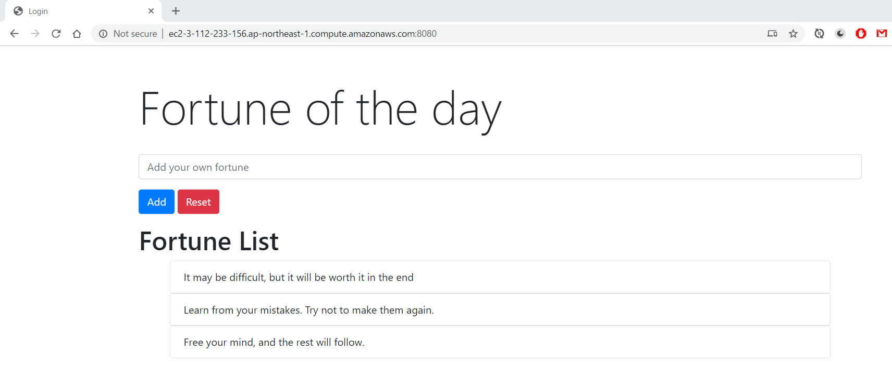

 |  |  |  | First time open app could take a little bit of time to create table and insert data
 |  |  |  | [Add] button: To add new fortune
 |  |  |  | [Reset] button: To reset app state to initialized state (the state on above image) (take some time to delete, create, insert data to DynamoDB)

 |  |  | Check DynamoDB for item CRUD
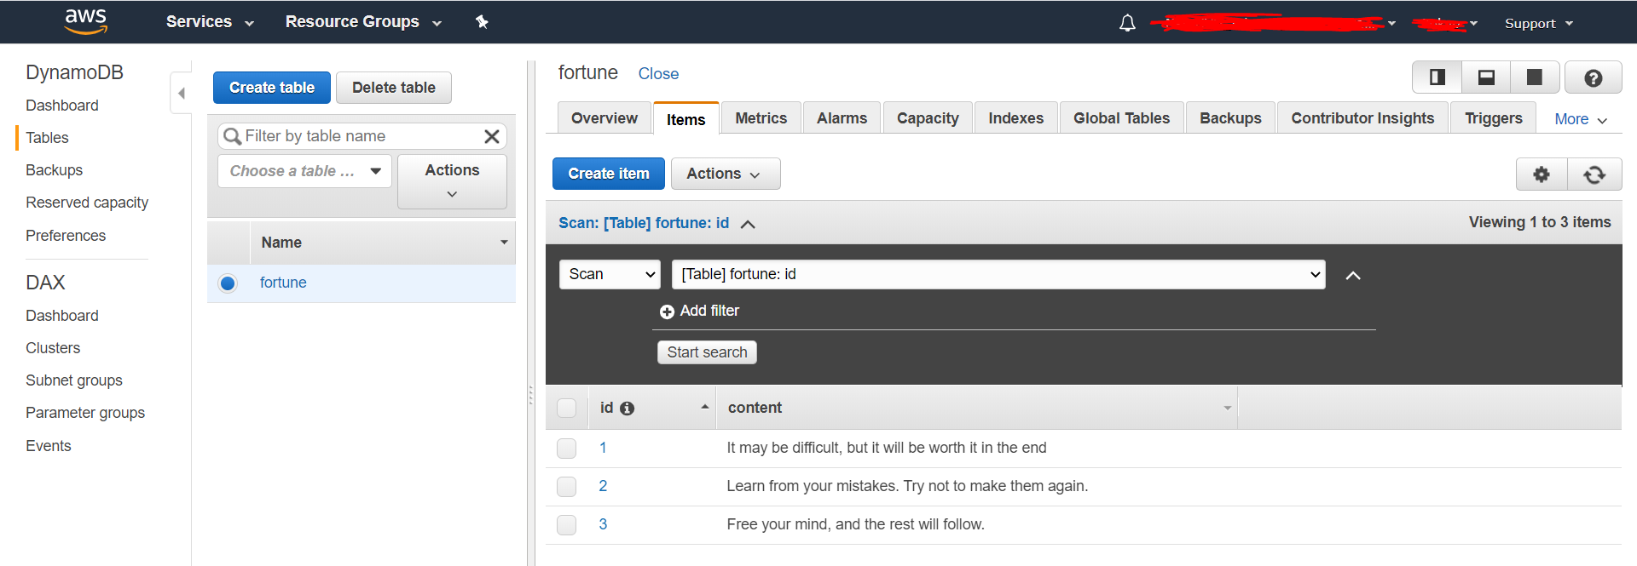

B. CloudFormation
 |  | ①．Run advanced-fortune-ec2.yml to start EC2 Instance
 |  | ②． Copy jar file to EC2 instance
 |  |  | Follow the link below (for windows user)
 |  |  |  | https://intellipaat.com/community/43019/how-to-copy-files-from-local-machine-to-my-aws-instance
 |  | ③．SSH to EC2, then run jar file
 |  |  |  | java -jar aws-0.0.1-SNAPSHOT.jar

