Admission over time
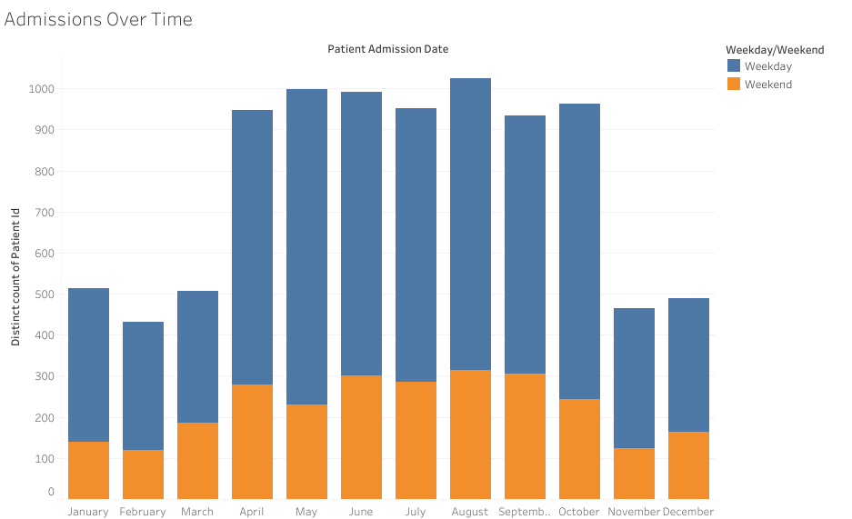
Month of Patient Admission Date | Weekday/Weekend | Distinct count of Patient Id
December | Weekend | 164
November | Weekend | 123
October | Weekend | 244
September | Weekend | 305
August | Weekend | 314
July | Weekend | 286
June | Weekend | 302
May | Weekend | 231
April | Weekend | 280
March | Weekend | 187
February | Weekend | 119
January | Weekend | 140
December | Weekday | 325
November | Weekday | 341
October | Weekday | 720
September | Weekday | 630
August | Weekday | 710
July | Weekday | 666
June | Weekday | 689
May | Weekday | 768
April | Weekday | 668
March | Weekday | 319
February | Weekday | 312
January | Weekday | 373

Wait time by dept
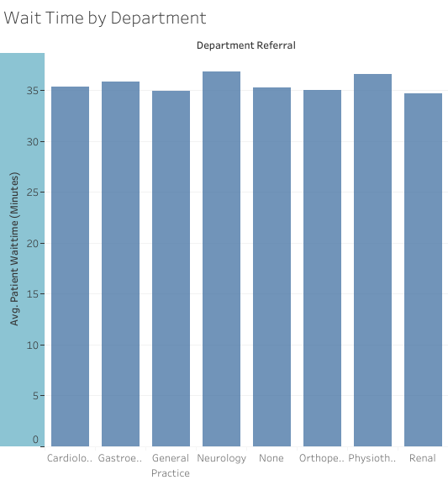
Department Referral
Cardiology | 35.355
Gastroenterology | 35.831
General Practice | 34.913
Neurology | 36.803
None | 35.293
Orthopedics | 34.983
Physiotherapy | 36.565
Renal | 34.698

Wait Time distribution
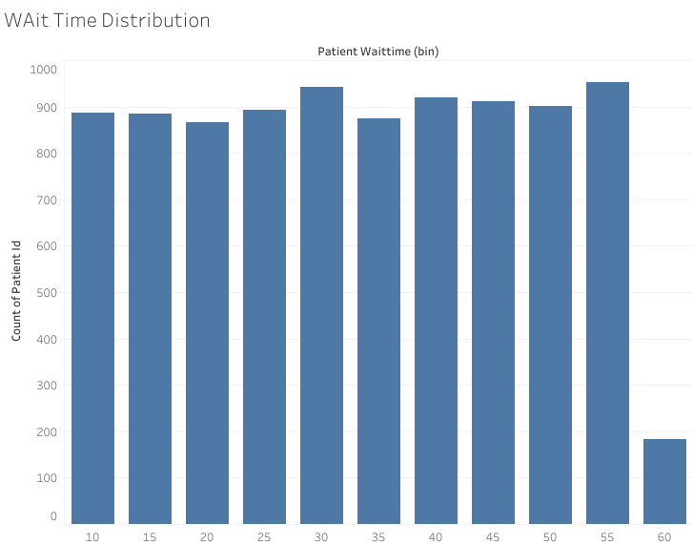
Patient Waittime (bin)
10 | 887
15 | 884
20 | 867
25 | 894
30 | 942
35 | 875
40 | 920
45 | 911
50 | 901
55 | 952
60 | 183

Sheet4
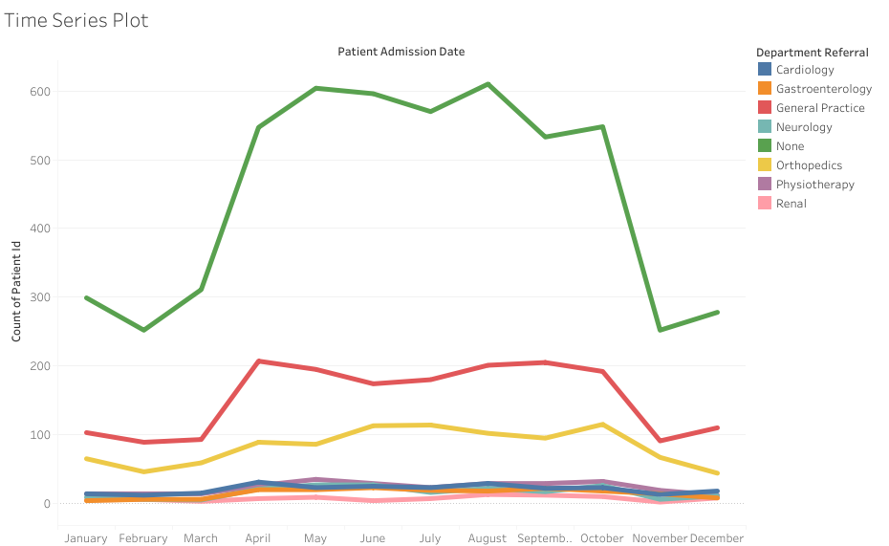
 | Patient Admission Date
Department Referral | January | February | March | April | May | June | July | August | September | October | November | December
Cardiology | 14 | 12 | 15 | 31 | 23 | 25 | 23 | 29 | 22 | 23 | 13 | 18
Gastroenterology | 4 | 6 | 6 | 20 | 20 | 23 | 19 | 18 | 22 | 18 | 14 | 8
General Practice | 103 | 89 | 93 | 207 | 195 | 174 | 180 | 201 | 205 | 192 | 91 | 110
Neurology | 9 | 6 | 5 | 21 | 27 | 27 | 16 | 22 | 17 | 26 | 6 | 11
None | 299 | 252 | 311 | 547 | 604 | 596 | 570 | 610 | 533 | 548 | 252 | 278
Orthopedics | 65 | 46 | 59 | 89 | 86 | 113 | 114 | 102 | 95 | 115 | 67 | 44
Physiotherapy | 14 | 14 | 14 | 26 | 35 | 29 | 23 | 29 | 29 | 32 | 19 | 12
Renal | 5 | 6 | 3 | 7 | 9 | 4 | 7 | 13 | 12 | 10 | 2 | 8

