Data USDFLD
 |  | ß
E_0 | 208000 | -0.01
G_0 | 80000 | -0.3
rho_0 | 7.80E-09 | -0.3 |  | FGM
 |  |  |  | Functionally Graded Material

 |  |  |  | a = b = 100 mm
 |  |  |  | t = 1 mm

 |  |  |  | z - Coordinate | E-Modulus | G-Modulus | Density

 |  |  | 1 | 0 | 208000 | 80000 | 7.80E-09
 |  |  | 2 | 10 | 188206.18295 | 3982.9654694 | 3.88E-10
 |  |  | 3 | 20 | 170295.99664 | 198.30017413 | 1.93E-11
 |  |  | 4 | 30 | 154090.1899 | 9.8727843269 | 9.63E-13
 |  |  | 5 | 40 | 139426.56958 | 0.49153698827 | 4.79E-14
 |  |  | 6 | 50 | 126158.37722 | 0.02447218564 | 2.39E-15
 |  |  | 7 | 60 | 114152.82031 | 0.0012183983796 | 1.19E-16
 |  |  | 8 | 70 | 103289.74319 | 6.0660483423E-05 | 5.91E-18
 |  |  | 9 | 80 | 93460.424536 | 3.0201076354E-06 | 2.94E-19
 |  |  | 10 | 90 | 84566.489226 | 1.5036230532E-07 | 1.47E-20
 |  |  | 11 | 100 | 76518.923764 | 7.4860983751E-09 | 7.30E-22
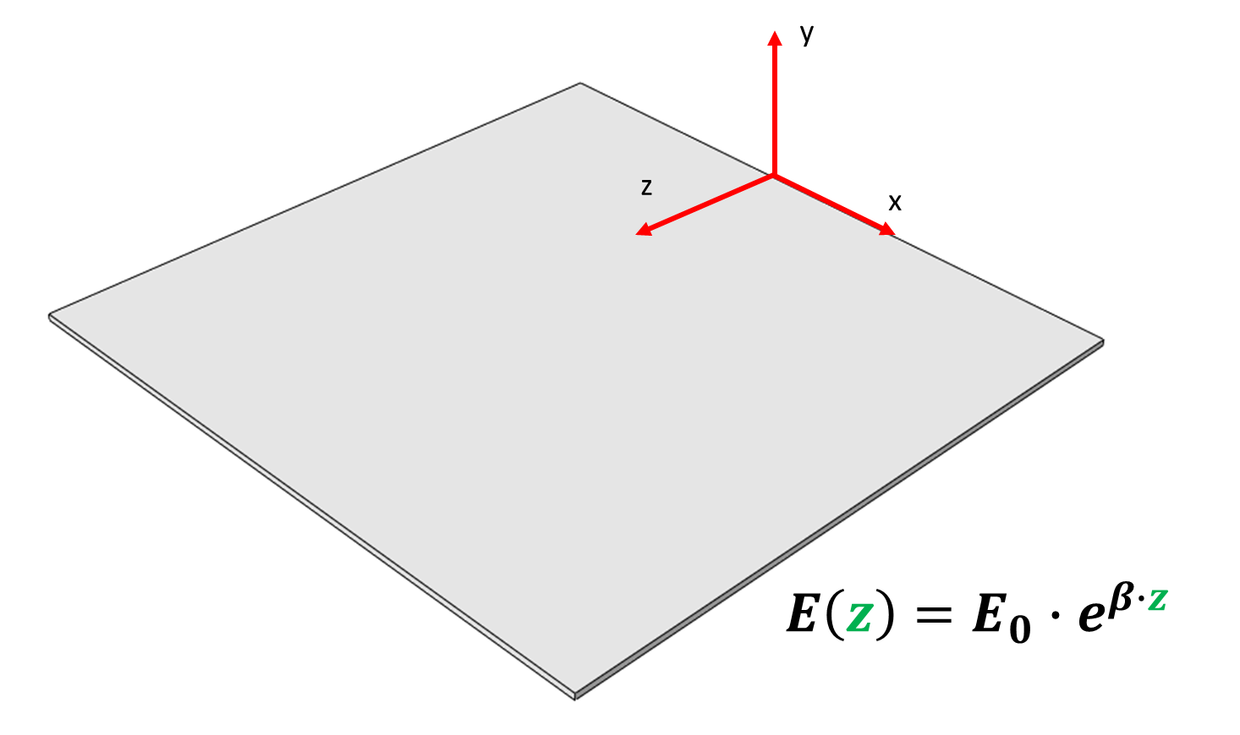
 |  |  | Extrapoliert | 33 | 149536.13655 | 4.0139745645 | 3.91E-13

