FGM - ceramic - alu - plate
Reference
https://www.scielo.br/j/lajss/a/Fwv7ddXbb8LgzDvGF6zJ5hq/?lang=en | E - Alu | 70000
 | E - Ceramic (Alumina (Al2O3)) | 380000 | Thickness coordinate [mm] |  | Youngs Modulus [MPa] | Poissons Ratio

 |  |  | 1 | 1 | 380000 | 0.3
 | Thickness | 2 | 0.9 | 0.9 | 335786.25 | 0.3
 | gradient index | 3 | 0.8 | 0.8 | 295990 | 0.3
 |  |  | 0.7 | 0.7 | 260378.75 | 0.3
 |  |  | 0.6 | 0.6 | 228720 | 0.3
 |  |  | 0.5 | 0.5 | 200781.25 | 0.3
 |  |  | 0.4 | 0.4 | 176330 | 0.3
 |  |  | 0.3 | 0.3 | 155133.75 | 0.3
 |  |  | 0.2 | 0.2 | 136960 | 0.3
 |  |  | 0.1 | 0.1 | 121576.25 | 0.3
 |  |  | 0 | 0 | 108750 | 0.3
 |  |  | -0.1 | -0.1 | 98248.75 | 0.3
 |  |  | -0.2 | -0.2 | 89840 | 0.3
 |  |  | -0.3 | -0.3 | 83291.25 | 0.3
 |  |  | -0.4 | -0.4 | 78370 | 0.3
 |  |  | -0.5 | -0.5 | 74843.75 | 0.3
 |  |  | -0.6 | -0.6 | 72480 | 0.3
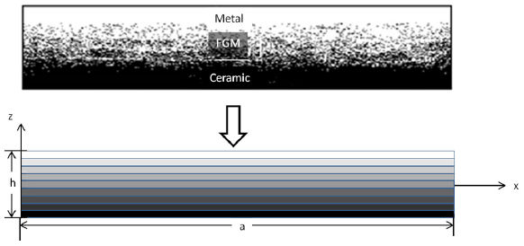
 |  |  | -0.7 | -0.7 | 71046.25 | 0.3
 |  |  | -0.8 | -0.8 | 70310 | 0.3
 |  |  | -0.9 | -0.9 | 70038.75 | 0.3
 |  |  | -1 | -1 | 70000 | 0.3

