Lembar2
 |  |  | https://towardsdatascience.com/machine-learning-workflow-on-diabetes-data-part-01-573864fcc6b8
ttribute number: | Mean: | Standard Deviation:
1. 3.8 3.4
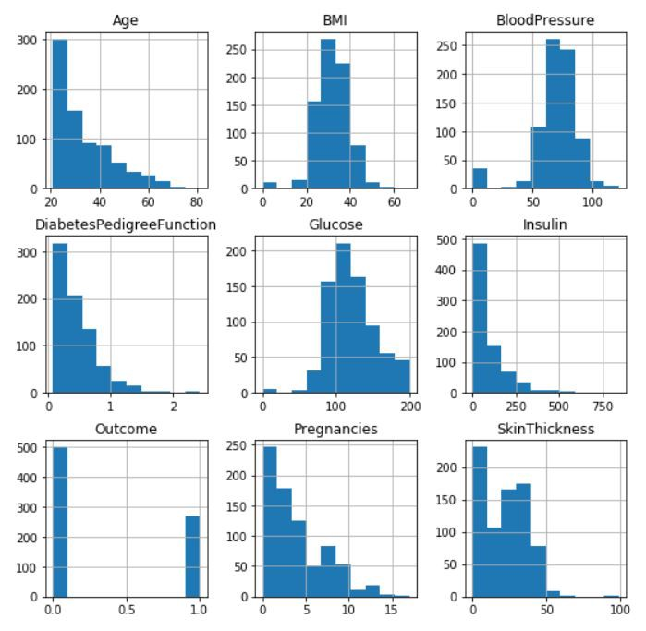
2. 120.9 32.0
3. 69.1 19.4
4. 20.5 16.0
5. 79.8 115.2
6. 32.0 7.9
7. 0.5 0.3
8. 33.2 11.8

