Cache
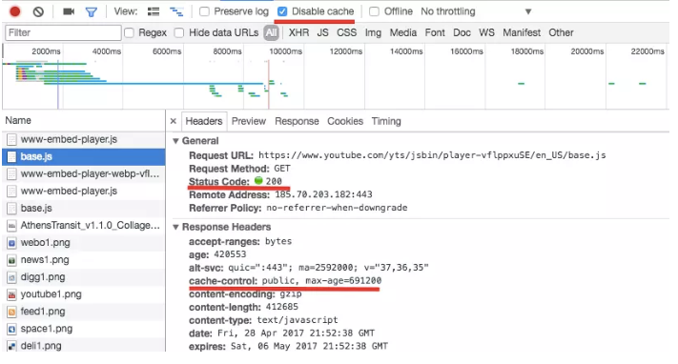
References links:
 | Compared | https://viblo.asia/p/local-storage-session-storage-va-cookie-ORNZqN3bl0n

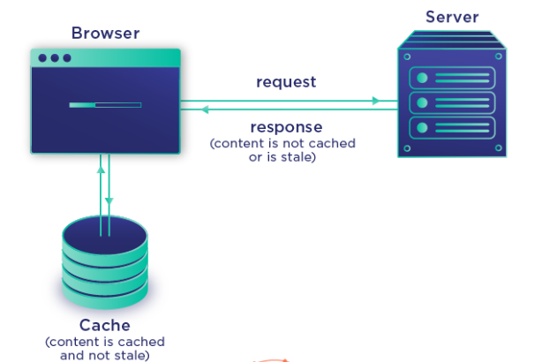

Definition
 | The browser cache is a small database of files containing downloaded website resources, such as images, videos, CSS, Javascript, etc.
 | Browser caching is a mechanism used by browsers to cache web page resources locally.
 | This increases performance and reduces bandwidth consumption.

Cookie
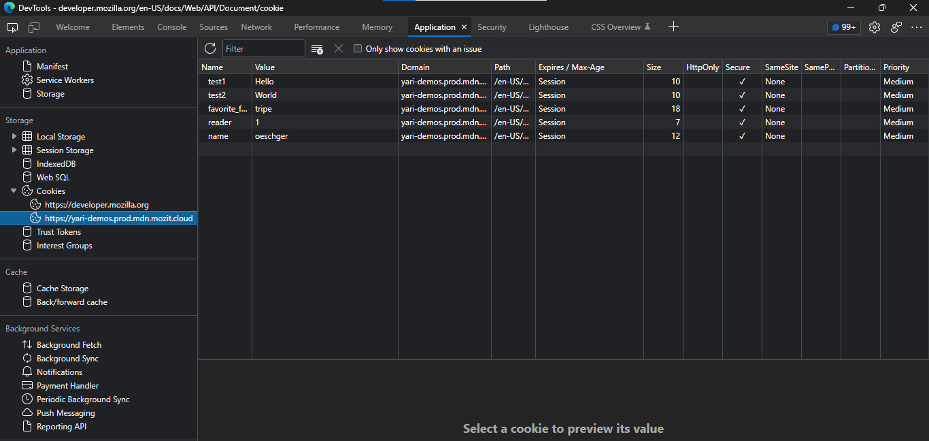
References link:
 | Cookie(VN) | https://viblo.asia/p/cookie-trong-javascript-m68Z0VP95kG
 |  | Cookie trong JavaScript (viblo.asia)
 | Use | Document.cookie - Web APIs | MDN (mozilla.org)
 | Different | Sự khác biệt giữa localStorage, sessionStorage và cookie (viblo.asia)

Diagram
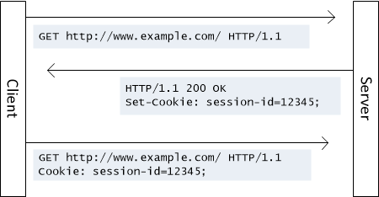

Definition
 | Cookies are data, stored in small text files, on your computer.
 | When a web server has sent a web page to a browser, the connection is shut down, and the server forgets everything about the user.
 | Cookies were invented to solve the problem "how to remember information about the user":
 |  | When a user visits a web page, his/her name can be stored in a cookie.
 |  | Next time the user visits the page, the cookie "remembers" his/her name
 | By default, the cookie is deleted when the browser is closed.
 | Cookies will store the user's information on the pages of the website
 | Browsers and Web Server use HTTP protocol to communicate and HTTP is Stateless Protocol (does not save Client state on Server).
 | But for a commercial Website, it is required to maintain session information in different pages.
 | For example, a user registration ends after completing registration in multiple sites. But what is the way to persist user session information along all pages.
 | Cookies make your online experience easier and faster by saving browsing information. You do not need to provide information again every time you visit the website.
 | The recorded user's web access information will also help businesses optimize their Website and services.
 | Cookies are mainly for server side reading (can also be read on client side), localStorage and sessionStorage can only be read on client side.
 | Has a time: Each cookie usually has a certain timeout predefined by the programmer
 | Storage: allows storing up to 4KB and several dozen cookies for a domain.

Variable
 | 1. Expires − The date the cookie will expire. If it is left blank, the cookie will expire when the visitor exits the browser.
 | 2. Domain − The domain name of the user site.
 | 3. Path − The path to the directory or website where the cookie is set. It can be blank if you want to obtain cookies from any directory or page.
 | 4. Secure − If this field contains the word “secure”, then the cookie can only be obtained with a secure Server. If this field is empty, there is no limit.
 | 5. Name=Value − Cookies are set and obtained in the form of key-value pairs (key-value)

LocalStorage
Definition
 | With web storage, web applications can store data locally within the user's browser.
 | Unlike cookies, the storage limit is far larger (at least 5MB) and information is never transferred to the server.
 | HTML web storage provides two objects for storing data on the client:
 |  | window.localStorage - stores data with no expiration date
 |  | window.sessionStorage - stores data for one session (data is lost when the browser tab is closed)
 | The localStorage object stores the data with no expiration date. The data will not be deleted when the browser is closed, and will be available the next day, week, or year.
 | It's basically like a table in Excel, but with only two fields: key and value. Some examples using localStorage as some user preferences: languages, themes, selected product categories, custom skins, dashboards, layouts, etc.

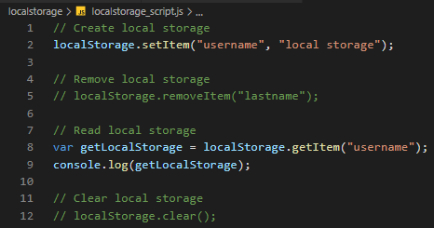
 |  |  | There is a lot of value in a web application that should be stored in LocalStorage instead of SessionStorage.

 |  |  | However, you should note that LocalStorage is not secure. You can easily save data, get it and edit it from LocalStorage.

 |  |  | Also, the weakness of LocalStorage is that it only stores a single String. Complex data types are not suitable for storing in LocalStorage.

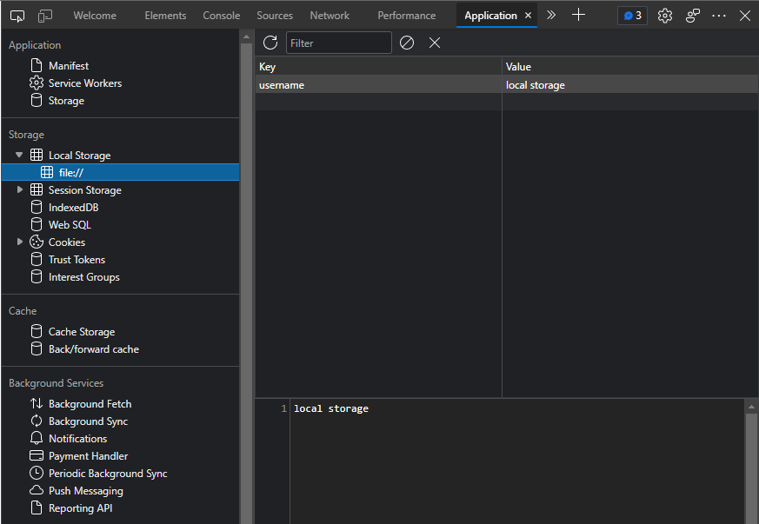

References link:
 | Different | Sự khác biệt giữa localStorage, sessionStorage và cookie (viblo.asia)

SessionStorage
Definition
 | The sessionStorage object is equal to the localStorage object, except that it stores the data for only one session. The data is deleted when the user closes the specific browser tab.
 | Store on Client: Like localStorage, sessionStorage is also used to store data on the visitor's browser (client).
 | Data loss when closing tabs: SessionStorage data will be lost when you close the browser

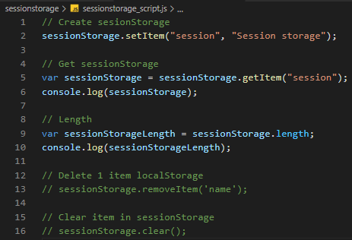
 |  | Allows storing a lot of data (about 10MB).

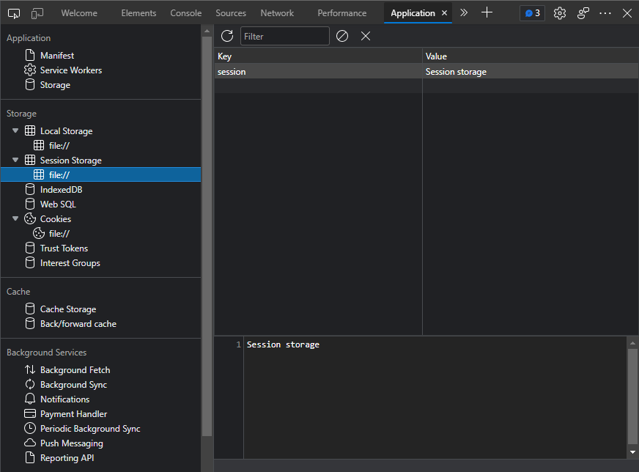

Different
 | When the tab is closed or the browser is closed, the data in localStorage still exists, and is only lost when the user clears the cache or clears the web data.
 | As for sessionStorage, data will be lost as soon as the tab is closed or the browser is closed.

References link:
 | https://viblo.asia/p/su-khac-biet-giua-localstorage-sessionstorage-va-cookie-m68Z0Q7jlkG

