Markdown
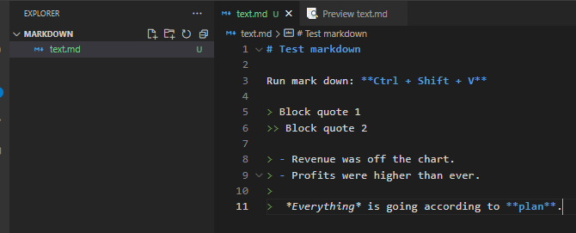
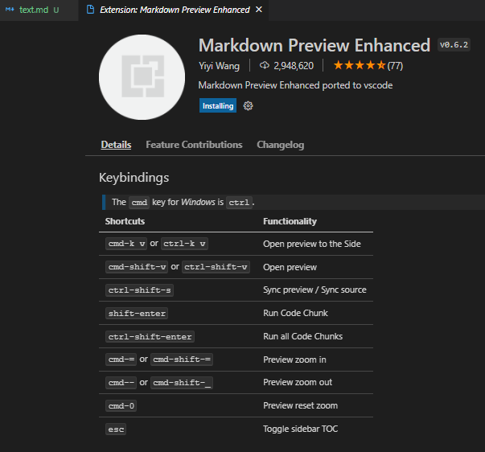
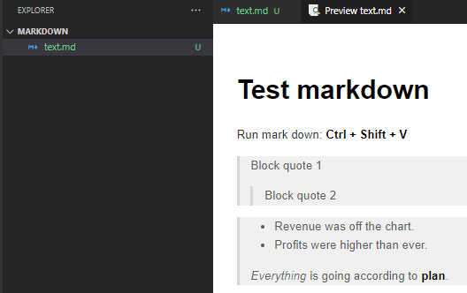
References links:
 | Home page | https://www.markdownguide.org/getting-started/
 | Use | Basic Syntax | Markdown Guide

Definition
 | Markdown is a lightweight markup language that you can use to add formatting elements to plaintext text documents.
 | Markdown is now one of the world’s most popular markup languages.

Extensions

