API Gateway
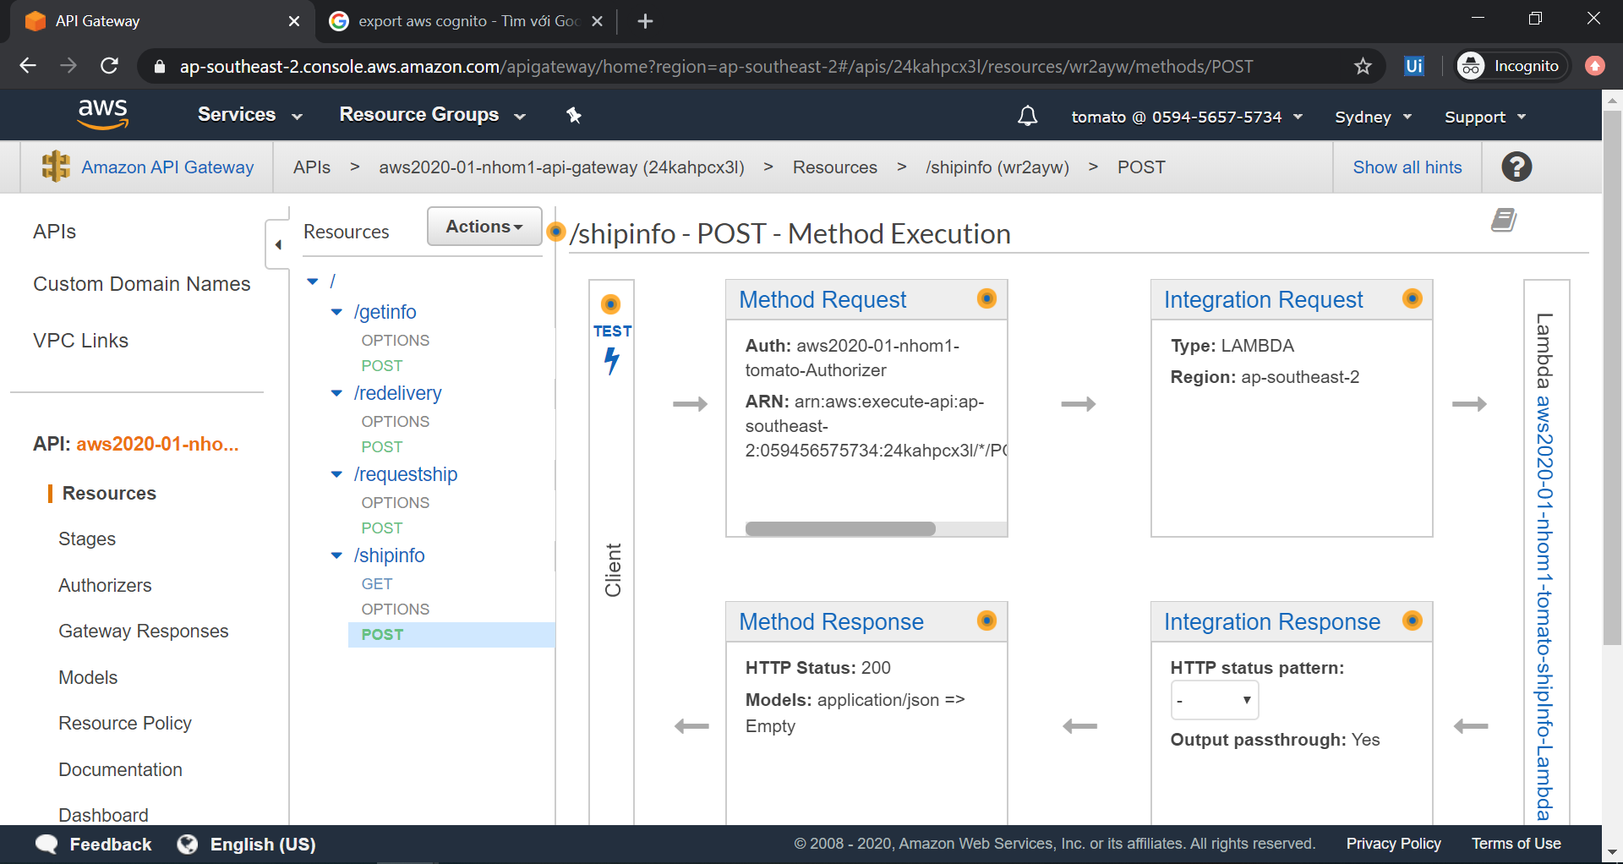

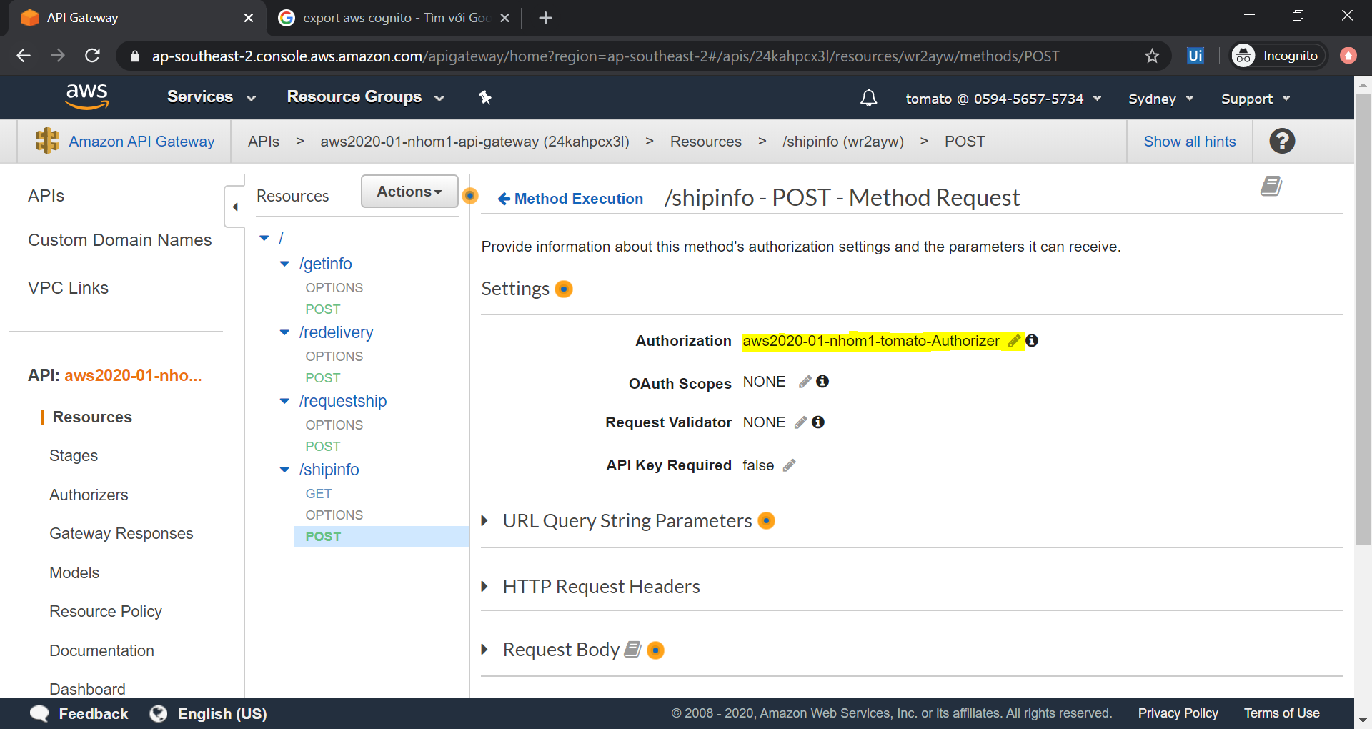

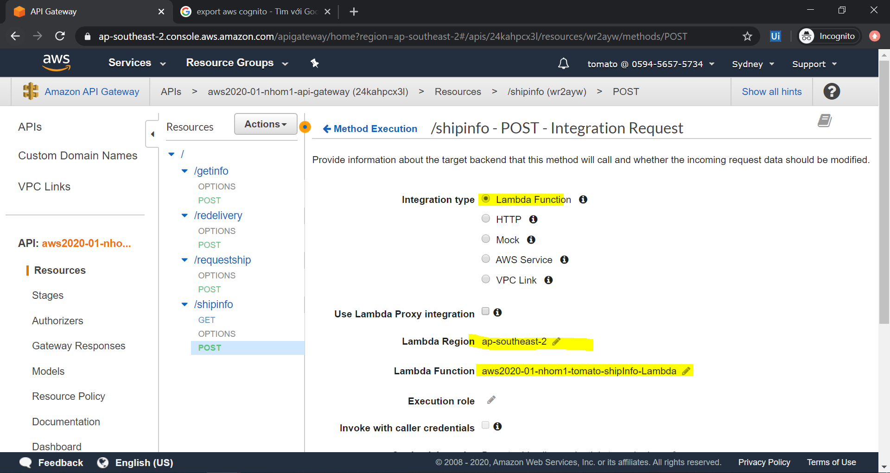

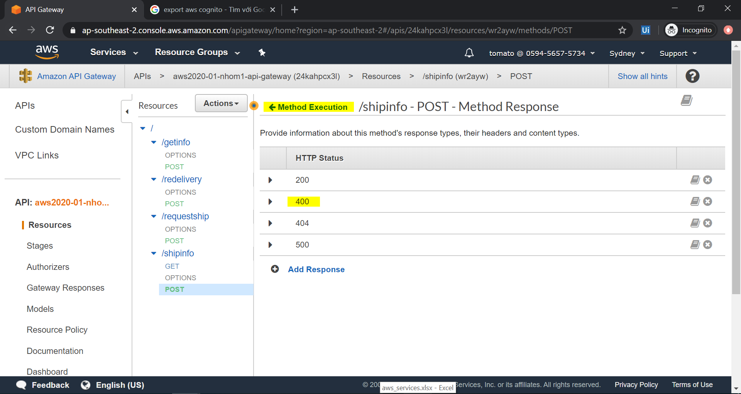

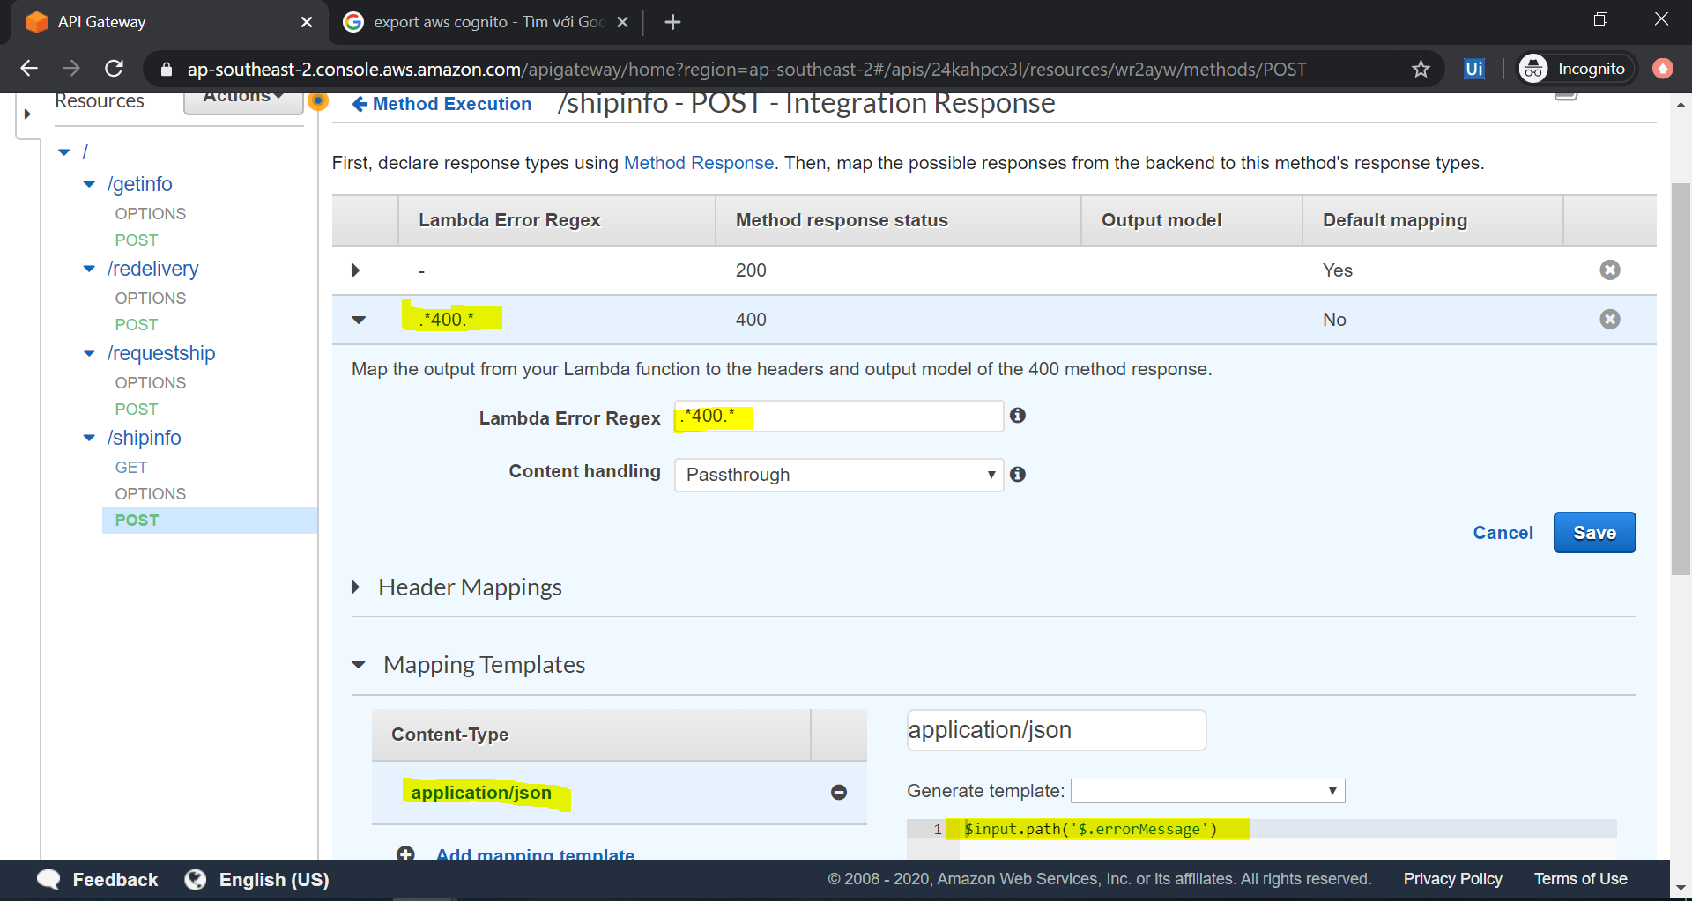

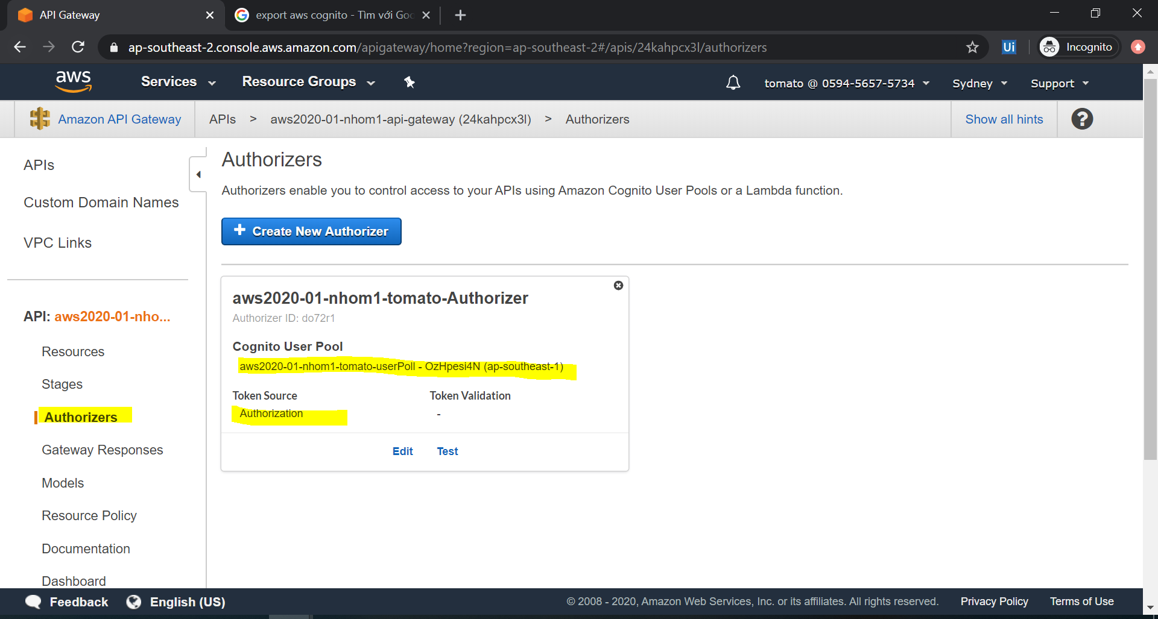

DynamoDB
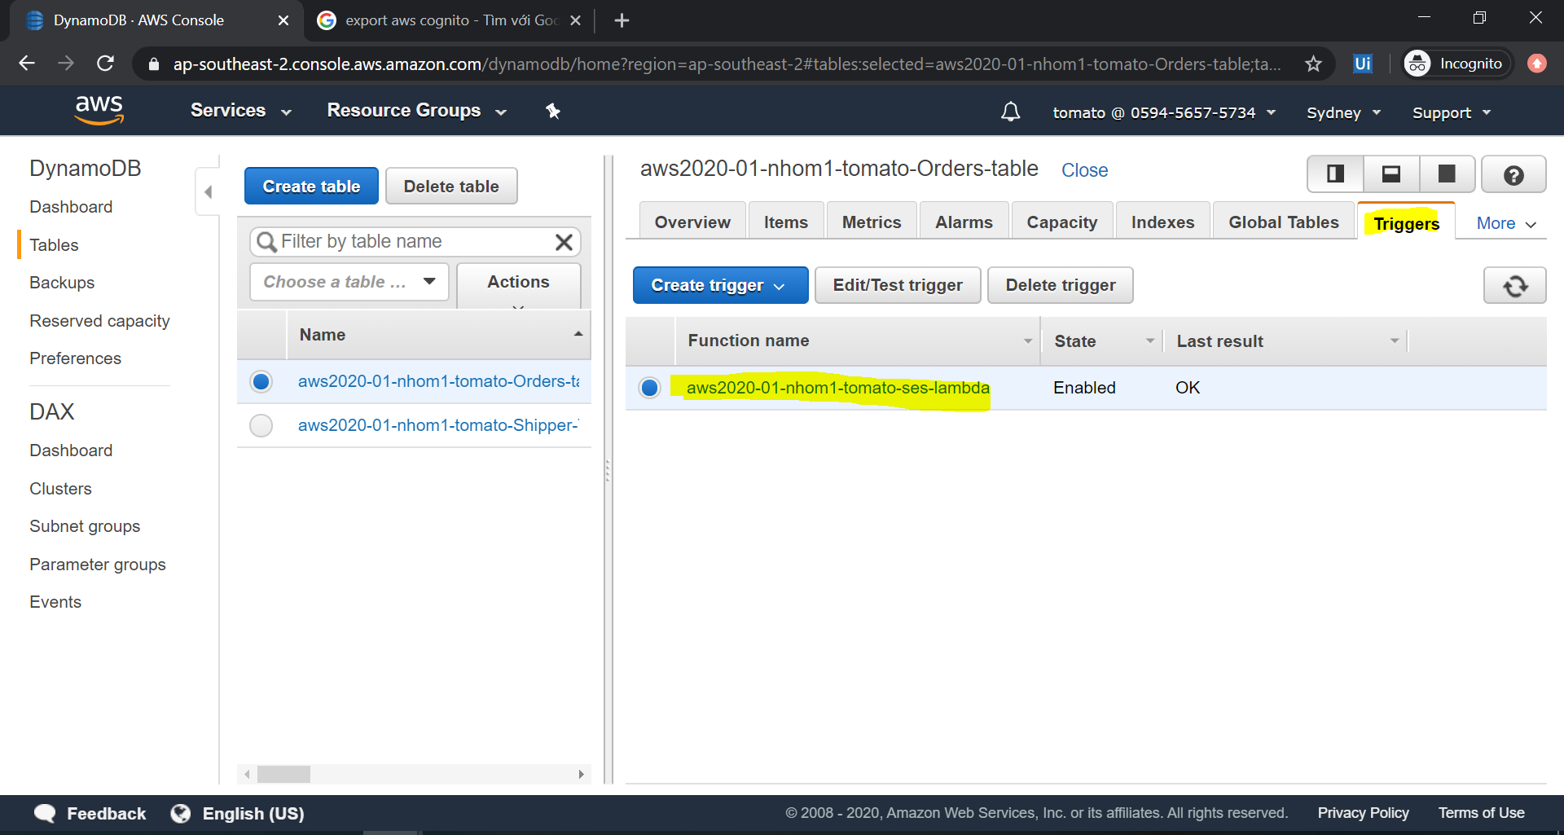

{
"CustomerEmail": "aws202001.group1.customer@gmail.com",
"CustomerPhone": "0987654321",
"DeliveryAddress": "471-0034 Aichi Nagoya Toyotashi",
"DeliveryDateTime": "2020-06-07T15:00",
"DeliveryStatus": "return",
"OrderID": "1935315e-a65f-11ea-aa6d-fde57435f121",
"PickItemAddress": "471-0034 Aichi Nagoya Toyotashi",
"PickItemDateTime": "2020-05-29T23:06",
"ShipperID": "192f19b4-a65f-11ea-b579-fde57435f121",
"ShopEmail": "aws202001.group1.shop@gmail.com"
}

{
"Email": "aws202001.group1.shipper@gmail.com",
"Phone": "090xxxxxxxx",
"ShipperID": "192f19b4-a65f-11ea-b579-fde57435f121",
"ShipperStatus": "0"
}

SES
