Login
Project Name | XÂY DỰNG WEBSITE ĐẶT LỊCH KHÁM BỆNH – BOOKING CARE
Module Code | Login
 | Complete | Bug | Untested | Blocked | Total number of test cases
Round 1 | 6 | 1 | 0 | 0 | 7
Round 2 | 6 | 1 | 0 | 0 | 7
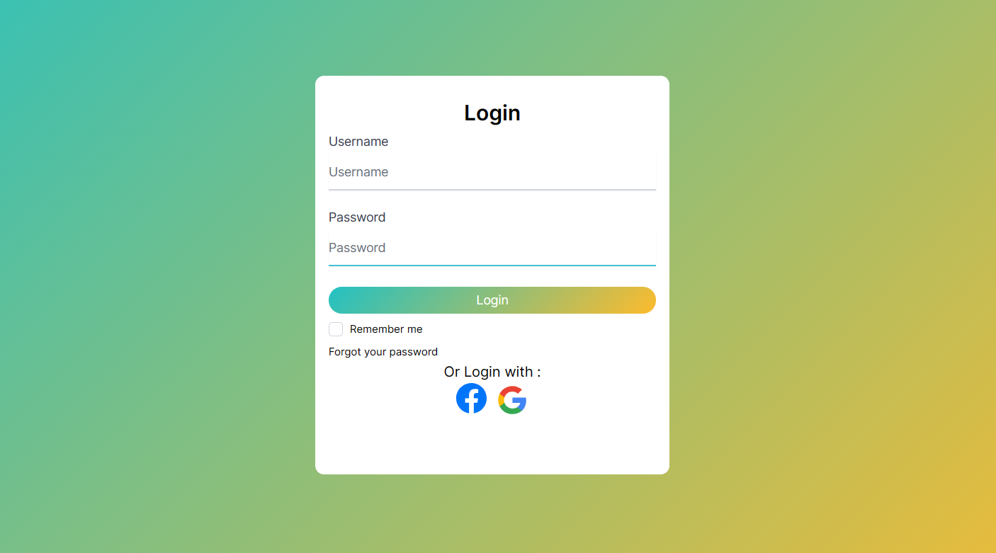
Test Case ID | Test summary | Test steps | Test precondition | Expected result | Actual result | Result |  |  | Result |  |  | Notes
 |  |  |  |  |  | Round 1 |  |  | Round 2
 |  |  |  |  |  | Status | Date of Inspection | Tester | Status | Date of Inspection | Tester
FUNCTION_SHOW Login
FUNC-LN01 | Verify the sign-in page that's showing | 1. Launch the homepage. 2. Tap the login icon. 3 . Show the sign-in page. | Access to the system | Display the sign-in page. | Display the sign-in page. | Passed | 2023-10-13 | Hoàn | Passed | 2023-10-19 | Hoàn
FUNC-LN02 | Successful login to the admin page. | 1. Enter user name: truong1@gmail.com.2. Enter password: 12345678. 3.Click the "Login" button. | Access to the system | Successful login message, then display the Admin page. | Successful login message, then display the Admin page. | Passed | 2023-10-13 | Hoàn | Passed | 2023-10-19 | Hoàn
FUNC-LN03 | Login failed while entering the incorrect username or password. | 1. Enter User name: abcd@gmail.com 2.Enter password: 11111111 3. Click the "Login" button. | Access to the system | System Error Message: "Incorrect Email or password, please check again". | System Error Message: "Incorrect Email or password, please check again". | Passed | 2023-10-13 | Hoàn | Passed | 2023-10-19 | Hoàn
FUNC-LN04 | Leave "Password" blank. | 1 . Enter use name: truong1@gmail.com 2. Do not put any data in the "Password" field. 3. Click "Login". | Access to the system | System Error Message: "Password is required". | System Error Message: "Password is required". | Passed | 2023-10-13 | Hoàn | Passed | 2023-10-19 | Hoàn
FUNC-LN05 | Leave "Username" blank. | 1 . Do not enter a use name 2. Enter password: 12345678. 3. Click "Login". | Access to the system | System Error Message: "Email is required". | System Error Message: "Email is required". | Passed | 2023-10-13 | Hoàn | Passed | 2023-10-19 | Hoàn
FUNC-LN06 | Leaving all data fields blank. | 1 . Do not enter the "Usename" field data 2. Do not enter the "Password" field data. 3. Click the "Login" button. | Access to the system | System Error Message: "user name/ password is required". | System Error Message: "user name/ password is required". | Passed | 2023-10-13 | Hoàn | Passed | 2023-10-19 | Hoàn
FUNC-LN07 | Click "Remember Me" to preserve your login information. | 1. Enter user name: truong1@gmail.com.2. Enter password: 12345678. 3.Click the "Login" button 4. Login successfully then select "Sign out". | Access to the system | The next time you log in, you will go immediately to the management page without having to sign in. | Select "Remember me" but the system does not save the account | Failed | 2023-10-13 | Hoàn | Failed | 2023-10-19 | Hoàn

Forgot password
Project Name | XÂY DỰNG WEBSITE ĐẶT LỊCH KHÁM BỆNH – BOOKING CARE
Module Code | Forgot password
 | Complete | Bug | Untested | Blocked | Total number of test cases
Round 1 | 6 | 0 | 0 | 0 | 6
Round 2 | 6 | 0 | 0 | 0 | 6

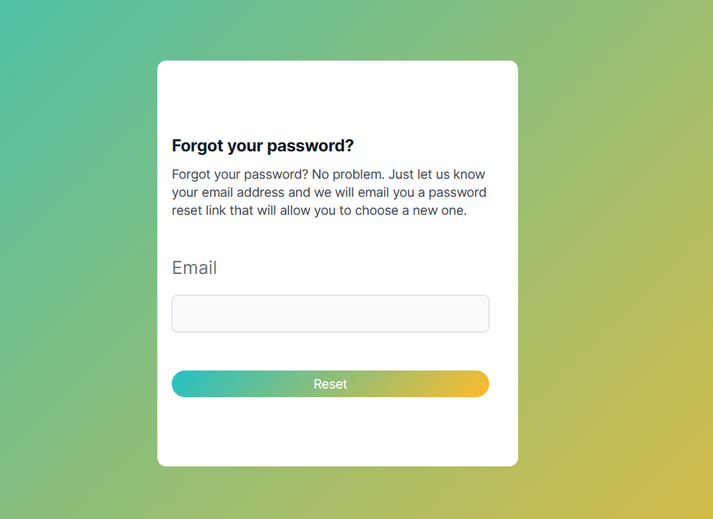

Test Case ID | Test summary | Test steps | Test precondition | Expected result | Actual result | Result |  |  | Result |  |  | Notes
 |  |  |  |  |  | Round 1 |  |  | Round 2
 |  |  |  |  |  | Status | Date of Inspection | Tester | Status | Date of Inspection | Tester
FUNCTION_SHOW Forgot password
FUNC-FP01 | Validate the Forgot Display Password page | 1. Launch the website 2. Show the homepage 3. Select Sign in 4. Select Forgot your password | Access to the system | The display of the forgotten password page includes: Field: "Email" Button: "Reset" | The display of the forgotten password page includes: Field: "Email" Button: "Reset" | Passed | 2023-10-13 | Hoàn | Passed | 2023-10-19 | Hoàn
FUNC-FP02 | Leave the email field blank | 1. Launch the website. 2. Display the homepage. 3.Select login 4.Choose Forgot your password 5.Leave the email field blank then click Reset | Access to the system | Display the message "Email is required", which must be supplied in a valid email. | Display the message "Email is required", which must be supplied in a valid email. | Passed | 2023-10-13 | Hoàn | Passed | 2023-10-20 | Hoàn
FUNC-FP03 | Enter an email in the wrong format | 1. Launch the website. 2. Display the homepage. 3.Select login 4.Choose Forgot your password 5.Type email without @ and then click Reset | Access to the system | Display the message "Please enter a valid email format"; you must re-type the email. | Display the message "Please enter a valid email format"; you must re-type the email. | Passed | 2023-10-13 | Hoàn | Passed | 2023-10-21 | Hoàn
FUNC-FP04 | Enter an email in the wrong format | 1. Launch the website. 2. Display the homepage. 3.Select login 4.Choose Forgot your password 5.Enter your all-numeric email "1234" and click Reset | Access to the system | Display the message "Please enter a valid email format"; you must re-type the email. | Display the message "Please enter a valid email format"; you must re-type the email. | Passed | 2023-10-13 | Hoàn | Passed | 2023-10-22 | Hoàn
FUNC-FP05 | Enter an email in the wrong format | 1. Launch the site. 2. Display the homepage. 3.Select login 4.Choose Forgot your password 5.Type an email with the special character "%$#" and click Reset | Access to the system | Display the message "Please enter a valid email format"; you must re-type the email. | Display the message "Please enter a valid email format"; you must re-type the email. | Passed | 2023-10-13 | Hoàn | Passed | 2023-10-23 | Hoàn
FUNC-FP06 | Enter the correct email format | 1. Launch the website. 2. Display the homepage. 3.Select login 4.Choose Forgot your password 5.Enter the correct Email and click Reset | Access to the system | The system will send 1 email with a link to change the password to the Email just filled in | The system will send 1 email with a link to change the password to the Email just filled in | Passed | 2023-10-13 | Hoàn | Passed | 2023-10-24 | Hoàn

Profile
Project Name | XÂY DỰNG WEBSITE ĐẶT LỊCH KHÁM BỆNH – BOOKING CARE
Module Code | Profile
 | Complete | Bug | Untested | Blocked | Total number of test cases
Round 1 | 4 | 3 | 0 | 0 | 7
Round 2 | 4 | 3 | 0 | 0 | 7
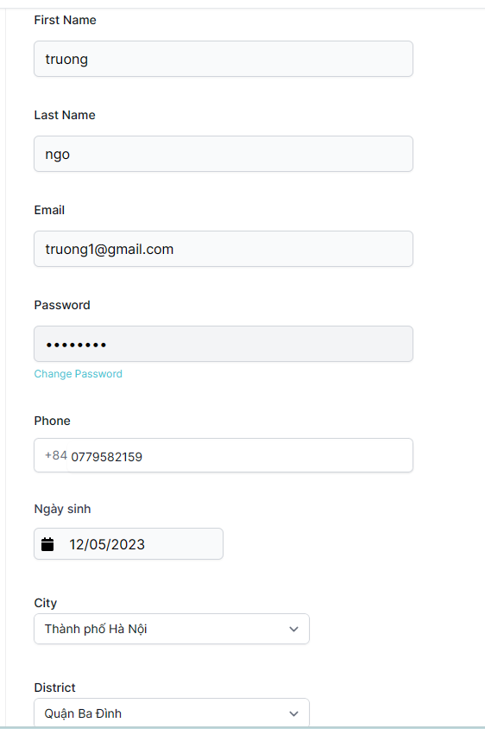
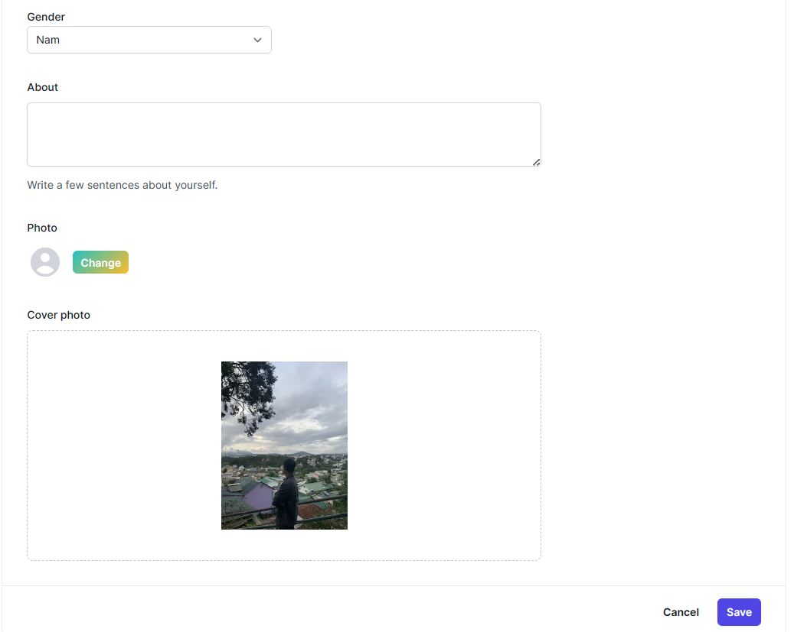

Test Case ID | Test summary | Test steps | Test precondition | Expected result | Actual result | Result |  |  | Result |  |  | Notes
 |  |  |  |  |  | Round 1 |  |  | Round 2
 |  |  |  |  |  | Status | Date of Inspection | Tester | Status | Date of Inspection | Tester
FUNCTION_SHOW Profile
FUNC-PF01 | Validate the profile that is displaying | 1. Launch the website 2. Show the homepage 3. Select Sign in 4. Enter Username and Password 5. Go to the Profile section | Successful login to the system | Displays profiles that include: - Field "FirstName" - Field "LastName" - Field "Email" - Field "Password" - Field "Phone" - Field "Ngày sinh" - Field "City" - Field "District" - Field "Gender" - Field "About" - Functional fields include: +Button :"Change" +Button: "Change Password" +Button: "Save" +Button "Cancel" | Displays profiles that include: - Field "FirstName" - Field "LastName" - Field "Email" - Field "Password" - Field "Phone" - Field "Ngày sinh" - Field "City" - Field "District" - Field "Gender" - Field "About" - Functional fields include: +Button :"Change" +Button: "Change Password" +Button: "Save" +Button "Cancel" | Passed | 2023-10-14 | Hoàn | Passed | 2023-10-19 | Hoàn
FUNC-PF02 | Check the change password button | 1. Launch the website 2. Show the homepage 3. Select Sign in 4. Enter Usernam and Password 5. Go to the Profile section 6. Select "Change Password" | Successful login to the system | The system goes to the password change page including: - Field "Old password" - Field "New password" - Field "Confirm password" | The system goes to the password change page including: - Field "Old password" - Field "New password" - Field "Confirm password" | Passed | 2023-10-14 | Hoàn | Passed | 2023-10-19 | Hoàn
FUNC-PF03 | Check the save button | 1. Launch the website 2. Show the homepage 3. Select Sign in 4. Enter Usernam and Password 5. Go to the Profile section 6. Enter the information you want to change 7. Press the "Save" button | Successful login to the system | Display the "Please confirm your password" section. After entering the right password and selecting the "Confirm" button, the system will save the correct information. | Display the "Please confirm your password" section After entering the correct password, press the "Confirm" button but do not save the modified information. | Failed | 2023-10-14 | Hoàn | Failed | 2023-10-19 | Hoàn
FUNC-PF04 | Check cancellation of information changes | 1. Launch the website 2. Show the homepage 3. Select Sign in 4. Enter Usernam and Password 5. Go to the Profile section 6. Enter the information you want to change 7. Press the "Save" button | Successful login to the system | Display the "Please confirm your password" section. After entering the right password and selecting the "Cancel" button, the system will cancel saving the updated information. | Display the "Please confirm your password" section. After entering the right password and selecting the "Cancel" button, the system will cancel saving the updated information. | Passed | 2023-10-14 | Hoàn | Passed | 2023-10-19 | Hoàn
FUNC-PF05 | Check the change profile picture button | 1. Launch the website 2. Show the homepage 3. Select Sign in 4. Enter Usernam and Password 5. Go to the Profile section 6. Select "Change" 7. Select stock photos on your computer to change | Successful login to the system | Display the "Please confirm your password" section. After entering the right password and clicking the "Confirm" button, the system will modify the profile image you just picked. | Display the "Please confirm your password" section After entering the correct password and pressing the "Confirm" button, but the system does not change the profile picture just selected | Failed | 2023-10-14 | Hoàn | Failed | 2023-10-19 | Hoàn
FUNC-PF06 | Check Email field formatting | 1. Launch the website 2. Show the homepage 3. Select Sign in 4. Enter Usernam and Password 5. Go to the Profile section 6. Enter the wrong format of the Email field 7. Press the "Save" button | Successful login to the system | Notification system: please refill Email | After pressing the Save button, the system automatically jumps on the Email field | Failed | 2023-10-14 | Hoàn | Failed | 2023-10-19 | Hoàn
FUNC-PF07 | Check Phone field format | 1. Launch the website 2. Show the homepage 3. Select Sign in 4. Enter Usernam and Password 5. Go to the Profile section 6. Enter the wrong format of the Phone field | Successful login to the system | Notification system: "The phone number must be in the correct format" | Notification system: "The phone number must be in the correct format" | Passed | 2023-10-14 | Hoàn | Passed | 2023-10-19 | Hoàn

Account management
Project Name | Website đặt lịch khám bệnh
Module Code | Account management
 | Complete | Bug | Untested | Blocked | Total number of test cases
Round 1 | 6 | 1 | 0 | 0 | 7
Round 2 | 6 | 1 | 0 | 0 | 7
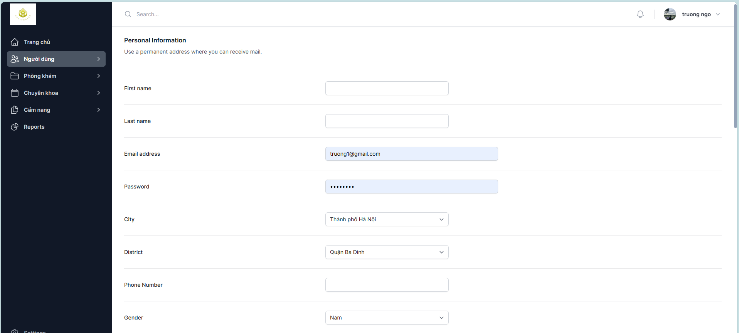
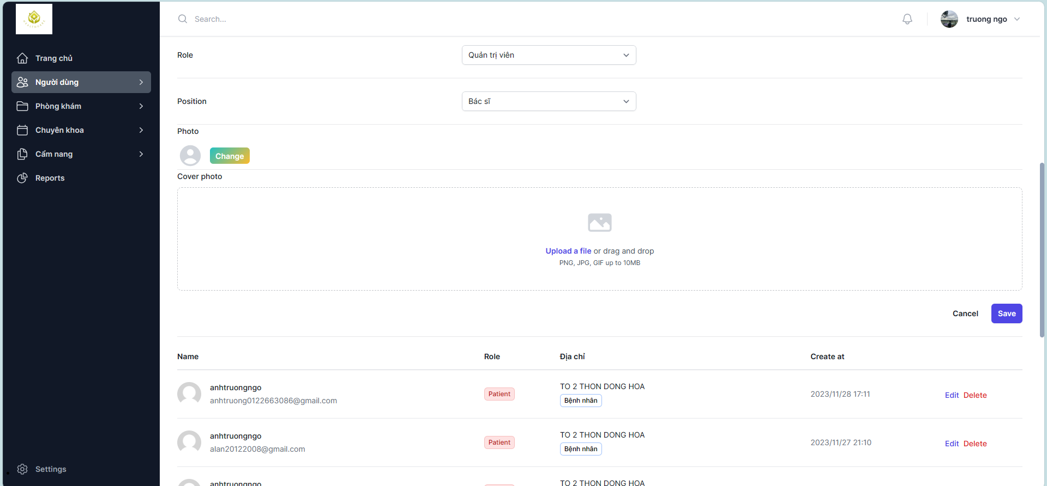

Test Case ID | Test summary | Test steps | Test precondition | Expected result | Actual result | Result |  |  | Result |  |  | Notes
 |  |  |  |  |  | Round 1 |  |  | Round 2
 |  |  |  |  |  | Status | Date of Inspection | Tester | Status | Date of Inspection | Tester
FUNCTION_SHOW Account management
FUNC-AM01 | Check the account management page that is shown. | 1. Launch the website 2. Show the homepage 3. Select Sign in 4. Enter Username and Password 5. Go to Users -> Account Management | Successful login to the system | The account management page that includes: - Field "First Name" - Field "Last Name" - Field "Email address" - Field "Password" - Field "City" - Field "District" - Field "Phone Number" - Field "Gender" - Field "Role" - Field "Position" - Functional fields include: +Button :"Change" +Button: "Save" +Button: "Cancel" +Button: "Edit" +Button: "Delete" | The account management page that includes: - Field "First Name" - Field "Last Name" - Field "Email address" - Field "Password" - Field "City" - Field "District" - Field "Phone Number" - Field "Gender" - Field "Role" - Field "Position" - Functional fields include: +Button :"Change" +Button: "Save" +Button: "Cancel" +Button: "Edit" +Button: "Delete" | Passed | 2023-10-14 | Hoàn | Passed | 2023-10-19 | Hoàn
FUNC-AM02 | Update the information of any account successfully | 1. Launch the website 2. Show the homepage 3. Select Sign in 4. Enter Username and Password 5. Go to Users -> Account Management 6.Click the "Edit" button of any account 7.After fixing, click the "Save" button | Successful login to the system | Notification system: "User information updated successfully" | Notification system: "User information updated successfully" | Passed | 2023-10-14 | Hoàn | Passed | 2023-10-19 | Hoàn
FUNC-AM03 | Unupdate information | 1. Launch the website 2. Show the homepage 3. Select Sign in 4. Enter Username and Password 5. Go to Users -> Account Management 6.Click the "Edit" button of any account 7.After the correction is complete, press the "Cancel" Button | Successful login to the system | The system don't save the information you just edited | The system don't save the information you just edited | Passed | 2023-10-14 | Hoàn | Passed | 2023-10-19 | Hoàn
FUNC-AM04 | Xóa tài khoản khỏi hệ thống | 1. Khởi động trang web 2. Hiển thị trang chủ 3. Chọn đăng nhập 4. Nhập Username và Password 5. Vào Người dùng -> Quản lý tài khoản 6.Nhấn vào button "Delete" của tài khoản bất kì | Successful login to the system | Hệ thống thông báo:“The account has been successfully deleted" | Hệ thống thông báo:“The account has been successfully deleted" | Passed | 2023-10-14 | Hoàn | Passed | 2023-10-19 | Hoàn
FUNC-AM05 | Check the data format entered | 1. Launch the website 2.Show the homepage 3. Select Sign in 4. Enter Username and Password 5. Tap on "Users -> Manage Account" 6.Click the "Edit" button 7.After repairing, press Button "Save" | Successful login to the system | If there is wrong formatting, the system notifies "You entered the wrong request" and has to correct it before the information can be saved. | If there is wrong formatting, the system notifies "You entered the wrong request" and has to correct it before the information can be saved. | Passed | 2023-10-14 | Hoàn | Passed | 2023-10-19 | Hoàn
FUNC-AM06 | Add a new account | 1. Launch the website 2.Show the homepage 3. Select Sign in 4. Enter Username and Password 5. Tap on "Users -> Manage Account" 6.Enter account information 7.After entering, click the "Save" Button | Successful login to the system | Notification system: "New user created successfully" | Notification system: "New user created successfully" | Passed | 2023-10-14 | Hoàn | Passed | 2023-10-19 | Hoàn
FUNC-AM07 | Cancel adding a new account | 1. Launch the website 2.Show the homepage 3. Select Sign in 4. Enter Username and Password 5. Tap on "Users -> Manage Account" 6.Enter account information 7.After entering, press the "Cancel" Button | Successful login to the system | The system will delete all the information just entered | The newly entered information is not deleted and the system has no notification | Failed | 2023-10-14 | Hoàn | Failed | 2023-10-19 | Hoàn

Doctor Information Management
Project Name | Website đặt lịch khám bệnh
Module Code | Doctor Information Management
 | Complete | Bug | Untested | Blocked | Total number of test cases
Round 1 | 6 | 1 | 0 | 0 | 7
Round 2 | 6 | 1 | 0 | 0 | 7

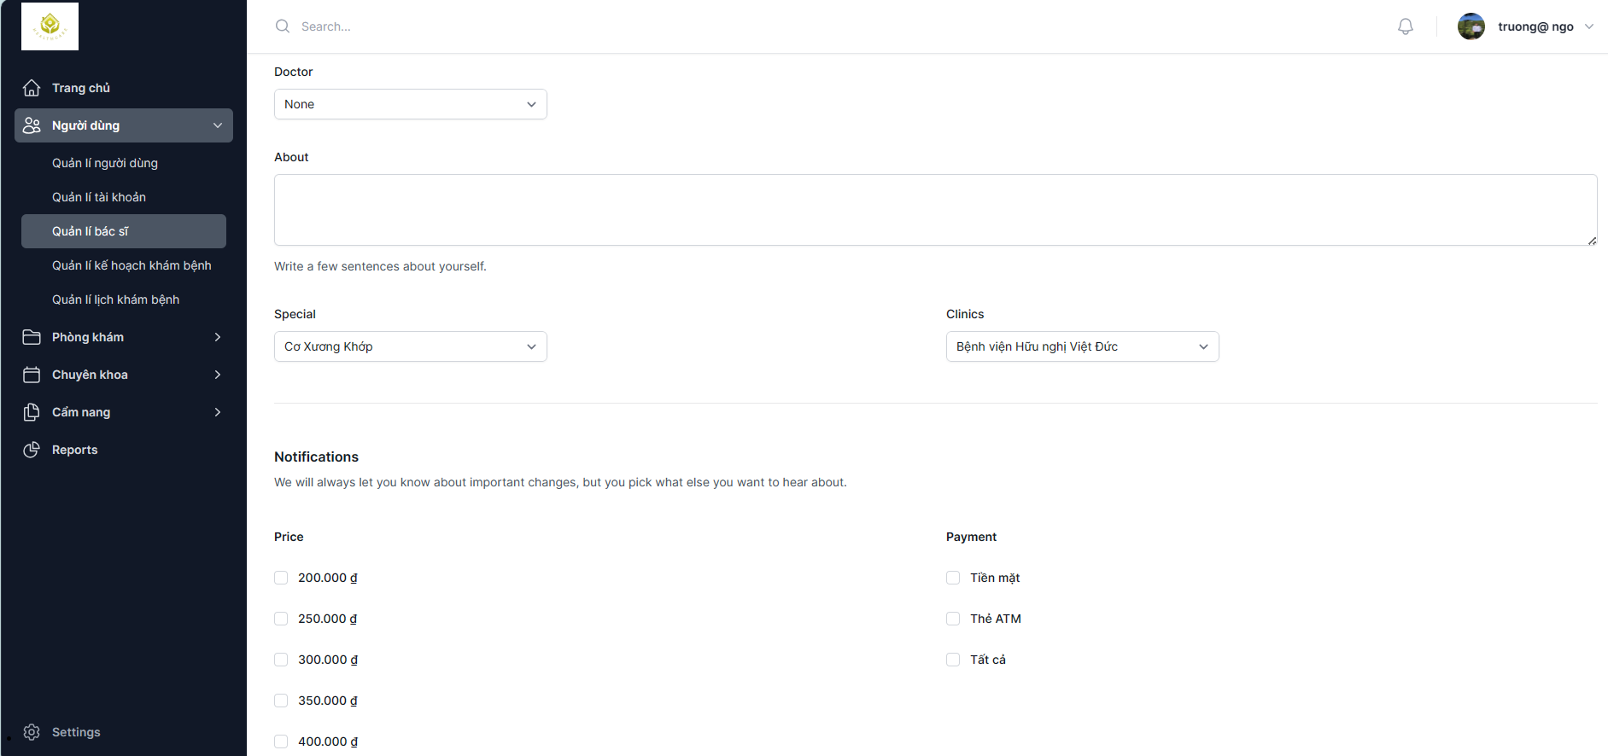

Test Case ID | Test summary | Test steps | Test precondition | Expected result | Actual result | Result |  |  | Result |  |  | Notes
 |  |  |  |  |  | Round 1 |  |  | Round 2
 |  |  |  |  |  | Status | Date of Inspection | Tester | Status | Date of Inspection | Tester
FUNCTION_SHOW Doctor Information Management
FUNC-DIM01 | Verify the doctor information management page is displaying | 1. Launch the website 2. Show the homepage 3. Select Sign in 4. Enter Username and Password 5. Go to Users -> Doctor Management | Successful login to the system | Displays a doctor information management page that includes: - Field "Doctor" - Field "About" - Field "Special" - Field "Clinics" - Field "Price" - Field "Payment" - Field "Describe" -Function fields include: +Button: "Save" +Button: "Cancel" | Displays a doctor information management page that includes: - Field "Doctor" - Field "About" - Field "Special" - Field "Clinics" - Field "Price" - Field "Payment" - Field "Describe" -Function fields include: +Button: "Save" +Button: "Cancel" | Passed | 2023-10-14 | Hoàn | Passed | 2023-10-19 | Hoàn
FUNC-DIM02 | Edit any doctor's information successfully | 1. Launch the website 2. Show the homepage 3. Select Sign in 4. Enter Username and Password 5. Go to Users -> Manage physician information 6. Choose a doctor in the Doctor section 7.After fixing, click the "Save" button | Successful login to the system | Notification system: "Doctor information has been successfully updated" | Notification system: "Doctor information has been successfully updated" | Passed | 2023-10-14 | Hoàn | Passed | 2023-10-19 | Hoàn
FUNC-DIM03 | Unupdate information | 1. Launch the website 2. Show the homepage 3. Select Sign in 4. Enter Username and Password 5. Go to Users -> Manage physician information 6. Choose a doctor in the Doctor section 7.After the correction is complete, press the "Cancel" Button | Successful login to the system | The system will not save the corrected information | The newly entered information is not deleted and the system has no notification | Failed | 2023-10-14 | Hoàn | Failed | 2023-10-19 | Hoàn
FUNC-DIM04 | Check the bold text function in the Describe section | 1. Launch the website 2. Show the homepage 3. Select Sign in 4. Enter Username and Password 5. Go to Users -> Manage physician information 6. Choose a doctor in the Doctor section 7. Black out the text you want to be bold | Successful login to the system | The selected text is bolded than normal text | The selected text is bolded than normal text | Passed | 2023-10-14 | Hoàn | Passed | 2023-10-19 | Hoàn
FUNC-DIM05 | Check the italics function in the Describe section | 1. Launch the website 2. Show the homepage 3. Select Sign in 4. Enter Username and Password 5. Go to Users -> Manage physician information 6. Choose a doctor in the Doctor section 7. Black out the text you want to italicize | Successful login to the system | The selected text is more italicized than normal text | The selected text is more italicized than normal text | Passed | 2023-10-14 | Hoàn | Passed | 2023-10-19 | Hoàn
FUNC-DIM06 | Check the underline printing function in the Describe section | 1. Launch the website 2. Show the homepage 3. Select Sign in 4. Enter Username and Password 5. Go to Users -> Manage physician information 6. Choose a doctor in the Doctor section 7. Black out the underlined text | Successful login to the system | Selected text underlined | Selected text underlined | Passed | 2023-10-14 | Hoàn | Passed | 2023-10-19 | Hoàn
FUNC-DIM07 | Check the Clear function in the Describe section | 1. Launch the website 2. Show the homepage 3. Select Sign in 4. Enter Username and Password 5. Go to Users -> Manage physician information 6. Choose a doctor in the Doctor section 7. Select the Clear button | Successful login to the system | The system will display the message: "Are you sure you want to clear all contents?" Select "OK" to delete all text in the Describe section | The system will display the message: "Are you sure you want to clear all contents?" Select "OK" to delete all text in the Describe section | Passed | 2023-10-14 | Hoàn | Passed | 2023-10-19 | Hoàn

