Manage your medical plan
Project Name | XÂY DỰNG WEBSITE ĐẶT LỊCH KHÁM BỆNH – BOOKING CARE
Module Code | Quản lý kế hoạch khám bệnh
 | Complete | Bug | Untested | Blocked | Total number of test cases
Round 1 | 4 | 2 | 0 | 0 | 6
Round 2 | 4 | 2 | 0 | 0 | 6

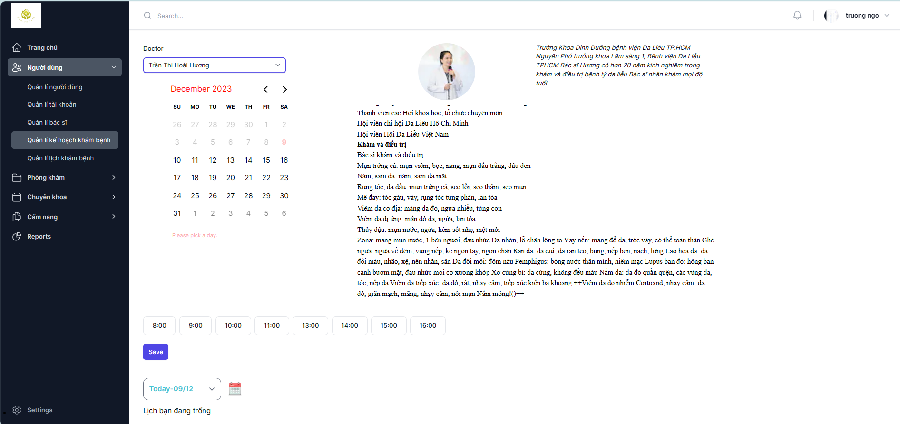

Test Case ID | Test summary | Test steps | Test precondition | Expected result | Actual result | Result |  |  | Result |  |  | Notes
 |  |  |  |  |  | Round 1 |  |  | Round 2
 |  |  |  |  |  | Status | Date of Inspection | Tester | Status | Date of Inspection | Tester
FUNCTION_SHOW Manage your medical plan
FUNC-MYMP01 | Validate your plan management page | 1. Launch the website 2. Show the homepage 3. Select Sign in 4. Enter Username and Password 5. Go to the Users section -> Manage medical plans | Successful login | Displays a specialty management page that includes: - Field "Doctor" - Field "Schedule" - Field "Lịch khám trong tuần" Functional fields include: +Button :"Time" +Button: "Save" | Displays a specialty management page that includes: - Field "Doctor" - Field "Schedule" - Field "Lịch khám trong tuần" Functional fields include: +Button :"Time" +Button: "Save" | Passed | 2023-11-03 | Hoàn | Passed | 2023-11-08 | Hoàn
FUNC-MYMP02 | Check the list of active doctors | 1. Launch the website 2. Show the homepage 3. Select Sign in 4. Enter Username and Password 5. Go to the Users section -> Manage medical plans 6. Tap Doctor | Successful login | Displays a list of all doctors in the system | Displays a list of all doctors in the system | Passed | 2023-11-03 | Hoàn | Passed | 2023-11-08 | Hoàn
FUNC-MYMP03 | Scheduling test failed | 1. Launch the website 2. Show the homepage 3. Select Sign in 4. Enter Username and Password 5. Go to the Users section -> Manage medical plans 6. Click on Doctor choose a doctor 7. Choose an examination time but do not choose a date 8. Then press the "Save" button | Successful login | Display the notification "Please select a day before saving." | Display the notification "The medical examination plan has been saved successfully" successful appointment | Failed | 2023-11-03 | Hoàn | Failed | 2023-11-08 | Hoàn
FUNC-MYMP04 | Kiểm tra đặt lịch thành công | 1. Khởi động trang web 2. Hiển thị trang chủ 3. Chọn đăng nhập 4. Nhập Username và Password 5. Vào phần Người dùng -> Quản lý kế hoạch khám bệnh 6. Nhấn vào Doctor chọn một bác sĩ 7. Chọn giờ khám và chọn ngày khám 8. Sau đó nhấn nút "Save" | Successful login | Hiển thị thông báo "The medical examination plan has been saved successfully" đặt lịch khám thành công | Hiển thị thông báo "The medical examination plan has been saved successfully" đặt lịch khám thành công | Passed | 2023-11-03 | Hoàn | Passed | 2023-11-08 | Hoàn
FUNC-MYMP05 | Check if you don't select "Doctor" | 1. Launch the website 2. Show the homepage 3. Select Sign in 4. Enter Username and Password 5. Go to the Users section -> Manage medical plans 6. Choose the date and time of the examination | Successful login | Display the message "Please select the doctor you need to schedule" | Display the message "Please select the doctor you need to schedule" | Passed | 2023-11-03 | Hoàn | Passed | 2023-11-08 | Hoàn
FUNC-MYMP06 | Check if you don't choose a time | 1. Launch the website 2. Show the homepage 3. Select Sign in 4. Enter Username and Password 5. Go to the Users section -> Manage medical plans 6. Tap Doctor 7. Choose a clinic date 8. Press the "Save" button | Successful login | Display the notification "Please chosen a time" | Display the notification "The medical examination plan has been saved successfully" successful appointment | Failed | 2023-11-03 | Hoàn | Failed | 2023-11-08 | Hoàn

Book a medical appointment
Project Name | XÂY DỰNG WEBSITE ĐẶT LỊCH KHÁM BỆNH – BOOKING CARE
Module Code | Đặt lịch khám bệnh
 | Complete | Bug | Untested | Blocked | Total number of test cases
Round 1 | 8 | 0 | 0 | 0 | 8
Round 2 | 8 | 0 | 0 | 0 | 8
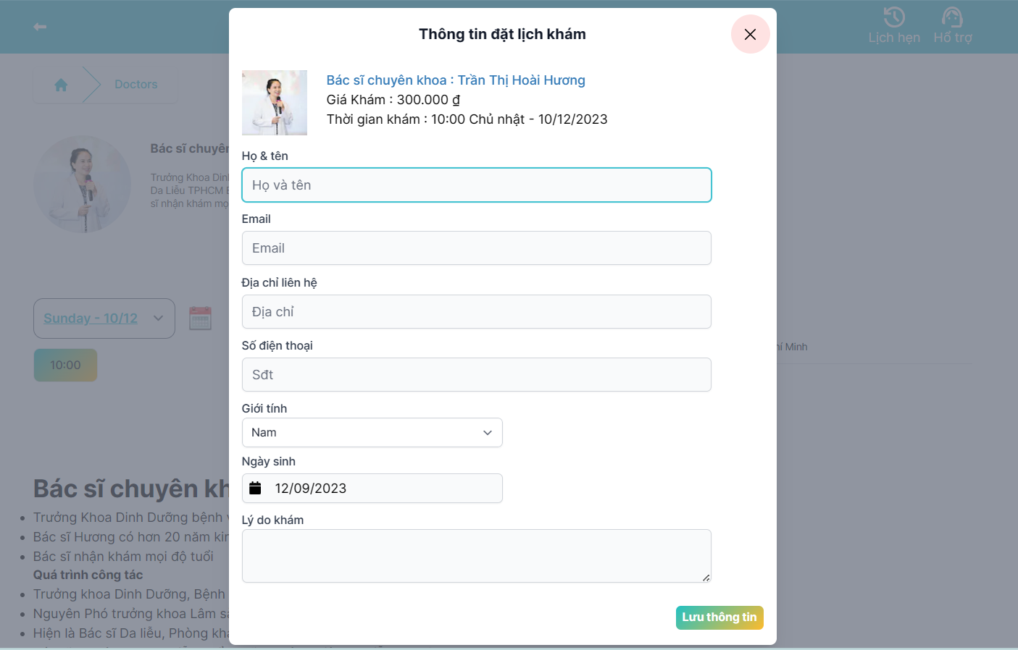

Test Case ID | Test summary | Test steps | Test precondition | Expected result | Actual result | Result |  |  | Result |  |  | Notes
 |  |  |  |  |  | Round 1 |  |  | Round 2
 |  |  |  |  |  | Status | Date of Inspection | Tester | Status | Date of Inspection | Tester
FUNCTION_SHOW Book a medical appointment
FUNC-BMA01 | Confirm the medical appointment form. | 1. Launch the site. 2. Display the homepage. 3.Click the View Doctor Information function 4. Choose 1 doctor to book an appointment 5. Choose a time to set | Successful login | Displays a scheduling form that includes: - Field "Calendar Information" - Field "First and Last Name" - Field "Email" - Field "Address" - Field "Phone number" - Field "Gender" - Field "Date of Birth" - Field "Reason for examination" -Function field includes: +Button :"Save information" | Displays a scheduling form that includes: - Field "Calendar Information" - Field "First and Last Name" - Field "Email" - Field "Address" - Field "Phone number" - Field "Gender" - Field "Date of Birth" - Field "Reason for examination" -Function field includes: +Button :"Save information" | Passed | 2023-11-03 | Hoàn | Passed | 2023-11-08 | Hoàn
FUNC-BMA02 | Successful medical registration | 1. Launch the site. 2. Display the homepage. 3.Click the View Doctor Information function 4. Choose 1 doctor to book an appointment 5. Choose a time to set 6. Fill out the form 7. Press the "Save" button | Successful login | Notification system: "You have successfully scheduled your appointment, Please confirm with email" | Notification system: "You have successfully scheduled your appointment, Please confirm with email" | Passed | 2023-11-03 | Hoàn | Passed | 2023-11-08 | Hoàn
FUNC-BMA03 | Enter the wrong mail format in the "email" field | 1. Launch the site. 2. Display the homepage. 3.Click the View Doctor Information function 4. Choose 1 doctor to book an appointment 5. Choose a time to set 6. Fill in the form 7. Mistyped the "abc123.com" email 8. Press the "Save" button | Successful login | Notification system "Please enter a valid email format" | Notification system "Please enter a valid email format" | Passed | 2023-11-03 | Hoàn | Passed | 2023-11-08 | Hoàn
FUNC-BMA04 | Leave the "First and Last Name" field blank | 1. Launch the site. 2. Display the homepage. 3.Click the View Doctor Information function 4. Choose 1 doctor to book an appointment 5. Choose a time to set 6. Fill in the form 7. Leave the "First and Last Name" field blank 8. Press the "Save" button | Successful login | Notification system:“Value is required” | Notification system:“Value is required” | Passed | 2023-11-03 | Hoàn | Passed | 2023-11-08 | Hoàn
FUNC-BMA05 | Leave the "Phone number" field blank | 1. Launch the site. 2. Display the homepage. 3.Click the View Doctor Information function 4. Choose 1 doctor to book an appointment 5. Choose a time to set 6. Fill in the form 7. Leave the "Phone number" field blank 8. Press the "Save" button | Successful login | Notification system: "Phone number is required" | Notification system: "Phone number is required" | Passed | 2023-11-03 | Hoàn | Passed | 2023-11-08 | Hoàn
FUNC-BMA06 | Leave the "Address" field blank | 1. Launch the site. 2. Display the homepage. 3.Click the View Doctor Information function 4. Choose 1 doctor to book an appointment 5. Choose a time to set 6. Fill in the form 7. Leave the "Address" field blank 8. Press the "Save" button | Successful login | Notification system:“Value is required” | Notification system:“Value is required” | Passed | 2023-11-03 | Hoàn | Passed | 2023-11-08 | Hoàn
FUNC-BMA07 | Enter the incorrect format in the "Date of Birth" field | 1. Launch the site. 2. Display the homepage. 3.Click the View Doctor Information function 4. Choose 1 doctor to book an appointment 5. Choose a time to set 6. Fill in the form 7. Add special characters to the Date of Birth field "@!#" 8. Press the "Save" button | Successful login | The system will automatically remove special characters | The system will automatically remove special characters | Passed | 2023-11-03 | Hoàn | Passed | 2023-11-08 | Hoàn
FUNC-BMA08 | Leave the "Reason for Examination" field blank. | 1. Launch the site. 2. Display the homepage. 3.Click the View Doctor Information function 4. Choose 1 doctor to book an appointment 5. Choose a time to set 6. Fill in the form 7. Leave the "Reason for examination" field blank 8. Press the "Save" button | Successful login | Notification system:: "Value is required" | Notification system:: "Value is required" | Passed | 2023-11-03 | Hoàn | Passed | 2023-11-08 | Hoàn

Medical history
Project Name | Website đặt lịch khám bệnh
Module Code | Lịch sử khám bệnh
 | Complete | Bug | Untested | Blocked | Total number of test cases
Round 1 | 6 | 0 | 0 | 0 | 6
Round 2 | 6 | 0 | 0 | 0 | 6

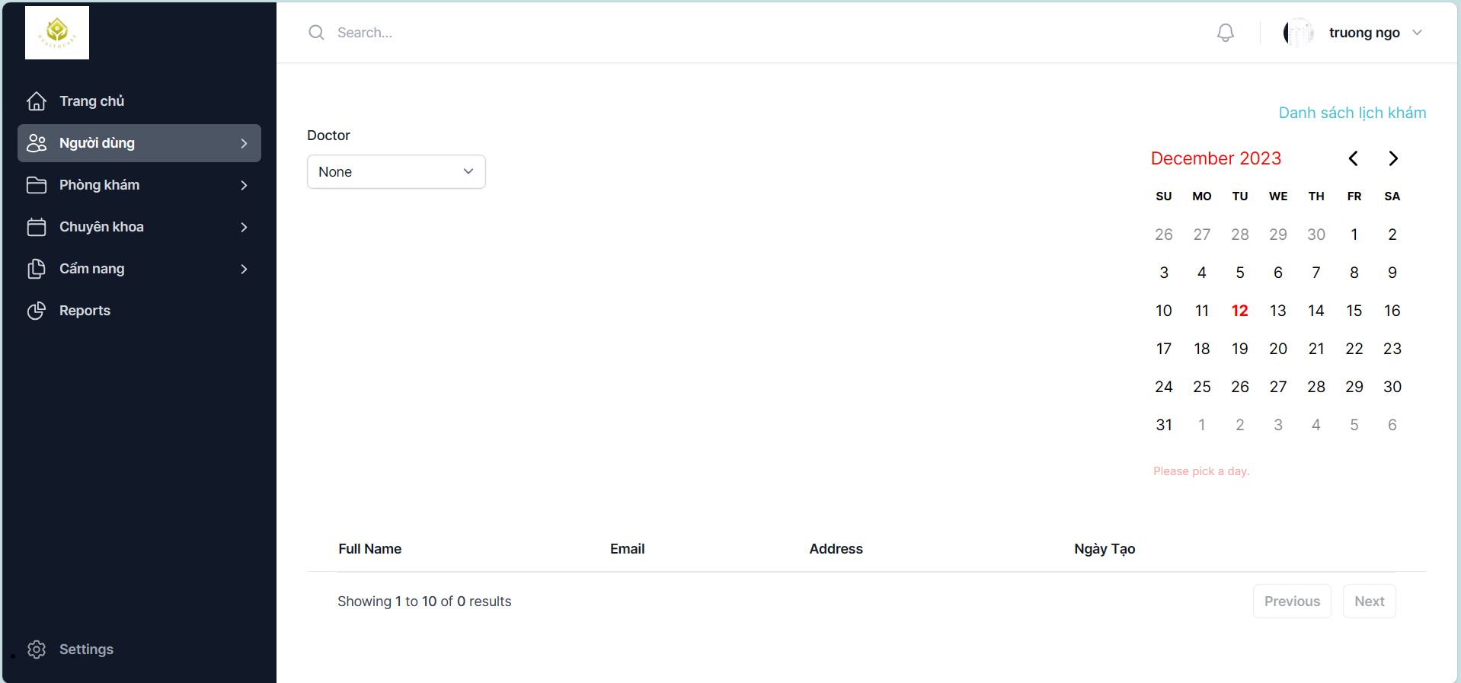

Test Case ID | Test summary | Test steps | Test precondition | Expected result | Actual result | Result |  |  | Result |  |  | Notes
 |  |  |  |  |  | Round 1 |  |  | Round 2
 |  |  |  |  |  | Status | Date of Inspection | Tester | Status | Date of Inspection | Tester
FUNCTION_SHOW Medical history
FUNC-MH01 | Check the medical history page that is shown. | 1. Launch the website 2. Show the homepage 3. Select Sign in 4. Enter Username and Password 5. Click "Users -> Manage Appointment Schedule -> List of Patients Examined" | Successful login | The home page display includes: - Field "Doctor" - Field "Schedule" -Field "Full name" -Field "Address" - Field "Email" - Field "Creation Date" Functional fields include: +Button "Previous" +Button "Next" | The home page display includes: - Field "Doctor" - Field "Schedule" -Field "Full name" -Field "Address" - Field "Email" - Field "Creation Date" Functional fields include: +Button "Previous" +Button "Next" | Passed | 2023-11-04 | Hoàn | Passed | 2023-11-09 | Hoàn
FUNC-MH02 | Examination shows patients examined by one doctor. | 1. Launch the website 2. Show the homepage 3. Select Sign in 4. Enter Username and Password 5. Click "Users -> Manage Appointment Schedule -> List of Patients Examined" 6. Choose one doctor then choose the date | Successful login | The system will display the information about the patients that the doctor examined that day | The system will display the information about the patients that the doctor examined that day | Passed | 2023-11-04 | Hoàn | Passed | 2023-11-09 | Hoàn
FUNC-MH03 | Check if only choose a doctor without choosing a date | 1. Launch the website 2. Show the homepage 3. Select Sign in 4. Enter Username and Password 5. Click "Users -> Manage Appointment Schedule -> List of Patients Examined" 6. Choose 1 doctor | Successful login | Notification system: "Please pick a day" | Notification system: "Please pick a day" | Passed | 2023-11-04 | Hoàn | Passed | 2023-11-09 | Hoàn
FUNC-MH04 | Check if only dates but don't choose a doctor | 1. Launch the website 2. Show the homepage 3. Select Sign in 4. Enter Username and Password 5. Click "Users -> Manage Appointment Schedule -> List of Patients Examined" 6. Choose a date but not a doctor | Successful login | The system will not display data | The system will not display data | Passed | 2023-11-04 | Hoàn | Passed | 2023-11-09 | Hoàn
FUNC-MH05 | Check the "Previous" button | 1. Launch the website 2. Show the homepage 3. Select Sign in 4. Enter Username and Password 5. Click "Users -> Manage Appointment Schedule -> List of Patients Examined" 6. Choose a doctor then choose a date 7. Tap the "Previous" button | Successful login | The system will return to the previous page of the medical history. | The system will return to the previous page of the medical history. | Passed | 2023-11-04 | Hoàn | Passed | 2023-11-09 | Hoàn
FUNC-MH06 | Check the "Next" button | 1. Launch the website 2. Show the homepage 3. Select Sign in 4. Enter Username and Password 5. Click "Users -> Manage Appointment Schedule -> List of Patients Examined" 6. Choose a doctor then choose a date 7. Click the "Next" button | Successful login | The system will go to the next page of the medical history | The system will go to the next page of the medical history | Passed | 2023-11-04 | Hoàn | Passed | 2023-11-09 | Hoàn

Manage individual posts
Project Name | Website đặt lịch khám bệnh
Module Code | Quản lý bài đăng cá nhân
 | Complete | Bug | Untested | Blocked | Total number of test cases
Round 1 | 7 | 0 | 0 | 0 | 7
Round 2 | 7 | 0 | 0 | 0 | 7

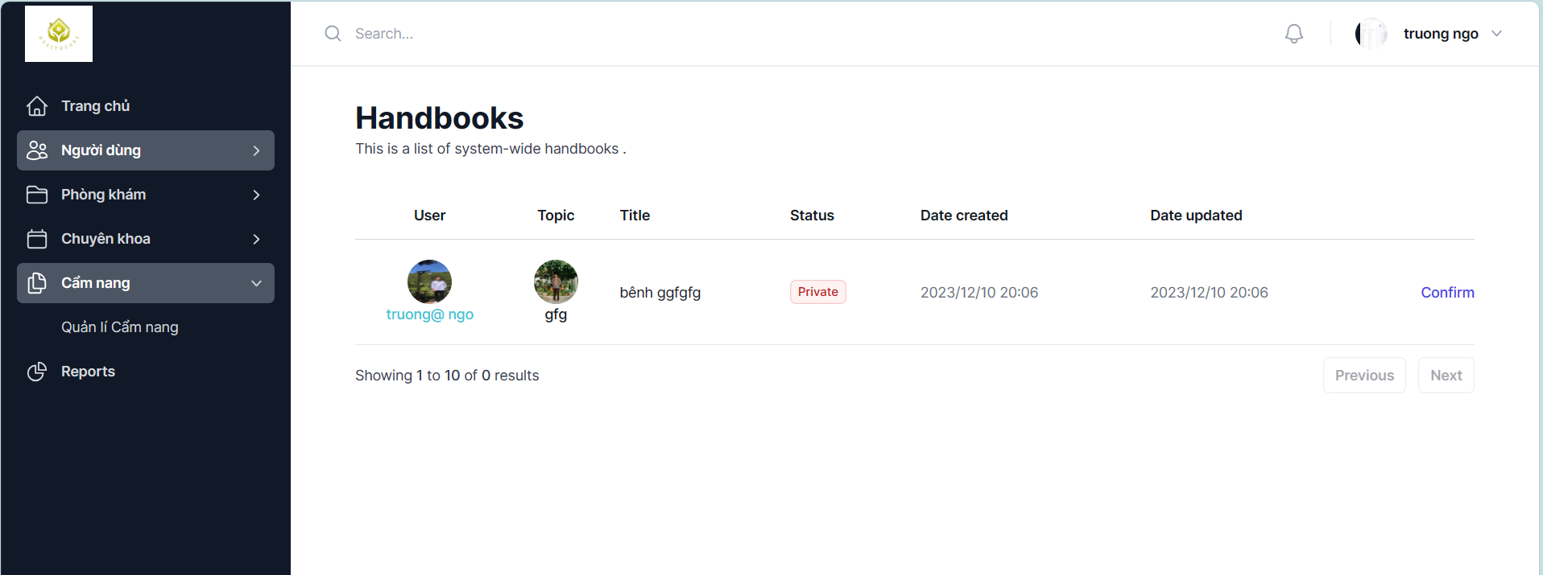

Test Case ID | Test summary | Test steps | Test precondition | Expected result | Actual result | Result |  |  | Result |  |  | Notes
 |  |  |  |  |  | Round 1 |  |  | Round 2
 |  |  |  |  |  | Status | Date of Inspection | Tester | Status | Date of Inspection | Tester
FUNCTION_SHOW Manage individual posts
FUNC-MIP01 | Validate the post management page that's showing | 1. Start the Admin page. 2.Display the home page of the Admin page. 3. Tap on "Users -> Handbook" | Successful login | The home page display includes: - Field "Search" - Field "Doctor" -Function fields include: +Button: "Create New" +Button: "Edit" +Button: "Delete" | The home page display includes: - Field "Search" - Field "Doctor" -Function fields include: +Button: "Create New" +Button: "Edit" +Button: "Delete" | Passed | 2023-11-04 | Hoàn | Passed | 2023-11-09 | Hoàn
FUNC-MIP02 | Create a new success handbook | 1. Start the Admin page. 2.Display the home page of the Admin page. 3. Tap on "Users -> Handbook" 4. Click the "Add New" button 5. After fully entering, select the "Publish" Button | Successful login | The system asks, "Do you want to create a new handbook?" When the user clicks the [Confirm] button, the system generates a new manual based on the text you just wrote. | The system asks, "Do you want to create a new handbook?" When the user clicks the [Confirm] button, the system generates a new manual based on the text you just wrote. | Passed | 2023-11-04 | Hoàn | Passed | 2023-11-09 | Hoàn
FUNC-MIP03 | Uncreate a new handbook | 1. Start the Admin page. 2.Display the home page of the Admin page. 3. Tap on "Users -> Handbook" 4. Click the "Add New" button 5. After fully entering, select the "Cancel" Button | Successful login | The system asks, "Do you want to create a new handbook?" When the user clicks the [Cancel] button, the system removes the manual you just wrote. | The system asks, "Do you want to create a new handbook?" When the user clicks the [Cancel] button, the system removes the manual you just wrote. | Passed | 2023-11-04 | Hoàn | Passed | 2023-11-09 | Hoàn
FUNC-MIP04 | Edit your doctor's handbook | 1. Start the Admin page. 2.Display the home page of the Admin page. 3. Tap on "Users -> Handbook" 4. Click the "Edit" button 5. Once edited, select the "Confirm" Button | Successful login | The system asks: "Do you want to edit the manual?" The user selects the [Confirm] button, the system updates the manual you just edited. | The system asks: "Do you want to edit the manual?" The user selects the [Confirm] button, the system updates the manual you just edited. | Passed | 2023-11-04 | Hoàn | Passed | 2023-11-09 | Hoàn
FUNC-MIP05 | Unedit your doctor's manual | 1. Start the Admin page. 2.Display the home page of the Admin page. 3. Tap on "Users -> Handbook" 4. Click the "Edit" button 5. Once edited, select the "Cancel" Button | Successful login | The system asks: "Do you want to edit the manual?" The user selects the [Cancel] button, the system will cancel the changes you just edited. | The system asks: "Do you want to edit the manual?" The user selects the [Cancel] button, the system will cancel the changes you just edited. | Passed | 2023-11-04 | Hoàn | Passed | 2023-11-09 | Hoàn
FUNC-MIP06 | Delete a handbook | 1. Start the Admin page. 2.Display the home page of the Admin page. 3. Tap on "Users -> Manage Account" 4.Click the "Delete" button 5.Select Confirm deletion manual | Successful login | The system asks: "Do you want to delete this manual?" The user selects the [Confirm] button, the system will delete the manual. | The system asks: "Do you want to delete this manual?" The user selects the [Confirm] button, the system will delete the manual. | Passed | 2023-11-04 | Hoàn | Passed | 2023-11-09 | Hoàn
FUNC-MIP07 | Undelete a handbook | 1. Start the Admin page. 2.Display the home page of the Admin page. 3. Tap on "Users -> Manage Account" 4.Click the "Delete" button 5.Select Undelete manual | Successful login | The system asks: "Do you want to delete this manual?" If the user selects the [Cancel] button, the manual will not be deleted. | The system asks: "Do you want to delete this manual?" If the user selects the [Cancel] button, the manual will not be deleted. | Passed | 2023-11-04 | Hoàn | Passed | 2023-11-09 | Hoàn

