Store
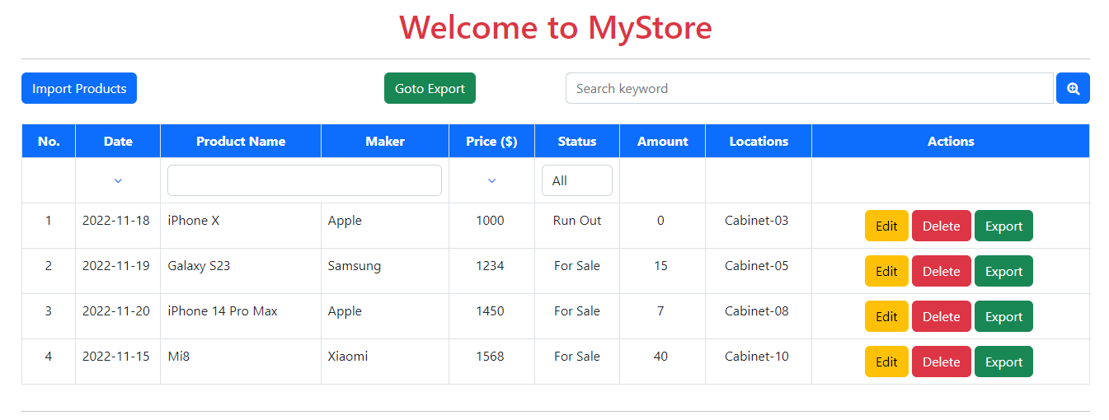
Search

Filter list

Sort Price
Filter text
Sort Date

Tasks:
Complete logic functions: search, sort, filer text input, filter list
Note:
Screen GUI is already available, do not change the ids, items on GUI

# | REQ-STORE |  | Comment
1 | Store for exporting/importing products
2 | Products in store are stored with the following information:
 |  | Date | Product related data is stored in local storage according to the instructions in the code. Do not use any other database
 |  | Product Name(required)
 |  | Maker (required)
 |  | Price
 |  | Amout
 |  | Location
2.1 | The main screen
 | a | The "Import" button goes to the product import screen
 | b | The "Goto Export" button will go to the product export screen
 | c | Text box search, initially displayed blank. Enter keywords and press the Search button to display a list of related products. | Search function
2.2 | List of products
 | a | Small list without pagination
 | b | Text box on top of column (Product Name, Maker) is initially displayed as blank | Text filter function
 | c | When entering text, it will automatically file the related products
 | d | At the top of the price column there is a sort button, default is no sort. When clicked, it will sort sequentially the price increase > decrease > increase > decrease... | Sort function
 | e | Drop down list at the top of the default status column is with 3 items "All" "For Sale" "Run Out". Initially, "All" is displayed. | Filter list function
 | f | When choosing, it will filter out the corresponding products
 | g | The column "Actions" on each product line has 3 buttons "Edit", "Delete", "Export"
2.3 | Row Acitons
 | b | When you press the "Edit" button, you will go to the Edit product screen
 | c | When clicking the Delete button, an alert confirm (YES, NO) will appear.
 | d | When you press the "Export" button, you will go to the Export product screen

Import
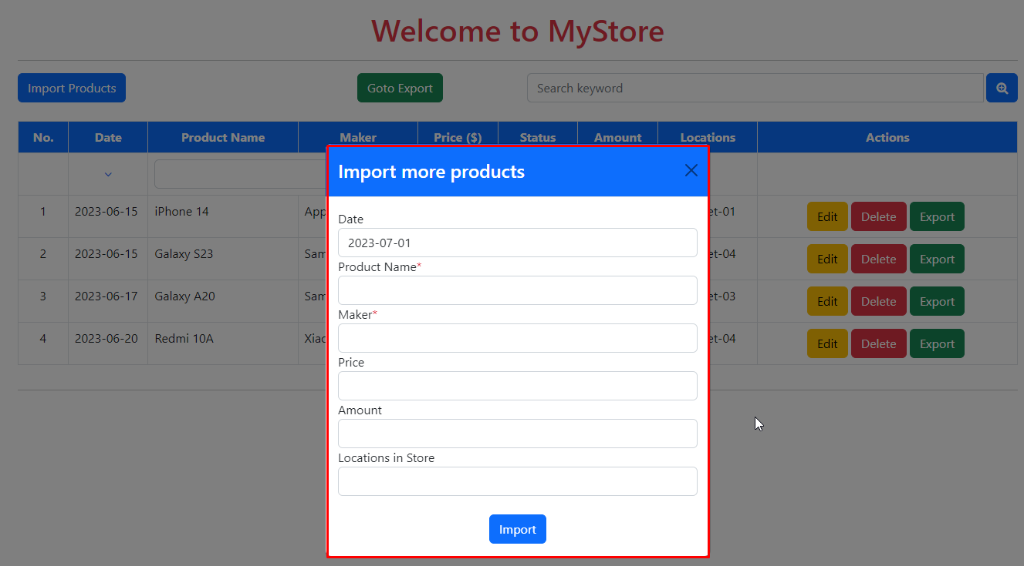

Task: Complete the logic of functions: import products into the store Note:
Screen GUI is already available, do not change the ids, items on GUI
# | REQ-IMPORT
1 | Initialization screen will be empty fields (date = today)
2 | The blank input will notify alert (Name and Maker)
3 | Quantity and price must be greater than or equal to 0
4 | When you press the Import button, you will return to the main screen
5 | Product is not in store will be added
6 | Product that is already in store will be updated amount

Edit
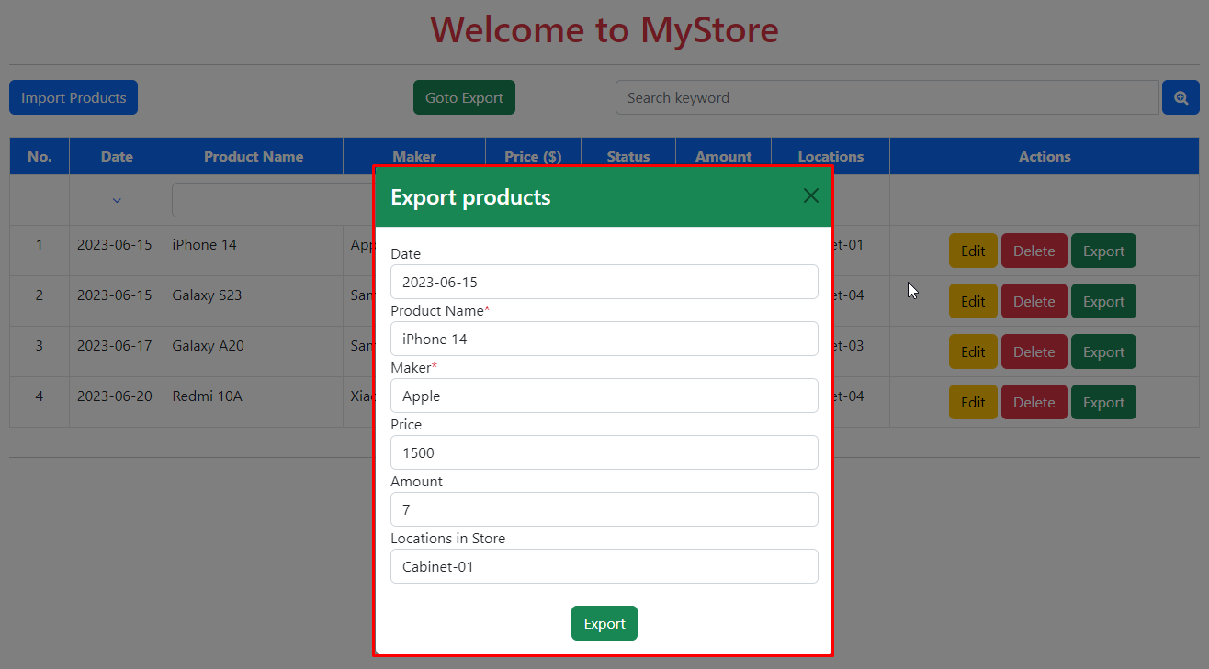

Task :
Complete logic of functions to update product information
Note:
Screen GUI is already available, do not change the ids, items on GUI
# | REQ-EDIT
1 | The initial screen shows the current information of the product
2 | All product information can be changed
3 | When you press the "Update" button on the Edit screen, new information will be updated
4 | Amount >=0

Export
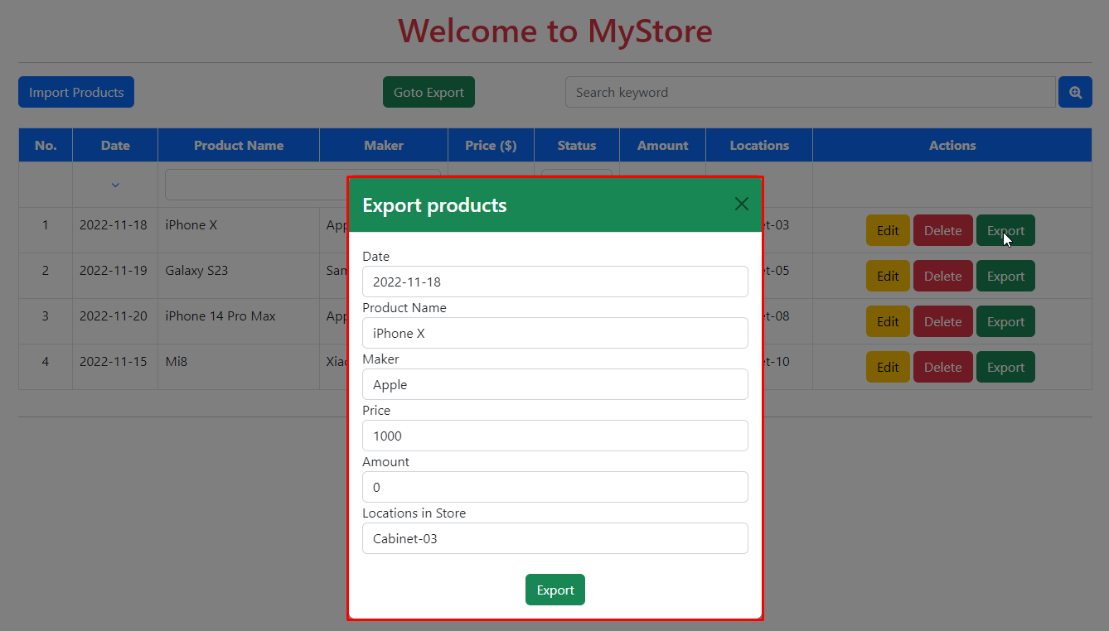

Task:
Complete the logic of functions for export product
Note:
Screen GUI is already available, do not change the ids, items on GUI
# | REQ-EXPORT
1 | The initial screen shows the current information of the product
2 | Allows to select the number of exports greater than 0 and not exceeding the existing quantity
3 | Selecting an amount outside that range will give an error alert
4 | When pressing the "Export" button, the corresponding amount of products will leave the warehouse and go to the Export screen

Shipment
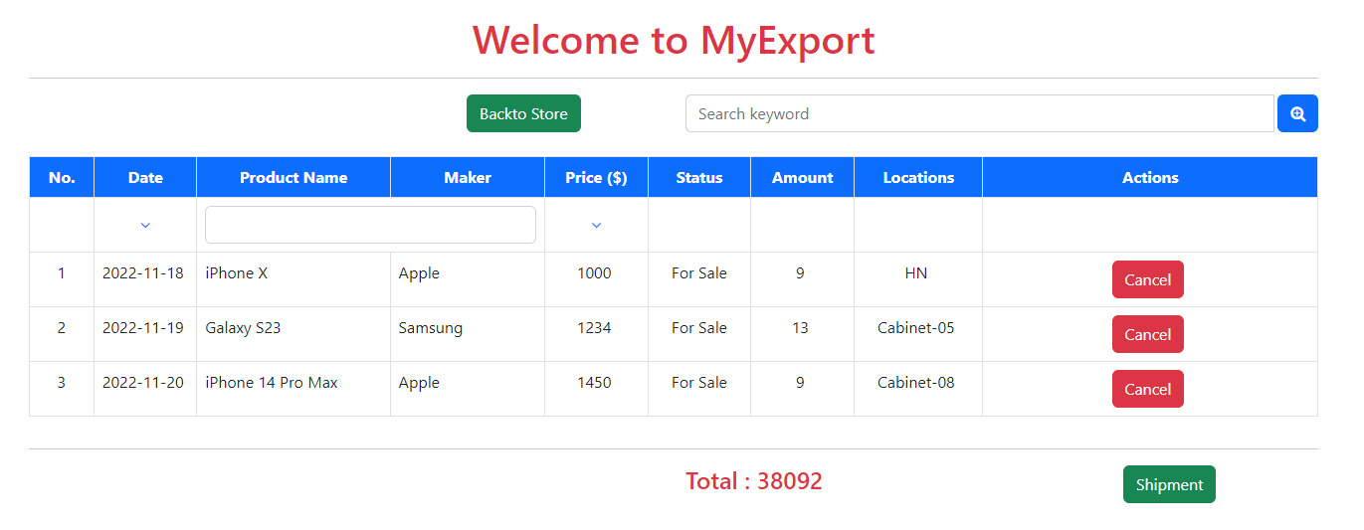

Tasks:
1. Complete logic functions: search, sort, filer by text
2. Complete logic functions: export product from store Note:
Screen GUI is already available, do not change the ids, items on GUI
# | REQ-SHIPMENT
1 | Similar to the store screen, the text box and search button will list the corresponding products waiting for export
2 | Text box on top of column (Product Name, Maker) is initially displayed blank
3 | When entering text, it will automatically file the related products
4 | At the top of the price column there is a sort button, default is no sort. When clicking, it will sort sequentially the price increase > decrease > increase > decrease
5 | The "Actions" column on each product line has a "Cancel" button
6 | When you press the "Cancel" button, you will return to the inventory, the new list will be updated, the total will be recalculated
7 | When you press the "Shipment" button, all products will be removed from the warehouse, and returned to the main screen
8 | The "Backto Store" button will return to the main screen
9 | Show total amount

