Loopback
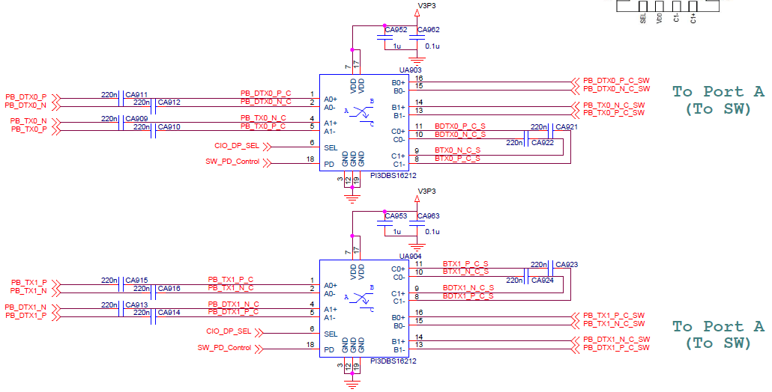
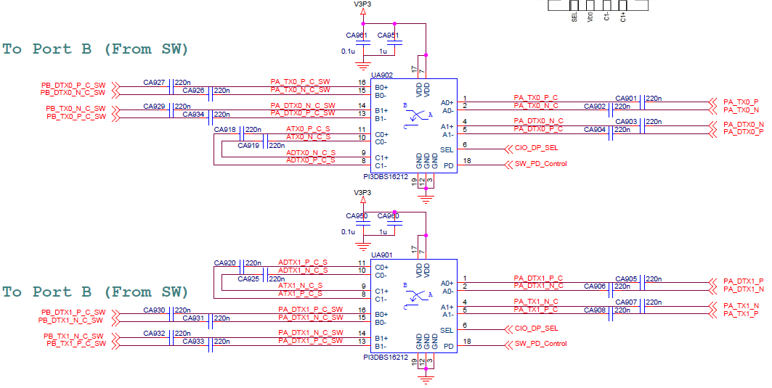
 | ITTO-620-0183 Hayden Bridge 6x6 |  |  |  |  |  |  | 2020-05-14
 | ELB

 |  |  |  |  |  |  |  |  |  |  |  |  |  |  |  |  |  |  | LOOPBACK(MM) |  |  |  | Diff pair (MM)
 |  |  |  |  |  |  |  |  |  |  |  |  |  |  |  |  |  | Less than | 5mil |  |  |  | 1mil
 |  |  |  |  |  |  |  |  |  |  |  |  |  |  |  |  |  |  | SITE1 | SITE3 | SITE5 | SITE7
 |  |  |  |  |  |  |  |  |  |  |  |  |  |  |  |  |  | max | 140.2341 | 140.2341 | 140.2341 | 140.2341 | 0.0116 | 0.0116 | 0.0116 | 0.0116
 |  |  |  |  |  |  |  |  |  |  |  |  |  |  |  |  |  | min | 140.2007 | 140.2007 | 140.2007 | 140.2007
 |  |  |  |  |  |  |  |  |  |  |  |  |  |  |  |  |  | Diff. | 0.0334 | 0.0334 | 0.0334 | 0.0334
 | SW A（+/-） → B（+/-） |  |  |  |  |  |  |  |  |  |  |  |  |  |  |  |  |  | 0.127mm | 0.127mm | 0.127mm | 0.127mm | 0.0254mm | 0.0254mm | 0.0254mm | 0.0254mm
 |  |  |  |  |  |  |  |  |  |  |  |  |  |  |  |  |  |  | OK | OK | OK | OK | OK | OK | OK | OK
 |  |  | DUT to Cap(MM) |  |  |  | Cap to SW(MM) |  |  |  | SW to Cap(MM) |  |  |  | VIA Length PCB Thickness (mm) |  |  |  | LOOPBACK (MM) |  |  |  | Diff pair (MM)
 | Pin Location | Pin Name | SITE1 | SITE3 | SITE5 | SITE7 | SITE1 | SITE3 | SITE5 | SITE7 | SITE1 | SITE3 | SITE5 | SITE7 | SITE1 | SITE3 | SITE5 | SITE7 | SITE1 | SITE3 | SITE5 | SITE7 | SITE1 | SITE3 | SITE5 | SITE7
1 | E1 | PA_TX0_P | 47.2426 | 47.2426 | 47.2426 | 47.2426 | 8.0042 | 8.0042 | 8.0042 | 8.0042 | 12.7024 | 12.7024 | 12.7024 | 12.7024 | 4.3 | 4.3 | 4.3 | 4.3 | 140.2007 | 140.2007 | 140.2007 | 140.2007 | 0.0116 | 0.0116 | 0.0116 | 0.0116
2 | E2 | PA_TX0_N | 47.2451 | 47.2451 | 47.2451 | 47.2451 | 8.0016 | 8.0016 | 8.0016 | 8.0016 | 12.7093 | 12.7093 | 12.7093 | 12.7093 | 4.3 | 4.3 | 4.3 | 4.3 | 140.2123 | 140.2123 | 140.2123 | 140.2123
3 | C12 | PB_DTX0_P | 47.2449 | 47.2449 | 47.2449 | 47.2449 | 8.0042 | 8.0042 | 8.0042 | 8.0042 | 12.7024 | 12.7024 | 12.7024 | 12.7024
4 | C11 | PB_DTX0_N | 47.2454 | 47.2454 | 47.2454 | 47.2454 | 8.0016 | 8.0016 | 8.0016 | 8.0016 | 12.7093 | 12.7093 | 12.7093 | 12.7093
5 | C1 | PA_DTX0_P | 47.2444 | 47.2444 | 47.2444 | 47.2444 | 8.0075 | 8.0075 | 8.0075 | 8.0075 | 12.7094 | 12.7094 | 12.7094 | 12.7094 | 4.3 | 4.3 | 4.3 | 4.3 | 140.2297 | 140.2297 | 140.2297 | 140.2297 | 0.0044 | 0.0044 | 0.0044 | 0.0044
6 | C2 | PA_DTX0_N | 47.2443 | 47.2443 | 47.2443 | 47.2443 | 8.0101 | 8.0101 | 8.0101 | 8.0101 | 12.7105 | 12.7105 | 12.7105 | 12.7105 | 4.3 | 4.3 | 4.3 | 4.3 | 140.2341 | 140.2341 | 140.2341 | 140.2341
7 | E12 | PB_TX0_P | 47.2453 | 47.2453 | 47.2453 | 47.2453 | 8.0075 | 8.0075 | 8.0075 | 8.0075 | 12.7156 | 12.7156 | 12.7156 | 12.7156
8 | E11 | PB_TX0_N | 47.2441 | 47.2441 | 47.2441 | 47.2441 | 8.0101 | 8.0101 | 8.0101 | 8.0101 | 12.7150 | 12.7150 | 12.7150 | 12.7150
9 | J1 | PA_DTX1_P | 47.2455 | 47.2455 | 47.2455 | 47.2455 | 8.0042 | 8.0042 | 8.0042 | 8.0042 | 12.7024 | 12.7024 | 12.7024 | 12.7024 | 4.3 | 4.3 | 4.3 | 4.3 | 140.2029 | 140.2029 | 140.2029 | 140.2029 | 0.0077 | 0.0077 | 0.0077 | 0.0077
10 | J2 | PA_DTX1_N | 47.2455 | 47.2455 | 47.2455 | 47.2455 | 8.0016 | 8.0016 | 8.0016 | 8.0016 | 12.7093 | 12.7093 | 12.7093 | 12.7093 | 4.3 | 4.3 | 4.3 | 4.3 | 140.2106 | 140.2106 | 140.2106 | 140.2106
11 | G12 | PB_TX1_P | 47.2442 | 47.2442 | 47.2442 | 47.2442 | 8.0042 | 8.0042 | 8.0042 | 8.0042 | 12.7024 | 12.7024 | 12.7024 | 12.7024
12 | G11 | PB_TX1_N | 47.2433 | 47.2433 | 47.2433 | 47.2433 | 8.0016 | 8.0016 | 8.0016 | 8.0016 | 12.7093 | 12.7093 | 12.7093 | 12.7093
13 | G1 | PA_TX1_P | 47.2456 | 47.2456 | 47.2456 | 47.2456 | 8.0075 | 8.0075 | 8.0075 | 8.0075 | 12.7156 | 12.7156 | 12.7156 | 12.7156 | 4.3 | 4.3 | 4.3 | 4.3 | 140.2285 | 140.2285 | 140.2285 | 140.2285 | 0.0043 | 0.0043 | 0.0043 | 0.0043
14 | G2 | PA_TX1_N | 47.2443 | 47.2443 | 47.2443 | 47.2443 | 8.0101 | 8.0101 | 8.0101 | 8.0101 | 12.7150 | 12.7150 | 12.7150 | 12.7150 | 4.3 | 4.3 | 4.3 | 4.3 | 140.2328 | 140.2328 | 140.2328 | 140.2328
15 | J12 | PB_DTX1_P | 47.2429 | 47.2429 | 47.2429 | 47.2429 | 8.0075 | 8.0075 | 8.0075 | 8.0075 | 12.7094 | 12.7094 | 12.7094 | 12.7094
16 | J11 | PB_DTX1_N | 47.2428 | 47.2428 | 47.2428 | 47.2428 | 8.0101 | 8.0101 | 8.0101 | 8.0101 | 12.7105 | 12.7105 | 12.7105 | 12.7105

 |  |  |  |  |  |  |  |  |  |  |  |  |  |  | LOOPBACK(MM) |  |  |  | Diff pair (MM)
 |  |  |  |  |  |  |  |  |  |  |  |  |  | Less than | 5mil |  |  |  | 1mil
 |  |  |  |  |  |  |  |  |  |  |  |  |  |  | SITE1 | SITE3 | SITE5 | SITE7
 |  |  |  |  |  |  |  |  |  |  |  |  |  | max | 121.4445 | 121.4445 | 121.4445 | 121.4445 | 0.0111 | 0.0111 | 0.0111 | 0.0111
 |  |  |  |  |  |  |  |  |  |  |  |  |  | min | 121.4214 | 121.4214 | 121.4214 | 121.4214
 |  |  |  |  |  |  |  |  |  |  |  |  |  | Diff. | 0.0231 | 0.0231 | 0.0231 | 0.0231
 | SW A（+/-） → C（+/-） |  |  |  |  |  |  |  |  |  |  |  |  |  | 0.127mm | 0.127mm | 0.127mm | 0.127mm | 0.0254mm | 0.0254mm | 0.0254mm | 0.0254mm
 |  |  |  |  |  |  |  |  |  |  |  |  |  |  | OK | OK | OK | OK | OK | OK | OK | OK
 |  |  | DUT to Cap(MM) |  |  |  | Cap to SW(MM) |  |  |  | SW to Cap(MM) |  |  |  | LOOPBACK (MM) |  |  |  | Diff pair (MM)
 | Pin Location | Pin Name | SITE1 | SITE3 | SITE5 | SITE7 | SITE1 | SITE3 | SITE5 | SITE7 | SITE1 | SITE3 | SITE5 | SITE7 | SITE1 | SITE3 | SITE5 | SITE7 | SITE1 | SITE3 | SITE5 | SITE7
1 | E1 | PA_TX0_P | 47.2426 | 47.2426 | 47.2426 | 47.2426 | 8.0042 | 8.0042 | 8.0042 | 8.0042 | 5.4672 | 5.4672 | 5.4672 | 5.4672 | 121.4303 | 121.4303 | 121.4303 | 121.4303 | 0.0072 | 0.0072 | 0.0072 | 0.0072
2 | E2 | PA_TX0_N | 47.2451 | 47.2451 | 47.2451 | 47.2451 | 8.0016 | 8.0016 | 8.0016 | 8.0016 | 5.4647 | 5.4647 | 5.4647 | 5.4647 | 121.4231 | 121.4231 | 121.4231 | 121.4231
3 | C12 | PB_DTX0_P | 47.2449 | 47.2449 | 47.2449 | 47.2449 | 8.0042 | 8.0042 | 8.0042 | 8.0042 | 5.4672 | 5.4672 | 5.4672 | 5.4672
4 | C11 | PB_DTX0_N | 47.2454 | 47.2454 | 47.2454 | 47.2454 | 8.0016 | 8.0016 | 8.0016 | 8.0016 | 5.4647 | 5.4647 | 5.4647 | 5.4647
5 | C1 | PA_DTX0_P | 47.2444 | 47.2444 | 47.2444 | 47.2444 | 8.0075 | 8.0075 | 8.0075 | 8.0075 | 5.4699 | 5.4699 | 5.4699 | 5.4699 | 121.4445 | 121.4445 | 121.4445 | 121.4445 | 0.0007 | 0.00069999999999 | 0.00069999999999 | 0.00069999999999
6 | C2 | PA_DTX0_N | 47.2443 | 47.2443 | 47.2443 | 47.2443 | 8.0101 | 8.0101 | 8.0101 | 8.0101 | 5.4676 | 5.4676 | 5.4676 | 5.4676 | 121.4438 | 121.4438 | 121.4438 | 121.4438
7 | E12 | PB_TX0_P | 47.2453 | 47.2453 | 47.2453 | 47.2453 | 8.0075 | 8.0075 | 8.0075 | 8.0075 | 5.4699 | 5.4699 | 5.4699 | 5.4699
8 | E11 | PB_TX0_N | 47.2441 | 47.2441 | 47.2441 | 47.2441 | 8.0101 | 8.0101 | 8.0101 | 8.0101 | 5.4676 | 5.4676 | 5.4676 | 5.4676
9 | J1 | PA_DTX1_P | 47.2455 | 47.2455 | 47.2455 | 47.2455 | 8.0042 | 8.0042 | 8.0042 | 8.0042 | 5.4672 | 5.4672 | 5.4672 | 5.4672 | 121.4325 | 121.4325 | 121.4325 | 121.4325 | 0.0111 | 0.0111 | 0.0111 | 0.0111
10 | J2 | PA_DTX1_N | 47.2455 | 47.2455 | 47.2455 | 47.2455 | 8.0016 | 8.0016 | 8.0016 | 8.0016 | 5.4647 | 5.4647 | 5.4647 | 5.4647 | 121.4214 | 121.4214 | 121.4214 | 121.4214
11 | G12 | PB_TX1_P | 47.2442 | 47.2442 | 47.2442 | 47.2442 | 8.0042 | 8.0042 | 8.0042 | 8.0042 | 5.4672 | 5.4672 | 5.4672 | 5.4672
12 | G11 | PB_TX1_N | 47.2433 | 47.2433 | 47.2433 | 47.2433 | 8.0016 | 8.0016 | 8.0016 | 8.0016 | 5.4647 | 5.4647 | 5.4647 | 5.4647
13 | G1 | PA_TX1_P | 47.2456 | 47.2456 | 47.2456 | 47.2456 | 8.0075 | 8.0075 | 8.0075 | 8.0075 | 5.4699 | 5.4699 | 5.4699 | 5.4699 | 121.4433 | 121.4433 | 121.4433 | 121.4433 | 0.0008 | 0.0008 | 0.0008 | 0.0008
14 | G2 | PA_TX1_N | 47.2443 | 47.2443 | 47.2443 | 47.2443 | 8.0101 | 8.0101 | 8.0101 | 8.0101 | 5.4676 | 5.4676 | 5.4676 | 5.4676 | 121.4425 | 121.4425 | 121.4425 | 121.4425
15 | J12 | PB_DTX1_P | 47.2429 | 47.2429 | 47.2429 | 47.2429 | 8.0075 | 8.0075 | 8.0075 | 8.0075 | 5.4699 | 5.4699 | 5.4699 | 5.4699
16 | J11 | PB_DTX1_N | 47.2428 | 47.2428 | 47.2428 | 47.2428 | 8.0101 | 8.0101 | 8.0101 | 8.0101 | 5.4676 | 5.4676 | 5.4676 | 5.4676

 | DUT → Jconnector |  |  |  |  |  |  |  |  |  |  |  |  |  |  | Jconnector(MM)
 |  |  |  |  |  |  |  |  |  |  |  |  |  |  |  | P*TX*
 |  |  | DUT to Inductor (MM) |  |  |  | Inductor to Jconnector (MM) |  |  |  | Total (MM) |  |  |  |  | Less than | 100mil
 | Pin Location | Pin Name | SITE1 | SITE3 | SITE5 | SITE7 | SITE1 | SITE3 | SITE5 | SITE7 | SITE1 | SITE3 | SITE5 | SITE7 |  |  | SITE1 | SITE3 | SITE5 | SITE7
1 | E1 | PA_TX0_P | 44.5629 | 44.5629 | 44.5629 | 44.5629 | 236.0697 | 235.4927 | 236.0793 | 236.0793 | 280.6326 | 280.0556 | 280.6422 | 280.6422 |  | max | 281.8407 | 281.8407 | 281.6662 | 281.6662
2 | E2 | PA_TX0_N | 44.5654 | 44.5654 | 44.5654 | 44.5654 | 236.0684 | 235.4915 | 236.0781 | 236.0781 | 280.6338 | 280.0569 | 280.6435 | 280.6435 |  | min | 280.6326 | 280.0556 | 280.6422 | 280.6422
3 | C12 | PB_DTX0_P | 44.5652 | 44.5652 | 44.5652 | 44.5652 | 237.3474 | 237.3474 | 237.1305 | 237.1305 | 281.9126 | 281.9126 | 281.6957 | 281.6957 |  | Diff. | 1.2082 | 1.7852 | 1.0241 | 1.0241
4 | C11 | PB_DTX0_N | 44.5657 | 44.5657 | 44.5657 | 44.5657 | 237.3462 | 237.3462 | 237.1293 | 237.1293 | 281.9119 | 281.9119 | 281.6950 | 281.6950 |  |  | 2.54mm | 2.54mm | 2.54mm | 2.54mm
5 | C1 | PA_DTX0_P | 44.5647 | 44.5647 | 44.5647 | 44.5647 | 236.5586 | 236.5586 | 235.9947 | 235.9947 | 281.1233 | 281.1233 | 280.5594 | 280.5594 |  |  | OK | OK | OK | OK
6 | C2 | PA_DTX0_N | 44.5646 | 44.5646 | 44.5646 | 44.5646 | 236.5523 | 236.5523 | 235.9885 | 235.9885 | 281.1169 | 281.1169 | 280.5531 | 280.5531 |  | P*DTX*
7 | E12 | PB_TX0_P | 44.5656 | 44.5656 | 44.5656 | 44.5656 | 237.2751 | 237.2751 | 237.1006 | 237.1006 | 281.8407 | 281.8407 | 281.6662 | 281.6662 |  | Less than | 100mil
8 | E11 | PB_TX0_N | 44.5644 | 44.5644 | 44.5644 | 44.5644 | 237.2688 | 237.2688 | 237.0943 | 237.0943 | 281.8332 | 281.8332 | 281.6587 | 281.6587 |  |  | SITE1 | SITE3 | SITE5 | SITE7
9 | J1 | PA_DTX1_P | 44.5658 | 44.5658 | 44.5658 | 44.5658 | 236.2013 | 235.6243 | 236.3843 | 236.3843 | 280.7671 | 280.1901 | 280.9501 | 280.9501 |  | max | 281.9126 | 281.9126 | 281.6957 | 281.6957
10 | J2 | PA_DTX1_N | 44.5658 | 44.5658 | 44.5658 | 44.5658 | 236.1981 | 235.6212 | 236.3812 | 236.3812 | 280.7639 | 280.1870 | 280.9470 | 280.9470 |  | min | 280.7639 | 280.1870 | 280.5531 | 280.5531
11 | G12 | PB_TX1_P | 44.5645 | 44.5645 | 44.5645 | 44.5645 | 236.5061 | 235.9291 | 236.6000 | 236.6000 | 281.0706 | 280.4936 | 281.1645 | 281.1645 |  | Diff. | 1.1487 | 1.7256 | 1.1426 | 1.1426
12 | G11 | PB_TX1_N | 44.5636 | 44.5636 | 44.5636 | 44.5636 | 236.5107 | 235.9337 | 236.5994 | 236.5994 | 281.0743 | 280.4973 | 281.1630 | 281.1630 |  |  | 2.54mm | 2.54mm | 2.54mm | 2.54mm
13 | G1 | PA_TX1_P | 44.5659 | 44.5659 | 44.5659 | 44.5659 | 236.5732 | 235.9962 | 236.3670 | 236.3670 | 281.1391 | 280.5621 | 280.9329 | 280.9329 |  |  | OK | OK | OK | OK
14 | G2 | PA_TX1_N | 44.5646 | 44.5646 | 44.5646 | 44.5646 | 236.5731 | 235.9961 | 236.3669 | 236.3669 | 281.1377 | 280.5607 | 280.9315 | 280.9315
15 | J12 | PB_DTX1_P | 44.5632 | 44.5632 | 44.5632 | 44.5632 | 236.7605 | 235.6434 | 236.3685 | 236.3685 | 281.3237 | 280.2066 | 280.9317 | 280.9317
16 | J11 | PB_DTX1_N | 44.5631 | 44.5631 | 44.5631 | 44.5631 | 236.7632 | 235.6461 | 236.3713 | 236.3713 | 281.3263 | 280.2092 | 280.9344 | 280.9344

 |  |  |  |  | Less than | 1mil
 | For Debug |  |  |  | max | 0.0025
 | DUT（+/-） → SMP（+/-） |  |  |  |  | 0.0254mm
 |  |  |  |  |  | OK
 |  |  | DUT to Resistor(MM) | Resistor to SMP(MM) | Total(MM) | Diff pair (MM)
 | Pin Location | Pin Name | SITE1 | SITE1 | SITE1 | SITE1
1 | C1 | PA_DTX0_P | 47.2444 | 183.8873 | 231.1317 | 0.0001
2 | C2 | PA_DTX0_N | 47.2443 | 183.8873 | 231.1316
3 | E1 | PA_TX0_P | 47.2426 | 165.5213 | 212.7639 | 0.0025
4 | E2 | PA_TX0_N | 47.2451 | 165.5213 | 212.7664

