CIO_DP1
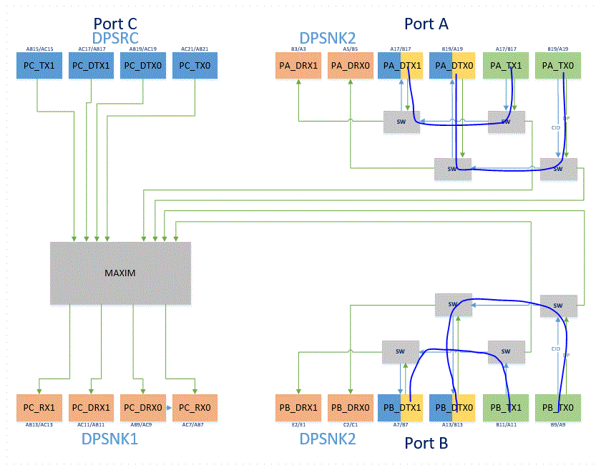
 | ITTO-620-0169 Maple Ridge x4 |  |  |  |  |  |  |  |  |  |  |  |  |  | 2019-06-03
 |  | 1st Priority
 |  | 1 mil match for N/P
 |  | 5 mils match between all blue's

 |  |  |  |  |  |  |  |  |  |  |  |  |  |  |  |  |  |  |  |  |  |  |  |  | P*TX* | LOOPBACK(MM) | SITE1 | SITE3 | SITE5 | SITE7
 |  |  |  |  |  |  |  |  |  |  |  |  |  |  |  |  |  |  |  |  |  |  |  |  |  | max | 303.3449 | 303.3449 | 303.2058 | 303.2058
 |  |  |  |  |  |  |  |  |  |  |  |  |  |  |  |  |  |  |  |  |  |  |  |  |  | min | 302.4345 | 302.4345 | 302.4474 | 302.4474
 |  |  |  |  |  |  |  |  |  |  |  |  |  |  |  |  |  |  |  |  |  |  |  |  |  | Diff. | 0.9104 | 0.9104 | 0.7584 | 0.7584
 |  |  |  |  |  |  |  |  |  |  |  |  |  |  |  |  |  |  |  |  |  |  |  |  | Less than | 100mil | 2.54mm | 2.54mm | 2.54mm | 2.54mm
 |  |  |  |  |  |  |  |  |  |  |  |  |  |  |  |  |  |  |  |  | Less than |  |  |  |  |  | OK | OK | OK | OK
 |  |  |  |  |  |  |  |  |  |  |  |  |  | LOOPBACK(MM) | SITE1 | SITE3 | SITE5 | SITE7 | Diff pair (MM) |  | 1mil |  |  |  | P*DTX* | LOOPBACK(MM) | SITE1 | SITE3 | SITE5 | SITE7
 |  |  |  |  |  |  |  |  |  |  |  |  |  | max | 114.6264 | 114.6264 | 114.6264 | 114.6264 | max | 0.0007 | 0.0254mm |  |  |  |  | max | 317.2466 | 317.2466 | 317.3250 | 317.3250
 |  |  |  |  |  |  |  |  |  |  |  |  |  | min | 114.6248 | 114.6248 | 114.6248 | 114.6248 |  |  | OK |  |  |  |  | min | 316.2220 | 316.2220 | 316.4206 | 316.4206
 |  |  |  |  |  |  |  |  |  |  |  |  |  | Diff. | 0.0016 | 0.0016 | 0.0016 | 0.0016 |  |  |  |  |  |  |  | Diff. | 1.0246 | 1.0246 | 0.9044 | 0.9044
 |  |  |  |  |  |  |  |  |  |  |  |  | Less than | 5mil | 0.127mm | 0.127mm | 0.127mm | 0.127mm |  |  |  |  |  |  | Less than | 100mil | 2.54mm | 2.54mm | 2.54mm | 2.54mm
 |  |  |  |  |  |  |  |  |  |  |  |  |  |  | OK | OK | OK | OK |  |  |  |  |  |  |  |  | OK | OK | OK | OK
 |  |  | DUT to Cap(MM) |  |  |  | Cap to SW(MM) |  |  |  | SW to SW(MM) |  |  |  | LOOPBACK (MM) |  |  |  | Diff pair (MM) |  |  |  | Inductor to Jconnector (MM) |  |  |  | Total (MM)
 | Pin Location | Pin Name | SITE1 | SITE3 | SITE5 | SITE7 | SITE1 | SITE3 | SITE5 | SITE7 | SITE1 | SITE3 | SITE5 | SITE7 | SITE1 | SITE3 | SITE5 | SITE7 | SITE1 | SITE3 | SITE5 | SITE7 | SITE1 | SITE3 | SITE5 | SITE7 | SITE1 | SITE3 | SITE5 | SITE7
2 | A19 | PA_TX0_P | 48.813 | 48.813 | 48.813 | 48.813 | 1.130 | 1.130 | 1.130 | 1.130 | 1.140 | 1.140 | 1.140 | 1.140 | 114.6259 | 114.6259 | 114.6259 | 114.6259 | 0.0001 | 0.0001 | 0.0001 | 0.0001 | 253.6218 | 253.6218 | 254.1407 | 254.1407 | 302.435 | 302.435 | 302.954 | 302.954
1 | B19 | PA_TX0_N | 48.813 | 48.813 | 48.813 | 48.813 | 1.130 | 1.130 | 1.130 | 1.130 | 1.140 | 1.140 | 1.140 | 1.140 | 114.6258 | 114.6258 | 114.6258 | 114.6258 |  |  |  |  | 253.6217 | 253.6217 | 254.1414 | 254.1414 | 302.435 | 302.435 | 302.954 | 302.954
3 | B21 | PA_DTX0_P | 62.413 | 62.413 | 62.413 | 62.413 | 1.130 | 1.130 | 1.130 | 1.130 |  |  |  |  |  |  |  |  |  |  |  |  | 254.8336 | 254.8336 | 254.2673 | 254.2673 | 317.247 | 317.247 | 316.680 | 316.680
4 | A21 | PA_DTX0_N | 62.413 | 62.413 | 62.413 | 62.413 | 1.130 | 1.130 | 1.130 | 1.130 |  |  |  |  |  |  |  |  |  |  |  |  | 254.8316 | 254.8316 | 254.264 | 254.264 | 317.245 | 317.245 | 316.677 | 316.677
6 | A17 | PA_TX1_P | 48.813 | 48.813 | 48.813 | 48.813 | 1.130 | 1.130 | 1.130 | 1.130 | 1.140 | 1.140 | 1.140 | 1.140 | 114.6248 | 114.6248 | 114.6248 | 114.6248 | 0.0002 | 0.0002 | 0.0002 | 0.0002 | 253.67 | 253.67 | 253.6352 | 253.6352 | 302.483 | 302.483 | 302.448 | 302.448
5 | B17 | PA_TX1_N | 48.813 | 48.813 | 48.813 | 48.813 | 1.130 | 1.130 | 1.130 | 1.130 | 1.140 | 1.140 | 1.140 | 1.140 | 114.6250 | 114.6250 | 114.6250 | 114.6250 |  |  |  |  | 253.6725 | 253.6725 | 253.6348 | 253.6348 | 302.485 | 302.485 | 302.447 | 302.447
7 | A15 | PA_DTX1_P | 62.412 | 62.412 | 62.412 | 62.412 | 1.130 | 1.130 | 1.130 | 1.130 |  |  |  |  |  |  |  |  |  |  |  |  | 254.1877 | 254.1877 | 254.624 | 254.624 | 316.600 | 316.600 | 317.036 | 317.036
8 | B15 | PA_DTX1_N | 62.412 | 62.412 | 62.412 | 62.412 | 1.130 | 1.130 | 1.130 | 1.130 |  |  |  |  |  |  |  |  |  |  |  |  | 254.1858 | 254.1858 | 254.6207 | 254.6207 | 316.598 | 316.598 | 317.033 | 317.033
10 | A9 | PB_TX0_P | 48.812 | 48.812 | 48.812 | 48.812 | 1.130 | 1.130 | 1.130 | 1.130 | 1.140 | 1.140 | 1.140 | 1.140 | 114.6254 | 114.6254 | 114.6254 | 114.6254 | 0.0004 | 0.0004 | 0.0004 | 0.0004 | 254.0406 | 254.0406 | 254.3915 | 254.3915 | 302.853 | 302.853 | 303.204 | 303.204
9 | B9 | PB_TX0_N | 48.813 | 48.813 | 48.813 | 48.813 | 1.130 | 1.130 | 1.130 | 1.130 | 1.140 | 1.140 | 1.140 | 1.140 | 114.6258 | 114.6258 | 114.6258 | 114.6258 |  |  |  |  | 254.0405 | 254.0405 | 254.3932 | 254.3932 | 302.853 | 302.853 | 303.206 | 303.206
11 | B7 | PB_DTX0_P | 62.413 | 62.413 | 62.413 | 62.413 | 1.130 | 1.130 | 1.130 | 1.130 |  |  |  |  |  |  |  |  |  |  |  |  | 253.8118 | 253.8118 | 254.0075 | 254.0075 | 316.225 | 316.225 | 316.421 | 316.421
12 | A7 | PB_DTX0_N | 62.413 | 62.413 | 62.413 | 62.413 | 1.130 | 1.130 | 1.130 | 1.130 |  |  |  |  |  |  |  |  |  |  |  |  | 253.8088 | 253.8088 | 254.0094 | 254.0094 | 316.222 | 316.222 | 316.423 | 316.423
14 | A11 | PB_TX1_P | 48.813 | 48.813 | 48.813 | 48.813 | 1.130 | 1.130 | 1.130 | 1.130 | 1.140 | 1.140 | 1.140 | 1.140 | 114.6257 | 114.6257 | 114.6257 | 114.6257 | 0.0007 | 0.0007 | 0.0007 | 0.0007 | 254.5318 | 254.5318 | 253.9795 | 253.9795 | 303.345 | 303.345 | 302.792 | 302.792
13 | B11 | PB_TX1_N | 48.814 | 48.814 | 48.814 | 48.814 | 1.130 | 1.130 | 1.130 | 1.130 | 1.140 | 1.140 | 1.140 | 1.140 | 114.6264 | 114.6264 | 114.6264 | 114.6264 |  |  |  |  | 254.5313 | 254.5313 | 253.9821 | 253.9821 | 303.345 | 303.345 | 302.796 | 302.796
15 | A13 | PB_DTX1_P | 62.413 | 62.413 | 62.413 | 62.413 | 1.130 | 1.130 | 1.130 | 1.130 |  |  |  |  |  |  |  |  |  |  |  |  | 254.0397 | 254.0397 | 254.9103 | 254.9103 | 316.453 | 316.453 | 317.323 | 317.323
16 | B13 | PB_DTX1_N | 62.413 | 62.413 | 62.413 | 62.413 | 1.130 | 1.130 | 1.130 | 1.130 |  |  |  |  |  |  |  |  |  |  |  |  | 254.039 | 254.039 | 254.9122 | 254.9122 | 316.452 | 316.452 | 317.325 | 317.325

CIO_DP2
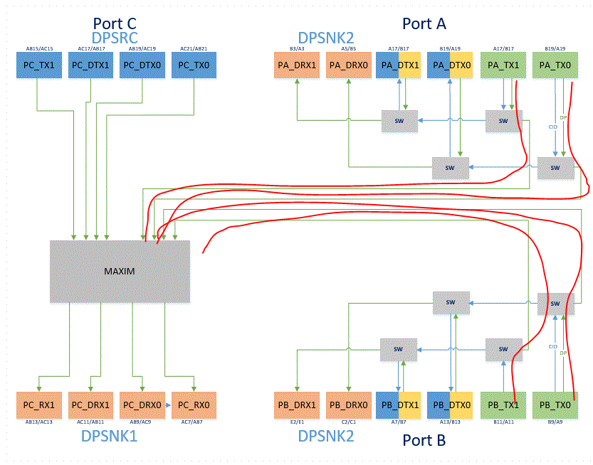
ITTO-620-0169 Maple Ridge x4 |  |  |  |  |  |  |  |  |  |  |  |  |  |  |  |  |  | 2019-06-03
2nd Priority
 | 1 mil match for N/P
 | 10 mils match between all red's

 |  |  |  |  |  |  |  |  |  |  |  |  |  |  |  |  |  |  |  |  |  |  |  | Less than
 |  |  |  |  |  |  |  |  |  |  |  |  |  |  |  |  | LOOPBACK(MM) | SITE1 | SITE3 | SITE5 | SITE7 | Diff pair (MM) |  | 1mil
 |  |  |  |  |  |  |  |  |  |  |  |  |  |  |  |  | max | 131.9975 | 131.9975 | 131.9975 | 131.9975 | max | 0.0033 | 0.0254mm
 |  |  |  |  |  |  |  |  |  |  |  |  |  |  |  |  | min | 131.9493 | 131.9493 | 131.9493 | 131.9493 |  |  | OK
 |  |  |  |  |  |  |  |  |  |  |  |  |  |  |  |  | Diff. | 0.0482 | 0.0482 | 0.0482 | 0.0482
 |  |  |  |  |  |  |  |  |  |  |  |  |  |  |  | Less than | 10mil | 0.254mm | 0.254mm | 0.254mm | 0.254mm
 |  |  |  |  |  |  |  |  |  |  |  |  |  |  |  |  |  | OK | OK | OK | OK
 |  | DUT to Cap(MM) |  |  |  | Cap to SW(MM) |  |  |  | SW to Cap(MM) |  |  |  | Cap to MAX(MM) |  |  |  | TOTAL(DUT - MAX) (MM) |  |  |  | Diff pair (MM)
Pin Location | Pin Name | SITE1 | SITE3 | SITE5 | SITE7 | SITE1 | SITE3 | SITE5 | SITE7 | SITE1 | SITE3 | SITE5 | SITE7 |  |  |  |  | SITE1 | SITE3 | SITE5 | SITE7 | SITE1 | SITE3 | SITE5 | SITE7
A19 | PA_TX0_P | 48.813 | 48.813 | 48.813 | 48.813 | 1.130 | 1.130 | 1.130 | 1.130 | 79.008 | 79.008 | 79.008 | 79.008 | 2.999 | 2.999 | 2.999 | 2.999 | 131.9493 | 131.9493 | 131.9493 | 131.9493 | 0.0016 | 0.0016 | 0.0016 | 0.0016
B19 | PA_TX0_N | 48.813 | 48.813 | 48.813 | 48.813 | 1.130 | 1.130 | 1.130 | 1.130 | 79.009 | 79.009 | 79.009 | 79.009 | 2.999 | 2.999 | 2.999 | 2.999 | 131.9509 | 131.9509 | 131.9509 | 131.9509
A17 | PA_TX1_P | 48.813 | 48.813 | 48.813 | 48.813 | 1.130 | 1.130 | 1.130 | 1.130 | 79.009 | 79.009 | 79.009 | 79.009 | 3.022 | 3.022 | 3.022 | 3.022 | 131.9729 | 131.9729 | 131.9729 | 131.9729 | 0.0033 | 0.0033 | 0.0033 | 0.0033
B17 | PA_TX1_N | 48.813 | 48.813 | 48.813 | 48.813 | 1.130 | 1.130 | 1.130 | 1.130 | 79.012 | 79.012 | 79.012 | 79.012 | 3.022 | 3.022 | 3.022 | 3.022 | 131.9762 | 131.9762 | 131.9762 | 131.9762
A9 | PB_TX0_P | 48.812 | 48.812 | 48.812 | 48.812 | 1.130 | 1.130 | 1.130 | 1.130 | 79.015 | 79.015 | 79.015 | 79.015 | 3.038 | 3.038 | 3.038 | 3.038 | 131.9950 | 131.9950 | 131.9950 | 131.9950 | 0.0025 | 0.0025 | 0.0025 | 0.0025
B9 | PB_TX0_N | 48.813 | 48.813 | 48.813 | 48.813 | 1.130 | 1.130 | 1.130 | 1.130 | 79.017 | 79.017 | 79.017 | 79.017 | 3.038 | 3.038 | 3.038 | 3.038 | 131.9975 | 131.9975 | 131.9975 | 131.9975
A11 | PB_TX1_P | 48.813 | 48.813 | 48.813 | 48.813 | 1.130 | 1.130 | 1.130 | 1.130 | 78.996 | 78.996 | 78.996 | 78.996 | 3.027 | 3.027 | 3.027 | 3.027 | 131.9657 | 131.9657 | 131.9657 | 131.9657 | 0.0027 | 0.0027 | 0.0027 | 0.0027
B11 | PB_TX1_N | 48.814 | 48.814 | 48.814 | 48.814 | 1.130 | 1.130 | 1.130 | 1.130 | 78.993 | 78.993 | 78.993 | 78.993 | 3.027 | 3.027 | 3.027 | 3.027 | 131.9630 | 131.9630 | 131.9630 | 131.9630

CIO_DP3
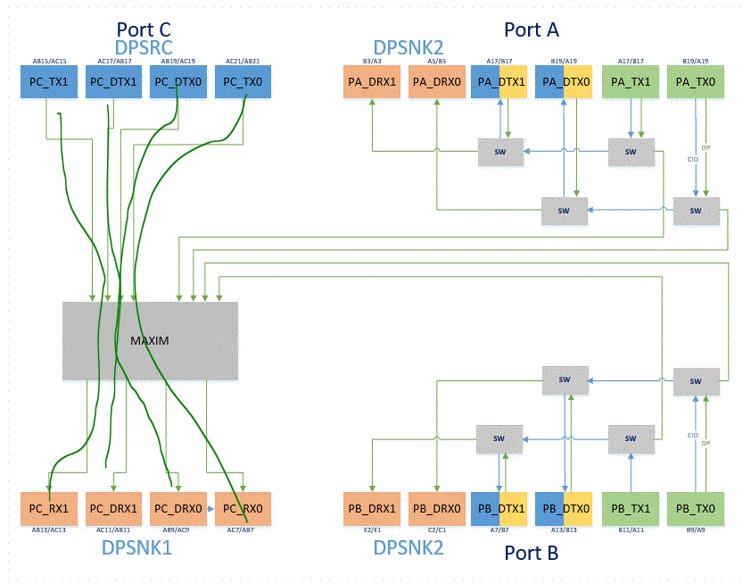
 | ITTO-620-0169 Maple Ridge x4 |  |  |  |  |  |  |  |  |  | 2019-06-03
 | Loop back CIO/DP 3(Port A-D)
 |  | 1 mil match for N/P
 |  | 10 mils match between all green's

 |  |  |  |  |  |  |  |  |  |  |  |  |  |  |  |  | Less than
 |  |  |  |  |  |  |  |  |  | LOOPBACK(MM) | SITE1 | SITE3 | SITE5 | SITE7 | Diff pair (MM) |  | 1mil
 |  |  |  |  |  |  |  |  |  | max | 334.5469 | 334.5469 | 334.5469 | 334.5469 | max | 0.0238 | 0.0254mm
 |  |  |  |  |  |  |  |  |  | min | 334.4910 | 334.4910 | 334.4910 | 334.4910 |  |  | OK
 |  |  |  |  |  |  |  |  |  | Diff. | 0.0559 | 0.0559 | 0.0559 | 0.0559
 |  |  |  |  |  |  |  |  | Less than | 10mil | 0.254mm | 0.254mm | 0.254mm | 0.254mm
 |  |  |  |  |  |  |  |  |  |  | OK | OK | OK | OK
 |  |  | DUT to Cap(MM) |  |  |  | Cap to SW(MM) |  |  |  | LOOPBACK (MM) |  |  |  | Diff pair (MM)
 | Pin Location | Pin Name | SITE1 | SITE3 | SITE5 | SITE7 | SITE1 | SITE3 | SITE5 | SITE7 | SITE1 | SITE3 | SITE5 | SITE7 | SITE1 | SITE3 | SITE5 | SITE7
1 | AC19 | D0P_PCSRC | 89.643 | 89.643 | 89.643 | 89.643 | 77.631 | 77.631 | 77.631 | 77.631 | 334.5231 | 334.5231 | 334.5231 | 334.5231 | 0.0238 | 0.0238 | 0.0238 | 0.0238
2 | AB19 | D0N_PCSRC | 89.646 | 89.646 | 89.646 | 89.646 | 77.642 | 77.642 | 77.642 | 77.642 | 334.5469 | 334.5469 | 334.5469 | 334.5469
3 | AC11 | D0P_PCSNK1 | 89.616 | 89.616 | 89.616 | 89.616 | 77.633 | 77.633 | 77.633 | 77.633
4 | AB11 | D0N_PCSNK1 | 89.616 | 89.616 | 89.616 | 89.616 | 77.643 | 77.643 | 77.643 | 77.643
5 | AB21 | D1P_PCSRC | 89.657 | 89.657 | 89.657 | 89.657 | 77.634 | 77.634 | 77.634 | 77.634 | 334.5408 | 334.5408 | 334.5408 | 334.5408 | 0.0009 | 0.0009 | 0.0009 | 0.0009
6 | AC21 | D1N_PCSRC | 89.657 | 89.657 | 89.657 | 89.657 | 77.634 | 77.634 | 77.634 | 77.634 | 334.5417 | 334.5417 | 334.5417 | 334.5417
8 | AB13 | D1P_PCSNK1 | 89.638 | 89.638 | 89.638 | 89.638 | 77.612 | 77.612 | 77.612 | 77.612
7 | AC13 | D1N_PCSNK1 | 89.638 | 89.638 | 89.638 | 89.638 | 77.613 | 77.613 | 77.613 | 77.613
9 | AC15 | D2P_PCSRC | 89.648 | 89.648 | 89.648 | 89.648 | 77.624 | 77.624 | 77.624 | 77.624 | 334.5167 | 334.5167 | 334.5167 | 334.5167 | 0.0150 | 0.0150 | 0.0150 | 0.0150
10 | AB15 | D2N_PCSRC | 89.645 | 89.645 | 89.645 | 89.645 | 77.632 | 77.632 | 77.632 | 77.632 | 334.5317 | 334.5317 | 334.5317 | 334.5317
11 | AC7 | D2P_PCSNK1 | 89.625 | 89.625 | 89.625 | 89.625 | 77.620 | 77.620 | 77.620 | 77.620
12 | AB7 | D2N_PCSNK1 | 89.625 | 89.625 | 89.625 | 89.625 | 77.630 | 77.630 | 77.630 | 77.630
13 | AB17 | D3P_PCSRC | 89.662 | 89.662 | 89.662 | 89.662 | 77.605 | 77.605 | 77.605 | 77.605 | 334.4910 | 334.4910 | 334.4910 | 334.4910 | 0.0233 | 0.0233 | 0.0233 | 0.0233
14 | AC17 | D3N_PCSRC | 89.662 | 89.662 | 89.662 | 89.662 | 77.617 | 77.617 | 77.617 | 77.617 | 334.5143 | 334.5143 | 334.5143 | 334.5143
16 | AB9 | D3P_PCSNK1 | 89.617 | 89.617 | 89.617 | 89.617 | 77.607 | 77.607 | 77.607 | 77.607
15 | AC9 | D3N_PCSNK1 | 89.617 | 89.617 | 89.617 | 89.617 | 77.619 | 77.619 | 77.619 | 77.619

PCIe_USB3.1_USB2
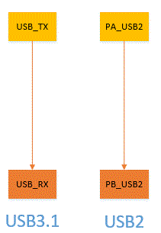
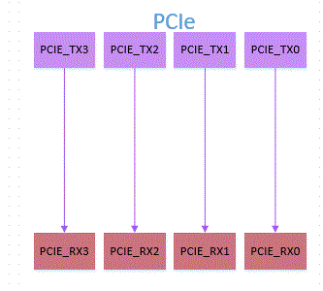
ITTO-620-0169 Maple Ridge x4 |  |  |  |  | 2019-04-26 |  |  |  |  |  |  |  |  |  |  |  |  |  |  |  |  | 1
Loop back PCIE,USB3.1
 | PCIe | 1 mil match for N/P |  |  |  |  |  |  |  |  |  | PCIe | LOOPBACK(MM) | SITE1 | SITE3 | SITE5 | SITE7
 | For PCIe it should be 5mils inside the group. |  |  |  |  |  |  |  |  |  |  |  | max | 104.2265 | 104.2265 | 104.2265 | 104.2265
 | USB3.1 | 1 mil match for N/P |  |  |  |  |  |  |  |  |  |  | min | 104.2246 | 104.2246 | 104.2246 | 104.2246
 | USB2 | 1 mil match for N/P |  |  |  |  |  |  |  |  |  |  | Diff. | 0.0019 | 0.0019 | 0.0019 | 0.0019
 |  |  |  |  |  |  |  |  |  |  |  | Less than | 5mil | 0.127mm | 0.127mm | 0.127mm | 0.127mm
 |  |  |  |  |  |  |  |  |  |  |  |  |  | OK | OK | OK | OK

 |  |  |  |  |  |  |  |  |  |  |  |  |  |  |  | Less than |  |  |  |  |  |  |  |  |  |  |  | Less than
 |  |  |  |  |  |  |  |  |  |  | LOOPBACK |  |  | Diff pair (MM) |  | 1mil |  |  | DUT to Jconnector |  |  |  |  |  |  | Diff pair (MM) |  | 1mil
 |  |  |  |  |  |  |  |  |  |  |  |  |  | max | 0.0013 | 0.0254mm |  |  |  |  |  |  |  |  |  | max | 0.0034 | 0.0254mm
 | PCIe |  |  |  |  |  |  |  |  |  |  |  |  |  |  | OK |  |  |  |  |  |  |  |  |  |  |  | OK
 |  | DUT to Cap(MM) |  |  |  |  |  |  |  | LOOPBACK (MM) |  |  |  | Diff pair (MM) |  |  |  | Inductor to Jconnector (MM) |  |  |  | Total (MM) |  |  |  | Diff pair (MM)
Pin Location | Pin Name | SITE1 | SITE3 | SITE5 | SITE7 |  |  |  |  | SITE1 | SITE3 | SITE5 | SITE7 | SITE1 | SITE3 | SITE5 | SITE7 | SITE1 | SITE3 | SITE5 | SITE7 | SITE1 | SITE3 | SITE5 | SITE7 | SITE1 | SITE3 | SITE5 | SITE7
V23 | P0P_TX | 49.813 | 49.813 | 49.813 | 49.813 |  |  |  |  | 104.2260 | 104.2260 | 104.2260 | 104.2260 | 0.0005 | 0.0005 | 0.0005 | 0.0005 | 149.0635 | 149.0635 | 149.1625 | 149.1625 | 198.876 | 198.876 | 198.975 | 198.975 | 0.0009 | 0.0009 | 0.0014 | 0.0014
V22 | P0N_TX | 49.813 | 49.813 | 49.813 | 49.813 |  |  |  |  | 104.2265 | 104.2265 | 104.2265 | 104.2265 |  |  |  |  | 149.0622 | 149.0622 | 149.1607 | 149.1607 | 198.875 | 198.875 | 198.974 | 198.974
Y23 | P0P_RX | 54.413 | 54.413 | 54.413 | 54.413 |  |  |  |  |  |  |  |  |  |  |  |  | 152.1369 | 152.1369 | 152.1537 | 152.1537 | 206.550 | 206.550 | 206.567 | 206.567 | 0.0014 | 0.0014 | 0.0013 | 0.0013
Y22 | P0N_RX | 54.413 | 54.413 | 54.413 | 54.413 |  |  |  |  |  |  |  |  |  |  |  |  | 152.1354 | 152.1354 | 152.1523 | 152.1523 | 206.549 | 206.549 | 206.566 | 206.566
P23 | P1P_TX | 49.812 | 49.812 | 49.812 | 49.812 |  |  |  |  | 104.2246 | 104.2246 | 104.2246 | 104.2246 | 0.0002 | 0.0002 | 0.0002 | 0.0002 | 149.1312 | 149.1312 | 149.142 | 149.142 | 198.943 | 198.943 | 198.954 | 198.954 | 0.0024 | 0.0024 | 0.0009 | 0.0009
P22 | P1N_TX | 49.812 | 49.812 | 49.812 | 49.812 |  |  |  |  | 104.2248 | 104.2248 | 104.2248 | 104.2248 |  |  |  |  | 149.1287 | 149.1287 | 149.141 | 149.141 | 198.941 | 198.941 | 198.953 | 198.953
T23 | P1P_RX | 54.412 | 54.412 | 54.412 | 54.412 |  |  |  |  |  |  |  |  |  |  |  |  | 152.1359 | 152.1359 | 152.1064 | 152.1064 | 206.548 | 206.548 | 206.519 | 206.519 | 0.0034 | 0.0034 | 0.0008 | 0.0008
T22 | P1N_RX | 54.413 | 54.413 | 54.413 | 54.413 |  |  |  |  |  |  |  |  |  |  |  |  | 152.1392 | 152.1392 | 152.1055 | 152.1055 | 206.552 | 206.552 | 206.518 | 206.518
K23 | P2P_TX | 49.812 | 49.812 | 49.812 | 49.812 |  |  |  |  | 104.2246 | 104.2246 | 104.2246 | 104.2246 | 0.0002 | 0.0002 | 0.0002 | 0.0002 | 149.1215 | 149.1215 | 149.1164 | 149.1164 | 198.934 | 198.934 | 198.928 | 198.928 | 0.0027 | 0.0027 | 0.0003 | 0.0003
K22 | P2N_TX | 49.812 | 49.812 | 49.812 | 49.812 |  |  |  |  | 104.2248 | 104.2248 | 104.2248 | 104.2248 |  |  |  |  | 149.1186 | 149.1186 | 149.1165 | 149.1165 | 198.931 | 198.931 | 198.929 | 198.929
M23 | P2P_RX | 54.413 | 54.413 | 54.413 | 54.413 |  |  |  |  |  |  |  |  |  |  |  |  | 152.0702 | 152.0702 | 152.098 | 152.098 | 206.483 | 206.483 | 206.511 | 206.511 | 0.0014 | 0.0014 | 0.0031 | 0.0031
M22 | P2N_RX | 54.413 | 54.413 | 54.413 | 54.413 |  |  |  |  |  |  |  |  |  |  |  |  | 152.0716 | 152.0716 | 152.1011 | 152.1011 | 206.484 | 206.484 | 206.514 | 206.514
F23 | P3P_TX | 49.812 | 49.812 | 49.812 | 49.812 |  |  |  |  | 104.2246 | 104.2246 | 104.2246 | 104.2246 | 0.0000 | 0.0000 | 0.0000 | 0.0000 | 149.1229 | 149.1229 | 149.0759 | 149.0759 | 198.935 | 198.935 | 198.888 | 198.888 | 0.0000 | 0.0000 | 0.0016 | 0.0016
F22 | P3N_TX | 49.812 | 49.812 | 49.812 | 49.812 |  |  |  |  | 104.2246 | 104.2246 | 104.2246 | 104.2246 |  |  |  |  | 149.123 | 149.123 | 149.0744 | 149.0744 | 198.935 | 198.935 | 198.887 | 198.887
H23 | P3P_RX | 54.412 | 54.412 | 54.412 | 54.412 |  |  |  |  |  |  |  |  |  |  |  |  | 152.08 | 152.08 | 152.1014 | 152.1014 | 206.492 | 206.492 | 206.514 | 206.514 | 0.0033 | 0.0033 | 0.0025 | 0.0025
H22 | P3N_RX | 54.412 | 54.412 | 54.412 | 54.412 |  |  |  |  |  |  |  |  |  |  |  |  | 152.0832 | 152.0832 | 152.0988 | 152.0988 | 206.496 | 206.496 | 206.511 | 206.511

 | USB3.1
 |  | DUT to RELAY(MM) |  |  |  | RELAY to CAP(MM) |  |  |  | LOOPBACK (MM) |  |  |  | Diff pair (MM) |  |  |  | RELAY to Jconnector (MM) |  |  |  | Total (MM) |  |  |  | Diff pair (MM)
Pin Location | Pin Name | SITE1 | SITE3 | SITE5 | SITE7 | SITE1 | SITE3 | SITE5 | SITE7 | SITE1 | SITE3 | SITE5 | SITE7 | SITE1 | SITE3 | SITE5 | SITE7 | SITE1 | SITE3 | SITE5 | SITE7 | SITE1 | SITE3 | SITE5 | SITE7 | SITE1 | SITE3 | SITE5 | SITE7
E20 | PA_USB2_D_P | 63.014 | 63.014 | 63.013 | 63.013 | 17.791 | 17.791 | 17.791 | 17.791 | 179.5272 | 179.5272 | 179.5276 | 179.5276 | 0.0007 | 0.0007 | 0.0013 | 0.0013 | 203.4752 | 203.4752 | 197.0486 | 197.0486 | 266.489 | 266.489 | 260.061 | 260.061 | 0.0005 | 0.0005 | 0.0027 | 0.0027
D20 | PA_USB2_D_N | 63.013 | 63.013 | 63.014 | 63.014 | 17.789 | 17.789 | 17.789 | 17.789 | 179.5265 | 179.5265 | 179.5289 | 179.5289 |  |  |  |  | 203.4758 | 203.4758 | 197.0504 | 197.0504 | 266.489 | 266.489 | 260.064 | 260.064
E19 | PB_USB2_D_P | 85.012 | 85.012 | 85.014 | 85.014 | 13.711 | 13.711 | 13.711 | 13.711 |  |  |  |  |  |  |  |  | 220.5673 | 220.5673 | 219.5842 | 219.5842 | 305.579 | 305.579 | 304.598 | 304.598 | 0.0023 | 0.0023 | 0.0015 | 0.0015
D19 | PB_USB2_D_N | 85.013 | 85.013 | 85.014 | 85.014 | 13.713 | 13.713 | 13.713 | 13.713 |  |  |  |  |  |  |  |  | 220.5646 | 220.5646 | 219.5853 | 219.5853 | 305.577 | 305.577 | 304.600 | 304.600

 | USB2
 |  | DUT to Cap(MM) |  |  |  |  |  |  |  | LOOPBACK (MM) |  |  |  | Diff pair (MM) |  |  |  | Inductor to Jconnector (MM) |  |  |  | Total (MM) |  |  |  | Diff pair (MM)
Pin Location | Pin Name | SITE1 | SITE3 | SITE5 | SITE7 |  |  |  |  | SITE1 | SITE3 | SITE5 | SITE7 | SITE1 | SITE3 | SITE5 | SITE7 | SITE1 | SITE3 | SITE5 | SITE7 | SITE1 | SITE3 | SITE5 | SITE7 | SITE1 | SITE3 | SITE5 | SITE7
AC5 | USB_TX_P | 45.362 | 45.362 | 45.362 | 45.362 |  |  |  |  | 91.8639 | 91.8639 | 91.8639 | 91.8639 | 0.0000 | 0.0000 | 0.0000 | 0.0000 | 164.0038 | 164.0038 | 183.6344 | 183.6344 | 209.366 | 209.366 | 228.997 | 228.997 | 0.0022 | 0.0022 | 0.0032 | 0.0032
AB5 | USB_TX_N | 45.362 | 45.362 | 45.362 | 45.362 |  |  |  |  | 91.8639 | 91.8639 | 91.8639 | 91.8639 |  |  |  |  | 164.0059 | 164.0059 | 183.6311 | 183.6311 | 209.368 | 209.368 | 228.993 | 228.993
AC3 | USB_RX_P | 46.502 | 46.502 | 46.502 | 46.502 |  |  |  |  |  |  |  |  |  |  |  |  | 186.7443 | 186.7443 | 210.6776 | 210.6776 | 233.246 | 233.246 | 257.179 | 257.179 | 0.0002 | 0.0002 | 0.0031 | 0.0031
AB3 | USB_RX_N | 46.502 | 46.502 | 46.502 | 46.502 |  |  |  |  |  |  |  |  |  |  |  |  | 186.7442 | 186.7442 | 210.6808 | 210.6808 | 233.246 | 233.246 | 257.183 | 257.183

25MHz_CLK
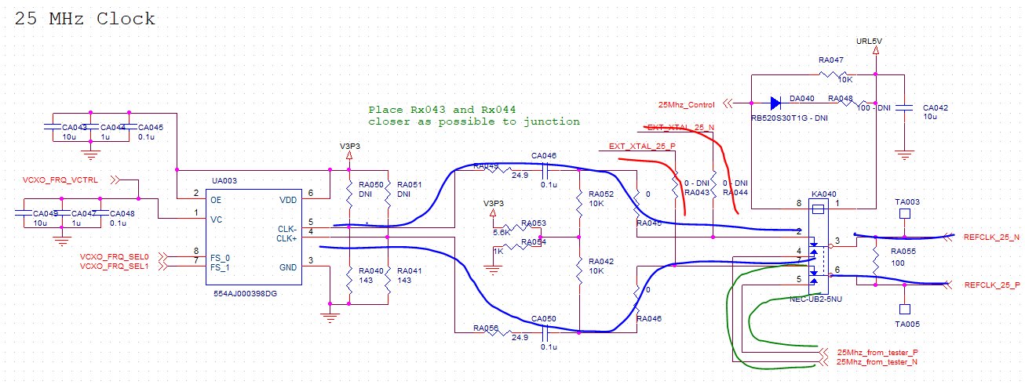
ITTO-620-0169 Maple Ridge x4 |  |  |  |  |  |  |  |  |  |  |  |  |  | 2019-04-26
25MHz CLK
 | 5 mils match for N/P for blue, red and green
 | no match is needed between blue and red
 | make them shorter as possible

 |  |  |  |  |  |  |  |  |  |  |  |  |  |  |  |  |  |  |  |  |  |  |  | Bule |  | SITE1 | SITE3 | SITE5 | SITE7
 |  |  |  |  |  |  |  |  |  |  |  |  |  |  |  |  |  |  |  |  |  |  |  | Less than | 5mil | 0.127mm | 0.127mm | 0.127mm | 0.127mm
 |  |  |  |  |  |  |  |  |  |  |  |  |  |  |  |  |  |  |  |  |  |  |  |  |  | OK | OK | OK | OK
Blue |  | DUT to Relay(MM) |  |  |  | Relay to Resistor(MM) |  |  |  | Resistor to Cap(MM) |  |  |  | Cap to Resistor(MM) |  |  |  | Resistor to VCXO(MM) |  |  |  | Total(MM) |  |  |  | Diff pair (MM)
Pin Location | Pin Name | SITE1 | SITE3 | SITE5 | SITE7 | SITE1 | SITE3 | SITE5 | SITE7 | SITE1 | SITE3 | SITE5 | SITE7 | SITE1 | SITE3 | SITE5 | SITE7 | SITE1 | SITE3 | SITE5 | SITE7 | SITE1 | SITE3 | SITE5 | SITE7 | SITE1 | SITE3 | SITE5 | SITE7
D22 | REFCLK_25_N_IN | 58.012 | 58.012 | 58.012 | 58.012 | 29.976 | 29.976 | 29.976 | 29.976 | 2.443 | 2.443 | 2.443 | 2.443 | 1.173 | 1.173 | 1.173 | 1.173 | 5.893 | 5.893 | 5.893 | 5.893 | 97.497 | 97.497 | 97.496 | 97.496 | 0.0001 | 0.0001 | 0.0001 | 0.0001
D23 | REFCLK_25_P_OUT | 58.012 | 58.012 | 58.012 | 58.012 | 29.976 | 29.976 | 29.976 | 29.976 | 2.443 | 2.443 | 2.443 | 2.443 | 1.173 | 1.173 | 1.173 | 1.173 | 5.893 | 5.893 | 5.893 | 5.893 | 97.497 | 97.497 | 97.496 | 97.496

 |  |  |  |  |  |  |  |  |  |  |  |  |  |  |  | Red |  | SITE1 | SITE3 | SITE5 | SITE7
 |  |  |  |  |  |  |  |  |  |  |  |  |  |  |  | Less than | 5mil | 0.127mm | 0.127mm | 0.127mm | 0.127mm
 |  |  |  |  |  |  |  |  |  |  |  |  |  |  |  |  |  | OK | OK | OK | OK
Red |  | DUT to Relay(MM) |  |  |  | Relay to Resistor(MM) |  |  |  | Resistor to Xtal(MM) |  |  |  | Total(MM) |  |  |  | Diff pair (MM)
Pin Location | Pin Name | SITE1 | SITE3 | SITE5 | SITE7 | SITE1 | SITE3 | SITE5 | SITE7 | SITE1 | SITE3 | SITE5 | SITE7 | SITE1 | SITE3 | SITE5 | SITE7 | SITE1 | SITE3 | SITE5 | SITE7
D22 | REFCLK_25_N_IN | 58.012 | 58.012 | 58.012 | 58.012 | 29.976 | 29.976 | 29.976 | 29.976 | 17.800 | 17.800 | 17.800 | 17.800 | 105.788 | 105.788 | 105.788 | 105.788 | 0.0022 | 0.0022 | 0.0022 | 0.0022
D23 | REFCLK_25_P_OUT | 58.012 | 58.012 | 58.012 | 58.012 | 29.976 | 29.976 | 29.976 | 29.976 | 17.802 | 17.802 | 17.802 | 17.802 | 105.790 | 105.790 | 105.790 | 105.790

 |  |  |  |  |  |  |  |  |  |  |  | Green |  | SITE1 | SITE3 | SITE5 | SITE7
 |  |  |  |  |  |  |  |  |  |  |  | Less than | 5mil | 0.127mm | 0.127mm | 0.127mm | 0.127mm
 |  |  |  |  |  |  |  |  |  |  |  |  |  | OK | OK | OK | OK
Green |  | DUT to Relay(MM) |  |  |  | Relay to Jconnector(MM) |  |  |  | Total(MM) |  |  |  | Diff pair (MM)
Pin Location | Pin Name | SITE1 | SITE3 | SITE5 | SITE7 | SITE1 | SITE3 | SITE5 | SITE7 | SITE1 | SITE3 | SITE5 | SITE7 | SITE1 | SITE3 | SITE5 | SITE7
D22 | REFCLK_25_N_IN | 58.012 | 58.012 | 58.012 | 58.012 | 175.414 | 175.414 | 175.451 | 175.451 | 233.427 | 233.427 | 233.463 | 233.463 | 0.0004 | 0.0004 | 0.0040 | 0.0040
D23 | REFCLK_25_P_OUT | 58.012 | 58.012 | 58.012 | 58.012 | 175.415 | 175.415 | 175.447 | 175.447 | 233.427 | 233.427 | 233.459 | 233.459

100MHz_CLK
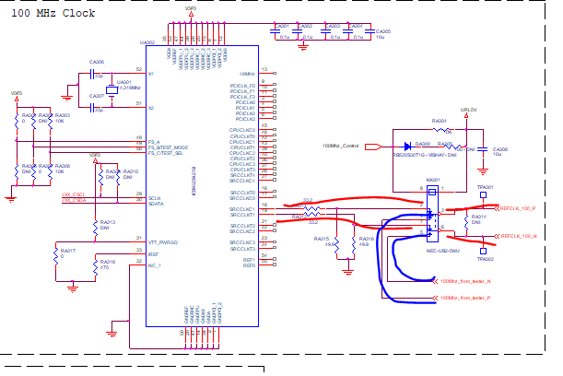
ITTO-620-0169 Maple Ridge x4 |  |  |  |  |  |  |  |  |  |  |  |  |  | 2019-04-26
100MHz CLK
 | 5 mils match for N/P for both blue and red
 | no match is needed between blue and red
 | make them shorter as possible

 |  |  |  |  |  |  |  |  |  |  |  |  |  |  |  | Red |  | SITE1 | SITE3 | SITE5 | SITE7
 |  |  |  |  |  |  |  |  |  |  |  |  |  |  |  | Less than | 5mil | 0.127mm | 0.127mm | 0.127mm | 0.127mm
 |  |  |  |  |  |  |  |  |  |  |  |  |  |  |  |  |  | OK | OK | OK | OK
Red |  | DUT to Relay(MM) |  |  |  | Relay to Resistor(MM) |  |  |  | Resistor to Xtal(MM) |  |  |  | Total(MM) |  |  |  | Diff pair (MM)
Pin Location | Pin Name | SITE1 | SITE3 | SITE5 | SITE7 | SITE1 | SITE3 | SITE5 | SITE7 | SITE1 | SITE3 | SITE5 | SITE7 | SITE1 | SITE3 | SITE5 | SITE7 | SITE1 | SITE3 | SITE5 | SITE7
V19 | REFCLK_100_P | 70.378 | 70.378 | 70.374 | 70.374 | 17.918 | 17.918 | 17.918 | 17.918 | 5.006 | 5.006 | 5.006 | 5.006 | 93.301 | 93.301 | 93.297 | 93.297 | 0.0110 | 0.0110 | 0.0110 | 0.0110
T19 | REFCLK_100_N | 70.375 | 70.375 | 70.371 | 70.371 | 17.917 | 17.917 | 17.917 | 17.917 | 4.998 | 4.998 | 4.998 | 4.998 | 93.290 | 93.290 | 93.286 | 93.286

 |  |  |  |  |  |  |  |  |  |  |  | Blue |  | SITE1 | SITE3 | SITE5 | SITE7
 |  |  |  |  |  |  |  |  |  |  |  | Less than | 5mil | 0.127mm | 0.127mm | 0.127mm | 0.127mm
 |  |  |  |  |  |  |  |  |  |  |  |  |  | OK | OK | OK | OK
Blue |  | DUT to Relay(MM) |  |  |  | Relay to Jconnector(MM) |  |  |  | Total(MM) |  |  |  | Diff pair (MM)
Pin Location | Pin Name | SITE1 | SITE3 | SITE5 | SITE7 | SITE1 | SITE3 | SITE5 | SITE7 | SITE1 | SITE3 | SITE5 | SITE7 | SITE1 | SITE3 | SITE5 | SITE7
V19 | REFCLK_100_P | 70.378 | 70.378 | 70.374 | 70.374 | 97.721 | 97.721 | 97.702 | 97.702 | 168.099 | 168.099 | 168.076 | 168.076 | 0.0004 | 0.0004 | 0.0042 | 0.0042
T19 | REFCLK_100_N | 70.375 | 70.375 | 70.371 | 70.371 | 97.724 | 97.724 | 97.701 | 97.701 | 168.099 | 168.099 | 168.072 | 168.072

