HeaderSection
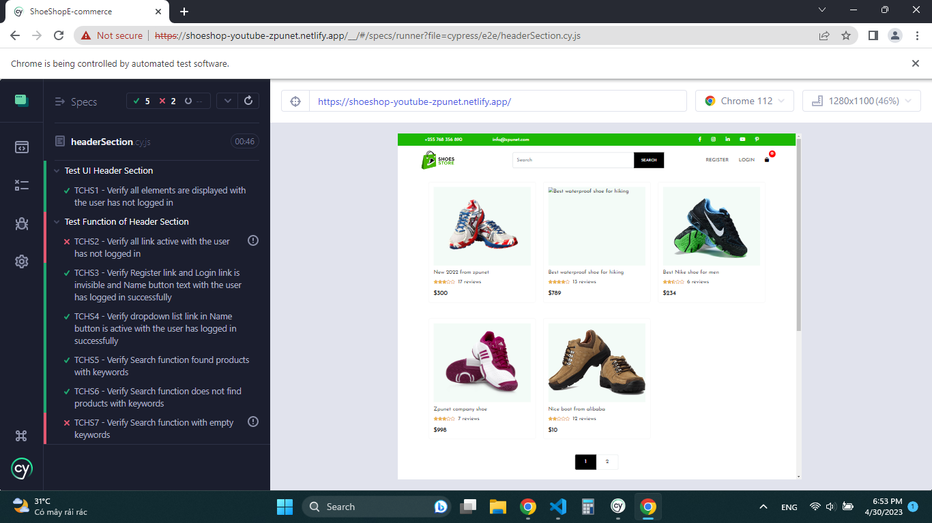
 |  | Header Section |  |  |  |  |  |  |  | https://shoeshop-youtube-zpunet.netlify.app/

TC ID | Test Scenario | Test Description | Pre Condition | Step | Test Data | Expected result | Actual results | Status | Note
TCHS1 | Test UI | Verify all elements are displayed with the user has not logged in |  | 1. Visit https://shoeshop-youtube-zpunet.netlify.app 2. Verify Phone number displays correctly 3. Verify Email displays correctly 4. Verify Facebook link displays 5. Verify Instagram link displays 6. Verify LinkedIn link displays 7. Verify Youtube link displays 8. Verify Pinterest link displays 9. Verify logo is display 10. Verify search input has placeholder="Search" 11. Verify search button contains uppercase text "SEARCH" 12. Verify Register link contains uppercase text "REGISTER" 13. Verify login link contains uppercase text "LOGIN" 14. Verify Shopping cart icon display, badge has red background color |  | 1. Phone number = "+255 768 356 890" 2. Email = "info@zpunet.com" 3. facebook icon is displayed 4. instagram icon is displayed 5. LinkedIn icon is displayed 6. Youtube icon is displayed 7. Pinterest icon is displayed 8. Logo image is displayed 9. search input's placeholder = "Search" 10. Search button's text = "SEARCH" 11. Register link's text = "REGISTER" 12. Login link's text = "LOGIN" 13. Shopping cart icon is displayed 14. Badge span has red background color | All elements are displayed like expected result | PASS
TCHS2 | Test Functions | Verify all link active with the user has not logged in |  | 1. Visit https://shoeshop-youtube-zpunet.netlify.app 2. Click on Facebook link 3. Click on Instagram link 4. Click on LinkedIn link 5. Click on Youtube link 6. Click on Pinterest link 7. Click on logo 8. Click on Register link 9. Click on Login link 10. Click on Shopping cart link |  | 1. Visit on https://www.facebook.com/ 2. Visit on https://www.instagram.com/ 3. Visit on https://www.linkedin.com/ 4. Visit on https://www.youtube.com/ 5. Visit on https://www.pinterest.com/ 6. Visit on https://shoeshop-youtube-zpunet.netlify.app 7. Visit on https://shoeshop-youtube-zpunet.netlify.app/register 8. Visit on https://shoeshop-youtube-zpunet.netlify.app/login 9. Visit on https://shoeshop-youtube-zpunet.netlify.app/cart | 1. Facebook link is not active 2. Instagram link is not active 3. LinkedIn link is not active 4. Youtube link is not active 5. Pinterest link is not active | FAIL
TCHS3 |  | Verify Register link and Login link is invisible and Name button text with the user has logged in successfully | User account has already existed | 1. Visit https://shoeshop-youtube-zpunet.netlify.app 2. Click on Login link 3. Input a valid email 4. Input a valid password 5. Click on Login button | email = "user123@gmail.com" pass = "A23c46@" | 1. Register link is invisible 2. Login link is invisible 3. Name button is displayed with text = " Hi," + userName | 1. Register link is invisible 2. Login link is invisible 3. Name button is displayed with text = " Hi," + userName | PASS
TCHS4 |  | Verify dropdown list link in Name button is active with the user has logged in successfully | User has logined successfully | 1. Visit https://shoeshop-youtube-zpunet.netlify.app/ 2. Click on Login link 3. Input a valid email 4. Input a valid password 5. Click on Login button 6. Click on Name button "Hi," + userName 7. Click on Profile 8. Click on Name button "Hi," + userName 9. Click on Logout | email = "user123@gmail.com" pass = "123456" | 1. Visit on https://shoeshop-youtube-zpunet.netlify.app/profile When logout: 2. Register link is displayed 3. Login link is displayed | 1. Visit on https://shoeshop-youtube-zpunet.netlify.app/profile When logout: 2. Register link is displayed 3. Login link is displayed | PASS
TCHS5 |  | Verify Search function found products with keywords |  | 1. Visit https://shoeshop-youtube-zpunet.netlify.app 2. Input keyword "shoe for men" 3. Click on Search button | keyword = " shoe for men" | 1. display products have "shoe for men" key word | 1. A product display have text cotaining "shoe for men" | PASS
TCHS6 |  | Verify Search function does not find products with keywords |  | 1. Visit https://shoeshop-youtube-zpunet.netlify.app 2. Input keyword "12" 3. Click on Search button | keyword = " 12" | There are not any products are displayed | There are not any products are display | PASS
TCHS7 |  | Verify Search function with empty keywords |  | 1. Visit https://shoeshop-youtube-zpunet.netlify.app 2. Click on Search button |  | Show validationMessage with text "Please fill out this field." | The message does not show | FAIL | https://docs.cypress.io/faq/questions/using-cypress-faq#Can-I-check-that-a-forms-HTML-form-validation-is-shown-when-an-input-is-invalid

 |  |  |  |  |  |  |  | Automation 2 Fail: TCHS2, TCHS7

FooterSection
 | Subscribe, Contact Information, Footer Section

TC ID | Test Scenario | Test Description | Step | Test Data | Expected result | Actual results | Status | Note
TCFS1 | Test UI Subscribe Section | Verify all elements are displayed correctly | 1. Visit https://shoeshop-youtube-zpunet.netlify.app 2. Verify Background image 3. Verify uppercase text "DO YOU NEED MORE TIPS?" 4. Verify text "Sign up free and get the latest tips." 5. Verify Email with placeholder="Your Email..." 6. Verify "YES. I WANT!" button with green backround color and text "YES. I WANT!" | text: "DO YOU NEED MORE TIP?" text: "Sign up free and get the latest tips." placeholder: "Your Email..." Color: #1cb803 text: "YES. I WANT!" |  |  | Pass | Background image: https://sasshoes-com.s3.us-west-2.amazonaws.com/img/banner-uplift-21.jpg | 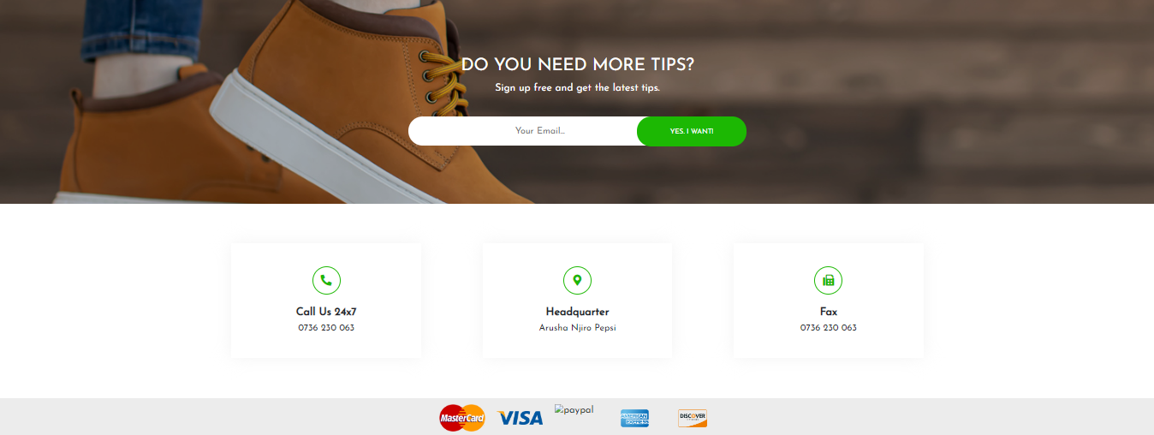
TCFS2 | Test Functional Subscribe Section | Verify that the email is subscribed successfully with a valid email format. | 1. Visit https://shoeshop-youtube-zpunet.netlify.app 2. Input a valid email 3. Click on "YES. I WANT!" button | email: "anh@gmail.com" | Show a message: "Thank you for subscribing" | The message does not show | Fail | can also show an alert
TCFS3 |  | Verify that the email cannot be subscribed successfully with empty email. | 1. Visit https://shoeshop-youtube-zpunet.netlify.app 3. Click on "YES. I WANT!" button |  | Show a validation message: | The validation message does not show | Fail
TCFS4 |  | Verify that the email cannot be subscribed successfully an invalid email format. | 1. Visit https://shoeshop-youtube-zpunet.netlify.app 2. Input an invalid email 3. Click on "YES. I WANT!" button | 1. anh 2. anh@ 3. anh@gma#il.com 4. anh@gmail.com. 5. anh@gmail 6. anh@gmail.1 |  |  | Fail
TCFS5 | Test UI Contact Information Section | Verify all elements are displayed correctly | 1. Visit https://shoeshop-youtube-zpunet.netlify.app 2. Verify Phone icon is displayed 3. Verify heading "Call Us 24x7" text 4. Verify Phone Number "0736 230 063" 5. Verify map icon is displayed 6. Verify heading "Headquarter" text 7. Verify address "Arusha Njiro Pepsi" text 8. Verify Fax icon is displayed 9. Verify heading " Fax" text 10. Verify Fax Number "0736 230 063" |  |  |  | Pass
TCFS6 | Test UI Footer Section | Verify all images are displayed | 1. Visit https://shoeshop-youtube-zpunet.netlify.app 2. Verify Mastercard image is displayed 3. Verify Visa image is displayed 4. Verify Paypal image is displayed 5. Verify Express image is displayed 6. Verify Discover image is displayed |  |  |  | Fail

HomePage
 |  | Home Page |  |  |  |  |  |  |  |  | https://shoeshop-youtube-zpunet.netlify.app/

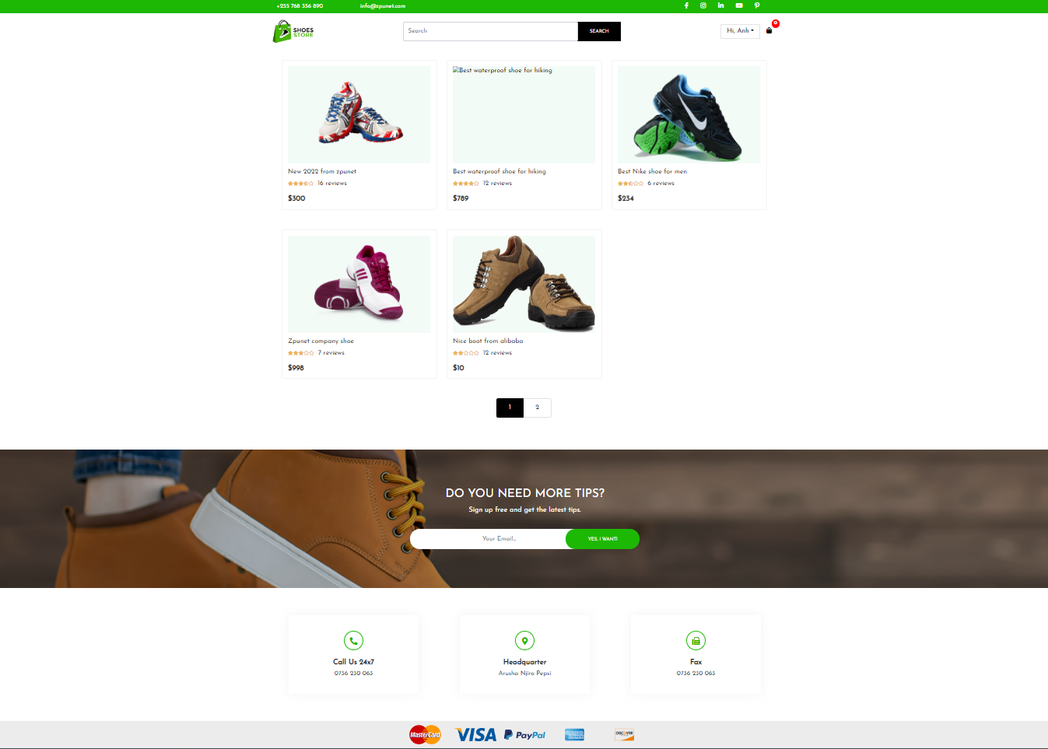
TC ID | Test Scenario | Test Description | Pre Condition | Step | Test Data | Expected result | Actual results | Status | Note
TCHP1 | Test UI Shop Container Section | Verify the details of each product displays: name, image, rating, the number of reviews, price |  | 1. Visit https://shoeshop-youtube-zpunet.netlify.app 2. Verify all images are displayed 3. Verify all names are displayed 4. Verify all ratings are displayed 5. Verify al review numbers are displayed. 6. Verify all prices are displayed |  | 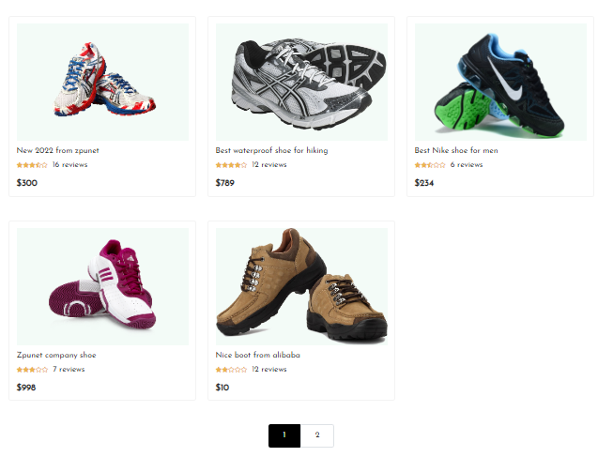 | 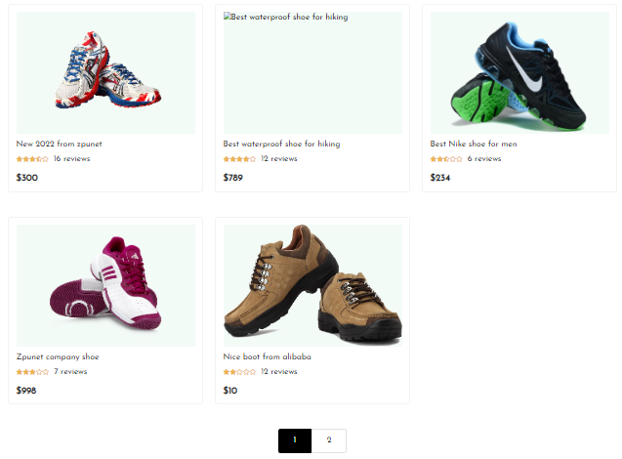 | FAIL | https://www.pngplay.com/wp-content/uploads/12/Running-Shoes-Transparent-Free-PNG-Clip-Art.png | Cypress: Validating Count of Elements on the Page
TCHP2 | Test Functional Shop Container Section | Verify all link active when click on each of images |  | 1. Visit https://shoeshop-youtube-zpunet.netlify.app/ 2. Click on each image in turn |  | 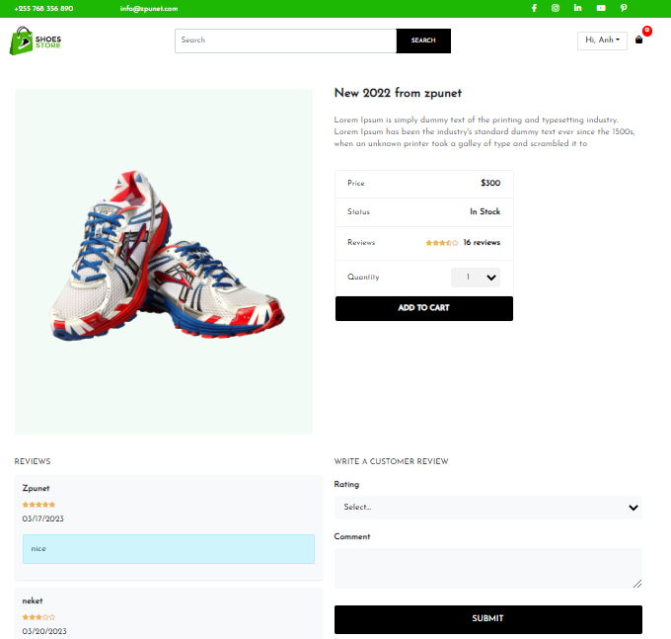 1. Visit Product Detail Page in turn | 1. Visit Product Detail Page in turn | PASS
TCHP3 |  | Verify all link active when click on each product name |  | 1. Visit https://shoeshop-youtube-zpunet.netlify.app/ 2. Click on each name in turn |  | 1.Visit Product Detail page in turn | 1.Visit Product Detail page in turn | PASS
TCHP4 |  | Verify Page 1 link is disabled click and others can click on and have active link |  | 1. Visit https://shoeshop-youtube-zpunet.netlify.app/ 2. Verify page 1 link has black background color and disabled click 3. Click on Page 2 link |  | 1. Page 1 link has black background color and disabled click 2. Page 2 link can click and visit https://shoeshop-youtube-zpunet.netlify.app/page/2 | 1. Page 1 link has black background color and enabled click 2. Page 2 link can click and visit https://shoeshop-youtube-zpunet.netlify.app/page/2 | FAIL

ProductsPage2
 |  | Product Page 2 |  |  |  |  |  |  |  | https://shoeshop-youtube-zpunet.netlify.app/

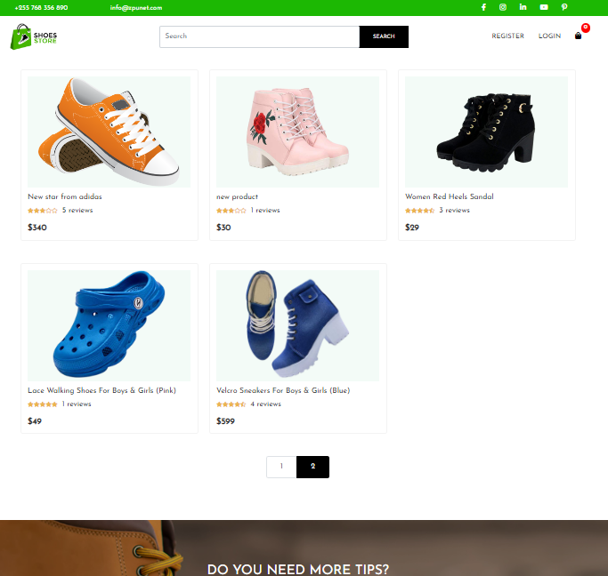
TC ID | Test Scenario | Test Description | Pre Condition | Step | Expected result | Actual results | Status | Note
TCPP2-1 | Test UI Shop Container Section | Verify the details of each product displays: name, image, rating, the number of reviews, price |  | 1. Visit https://shoeshop-youtube-zpunet.netlify.app 2. Verify all images are displayed 3. Verify all names are displayed 4. Verify all ratings are displayed 5. Verify al review numbers are displayed. 6. Verify all prices are displayed | 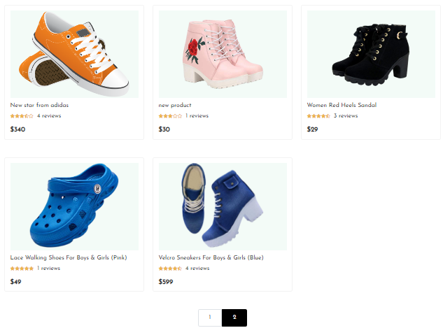 |  | PASS |  | Cypress: Validating Count of Elements on the Page
TCPP2-2 | Test Functional Shop Container Section | Verify all link active when click on each of images |  | 1. Visit https://shoeshop-youtube-zpunet.netlify.app/ 2. Click on each image in turn | 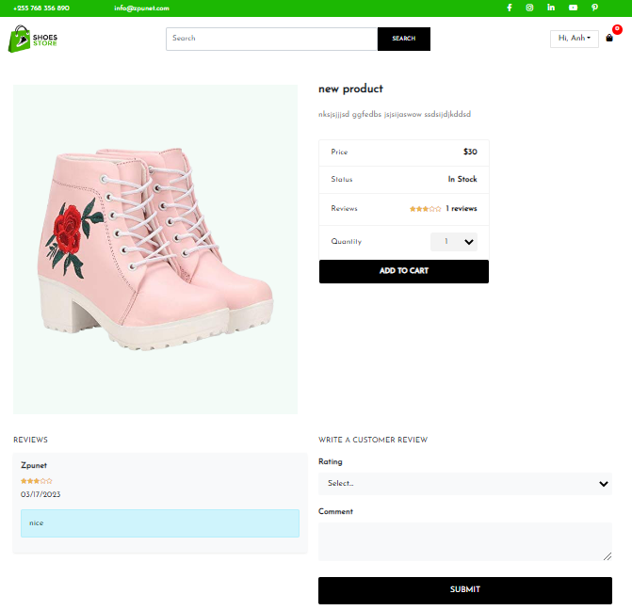 1. Visit Product Detail Page in turn | 1. Visit Product Detail Page in turn | PASS
TCPP2-3 |  | Verify all link active when click on each product name |  | 1. Visit https://shoeshop-youtube-zpunet.netlify.app/ 2. Click on each name in turn | 1.Visit Product Detail page in turn | 1.Visit Product Detail page in turn | PASS
TCPP2-4 |  | Verify Page 2 link is disabled click and others can click on and have active link |  | 1. Visit https://shoeshop-youtube-zpunet.netlify.app/ 2. Verify page 2 link has black background color and disabled click 3. Click on Page 1 link | 1. Page 2 link has black background color and disabled click 2. Page 1 link can click and visit https://shoeshop-youtube-zpunet.netlify.app/page/1 | 1. Page 2 link has black background color and enabled click 2. Page 1 link can click and visit https://shoeshop-youtube-zpunet.netlify.app/page/2 | FAIL

LoginPage
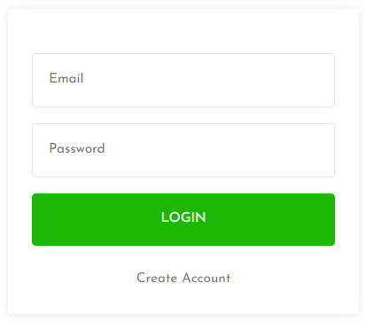
 |  | Login Page |  |  |  |  |  |  |  | https://shoeshop-youtube-zpunet.netlify.app/

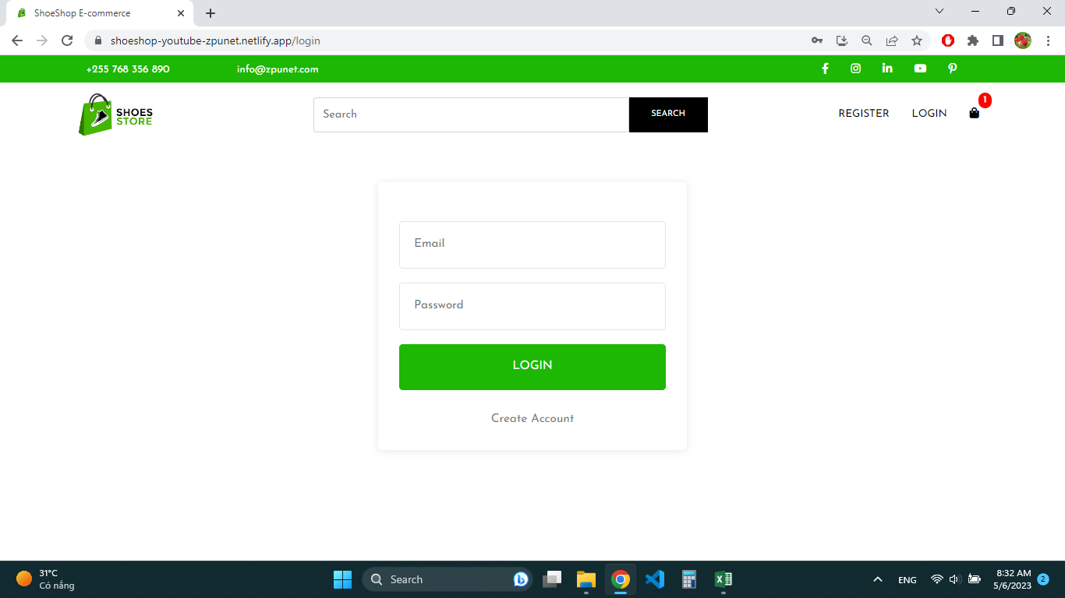
TC ID | Test Scenario | Test Description | Pre Condition | Step | Test Data | Expected result | Actual results | Status | Note
TCLG1 | Test UI Login Page | Verify all elements are displayed correctly |  | 1. Visit https://shoeshop-youtube-zpunet.netlify.app 2. Click on Login link 3. Verify form Login has box shadow 4. Verify Email input has placeholder = "Email", boder-color: #e4e4e4 5. Verify Password input has placeholder = "Password", boder-color: #e4e4e4 and type="password" 6. Verify Login button has white text color, text ="Login", and green background color 7. Verify Create Account link has text =" Create Account" color: #7a7a7a; | box-shadow: 0 1px 11px hsla(0,0%,65.9%,.27) |  |  | PASS
TCLG2 | Test Functional Shop Container Section | Verify Create Account link has active link |  | 1. Visit https://shoeshop-youtube-zpunet.netlify.app 2. Click on Login link 3. Click on Create Account link |  | 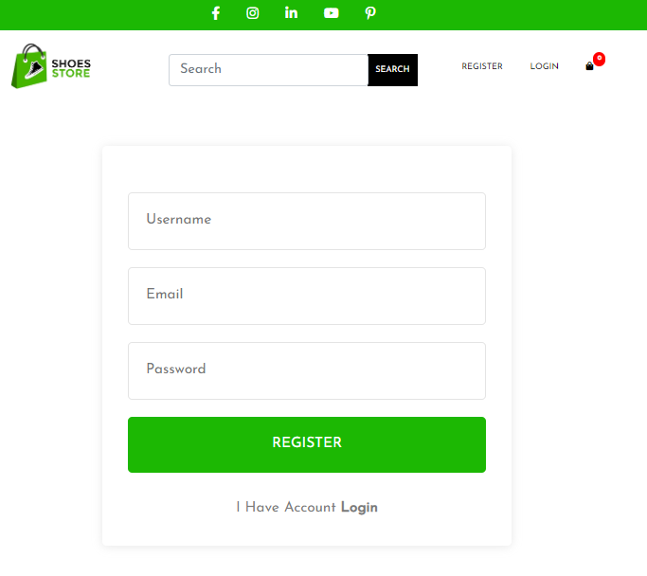 1. Visit Register Page | 1. Visit Register Page | PASS
TCLG3 |  | Verify that the user login successfully | User account has exist | 1. Visit https://shoeshop-youtube-zpunet.netlify.app 2. Click on Login link 3. Input a valid email 4. Input a correct password 5. Click on Login button |  | 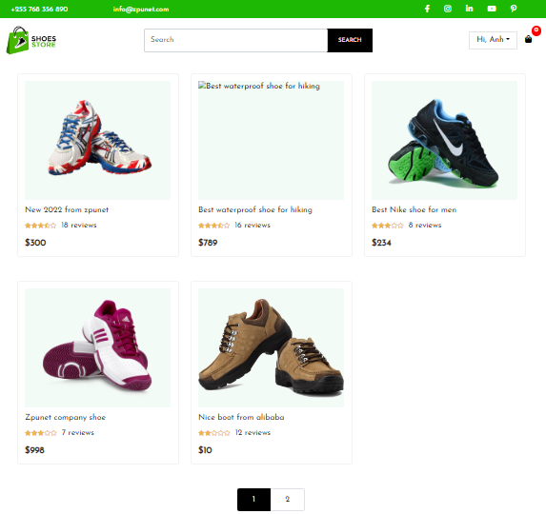 1. Visit Home Page 2. Register link is invisible 3. Login link is invisible 4. Name button is displayed with text = " Hi," + userName | 1. Visit Home Page 2. Register link is invisible 3. Login link is invisible 4. Name button is displayed with text = " Hi," + userName | PASS
TCLG4 |  | Verify that the user cannot login successfully with empty email |  | 1. Visit https://shoeshop-youtube-zpunet.netlify.app/ 2. Click on Login link 3. Click on Login button |  | 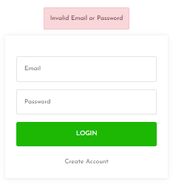 1. Show error message: "Invalid Email or Password" | 1. Show error message: "Invalid Email or Password" | PASS
TCLG5 |  | Verify that the user cannot login successfully with invalid email or invalid password |  | 1. Visit https://shoeshop-youtube-zpunet.netlify.app 2. Click on Login link 3. Input a invalid email 4. Input a invalid password 5. Click on Login button |  | 1. Show error message: "Invalid Email or Password" | 1. Show error message: "Invalid Email or Password" | PASS

RegisterPage
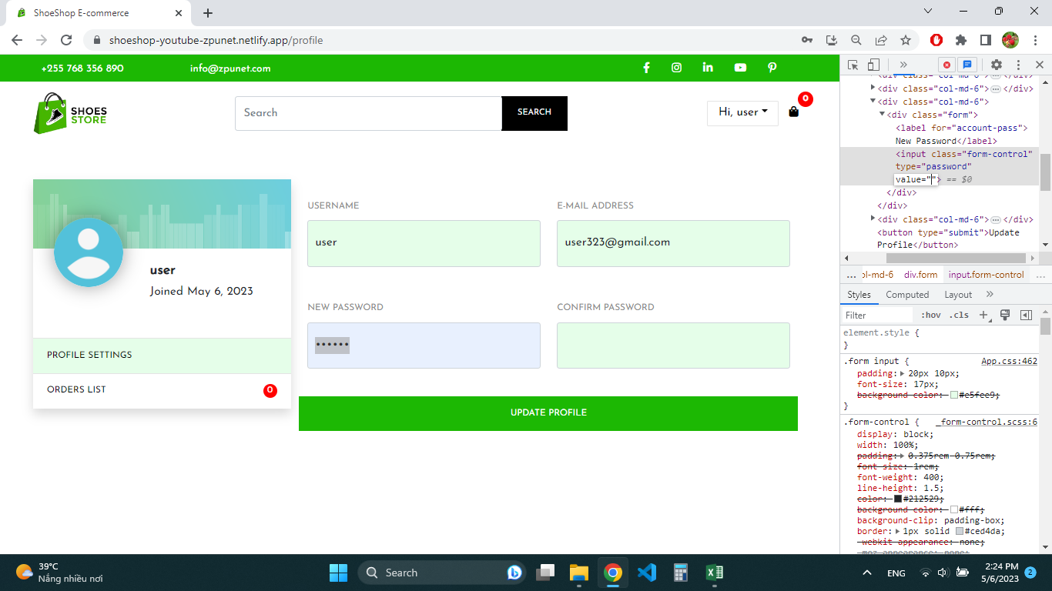
 |  | Register Page |  |  |  |  |  |  |  | https://shoeshop-youtube-zpunet.netlify.app/

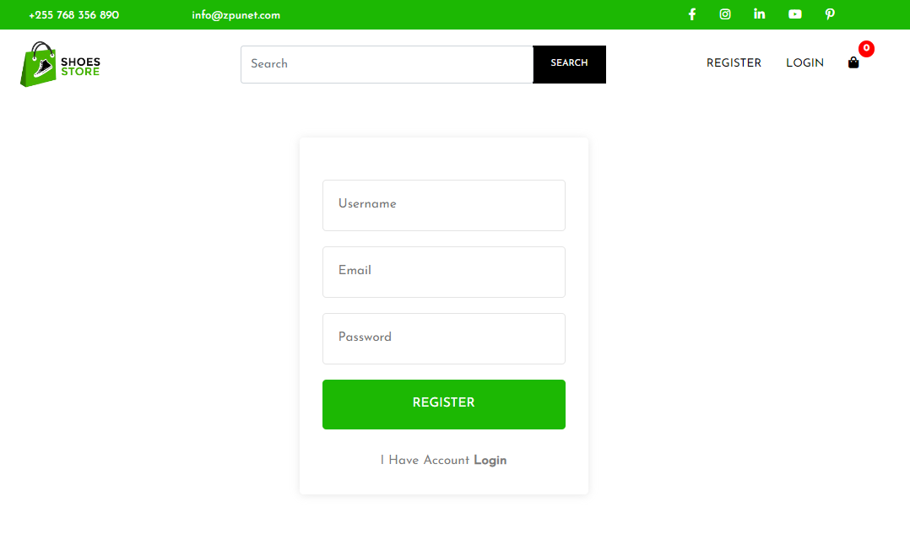
TC ID | Test Scenario | Test Description | Pre Condition | Step | Test Data | Expected result | Actual results | Status | Note
TCRP1 | Test UI | Verify all elements are displayed correctly |  | 1. Visit https://shoeshop-youtube-zpunet.netlify.app 2. Click on Register link 3. Verify form Register has box shadow 4. Verify Username input has placeholder = "Username", boder-color: #e4e4e4 5. Verify Email input has placeholder = "Email", boder-color: #e4e4e4 5. Verify Password input has placeholder = "Password", boder-color: #e4e4e4, and type="password" 6. Verify Register button has white text color, text ="Register", and green background color 7. Verify I Have Account Login link has text =" I Have Account Login" color: #7a7a7a; | box-shadow: 0 1px 11px hsla(0,0%,65.9%,.27) | 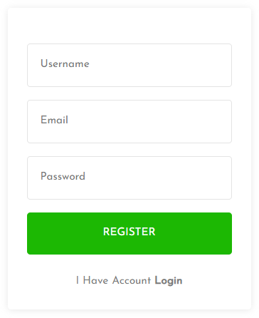 |  | PASS
TCRP2 | Test Functional | Verify I Have Account Login link has active link |  | 1. Visit https://shoeshop-youtube-zpunet.netlify.app 2. Click on Register link 3. Click on I Have Account Login link |  | 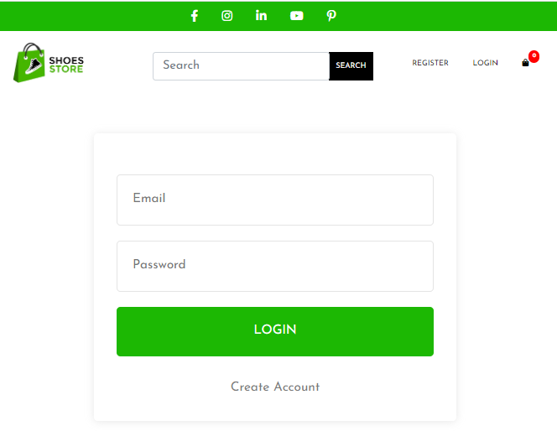 1. Visit Login Page | 1. Visit Login Page | PASS
TCRP3 |  | Verify that the user register successfully with valid Username, email, password |  | 1. Visit https://shoeshop-youtube-zpunet.netlify.app 2. Click on Register link 3. Input Username 3. Input a valid email 4. Input a valid password 5. Click on Register button | Username: "user123" Email: "user123@gmail.com" Password: "123456" | 1. Visit Home Page 2. Register link is invisible 3. Login link is invisible 4. Name button is displayed with text = " Hi," + userName | 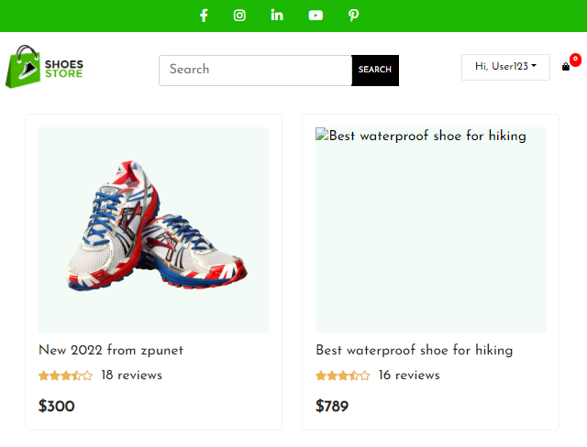 1. Visit Home Page 2. Register link is invisible 3. Login link is invisible 4. Name button is displayed with text = " Hi," + userName | PASS | valid User name: not empty, maximum length 50 chars, include Alphabet, number, special chars. Valid Password: 8 <= length <=15, not blank space, include Alphabet, number, special chars.
TCRP4 |  | Verify that the user cannot successfully register with empty Username, Email, Password |  | 1. Visit https://shoeshop-youtube-zpunet.netlify.app 2. Click on Register link 3. Click on Register button |  | 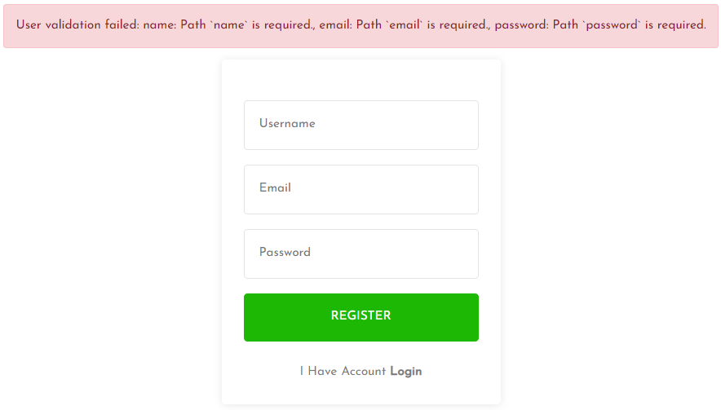 1. Show error message: "User validation failed: name: Path `name` is required., email: Path `email` is required., password: Path `password` is required." | 1. Show error message: "User validation failed: name: Path `name` is required., email: Path `email` is required., password: Path `password` is required." | PASS
TCRP5 |  | Verify that the user cannot register successfully with existed email |  | 1. Visit https://shoeshop-youtube-zpunet.netlify.app 2. Click on Register link 3. Input a valid Username 3. Input a existed email 4. Input a valid password 5. Click on Register button |  | 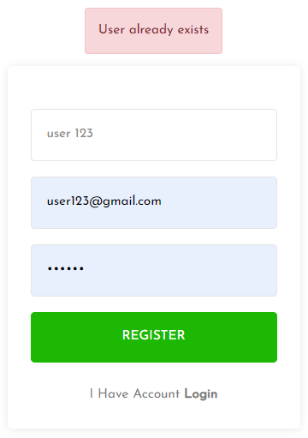 1. Show error message: "User already exists" | 1. Show error message: "User already exists" | PASS
TCRP6 |  | Verify that the user cannot register successfully with user name > 50 chars, invalid email format "user123", password < 8 chars |  | 1. Visit https://shoeshop-youtube-zpunet.netlify.app 2. Click on Register link 3. Input a Username has length > 50 chars 3. Input an email with text = "user123" 4. Input a password has length = 7 chars 5. Click on Register button |  | 1. Show error message with username has length > 50 chars 'user name must be less than 50 characters' 2. Show error message after input email: 3. Show error message "Use 8 or more characters for your password" | 1. Not Show error message with username has length > 50 chars 'user name must be less than 50 characters' 2. Show error message after input email: 3. Not Show error message "Use 8 or more characters for your password" | FAIL | password accept string between 1 and 7 chars
TCRP7 |  | Verify that the user cannot register successfully with invalid email format "user123@", password > 15 chars |  | 1. Visit https://shoeshop-youtube-zpunet.netlify.app 2. Click on Register link 3. Input a Username has length < 50 chars 3. Input an email with text = "user123@" 4. Input a password has length = 16 chars 5. Click on Register button |  | 2. Show error message after input email: 3. Show error message "Use 15 characters or less for your password" | 2. Show error message after input email: 3. Not Show error message ""Use 15 characters or less for your password"" | FAIL | password accept string > 15 chars (in case 180 chars)
TCRP8 |  | Verify that the user cannot register successfully with invalid email format "user123@gmail" |  | 1. Visit https://shoeshop-youtube-zpunet.netlify.app 2. Click on Register link 3. Input a Username has length < 50 chars 3. Input an email with text = "user123@gmail" 4. Input a password has length between 8 and 15 chars 5. Click on Register button |  | 1. Show error message: | 1. Register successfully instead of showing error message | FAIL
TCRP9 |  | Verify that the user cannot register successfully with invalid email format "user123@gmail." |  | 1. Visit https://shoeshop-youtube-zpunet.netlify.app 2. Click on Register link 3. Input a Username has length < 50 chars 3. Input an email with text = "user123@gmail." 4. Input a password has length between 8 and 15 chars 5. Click on Register button |  | 1. Show error message: | 1. Show error message: | PASS
TCRP10 |  | Verify that the user cannot register successfully with invalid email format "user123@gm$ail.com" |  | 1. Visit https://shoeshop-youtube-zpunet.netlify.app 2. Click on Register link 3. Input a Username has length < 50 chars 3. Input an email with text = "user123@gm$ail.com" 4. Input a password has length between 8 and 15 chars 5. Click on Register button |  | 1. Show error message: | 1. Show error message: | PASS

ProductDetailsPage
 |  | Product Details Page |  |  |  |  |  |  |  | https://shoeshop-youtube-zpunet.netlify.app/

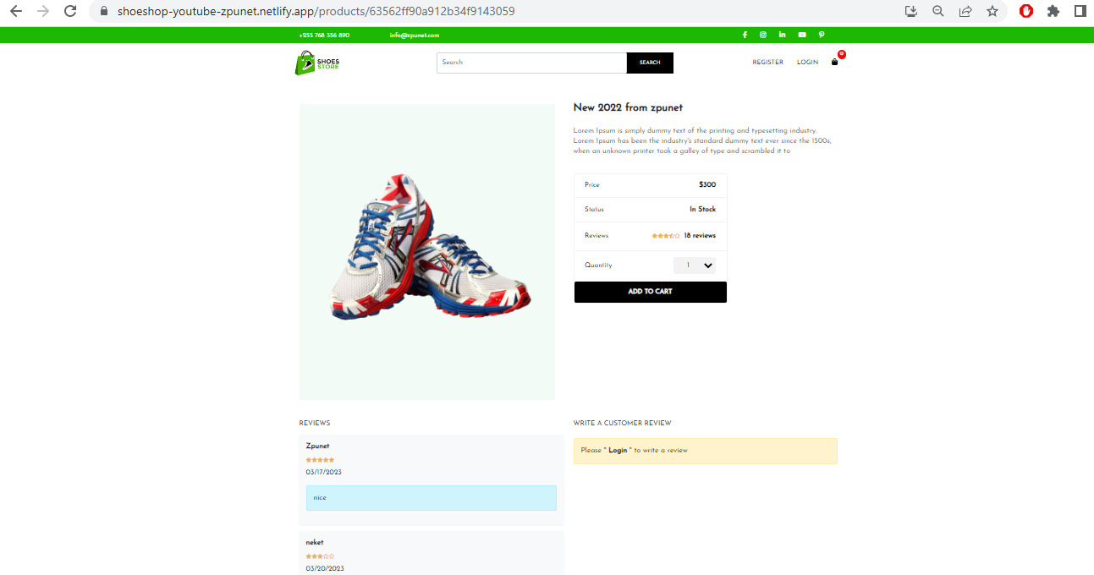
TC ID | Test Scenario | Test Description | Pre Condition | Step | Test Data | Expected result | Actual results | Status | Note
TCPD1 | Test UI | Verify image and product details are displayed correctly with In Stock |  | 1. Visit https://shoeshop-youtube-zpunet.netlify.app 2. Click on Register link 3. Click on name "New 2022 from zpunet" 4. Verify product image is displayed 5. Verify Product Name is displayed, font-weight: 600, and color: #212529 6. Verify Product Description is displayed and color: #7a7a7a 7. Verify Price has text ="Price", color: #212529 8. Verify Price span has $ char, font-weight: 600 and color: #000 9. Verify Status has text ="Status" and color: #212529 10. Verify Status span has font-weight: 600 and color: #000 11. Verify Reviews has text ="Reviews" and color: #212529 12. Verify Reviews span has font-weight: 600 and color: #000 13. Verify Rating stars are displayed 14. Verify Quantity has text = "Quantity" and color: #212529 15. Verify Quantity drop list options active 16. Verify Add To Cart button has text = "Add To Cart", uppercase, white text color and black background color 17. Verify Add To Cart button has green background color when hover | box-shadow: 0 1px 11px hsla(0,0%,65.9%,.27) |  |  | PASS
TCPD2 | Test Functional | Verify Write Reviews section is displayed correctly with the user has not logined |  | 1. Visit https://shoeshop-youtube-zpunet.netlify.app 2. Click on Register link 3. Click on name "New 2022 from zpunet" 4. Verify WRITE WRITE A CUSTOMER REVIEW has color: #212529 5. Verify alert-warning has text ='Please " Login " to write a review' , color: #664d03, background-color: #fff3cd, border-color: #ffecb5; Login text is bolid and color: #000 |  | 1. Visit Login Page | 1. Visit Login Page | PASS
TCPD3 |  | Verify Reviews section is displayed correctly |  | 1. Visit https://shoeshop-youtube-zpunet.netlify.app 2. Click on Register link 3. Click on name "New 2022 from zpunet" 4. Verify h6 tag has text = "REVIEWS" 5. Verify form Review Details has box-shadow: 0 .125rem .25rem rgba(0,0,0,.075), background-color: rgba(248,249,250), 1) 6. Verify Name has color: #212529 7. Verify Rating stars are displayed 8. Verify Date Creation is displayed 9. Verify Comment has color: #055160; background-color: #cff4fc; border-color: #b6effb | Username: "user123" Email: "user123@gmail.com" Password: "123456" | 1. Visit Home Page 2. Register link is invisible 3. Login link is invisible 4. Name button is displayed with text = " Hi," + userName | 1. Visit Home Page 2. Register link is invisible 3. Login link is invisible 4. Name button is displayed with text = " Hi," + userName | PASS | valid User name: not empty, maximum length 50 chars, include Alphabet, number, special chars. Valid Password: 8 <= length <=15, not blank space, include Alphabet, number, special chars.
TCPD4 |  | Verify that the user cannot successfully register with empty Username, Email, Password |  | 1. Visit https://shoeshop-youtube-zpunet.netlify.app 2. Click on Register link 3. Click on Register button |  | 1. Show error message: "User validation failed: name: Path `name` is required., email: Path `email` is required., password: Path `password` is required." | 1. Show error message: "User validation failed: name: Path `name` is required., email: Path `email` is required., password: Path `password` is required." | PASS
TCPD5 |  | Verify that the user cannot register successfully with existed email |  | 1. Visit https://shoeshop-youtube-zpunet.netlify.app 2. Click on Register link 3. Input a valid Username 3. Input a existed email 4. Input a valid password 5. Click on Register button |  | 1. Show error message: "User already exists" | 1. Show error message: "User already exists" | PASS
TCPD6 |  | Verify that the user cannot register successfully with user name > 50 chars, invalid email format "user123", password < 8 chars |  | 1. Visit https://shoeshop-youtube-zpunet.netlify.app 2. Click on Register link 3. Input a Username has length > 50 chars 3. Input an email with text = "user123" 4. Input a password has length = 7 chars 5. Click on Register button |  | 1. Show error message with username has length > 50 chars 'user name must be less than 50 characters' 2. Show error message after input email: 3. Show error message "Use 8 or more characters for your password" | 1. Not Show error message with username has length > 50 chars 'user name must be less than 50 characters' 2. Show error message after input email: 3. Not Show error message "Use 8 or more characters for your password" | FAIL | password accept string between 1 and 7 chars
TCPD7 |  | Verify that the user cannot register successfully with invalid email format "user123@", password > 15 chars |  | 1. Visit https://shoeshop-youtube-zpunet.netlify.app 2. Click on Register link 3. Input a Username has length < 50 chars 3. Input an email with text = "user123@" 4. Input a password has length = 16 chars 5. Click on Register button |  | 2. Show error message after input email: 3. Show error message "Use 15 characters or less for your password" | 2. Show error message after input email: 3. Not Show error message ""Use 15 characters or less for your password"" | FAIL | password accept string > 15 chars (in case 180 chars)
TCPD8 |  | Verify that the user cannot register successfully with invalid email format "user123@gmail" |  | 1. Visit https://shoeshop-youtube-zpunet.netlify.app 2. Click on Register link 3. Input a Username has length < 50 chars 3. Input an email with text = "user123@gmail" 4. Input a password has length between 8 and 15 chars 5. Click on Register button |  | 1. Show error message: | 1. Register successfully instead of showing error message | FAIL
TCPD9 |  | Verify that the user cannot register successfully with invalid email format "user123@gmail." |  | 1. Visit https://shoeshop-youtube-zpunet.netlify.app 2. Click on Register link 3. Input a Username has length < 50 chars 3. Input an email with text = "user123@gmail." 4. Input a password has length between 8 and 15 chars 5. Click on Register button |  | 1. Show error message: | 1. Show error message: | PASS
TCPD10 |  | Verify that the user cannot register successfully with invalid email format "user123@gm$ail.com" |  | 1. Visit https://shoeshop-youtube-zpunet.netlify.app 2. Click on Register link 3. Input a Username has length < 50 chars 3. Input an email with text = "user123@gm$ail.com" 4. Input a password has length between 8 and 15 chars 5. Click on Register button |  | 1. Show error message: | 1. Show error message: | PASS

