Demo QA - Registration form
Required Fields: Name, Gender, Mobile
Test ID | Description | Test Data | Expected result | Actual result | Status | Note
TCRegister#1 | Register with valid input in all data fields | First Name: Lam Last Name: Tran Email: tranngoclam1681@gmail.com Gender: Female Mobile: 0794202507 Date of Birth: 16 Jun 2001 Subjects: Computer Science Hobbies: Reading, Sports, Music Picture: Current Address: Tan Phu State: NCR City: Delhi | Display the entered data on the confirmation pop up. Click "Close" to close the pop up and reset registration form. | 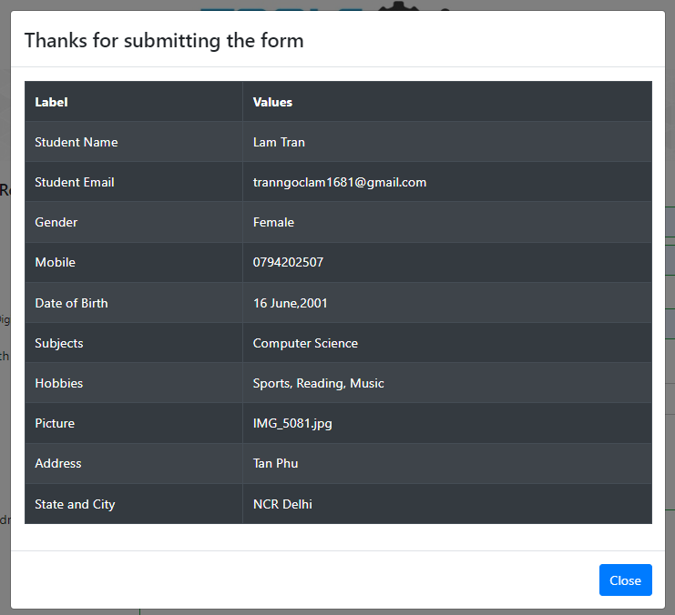 | Fail | Images from previous registrations are retained unless the page is reloaded
TCRegister#2 | Register with valid data in required data fields | First Name: Lam Last Name: Tran Gender: Female Mobile: 0794202507 | Display the entered data on the confirmation pop up. Click "Close" to close the pop up and reset registration form. | 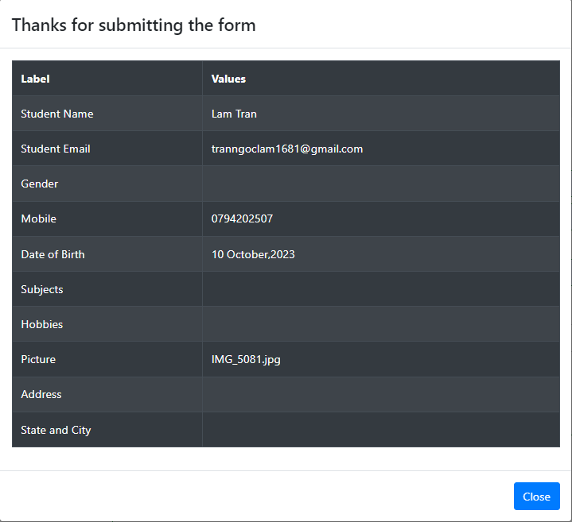 | Pass
TCRegister#3 | Register with missing required fields: - Missing Last Name data field | First Name: Lam Gender: Female Mobile: 0794202507 | Display the warning symbol (!) at Last name data field. |  | Pass
TCRegister#4 | Register with missing required fields: - Missing First Name data field | Last Name: Lam Gender: Female Mobile: 0794202507 | Display the warning symbol (!) at First name data field. |  | Pass
TCRegister#5 | Register with missing required fields: - Missing Gender data field | First Name: Lam Last Name: Tran Mobile: 0794202507 | Display the warning symbol (!) at Gender data field. |  | Pass
TCRegister#6 | Register with missing required fields: - Missing Mobile data field | First Name: Lam Last Name: Tran Gender: Female Mobile: 0794202507 | Display the warning symbol (!) at Mobile data field. |  | Pass
TCRegister#7 | Register with invalid First Name: - First Name includes numbers and special characters | First Name: L@m1234 Last Name: Tran Gender: Female Mobile: 0794202507 | Display the warning symbol (!) at the First Name data field. |  | Fail
TCRegister#8 | Register with invalid First Name: - First Name includes only a space character | First Name: " " (a space) Last Name: Tran Gender: Female Mobile: 0794202507 | Display the warning symbol (!) at the First Name data field. | 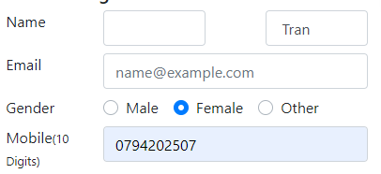 | Fail
TCRegister#9 | Register with invalid Last Name: - Last Name includes numbers and special characters | First Name: Lam Last Name: Tr@n1234 Gender: Female Mobile: 0794202508 | Display the warning symbol (!) at the Last Name data field. |  | Fail
TCRegister#10 | Register with invalid First Name: - Last Name includes only a space character | First Name: Lam Last Name: " " (a space) Gender: Female Mobile: 0794202508 | Display the warning symbol (!) at the Last Name data field. |  | Fail
TCRegister#11 | Register with invalid Email: - Email lacks of '@' and email domain. | First Name: Lam Last Name: Tran Email: tranngoclam Gender: Female Mobile: 0794202507 | Display the warning symbol (!) at the Email data field. |  | Pass
TCRegister#12 | Register with invalid Email: - Email lacks of email domain. | First Name: Lam Last Name: Tran Email: tranngoclam@ Gender: Female Mobile: 0794202508 | Display the warning symbol (!) at the Email data field. |  | Pass
TCRegister#13 | Register with invalid Email: - Email includes invalid domain. | First Name: Lam Last Name: Tran Email: tranngoclam@gmail Gender: Female Mobile: 0794202509 | Display the warning symbol (!) at the Email data field. |  | Pass
TCRegister#14 | Register with invalid phone number: - Phone number has less than 10 digits. | First Name: Lam Last Name: Tran Gender: Female Mobile: 079420250 | Display the warning symbol (!) at the Mobile data field. |  | Pass
TCRegister#15 | Register with invalid phone number: - Phone number includes characters. | First Name: Lam Last Name: Tran Gender: Female Mobile: 0794202abc | Display the warning symbol (!) at the Mobile data field. |  | Pass
TCRegister#16 | Register with invalid phone number: - Phone numbers begin with a number other than 0. | First Name: Lam Last Name: Tran Gender: Female Mobile: 1794202507 | Display the warning symbol (!) at the Mobile data field. |  | Fail
TCRegister#17 | Register with valid phone number: - Phone numbers begin with phone code instead of 0 | First Name: Lam Last Name: Tran Gender: Female Mobile: +84794202507 | Display the warning symbol (!) at the Mobile data field. |  | Pass
TCRegister#18 | Register with invalid Date of Birth: - Select a day after today. | First Name: Lam Last Name: Tran Gender: Female Mobile: 0794202507 Date of Birth: 10 Oct 2024 | Display the warning symbol (!) at the Date of Birth data field. |  | Fail
TCRegister#19 | Register with invalid Picture: - Select a file that is not an image file. | First Name: Lam Last Name: Tran Gender: Female Mobile: 0794202507 Picture: TranNgocLam_CV.pdf | Display the warning symbol (!) at the Picture data field for invalid file type. | 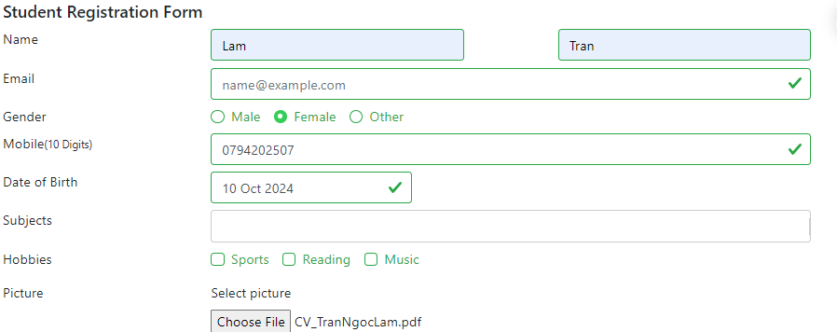 | Fail

