Trang tính1
Page | Student Registration Form
Author | Nguyen Thuy Dung
Page Link | https://demoqa.com/automation-practice-form

Test Scenario | Test Case ID | Test Description | Steps |  |  | Test Data | Actual Results | Status | Notes
 |  |  | GIVEN | WHEN | THEN (Expected Result)
The UI is like the desgin | TC-FORM-01 | Verify that elements are displayed exactly as designed | The UI/UX design | User access student-registration-form website | Elements are displayed exactly as designed |  | 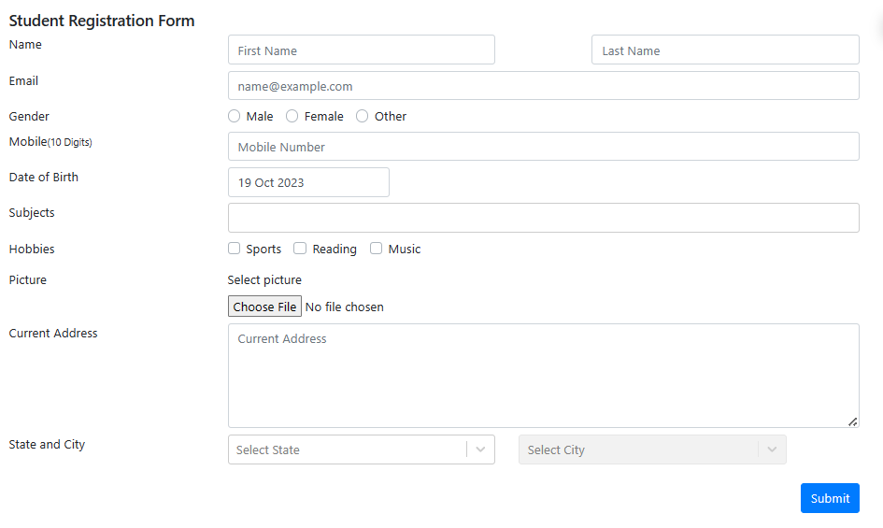 | PASS
 | TC-FORM-02 | Verify that when selecting at Gender field, user can select only one option at the same time | User access student-registration-form website | 1. Select Male option 2. Select Female option 3. Select Other option | Should allow only one option is selected: 1. Option Male is unselected 2. Option Female is unselected 3. Option Other is selected |  | 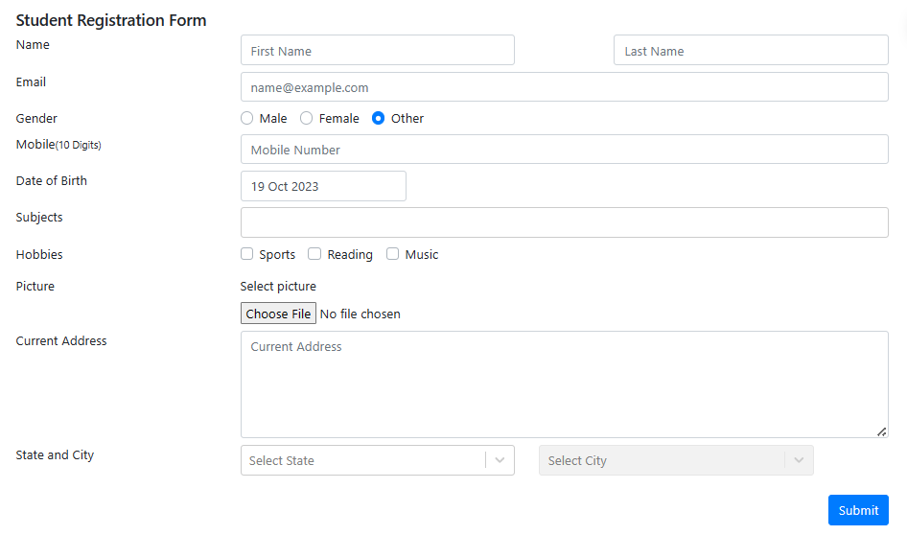 | PASS
 | TC-FORM-03 | Verify that when checking at Hobbies field, user can check multiple options at the same time | User access student-registration-form website | 1. Check Sports option 2. Check Reading option 3. Check Music option | Should allow multiple options are checked: 1. Option Sports is checked 2. Option Reading is checked 3. Option Music is checked |  | 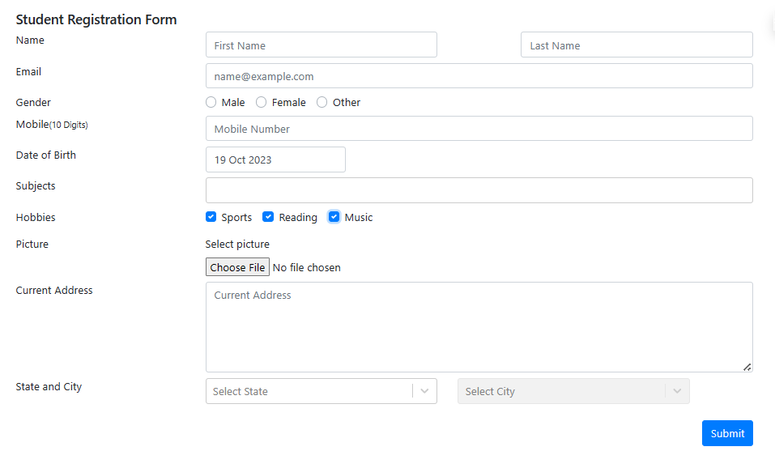 | PASS
 | TC-FORM-04 | Verify that when inputting Mobile field, user can only input a maximum of 10 characters | User access student-registration-form website | Input Mobile fied | Should allow input maximum of 10 characters | Mobile: '012345678988' | 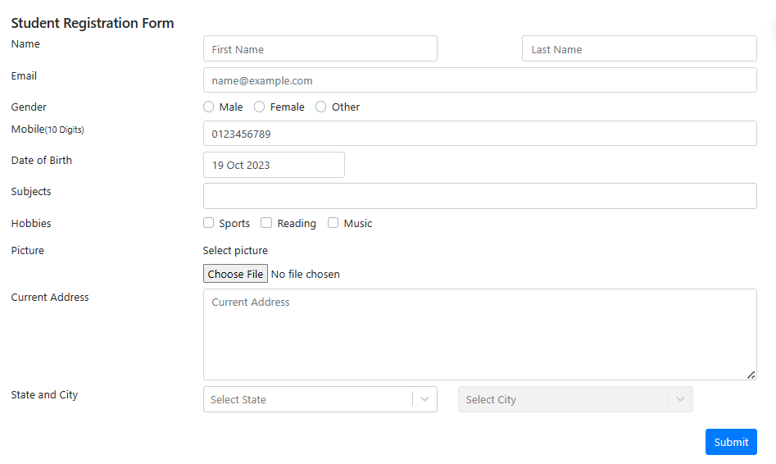 | PASS
User can register | TC-FORM-05 | Verify that user can registers when user inputs all fields with valid data | User access student-registration-form website | 1. Input valid all fields 2. Click on "Submit" button | Should register successfully and show a pop-up with: 1. Message "Thanks for submitting the form" in header 2. Entered data in body | FirstName: 'Daisy' LastName: 'Nguyen' Email: 'daisy123@example.com' Gender: 'Female' Mobile: '0123456789' D.O.B: '16 Mar 2002' Subjects: 'English' Hobbies: 'Music' Picture: 'daisy.png' Current Address: '13 Doan Van Bo' State: 'Haryana' City: 'Karnal' | 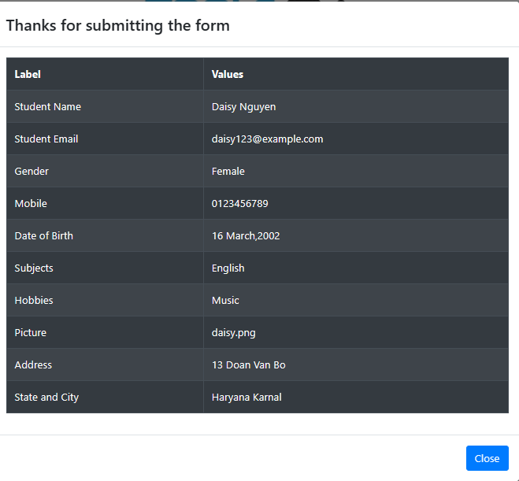 | PASS
 | TC-FORM-06 | Verify that user can register when user inputs mandatory fields with valid data | User access student-registration-form website | 1. Input valid mandatory fields 2. Click on "Submit" button | Should register successfully and show a pop-up with: 1. Message "Thanks for submitting the form" in header 2. Entered data in body | FirstName: 'Daisy' LastName: 'Nguyen' Gender: 'Female' Mobile: '0123456789' | 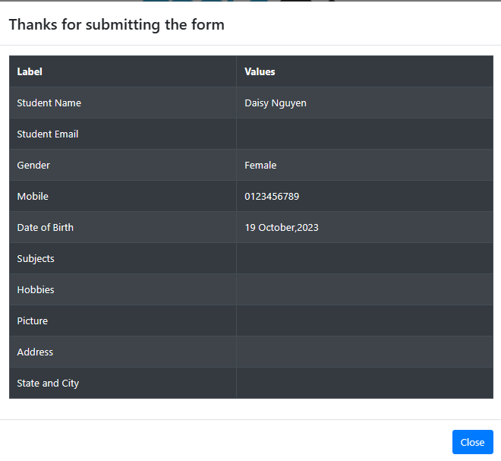 | PASS
User can not register | TC-FORM-07 | Verify that user cannot register when user doesn't input any mandatory fields | User access student-registration-form website | Click on "Submit" button | Should register fail and show: 1. Red borders on mandatory fields: FirstName, LastName, Mobile 2. Warning symbol on mandatory fields: FirstName, LastName, Mobile 3. Red border and red color on Gender field |  | 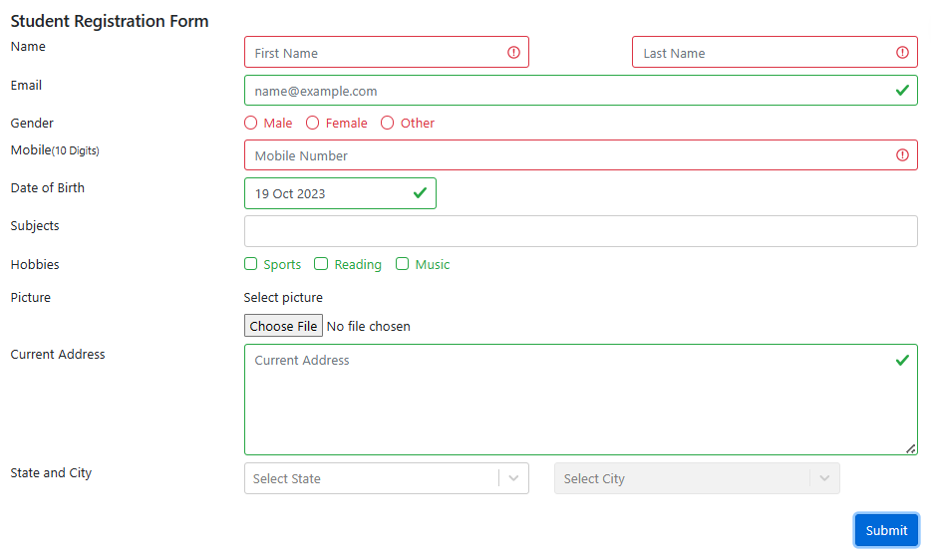 | PASS
 | TC-FORM-08 | Verify that users cannot register when inputting duplicate Mobile phone | User access student-registration-form website | 1. Input a valid First Name 2. Input a valid Last Name 3. Select an option on Gender 4. Input a duplicate Mobile 5. Click on "Submit" | Should register fail and show: 1. Red border on Mobile fields 2. Warning symbol on Mobile field 3. Messages "This phone number is already registered." below Mobile field | FirstName: 'Daisy' LastName: 'Nguyen' Gender: 'Female' Mobile: '0123456789' |  | FAIL
 | TC-FORM-09 | Verify that users cannot register when inputting duplicate Email | User access student-registration-form website | 1. Input a valid First Name 2. Input a valid Last Name 3. Input a duplicate Email 4. Select an option on Gender 5. Input a valid Mobile 6. Click on "Submit" | Should register fail and show: 1. Red border on Email fields 2. Warning symbol on Email field 3. Messages "This email address is already registered." below Email field | FirstName: 'Daisy' LastName: 'Nguyen' Email: 'daisy123@example.com' Gender: 'Female' Mobile: '0123456789' | 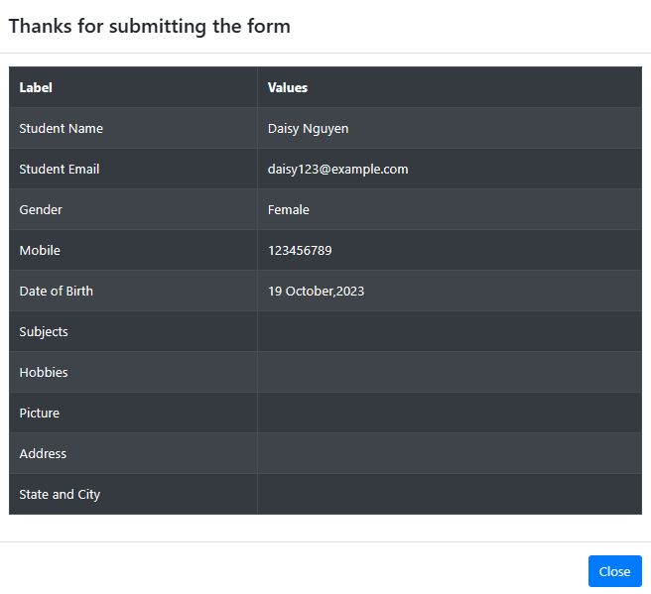 | FAIL
 | TC-FORM-10 | Verify that user cannot register when inputting only blank spaces on First Name field | User access student-registration-form website | 1. Input an invalid First Name 2. Input a valid Last Name 3. Select an option on Gender 4. Input a valid Mobile 5. Click on "Submit" | Should register fail and show: 1. Red border on First Name field 2. Warning symbol on First Name field | FirstName: ' ' LastName: 'Nguyen' Gender: 'Female' Mobile: '0123456789' | 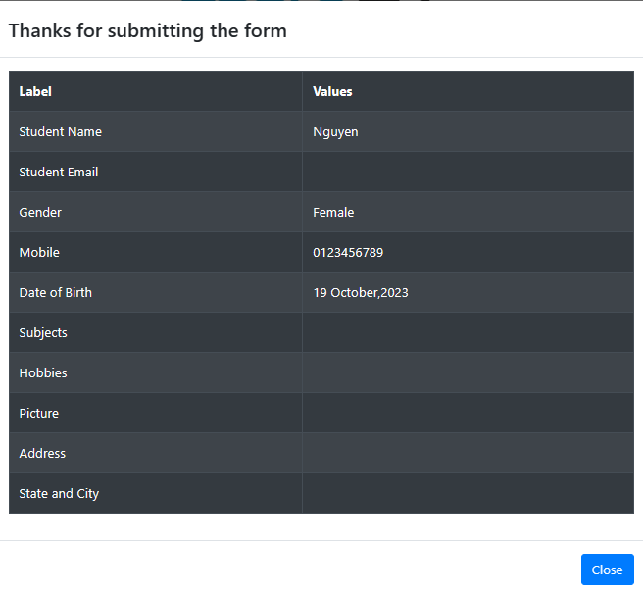 | FAIL
 | TC-FORM-11 | Verify that user cannot register when inputting number characters on First Name field | User access student-registration-form website | 1. Input an invalid First Name 2. Input a valid Last Name 3. Select an option on Gender 4. Input a valid Mobile 5. Click on "Submit" | Should register fail and show: 1. Red border on First Name field 2. Warning symbol on First Name field | FirstName: 'Daisy123' LastName: 'Nguyen' Gender: 'Female' Mobile: '0123456789' |  | FAIL
 | TC-FORM-12 | Verify that user cannot register when inputting special characters on First Name field | User access student-registration-form website | 1. Input an invalid First Name 2. Input a valid Last Name 3. Select an option on Gender 4. Input a valid Mobile 5. Click on "Submit" | Should register fail and show: 1. Red border on First Name field 2. Warning symbol on First Name field | FirstName: 'Daisy!@#' LastName: 'Nguyen' Gender: 'Female' Mobile: '0123456789' | 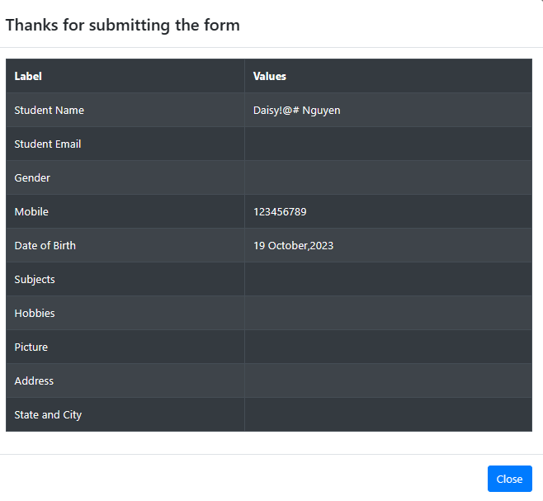 | FAIL
 | TC-FORM-13 | Verify that user cannot register when inputting only blank spaces on Last Name field | User access student-registration-form website | 1. Input a valid First Name 2. Input an invalid Last Name 3. Select an option on Gender 4. Input a valid Mobile 5. Click on "Submit" | Should register fail and show: 1. Red border on Last Name field 2. Warning symbol on Last Name field | FirstName: 'Daisy' LastName: ' ' Gender: 'Female' Mobile: '0123456789' | 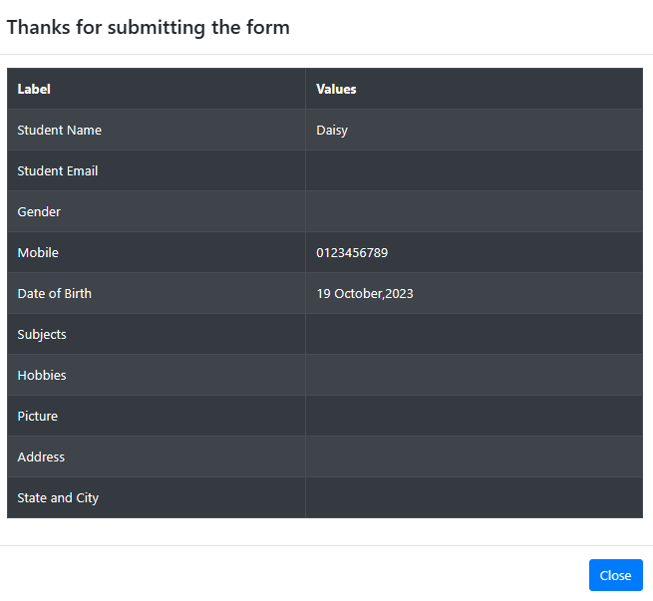 | FAIL
 | TC-FORM-14 | Verify that user cannot register when inputting number characters on Last Name field | User access student-registration-form website | 1. Input a valid First Name 2. Input an invalid Last Name 3. Select an option on Gender 4. Input a valid Mobile 5. Click on "Submit" | Should register fail and show: 1. Red border on Last Name field 2. Warning symbol on Last Name field | FirstName: 'Daisy' LastName: 'Nguyen123' Gender: 'Female' Mobile: '0123456789' |  | FAIL
 | TC-FORM-15 | Verify that user cannot register when inputting special characters on Last Name field | User access student-registration-form website | 1. Input a valid First Name 2. Input an invalid Last Name 3. Select an option on Gender 4. Input a valid Mobile 5. Click on "Submit" | Should register fail and show: 1. Red border on Last Name field 2. Warning symbol on Last Name field | FirstName: 'Daisy' LastName: 'Nguyen$%^' Gender: 'Female' Mobile: '0123456789' | 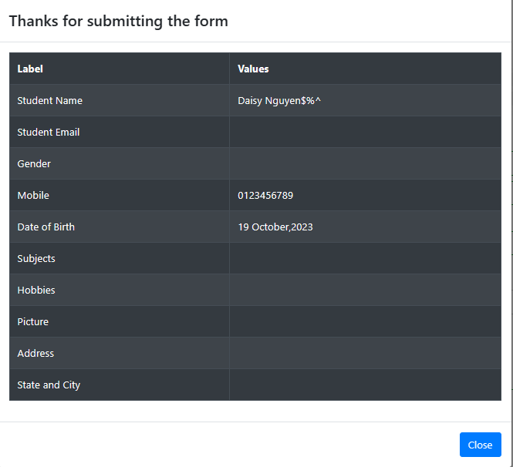 | FAIL
 | TC-FORM-16 | Verify that user cannot register when inputting Email with wrong domain name | User access student-registration-form website | 1. Input a valid First Name 2. Input a valid Last Name 3. Input an invalid Email 4. Select an option on Gender 5. Input a valid Mobile Mobile 6. Click on "Submit" | Should register fail and show: 1. Red border on Email field 2. Warning symbol on Email field | FirstName: 'Daisy' LastName: 'Nguyen' Email: 'daisy123@yahoo.com' Gender: 'Female' Mobile: '0123456789' |  | FAIL
 | TC-FORM-17 | Verify that user cannot register when inputting Email with missing domain | User access student-registration-form website | 1. Input a valid First Name 2. Input a valid Last Name 3. Input an invalid Email 4. Select an option on Gender 5. Input a valid Mobile Mobile 6. Click on "Submit" | Should register fail and show: 1. Red border on Email field 2. Warning symbol on Email field | FirstName: 'Daisy' LastName: 'Nguyen' Email: 'daisy123@' Gender: 'Female' Mobile: '0123456789' | 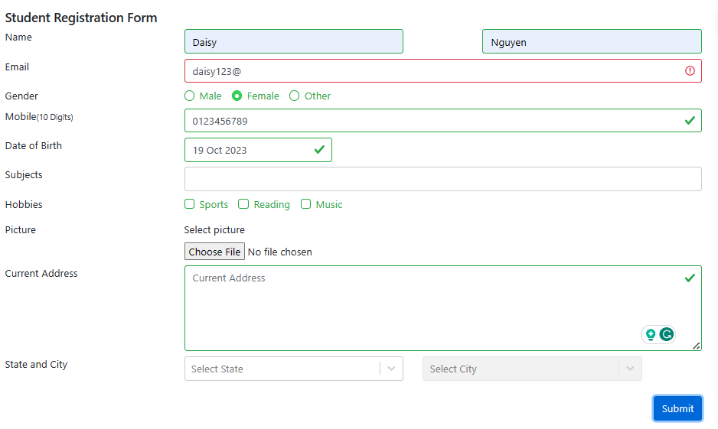 | PASS
 | TC-FORM-18 | Verify that user cannot register when inputting Email with missing "@" | User access student-registration-form website | 1. Input a valid First Name 2. Input a valid Last Name 3. Input an invalid Email 4. Select an option on Gender 5. Input a valid Mobile Mobile 6. Click on "Submit" | Should register fail and show: 1. Red border on Email field 2. Warning symbol on Email field | FirstName: 'Daisy' LastName: 'Nguyen' Email: 'daisy123example.com' Gender: 'Female' Mobile: '0123456789' | 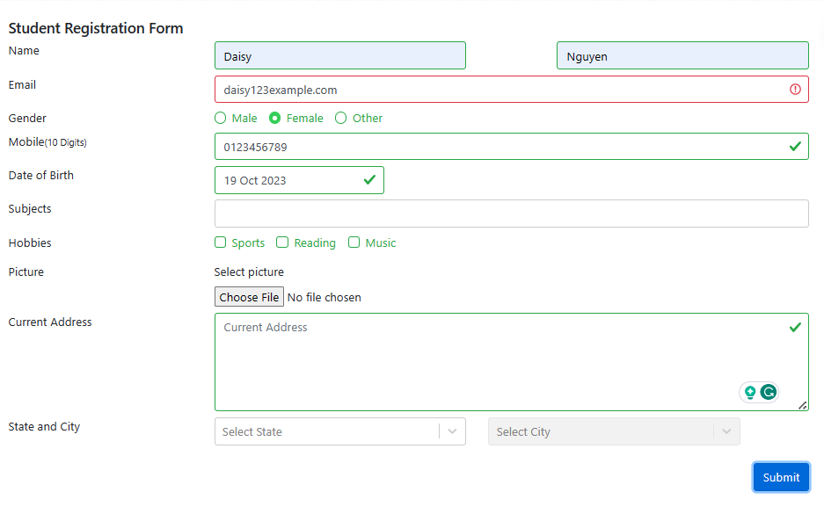 | PASS
 | TC-FORM-19 | Verify that user cannot register when inputting Email with special character | User access student-registration-form website | 1. Input a valid First Name 2. Input a valid Last Name 3. Input an invalid Email 4. Select an option on Gender 5. Input a valid Mobile Mobile 6. Click on "Submit" | Should register fail and show: 1. Red border on Email field 2. Warning symbol on Email field | FirstName: 'Daisy' LastName: 'Nguyen' Email: 'daisy$%^123@example.com' Gender: 'Female' Mobile: '0123456789' | 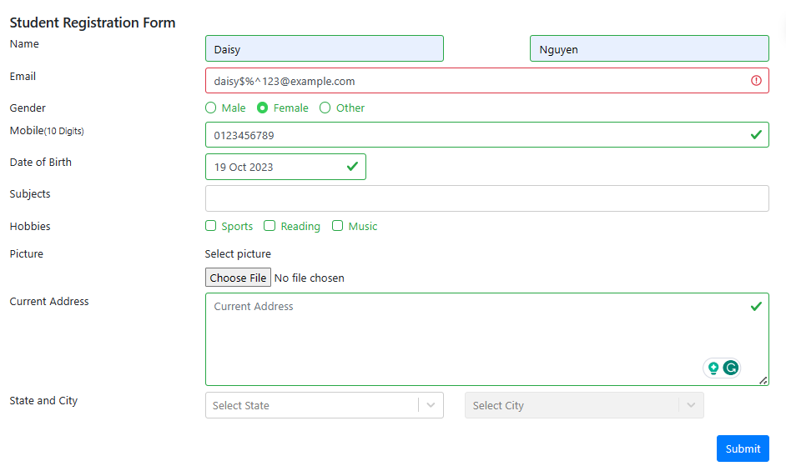 | PASS
 | TC-FORM-20 | Verify that user cannot register when inputting alphabetic characters on Mobile field | User access student-registration-form website | 1. Input a valid First Name 2. Input a valid Last Name 3. Select an option on Gender 4. Input an invalid Mobile 5. Click on "Submit" | Should register fail and show: 1. Red border on Mobile field 2. Warning symbol on Mobile field | FirstName: 'Daisy' LastName: 'Nguyen' Gender: 'Female' Mobile: 'abc456789' | 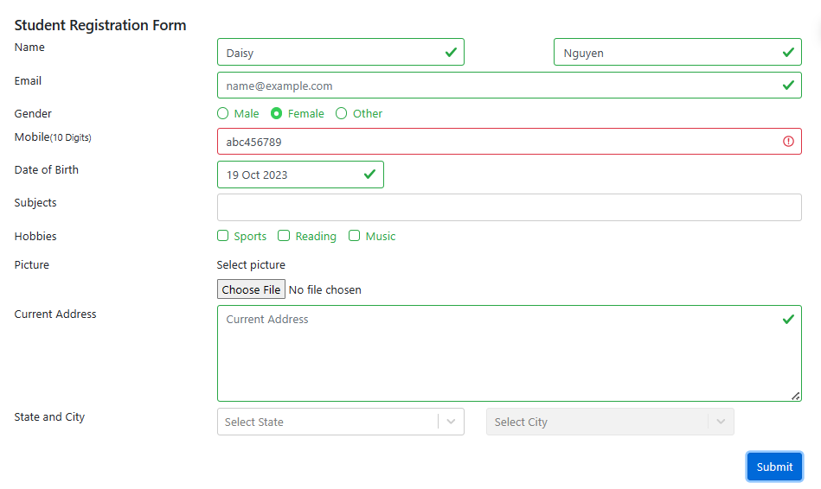 | PASS
 | TC-FORM-21 | Verify that user cannot register when inputting special characters on Mobile field | User access student-registration-form website | 1. Input a valid First Name 2. Input a valid Last Name 3. Select an option on Gender 4. Input an invalid Mobile 5. Click on "Submit" | Should register fail and show: 1. Red border on Mobile field 2. Warning symbol on Mobile field | FirstName: 'Daisy' LastName: 'Nguyen' Gender: 'Female' Mobile: '0123456***' |  | PASS
 | TC-FORM-22 | Verify that the user cannot register when inputting a mobile number less than 10 characters on Mobile filed | User access student-registration-form website | 1. Input a valid First Name 2. Input a valid Last Name 3. Select an option on Gender 4. Input an invalid Mobile 5. Click on "Submit" | Should register fail and show: 1. Red border on Mobile field 2. Warning symbol on Mobile field | FirstName: 'Daisy' LastName: 'Nguyen' Gender: 'Female' Mobile: '0123456' |  | PASS
 | TC-FORM-23 | Verify that the user cannot register when selectting D.O.B greater than curent day | User access student-registration-form website | 1. Input a valid First Name 2. Input a valid Last Name 3. Select an option on Gender 4. Input a valid Mobile 5. Select D.O.B greater than curent day 6. Click on "Submit" | Should register fail and show: 1. Red border on Mobile field 2. Warning symbol on Mobile field | FirstName: 'Daisy' LastName: 'Nguyen' Gender: 'Female' Mobile: '0123456789' D.O.B: '16 March 2030' | 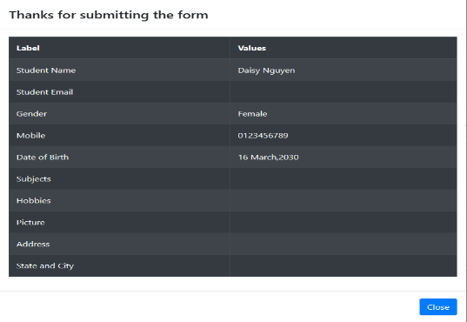 | FAIL
 | TC-FORM-24 | Verify that the user cannot register when uploading a non-image file on Picture field | User access student-registration-form website | 1. Input a valid First Name 2. Input a valid Last Name 3. Select an option on Gender 4. Input a valid Mobile 5. Upload a non-image file 6. Click on "Submit" | Should register fail and an error message should be displayed: "Invalid file type. Please upload a valid image file (e.g., JPG, PNG, GIF)." | FirstName: 'Daisy' LastName: 'Nguyen' Gender: 'Female' Mobile: '0123456789' Picture: 'daisy.pdf' |  | FAIL

