Demo QA - Registration form
Required Fields: Name, Gender, Mobile
Test ID | Description | Pre-condition | Test steps | Test Data | Expected result | Actual result | Status | Note
TCRegister#1 | Verify that user can submit successfully with valid input in all data fields |  | 1. Open the website 2. Input valid First Name. 3. Input valid Last Name. 4. Input valid Email. 5. Select a gender. 6. Input valid Mobile. 7. Input valid Date of Birth. 8. Select one or more options on Subjects. 9. Select one or more Hobbies. 10. Upload a valid picture file. 11. Input valid Current Address. 12. Select a state from the "State". 13. Select a city from the "City". 14. Click on the "Submit" button. | First Name: Lam Last Name: Tran Email: tranngoclam1681@gmail.com Gender: Female Mobile: 0794202507 Date of Birth: 16 Jun 2001 Subjects: Computer Science Hobbies: Reading, Sports, Music Picture: Current Address: Tan Phu State: NCR City: Delhi | Display the entered data on the confirmation pop up. Click "Close" to close the pop up and reset registration form. | 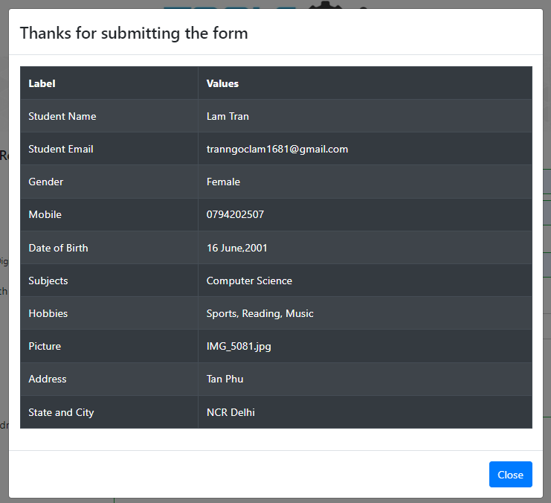 | Pass | Images from previous registrations are retained unless the page is reloaded
TCRegister#2 | Verify that user can submit successfully with valid data in required data fields | Verify that user cannot submit with empty data fields.6:9 | 1. Open the website 2. Input valid First Name. 3. Input valid Last Name. 4. Select a gender. 5. Input valid Mobile. 6. Click on the "Submit" button. | First Name: Lam Last Name: Tran Gender: Female Mobile: 0794202505 | Display the entered data on the confirmation pop up. Click "Close" to close the pop up and reset registration form. | 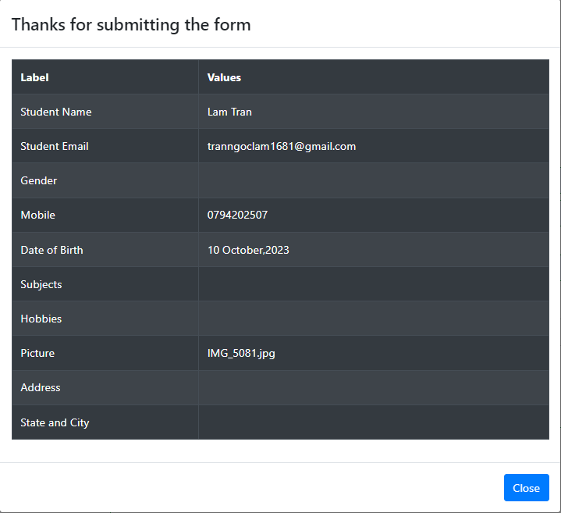 | Pass
TCRegister#3 | Verify that user cannot submit with empty data fields. |  | 1. Open the website 2. Click on the "Submit" button. |  | Display the warning symbol (!) at all required data field. |  | Pass
TCRegister#4 | Verify that user cannot submit with invalid data: - First Name includes numbers and special characters. - Last Name includes numbers and special characters |  | 1. Open the website 2. Input invalid First Name. 3. Input invalid Last Name. 4. Input valid Email. 5. Select a gender. 6. Input valid Mobile. 7. Click on the "Submit" button. | First Name: L@m1234 Last Name: Tr@n1234 Gender: Female Mobile: 0793202505 | Display warnings (!) in the following data fields: First Name, Last Name. | 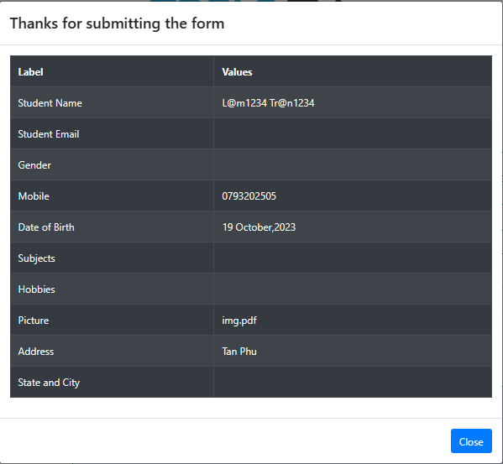 | Fail
TCRegister#5 | Verify that user cannot submit with invalid data: - Email lacks of '@' and email domain. - Phone number has less than 10 digits. |  | 1. Open the website 2. Input valid First Name. 3. Input valid Last Name. 4. Input invalid Email. 5. Select a gender. 6. Input invalid Mobile. 7. Click on the "Submit" button. | First Name: Lam Last Name: Tran Email: tranngoclam Gender: Female Mobile: 07932025 | Display warnings (!) in the following data fields: Email, Mobile. |  | Pass
TCRegister#6 | Verify that user cannot submit with invalid data: - First Name includes only a space character. - Last Name includes only a space character. - Date of birth is selected by a day after today. - Picture is selected with a file that is not an image format file. |  | 1. Open the website 2. Input invalid First Name. 3. Input invalid Last Name. 4. Input valid Email. 5. Select a gender. 6. Input valid Mobile. 7. Input invalid Date of Birth. 8. Upload a invalid picture file. 9. Click on the "Submit" button. | First Name: " " (a space) Last Name: " " (a space) Email: tranngoclam@gmail.com Gender: Female Mobile: 0763212506 Date of Birth: 17 Oct 2024 Picture: img.pdf | Display warnings (!) in the following data fields: First Name, Last Name, Date of Birth, Picture. Can not submit form. | 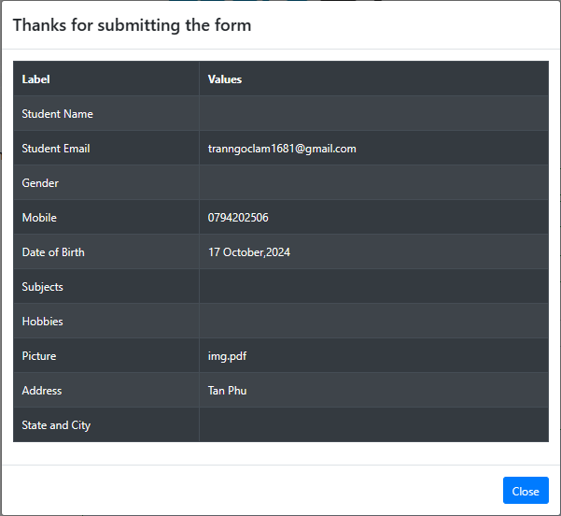 | Fail
TCRegister#7 | Verify that user cannot submit with invalid data: - Email lacks of email domain. - Phone number includes characters. |  | 1. Open the website 2. Input valid First Name. 3. Input valid Last Name. 4. Input invalid Email. 5. Select a gender. 6. Input invalid Mobile. 7. Click on the "Submit" button. | First Name: Lam Last Name: Tran Gender: Female Email: tranngoclam@ Mobile: 0794202abc | Display warnings (!) in the following data fields: Email, Mobile Can not submit form. |  | Fail
TCRegister#8 | Verify that user cannot submit with invalid data: - Email includes invalid domain. - Phone numbers begin with a phone code instead of 0. |  | 1. Open the website 2. Input valid First Name. 3. Input valid Last Name. 4. Input invalid Email. 5. Select a gender. 6. Input invalid Mobile. 7. Click on the "Submit" button. | First Name: Lam Last Name: Tran Gender: Female Email: tranngoclam@gmail Mobile: +847942025 | Display warnings (!) in the following data fields: Email, Mobile Can not submit form. |  | Pass
TCRegister#9 | Verify that user cannot submit with invalid data: - Email's domain includes multiple dots. - Phone numbers begin with a number other than 0. |  | 1. Open the website 2. Input valid First Name. 3. Input valid Last Name. 4. Input invalid Email. 5. Select a gender. 6. Input invalid Mobile. 7. Click on the "Submit" button. | First Name: Lam Last Name: Tran Gender: Female Email: tranngoclam@gmail......................................com Mobile: 1763212508 | Display warnings (!) in the following data fields: Email, Mobile Can not submit form. | 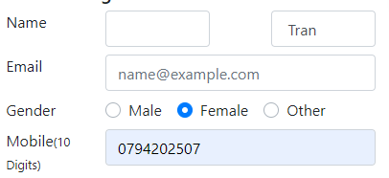 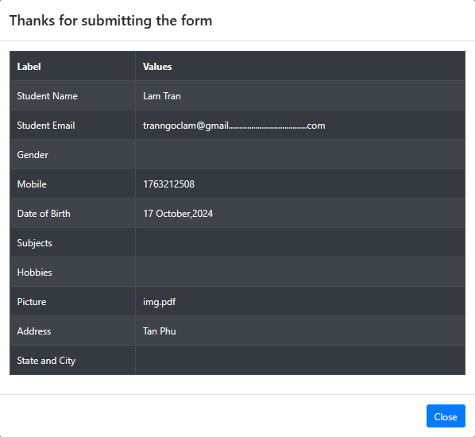 | Fail

