TestCase
TC ID | Test Scenario | Test Description | Step | Expected result | Actual results | Status | Note
TC1 | Student successfully register | Verify that student successfully register with valid values of required fields: fristname, lastname, gender, moblie number and click on Submit button or press Enter | 1. Open browser 2. Visit the website: "https://demoqa.com/automation-practice-form" 3. Input valid first name: 'Kha' 4. Input valid last name: 'Hoai' 5. Select Gender option: 'Male' 6.Input valid mobile number: '9825467895' 7. Select valid birthday: '7/2/2003' 8. Input valid subject: 'Math' 'Chemistry' 9. Click on Submit button | Successful registration dialog appears | 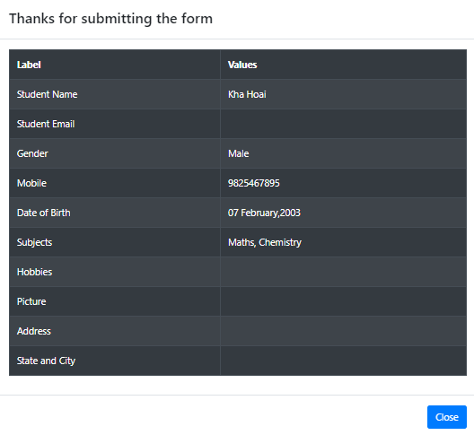 | Pass
TC2 |  | Verify that student successfully register with all valid fields and click on Submit button or press Enter | 1. Open browser 2. Visit the website: "https://demoqa.com/automation-practice-form" 3. Input valid first name: 'Linh' 4. Input valid Last Name: 'Nguyen' 5. Input a valid email format: 'nguyenlinh@gmail.com' 6. Select Gender option: 'Female' 7.Input valid mobile number: '9852314782' 8. Select valid Date of Brth: '27/8/1998' 9. Input valid subject: 'Math' 10. Select all hobbies 'Sports ,Reading, Music' 11. Click uploadPicture button and select a picture 12. Input valid address: '12 AA street' 13. Select a state in list options: 'NCR' 14. Select city in list options: 'Noida' 15. Press Enter | Successful registration dialog appears | 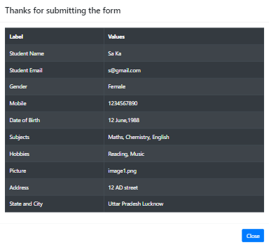 | Pass
TC3 | Student can not successfully register | Verify that student can not register with all empty fields | 1. Open browser 2. Visit the website: "https://demoqa.com/automation-practice-form" 3. Click on Submit button | 1. First Name text box has red border color 2. Last Name text box has red border color 3. All Gender radios have red color 4. Mobile Number text box has red border color |  | Pass
TC4 |  | Verify that student can not register with Fisrst Name and Last Name containing nuberic and special characters, invalid Email format, Mobile Number containing Alphabet or special characters, Date of Birth > current date | 1. Open browser 2. Visit the website: "https://demoqa.com/automation-practice-form" 3. Input invalid Fist Name: '*Lin45' 4. Input invalid last name: '2ho@i' 5.Input invalid Email: 'ngan@com.123' 6. Select Gender option: 'Other' 7.Input invalid mobile number: '0985a5741#' 8. Select Date of Birth > curent date: '25/6/2024' 9. Input valid subject: 'Computer Science' 10. Select hobbies: 'Sports' 'Reading' 11. Click uploadPicture button and select a picture 12. Input valid address: '123 D5 street' 13. Select a state in list options: 'Haryana' 14. Select city in list options: 'Karnal' 15. Click on Submit button | 1. First Name text box has red border color 2. Last Name text box has red border color 3. Email text box has red border color 4. Mobile Number text box has red border color 5. Date of Birth has border color | 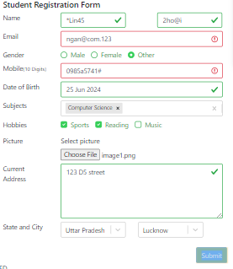 | Fail | invalid email format like: aaa@sa; aaa; ngan@com.123; " a@gmail.com "
TC5 |  | Verify that student can not register with long first name and Last Name (>50 characters) and Moblie Number > 10 digits | 1. Open browser 2. Visit the website: "https://demoqa.com/automation-practice-form" 3. Input invalid first name: 'Nguyen Dinh linh Sang Hoang Phuc Khang Anh Dieu Thuc' 4. Input invalid Last Name: 'Trinh Nguyen Dinh Vinh Sang Hoang Phuc Khang Anh Duc' 5. Input a valid email format: 'nguyenlinh@gmail.com' 6. Select Gender option: 'Other' 7.Input valid mobile number: '98527314782' 8. Select valid Date of Brth: '2/3/2005' 9. Input valid subject: 'Physics' 10. Select all hobbies ' Music' 11. Input valid address: '12 Harya street' 12. Select a state in list options: 'Haryana' 13. Select city in list options: 'Panipat' 14. Click on Submit button | 1. First Name text box has red border color 2. Last Name text box has red border color 3. Mobile Number text box has red border color | 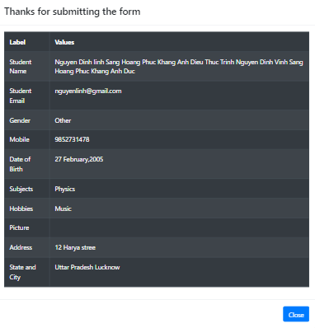 | Fail
TC6 |  | Verify that student can not register with Moblie Number < 10 digits | 1. Open browser 2. Visit the website: "https://demoqa.com/automation-practice-form" 3. Input valid first name: 'Anh' 4. Input valid Last Name: 'dinh' 5. Input a valid email format: 'susu124@gmail.com' 6. Select Gender option: 'Female' 7.Input valid mobile number: '1286' 8. Select valid Date of Brth: '9/12/2002' 9. Input valid subject: 'English' 'Maths' Physics' 'History' 10. Select all hobbies ' Reading' 11. Input valid address: '12 Noida center' 12. Select a state in list options: 'Uttar Pradesh' 13. Select city in list options: 'Agra' 14. Click on Submit button | 1. Mobile Number text box has red border color | 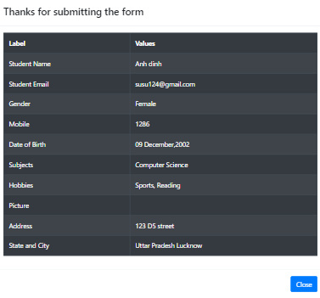 | Fail

