AddProduct
Fsoft Insight 2.0 |  |  |  |  | Process |  |  | Screen ID |  |  |  |  | Screen Name |  |  | Created PIC | Created Date | Approved Date
 |  |  |  |  | Screen Design |  |  |  |  |  |  |  | Add new product

1. Overview

 | This screen allowed you to create a new product.

2. Screen Design
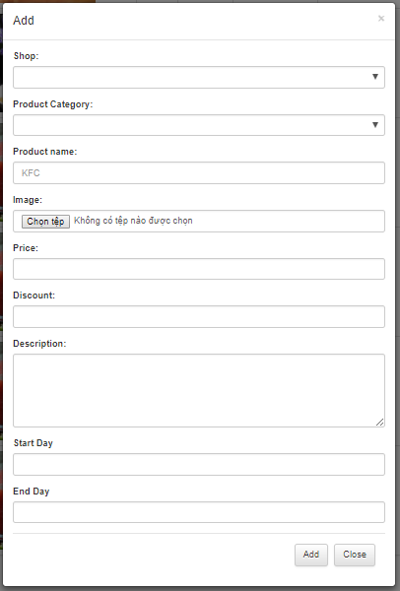
 | 2.1. Screen image

 | 2.2. Screen items

 |  | # | Item name |  |  | Control |  |  | Data type |  | I/O | Mandatory | Default Value | Range Value | Description
 |  | 1 | Name Product label |  |  | Label |  |  |  | Text | O
 |  | 2 | Name Product |  |  | Textbox |  |  |  | Text | I | x |  |  | Product'name is unique
 |  | 3 | Product Category label |  |  | Label |  |  |  | Text | O
 |  | 4 | Product Category |  |  | List box |  |  |  | Text | I | x |  |  | Product category will select list box follow Name Product category of table "Product Category"
 |  | 5 | Discount label |  |  | Label |  |  |  | Text | O
 |  | 6 | Discount |  |  | Textbox |  |  | numberic |  | I | x |  |  | Only input number from 0 to 100
 |  | 7 | Image label |  |  |  | Label |  | Text |  | O
 |  | 8 | Image |  |  | Textbox |  |  | Text |  | I | x
 |  | 9 | Price label |  |  | Label |  |  | Text |  | O
 |  | 10 | Price |  |  | Textbox |  |  | numberic |  | I | x
 |  | 11 | Description label |  |  | Label |  |  | Text |  | O
 |  | 12 | Description |  |  | TextArea |  |  | Text |  | I
 |  | 13 | Start Day label |  |  | Label |  |  | Text |  | O
 |  | 14 | Start Day |  |  | Textbox |  |  | Date |  | I | x
 |  | 15 | End Day label |  |  | Label |  |  | Text |  | O
 |  | 16 | End Day |  |  | Textbox |  |  | Date |  | I | x
 |  | 17 | Submit button |  |  |  | Button
 |  | 18 | Close button |  |  |  | Button

 | 2.3. Main screen interaction
 |  | 1) How system validate the input data
 |  | a) Message when user clickSubmit button
 |  | b)Dialog message
 |  |  |  | -When the product name is duplicated, the system will announce the message "Product name is existed. Please enter another one!"
 |  |  |  | - When the value input is zero to the field type number, the system will announce the message "Invalid value. [Field label] must be Number"
 |  |  |  | - When click save in field Required is Null , System show dialog with message : "[Field Name] cannot be blank"
 |  |  |  | - When input data to field textbox, The system will block the user input from exceeding the specified maxlenght
 |  | c)Click on [Cancel] button

 | 2.4. Screen displaying
 |  | 1) Show message when validate error :
 |  |  | - Error will be shown in red message
 |  |  | - Error will be shown from top to down.
 |  |  | - Focus on the control have error.
 |  |  | After, pointing the loss focus mouse from the failed field, the system displays an error message for the next field in turn until all fields are cleared.

 |  | 2) Combo box:
 |  |  | - The width of the combo field is fixed hard, if the data is too wide, the entire contents of the data will be displayed as the tooltip.
 |  |  | - Data will be sorted by Alphabet for the user to choose.
 |  | 3) When user click update button , Focus on the first control input , move to the next input when user press Tab on keyboard

UpdateProduct
Fsoft Insight 2.0 |  |  |  |  | Process |  |  | Screen ID |  |  |  |  | Screen Name |  |  | Created PIC | Created Date | Approved Date
 |  |  |  |  | Screen Design |  |  |  |  |  |  |  | Update Product

1. Overview

 | This screen allowed you to edit a product.

2. Screen Design

 | 2.1. Screen image

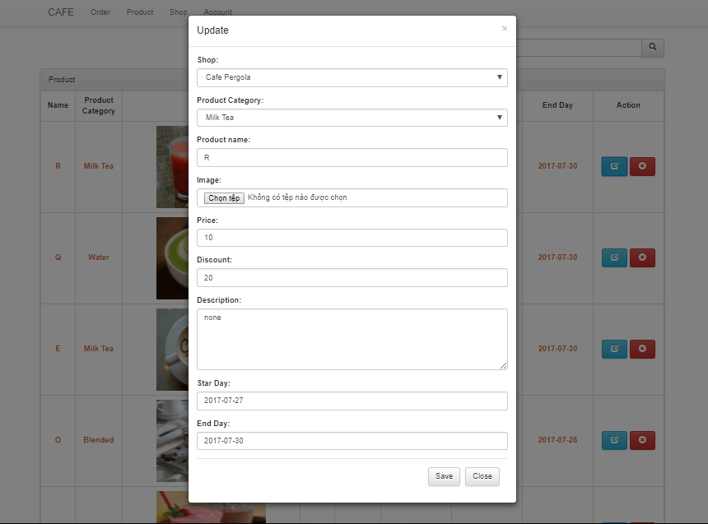

 |  | 2.2. Screen items
 |  | # | Item name |  |  | Control |  |  | Data type |  | I/O | Mandatory | Default Value | Range Value | Description
 |  | 1 | Name Product label |  |  | Label |  |  |  | Text | O
 |  | 2 | Name Product |  |  | Textbox |  |  |  | Text | I | x |  |  | Product'name is unique
 |  | 3 | Product Category label |  |  | Label |  |  |  | Text | O
 |  | 4 | Product Category |  |  | List box |  |  |  | Text | I | x
 |  | 5 | Discount label |  |  | Label |  |  |  | Text | O |  |  |  | Product category will select list box follow Name Product category of table "Product Category"
 |  | 6 | Discount |  |  | Textbox |  |  | numberic |  | I | x
 |  | 7 | Image label |  |  |  | Label |  | Text |  | O
 |  | 8 | Image |  |  | Textbox |  |  | Text |  | I | x
 |  | 9 | Price label |  |  | Label |  |  | Text |  | O |  |  |  | Update product information into database
 |  | 10 | Price |  |  | Textbox |  |  | numberic |  | I | x |  |  | Cancel the process of update product
 |  | 11 | Description label |  |  | Label |  |  | Text |  | O
 |  | 12 | Description |  |  | TextArea |  |  | Text |  | I | x
 |  | 13 | Start Day label |  |  | Label |  |  | Text |  | O
 |  | 14 | Start Day |  |  | Textbox |  |  | Date |  | I | x
 |  | 15 | Endt Day label |  |  | Label |  |  | Text |  | O
 |  | 16 | End Day |  |  | Textbox |  |  | Date |  | I | x
 |  | 17 | Submit button |  |  |  | Button
 |  | 18 | Close button |  |  |  | Button
 |  |  | 2) Field combo box:
 |  |  |  | - The width of the combo field is fixed hard, if the data is too wide, the entire contents of the data will be displayed as the tooltip.
 |  |  |  | - Data will be sorted by Alphabet for the user to choose.

SearchProduct
Fsoft Insight 2.0 |  |  |  | Process |  | Screen ID |  |  |  | Screen Name |  |  |  | Created PIC | Created Date | Approved Date
 |  |  |  | Screen Design |  |  |  |  |  | Search Product

1. Overview

 | This screen allowed you to search product

2. Screen Design

 | 2.1. Screen image

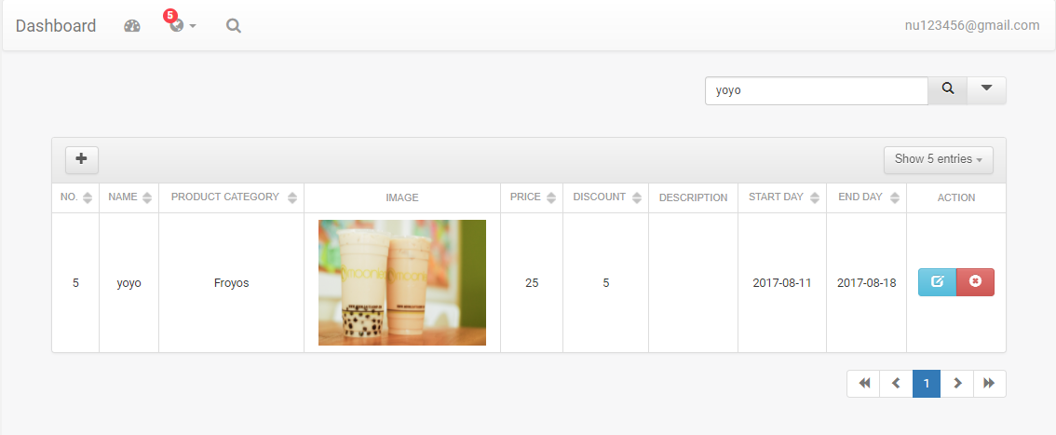

 | 2.2 Screen Items

 |  | # | Item name |  | Control |  | Data type | I/O | Mandatory |  | Default Value | Range Value | Description
 |  | 1 | Input Text |  | Textbox |  | Text | I | x |  |  |  | Text keyword to search
 |  | 2 | Search |  | Button |  | No | I | x |  |  |  | Search the product

 | 2.3 Screen Interaction
 |  | From this screen, user input the keyword and click on the search button,System will show the result on the row in the table

ListProduct
Fsoft Insight 2.0 |  |  |  | Process |  | Screen ID |  |  |  | Screen Name |  |  |  | Created PIC | Created Date | Approved Date
 |  |  |  | Screen Design |  |  |  |  |  | List Product Screen

1. Overview

 | The screen show the information about product category and add , delete, update product

2. Screen Design

 | 2.1. Screen image
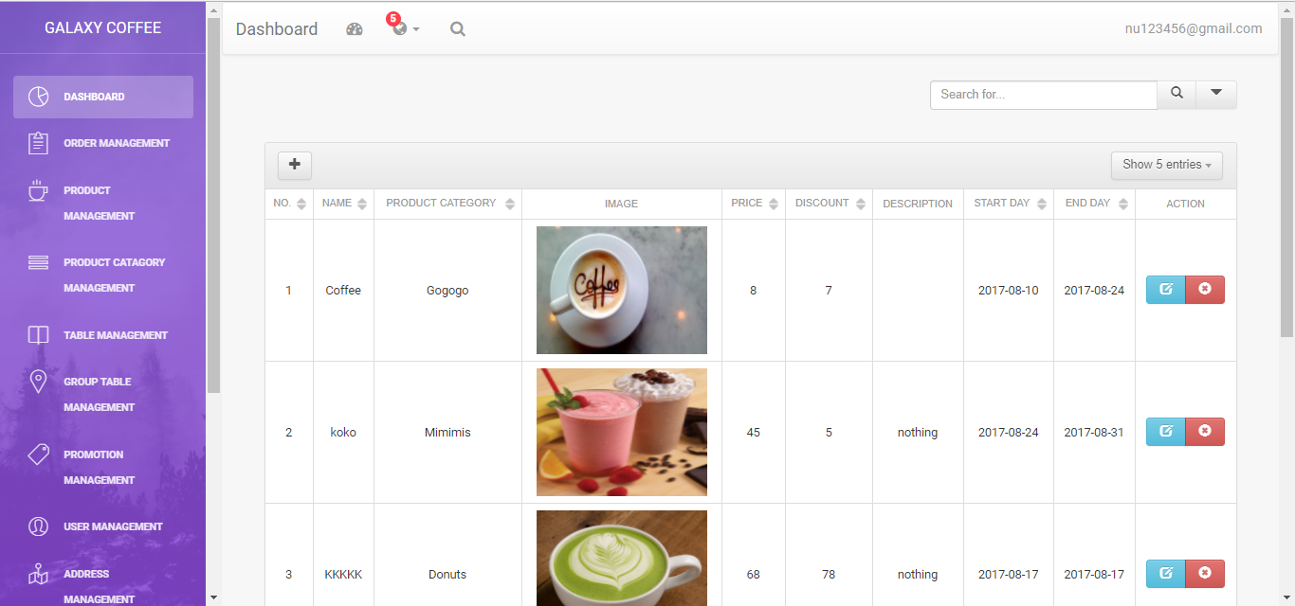

 | 2.2 Screen items
 |  | # | Item name |  | Control |  | Data type | I/O | Mandatory |  | Default Value | Range Value | Description
 |  | 1 | Add Product |  | Button |  |  |  |  |  |  |  | Open the add modal
 |  | 2 | Update Product |  | Button |  |  |  |  |  |  |  | Open the update modal
 |  | 3 | Delete Product |  | Button |  |  |  |  |  |  |  | Open the delete modal
 |  | 4 | ID |  | TableHeader |  | Text | O |  |  |  |  | Table header for ID
 |  | 5 | Name |  | TableHeader |  | Text | O |  |  |  |  | Table header for Name
 |  | 6 | Description |  | TableHeader |  | Text | O |  |  |  |  | Table header for description
 |  | 7 | Discount |  | TableHeader |  | Text | O |  |  |  |  | Table header for discount
 |  | 8 | Image |  | TableHeader |  | Text | O |  |  |  |  | Table header for image
 |  | 9 | Price |  | TableHeader |  | Text | O |  |  |  |  | Table header for price
 |  | 10 | Start Day |  | TableHeader |  | Text | O |  |  |  |  | Table header for Start day
 |  | 11 | End Day |  | TableHeader |  | Text | O |  |  |  |  | Table header for End day
 |  | 12 | Action |  |  |  |  |  |  |  |  |  | Table header for Action , have 2 button Update and Delete for per Row

 | 2.3 Main Screen Interaction
 |  | Add Product : System open Add modal
 |  | Update Product : System open update modal
 |  | Delete Product : System open delete modal
 |  | Arrange the row by clicking the table header
 | 2.4. Screen displaying
 |  | Id Header : Column ID for table product
 |  | Name Header : Column Name for table product
 |  | Description : Column Description for table product
 |  | Discount : Column Discount for table product
 |  | Image : Column image for table product
 |  | Price : Column Price for table product
 |  | Start day : Column Start day for table product
 |  | End day : Column End day for table product
 |  | Action : Column Action for table product category , per Row in table have 2 action : Delete, Update
 |  | Button Page number : Move to the list product category on the number page

