Add Employee
Fsoft Insight 2.0 |  |  |  |  | Process |  | Screen ID |  |  |  | Screen Name |  |  |  | Created PIC | Created Date | Approved Date
 |  |  |  |  | Screen Design |  |  |  |  |  | Add Employee |  |  |  | VuNX | 14-Jul-2017

1. Overview
The screen allows you to enter information to add new categories. The screen will popup when Manager clicks the "Add new staff" button.

2. Screen Design

 | 2.1. Screen image
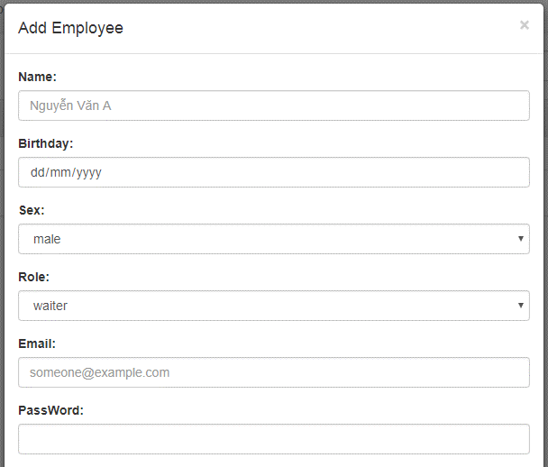

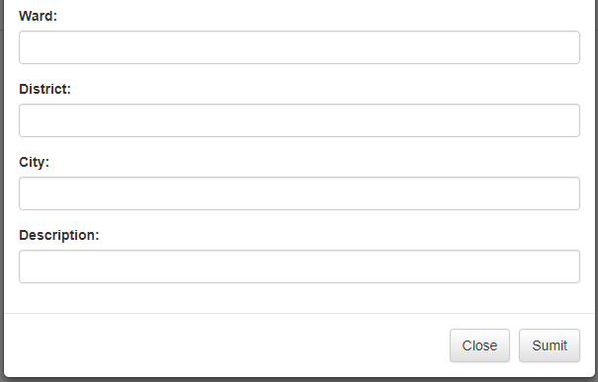

 | 2.2. Screen items

 |  | # | Item name |  |  | Control |  | Data type | I/O | Mandatory |  | Default Value | Range Value | Description
 |  | 1 | Add employee |  |  |  | Label | Text | O |  |  |  |  | Title
 |  | 2 | Name label |  |  | Label |  | Text | O
 |  | 3 | Name importbox |  |  | Textbox |  | Text | I | X |  |  |  | Enter employee name
 |  | 4 | Birthday label |  |  | Label |  | Text | O
 |  | 5 | Birthday importbox |  |  | Textbox |  | Text | I | X |  |  |  | Enter employee birthday
 |  | 6 | Sex label |  |  | Label |  | Text | O
 |  | 7 | Sex importbox |  |  | Textbox |  | Text | I | X |  |  |  | Enter sex empoyee
 |  | 8 | Role label |  |  | Label |  | Text | O
 |  | 9 | Role importbox |  |  | Textbox |  | Text | I | X |  |  |  | Enter role employee
 |  | 10 | Email label |  |  | Label |  | Text | O
 |  | 11 | Email importbox |  |  | Textbox |  | Text | I | X |  |  |  | Enter email employee
 |  | 12 | Password label |  |  | Label |  | Text | O
 |  | 13 | Password importbox |  |  | Textbox |  | Password | I | X |  |  |  | Enter password email employee
 |  | 14 | Ward label |  |  | Label |  | Text | O
 |  | 15 | Ward importbox |  |  | Textbox |  | Text | I | X |  |  |  | Enter ward employee
 |  | 16 | District label |  |  | Label |  | Text | O
 |  | 17 | District importbox |  |  | Textbox |  | Text | I | X |  |  |  | Enter district employee
 |  | 18 | City label |  |  | Label |  | Text | O
 |  | 19 | City importbox |  |  | Textbox |  | Text | I | X |  |  |  | Enter city employee
 |  | 20 | Description label |  |  | Label |  | Text | O
 |  | 21 | Description importbox |  |  | Textbox |  | Text | I | X |  |  |  | Enter description
 |  | 22 | Sumit |  |  | Button
 |  | 23 | Close |  |  | Button

 | 2.3. Main screen interaction
 |  | 2.3.1 The buttons on the screen will work when pressed as follows
 |  |  | Sumit button : By clicking on this button, the system will add new employees to the system
 |  |  | Close button : When clicking this button, the system will cancel new employees into the system

 |  | 2.3.2 The system will validate the data as follows:
 |  |  | When the user clicks on the [Sumit] button
 |  |  | The error will be displayed as follows:
 |  |  |  | When you save the data that the mandatory fields are Null, the system will display an error message informing each data field
 |  |  |  | When entering data into the Textbox field, the system will report an error to the user when entering exceeds specified maxlenght
 |  |  |  | When entering values are special characters the system displays the message "The input value does not contain special characters"

 | 2.4. Screen displaying
 |  | Notification failed for invalid case
 |  |  | - The invalid data will be shown with the red color
 |  |  | -The system display error for a invalid case according to rule from the top of the bottom, from the left to the right.

Delete Employee
Fsoft Insight 2.0 |  |  |  | Process |  | Screen ID |  |  |  | Screen Name |  |  |  | Created PIC | Created Date | Approved Date
 |  |  |  | Screen Design |  |  |  |  |  | Delete Employee |  |  |  | VuNX | 14-Jul-2017

1. Overview
The screen help you delete an employee in the system The screen will popup when Manager clicks the "Delete" button.

2. Screen Design

 | 2.1. Screen image
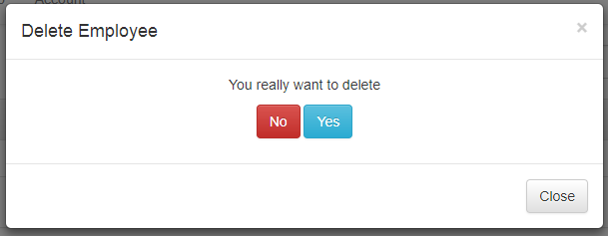

 | 2.2. Screen items

 |  | # | Item name |  | Control |  | Data type | I/O | Mandatory |  | Default Value | Range Value | Description
 |  | 1 | Delete Employee |  |  | Label | Text | O |  |  |  |  | Title
 |  | 2 | You really want to delete |  | Label |  | Text | O
 |  | 3 | Yes |  | Button |  |  |  |  |  |  |  | Delete employee
 |  | 4 | No |  | Button |  |  |  |  |  |  |  | Cancel deletion
 |  | 5 | Close |  | Button |  |  |  |  |  |  |  | Close Popup

 | 2.3. Main screen interaction
 |  | 2.3.1 The buttons on the screen will work when pressed as follows
 |  |  | Yes button : By clicking on this button, the system will delete employees to the system
 |  |  | Close button : When clicking this button, the system will cancel delete employee into the system

 |  | 2.3.2 The system will validate the data as follows:
 |  |  | When the user clicks on the [Yes] button

 | 2.4. Screen displaying

Update Employee
Fsoft Insight 2.0 |  |  |  |  | Process |  | Screen ID |  |  |  | Screen Name |  |  |  | Created PIC | Created Date | Approved Date
 |  |  |  |  | Screen Design |  |  |  |  |  | Update Employee |  |  |  | VuNX | 14-Jul-2017

1. Overview
The screen allows you to enter information to update information The screen will popup when Manager clicks the "Update" button.

2. Screen Design

 | 2.1. Screen image

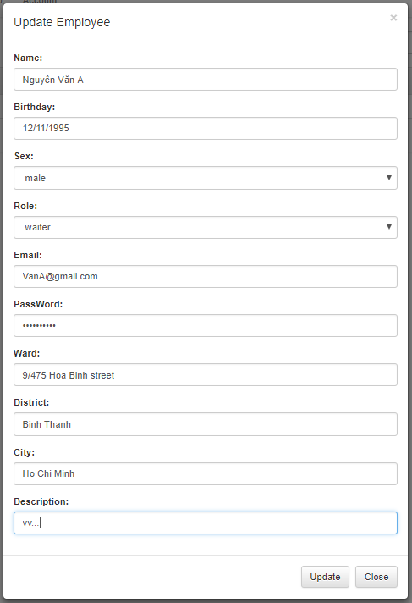

 | 2.2. Screen items

 |  | # | Item name |  |  | Control |  | Data type | I/O | Mandatory |  | Default Value | Range Value | Description
 |  | 1 | Update Employee |  |  |  | Label | Text | O |  |  |  |  | Title
 |  | 2 | Name label |  |  | Label |  | Text | O
 |  | 3 | Name importbox |  |  | Textbox |  | Text | I |  |  |  |  | Enter employee name
 |  | 4 | Birthday label |  |  | Label |  | Text | O
 |  | 5 | Birthday importbox |  |  | Textbox |  | Text | I |  |  |  |  | Enter employee birthday
 |  | 6 | Sex label |  |  | Label |  | Text | O
 |  | 7 | Sex importbox |  |  | Textbox |  | Text | I |  |  |  |  | Enter sex empoyee
 |  | 8 | Role label |  |  | Label |  | Text | O
 |  | 9 | Role importbox |  |  | Textbox |  | Text | I |  |  |  |  | Enter role employee
 |  | 10 | Email label |  |  | Label |  | Text | O
 |  | 11 | Email importbox |  |  | Textbox |  | Text | I |  |  |  |  | Enter email employee
 |  | 12 | Password label |  |  | Label |  | Text | O
 |  | 13 | Password importbox |  |  | Textbox |  | Password | I |  |  |  |  | Enter password email employee
 |  | 14 | Ward label |  |  | Label |  | Text | O
 |  | 15 | Ward importbox |  |  | Textbox |  | Text | I |  |  |  |  | Enter ward employee
 |  | 16 | District label |  |  | Label |  | Text | O
 |  | 17 | District importbox |  |  | Textbox |  | Text | I |  |  |  |  | Enter district employee
 |  | 18 | City label |  |  | Label |  | Text | O
 |  | 19 | City importbox |  |  | Textbox |  | Text | I |  |  |  |  | Enter city employee
 |  | 20 | Description label |  |  | Label |  | Text | O
 |  | 21 | Description importbox |  |  | Textbox |  | Text | I |  |  |  |  | Enter description
 |  | 22 | Sumit |  |  | Button
 |  | 23 | Close |  |  | Button

 | 2.3. Main screen interaction
 |  | 2.3.1 The buttons on the screen will work when pressed as follows
 |  |  | Sumit button : By clicking on this button, the system will update employees to the system
 |  |  | Close button : When clicking this button, the system will cancel update employees into the system

 |  | 2.3.2 The system will validate the data as follows:
 |  |  | When the user clicks on the [Update] button
 |  |  | The error will be displayed as follows:
 |  |  |  | When entering data into the Textbox field, the system will report an error to the user when entering exceeds specified maxlenght
 |  |  |  | When entering values are special characters the system displays the message "The input value does not contain special characters"

 | 2.4. Screen displaying
 |  | Notification failed for invalid case
 |  |  | - The invalid data will be shown with the red color
 |  |  | -The system display error for a invalid case according to rule from the top of the bottom, from the left to the right.

