Edit Product Category
Fsoft Insight 2.0 |  |  |  |  | Process |  | Screen ID |  |  |  | Screen Name |  |  |  | Created PIC | Created Date
 |  |  |  |  | Screen Design |  | SCR_PRJ_0311 |  |  |  | Edit information categories |  |  |  | SanhKyThach | 2017-07-14

1. Overview

 | This screen allowed you to edit the information of category

2. Screen Design

 | 2.1. Screen image

 |  | 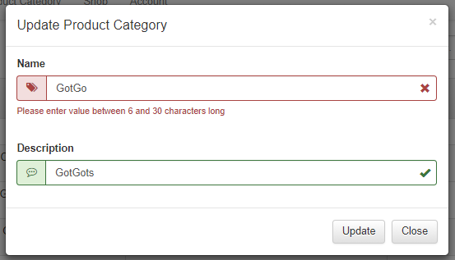

 | 2.2. Screen items

 |  | # | Item name |  |  | Control |  | Data type | I/O | Mandatory |  | Default Value | Range Value | Description
 |  | 1 | Name Product Category |  |  | Label |  | Text | O
 |  | 2 | Product Category |  |  | Textbox |  | Text | I | x |  | Show the Product Category value of current product category |  | Product Category'name is unique .
 |  | 7 | Name Description |  |  | Label |  | Text | O
 |  | 8 | Description |  |  | TextArea |  | Text | I |  |  | Show the description of current product category |  | Description of product category
 |  | 9 | Update |  |  | Button |  |  |  |  |  |  |  | Edit product category into database
 |  | 10 | Close |  |  | Button |  |  |  |  |  |  |  | Cancel the process of add category

 | 2.3. Main screen interaction
 |  | 1) How system validate the input data :
 |  |  | a) Message when user click Update button
 |  |  | b) Dialog message :
 |  |  |  | - When click update button and data input Required is Null , System show dialog with message : "[Field Name] invalid , please input with valid pattern"
 |  |  | c)Click on [Cancel] button
 | 2.4. Screen displaying
 |  | 1) Show message when validate error :
 |  |  | - Error will be shown in red message
 |  |  | - Error will be shown from top to down.
 |  |  | - Focus on the control have error.

 |  | 3) When user click update button , Focus on the first control input , move to the next input when user press Tab on keyboard

Add Product Category
Fsoft Insight 2.0 |  |  |  |  | Process |  | Screen ID |  |  |  | Screen Name |  |  |  | Created PIC | Created Date
 |  |  |  |  | Screen Design |  | SCR_PRJ_0311 |  |  |  | Add product category |  |  |  | SanhKyThach | 2017-07-14

1. Overview

 | This screen allowed you to add the product category

2. Screen Design

 | 2.1. Screen image

 |  | 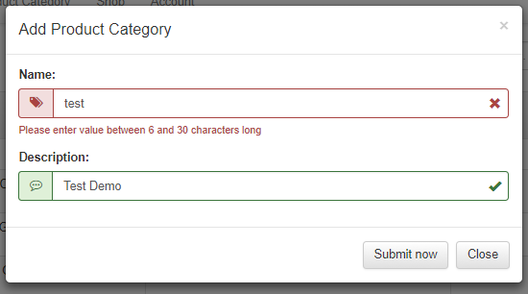

 | 2.2. Screen items

 |  | # | Item name |  |  | Control |  | Data type | I/O | Mandatory |  | Default Value | Range Value | Description
 |  | 1 | Name Product Category |  |  | Label |  | Text | O
 |  | 2 | Product Category |  |  | Textbox |  | Text | I | x |  |  |  | Product Category'name is unique .
 |  | 3 | Name Products |  |  | Label |  | Text | O
 |  | 7 | Name Description |  |  | Label |  | Text | O
 |  | 8 | Description |  |  | TextBox |  | Text | I |  |  |  |  | Description of product category
 |  | 9 | Add |  |  | Button |  |  |  |  |  |  |  | Add product category into database
 |  | 10 | Close |  |  | Button |  |  |  |  |  |  |  | Cancel the process of add category

 | 2.3. Main screen interaction
 |  | 1) How system validate the input data :
 |  |  | a) Message when user click Add button
 |  |  | b) Dialog message :
 |  |  |  | - When click update button and data input Required is Null , System show dialog with message : "[Field Name] invalid , please input with valid pattern"
 |  |  | c)Click on [Cancel] button
 | 2.4. Screen displaying
 |  | 1) Show message when validate error :
 |  |  | - Error will be shown in red message
 |  |  | - Error will be shown from top to down.
 |  |  | - Focus on the control have error.

 |  | 3) When user click add button , Focus on the first control input , move to the next input when user press Tab on keyboard

Change Language
Fsoft Insight 2.0 |  |  |  | Process |  | Screen ID |  |  |  | Screen Name |  |  |  | Created PIC | Created Date | Approved Date
 |  |  |  | Screen Design |  | SCR_PRJ_0308 |  |  |  | Change language Product Category |  |  |  | SanhKyThach | 2017-07-14 | MMDDYYY

1. Overview

 | This screen allowed you to change the language

2. Screen Design

 | 2.1. Screen image
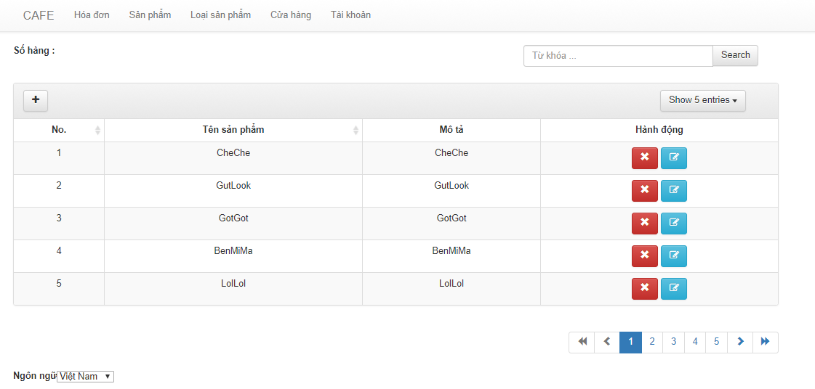

 | 2.2 Screen Items

 |  | # | Item name |  | Control |  | Data type | I/O | Mandatory |  | Default Value | Range Value | Description
 |  | 1 | Ngôn ngữ |  | Label |  | Text | I | x |  | No |  | Change the language of this screen
 |  | 2 | Combobox language |  | ComboBox |  | Select | I | x |  | English |  | Choose the language in the combobox

 | 2.3 Screen Interaction
 |  | From this screen, user can select the language :
 |  | + If user click English : System will change language to English on this page
 |  | + If user click VietNamese : System will change language to Vietnamese on this page.

List Product Category Screen
Fsoft Insight 2.0 |  |  |  | Process |  | Screen ID |  |  |  | Screen Name |  |  |  | Created PIC | Created Date | Approved Date
 |  |  |  | Screen Design |  | SCR_PRJ_0302 |  |  |  | List Product Category Screen |  |  |  | SanhKyThach | 14/07/2017

1. Overview

 | The screen show the information about product category and add , delete, update product category

2. Screen Design

 | 2.1. Screen image
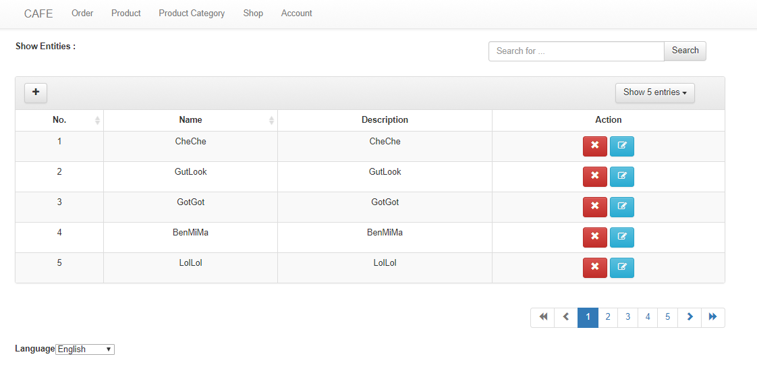

 | 2.2 Screen items
 |  | # | Item name |  | Control |  | Data type | I/O | Mandatory |  | Default Value | Range Value | Description
 |  | 1 | Add Product Category |  | Button |  |  |  |  |  |  |  | Open the add modal
 |  | 2 | Update Product Category |  | Button |  |  |  |  |  |  |  | Open the update modal
 |  | 3 | Delete Product Category |  | Button |  |  |  |  |  |  |  | Open the delete modal
 |  | 4 | ID |  | TableHeader |  | Text | O |  |  |  |  | Table header for ID
 |  | 5 | Name |  | TableHeader |  | Text | O |  |  |  |  | Table header for Name
 |  | 6 | Description |  | TableHeader |  | Text | O |  |  |  |  | Table header for Description
 |  | 11 | Action |  | TableHeader |  | Text | O |  |  |  |  | Table header for Action , have 2 button Update and Delete for per Row

 | 2.3 Main Screen Interaction
 |  | Add Product Category : System open Add modal
 |  | Update Product Category : System open update modal
 |  | Delete Product Category : System open delete modal
 |  | Arrange the row by clicking the table header
 | 2.4. Screen displaying
 |  | Id Header : Column ID for table product category
 |  | Name Header : Column Name for table product category
 |  | Description : Column Description for table product category
 |  | Action : Column Action for table product category , per Row in table have 2 action : Delete, Update
 |  | Button Page number : Move to the list product category on the number page

