CuWtTrans
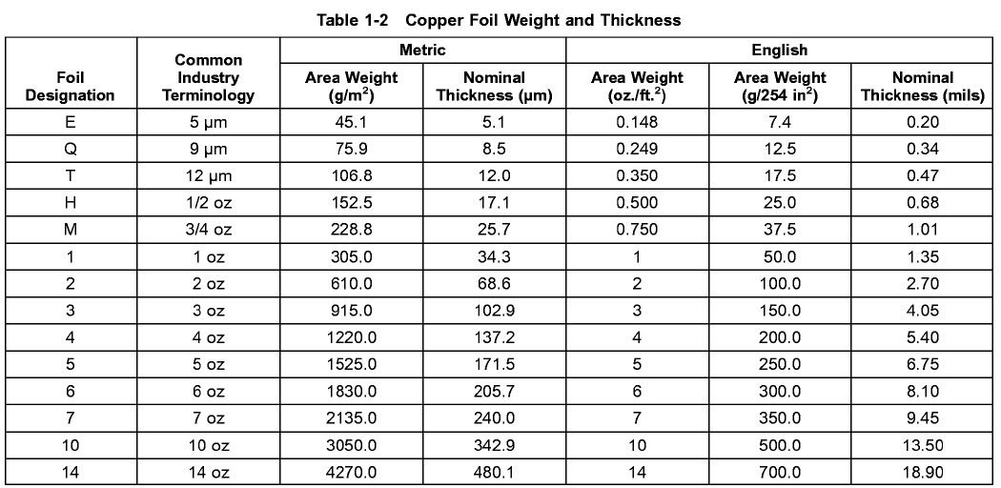
Copper Weight | Code (Core) | Code (Foil) | Code (FlexClad) | Thickness (Raw) [Micron] | Thickness (Raw) [Mils] | Thickness (Post-Process)
0 | 0 | 0 | 0 | 0 | 0 | 0
0.15 | E | 5µ | 5 | 5 | 0.2000 | 0.197
0.25 | Q | 9µ | 8 | 9 | 0.3400 | 0.338
0.33 | L | 12µ | 11 | 12 | 0.4700 | 0.473
0.333 | T | 12µ | 11 | 12 | 0.4700 | 0.473
0.5 | H | 18µ | 16 | 18 | 0.6500 | 0.675
0.6 | Z | 21µ | 16 | 21 | 0.8100 | 0.81
1 | 1 | 1 oz | 31 | 35 | 1.3500 | 1.35
2 | 2 | 2 oz | 62 | 70 | 2.7000 | 2.7
3 | 3 | 3 oz | 93 | 105 | 4.0500 | 4.05
4 | 4 | 4 oz | 124 | 140 | 5.4000 | 5.4
5 | 5 | 5 oz | 155 | 175 | 6.7500 | 6.75
6 | 6 | 6 oz | 155 | 210 | 8.1000 | 8.1
7 | 7 | 7 oz | 155 | 245 | 9.4500 | 9.45
8 | 8 | 8 oz | 155 | 280 | 10.8000 | 10.8
9 | 9 | 9 oz | 155 | 315 | 12.1500 | 12.15
10 | 10 | 10 oz | 155 | 350 | 13.5000 | 13.5

Insulator Thickness
Microns | Mils
12 | 0.5
25 | 1.0
35 | 1.4
37 | 1.5
50 | 2.0
75 | 3.0
100 | 4.0
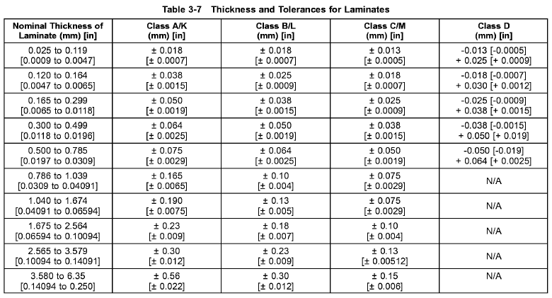
125 | 5.0

IPC Core Tolerance
Microns |  | Mils |  | Tol in Micron |  |  | Tol in Mil
min | max | min | max | Class A | Class B | Class C | Class A | Class B | Class C
25 | 120 | 0.9 | 4.7 | 18 | 18 | 13 | 0.7 | 0.7 | 0.5
120 | 165 | 4.7 | 6.5 | 38 | 25 | 18 | 1.5 | 0.9 | 0.7
165 | 300 | 6.5 | 11.8 | 50 | 38 | 25 | 1.9 | 1.5 | 0.9
300 | 500 | 11.8 | 19.6 | 64 | 50 | 38 | 2.5 | 1.9 | 1.5
500 | 786 | 19.7 | 30.9 | 75 | 64 | 50 | 2.9 | 2.5 | 1.9
786 | 1040 | 30.9 | 40.9 | 165 | 100 | 75 | 6.5 | 4 | 2.9
1040 | 1675 | 40.9 | 659 | 190 | 130 | 75 | 7.5 | 5 | 2.9
1675 | 2565 | 65.9 | 100.9 | 230 | 180 | 100 | 9 | 7 | 4
2565 | 3580 | 100.9 | 140.9 | 300 | 230 | 130 | 12 | 9 | 5.12
3580 | 6350 | 140.9 | 250 | 560 | 300 | 150 | 22 | 12 | 6

#Copper Weight Combination |  |  |  | #Copper Weight Combination
CORE (oz) |  |  |  | Flex Clad (oz)
0.333 | 0.333 |  |  | 0.25 | 0.25
0.5 | 0.5 |  |  | 0.333 | 0.333
0.5 | 1 |  |  | 0.5 | 0.5
1 | 1 |  |  | 0.5 | 1
1 | 2 |  |  | 1 | 1
2 | 2
1 | 3
2 | 3
3 | 3

MASK_MATERIAL
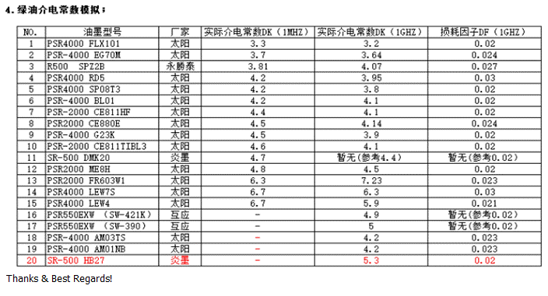
NAME | GENERIC_NAME | #Dupe | VENDOR | FAMILY | COLOR | MASK_TYPE | Type_ | Glossy_ | HASL_CAP_ | TIN_CAP_ | OSP_CAP_ | ENIG_CAP_ | SUB_TYPE_ | IS_HF_ | IS_ROHS_ | Er_01G_ | DK_01M_ | LOW_DK_ | LOW_DF_ | DK_01G_ | DK_05G_ | DK_10G_ | DF_01G_ | DF_05G_ | DF_10G_ | SITE_MATERIAL.COST | SITE_MATERIAL.GRADE_PREFERENCE | OBSOLETE | MRP_NAME | MRP_REVISION | MRP_REV_DESCRIPTION
Green PSR-2000 CE823HF | PSR-2000 CE823HF | -- | Taiyo | PSR-2000 CE823HF | Green | Solder Mask | Screen | Glossy | Yes | Not | Yes | Yes | CA-25 CE81 | FALSE | TRUE |  |  |  |  |  |  |  |  |  |  | 0 | 1 | false
Green PSR-2000 CE811HF | PSR-2000 CE811HF | -- | Taiyo | PSR-2000 CE811HF | Green | Solder Mask | Screen | Glossy | Yes | Not | Yes | Yes | CA-25 CE811 | TRUE | TRUE |  | 4.4 |  |  | 4.1 |  |  | 0.02 |  |  | 0 | 1 | false | 05010116
Blue PSR-2000 CE811TIBL3 | PSR-2000 CE811TIBL3 | -- | Taiyo | PSR-2000 CE811TIBL3 | Blue | Solder Mask | Screen | Glossy | Yes | Not | Yes | Yes | CA-25 CE813 | TRUE | TRUE | 4 | 4.6 |  |  | 4.1 |  |  | 0.02 |  |  | 0 | 1 | false | 05010163
Green PSR-4000 G23K | PSR-4000 G23K | -- | Taiyo | PSR-4000 G23K | Green | Solder Mask | Screen | Glossy | Yes | Yes | Yes | Yes | CA-40G23K | TRUE | TRUE | 4.2 | 4.5 |  |  | 3.9 |  |  | 0.02 |  |  | 0 | 30 | false | 05010124
Green PSR-4000 AM03TS | PSR-4000 AM03TS | -- | Taiyo | PSR-4000 AM03TS | Green | Solder Mask | Screen | Semi-matte | Yes | Yes | Yes | Yes | CA-40AM03TM | TRUE | TRUE | 3.9 | - |  |  | 4.2 |  |  | 0.023 |  |  | 0 | 1 | false | 05020110
Blue PSR-4000 BL01 | PSR-4000 BL01 | -- | Taiyo | PSR-4000 BL01 | Blue | Solder Mask | Screen | Glossy | Yes | Not | Yes | Yes | CA-40 G24 | TRUE | TRUE | 3.8 | 4.2 |  |  | 4.1 |  |  | 0.02 |  |  | 0 | 20 | false
Black PSR-4000 EG23 | PSR-4000 EG23 | -- | Taiyo | PSR-4000 EG23 | Black | Solder Mask | Screen | Glossy | Yes | Not | Yes | Yes | CA-40G23K | TRUE | TRUE | 3.9 |  |  |  |  |  |  |  |  |  | 0 | 20 | false
Black PSR-4000 EG30 | PSR-4000 EG30 | -- | Taiyo | PSR-4000 EG30 | Black | Solder Mask | Screen | Semi-matte | Yes | Not | Yes | Yes | CA-40G23K | TRUE | TRUE |  |  |  |  |  |  |  |  |  |  | 0 | 40 | false
Black PSR-4000 EG70M | PSR-4000 EG70M | -- | Taiyo | PSR-4000 EG70M | Black | Solder Mask | Screen | Semi-matte | Yes | Not | Yes | Yes | CA-40G50 | TRUE | TRUE | 3.4 | 3.7 |  |  | 3.64 |  |  | 0.024 |  |  | 0 | 20 | false | 05110411
Green PSR-4000 SP08T3 | PSR-4000 SP08T3 | -- | Taiyo | PSR-4000 SP08T3 | Green | Solder Mask | E-Spray | Glossy | Yes | Not | Yes | Yes | CA-40 SP08 | FALSE | TRUE | 4.1 | 4.2 |  |  | 3.8 |  |  | 0.02 |  |  | 0 | 1 | false | 05010115
Green PSR-4000 AM02SP | PSR-4000 AM02SP | -- | Taiyo | PSR-4000 AM02SP | Green | Solder Mask | E-Spray | Glossy | Yes | Not | Yes | Yes | CA-40 AM02SP | TRUE | TRUE | 3.9 |  |  |  |  |  |  |  |  |  | 0 | 60 | false
Green PSR-4000 AM10SP | PSR-4000 AM10SP | -- | Taiyo | PSR-4000 AM10SP | Green | Solder Mask | E-Spray | Glossy | Yes | Not | Yes | Yes | CA-40 AM10SP | TRUE | TRUE | 3.8 |  |  |  |  |  |  |  |  |  | 0 | 60 | false
White PSR-2000 FR603W1 | PSR-2000 FR603W1 | -- | Taiyo | PSR-2000 FR603W1 | White | Solder Mask | Screen | Glossy |  |  |  |  | CA-25 FR603 | TRUE | TRUE |  | 6.3 |  |  | 7.23 |  |  | 0.023 |  |  | 0 | 10 | false | 05010101
Green PSR-4000 MH | PSR-4000 MH | -- | Taiyo | PSR-4000 MH | Green | Solder Mask | Screen | Matte |  |  |  |  | CA-40 MH |  | TRUE |  |  |  |  |  |  |  |  |  |  | 0 | 20 | false | 05010204
Black PSR-2000 CE880E | PSR-2000 CE880E | -- | Taiyo | PSR-2000 CE880E | Black | Solder Mask | Screen | Glossy |  |  |  |  | CA-25 CE96 |  | TRUE |  | 4.5 |  |  | 4.14 |  |  | 0.024 |  |  | 0 | 20 | false | 05010196
Green PSR-4000 AM05TS | PSR-4000 AM05TS | -- | Taiyo | PSR-4000 AM05TS | Green | Solder Mask | Screen | Semi-matte | Yes | Yes | Yes | Yes | CA-40 AM05TS | TRUE | TRUE |  |  |  |  |  |  |  |  |  |  | 0 | 30 | false
Green PSR-4000 AM81 | PSR-4000 AM81 | -- | Taiyo | PSR-4000 AM81 | Green | Solder Mask | Screen | Semi-matte | Yes | Yes | Yes | Yes | CA-40 AM81 | TRUE | TRUE |  |  |  |  |  |  |  |  |  |  | 0 | 50 | false
Green Probimer77/7179 | Probimer77/7179 | -- | Huntsman | Probimer77/7179 | Green | Solder Mask | Screen | Semi-matte | Yes | Yes | Yes | Yes | Probimer77/7180 | FALSE |  | 3.8 |  |  |  |  |  |  |  |  |  | 0 | 1 | false | 05110415
Black SR-500 DMK20 | SR-500 DMK20 | -- | Taiwan | SR-500 DMK20 | Black | Solder Mask | Screen |  | Yes | Not | Yes | Yes | CA-66 | TRUE |  |  | 4.7 |  |  | 4.4 |  |  | 0.02 |  |  | 0 | 10 | false | 05110507
PSR-550B B23 | PSR-550B B23 | -- | Taiwan | PSR-550B B23 |  | Solder Mask |  |  |  |  |  |  |  | TRUE |  |  |  |  |  |  |  |  |  |  |  | 0 | 10 | false
Red AE1125HD | AE1125HD | -- | Tatsuta | AE1125HD | Red | Resin Plug | Screen |  |  |  |  |  | - | TRUE |  |  |  |  |  |  |  |  |  |  |  | 0 | 40 | false
Red AE1125DS | AE1125DS | -- | Tatsuta | AE1125DS | Red | Resin Plug | Screen |  |  |  |  |  | - | TRUE |  |  |  |  |  |  |  |  |  |  |  | 0 | 20 | false | 05100206
White THP-100 Z2 | THP-100 Z2 | -- | Taiyo | THP-100 Z2 | White | Resin Plug | Screen |  |  |  |  |  | - | FALSE | TRUE |  |  |  |  |  |  |  |  |  |  | 0 | 1 | false | 05050101
White PHP-900IR 10FE | PHP-900IR 10FE | -- | Sanei | PHP-900IR 10FE | White | Resin Plug | Screen |  |  |  |  |  | - | FALSE |  |  |  |  |  |  |  |  |  |  |  | 0 | 40 | false
White THP-100DX7 | THP-100DX7 | -- | Taiyo | THP-100DX7 | White | Resin Plug | Screen |  |  |  |  |  | - |  | TRUE |  |  |  |  |  |  |  |  |  |  | 0 | 20 | false | 05050102
Black PSR-4000 PF9 | PSR-4000 PF9 | -- | Taiyo | PSR-4000 PF9 | Black | Solder Plug | Screen |  |  |  |  |  | CA-40 PF9 | TRUE | TRUE |  |  |  |  |  |  |  |  |  |  | 0 | 30 | false | 05010191
Blue PSR-4000 PF9 | PSR-4000 PF9 | -- | Taiyo | PSR-4000 PF9 | Blue | Solder Plug | Screen |  |  |  |  |  | CA-40 PF9 | TRUE | TRUE |  |  |  |  |  |  |  |  |  |  | 0 | 20 | false
Green PSR-4000 PF10 | PSR-4000 PF10 | -- | Taiyo | PSR-4000 PF10 | Green | Solder Plug | Screen |  |  |  |  |  | CA-40 PF10 | TRUE | TRUE |  |  |  |  |  |  |  |  |  |  | 0 | 20 | false | 05010179
White ZSR-150 ZM-400WF | ZSR-150 ZM-400WF | -- | Taiyo | ZSR-150 ZM-400WF | White | Solder Plug | Screen |  |  |  |  |  | - |  | TRUE |  |  |  |  |  |  |  |  |  |  | 0 | 20 | false | 05050102
Yellow S-200Y ND | S-200Y ND | -- | Taiyo | S-200Y ND | Yellow | Silk Screen | Screen |  |  |  |  |  | HD-3 | TRUE | TRUE |  |  |  |  |  |  |  |  |  |  | 0 | 1 | false | 05020207
Black S-200E | S-200E | -- | Taiyo | S-200E | Black | Silk Screen | Screen |  |  |  |  |  | HD-3 | FALSE | TRUE |  |  |  |  |  |  |  |  |  |  | 0 | 1 | false | 05020203
White S-200W | S-200W | -- | Taiyo | S-200W | White | Silk Screen | Screen |  |  |  |  |  | HD-3 | TRUE | TRUE |  |  |  |  |  |  |  |  |  |  | 0 | 1 | false | 05020201
Green S-500 FM01 | S-500 FM01 | -- | Taiyo | S-500 FM01 | Green | SR Flex | Screen |  |  |  |  |  | HD-50 FM01 |  | TRUE |  |  |  |  |  |  |  |  |  |  | 0 | 20 | false | 05110421

