API01 - Critical
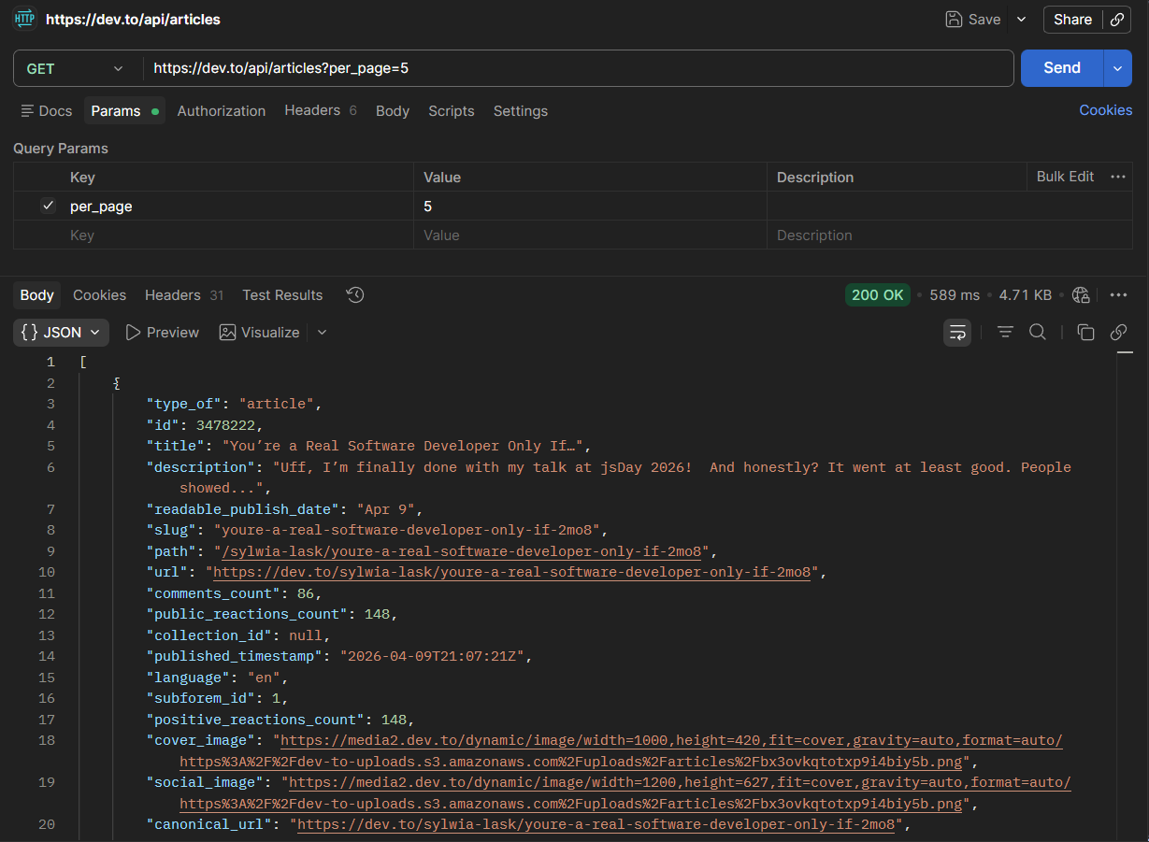
Test Case ID |  | API-01 | Test Case Description | Test the API for retrieving the latest articles (Get Latest Articles).
Created By |  | HoangPhuc | Reviewed By | HoangPhuc |  | Version |  | 0.1.1

QA Tester’s Log

Tester's Name |  | HoangPhuc | Date Tested | 2026-04-12 |  | Test Case (Pass/Fail/Not Executed) |  | Pass

Method / Endpoint |  | GET /articles

S # | Prerequisites: |  |  | S # | Test Data
1 | Postman is installed and opened. |  |  | 1 | per_page: 5 (Retrieve 5 articles per page)
2 | Computer has an internet connection. |  |  | 2 | URL: https://dev.to/api/articles?per_page=5
3 |  |  |  | 3
4 |  |  |  | 4

Test Scenario | Verify whether the API returns a 200 OK status code and the correct number of articles as requested.

Step # | Step Details |  | Expected Results | Actual Results |  |  | Pass / Fail / Not executed / Suspended

1 | Enter the URL into Postman and select the GET method. |  | The URL is displayed correctly, and the per_page parameter is automatically populated in the Params tab. | Postman correctly recognizes the URL and the provided parameters. |  |  | Pass
2 | Click the Send button. |  | The system sends the request and receives a response from the Dev.to server. | The response is received in approximately 500ms. |  |  | Pass
3 | Check the Status Code. |  | The status code must be 200 OK. | The status code is displayed as 200 OK (green). |  |  | Pass
4 | Check the Response Body structure. |  | Returns a JSON array containing fields such as: id, title, description, user. | The response is in correct JSON format and includes all required article fields. |  |  | Pass
5 | Verify the number of returned articles. |  | The JSON array must contain exactly 5 items. | The list contains exactly 5 articles as specified in the per_page parameter. |  |  | Pass

API02 - Medium
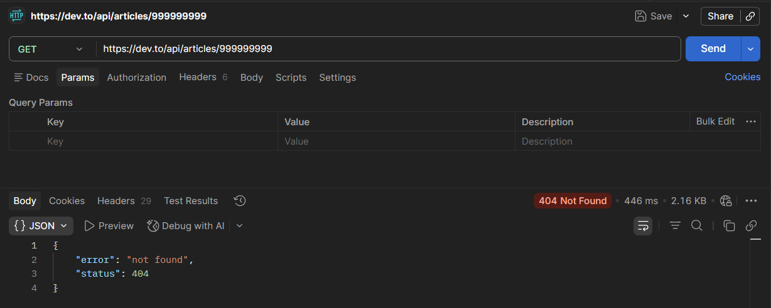
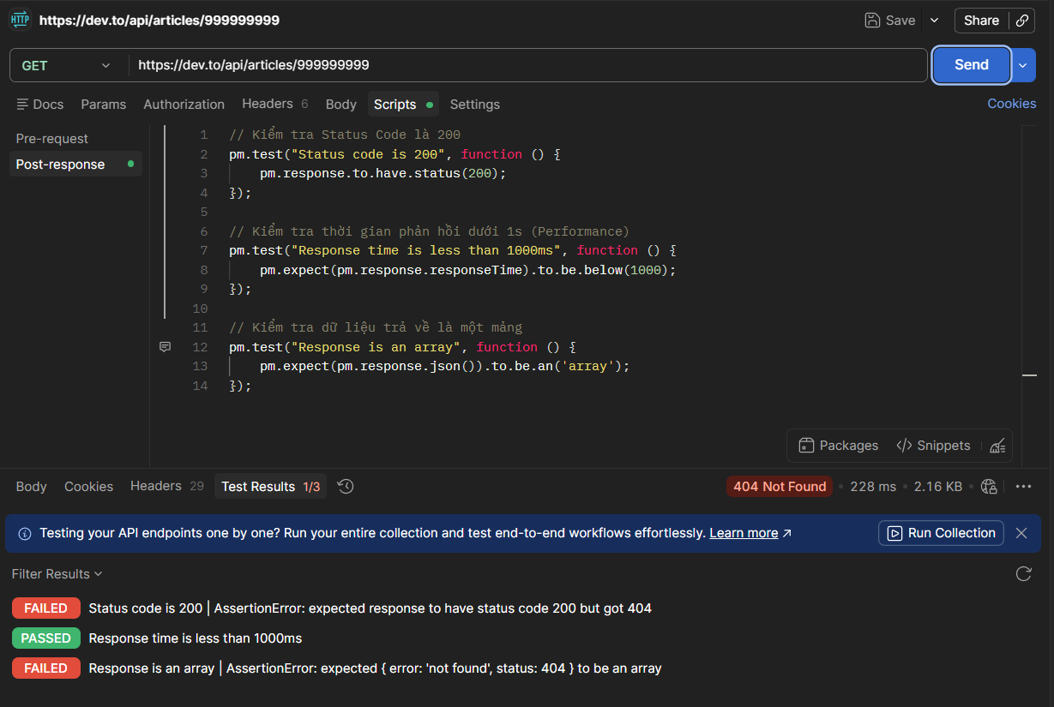
Test Case ID |  | API-02 | Test Case Description | Verify the system’s response when querying a non-existent article ID.
Created By |  | HoangPhuc | Reviewed By | HoangPhuc |  | Version |  | 0.1.1

QA Tester’s Log

Tester's Name |  | HoangPhuc | Date Tested | 2026-04-12 |  | Test Case (Pass/Fail/Not Executed) |  | Pass

Method / Endpoint |  | GET /articles/:id

S # | Prerequisites: |  |  | S # | Test Data
1 | The computer has Postman installed and an internet connection. |  |  | 1 | Method: GET
2 | The API URL structure for retrieving an article has been identified: https://dev.to/api/articles/{id} . |  |  | 2 | Non-existent article ID: 999999999 (an extremely large number exceeding current IDs).
3 | No Authorization header is required (since this is a public API). |  |  | 3 | Full URL: https://dev.to/api/articles/999999999
4 |  |  |  | 4

Test Scenario | Verify whether the API returns a 200 OK status code and the correct number of posts as requested.

Step # | Step Details |  | Expected Results | Actual Results |  |  | Pass / Fail / Not executed / Suspended

1 | Enter an invalid ID URL: https://dev.to/api/articles/999999999 |  | URL is ready to send the request. | URL is entered correctly. |  |  | Pass
2 | Click Send. |  | Server receives the request and searches the database. | Server processes the request and returns a response. |  |  | Pass
3 | Check Status Code. |  | Status code should be 404 Not Found. | Status code correctly shows 404 Not Found. |  |  | Pass
4 | Check Response Body error message. |  | JSON should contain an error message like: {"error": "Not Found"}. | Error content is clearly displayed, helping developers identify the issue easily. |  |  | Pass

API03 - Critical
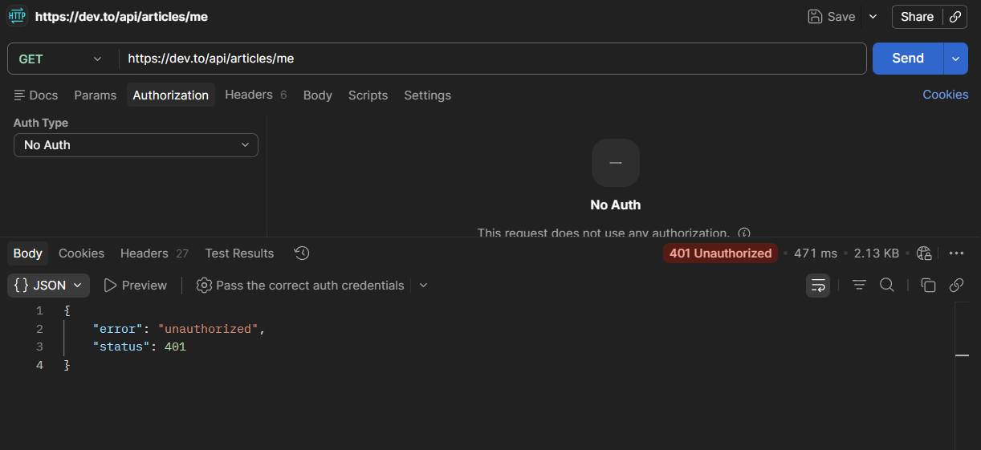
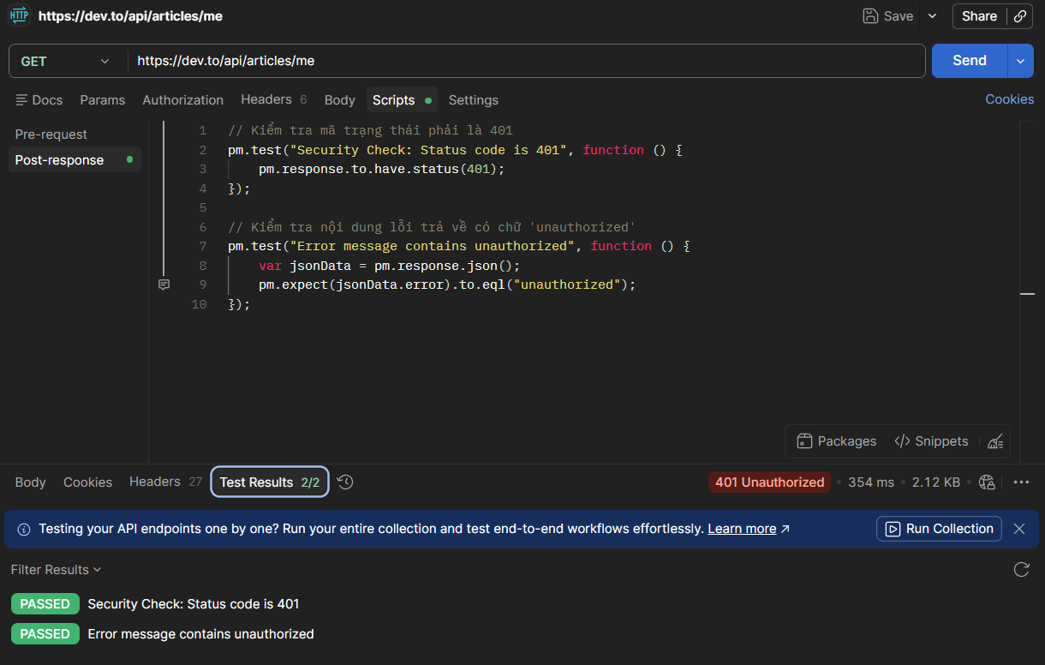
Test Case ID |  | API-03 | Test Case Description | Test the API security by accessing protected resources without an API key.
Created By |  | HoangPhuc | Reviewed By | HoangPhuc |  | Version |  | 0.1.1

QA Tester’s Log

Tester's Name |  | HoangPhuc | Date Tested | 2026-04-12 |  | Test Case (Pass/Fail/Not Executed) |  | Pass

Method / Endpoint |  | GET /articles/me

S # | Prerequisites: |  |  | S # | Test Data
1 | Use Postman. |  |  | 1 | Endpoint: https://dev.to/api/articles/me
2 | Do not provide any API key or authentication headers. |  |  | 2 | Header: Empty (Trống)

Test Scenario | Check whether the API returns a 200 OK status code and the correct number of posts as requested.

Step # | Step Details |  | Expected Results | Actual Results |  |  | Pass / Fail / Not executed / Suspended

1 | Enter the URL: https://dev.to/api/articles/me into Postman |  | The URL is entered correctly, and the method is GET. | Postman is ready to send a request to access private data. |  |  | Pass
2 | In the Authorization tab, make sure to select "No Auth". In the Headers tab, do not add an API key. |  | The request is configured without any authentication information. | No user identifier is sent along with the request. |  |  | Pass
3 | Click the Send button. |  | The Dev.to server receives the request and checks access permissions. | The server processes the authentication immediately. |  |  | Pass
 | Check the status code. |  | The returned status code must be 401 Unauthorized. | The status code is correctly displayed as 401 Unauthorized (yellow/red). |  |  | Pass
4 | Check the error message in the Response Body. |  | The returned JSON should contain a clear error message such as: {"error": "unauthorized", "status": 401}. | The system returns an "unauthorized" error, confirming that the user does not have access permission. |  |  | Pass

