TC_REG_001-High
Test Case ID |  | TC_Devto_Registration_InvalidEmail_001 | Test Case Description | Verify that the system correctly identifies and blocks invalid email structures.
Created By |  | Gia Huy | Reviewed By | Gia Huy |  | Version |  | 1.0
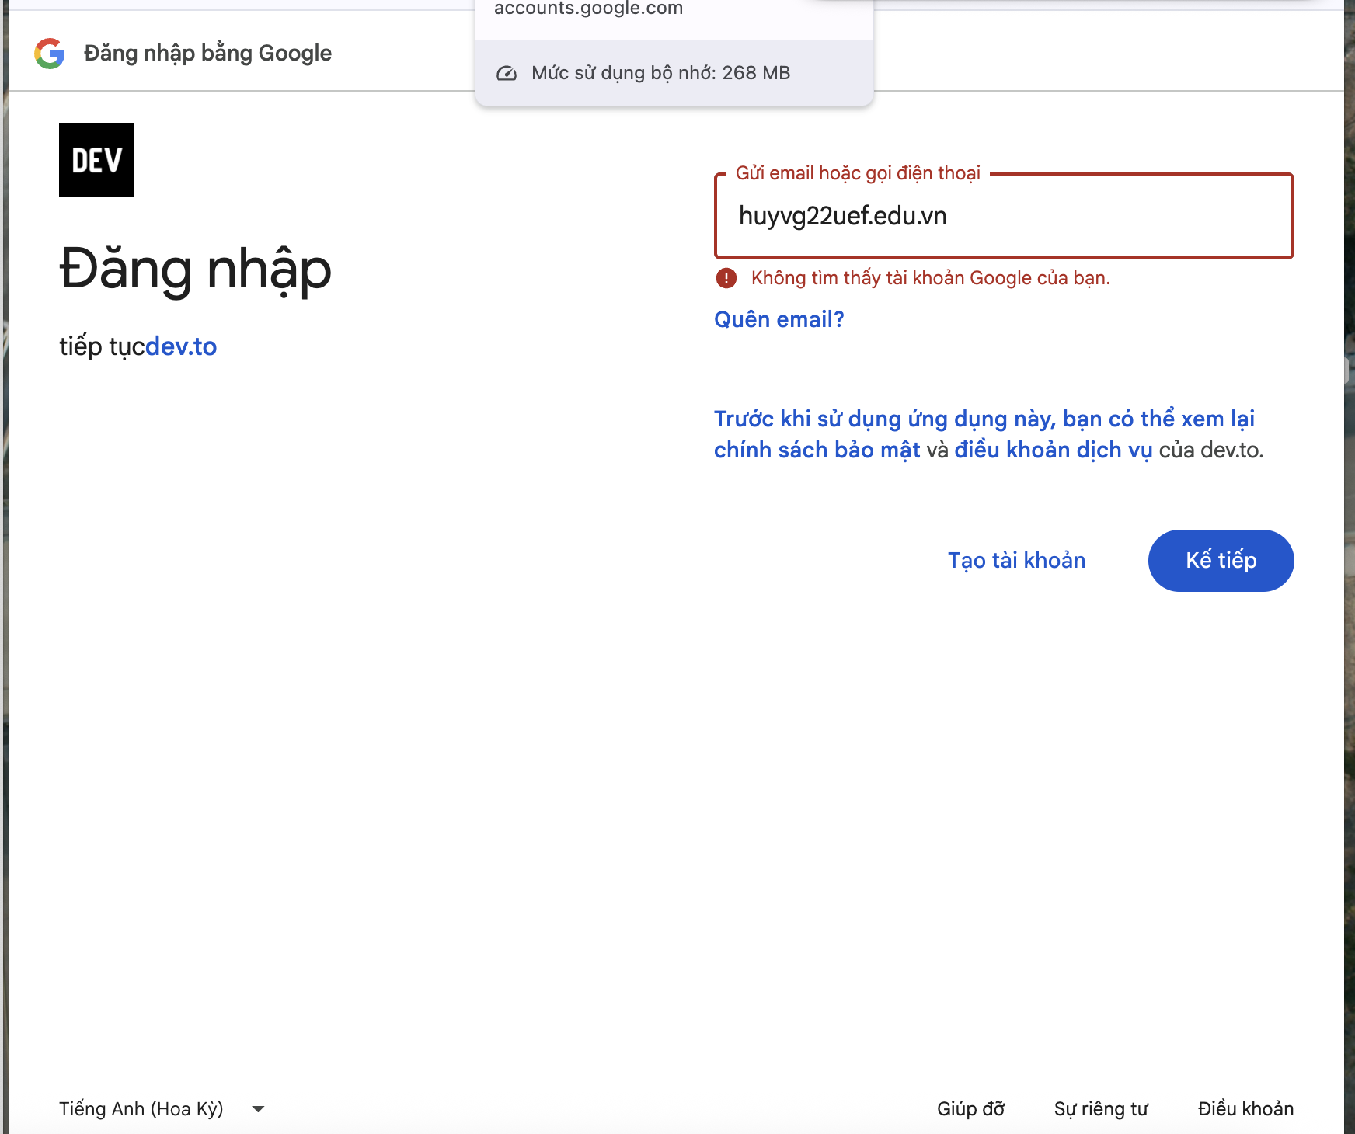
QA Tester’s Log

Tester's Name |  | Gia Huy | Date Tested | 2026-04-09 |  | Test Case (Pass/Fail/Not Executed) |  | Pass

S # | Prerequisites: |  |  | S # | Test Data
1 | Device: MacBook Pro using Safari browser. |  |  | 1 | Name: Gia Huy
2 | Network: Stable internet connection. |  |  | 2 | Email: huyvg22uef.edu.vn (Invalid: Missing the "@" symbol)
3 | Page: Navigate to https://dev.to/enter. |  |  | 3 | Username: huyvg22-invalid
4 | click the "Sign up with Email" button. |  |  | 4 | Password: Giahuy@2506

Test Scenario | Verify that the system identifies and rejects strings that do not follow the standard email format (e.g., missing the @

Step # | Step Details |  | Expected Results | Actual Results |  |  | Pass / Fail / Not executed / Suspended
1 | Click on the Email input field. |  | The cursor is active in the field | Cursor active. |  |  | Pass
2 | Type huyvg22uef.edu.vn. |  | The string is displayed correctly. | String entered. |  |  | Pass
3 | Fill in the Name and Password fields with valid data. |  | The fields are accepted. | Data entered. |  |  | Pass
4 | Left-click on the "Create Account" button. |  | The system blocks the submission. | Request blocked. |  |  | Pass
5 | Observe the error notification below the Email field. |  | Displays: "Email is invalid". | Correct error shown. |  |  | Pass

TC_REG_002-High
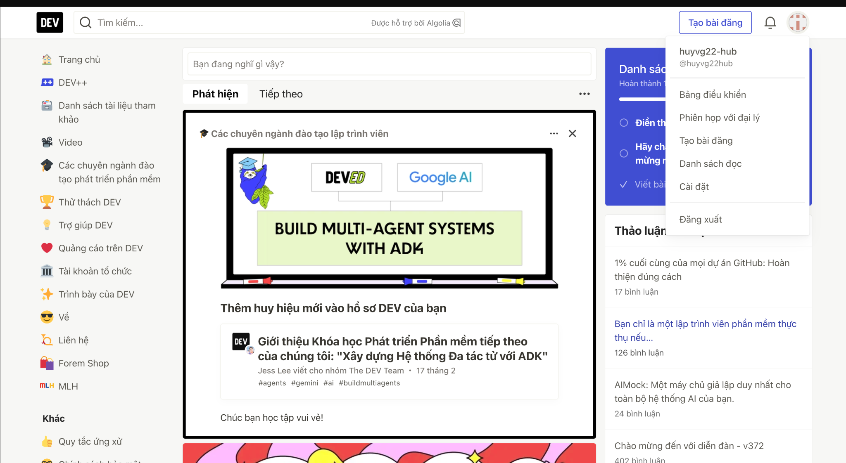
Test Case ID |  | TC_Devto_Registration_DuplicateEmail_002 | Test Case Description | Verify that the system validation logic can detect an email address that already exists in the database and prevents the user from creating a secondary account with that same email.
Created By |  | Gia Huy | Reviewed By | Gia Huy |  | Version |  | 0.1

QA Tester’s Log

Tester's Name |  | Gia Huy | Date Tested | 2026-04-09 |  | Test Case (Pass/Fail/Not Executed) |  | Pass

S # | Prerequisites: |  |  | S # | Test Data
1 | MacBook Air using Safari browser. |  |  | 1 | Email: huyvg22@uef.edu.vn (Existing Email)
2 | The email huyvg22@uef.edu.vn must already be registered and exist in the Dev.to database. |  |  | 2 | Name: Gia Huy
3 | Navigate to https://dev.to/enter |  |  | 3 | Username: huyvg22-dup
4 | click the "Sign up with Email" button. |  |  | 4 | Password: Giahuy@2506

Test Scenario

Step # | Step Details |  | Expected Results | Actual Results |  |  | Pass / Fail / Not executed / Suspended
1 | Click on the Email input field. |  | The cursor is focused in the field. | Cursor active. |  |  | Pass
2 | Type the registered email: huyvg22@uef.edu.vn. |  | The email is displayed correctly. | Email entered. |  |  | Pass
3 | Fill in all other valid information (Name, Username, Password). |  | All fields are filled and accepted by the UI. | Form completed. |  |  | Pass
4 | Left-click on the "Create Account" button. |  | The system sends a request to the server to check for duplicates. | Request sent. |  |  | Pass
5 | Wait for the server's response and observe the error message. |  | An error message appears: "Email has already been taken". | Correct error shown. |  |  | Pass

TC_REG_003-High
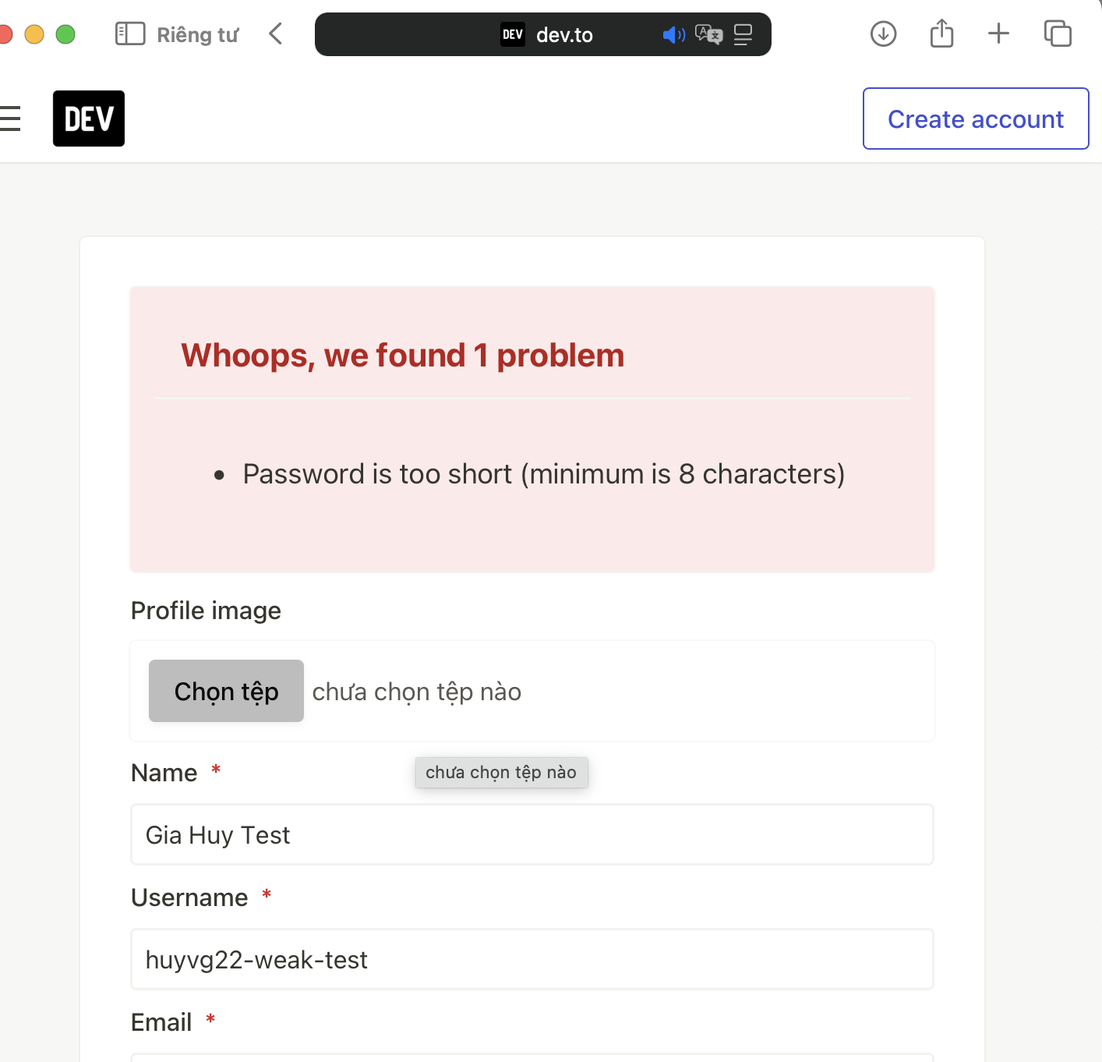
Test Case ID |  | TC_Devto_Registration_EmptyEmail_003 | Test Case Description | Verify that the system enforces a minimum password length policy (at least 8 characters) to ensure account security and rejects any passwords that are too short.
Created By |  | Gia Huy | Reviewed By | Gia Huy |  | Version |  | 1.0

QA Tester’s Log

Tester's Name |  | Gia Huy | Date Tested | 2026-04-13 |  | Test Case (Pass/Fail/Not Executed) |  | Pass

S # | Prerequisites: |  |  | S # | Test Data
1 | MacBook using Safari browser. |  |  | 1 | Email: huyvg22_test@uef.edu.vn (New email)
2 | The system registration rule requires a password length of ≥8 characters. |  |  | 2 | Name: Gia Huy
3 | Open the registration form at https://dev.to/enter |  |  | 3 | Username: huyvg22-weak
4 | select "Sign up with Email". |  |  | 4 | Password: 123 (Invalid: Only 3 characters)

Test Scenario

Step # | Step Details |  | Expected Results | Actual Results |  |  | Pass / Fail / Not executed / Suspended
1 | Click on the Password input field |  | The cursor is focused in the field. | Cursor active. |  |  | Pass
2 | Type the short password: 123. |  | The field displays 3 masked dots (●●●). | Characters entered. |  |  | Pass
3 | Fill in all other valid fields (Email, Name, Username). |  | All inputs are accepted by the UI. | Form completed. |  |  | Pass
4 | Left-click on the "Create Account" button. |  | The system initiates the validation process. | Button clicked. |  |  | Pass
5 | Observe the error notification below the Password field. |  | Displays: "Password is too short (minimum is 8 characters)". | Correct error shown. |  |  | Pass

TC_REG_004-Medium
Test Case ID |  | TC_Devto_Registration_PasswordMismatch_004 | Test Case Description | This test ensures that the system prevents account creation if the user fails to re-enter their password accurately, thereby avoiding potential login issues due to typos.
Created By |  | Gia Huy | Reviewed By | Gia Huy |  | Version |  | 1.0

QA Tester’s Log

Tester's Name |  | Gia Huy | Date Tested | 2026-04-09 |  | Test Case (Pass/Fail/Not Executed) |  | Pass

S # | Prerequisites: |  |  | S # | Test Data
1 | MacBook Pro using Safari browser in Private Browsing mode. |  |  | 1 | Name: Gia Huy Test
2 | The registration form is successfully loaded at https://dev.to/enter |  |  | 2 | Username: huyvg22-mismatch
3 |  |  |  | 3 | Email: mismatchtest123@gmail.com
4 |  |  |  | 4 | Password: Giahuy@2506
 |  |  |  | 5 | Password Confirmation: Giahuy@1234 (Intentional Mismatch)

Test Scenario | Verify that the system validation logic correctly identifies and rejects the registration process when the "Password" and "Password Confirmation" fields contain different values.

Step # | Step Details |  | Expected Results | Actual Results |  |  | Pass / Fail / Not executed / Suspended

1 | Leave the Profile image field as default ("chưa chọn tệp nào"). |  | No image is uploaded. | Default state maintained. |  |  | Pass
2 | Click on the Name input field and type: Gia Huy Test. |  | The text is displayed correctly in the field. | Data entered successfully. |  |  | Pass
3 | Click on the Username input field and type: huyvg22-mismatch. |  | The text is displayed correctly in the field. | Data entered successfully. |  |  | Pass
4 | Click on the Email input field and type: mismatchtest123@gmail.com. |  | The text is displayed correctly in the field. | Data entered successfully. |  |  | Pass
5 | Click on the Password input field and type: Giahuy@2506. |  | The characters are masked with security dots (●). | Password entered and hidden. |  |  | Pass
6 | Click on the Password Confirmation input field and type a different string: Giahuy@1234. |  | The characters are masked with security dots (●). | Mismatched password entered. |  |  | Pass
7 | Click the "Tôi không phải là người máy" (reCAPTCHA) checkbox. |  | A green checkmark (✔) appears inside the box. | reCAPTCHA verified. |  |  | Pass
8 | Left-click on the blue "Sign up" button at the bottom of the form. |  | The system triggers validation and blocks the form submission. | Submission blocked. |  |  | Pass
9 | Observe the UI feedback below the Password Confirmation field. |  | A red error message appears: "Password confirmation doesn't match Password". | 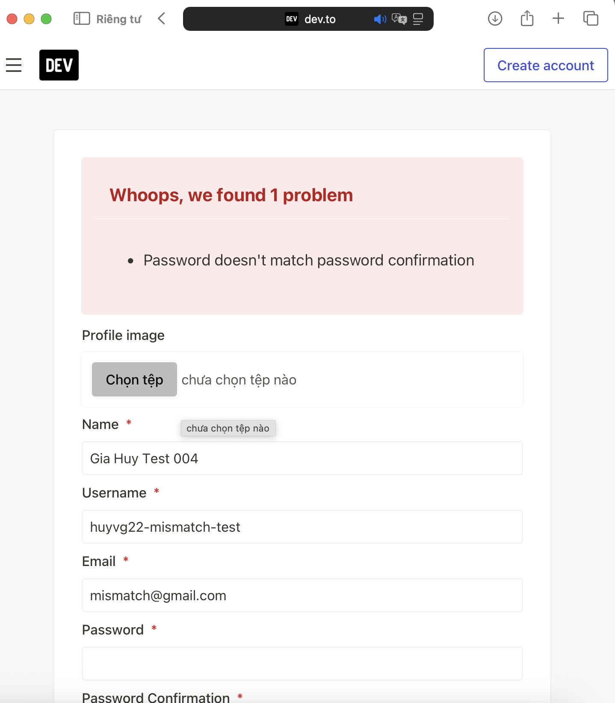 |  |  | Pass

TC_REG_005-High
Test Case ID |  | TC_Devto_Registration_EmptyFields_005 | Test Case Description | This test ensures the system enforces uniqueness for usernames, preventing duplication which is critical for user identification and profile routing (e.g., dev.to/username).
Created By |  | Gia Huy | Reviewed By | Gia Huy |  | Version |  | 1.0

QA Tester’s Log

Tester's Name |  | Gia Huy | Date Tested | 2026-04-09 |  | Test Case (Pass/Fail/Not Executed) |  | Pass

S # | Prerequisites: |  |  | S # | Test Data
1 | MacBook Pro using Safari browser in Private Browsing mode. |  |  | 1 | Name: Gia Huy Test005
2 | The username huyvg22-hub must already exist in the Dev.to database. |  |  | 2 | Username: huyvg22-hub (Existing Username)
3 | Access: The registration form is successfully loaded at https://dev.to/enter. |  |  | 3 | Email: test_user_005@gmail.com (Must be a new, unregistered email)
4 |  |  |  | 4 | Password: Giahuy@2506

Test Scenario

Step # | Step Details |  | Expected Results | Actual Results |  |  | Pass / Fail / Not executed / Suspended
1 | Leave the Profile image field empty. |  | No image is uploaded. | Default state maintained. |  |  | Pass
2 | Click on the Name input field and type: Gia Huy Test005. |  | Text is displayed correctly. | Data entered successfully. |  |  | Pass
3 | Click on the Username input field and type the existing username: huyvg22-hub. |  | Text is displayed correctly. | Existing username entered. |  |  | Pass
4 | Click on the Email input field and type a new email: test_user_005@gmail.com. |  | Text is displayed correctly. | Data entered successfully. |  |  | Pass
5 | Enter Giahuy@2506 into both the Password and Password Confirmation fields. |  | Passwords match and are masked (●). | Passwords entered. |  |  | Pass
6 | Check the reCAPTCHA box and complete the challenge. |  | A green checkmark (✔) appears. | reCAPTCHA verified. |  |  | Pass
7 | Left-click on the blue "Sign up" button. |  | System sends data to server, detects the duplicate username, and blocks submission. | Submission blocked. |  |  | Pass
8 | Observe the UI feedback located directly below the Username field. |  | A red error message appears: "has already been taken". | 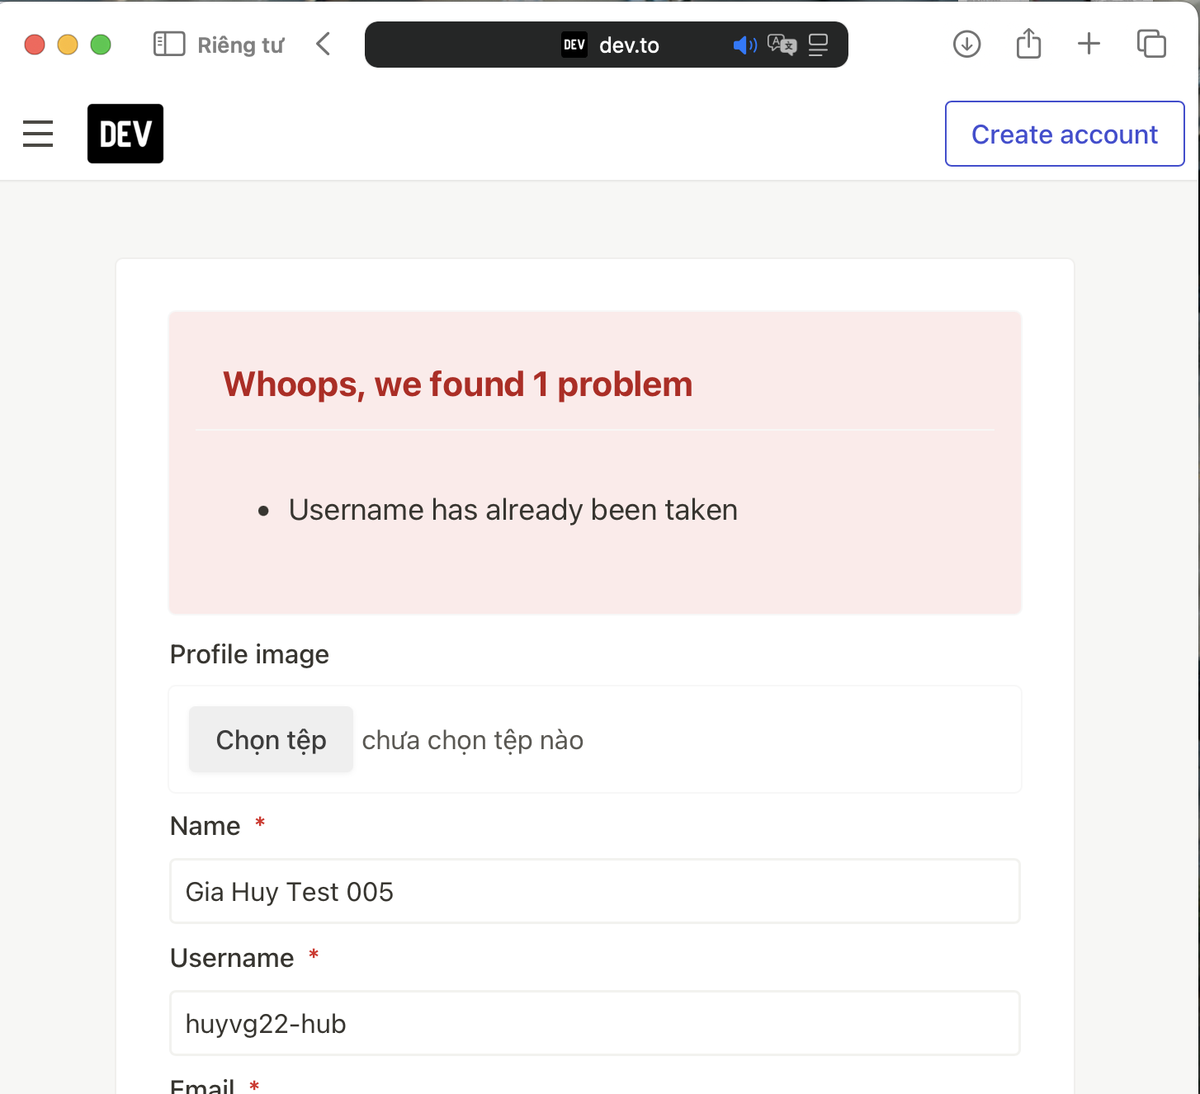 |  |  | Pass

TC_REG_006-High
Test Case ID |  | TC_Devto_Registration_MandatoryNull_006 | Test Case Description | This test ensures that users cannot bypass the required data entry, maintaining data integrity in the database and preventing the creation of null or ghost accounts.
Created By |  | Gia Huy | Reviewed By | Gia Huy |  | Version |  | 1.0

QA Tester’s Log

Tester's Name |  | Gia Huy | Date Tested | 2026-04-09 |  | Test Case (Pass/Fail/Not Executed) |  | Pass

S # | Prerequisites: |  |  | S # | Test Data
1 | Device: MacBook Pro using Safari browser in Private Browsing mode. |  |  | 1 | All Input Fields: Leave intentionally blank (Empty string / Null).
2 | Access: The registration form is successfully loaded at https://dev.to/enter and completely cleared of any previous data. |  |  | 2

Test Scenario | Verify that the system validation logic strictly prevents the registration process and displays appropriate error messages when mandatory fields (marked with a red asterisk *) are left entirely blank.

Step # | Step Details |  | Expected Results | Actual Results |  |  | Pass / Fail / Not executed / Suspended
1 | Do not upload any file in the Profile image field. |  | Field remains default. | Left blank. |  |  | Pass
2 | Leave the mandatory Name input field completely blank. |  | Field remains empty. | Left blank. |  |  | Pass
3 | Leave the mandatory Username input field completely blank. |  | Field remains empty. | Left blank. |  |  | Pass
4 | Leave the mandatory Email input field completely blank. |  | Field remains empty. | Left blank. |  |  | Pass
5 | Leave the mandatory Password input field completely blank. |  | Field remains empty. | Left blank. |  |  | Pass
6 | Leave the mandatory Password Confirmation input field completely blank. |  | Field remains empty. | Left blank. |  |  | Pass
7 | Check the reCAPTCHA box and complete the visual challenge if prompted. |  | A green checkmark (✔) appears inside the reCAPTCHA box. | reCAPTCHA verified. |  |  | Pass
8 | Left-click on the blue "Sign up" button at the bottom of the form. |  | The system triggers client-side or server-side validation and blocks the form submission. | Submission blocked. |  |  | Pass
9 | Observe the UI feedback on all mandatory fields. |  | Red error messages (e.g., "can't be blank") appear below each required input field. | 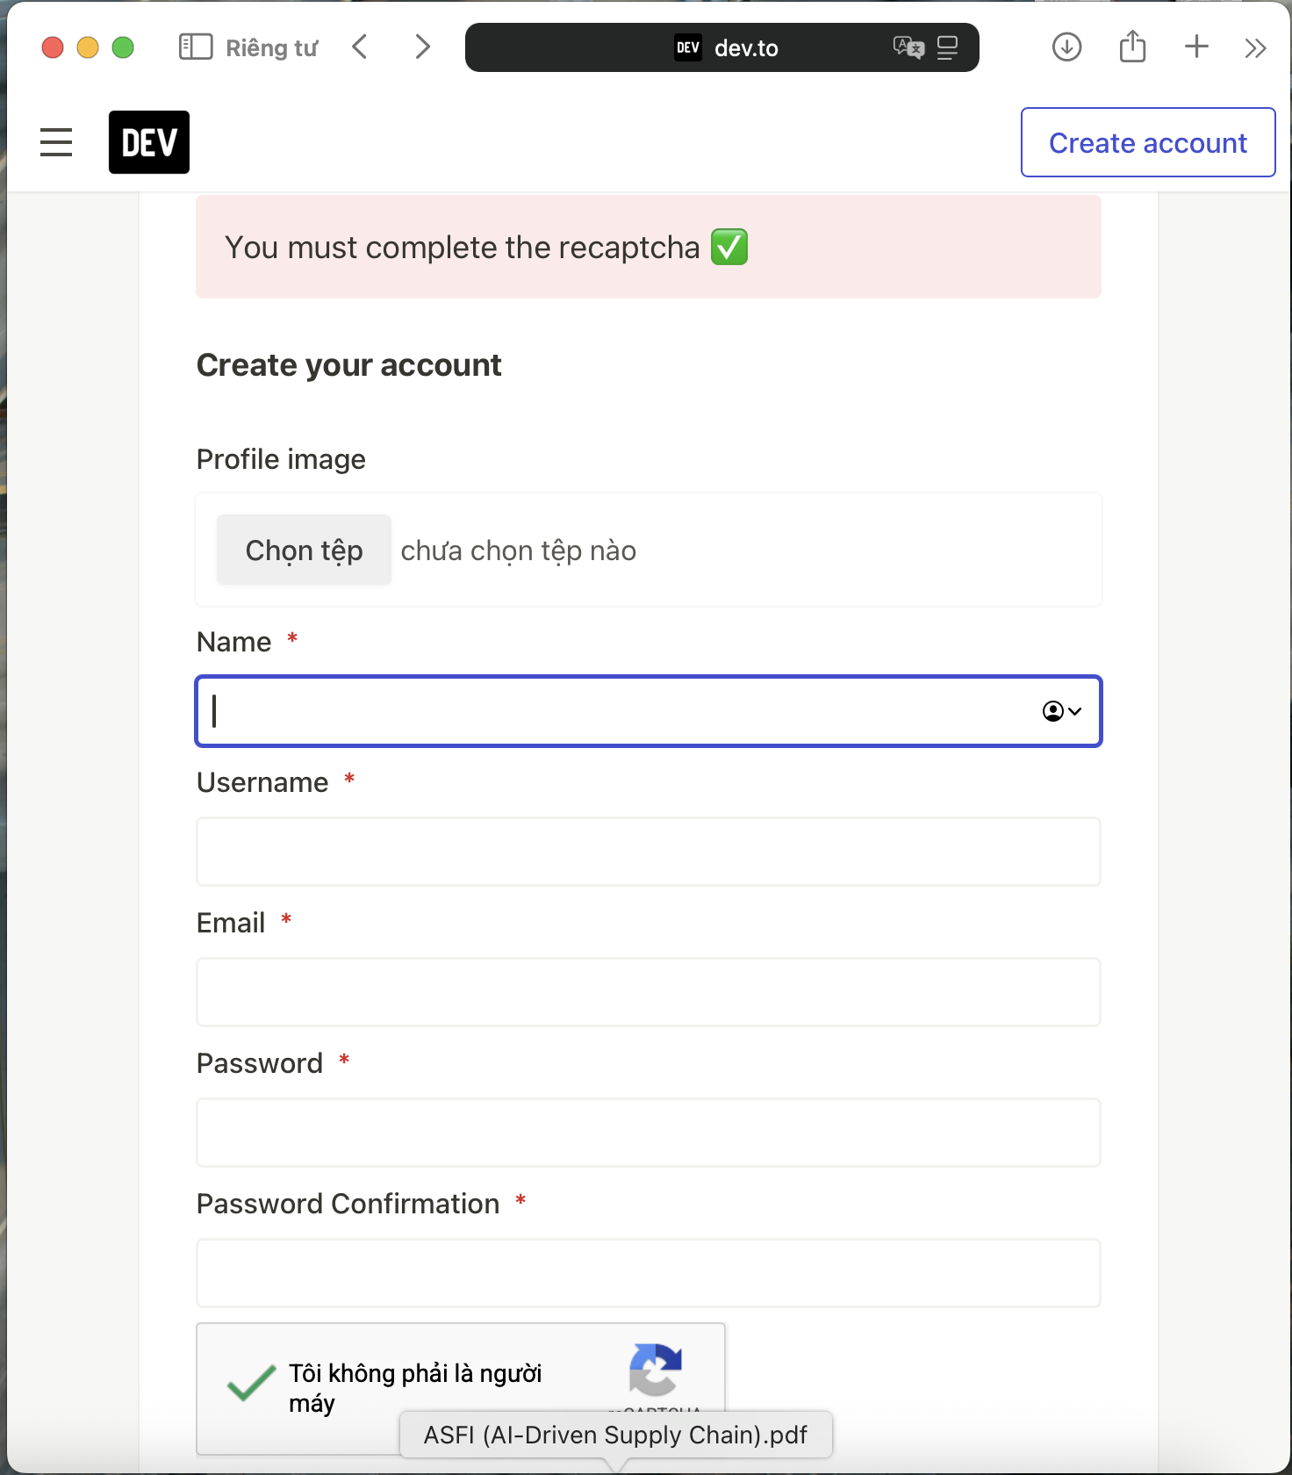 |  |  | Pass

TC_REG_007-Medium
Test Case ID |  | TC_Devto_Registration_UsernameWhitespace_007 | Test Case Description | This test evaluates if the system automatically trims whitespaces or rejects them as "blank" input during the registration process.
Created By |  | Gia Huy | Reviewed By | Gia Huy |  | Version |  | 1.0

QA Tester’s Log

Tester's Name |  | Gia Huy | Date Tested | 2026-04-09 |  | Test Case (Pass/Fail/Not Executed) |  | FAIL (Bug Identified)

S # | Prerequisites: |  |  | S # | Test Data
1 | Device: MacBook Pro using Safari browser in Private Browsing mode. |  |  | 1 | Name: Gia Huy Test Space
2 | Access: Registration form is successfully loaded at https://dev.to/enter. |  |  | 2 | Username: " " (Pressing the Spacebar 4 times - no letters)
3 |  |  |  | 3 | Email: giahuyvo2206@uef.edu.vn
4 |  |  |  | 4 | Password: GiaHuy@Tester2026

Test Scenario

Step # | Step Details |  | Expected Results | Actual Results |  |  | Pass / Fail / Not executed / Suspended
1 | Click on the Name field and enter: Vo Gia Huy. |  | Text is displayed correctly. | Text displayed as entered. |  |  | Pass
2 | Click on the Username field and press Spacebar 5 times. |  | Cursor moves but no visible characters should be valid. | 5 spaces entered. |  |  | Pass
3 | Click on the Email field and enter: giahuyvo2206@uef.edu.vn. |  | Email is accepted. | Email entered. |  |  | Pass
4 | Enter GiaHuy@Tester2026 into the Password and Confirmation fields. |  | Characters are masked (●). | Passwords entered. |  |  | Pass
5 | Check the reCAPTCHA box "Tôi không phải là người máy". |  | reCAPTCHA is verified. | Verified successfully. |  |  | Pass
6 | Click the blue "Sign up" button at the bottom of the form. |  | System should trigger validation and block submission. | System allowed the submission to proceed. |  |  | Fail
7 | Observe the UI feedback located directly below the Username field. |  | An error message: "Username can't be blank" should appear. | Redirected to Success page: "Great! Now confirm your email." |  |  | Fail ( BUG)
NOTE:
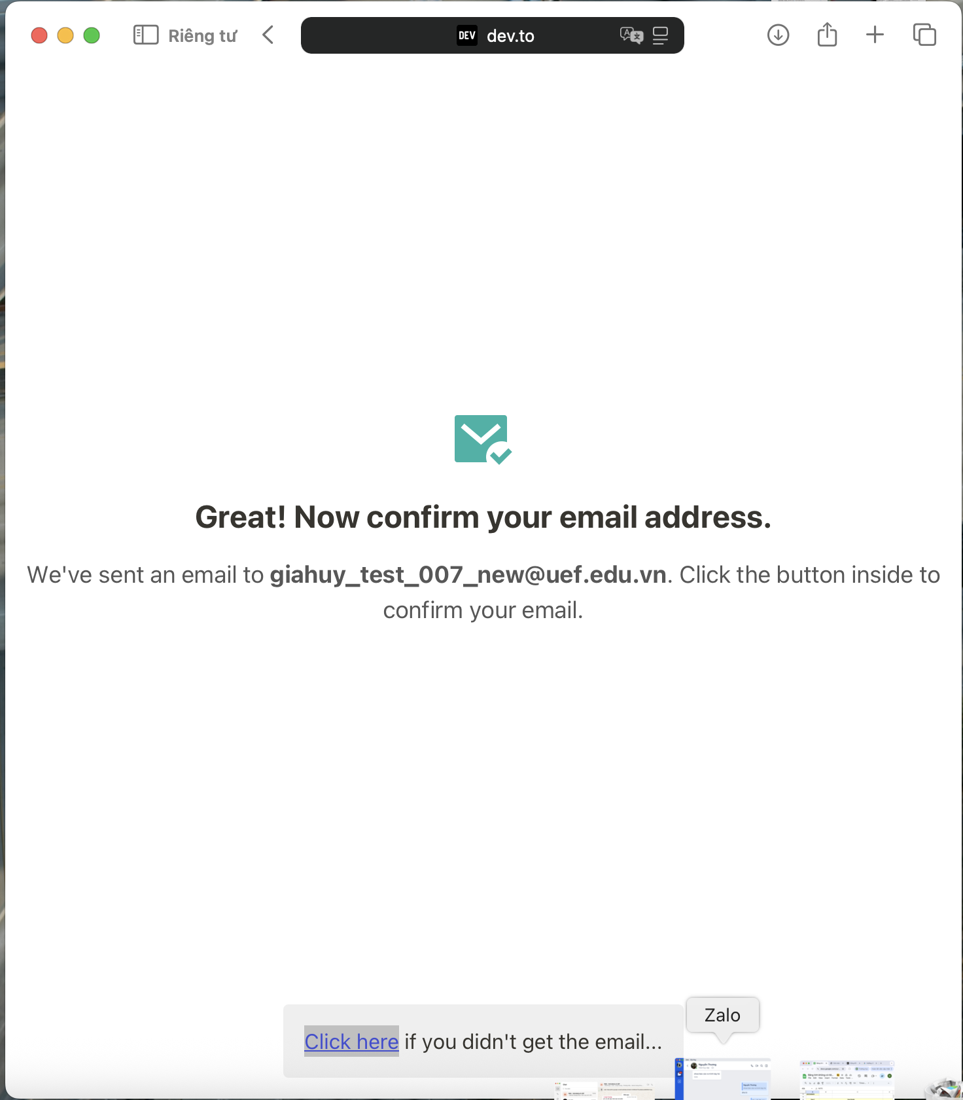 |  |  | QA Tester's Bug Report Note Bug Summary: Failure to validate and sanitize "Whitespace-only" input in the Username field. Detailed Explanation (Giải thích chi tiết): Logical Error: In registration logic, a "Username" is a mandatory unique identifier. The system should only accept alphanumeric characters. However, the system currently treats a string of 5 whitespaces (" ") as a valid value. Trimming Issue: The system fails to "Trim" (remove leading/trailing spaces) or check for "Null/Blank" content after trimming. This allowed the registration process to proceed to the Success Page (Great! Now confirm your email) instead of triggering the expected error message: "Username can't be blank". Security & UX Impact: This is a Logic Bug. It allows the creation of "Invisible Profiles" in the database, where a user has no visible name. This could lead to database integrity issues and broken UI when displaying user profiles on the platform. Evidence: As shown in screenshot Ảnh màn hình 2026-04-13 lúc 13.57.44.png, the system successfully accepted the whitespace-only input and redirected to the email confirmation screen.

TC_REG_008- High
Test Case ID |  | TC_Devto_Registration_MissingAtEmail_008 | Test Case Description | This test focuses on the syntax check of the email field to filter out poorly formatted contact information.
Created By |  | Gia Huy | Reviewed By | Gia Huy |  | Version |  | 1.0

QA Tester’s Log

Tester's Name |  | Gia Huy | Date Tested | 2026-04-09 |  | Test Case (Pass/Fail/Not Executed) |  | Pass

S # | Prerequisites: |  |  | S # | Test Data
1 | Device: MacBook Pro, Safari browser (Private Mode). |  |  | 1 | Name: Gia Huy Vo
2 | Access: Registration form loaded at https://dev.to/enter. |  |  | 2 | Username: huy_tester_2506
3 |  |  |  | 3 | Email: giahuy.vo2506.uef.edu.vn (Invalid: Missing "@")
4 |  |  |  | 4 | Password: GiaHuy@Tester2026

Test Scenario | Verify that the system validation logic correctly identifies and rejects the registration attempt when the "Email" field is missing the "@" symbol.

Step # | Step Details |  | Expected Results | Actual Results |  |  | Pass / Fail / Not executed / Suspended
1 | Click on the Name field and enter: Gia Huy Vo |  | Text is displayed correctly. | Name entered. |  |  | Pass
2 | Click on the Username field and enter: huy_tester_2506. |  | Text is displayed correctly. | Username entered. |  |  | Pass
3 | Click on the Email field and enter: giahuy.vo2506.uef.edu.vn. |  | Input is accepted. | Email entered (No "@"). |  |  | Pass
4 | Enter GiaHuy@Tester2026 into Password and Confirmation fields. |  | Characters are masked (●). | Passwords entered. |  |  | Pass
5 | Check the reCAPTCHA box and wait for the green checkmark (✔). |  | reCAPTCHA is verified. | Verified successfully. |  |  | Pass
6 | Click the blue "Sign up" button at the bottom. |  | System detects invalid email format and blocks submission. | Submission blocked. |  |  | Pass
7 | Observe the UI feedback below the Email field. |  | A red error message appears: "Email is invalid". | 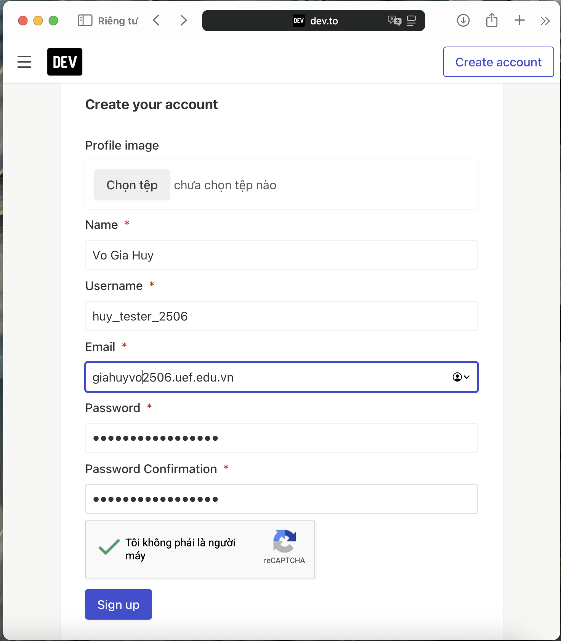 |  |  | Pass

TC_REG_009-Medium
Test Case ID |  | TC_Devto_Registration_WeakPassword_009 | Test Case Description | This test ensures that users are forced to create more secure passwords to protect their accounts from brute-force attacks.
Created By |  | Gia Huy | Reviewed By | Gia Huy |  | Version |  | 1.0

QA Tester’s Log

Tester's Name |  | Gia Huy | Date Tested | 2026-04-09 |  | Test Case (Pass/Fail/Not Executed) |  | FAIL (Security Bug)

S # | Prerequisites: |  |  | S # | Test Data
1 | Device: MacBook Pro, Safari browser (Private Mode). |  |  | 1 | Name: Nguyen Gia Huy
2 | Access: Registration form loaded at https://dev.to/enter. |  |  | 2 | Username: huy_tester_2506
3 |  |  |  | 3 | Email: giahuysecuritytest@uef.edu.vn (Dùng mail mới)
4 |  |  |  | 4 | Password: password123 (Invalid: Too common)

Test Scenario | Verify that the system security policy correctly identifies and rejects passwords that are too simple or commonly used (e.g., "password123"), even if they meet the minimum length requirement.

Step # | Step Details |  | Expected Results | Actual Results |  |  | Pass / Fail / Not executed / Suspended

1 | Fill in valid Name, Username, and Email. |  | Data is displayed correctly. | Inputs entered. |  |  | Pass
2 | Enter password123 in both Password and Confirmation fields. |  | Characters are masked (●). | Weak password entered. |  |  | Pass
3 | Complete reCAPTCHA and click "Sign up". |  | A green checkmark appears. | Verified successfully. |  |  | Pass
4 | Left-click on the blue "Sign up" button at the bottom. |  | System should trigger validation and block the weak password. | System allowed the weak password to pass. |  |  | FAIL
5 | Observe the final screen response. |  | A red error message "password is too common" should appear. | Redirected to Success page (Great! Now confirm...) |  |  | FAIL (Security)
6

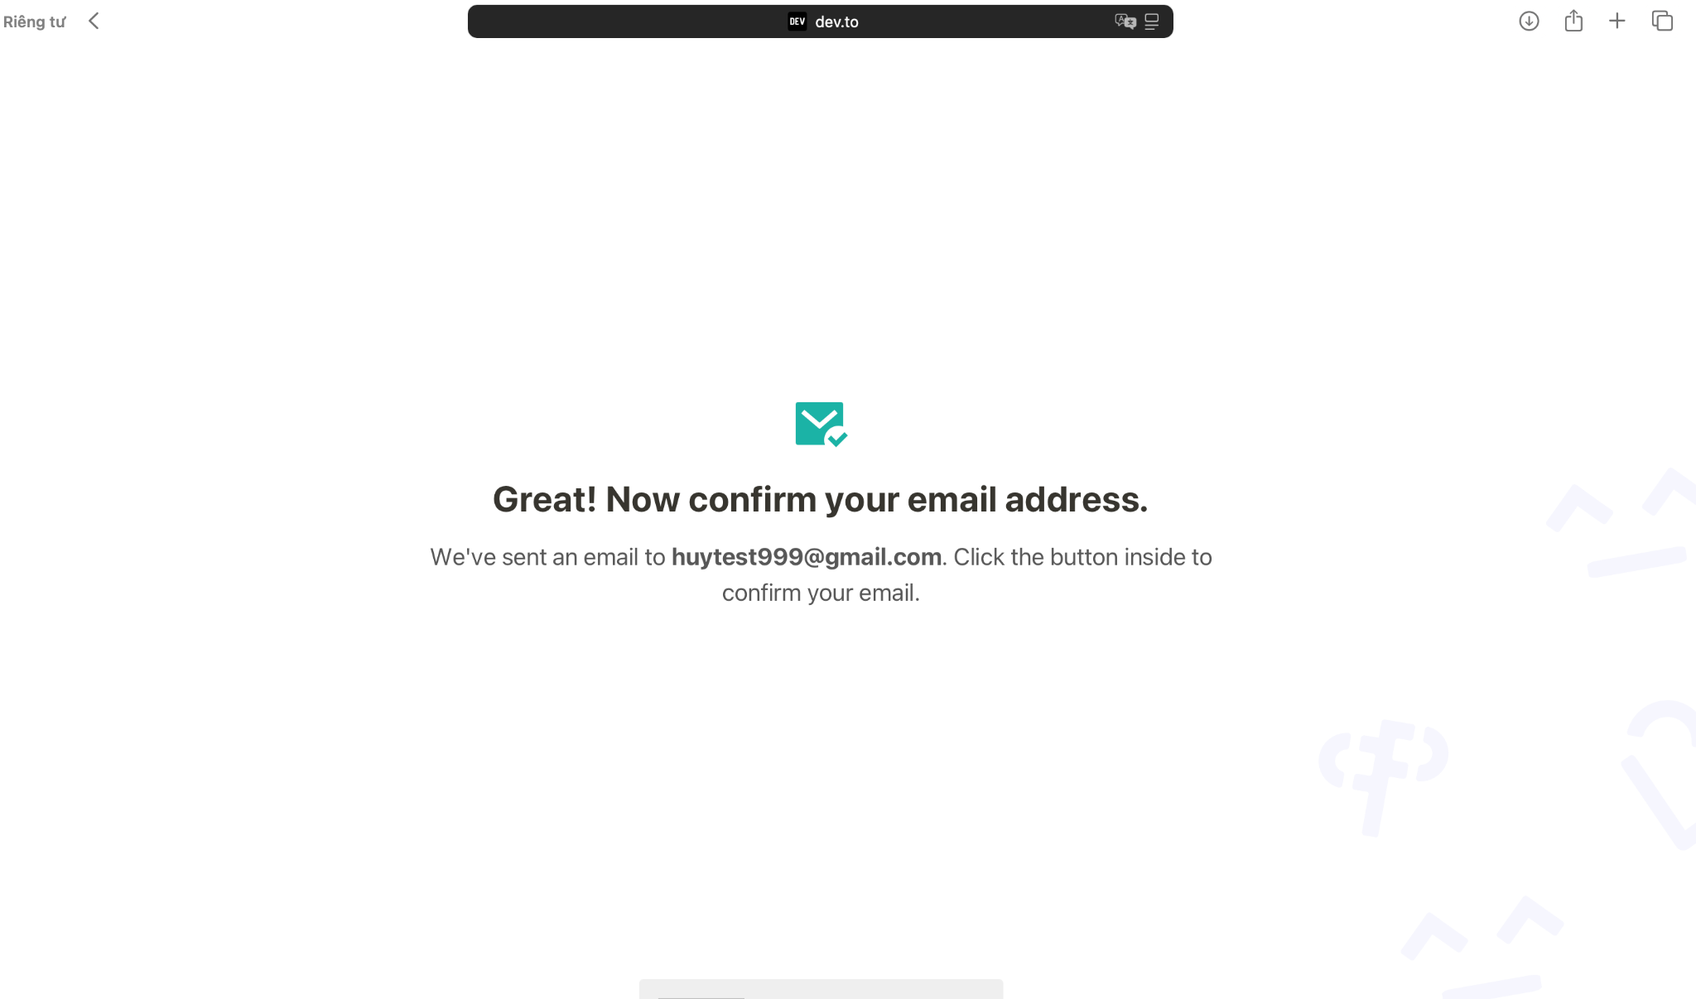
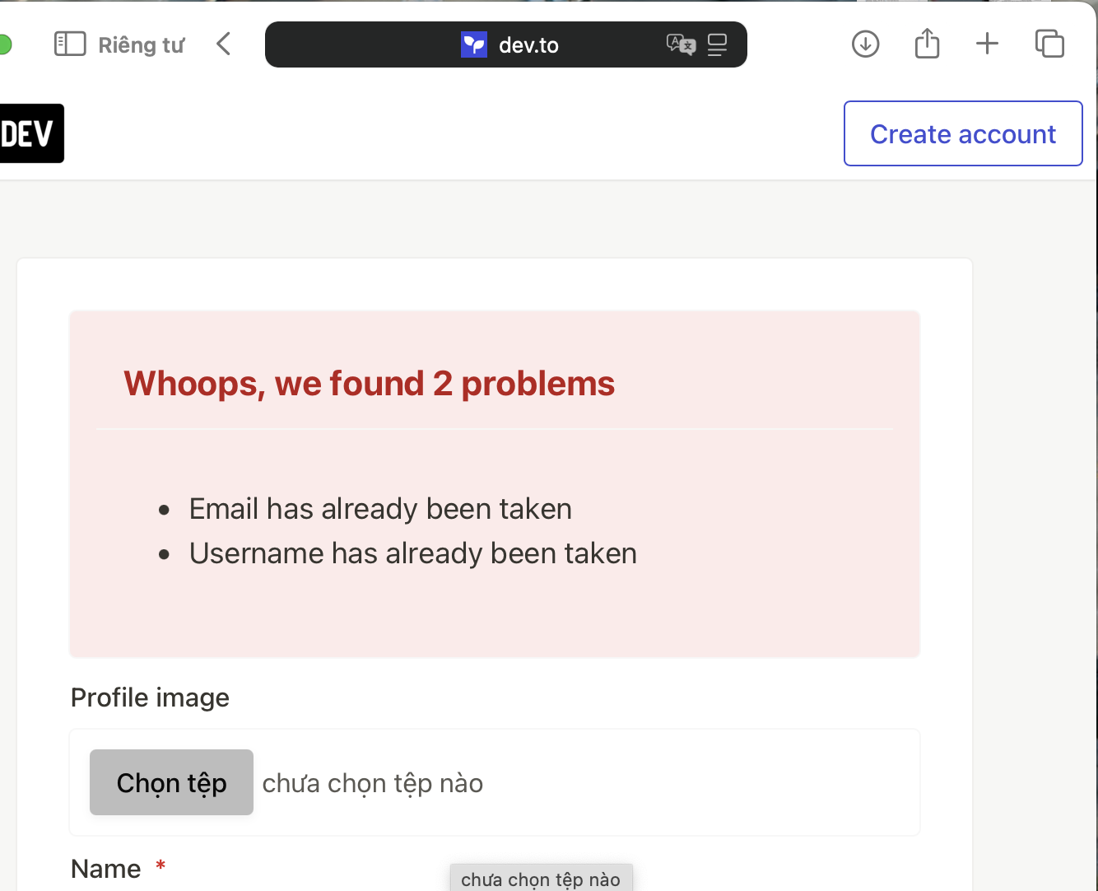
 |  |  |  |  |  |  | Tester's Note: > The system has a critical flaw in its validation priority. Instead of rejecting the highly insecure password (password123), the system only flagged the duplicate Email and Username. In a previous successful attempt, the system even allowed this weak password to pass (Bug), indicating a lack of a "Blacklisted Password" security policy.

TC_REG_010-High
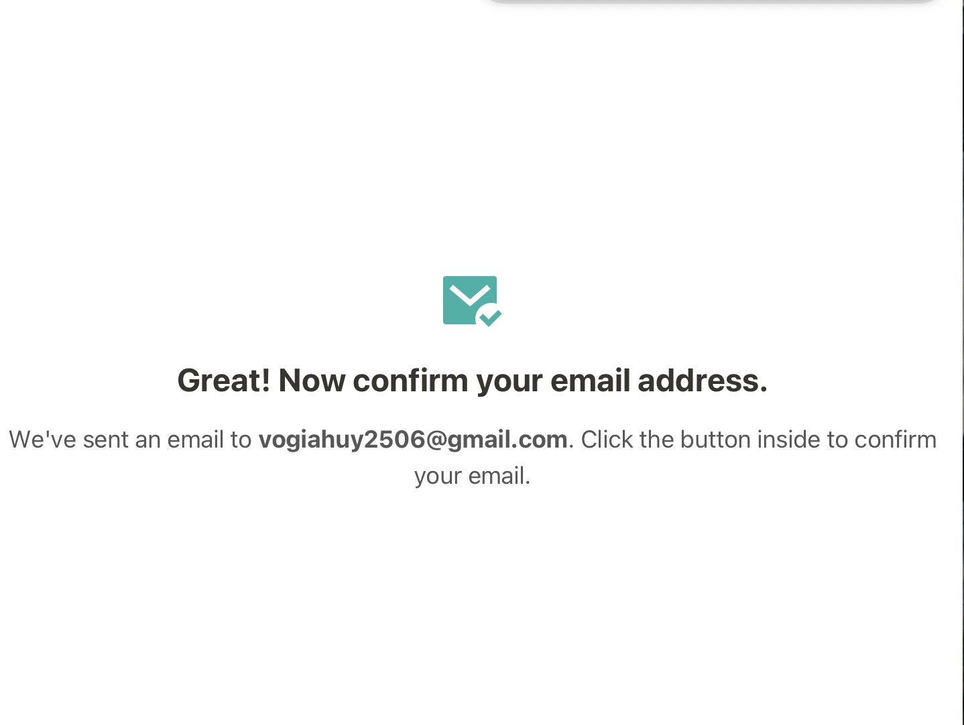
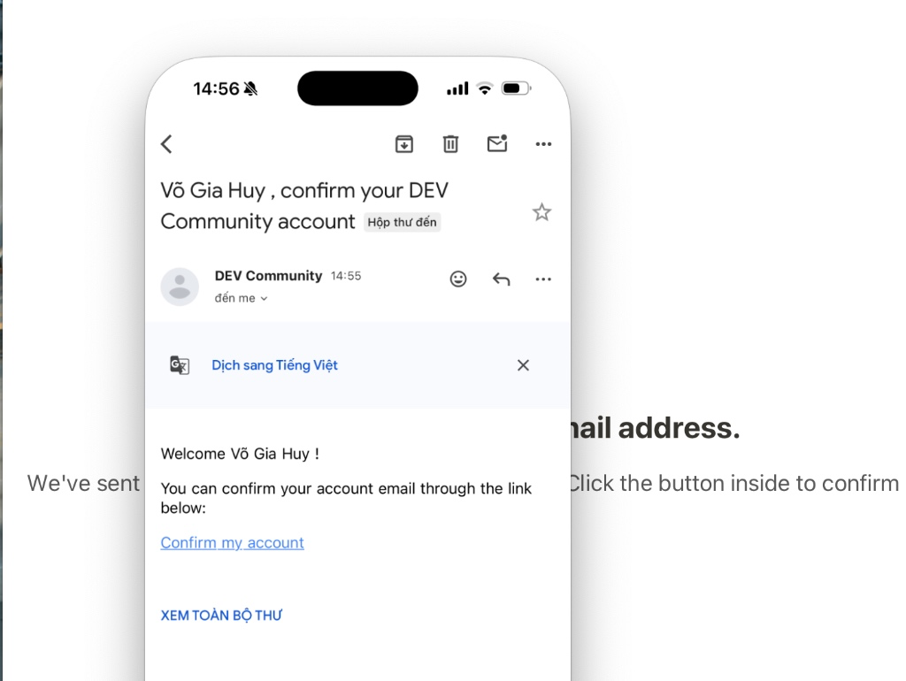
Test Case ID |  | TC_Devto_Registration_Success_010 | Test Case Description | This is the "Happy Path" to ensure the core functionality of the registration feature works as expected for a new user.
Created By |  | Gia Huy | Reviewed By | Gia Huy |  | Version |  | 1.0

QA Tester’s Log

Tester's Name |  | Gia Huy | Date Tested | 2026-04-09 |  | Test Case (Pass/Fail/Not Executed) |  | Pass

S # | Prerequisites: |  |  | S # | Test Data
1 | Device: MacBook Pro using Safari browser in Private Browsing mode. |  |  | 1 | Name: Võ Gia Huy
2 | Access: Registration form is successfully loaded at https://dev.to/enter. |  |  | 2 | 2. Username: giahuyvo_2506
3 |  |  |  | 3 | 3. Email: huyvg22@uef.edu.vn
4 |  |  |  | 4 | 4. Password: VogiaHuy@2026#

Test Scenario | Verify that the system allows a user to register successfully when all provided information is unique, valid, and meets all security requirements.

Step # | Step Details |  | Expected Results | Actual Results |  |  | Pass / Fail / Not executed / Suspended

1 | Click on the Name field and enter: Võ Gia Huy. |  | Text is displayed correctly. | Name entered. |  |  | Pass
2 | Click on the Username field and enter: giahuyvo_2506. |  | Text is displayed correctly. | Username entered. |  |  | Pass
3 | Click on the Email field and enter: huyvg22@uef.edu.vn. |  | Text is displayed correctly. | Valid student email entered. |  |  | Pass
4 | Enter VogiaHuy@2026# into the Password and Confirmation fields. |  | Characters are masked (●). | Strong passwords entered. |  |  | Pass
5 | Check the reCAPTCHA box "Tôi không phải là người máy" and wait for the green checkmark . |  | reCAPTCHA is verified successfully. | Verified successfully. |  |  | Pass
6 | Left-click on the blue "Sign up" button at the bottom. |  | System processes data and creates the account. | Account created. |  |  | Pass
7 | Observe the final screen response. |  | Redirects to a success page with a verification notice. | Redirected to Success page. |  |  | Pass
8 | Confirm the success message on the screen. |  | Displays: "Great! Now confirm your email address." | Confirmed: "Great!..." message displayed. |  |  | Pass

TC_REG_010 (API Version)- High
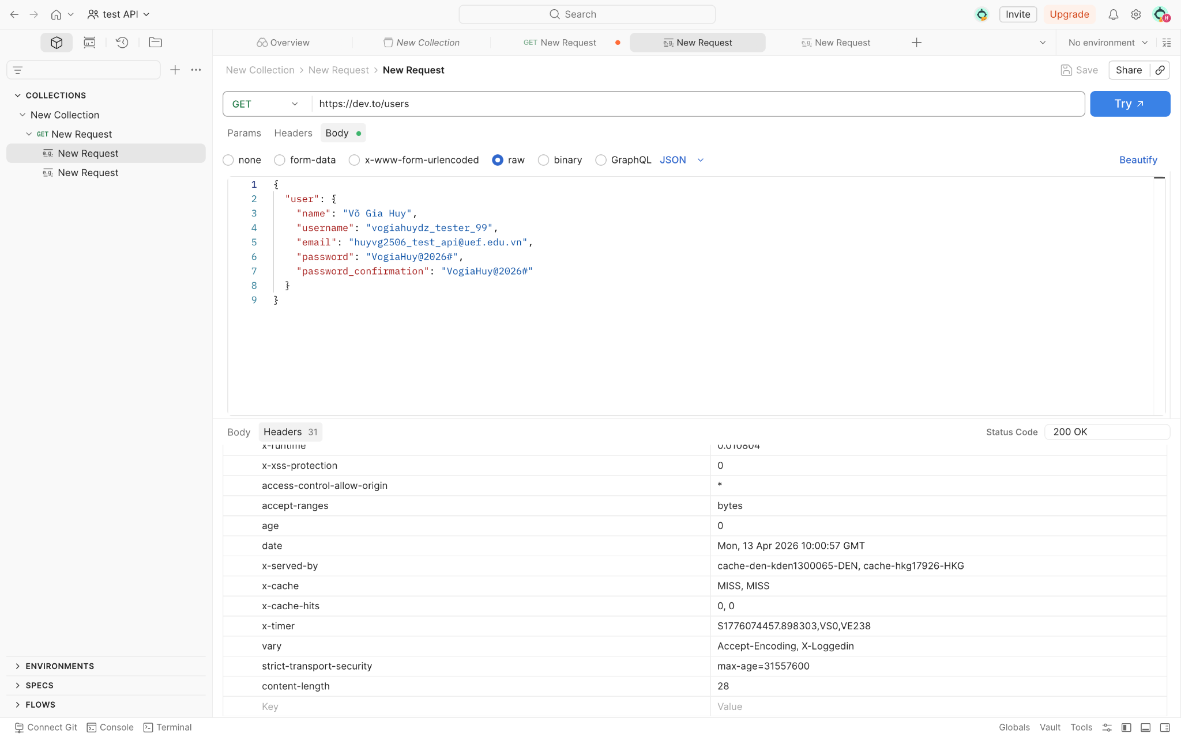
Test Case ID |  | TC_Devto_Registration_APISuccess_010 | Test Case Description
Created By |  | Gia Huy | Reviewed By | Gia Huy |  | Version |  | 1.0
 |  |  |  |  |  | Method: POST
QA Tester’s Log

Tester's Name |  | Gia Huy | Date Tested |  |  | Test Case (Pass/Fail/Not Executed) |  | Pass

S # | Prerequisites: |  |  | S # | Test Data
1 |  |  |  | 1

Test Scenario | Verify that the system successfully creates a new account via API request.

Step # | Step Details |  | Expected Results | Actual Results |  |  | Pass / Fail / Not executed / Suspended
1 | Open Postman, set Method to POST. |  | Tool is ready. | Configured |  |  | Pass
1 | Enter API URL: https://dev.to/users. |  | URL is correct. | URL entered. |  |  | Pass
1 | In Body tab, input JSON data for user Võ Gia Huy. |  | JSON format is valid. | Data prepared. |  |  | Pass
1 | Click Send and check Response. |  | Server responds to request. | Status 200 OK received. |  |  | Pass

